Protocol, Packet layout
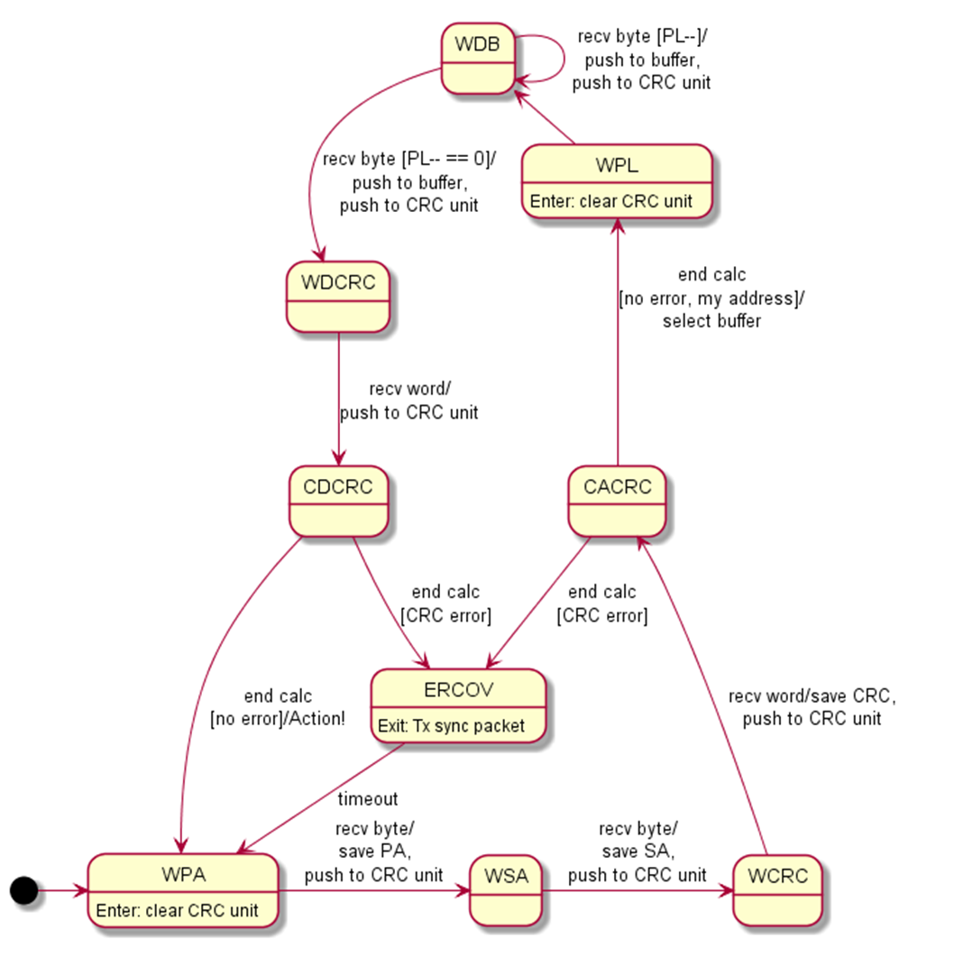
 | State | Description
 | WPA | Waiting for primary address | State | Event | Action
 | WSA | Waiting for secondary address | WPA | Enter | Clear CRC unit
 | WACRC | Waiting for address block CRC | WPL | Enter | Clear CRC unit
 | CACRC | Calculating address block CRC | ERCOV | Enter | Clear UART
 | WPL | Waiting fo payload length
 | WDB | Waiting for data byte
 | WDCRC | Waiting for data block CRC
 | CDCRC | Calculating data block CRC
 | ERCOV | Error recovery

S0 | S1 | Transition
WPA | WSA | Event: Receive a byte Condition: Unconditional Action: 1) Save (*) in PA, 2) Push (*) to CRC unit
WSA | WACRC | Event: Receive a byte Condition: Unconditional Action: 1) Save (*) in SA, 2) Push (*) to CRC unit
WACRC | CACRC | Event: Receive a word Condition: Unconditional Action: Push (*) to CRC unit
CACRC | WPL | Event: End calculation Condition: (no CRC error) Action: 1) Select buffer[PA and SA] (PA is not my address, select the special buffer to discard payload
CACRC | ERCOV | Event: End calculation Condition: (CRC error)
WPL | WDB | Event Receive a byte Condition: Unconditional Action: 1) Save (*) to PL, 2) Push (*) to CRC unit
WDB | WDB | Event: Receive a byte Condition: PL-- != 0 Action: 1) Save (*) to buffer, 2) push (*) to CRC unit
WDB | WDCRC | Event : Receive a byte Condition: PL-- == 0 Action: 1) Save (*) to buffer, 2) Push (*) to CRC unit
WDCRC | CDCRC | Event: Receive a word Condition: Unconditional Action: Push (*) to CRC unit
CDCRC | WPA | Event: End calculation Condition: (no CRC error) Action: Invoke buffer callback action
ERCOV | WPA | Event: Timeout

