Function1_0_1
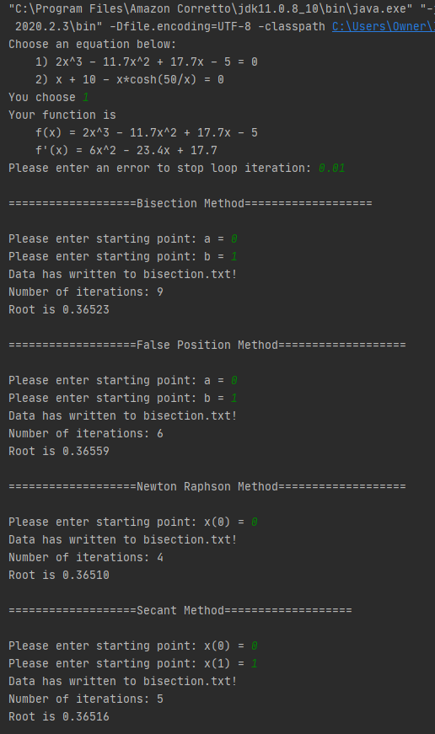
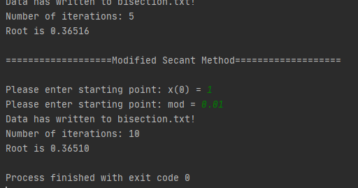
True Error [0,1]
Column1 | Column2 | Column3
Bisections | True Error | Approximate Error
1 | 36.8984% | 100.0000%
2 | 31.5508% | 100.0000%
3 | 2.6738% | 33.3333%
4 | 14.4385% | 20.0000%
5 | 5.8824% | 9.0909%
6 | 1.6043% | 4.3478%
7 | 0.5348% | 2.1277%
8 | 0.5348% | 1.0753%
9 | 0.0000% | 0.5348%

Falsi | True Error | Approximate Error
1 | 70.9579% | 100.0000%
2 | 22.4544% | 39.6094%
3 | 6.3253% | 15.1696%
4 | 1.6527% | 4.5966%
5 | 0.3557% | 1.2924%
6 | 0.0000% | 0.3557%

NewtonRaphson | True Error | Approximate Error
1 | 22.6274% | 100.0000%
2 | 1.5900% | 21.3774%
3 | 0.0087% | 1.5814%
4 | 0.0000% | 0.0087%

Secant | True Error | Approximate Error
1 | 71.1595% | 100.0000%
2 | 22.5989% | 39.6094%
Approximate Error [0,1]
3 | 7.5423% | 32.6000%
4 | 0.6027% | 8.0962%
5 | 0.0000% | 0.6027%

ModSecant | True Error | Approximate Error
1 | 3204.7782% | 108.8218%
2 | 2013.7947% | 62.2315%
3 | 1221.6278% | 70.6265%
4 | 699.5288% | 87.0849%
5 | 362.7051% | 128.2136%
6 | 156.4961% | 364.9965%
7 | 46.4227% | 205.4480%
8 | 5.9410% | 43.0387%
9 | 0.1009% | 5.8460%
10 | 0.0000% | 0.1009%

Function1_1_2
True Error [1,2]
 | Bisections |  | Falsi |  | NewtonRaphson |  | Secant |  | ModSecant
1 | 21.9512% | 1 | 2.0496% | 1 | 0.0090% | 1 | 2.0496% | 1 | 0.0144%
2 | 8.9431% | 2 | 0.0029% | 2 | 0.0000% | 2 | 1.2457% | 2 | 0.0000%
3 | 2.4390% | 3 | 0.0000% |  |  | 3 | 0.0019%
4 | 0.8130% |  |  |  |  | 4 | 0.0000%
5 | 0.8130%
6 | 0.0000%
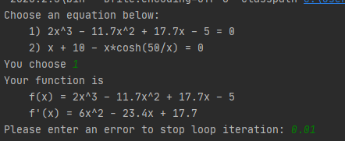
Column1 | Column2 | Column3
Bisections | True Error | Approximate Error
1 | 21.9512% | 33.3333%
2 | 8.9431% | 14.2857%
3 | 2.4390% | 6.6667%
4 | 0.8130% | 3.2258%
5 | 0.8130% | 1.6393%
6 | 0.0000% | 0.8130%

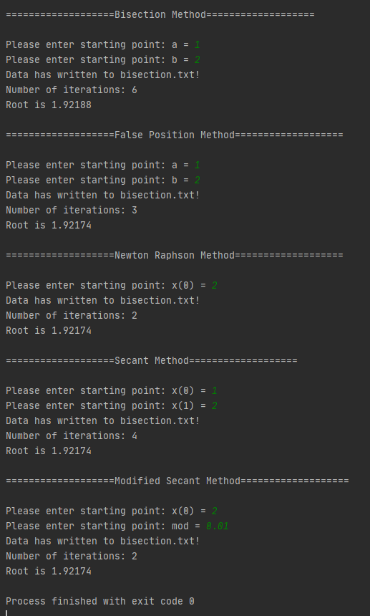
Falsi | True Error | Approximate Error
1 | 2.0496% | 100.0000%
2 | 0.0029% | 2.0468%
3 | 0.0000% | 0.0029%

NewtonRaphson | True Error | Approximate Error
1 | 0.0090% | 4.0816%
2 | 0.0000% | 0.0090%

Secant | True Error | Approximate Error
1 | 2.0496% | 46.8750%
2 | 1.2457% | 3.2548%
3 | 0.0019% | 1.2477%
4 | 0.0000% | 0.0019%

ModSecant | True Error | Approximate Error
1 | 0.0144% | 4.0873%
2 | 0.0000% | 0.0144%

Approximate Error [1,2]
 | Bisections |  | Falsi |  | NewtonRaphson |  | Secant |  | ModSecant
1 | 33.3333% | 1 | 100.0000% | 1 | 4.0816% | 1 | 46.8750% | 1 | 4.0873%
2 | 14.2857% | 2 | 2.0468% | 2 | 0.0090% | 2 | 3.2548% | 2 | 0.0144%
3 | 6.6667% | 3 | 0.0029% |  |  | 3 | 1.2477%
4 | 3.2258% |  |  |  |  | 4 | 0.0019%
5 | 1.6393%
6 | 0.8130%

Function1_3_4
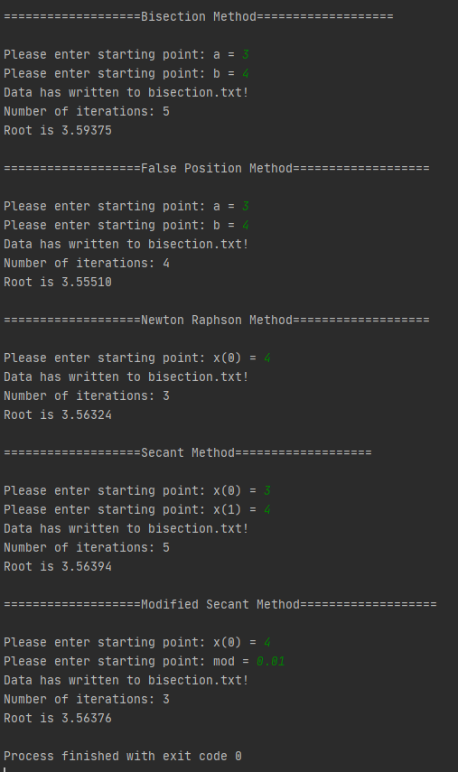
True Error [3,4]
Column1 | Column2 | Column3
Bisections | True Error | Approximate Error
1 | 2.6087% | 14.2857%
2 | 4.3478% | 6.6667%
3 | 0.8696% | 3.4483%
4 | 0.8696% | 1.7544%
5 | 0.0000% | 0.8696%

Falsi | True Error | Approximate Error
1 | 6.4294% | 100.0000%
2 | 2.0767% | 4.4450%
3 | 0.5065% | 1.5782%
4 | 0.0000% | 0.5065%

NewtonRaphson | True Error | Approximate Error
1 | 3.0422% | 8.9431%
2 | 0.2614% | 2.7736%
3 | 0.0000% | 0.2614%

Secant | True Error | Approximate Error
1 | 6.6613% | 9.8160%
2 | 7.9907% | 13.5679%
3 | 1.6899% | 9.8470%
4 | 0.3981% | 1.2970%
5 | 0.0000% | 0.3981%

ModSecant | True Error | Approximate Error
1 | 3.2486% | 8.7093%
2 | 0.3698% | 2.8682%
Approximate Error [3,4]
3 | 0.0000% | 0.3698%

Function2_120_130
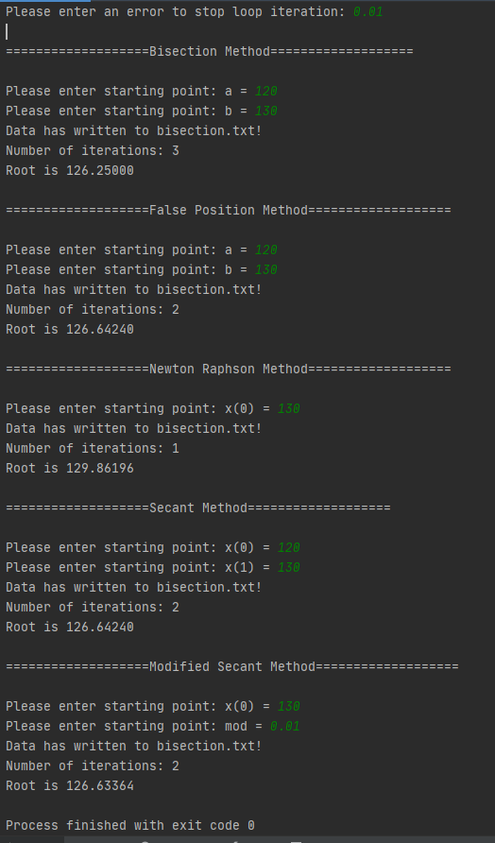
True Error [120,130]
Column1 | Column2 | Column3
Bisections | True Error | Approximate Error
1 | 0.009900990099 | 0.04
2 | 0.009900990099 | 0.019607843137
3 | 0 | 0.009900990099

Falsi | True Error | Approximate Error
1 | 0.0013676486766 | 1
2 | 0 | 0.0013676486766

NewtonRaphson | True Error | Approximate Error
1 | 0 | 0.0010630040227

Secant | True Error | Approximate Error
1 | 0.0013676486766 | 0.053744205835
2 | 0 | 0.0013676486766

ModSecant | True Error | Approximate Error
1 | 0.0010263577277 | 0.027638218655
2 | 0 | 0.0010263577277

Approximate Error [120,130]

