depth
Model |  | Manufacturer | Output | Pros | Cons | Dims [mm] | Technology | Min range [m] | Max range [m] | Max fps | Hard interface | Soft interface | Price [USD]
OrSens | 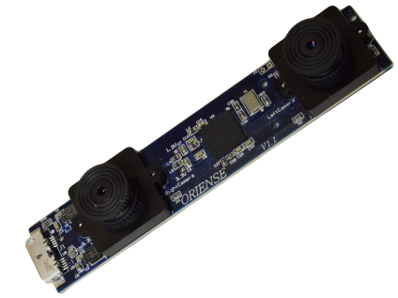 | Oriense Tech |  | Outdoors |  | 98 x 20 x 15 | Structured light | 0.65 | 7 | 30 | USB 2.0 USB 3.0 | ROS xPC | 200
RealSense R200 |  | Intel |  | Track 6 DOF Intel won't be bought out Outdoors Works on homogeneous floor | USB 3.0 only Tested on 4th gen Intel only | 130 x 20 x 7 | Stereo IR IR laser Mono RGB IMU | 0.5 | 3.5 | 60 | USB 3.0 | ROS | 99
RealSense F200 |  | Intel |  | Short range Intel won't be bought out Works on homogeneous floor | Indoors only USB 3.0 only Tested on 4th gen Intel only Large | 150 x 30 x 58 | Mono IR IR Laser Mono RGB | 0.2 | 1.2 | 60 | USB 3.0 | ROS | 99
UTM 30 LX |  | Hukuyo | Polar distances | Outdoors | 2D reading | 87 x 56 x 56 | LIDAR | 0.1 | 30 | 40 | USB 2.0
Structure |  | Occipital | Stereo intensity images | Point cloud output |  | 120 x 35 x 35 ? | IR Stereo ? IR LED | 0.4 | 3.5 | 30 | USB 2.0 | ROS (OpenNI) IOS | 350
Leap Motion |  | Leap Motion | Stereo intensity images |  |  | 75 x 25 x 6.2 | IR Stereo IR LEDs | 0 | 0.6 | 200 | USB 2.0 USB 3.0 | ROS | 89
ZED |  | Stereo Labs | Point cloud | Point cloud output | USB 3.0 only Require fast CPU | 175 x 30 x 30 | Stereo RGB | 1.5 | 20 | 120 | USB 3.0 | ROS MATLAB | 449

