INFO
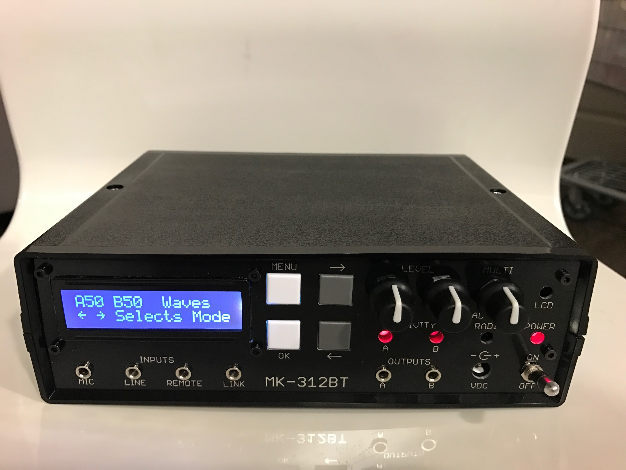
MK-312 BT V1.3R Information
Github Project Home: https://github.com/buttshock/mk312-bt
Message Boards: https://metafetish.club
Discord (Chat): https://discord.buttplug.io
Construction Videos: https://www.youtube.com/playlist?list=PLDZBOOe-bdwPYMWLqG2gFVGe-te_oV037

About
INFO is this Google Sheet - the latest copy of this document lives at http://tinyurl.com/mk312bt-info or https://goo.gl/Ia0wMW
FULLBOM consists of all items - sorted for sanity. Enter the number of units you want to produce in the top row and it will math for you.
MOUSERBOM1 contains items in FULL_BOM available from mouser and we select the "recommended" options . This BOM is for 1 UNIT.
NONMOUSER is a list of all the parts you cant get from Mouser with links to where you can get them from
RAWBOM is the output Eagle generates for the V1.1 schematic. This is used for cross checking the other documents.

MK-312BT V1.3R - How to Order Parts
1) Order the PCB from the gerber files https://goo.gl/um2Wv1 or http://tinyurl.com/y7p2b9hx
2) Order 1 set of the Mouser Parts from this Mouser Project: https://tinyurl.com/yagb87b2
3) Order 1 set of Digikey Parts from this Digikey cart (DAC, Ribbon Cable) : https://tinyurl.com/ybprysx7
4) Order the case from Allied Electronics : http://tinyurl.com/m8vhmxb
5) Order the hardware parts from McMaster (Wire, Heat Shrink Tubing, sheet metal screw, socket head screw and m2.5 nut (see NONMOUSER sheet tab of this document)
6) (Optionally) order the bluetooth radio from Amazon : http://amzn.to/2l0UEoj
7) If parts on Digikey OR Mouser are showing as "Out of Stock/Backordered - consult FULLBOM and MOUSERBOM1 sheet tabs of this document for replacement parts"
8) (Optional) You will need strong double sided tape to mount the battery - 3M VHB is recommended - http://amzn.to/2nTkawE
9) Note - it is cheaper to buy the following minimum quantities of parts : R55 - 10, R53 - 10, R2 - 10, R18 - 10, R38 - 10, R1A - 10, R14 - 10, R12 - 10, D2 - 10, R35 - 10, R11 - 10, R6 - 10, R7 - 10, R13 - 10

MK-312BT V1.3R - Hardware Improvements over original ET-312B
1) Line input modified for matched frequency and level response on left and right channels.
2) Link I/O circuitry replaced with MAX-232CPE For better compatibility (True RS-232 Levels)
3) Provisions for Bluetooth radio, Radio takes over Link I/O when nothing is in the jack
4) New one piece front panel design where LCD, buttons, potentiometers, and LEDs are on the sub panel. Jacks and power switch on mainboard. Cleaner looking design with controls and jacks on 3/4" centers
5) Remote input added to facilitate DC response into B channel without compromising line audio input characteristics. Tip is voltage coming from remote 0-2 volts, Ring supplies 2 volts from a resistor divider internal to the unit. Sleeve is ground. The Remote is meant for the Audio 1 & 2 modes. External potentiometer and push button recommended for remote. Other SPST type of items can be used such as motion detectors with dry contact output or mercury switches.
6) Support for tri polar (+, GND, -) toys on the output channels
7) Taps for +5V/+12V on power lines - Useful for embedding MP3 Players, for instance.

MK-312BT Hardware Jumper Settings
1) JP6 and JP7 [DISABLED BY DEFAULT]
Enabling JP6 and JP7 allow the use of tripolar (+, GND, -) toys on the corresponding channels by connecting the center tap of the transformer to the stereo jack
WARNING : ENABLING JP6 and JP7 will cause mono plug toys to short the transformer !!

MK-312BT Hardware Assembly Notes / Tips - PLEASE READ -
1) Trim Potentiometer knobs to correct length if desired
2) Use black permanent marker to black out front panel hole walls if desired
3) Cut the tabs off of the base of the pots so the board sits flush with the display facade if desired
4) To correctly fit LCD - solder header to LCD board first. Next insert LCD panel into front panel daughter board. Then put screws on front panel facade and finger tighten M2.5 screws first. Adjust positions as needed so everything lines up and sits well. Finally solder LCD header to front panel daughter board.
5) Make sure Pin 32 (LED2) on the HC-05 module is actually soldered and making connection to the ZS-040 break out board or "Radio" LED may not function on the front panel
6) Be very careful not to bridge pins when soldering the LM 2941 (U14). Apply heat to 1 pad only and carefully apply solder. If a bridge occurs - remove the IC, clean the pads throughly with flux and solder wick and then retry. Pins 2 and 3 can be bridged because they are both ground. Ensure that no other pins are bridged. Check with multimeter continuity tester for bridges before power on!
8) Make sure to check the orientation of all electrolytic caps. (+) indicates the positive and a solid white "|" indicates the negative .
9) MAKE SURE YOUR POWER PLUG IS CENTER POSITIVE OR THINGS WILL GO BADLY. If you fuck up and plug in a reversed polarity supply - replace electrolytic caps C1 and C4.
10) Please remember to adjust the LCD contrast potentiometer - if incorrectly set the unit and backlight will power on but the interface will not be displayed.
11) Place transformers with P facing the output jacks (yes we are using the transformers "backwards" if you follow orientation given in the transformer datasheet )
12)Trim pins of 4066 IC (U3) Socket on the front panel board flush before soldering so buttons can clear. If the buttons still interfere, carefully disassemble the button and cut off the bit of the plastic housing that interferes with the 4066 IC socket pins.
13) Getting the buttons to align is a pain (they will foul on things if not perfectly aligned). The best way is to fully assemble the front panel without worrying too much about the alignment or the fouling and then when the panel is fully together, go around the button a few times reheating a couple of its pins at a time ( either with a wide knife tip, with two irons , or with hot air - this will allow the buttons to "settle" into place nicely
14) Using side cutters cut off the screw boss/screw mount on the case that touches/interferes with the ribbon cable socket on the display board.
15) The LCD display has metal retention tabs that may short the soldered leads of C43. When installing the display board ensure that this does not happen (shorten the capacitor leads and bend the offending metal tab out of the way if necessary. Optionally - Do Not Fit C43 - it is not entirely necessary.

Changes made in buttshock-et312-frankenbutt f005 over original ET 312B V1.5/V1.6 firmware https://git.io/vMoHG
F005 Patches the following in addition to the stock firmware
1) changeversion: changes startup message from v1.6 to f005
2) unifyboxes: allow 1.5 and 1.6 boxes to share the same firmware
3) removerandomxor: box will always pick 0 as it's xor communication key
4) serialdumpmemory: box will allow serial to dump more of the flash memory on request
5) fixknobscaling: A and B levels now display smoothly 0-99 with no missing numbers
6) newmenu; adds a new sub menu "More Options", moves Link Slave to that menu
7) hookmain: adds a new mode "Random 3" kind of a combination of torment and random1 to the new options menu, adds a new mode "Random 4" which turns on with a random mode for 40ish seconds, then off for 20ish seconds

Modifying and Flashing Firmware onto MK312-BT
1) We are using an external 8mhz crystal instead of the internal RC oscillator that the original uses. We need to set the fuses to enable this. LOW FUSE : 0xFF HIGH FUSE : 0xDC
2) (Recommended if Bluetooth Module is used) Before flashing the main firmware - install the bluetooth radio and set it up per this guide /firmware script : https://git.io/vHnNv
3) A patched version of buttshock-et312-frankenbutt-f005 is recommended .
4) The firmware needs to be changed to replace the up/down arrows on the UI with left right arrows (this is because the LCD we use has a different character set)
5) Obtain or modify a copy of the firmware and flash the result onto the AVR.
6) If you dont want to use an external crystal - we need to set the calibration byte for the internal oscillator. If programming a blank chip you first need to read the calibration bytes of that part (i.e. using avrdude -t “dump calibration” the fourth byte is the calibration byte for 8MHz or use atmel studio to read the oscillator calibration byte). Then program that byte into 0x3fff in your firmware. These bytes will differ on different chips even from the same batch. The firmware reads that byte to set OSCCAL on startup. If the byte is inaccurate various problems and failures will occur related to timing, interrupts, and serial communication. Just use an external crystal dammit.
7) In order to reduce display flicker on MK312-BT go to offset 0x45E and change it from 0xAE 0x70 to 0xAF 0x73

Errata and and Changes made from V1.0 to V1.1
1) C25 and C27 are mislabeled on the board, 1000pF is the correct value (FIXED)
2) R20 and R21 are mislabeled on the board, 100K is the correct value (FIXED)
3) R14 and R15 are mislabeled on the board, 1K is the correct value (FIXED)
4) R20 and R21 are mislabeled on the board, 20K is the correct value (FIXED)
5) Do not populate R9 100K (FIXED)
6) Do not populate R1B 12K (FIXED)

Errata and and Changes made from V1.1 to V1.2
1) Fixed routing error on display board. (FIXED)
2) Removed JP3 because pointless. (FIXED)
3) Changed size of electrolytics to make things fit a bit nicer. (FIXED)

Errata and and Changes made from V1.2 to V1.3
1) LM 2941 footprint to make it easier to solder without bridging (PENDING)
2) Move 4066 IC to better place. (DONE)
3) Fix silkscreen "+" on electrolytic caps C4 C5 (DONE)
4) Move ribbon cable socket slightly lower so it doesnt foul on the case screw boss (WONTFIX - just trim the screw boss on the case )
5) Move C43 lower to remove chance of shorting with display retention tabs or remove C43 altogether (SOLUTION : Do Not Fit C43)
6) Make pads and pad/track juntions bigger for easier rework (WONTFIX - Rework using a temperature controlled iron, lots of flux, and good rosin impregnated solder wick)
7) R13 from 47k to 6.2k , C22 0.1uF to 0.47uF to make responses closer to original (SOLUTION: R13 to 4.7k, C22 to 1uF)
8) Taps for +5V/+12V on power lines - Useful for embedding MP3 Players, for instance.

Images of V1.2 MK 312BT

