Decision
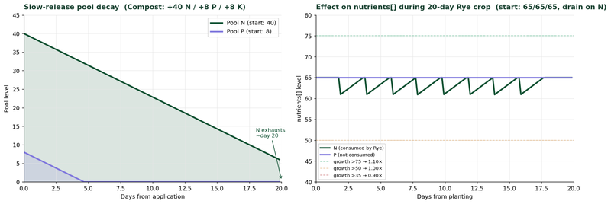
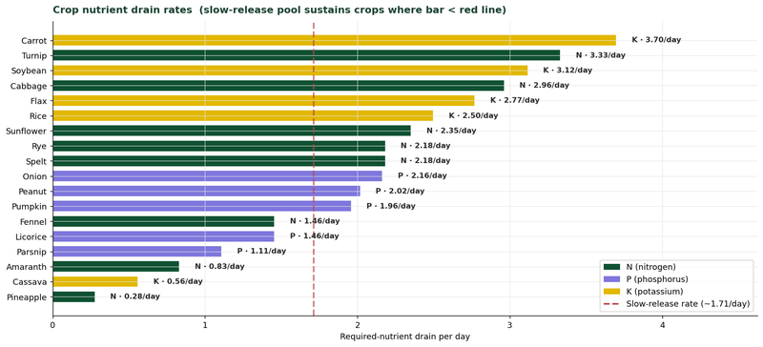
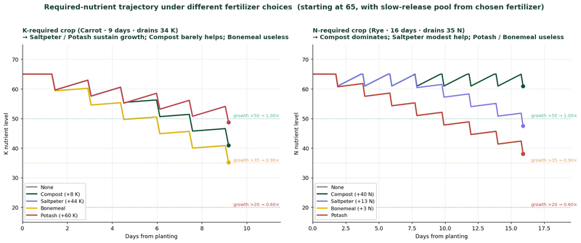
Decision Helper
Just harvested? Pick your next crop with full season context.

1 · Inputs

Mode | Standalone | (Linked = pull data from a plot below)
Plot ID | P01 | (only used in Linked mode)
Today (day#) | 50 | (pulls from Settings; overwrite to test other days)
Soil tier | 65 | (Barren=5, Low=25, Med=50, Compost=65, Terra Preta=80)
Greenhouse? | FALSE | (adds +5°C to all temperatures)
[MOD] Has Farmhand fertilizer perk? | TRUE | [MOD: Specialized Classes - leave FALSE on vanilla] pulls from Settings
Will fertilize at planting? | TRUE | (if TRUE, assumes you'll bring soil up to soil-tier before planting)
Fertilizer to apply: | None | (no fertilizer) |  |  |  |  | (only used if "Apply fertilizer at planting?" above is TRUE)
Current N/P/K (post-harvest):
 | N |  | P |  | K |  | (0 to 100 each axis; defaults assume fertilized = soil tier; unfertilized = half soil tier)
 | 65 |  | 65 |  | 65
Slow-release pool: | 0 |  | 0 |  | 0 |  | (0 to 150 each axis; check in-game F3 for 'Active fertilizer +X% N' display)
2 · Today's conditions

Today is: | Day 50 (5 Jun)
Temperature today: | 13.5°C avg | 4.7°C min | 22.8°C max | (varies through the day. Game uses tick temperature for damage)
Growing days left: | 34 days | (season ends day 84)
Lowest nutrient: | N (65) | (N-required crops will struggle if N is low; rotation matters)
Verdict: | Plenty of season left. Many options viable

3 · Crop ranking. All 18 crops scored for your situation

Crop | Grow days | Plant→Harvest | Days after | Window min | Window max | Cold/heat? | Frost OK? | Rotation | Follow-up? | Score | Verdict
Rye | 16.0 | 50→66 | 18 | 4.7 | 24.6 | ✓ ok | ✓ yes | ok | yes (carrot) | 40.2 | good
Carrot | 9.3 | 50→59 | 25 | 4.7 | 24.1 | ✓ ok | ✓ yes | ok | yes (carrot) | 138.8 | top pick
Parsnip | 15.8 | 50→66 | 18 | 4.7 | 24.6 | ✓ ok | ✓ yes | ok | yes (carrot) | 99.0 | good
Fennel | 24.0 | 50→74 | 10 | 2.0 | 24.6 | ✓ ok | ✓ yes | ok | yes (turnip) | 53.6 | good
Licorice | 24.0 | 50→74 | 10 | 2.0 | 24.6 | ✓ ok | ✓ yes | ok | yes (turnip) | 53.6 | good
Onion | 13.9 | 50→64 | 20 | 4.7 | 24.6 | ✓ ok | ✓ yes | ok | yes (carrot) | 101.3 | top pick
Turnip | 7.2 | 50→57 | 27 | 4.7 | 24.1 | ✓ ok | ✓ yes | ok | yes (carrot) | 126.4 | top pick
Cabbage | 12.4 | 50→62 | 22 | 4.7 | 24.6 | ✓ ok | ✓ yes | ok | yes (carrot) | 18.9 | ok
Spelt | 16.0 | 50→66 | 18 | 4.7 | 24.6 | ✓ ok | ✓ yes | ok | yes (carrot) | 43.8 | good
Flax | 16.0 | 50→66 | 18 | 4.7 | 24.6 | ✓ ok | ✓ yes | ok | yes (carrot) | 21.9 | ok
Sunflower | 15.3 | 50→65 | 19 | 4.7 | 24.6 | ✓ ok | ✓ yes | ok | yes (carrot) | 49.7 | good
Soybean | 10.3 | 50→60 | 24 | 4.7 | 24.1 | ✓ ok | ✓ yes | ok | yes (carrot) | 68.4 | good
Pumpkin | 15.3 | 50→65 | 19 | 4.7 | 24.6 | ✓ ok | ✓ yes | ok | yes (carrot) | 11.5 | ok
Amaranth | 16.0 | 50→66 | 18 | 4.7 | 24.6 | COLD | ✓ yes | ok | yes (carrot) | 12.2 | risk: COLD
Cassava | 39.6 | 50→90 | 0 | -16.5 | 24.6 | COLD | ✗ no | ok | no | 0.0 | won't finish
Peanut | 19.8 | 50→70 | 14 | 3.6 | 24.6 | COLD | ✓ yes | ok | yes (turnip) | 29.5 | risk: COLD
Rice | 18.0 | 50→68 | 16 | 3.8 | 24.6 | COLD | ✓ yes | ok | yes (carrot) | 21.1 | risk: COLD
Pineapple | 50.4 | 50→100 | 0 | -26.6 | 24.6 | COLD | ✗ no | ok | no | 0.0 | won't finish
 |  |  |  |  |  |  |  |  | 3rd score: | 101.3
 |  |  |  |  |  |  |  |  | 10th score: | 40.2

4 · Top 3 crop chains. Best 2-crop sequences from today

Rank | First crop | Plant | Harvest | Then plant | Final harvest | Days to spare | Combined yield | Verdict
#1 | Carrot | 50 | 59 | Turnip | 66 | 18 | ~138.8 score | comfortable margin
#2 | Turnip | 50 | 57 | Carrot | 66 | 18 | ~126.4 score | comfortable margin
#3 | Onion | 50 | 64 | Turnip | 71 | 13 | ~101.3 score | comfortable margin

5 · Warnings & guidance

✓ Soil is in good shape. Focus on rotation: pick a crop whose nutrient is your highest axis.

6 · Nutrient outlook for top pick
Top pick Carrot needs K. Starting K=65; over 9 days it drains 34. Applying None → slow-release pool offsets 0. Predicted ending K: 31 (growth slows significantly)
6 · How the score works

Score = (yield ÷ grow_days × 100) × nutrient_factor × frost_safety × damage_multiplier × rotation_factor × follow_up_factor
• nutrient_factor: 1.10× / 1.00× / 0.90× / 0.60× / 0.30× / 0.10× depending on the crop's required nutrient (avg of starting and ending). >75 = best
• frost_safety: 1.0 if harvest is ≥3 days before season end; 0.6 if 'barely fits'; 0 if won't finish
• damage_multiplier: 1.0 if no cold/heat risk in window; else the crop's stunt mul (0.5 default, 0.75 for hardy)
• rotation_factor: 0.7 if crop drains your lowest axis; 1.2 if drains your highest; 1.0 otherwise
• follow_up_factor: 1.3 if a fast crop fits after; 1.1 if marginal; 1.0 if none

Higher score = better choice. The 'verdict' column collapses this into top-pick / good / ok / risk / won't finish.

What this DOES NOT account for:
• Specific yield variance (uses average yield from JSON drops)
• Tick-level temperature variance (uses daily min/max across growth window)
• Already-flagged plot damage (assume fresh plot)
• Multi-stage damage decay (assume binary risk based on minmax)
• Specialized class differences beyond Farmhand

7 · Visualizations. Fertilizer & nutrient mechanics

Dashboard
Farming Dashboard
At-a-glance overview of climate, crops, and active plots. Jump to a tab for details.

Climate snapshot

 | YEARLY MEAN |  | COLDEST DAY | HOTTEST DAY
 | "-2.13°C" |  | -21°C avg | 15.3°C avg
 | subarctic continental |  | winter low | summer high

 | DAYS AVG > 0°C |  | FROSTY NIGHTS | TODAY
 | 50 of 108 |  | 75 of 108 | 50 (5 Jun)
 | growing season |  | min < 0°C | set in Settings

Visual overview

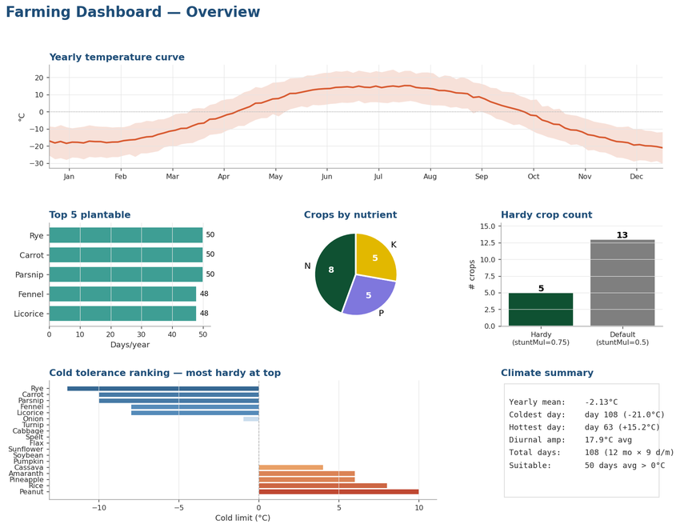

Plot status (live from Plots tab)
 | Plots in use |  |  | 1
 | Ready to harvest |  |  | 0
 | Ripening (≤3 days left) |  |  | 0
 | With cold flag |  |  | 0
 | With heat flag |  |  | 0

Jump to
 | Calendar | 18 × 108 plantability heatmap. Both outdoor + greenhouse views.
 | Simulator | Pick crop + day, see formulas + temperature window chart (live).
 | Plots | Track active farms. Status auto-updates from CurrentDay.
 | Rotation | N/P/K rotation history per plot.
 | ActivityLog | Plant/harvest journal.
 | Reference | Glossary + formula explanations + sources.

Climate
Climate · daily temperatures at your settled location
Source: temperatureplot.csv (108 days × 24h = 2,592 hourly samples). Yearly mean: -2.13°C. Latitude implied: ~0.56 (subarctic boreal continental). |  |  |  |  |  |  |  |  |  |  | Season ends: | 84
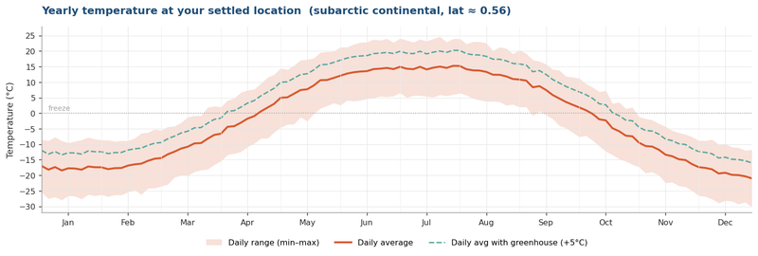
Day | Month# | Date | Avg (°C) | Min (°C) | Max (°C) | GH-Avg | GH-Min | GH-Max | Frost? | Heat?
1 | 1 | 1 Jan | -17.0 | -25.5 | -8.5 | -12.0 | -20.5 | -3.5 | 1
2 | 1 | 2 Jan | -18.2 | -27.6 | -8.9 | -13.2 | -22.6 | -3.9 | 1
3 | 1 | 3 Jan | -17.3 | -27.0 | -7.7 | -12.3 | -22.0 | -2.7 | 1
4 | 1 | 4 Jan | -18.4 | -28.0 | -8.9 | -13.4 | -23.0 | -3.9 | 1
5 | 1 | 5 Jan | -17.7 | -26.6 | -9.5 | -12.7 | -21.6 | -4.5 | 1
6 | 1 | 6 Jan | -17.8 | -26.7 | -9.1 | -12.8 | -21.7 | -4.1 | 1
7 | 1 | 7 Jan | -18.2 | -27.6 | -8.6 | -13.2 | -22.6 | -3.6 | 1
8 | 1 | 8 Jan | -17.2 | -26.2 | -7.8 | -12.2 | -21.2 | -2.8 | 1
9 | 1 | 9 Jan | -17.4 | -26.6 | -8.4 | -12.4 | -21.6 | -3.4 | 1
10 | 2 | 1 Feb | -17.4 | -26.2 | -8.6 | -12.4 | -21.2 | -3.6 | 1
11 | 2 | 2 Feb | -18.0 | -26.8 | -8.7 | -13.0 | -21.8 | -3.7 | 1
12 | 2 | 3 Feb | -17.7 | -26.3 | -9.1 | -12.7 | -21.3 | -4.1 | 1
13 | 2 | 4 Feb | -17.6 | -26.3 | -8.9 | -12.6 | -21.3 | -3.9 | 1
14 | 2 | 5 Feb | -16.9 | -25.4 | -8.9 | -11.9 | -20.4 | -3.9 | 1
15 | 2 | 6 Feb | -16.5 | -24.7 | -8.1 | -11.5 | -19.7 | -3.1 | 1
16 | 2 | 7 Feb | -16.2 | -26.2 | -6.5 | -11.2 | -21.2 | -1.5 | 1
17 | 2 | 8 Feb | -15.3 | -24.2 | -6.2 | -10.3 | -19.2 | -1.2 | 1
18 | 2 | 9 Feb | -14.7 | -24.1 | -5.2 | -9.7 | -19.1 | -0.2 | 1
19 | 3 | 1 Mar | -14.4 | -23.5 | -5.5 | -9.4 | -18.5 | -0.5 | 1
20 | 3 | 2 Mar | -13.2 | -22.9 | -4.4 | -8.2 | -17.9 | 0.6 | 1
21 | 3 | 3 Mar | -12.4 | -20.7 | -4.2 | -7.4 | -15.7 | 0.8 | 1
22 | 3 | 4 Mar | -11.4 | -20.0 | -3.1 | -6.4 | -15.0 | 2.0 | 1
23 | 3 | 5 Mar | -10.8 | -20.1 | -1.3 | -5.8 | -15.1 | 3.7 | 1
24 | 3 | 6 Mar | -9.7 | -18.9 | -0.8 | -4.7 | -13.9 | 4.2 | 1
25 | 3 | 7 Mar | -9.6 | -18.3 | -0.8 | -4.6 | -13.3 | 4.2 | 1
26 | 3 | 8 Mar | -8.2 | -18.1 | 1.8 | -3.2 | -13.1 | 6.8 | 1
27 | 3 | 9 Mar | -7.0 | -16.6 | 2.2 | -2.0 | -11.6 | 7.2 | 1
28 | 4 | 1 Apr | -6.6 | -15.4 | 2.0 | -1.6 | -10.4 | 7.0 | 1
29 | 4 | 2 Apr | -4.4 | -13.4 | 4.1 | 0.6 | -8.4 | 9.1 | 1
30 | 4 | 3 Apr | -4.2 | -13.0 | 4.8 | 0.8 | -8.0 | 9.8 | 1
31 | 4 | 4 Apr | -3.1 | -12.5 | 6.7 | 2.0 | -7.5 | 11.7 | 1
32 | 4 | 5 Apr | -1.8 | -10.9 | 7.4 | 3.2 | -5.9 | 12.4 | 1
33 | 4 | 6 Apr | -1.0 | -9.7 | 7.7 | 4.1 | -4.7 | 12.7 | 1
34 | 4 | 7 Apr | 0.6 | -8.1 | 9.5 | 5.6 | -3.1 | 14.5 | 0
35 | 4 | 8 Apr | 1.8 | -8.1 | 11.5 | 6.8 | -3.1 | 16.5 | 0
36 | 4 | 9 Apr | 3.0 | -6.2 | 12.4 | 8.0 | -1.2 | 17.4 | 0
37 | 5 | 1 May | 5.0 | -4.6 | 14.5 | 10.0 | 0.4 | 19.5 | 0
38 | 5 | 2 May | 5.1 | -3.6 | 14.0 | 10.1 | 1.4 | 19.0 | 0
39 | 5 | 3 May | 6.3 | -3.5 | 15.3 | 11.3 | 1.5 | 20.3 | 0
40 | 5 | 4 May | 7.5 | -1.3 | 17.1 | 12.5 | 3.7 | 22.1 | 0
41 | 5 | 5 May | 7.7 | -2.6 | 17.3 | 12.7 | 2.4 | 22.3 | 0
42 | 5 | 6 May | 9.0 | -0.2 | 17.7 | 14.0 | 4.8 | 22.7 | 0
43 | 5 | 7 May | 10.6 | 1.6 | 19.6 | 15.6 | 6.6 | 24.6 | 0
44 | 5 | 8 May | 10.7 | 2.4 | 19.7 | 15.7 | 7.4 | 24.7 | 0
45 | 5 | 9 May | 11.4 | 3.3 | 19.9 | 16.4 | 8.3 | 24.9 | 0
46 | 6 | 1 Jun | 12.1 | 2.6 | 21.3 | 17.1 | 7.6 | 26.3 | 0
47 | 6 | 2 Jun | 12.8 | 4.1 | 21.2 | 17.8 | 9.1 | 26.2 | 0
48 | 6 | 3 Jun | 13.2 | 3.9 | 22.1 | 18.2 | 8.9 | 27.1 | 0
49 | 6 | 4 Jun | 13.4 | 4.1 | 22.8 | 18.4 | 9.1 | 27.8 | 0
50 | 6 | 5 Jun | 13.5 | 4.7 | 22.8 | 18.5 | 9.7 | 27.8 | 0
51 | 6 | 6 Jun | 14.2 | 4.9 | 23.7 | 19.2 | 9.9 | 28.7 | 0
52 | 6 | 7 Jun | 14.3 | 5.4 | 23.5 | 19.3 | 10.4 | 28.5 | 0
53 | 6 | 8 Jun | 14.6 | 5.3 | 24.0 | 19.6 | 10.3 | 29.0 | 0
54 | 6 | 9 Jun | 14.2 | 5.5 | 22.8 | 19.2 | 10.5 | 27.8 | 0
55 | 7 | 1 Jul | 14.9 | 6.5 | 24.1 | 19.9 | 11.5 | 29.1 | 0
56 | 7 | 2 Jul | 14.3 | 5.0 | 23.4 | 19.3 | 10.0 | 28.4 | 0
57 | 7 | 3 Jul | 14.2 | 5.7 | 22.8 | 19.2 | 10.7 | 27.8 | 0
58 | 7 | 4 Jul | 14.9 | 5.7 | 23.8 | 19.9 | 10.7 | 28.8 | 0
59 | 7 | 5 Jul | 14.1 | 5.4 | 23.2 | 19.1 | 10.4 | 28.2 | 0
60 | 7 | 6 Jul | 14.7 | 5.1 | 24.0 | 19.7 | 10.1 | 29.0 | 0
61 | 7 | 7 Jul | 15.0 | 5.9 | 24.6 | 20.0 | 10.9 | 29.6 | 0
62 | 7 | 8 Jul | 14.6 | 5.6 | 22.9 | 19.6 | 10.6 | 27.9 | 0
63 | 7 | 9 Jul | 15.3 | 6.0 | 24.0 | 20.3 | 11.0 | 29.0 | 0
64 | 8 | 1 Aug | 15.2 | 6.4 | 24.0 | 20.2 | 11.4 | 29.0 | 0
65 | 8 | 2 Aug | 14.2 | 5.8 | 22.3 | 19.2 | 10.8 | 27.3 | 0
66 | 8 | 3 Aug | 13.8 | 4.7 | 23.0 | 18.8 | 9.7 | 28.0 | 0
67 | 8 | 4 Aug | 13.7 | 4.2 | 23.0 | 18.7 | 9.2 | 28.0 | 0
68 | 8 | 5 Aug | 13.3 | 3.8 | 22.5 | 18.3 | 8.8 | 27.5 | 0
69 | 8 | 6 Aug | 12.4 | 3.8 | 20.1 | 17.4 | 8.8 | 25.1 | 0
70 | 8 | 7 Aug | 12.4 | 3.6 | 21.3 | 17.4 | 8.6 | 26.3 | 0
71 | 8 | 8 Aug | 11.9 | 2.6 | 20.9 | 16.9 | 7.6 | 25.9 | 0
72 | 8 | 9 Aug | 11.0 | 2.8 | 19.1 | 16.0 | 7.8 | 24.1 | 0
73 | 9 | 1 Sep | 10.8 | 2.0 | 20.4 | 15.8 | 7.0 | 25.4 | 0
74 | 9 | 2 Sep | 10.5 | 2.0 | 19.2 | 15.5 | 7.0 | 24.2 | 0
75 | 9 | 3 Sep | 8.4 | -0.8 | 17.1 | 13.4 | 4.2 | 22.1 | 0
76 | 9 | 4 Sep | 8.7 | 0.6 | 16.7 | 13.7 | 5.6 | 21.7 | 0
77 | 9 | 5 Sep | 7.5 | -0.6 | 15.8 | 12.5 | 4.4 | 20.8 | 0
78 | 9 | 6 Sep | 5.8 | -1.9 | 14.1 | 10.8 | 3.2 | 19.1 | 0
79 | 9 | 7 Sep | 4.7 | -4.0 | 13.8 | 9.7 | 1.0 | 18.8 | 0
80 | 9 | 8 Sep | 3.6 | -4.8 | 11.8 | 8.6 | 0.2 | 16.8 | 0
81 | 9 | 9 Sep | 2.7 | -6.2 | 11.6 | 7.7 | -1.2 | 16.6 | 0
82 | 10 | 1 Oct | 1.9 | -7.6 | 11.3 | 6.9 | -2.6 | 16.3 | 0
83 | 10 | 2 Oct | 1.0 | -7.2 | 9.4 | 6.0 | -2.2 | 14.4 | 0
84 | 10 | 3 Oct | -0.2 | -8.8 | 8.4 | 4.8 | -3.8 | 13.4 | 1
85 | 10 | 4 Oct | -2.0 | -10.6 | 6.9 | 3.1 | -5.6 | 11.9 | 1
86 | 10 | 5 Oct | -2.3 | -12.3 | 7.3 | 2.7 | -7.3 | 12.3 | 1
87 | 10 | 6 Oct | -4.8 | -13.4 | 3.2 | 0.2 | -8.4 | 8.2 | 1
88 | 10 | 7 Oct | -5.8 | -14.7 | 3.5 | -0.8 | -9.7 | 8.5 | 1
89 | 10 | 8 Oct | -7.2 | -15.5 | 1.5 | -2.2 | -10.5 | 6.5 | 1
90 | 10 | 9 Oct | -7.5 | -16.5 | 1.9 | -2.5 | -11.5 | 6.9 | 1
91 | 11 | 1 Nov | -9.5 | -17.3 | -1.2 | -4.5 | -12.3 | 3.8 | 1
92 | 11 | 2 Nov | -10.6 | -19.3 | -1.8 | -5.6 | -14.3 | 3.2 | 1
93 | 11 | 3 Nov | -10.8 | -18.9 | -2.2 | -5.8 | -13.9 | 2.8 | 1
94 | 11 | 4 Nov | -11.8 | -20.0 | -3.4 | -6.8 | -15.0 | 1.6 | 1
95 | 11 | 5 Nov | -13.4 | -22.4 | -4.3 | -8.4 | -17.4 | 0.7 | 1
96 | 11 | 6 Nov | -13.9 | -22.2 | -5.6 | -8.9 | -17.2 | -0.6 | 1
97 | 11 | 7 Nov | -14.8 | -23.4 | -6.3 | -9.8 | -18.4 | -1.3 | 1
98 | 11 | 8 Nov | -15.1 | -23.7 | -6.8 | -10.1 | -18.7 | -1.8 | 1
99 | 11 | 9 Nov | -16.4 | -25.0 | -7.6 | -11.4 | -20.0 | -2.6 | 1
100 | 12 | 1 Dec | -17.4 | -26.6 | -8.8 | -12.4 | -21.6 | -3.8 | 1
101 | 12 | 2 Dec | -17.6 | -26.8 | -8.8 | -12.6 | -21.8 | -3.8 | 1
102 | 12 | 3 Dec | -18.1 | -27.7 | -8.5 | -13.1 | -22.7 | -3.5 | 1
103 | 12 | 4 Dec | -19.4 | -28.9 | -10.1 | -14.4 | -23.9 | -5.1 | 1
104 | 12 | 5 Dec | -19.2 | -28.1 | -9.9 | -14.2 | -23.1 | -4.9 | 1
105 | 12 | 6 Dec | -19.8 | -28.3 | -10.9 | -14.8 | -23.3 | -5.9 | 1
106 | 12 | 7 Dec | -19.9 | -29.3 | -11.1 | -14.9 | -24.3 | -6.1 | 1
107 | 12 | 8 Dec | -20.3 | -28.6 | -12.0 | -15.3 | -23.6 | -7.0 | 1
108 | 12 | 9 Dec | -21.0 | -30.2 | -11.8 | -16.0 | -25.2 | -6.8 | 1

Crops
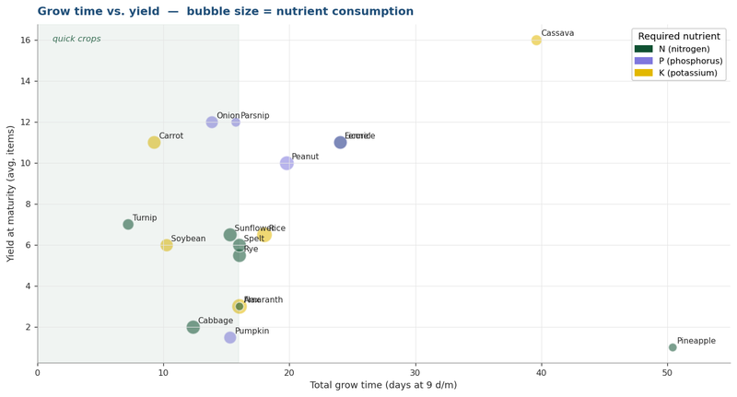
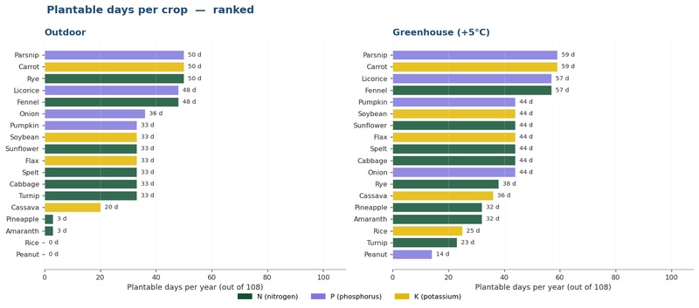
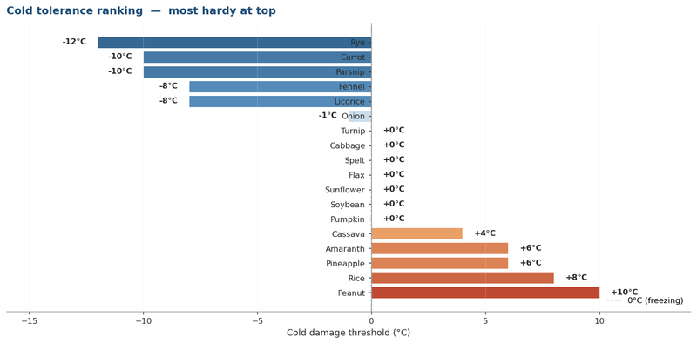
Crops · 18-crop database (JSON-verified)
Source: survival/blocktypes/plant/crop/*.json. Edits not recommended unless game updates. Drain/stage and effective cold/heat are formulas.

Key | Name | Climate | Stages | Months | Days@9d/m | Nutrient | Cons. | Drain/stage | Cold (raw) | Cold (eff.) | Heat (raw) | Heat (eff.) | RipeColdMul | StuntMul | Yield (mature) | Yield (penult.) | Notes
rye | Rye | Temperate | 9 | 1.78 | 16.0 | N | 35.0 | 4.38 | -12 | -12 | 27 | 27 | 0.50 | 0.75 | 5.5 ± 1 | 0.7 | Hardy: best cold tolerance
carrot | Carrot | Temperate | 7 | 1.03 | 9.3 | K | 34.3 | 5.72 | -10 | -10 | 32 | 32 | 0.50 | 0.75 | 11 ± 2 | 3.0 | Hardy
parsnip | Parsnip | Temperate | 8 | 1.75 | 15.8 | P | 17.5 | 2.50 | -10 | -10 | 32 | 32 | 0.50 | 0.75 | 12 ± 2 | 4.0 | Hardy
fennel | Fennel | Temperate | 9 | 2.67 | 24.0 | N | 35.0 | 4.38 | -8 | -8 | 35 | 35 | 0.50 | 0.75 | 11 ± 2 | 3.0 | Hardy; not in wiki
licorice | Licorice | Temperate | 9 | 2.67 | 24.0 | P | 35.0 | 4.38 | -8 | -8 | 35 | 35 | 0.50 | 0.75 | 11 ± 2 | 3.0 | Hardy; not in wiki
onion | Onion | Temperate | 7 | 1.54 | 13.9 | P | 30.0 | 5.00 | -1 | -1 |  | 9999 |  |  | 12 ± 2 | 3.0 | Heat unset
turnip | Turnip | Temperate | 5 | 0.80 | 7.2 | N | 24.0 | 6.00 |  | 0 | 27 | 27 |  |  | 7 ± 1 | 3.0 | Fastest grower
cabbage | Cabbage | Temperate | 12 | 1.38 | 12.4 | N | 36.67 | 3.33 |  | 0 | 35 | 35 |  |  | 2 | 0.85 | Unstable behavior
spelt | Spelt | Temperate | 9 | 1.78 | 16.0 | N | 35.0 | 4.38 |  | 0 |  | 9999 |  |  | 6 ± 1 | 0.7 | All damage values defaulted
flax | Flax | Temperate | 9 | 1.78 | 16.0 | K | 44.4 | 5.55 |  | 0 |  | 9999 |  |  | 3 ± 0.5 | 0.7 | Multi-output: grain+fibers
sunflower | Sunflower | Warm | 12 | 1.70 | 15.3 | N | 36.0 | 3.27 |  | 0 |  | 9999 |  |  | 6.5 ± 1 | 0.7 | All damage values defaulted
soybean | Soybean | Warm | 11 | 1.14 | 10.3 | K | 32.0 | 3.20 |  | 0 |  | 9999 |  |  | 6 ± 1 | 2.0 | Damage values defaulted
pumpkin | Pumpkin | Special | 8 | 1.70 | 15.3 | P | 30.0 | 4.29 |  | 0 |  | 9999 |  |  | 1.5 ± 0.5 | 0.7 | Vine-spreader
amaranth | Amaranth | Warm | 9 | 1.78 | 16.0 | N | 13.33 | 1.67 | 6 | 6 | 42 | 42 |  |  | 3 ± 0.5 | 2.0 | Lowest consumption
cassava | Cassava | Warm | 9 | 4.40 | 39.6 | K | 22.2 | 2.78 | 4 | 4 | 44 | 44 |  |  | 16 ± 2 | 5.0 | Highest yield, slow
peanut | Peanut | Warm | 9 | 2.20 | 19.8 | P | 40.0 | 5.00 | 10 | 10 | 42 | 42 |  |  | 10 ± 2 | 4.0
rice | Rice | Warm | 10 | 2.00 | 18.0 | K | 45.0 | 5.00 | 8 | 8 | 46 | 46 |  |  | 6.5 ± 1 | 0.7
pineapple | Pineapple | Warm | 16 | 5.60 | 50.4 | N | 14.0 | 0.93 | 6 | 6 | 48 | 48 |  |  | 1 | 0.7 | Slowest grower

Visualizations

Soils
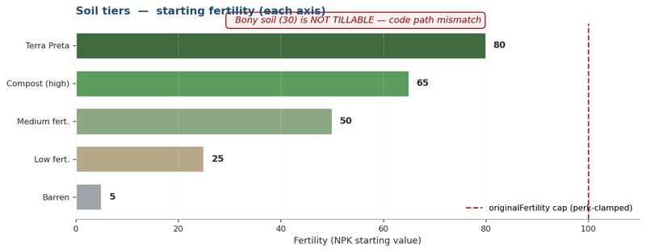
Soils · fertility tiers
Source: BESoilNutrition.cs. Tilling preserves fertility variant; once tilled, no longer pickup-able.

 | Internal code | Display name | Fertility | Worldgen | Notes
 | verylow | Barren | 5 | Rare (in ruins) | Found in surface ruins
 | low | Low fertility | 25 | Yes (most common) | Forest floor drops as low
 | medium | Medium fertility | 50 | Yes | Common rainfall regions
 | compost | High fertility (compost) | 65 | Yes (post-1.19) | Deposits in temperate areas
 | high | Terra Preta | 80 | CRAFTED ONLY | 16 compost + 8 bonemeal + 8 charcoal
 | bony | Bony soil | 30 | Yes (bone deposits) | NOT TILLABLE. Code path mismatch

Important
 | • BONY SOIL is NOT TILLABLE. ItemHoe.cs path-checks for blocks starting with "soil". Bony's code is "bonysoil". Fails the check.
 | • TERRA PRETA is the only non-worldgen tier. Crafted in barrel: 16 compost + 8 bonemeal + 8 powdered charcoal → 2 high-fert soil.
 | • FOREST FLOOR drops as Low (25%) when broken. Same as plain low-fertility soil.
 | • Specialized Classes perk caps originalFertility at 100 per axis (post-perk). See Fertilizers tab.

Visualization

Fertilizers
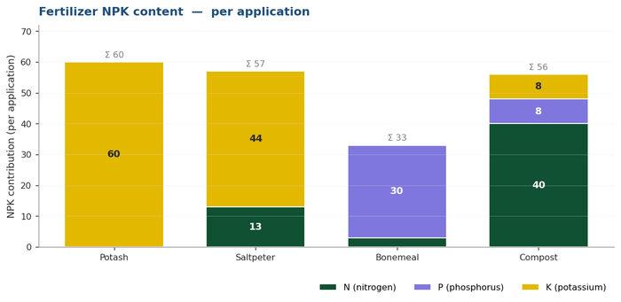
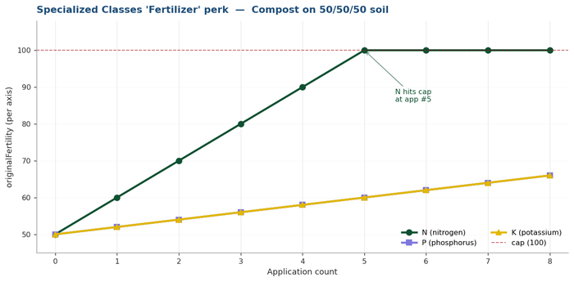
[MOD] Fertilizers · NPK + Specialized Classes perk calculator
Source: itemtypes/resource/{compost.json, crushed/*.json}. Perk math from SpecializedClasses.dll IL.

Section A. Fertilizer NPK values
 | Name | N | P | K | Perma-boost | Source / notes
 | Potash | 0 | 0 | 60 | +0/+0/+15 (one-time) | Grinding sylvite, Commodities trader
 | Saltpeter | 13 | 0 | 44 | (none) | Mined from caves, Commodities trader
 | Bonemeal | 3 | 30 | 0 | (none) | Grinding bones
 | Compost | 40 | 8 | 8 | (none) | 64 rot in barrel for 20 days, Agriculture trader

Section B. Specialized Classes 'Fertilizer' perk calculator
Farmhand class adds +0.25 to fertilizerPermanencePercentage. Each application adds INT(ROUND(NPK × 0.25, 1)) to originalFertility, hard-clamped to [0, 100] per axis. SPEC §9.4. Edit blue cells.

 | Pick fertilizer: | Compost |  |  |  |  | N: | 40
 | Starting N / P / K (originalFertility): | 50 | 50 | 50 | (soil tier value) |  | P: | 8
 |  |  |  |  |  |  | K: | 8
 |  |  |  |  |  |  | Perma N: | 0
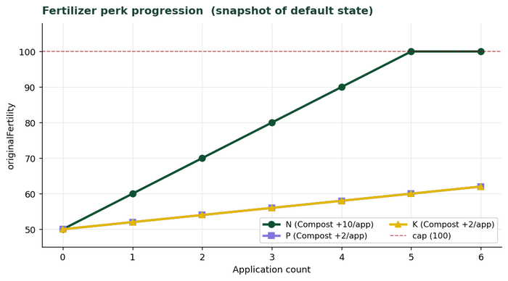
 | Apply # | N | P | K | Perma applied this round? | Notes | Perma P: | 0
 | 1 | 60 | 52 | 52 | (none) |  | Perma K: | 0
 | 2 | 70 | 54 | 54 | (none) |  | Perk add N: | 10
 | 3 | 80 | 56 | 56 | (none) |  | Perk add P: | 2
 | 4 | 90 | 58 | 58 | (none) |  | Perk add K: | 2
 | 5 | 100 | 60 | 60 | (none)
 | 6 | 100 | 62 | 62 | (none)

↑ Starting from your soil's NPK, see how originalFertility climbs with repeated fertilizing. Vanilla perma (Potash only) fires once. Perk fires every time, hard-capped at 100 per axis.
Bonemeal P rounding: 30 × 0.25 = 7.5. Excel ROUND(7.5,1)=7.5 → INT()=7. May actually be 8 in-game (banker's rounding). Verify.

Visualizations

Calendar
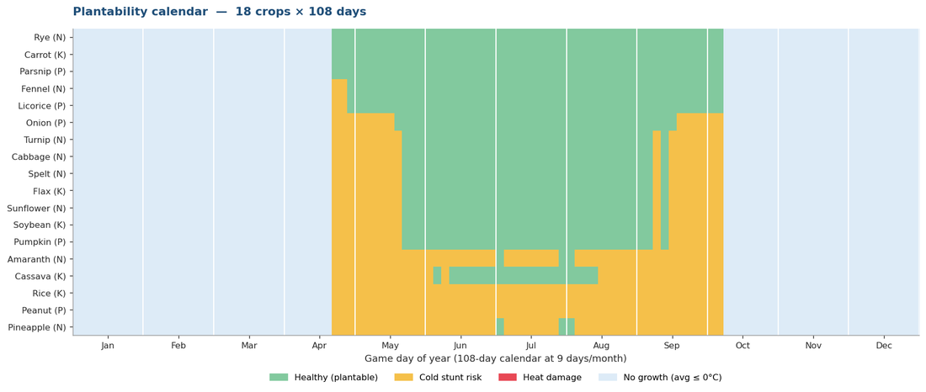
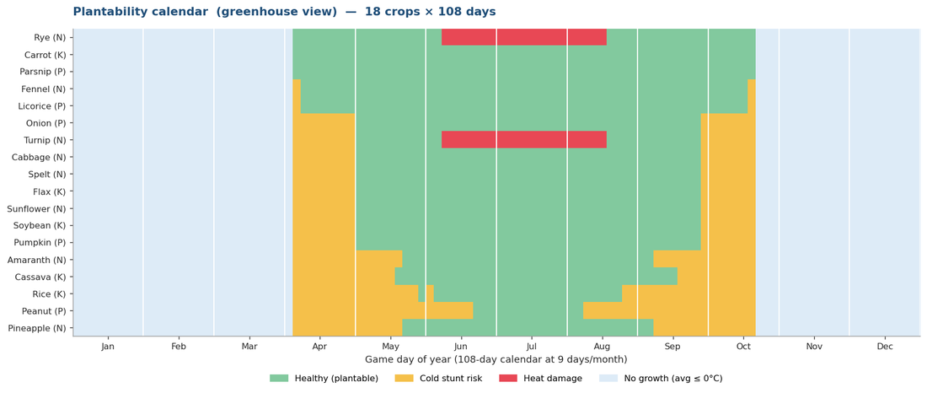
Calendar · plantability heatmap (18 crops × 108 days)
Color codes: GREEN=plantable, AMBER=cold-stunt risk (overnight min), RED=heat damage (afternoon max), BLUE=no growth (avg≤0). Toggle greenhouse on Settings tab.
Greenhouse view: | OFF
Month | Jan |  |  |  |  |  |  |  |  | Feb |  |  |  |  |  |  |  |  | Mar |  |  |  |  |  |  |  |  | Apr |  |  |  |  |  |  |  |  | May |  |  |  |  |  |  |  |  | Jun |  |  |  |  |  |  |  |  | Jul |  |  |  |  |  |  |  |  | Aug |  |  |  |  |  |  |  |  | Sep |  |  |  |  |  |  |  |  | Oct |  |  |  |  |  |  |  |  | Nov |  |  |  |  |  |  |  |  | Dec
Day → | 1 | 2 | 3 | 4 | 5 | 6 | 7 | 8 | 9 | 10 | 11 | 12 | 13 | 14 | 15 | 16 | 17 | 18 | 19 | 20 | 21 | 22 | 23 | 24 | 25 | 26 | 27 | 28 | 29 | 30 | 31 | 32 | 33 | 34 | 35 | 36 | 37 | 38 | 39 | 40 | 41 | 42 | 43 | 44 | 45 | 46 | 47 | 48 | 49 | 50 | 51 | 52 | 53 | 54 | 55 | 56 | 57 | 58 | 59 | 60 | 61 | 62 | 63 | 64 | 65 | 66 | 67 | 68 | 69 | 70 | 71 | 72 | 73 | 74 | 75 | 76 | 77 | 78 | 79 | 80 | 81 | 82 | 83 | 84 | 85 | 86 | 87 | 88 | 89 | 90 | 91 | 92 | 93 | 94 | 95 | 96 | 97 | 98 | 99 | 100 | 101 | 102 | 103 | 104 | 105 | 106 | 107 | 108 | Plantable days
Cold / heat (°C) |  |  |  |  |  |  |  |  |  |  |  |  |  |  |  |  |  |  |  |  |  |  |  |  |  |  |  |  |  |  |  |  |  |  |  |  |  |  |  |  |  |  |  |  |  |  |  |  |  |  |  |  |  |  |  |  |  |  |  |  |  |  |  |  |  |  |  |  |  |  |  |  |  |  |  |  |  |  |  |  |  |  |  |  |  |  |  |  |  |  |  |  |  |  |  |  |  |  |  |  |  |  |  |  |  |  |  |  | Total | Best window
Rye | · | · | · | · | · | · | · | · | · | · | · | · | · | · | · | · | · | · | · | · | · | · | · | · | · | · | · | · | · | · | · | · | · | O | O | O | O | O | O | O | O | O | O | O | O | O | O | O | O | O | O | O | O | O | O | O | O | O | O | O | O | O | O | O | O | O | O | O | O | O | O | O | O | O | O | O | O | O | O | O | O | O | O | · | · | · | · | · | · | · | · | · | · | · | · | · | · | · | · | · | · | · | · | · | · | · | · | · | 50 | (none)
Carrot | · | · | · | · | · | · | · | · | · | · | · | · | · | · | · | · | · | · | · | · | · | · | · | · | · | · | · | · | · | · | · | · | · | O | O | O | O | O | O | O | O | O | O | O | O | O | O | O | O | O | O | O | O | O | O | O | O | O | O | O | O | O | O | O | O | O | O | O | O | O | O | O | O | O | O | O | O | O | O | O | O | O | O | · | · | · | · | · | · | · | · | · | · | · | · | · | · | · | · | · | · | · | · | · | · | · | · | · | 50 | (none)
Parsnip | · | · | · | · | · | · | · | · | · | · | · | · | · | · | · | · | · | · | · | · | · | · | · | · | · | · | · | · | · | · | · | · | · | O | O | O | O | O | O | O | O | O | O | O | O | O | O | O | O | O | O | O | O | O | O | O | O | O | O | O | O | O | O | O | O | O | O | O | O | O | O | O | O | O | O | O | O | O | O | O | O | O | O | · | · | · | · | · | · | · | · | · | · | · | · | · | · | · | · | · | · | · | · | · | · | · | · | · | 50 | (none)
Fennel | · | · | · | · | · | · | · | · | · | · | · | · | · | · | · | · | · | · | · | · | · | · | · | · | · | · | · | · | · | · | · | · | · | C | C | O | O | O | O | O | O | O | O | O | O | O | O | O | O | O | O | O | O | O | O | O | O | O | O | O | O | O | O | O | O | O | O | O | O | O | O | O | O | O | O | O | O | O | O | O | O | O | O | · | · | · | · | · | · | · | · | · | · | · | · | · | · | · | · | · | · | · | · | · | · | · | · | · | 48 | (none)
Licorice | · | · | · | · | · | · | · | · | · | · | · | · | · | · | · | · | · | · | · | · | · | · | · | · | · | · | · | · | · | · | · | · | · | C | C | O | O | O | O | O | O | O | O | O | O | O | O | O | O | O | O | O | O | O | O | O | O | O | O | O | O | O | O | O | O | O | O | O | O | O | O | O | O | O | O | O | O | O | O | O | O | O | O | · | · | · | · | · | · | · | · | · | · | · | · | · | · | · | · | · | · | · | · | · | · | · | · | · | 48 | (none)
Onion | · | · | · | · | · | · | · | · | · | · | · | · | · | · | · | · | · | · | · | · | · | · | · | · | · | · | · | · | · | · | · | · | · | C | C | C | C | C | C | C | C | O | O | O | O | O | O | O | O | O | O | O | O | O | O | O | O | O | O | O | O | O | O | O | O | O | O | O | O | O | O | O | O | O | O | O | O | C | C | C | C | C | C | · | · | · | · | · | · | · | · | · | · | · | · | · | · | · | · | · | · | · | · | · | · | · | · | · | 36 | (none)
Turnip | · | · | · | · | · | · | · | · | · | · | · | · | · | · | · | · | · | · | · | · | · | · | · | · | · | · | · | · | · | · | · | · | · | C | C | C | C | C | C | C | C | C | O | O | O | O | O | O | O | O | O | O | O | O | O | O | O | O | O | O | O | O | O | O | O | O | O | O | O | O | O | O | O | O | C | O | C | C | C | C | C | C | C | · | · | · | · | · | · | · | · | · | · | · | · | · | · | · | · | · | · | · | · | · | · | · | · | · | 33 | (none)
Cabbage | · | · | · | · | · | · | · | · | · | · | · | · | · | · | · | · | · | · | · | · | · | · | · | · | · | · | · | · | · | · | · | · | · | C | C | C | C | C | C | C | C | C | O | O | O | O | O | O | O | O | O | O | O | O | O | O | O | O | O | O | O | O | O | O | O | O | O | O | O | O | O | O | O | O | C | O | C | C | C | C | C | C | C | · | · | · | · | · | · | · | · | · | · | · | · | · | · | · | · | · | · | · | · | · | · | · | · | · | 33 | (none)
Spelt | · | · | · | · | · | · | · | · | · | · | · | · | · | · | · | · | · | · | · | · | · | · | · | · | · | · | · | · | · | · | · | · | · | C | C | C | C | C | C | C | C | C | O | O | O | O | O | O | O | O | O | O | O | O | O | O | O | O | O | O | O | O | O | O | O | O | O | O | O | O | O | O | O | O | C | O | C | C | C | C | C | C | C | · | · | · | · | · | · | · | · | · | · | · | · | · | · | · | · | · | · | · | · | · | · | · | · | · | 33 | (none)
Flax | · | · | · | · | · | · | · | · | · | · | · | · | · | · | · | · | · | · | · | · | · | · | · | · | · | · | · | · | · | · | · | · | · | C | C | C | C | C | C | C | C | C | O | O | O | O | O | O | O | O | O | O | O | O | O | O | O | O | O | O | O | O | O | O | O | O | O | O | O | O | O | O | O | O | C | O | C | C | C | C | C | C | C | · | · | · | · | · | · | · | · | · | · | · | · | · | · | · | · | · | · | · | · | · | · | · | · | · | 33 | (none)
Sunflower | · | · | · | · | · | · | · | · | · | · | · | · | · | · | · | · | · | · | · | · | · | · | · | · | · | · | · | · | · | · | · | · | · | C | C | C | C | C | C | C | C | C | O | O | O | O | O | O | O | O | O | O | O | O | O | O | O | O | O | O | O | O | O | O | O | O | O | O | O | O | O | O | O | O | C | O | C | C | C | C | C | C | C | · | · | · | · | · | · | · | · | · | · | · | · | · | · | · | · | · | · | · | · | · | · | · | · | · | 33 | (none)
Soybean | · | · | · | · | · | · | · | · | · | · | · | · | · | · | · | · | · | · | · | · | · | · | · | · | · | · | · | · | · | · | · | · | · | C | C | C | C | C | C | C | C | C | O | O | O | O | O | O | O | O | O | O | O | O | O | O | O | O | O | O | O | O | O | O | O | O | O | O | O | O | O | O | O | O | C | O | C | C | C | C | C | C | C | · | · | · | · | · | · | · | · | · | · | · | · | · | · | · | · | · | · | · | · | · | · | · | · | · | 33 | (none)
Pumpkin | · | · | · | · | · | · | · | · | · | · | · | · | · | · | · | · | · | · | · | · | · | · | · | · | · | · | · | · | · | · | · | · | · | C | C | C | C | C | C | C | C | C | O | O | O | O | O | O | O | O | O | O | O | O | O | O | O | O | O | O | O | O | O | O | O | O | O | O | O | O | O | O | O | O | C | O | C | C | C | C | C | C | C | · | · | · | · | · | · | · | · | · | · | · | · | · | · | · | · | · | · | · | · | · | · | · | · | · | 33 | (none)
Amaranth | · | · | · | · | · | · | · | · | · | · | · | · | · | · | · | · | · | · | · | · | · | · | · | · | · | · | · | · | · | · | · | · | · | C | C | C | C | C | C | C | C | C | C | C | C | C | C | C | C | C | C | C | C | C | O | C | C | C | C | C | C | C | O | O | C | C | C | C | C | C | C | C | C | C | C | C | C | C | C | C | C | C | C | · | · | · | · | · | · | · | · | · | · | · | · | · | · | · | · | · | · | · | · | · | · | · | · | · | 3 | (none)
Cassava | · | · | · | · | · | · | · | · | · | · | · | · | · | · | · | · | · | · | · | · | · | · | · | · | · | · | · | · | · | · | · | · | · | C | C | C | C | C | C | C | C | C | C | C | C | C | O | C | O | O | O | O | O | O | O | O | O | O | O | O | O | O | O | O | O | O | O | C | C | C | C | C | C | C | C | C | C | C | C | C | C | C | C | · | · | · | · | · | · | · | · | · | · | · | · | · | · | · | · | · | · | · | · | · | · | · | · | · | 20 | (none)
Peanut | · | · | · | · | · | · | · | · | · | · | · | · | · | · | · | · | · | · | · | · | · | · | · | · | · | · | · | · | · | · | · | · | · | C | C | C | C | C | C | C | C | C | C | C | C | C | C | C | C | C | C | C | C | C | C | C | C | C | C | C | C | C | C | C | C | C | C | C | C | C | C | C | C | C | C | C | C | C | C | C | C | C | C | · | · | · | · | · | · | · | · | · | · | · | · | · | · | · | · | · | · | · | · | · | · | · | · | · | 0 | (none)
Rice | · | · | · | · | · | · | · | · | · | · | · | · | · | · | · | · | · | · | · | · | · | · | · | · | · | · | · | · | · | · | · | · | · | C | C | C | C | C | C | C | C | C | C | C | C | C | C | C | C | C | C | C | C | C | C | C | C | C | C | C | C | C | C | C | C | C | C | C | C | C | C | C | C | C | C | C | C | C | C | C | C | C | C | · | · | · | · | · | · | · | · | · | · | · | · | · | · | · | · | · | · | · | · | · | · | · | · | · | 0 | (none)
Pineapple | · | · | · | · | · | · | · | · | · | · | · | · | · | · | · | · | · | · | · | · | · | · | · | · | · | · | · | · | · | · | · | · | · | C | C | C | C | C | C | C | C | C | C | C | C | C | C | C | C | C | C | C | C | C | O | C | C | C | C | C | C | C | O | O | C | C | C | C | C | C | C | C | C | C | C | C | C | C | C | C | C | C | C | · | · | · | · | · | · | · | · | · | · | · | · | · | · | · | · | · | · | · | · | · | · | · | · | · | 3 | (none)

Legend: | O | Plantable (healthy) |  |  |  | C | Cold stunt risk |  |  |  | H | Heat damage |  |  |  | · | No growth (avg ≤ 0°C)
Visualizations · high-resolution heatmaps

Simulator
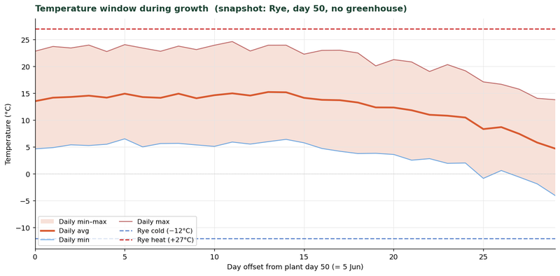
Simulator · predict crop outcome
Pick a crop and a plant day. The right panel walks through every formula step-by-step. Edit blue cells.

Inputs
 | Crop name | Rye | (dropdown. Pick from list) |  | day# | t_avg | t_min | t_max | cold limit | heat limit
 | Plant day (1-108) | 50 | 5 Jun |  | 50 | 13.5 | 4.7 | 22.8 | -12.0 | 27.0
 | Initial soil fertility (0-100) | 65 | (5=Barren, 25=Low, 50=Med, 65=Compost, 80=Terra Preta, 100=perk-maxed) |  | 51 | 14.2 | 4.9 | 23.7 | -12.0 | 27.0
 | Greenhouse? | FALSE | TRUE = +5°C applied this run |  | 52 | 14.3 | 5.4 | 23.5 | -12.0 | 27.0
 | Moisture (0-1) | 0.75 | Default = 75% (water-adjacent plot, from Settings) |  | 53 | 14.6 | 5.3 | 24.0 | -12.0 | 27.0
 |  |  |  |  | 54 | 14.2 | 5.5 | 22.8 | -12.0 | 27.0
Step 1 · look up crop properties |  |  |  |  | 55 | 14.9 | 6.5 | 24.1 | -12.0 | 27.0
 | Crop row in Crops table: | 5 | (MATCH finds position in CropNames) |  | 56 | 14.3 | 5.0 | 23.4 | -12.0 | 27.0
 | Stages (N) | 9 |  | Number of growth stages. | 57 | 14.2 | 5.7 | 22.8 | -12.0 | 27.0
 | Total months | 1.78 |  | Months at default world settings. | 58 | 14.9 | 5.7 | 23.8 | -12.0 | 27.0
 | Days @ 9 d/m | 16.0 |  | Total grow time at server's days-per-month. | 59 | 14.1 | 5.4 | 23.2 | -12.0 | 27.0
 | Required nutrient | N |  | N, P, or K. | 60 | 14.7 | 5.1 | 24.0 | -12.0 | 27.0
 | Total consumption | 35.0 |  | Total nutrient drained over lifetime. | 61 | 15.0 | 5.9 | 24.6 | -12.0 | 27.0
 | Drain per stage | 4.38 |  | Computed as Cons / (Stages-1). | 62 | 14.6 | 5.6 | 22.9 | -12.0 | 27.0
 | Cold limit (°C) | -12 |  | ColdDamageBelow effective. | 63 | 15.3 | 6.0 | 24.0 | -12.0 | 27.0
 | Heat limit (°C) | 27 |  | HeatDamageAbove effective. | 64 | 15.2 | 6.4 | 24.0 | -12.0 | 27.0
 | RipeColdMul | 0.50 |  | Yield mul if ripe & cold-damaged. Defaults to 0.5 if unset in JSON. | 65 | 14.2 | 5.8 | 22.3 | -12.0 | 27.0
 | StuntMul | 0.75 |  | Yield mul if damaged while growing. Defaults to 0.5 (hardy crops 0.75). | 66 | 13.8 | 4.7 | 23.0 | -12.0 | 27.0
 |  |  |  |  | 67 | 13.7 | 4.2 | 23.0 | -12.0 | 27.0
Step 2 · compute growth-rate factors |  |  |  |  | 68 | 13.3 | 3.8 | 22.5 | -12.0 | 27.0
 | Moisture factor | 0.974 |  | POWER(MAX(0.01, moisture × 100/70 − 0.143), 0.35). At 75% moisture → 0.974. | 69 | 12.4 | 3.8 | 20.1 | -12.0 | 27.0
 | Nutrient step factor | 1.00 |  | Stepped: >75=1.1 · >50=1.0 · >35=0.9 · >20=0.6 · >5=0.3 · else=0.1. | 70 | 12.4 | 3.6 | 21.3 | -12.0 | 27.0
 | Growth rate at stage start | 0.974 |  | moistFactor × nutStep. Locked into stage-time at stage start. | 71 | 11.9 | 2.6 | 20.9 | -12.0 | 27.0
 | Hours per stage (mean) | 49.3 |  | Computed: 24h × Days / (Stages-1) / GrowthRate / GrowthMul. ±10% random per stage in actual game (ignored here). | 72 | 11.0 | 2.8 | 19.1 | -12.0 | 27.0
 | Total grow time (mean, hrs) | 394.6 |  | Computed: stage hours × number of transitions. Doesn't account for temperature pausing yet. | 73 | 10.8 | 2.0 | 20.4 | -12.0 | 27.0
 | Total grow time (mean, days) | 16.4 |  |  | 74 | 10.5 | 2.0 | 19.2 | -12.0 | 27.0
 |  |  |  |  | 75 | 8.4 | -0.8 | 17.1 | -12.0 | 27.0
Step 3 · temperature window during growth |  |  |  |  | 76 | 8.7 | 0.6 | 16.7 | -12.0 | 27.0
 | Plant day → harvest day (raw) | 50 → 67 |  | Naive: assumes uninterrupted growth. Temperature lookup adjusts this. | 77 | 7.5 | -0.6 | 15.8 | -12.0 | 27.0
 | Lowest daily-min in window | 4.2 |  | Lowest min temp in the predicted growth window. Uses GH-Min if greenhouse on. | 78 | 5.8 | -1.9 | 14.1 | -12.0 | 27.0
 | Highest daily-max in window | 24.6 |  |  | 79 | 4.7 | -4.0 | 13.8 | -12.0 | 27.0
 | Average daily-avg in window | 14.4 |  | Used for the 'temperature drag' factor below.

Step 4 · damage flag analysis
 | Cold flag triggered? | no |  | Triggered if any night in window dropped below the crop's cold limit.
 | Heat flag triggered? | no |  | Triggered if any afternoon in window exceeded the crop's heat limit.
 | Stalls / dies? | grows |  | If average temp in window is ≤ 0°C, the per-tick growthChance is mostly 0 → no harvest.

Step 5 · temperature drag (estimated)
 | Avg per-tick growthChance | 1.00 |  | MAX(0, MIN(1, 1 + (T-10)×0.1)). Bernoulli per tick; this is its expectation.
 | Temp-adjusted total grow time (days) | 16.4 |  | mean grow time / avg growthChance. If 0, crop never ripens.
 | Predicted harvest day | 66 |  | Plant day + adjusted grow days.

VERDICT
 | Outcome: | HEALTHY
 | Yield multiplier: | 100%

Caveats: deterministic mean-case prediction. Actual game has ±10% per stage random + Bernoulli per-tick temp roll + Simplex noise. Bracket ±15% on the harvest day for safety.
When verdict says DAMAGED, the crop reaches harvest but yield is reduced by StuntMul (typically 0.5; hardy crops 0.75).
When verdict says STALLS, the average temperature in the predicted window is too cold. Crop won't ripen. Replant when warmer.

Plots
Plots · track your active farms
Edit blue cells. Status, harvest day, etc. are computed. CurrentDay (Settings) drives all date calcs.
Set 'Stage' manually to override the auto-prediction (e.g., when game disagrees with model).
 | Today is: | 50 (5 Jun) | (set CurrentDay on Settings tab)
 |  |  |  |  |  |  |  |  |  |  |  |  |  |  |  |  |  | Live counts
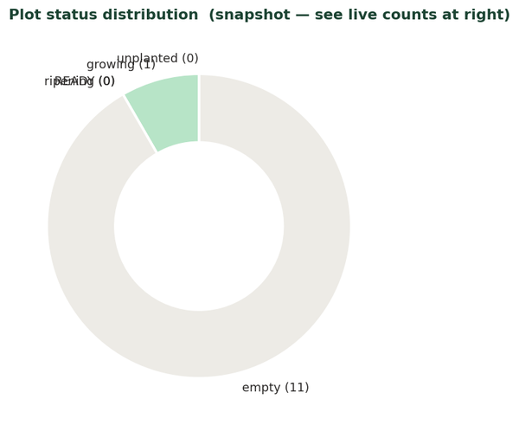
 | Plot ID | Location / desc. | Soil tier | GH? | Crop | Plant day | Plant date | Stage (live) | Days planted | Pred. harvest | Days left | Status | Cold? | Heat? | Notes |  |  | growing | 1
 | P01 |  | 65 | FALSE | Rye | 50 | 5 Jun |  | 0 | 67 | 17 | growing |  |  |  | Status | Count | ripening | 0
 | P02 |  |  | FALSE |  |  |  |  |  |  |  | empty |  |  |  | growing | 1 | READY | 0
 | P03 |  |  | FALSE |  |  |  |  |  |  |  | empty |  |  |  | ripening | 0 | empty | 11
 | P04 |  |  | FALSE |  |  |  |  |  |  |  | empty |  |  |  | READY | 0 | unplanted | 0
 | P05 |  |  | FALSE |  |  |  |  |  |  |  | empty |  |  |  | empty | 11
 | P06 |  |  | FALSE |  |  |  |  |  |  |  | empty |  |  |  | unplanted | 0
 | P07 |  |  | FALSE |  |  |  |  |  |  |  | empty
 | P08 |  |  | FALSE |  |  |  |  |  |  |  | empty
 | P09 |  |  | FALSE |  |  |  |  |  |  |  | empty
 | P10 |  |  | FALSE |  |  |  |  |  |  |  | empty
 | P11 |  |  | FALSE |  |  |  |  |  |  |  | empty
 | P12 |  |  | FALSE |  |  |  |  |  |  |  | empty

Summary
 | Plots in use: | 1
 | Ready to harvest: | 0
 | Ripening (≤3 days left): | 0
 | With cold flag: | 0
 | With heat flag: | 0

