Sheet1
places | monsters introduced | theme | type | name | basic attack | pixel art 1 | working image | passive trait 1 | passive trait 2 | secret passive trait | basic attack name | notes
newbone
common | beaver | metal mecha | time | metail | build a 1 scrap wall in front of monster - cooldown 5 secs, can hit the wall and send it in a straight line ahead 2 tiles - will (crumble) after 1 hit or push |  |  | walls can be demolished for 10hp (self heal - other characters can break the block on ur team -team heal) | walls take 1 extra hit to crumble | building 3 walls next to eachother gives them (reinforce) making them take 3 hits to remove |  | shielded | negate damage
common | fairies | group | wind | fairy folk | 3 x weak attack with ability to crit on all (charge) |  |  | crits do 1.8x damage | wind cards provide (levitate) | after every third card/attack has short delay then damages tile again |  | guarded | .8 damage
common | spider | hypnosis/dream catcher | mind | droopider | weak attack after three consecutive hits puts opponent to (sleep) |  |  | damaging an opponent that's asleep stuns them for 0.5 seconds | when opponent is asleep (refresh) card is instant | add (sleep) as additional effect to one of your mind cards in your deck | sleepnosis | pierce | goes through walls, generated structures and (topplable) structures | 1 | 2 | 3 | 4 | 5 | 6 | 7 | 8
rare | slime | slime | mind | slime | hits two tile ahead of monster, if hits causes floor to become poisoned for 5 secs |  |  | after taking damage leave a trail on the previous 3 tiles - if traversed heal 10 hp - CD 10 secs | heal on poisoned tiles instead | refract- fire cards do 1.5x damage | spike
semi-rare | ibex | moon | dark | lunapra | weak boomerang 3 second cooldown unless caught |  |  | heal on poisoned tiles instead | walls can be demolished for 10hp | catching your horns heal for 5 hp | crescent toss
semi-rare | marmot | wrestling | fighting | grabakat | 2 tile ahead stuns for 1 secs does low damage and pulls opponent 1 tile if opponent is pulled onto your tile stun for 2 |  |  | extend the range of of basic attack by one tile (charge) | if enemy is on (stolen) tiles heal 2 hp a sec | damaging cards do 1.3x damage or basic attack does 0.5x damage - cards with special effects do 0.75x damage
rare | dog | fu dog | earth | funine | generate a statue in front of player- 1 hit and (topples) in a line 3 tiles in front |  |  | add (sleep) as additional effect to one of your mind cards in your deck | mind cards provide if attack lands (guarded) | lowers enemy teams damage by 10% (just in your party)
common | mole | fortune telling earth guardian | grass | mosseer | weak always up attack upon 5 hits force shuffles opponents hand into deck and buffs next grass atck +10 dmg |  |  | grass cards heal 2 hp | earth cards provide (guarded) if attack lands | x1.5 grass card damage after making opponent shuffle 10x
semi-rare | jellyfish | stuns/ skeleton | water | tendra | (ammo x2)tendril (turret) appears at the rear of opponents field attacking adjacent tile 1.5 secs must be cleared before this can be reused cooldown x |  |  | turrets move around the outside of the entire field- spreading poison tiles every 3 tiles | turrets move forward and back on your opponents side - once hit by you do aoe damage and remove turret | turrets (ram) dealing 10 damage and shoot on the way back |  |  |  |  | battle architecture | move type
rare | swordfish | sword on his face | water | scimark | weak always up attack upon 3 hits becomes a wide slicing attack |  |  | water cards heal 2 hp | water cards provide (guarded) if attack lands | all water cards (pierce) blocks |  |  |  |  |  | phys
rare | rainbow trout | wisdom of the stars | time | galafin | weak always up attack upon 3 hits becomes empowered beam |  |  | time cards heal 2 hp | any time cards that apply (stun) apply (sleep) instead | time cards deal 1.1x damage |  |  |  |  |  | special
common | eel | rechargeable battery | electric | duraceel | discharge- does 0 damage applies 1 x charge stack/ (charge) 1x small damage/ charge 2x med damage / charge 3x pinpoint massive damage |  |  | when opponent is stunned (refresh) card is instant | add (stun) as additional effect to one of your electric cards in your deck | charge time down (.8) |  |  |  |  |  | projectile
winkham |  |  |  |  |  |  |  |  |  |  |  |  |  |  |  | reposition
common | toad | hallucinate | mind | malipole | charge attack upon 3 hits opponents cards do random amounts of damage for 3 seconds |  |  | water cards provide if attack lands (guarded) | mind cards provide if attack lands (guarded) | time cards provide (shielded) if attack lands |  |  |  |  |  | status
common | lemmings | angel | light | lemmel | weak always up attack upon 8 hits team is healed 10 hp |  | 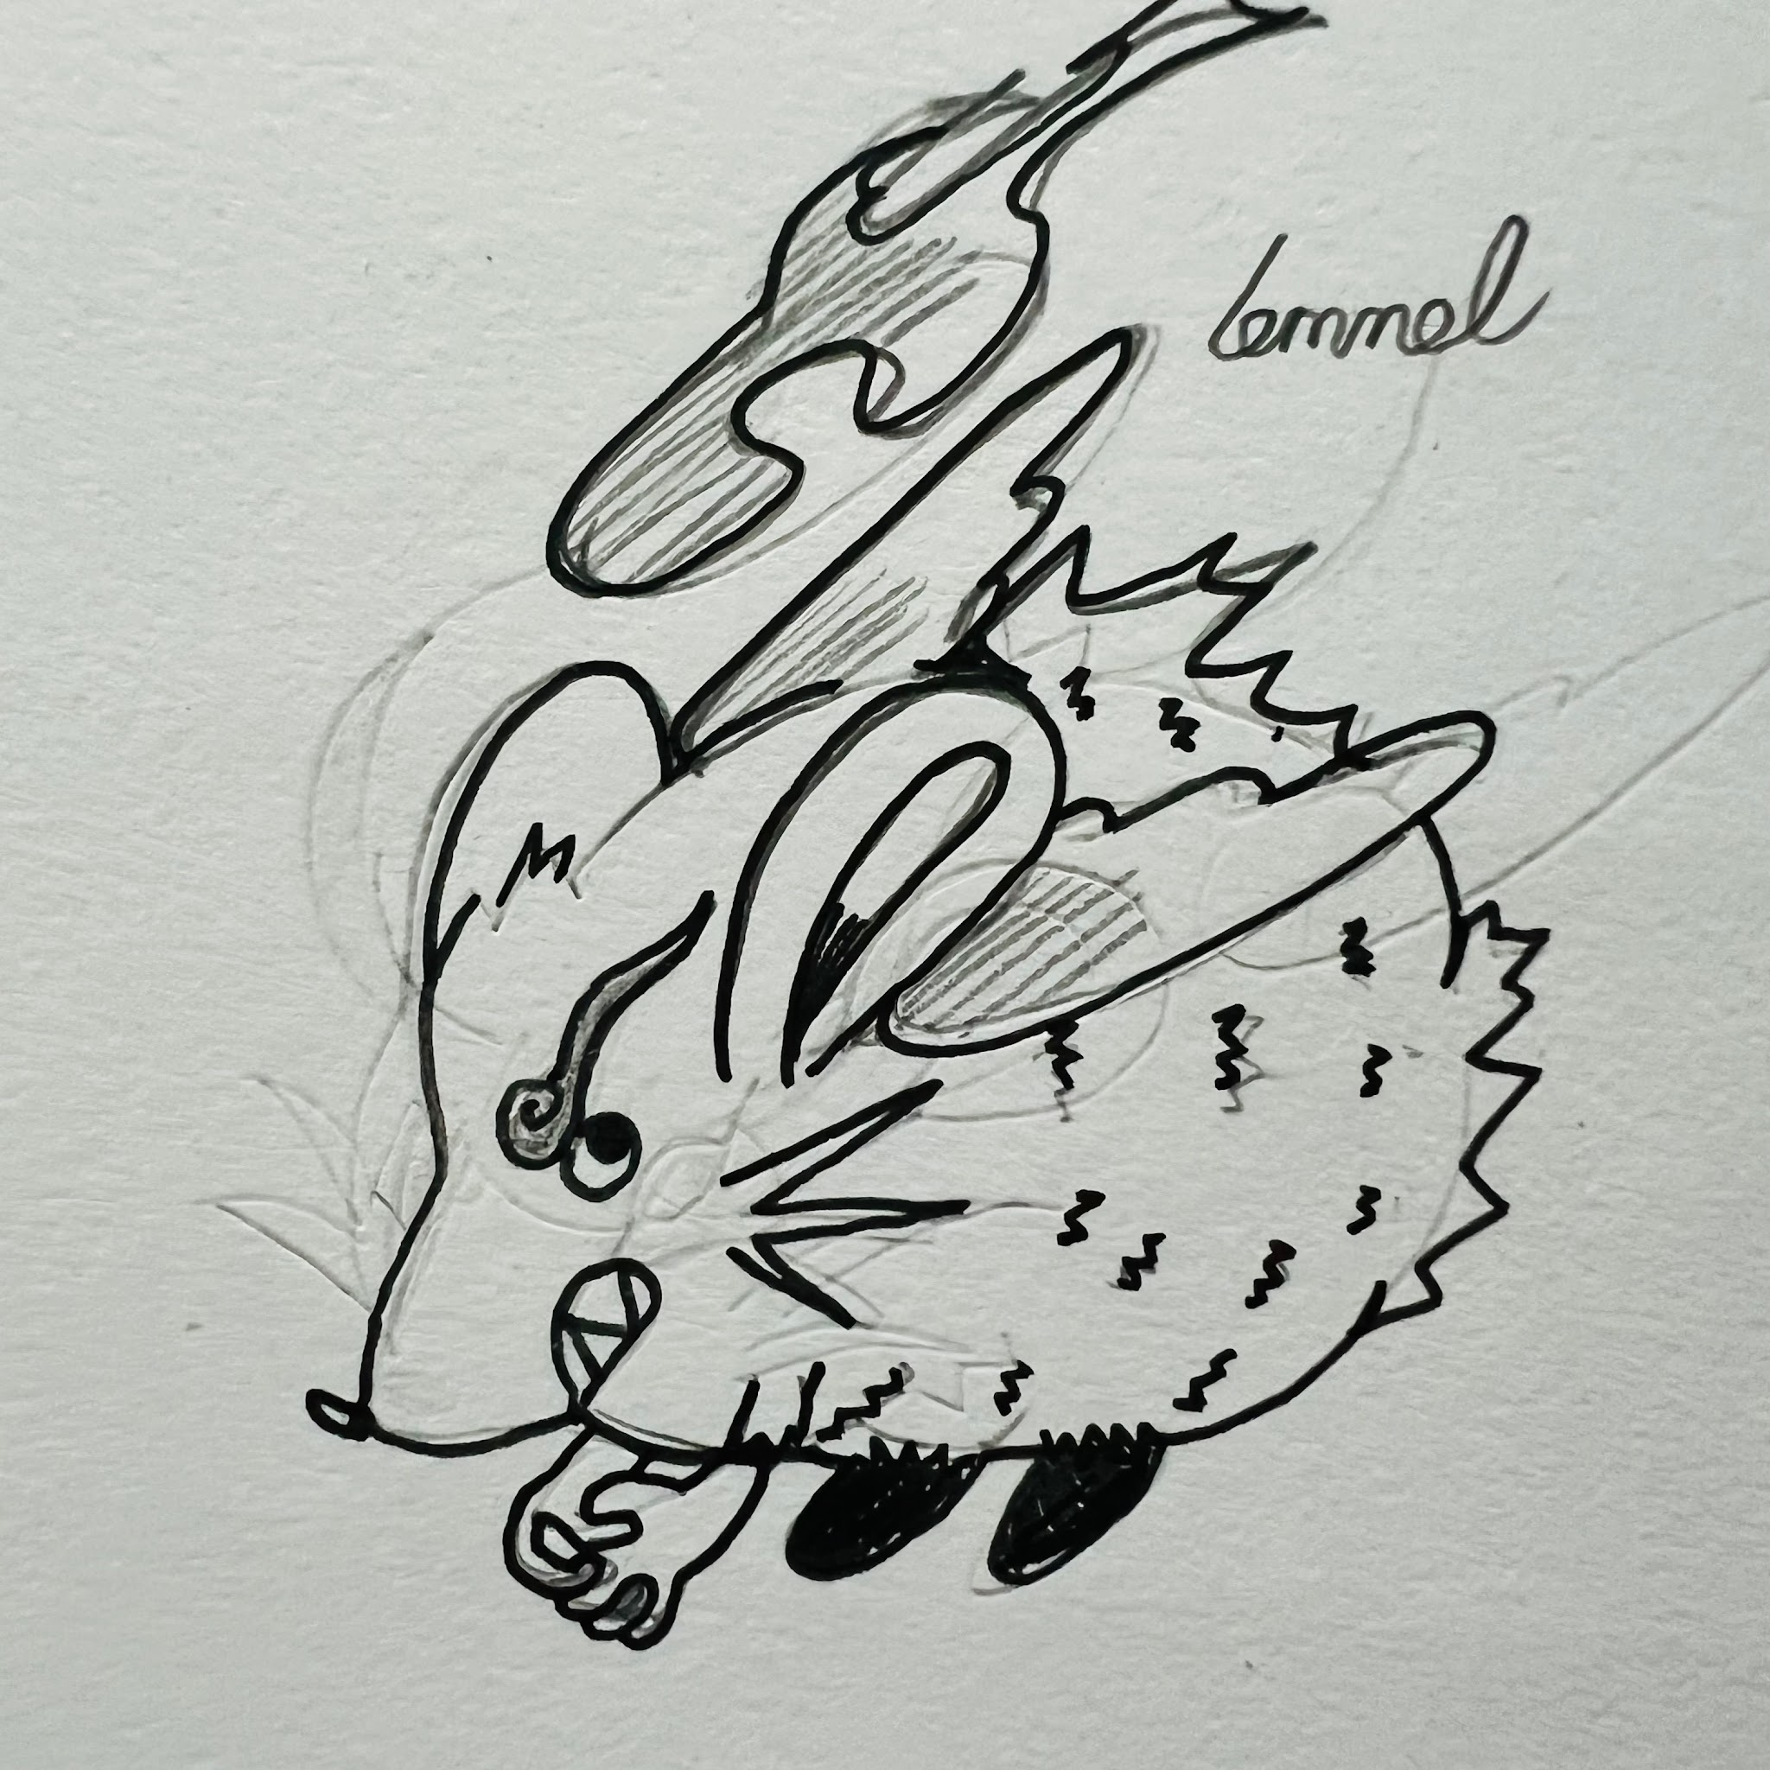 | boost heal power by 10% (just in party) | sprout a healing bush in front of you when battle starts 1x ammo healing bush acts as a block that provides healing tiles around it as long as it is alive | grass cards provide (levitate) |  |  |  |  |  | generate
common | bear | teddy bear in a suit | dark | insidibear | weak always up attack (2x ammo) slow shot ahead upon 3 hits, enter (rage mode(cards do 1.2x dmg))(duration 15 secs or until swapped), this move becomes a stunning laser 3 second cooldown |  | 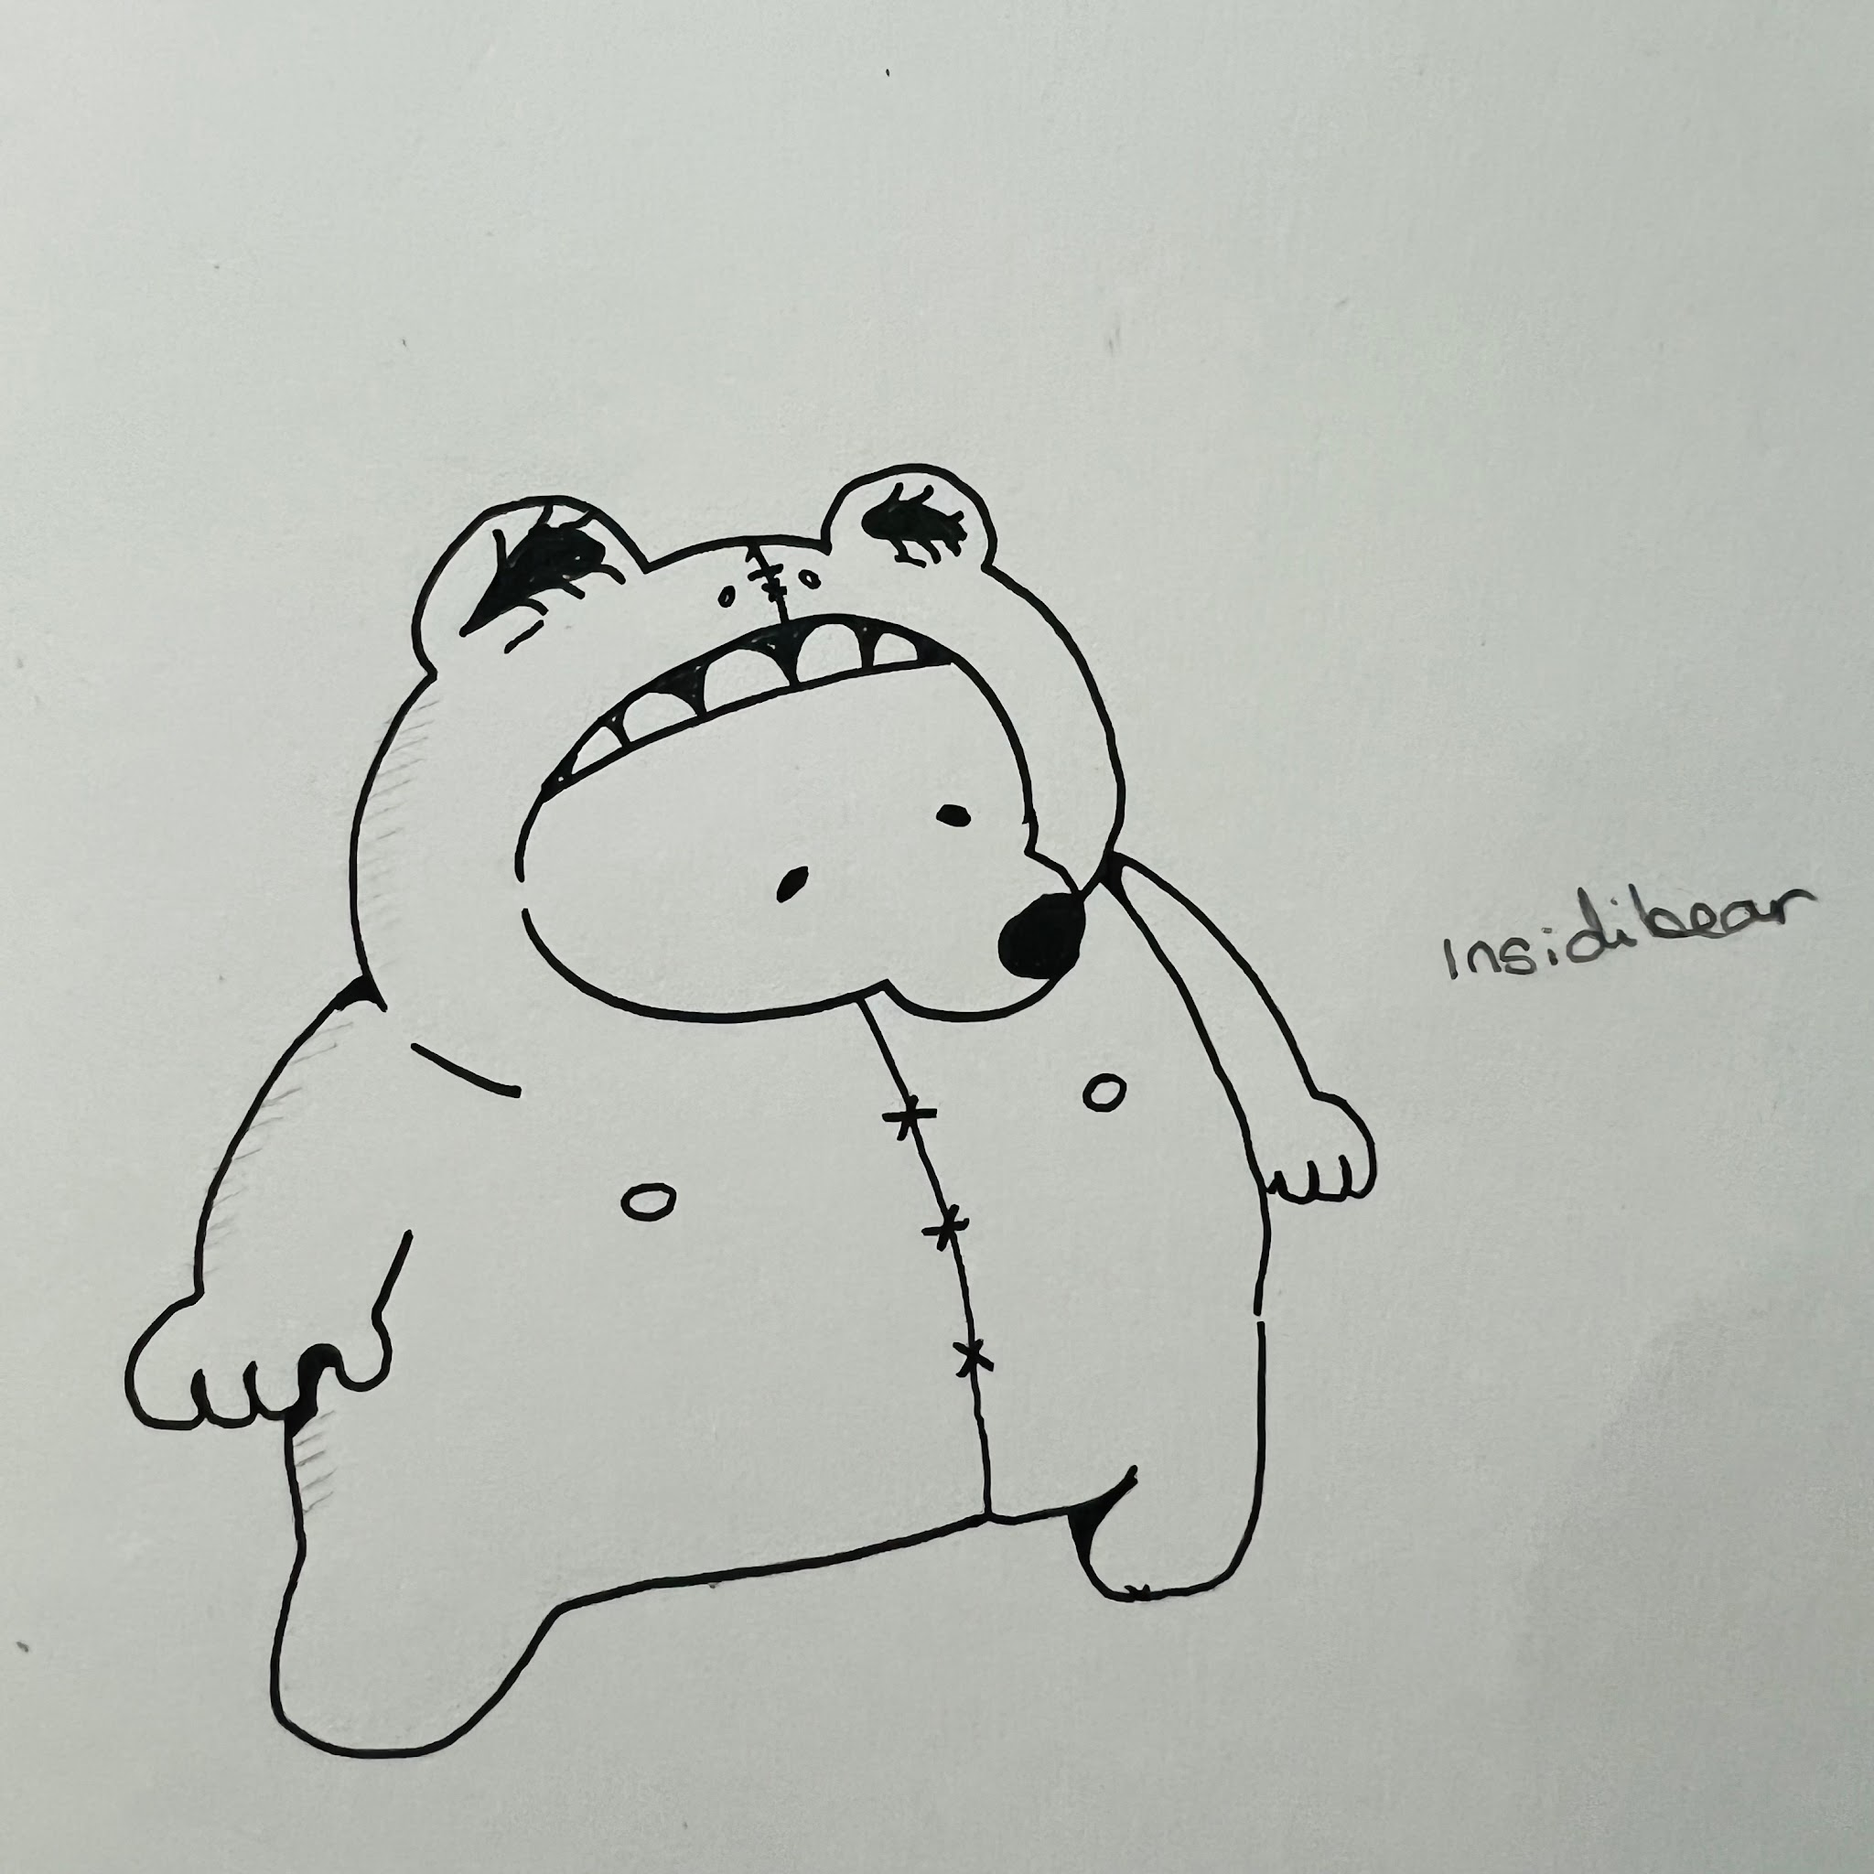 | swapping out heals insidibear 15% hp | start in rage mode but rage mode lasts 10 seconds and recieve 1.2x damage | when swapped out he ends up behind the opponents field and fires an additional shot when you ar in the same line as him - walks up and down outside the back 4 tiles of oponnents field- weak attack rear tiles only
semi-rare | elk | golden horns nature spirit | grass | dearly | weak always up attack steal opponent card and swap it with yours after 2 hits |  |  | refresh is reduced by .5 | swapped cards that match the type of your swapped cards gain an adddition 15+ dmg | gain a (charge) attack - weak - gain copy of 1 card from opponents hand and shuffle into deck
common | wolf | with a shadow of a man | dark | wherewolf | (charge) (auto-targetted) appear behind opponent stuns opponent and deals damage 0.5 second delay - 3 second cooldown |  |  | when swapped out shadow remains on field moving randomly on opponents tiles , if traversed on stuns opponent | while opponent is stunned shadowstrike crits | instead of shadow strike (charge) makes you (invisible) for 2 secs and on release sends shadow in a boomerang motion dealing weak damage pushing/pulling opponent to the front/rear of their field depending on which side of the arc they were hit on | shadow strike
common | stick insect | warrior (i am groot) | grass | rootle | (rooting) vines 2 second cooldown if hit opponent is rooted for 1 second (2 xammo) |  |  | if (rooting) attacks land go (invis) for 1 secs | heal on poisoned tiles instead | on death revive with 30%hp
semi-rare | forest spirit | acorn person | wind | corie | weak always up attack upon 3 hits gain (levitate) |  |  | swap basic attack if (charged and released) can reflect opponents card | walls take 1 extra hit to crumble | wind cards heal 2 hp
rare | bigfoot | bigfoot | earth | yammie | (damage) and (steal) a tile 1 tile ahead cooldown 2 seconds - stolen tile lasts for 6 seconds |  |  | while charging move two tiles | can't be burned | if you have not taken damage for 10 seconds stolen tiles last for 9 seconds
rare | yeti | yeti | ice | yemmie | (steal) and (slippery) a tile 1 tile ahead cooldown 2 seconds - stolen tile lasts for 6 seconds |  |  | while charging move two tiles | can't be frozen | if you have not taken damage for 10 seconds stolen tiles last for 9 seconds
totford
common | horse | engine horse / steam | fire | krrrrin | (ram) high damage in a straight line slow recoil cooldown 3 seconds (recoil) |  | maximum horsepower | if your ram hits gain (guarded) | if your ram hits (scorch) tiles on the way back | if your ram hits apply (burn) to enemy for the for 30 seconds or until enemy swaps | maximum horsepower
common | sheep | judge | time |  | weak always up attack hit 3x and causes (slow) for 1.5 second |  |  | add (sleep) as additional effect to one of your mind cards in your deck | randomly calls bolts of lightning on single tiles, if enemy is hit by this lightning and they weild a damaging card in their hand shuffle opponents hand | gain armour equal to 1/6 of the first enemy this monster encounters in a battle
rare | owl | night and stars | time | astragio | (charge) 1 x causes a star to fall on opponent's field 2x = 2x stars 3x= 3x stars |  | starfall | starfall has a chance of stunning enemy | starfall has a chance of putting the enemy to sleep | starfall has a chance ofscorching tiles they land on | starfall
semi-rare | field mouse | blind wizard | fire |  | 3x dynamite is thrown at random tiles gain (burn) for 1 second + weak damage |  |  | standing on scorched tiles heals yourself | scorched tiles are permanent | scorched tiles heal your team instead
common | snake | stone medusa | earth |  | stunning gaze in line of character 1.6 second delay- stuns opponent for .2 seconds |  |  | stunning an opponent heals 10 hp | stunning effectiveness is doubled | stunned opponents take 1.2x damage |  | keep cards it can learn that (stun) to a minimum
common | sparrow | black bombers | wind |  | (charge) calls a line of bombs to fall consecutively in a straight line |  |  | add (levitate) as additional effect to one of your wind cards in your deck | shuffling wind cards back into your deck heals 2hp | once swapped out and swapped back in gain (charge) bombs fall in a cross shape in a straightline first then across row 2 of opponnnents tiles - returns to basic charge ability after one use
semi-rare | hawk | kite with talons | electric |  | (2x ammo) shot that goes in a v shape |  |  | add (levitate) as additional effect to one of your electric or wind cards in your deck | teleport to a random tile in x shape from your position | basic attack (pierces)
semi-rare | mushroom | fun-guy / toxic | grass |  | poison the floor in front in a plus shape lasts 5 seconds cooldown 10 seconds |  |  | poison tiles on your side of the field heal your team | add (sleep) as additional effect to one of your mind cards in your deck | (charge)(convert) poison tiles to trap root traps
rare | living tombstone | living tombstone | dark |  | (2x ammo) generate tombstone two tiles tall can (topple) either direction can damage self |  |  | upon KO come back with 30%hp | when in your team, when ally gets KO they respawn with 30%hp 1xammo per battle | cause (stun) on top of topple damage + gain intangible for .5 seconds
pickingham
common | dragonfly | drone/bomber | wind |  | weak always up attack on hit next move moves you 2x tiles in any direction in plus shape from tile you are on and gives you (levitate) |  |  | any homing cards in your deck gain 1.1x attack | any multi-hit cards in your deck gain 1.1x attack | convert enemy heal tiles into poison tiles
semi-rare | platypus | ancient | ice |  | (2 x ammo) (charge) (generate) an iceberg 3 tiles ahead that will (crumble) after 3 hits, if built under opponent (freeze) them instead |  |  | icebergs take an additional hit to crumble | freeze (burning) tiles when you walk on them, gain shielded | any tile that has a special effect applied to it on your side of the field is frozen, frozen tiles provide (guarded) and are not slippery - takes effect when swapped in
common | wood frog | taser frog | electric |  | weak always up attack applies 1 (charge) after every 4 hits |  |  | cards with (charge) effect gain stun but damage 1/2 | cards with charge effect heal seld for 1/3 of damage | immune to poison and stun
rare | axolotl | wizard/wise man | ice |  | (2x ammo) sends an ice spike projectile (homing)(50% freezes tile if misses) |  |  | any ice type projectile cards misses the next one gains homing but deals 1/2 damage | immune to slippery | upon ko come back with 30%hp - card type is swapped to fire - swap basic attack to fire attck that homes and if misses scorches tile
common | snails | junk mage | earth |  | (2x ammo) weak attack if hits builds scrap mound in front row (block) |  |  | when a generated object is in front of you- basic attack turns it into a scrap heap | when behind a block gain (guarded) | tiles behind blocks become holy tiles
common | salamanders | punk | water |  | call 2x guards at your rear corner tiles that fire every 3 seconds can be cleared with two hits cooldown 5 seconds once cleared |  |  | guards rapid fire three shots that do weak damage | guards lob a bomb instead | guards will steal some money every time they damage
common | leech | plague wizard | dark |  | weak always up attack drains 100% of damage as HP on 10 hits (latch) for 3 seconds and drain 200% of damage |  |  | when latched gain (guarded) | dark cards deal .5x damage but water cards deal 1.2x damage and heal | can overheal (max x)
semi-rare | manatee | healer | light |  | (3xammo) sets a land trap once triggered stuns for 1.5 and heals player 15 hp cooldown 5 seconds once all cleared |  |  | damage off of stun traps converts to gold, stun traps deal no damage | when swapped out lob stun traps on the field every 10 seconds | immune to earth cards
semi-rare | heron | fencer | light |  | straightline attack cooldown 2 seconds |  |  | can tap basic attack twice to extend the attack reach to follow up and hit the two tiles behind the two infront | can tap basic attack twice to extend the attack reach to follow up slash horizontally width 3 tiles | basic attack stuns
common | hippo | teleportation | mind |  | (1x ammo) teleports oppononent to random tile cooldown 4 seconds |  |  | every third card teleports urself to a random tile | time cards heal you instead of damaging | time cards provide you with guarded, after receiving 50% hp as damage gain guarded for the rest of the match
common | sea ghoul | sea ghost | water |  | always up attack upon 4 hits become (intangable) for 2 seconds |  |  | when intangable slowly heal | when swapped out passively slowly heal any dark or fighting type monsters on your team | heal on frozen tiles
rare | loch ness | floaties | time |  | weak (2 x ammo) attack on hitting twice head and middle become intangible for 5 seconds cool down 7 secs |  |  | water cards deal 1.5x damage earth cards deal .8x and time cards deal .6x only for this character | revive with 10% hp upon death | when swapped out provide intangable to a random card in your active mons deck (only applicable to one monsteron team)
semi-rare | living sword | possession | light |  | (charge)(1xammo) applies (holy) to tiles on your side of the field attacks 3 tiles ahead cooldown 4 secs, holy tiles fade after 1.5 secs |  |  | add opponents cards to your active deck | steal opponents trait | holy tiles make your holy card attacks deal 2x damage
fenton
common | starling | good fortune | fire |  | (charge) mid damge on hit move to a random tile |  |  | stunning an opponent heals 10 hp | damaging with a fire card provides levatate | scorched tiles heal your team instead
semi-rare | fox | trickster/ torchbearer | fire |  | (charge)lobs 2x torches randomly onto any two tiles 4 tiles in front and wide of player field causing tiles to be (scorched) cooldown 5 secs |  |  | hitting an opponent directly causes them to be burnt | scorched tiles heal yourself | roots don't effect this character
common | rat | rat king/peasant | time |  | (charge)throws rats that move randomly and blow up on contact 2x - rats remove themselves from play out of any corner (homes) if on an adgacent tile to the player |  |  | for each rat-based effect currently on the field add .05 damage to all time and normal cards | Every time an opponent's block/wall is destroyed Spawns a small rat that homes in on opponent | charge 1x ammo Floods area with damaging rat minions - damages self and opponent - cooldown 15 seconds
common | dog | hear no see no speak no | mind |  | (5x ammo)- after 5 hits causes (blind) |  |  | When taking damage, has 33% chance to: Create a protective barrier (guarded) Silence opponent's next ability (remove special effects from opponents last move) stun opponent's for 1s (Hear No Evil) | each consecutive basic attack adds an additional .1 stacking up to 10 damage amplification stacks 10x is lost if received damage use a card | if the opponent is suffering from any status effect basic attacks home
common | cat | hi-wire | electric |  | weak always up attack after 5 hits causes (stun - 1 sec)and splashes damage to all surrounding tiles |  |  | Tiles hit by splash damage become marked Marked tiles deal an additional 5 damage if opponent stands on them | After completing a 5-hit combo Your next basic attack ignores blocks (pierce) | Every successful 5-hit combo adds a (shield) charge
semi-rare | racoon | foolish trickster / luck | dark |  | generate a totem ammo 3 x teleport to the oldest surviving statue - totems fire a slow moving stunning shot - stun for .2 secs |  |  | Each time you teleport to a totem 15% chance to Instantly refresh totem ammo | Oldest totem gains power over time: Stage 1 (5s): Shots pierce targets Stage 2 (10s): Shots apply longer stun Stage 3 (15s): Creates mini stun field | All existing totems connect with shadow lines - crossing the lines provide guarded + 1hp a sec
common | squirrel | digger squirrel | earth |  | generate up to 2x holes that make you (intangible) 1.5 secs when stepped on, hole crumbles after being used or 5 seconds and can only be used once - they are randomly generated when you use your basic attack - max 2 holes |  |  | can instantly move between holes | if a hole is behind a block it lasts for 10 seconds | immune to earth cards - holes gain 1x extra use
rare | man-bat | sky king | wind |  | weak always up attack on 2x hits gain (levitate) also (push) opponent back 1 x tile |  |  | When levitating: deal additional 5 damage when opponent is pushed | Wind Shield blocks projectile cards when levitating | after pushing an opponent place a block where they were
semi-rare | swan | sky queen | wind |  | weak always up attack on 2x hits gain (levitate) also (pull) opponent forward 1xtile |  |  | While levitating: Pull effects create damaging wind trail for 2 ticks | After pulling opponentheal 10 hp | every basic attack pulls opponent forward but sometimes won't do damage
common | pheasant | knight | wind |  | weak always up attack on 2x hits gain (levitate) also (move) diagonally forward 1xtile |  |  | When levitate activates: avoid blocks | add (levitate) as additional effect to one of your wind cards in your deck | wind cards move you diagonaly up 1 tiles
semi-rare | otter | magical sniper | water |  | after short delay fire in straight line (4xammo) |  |  | When hit by opponent 30% chance to teleport back to your back row | After firing all ammo (4 shots) your next movement instantly dash you to one of your edge tiles (front/rear/top/bottom) of field and heal 5 hp | when on frozen tiles basic attack gains pierce
common | golem | tri-power | fighting |  | always up weak attack - (charge1x) two tiles ahead bomb and (burn) tile (charge 2x) freeze tiles 2 tiles in a row (charge 3 times) (stun) 1.5 sec row 3 tiles ahead |  |  | After using any charged attack lay a frozen tile path directly in front to the end of your area | While charging Generate a block behind you | when charging past lv 1 heal 10 hp LV2 15 HP
semi-rare | alligator | world-gator | earth |  | (ram)sends a snapping gator ahead that stuns opponent 2 secs and builds a (wall) on front most opponent tile |  |  | walls take 1 extra hit to crumble | When below 50% HP 1/3 of your cards gain root on this mon | when behind walls heal 5hp/sec
rare | chunky baby dragon | wish dragon/ rainbow | light |  | always up weak attack on 10 hits duplicate an opponent card and place it in your deck on 15 hits (heal) team 35hp |  |  | when swapped out provides next team mate with (shield) | can't be rooted or stunned | heals are doubled on holy tiles (global)
rare | gryphon | chimera warrior | fighting |  | ram(burns tiles in a row) (charge) swipes row 3 tiles ahead and (roots) for 2 secs |  |  | if your ram hits gain (guarded) | rooting an opponent heals 10 hp | any opponent generated minion runs away from this monster
birly
common | ferret | keen eyes and ability to spearate like buggy | grass |  | always up pn 3 hits (buff) damage on next grass type attack +15 dmg |  |  | if (rooting) attacks land go (invis) for 1 secs | when hit split into two characters damage is halved but clone has full hp - when clone dies it cannot be revived | if opponent generates a block on your side of the field once demolished it turns into a holy tile |  |  | lv27 split atk one mon becomes the main and the mon moves according to that
common | cat | ocelot | grass |  | (generate) a plant in the centre of 4 holy tiles as long as the plant is up holy tiles remain plant fires a seed every 4 seconds if the seed hits generate another plant on a random tile |  |  | plant take 3 hits to destroy | plant generates a holy tile either side and shoots a projectile in a straight line | once a plant is demolished heal team 5 hp
rare | lizards | oil tank lamp | fire | lampizard | weak always up attack (charge) (scorch) tile on impact |  |  | after taking damage spread scorched tiles on your side of the field for 2 secs | after taking 50% damage explode dealing 75% of remaining health to self and deal 80hp damage to the entirety of the opponents field | poison tiles do 2x damage to self but instantly melt frozen tiles
common | dung beetle | rolls gems | earth | gemta | (generate) one gem miner who moves and builds a walls that can (topple) the miner has 20 hp - cooldown 10 seconds can only have a max of 1x miner on the field |  |  | toppling a wall gives you 15 gold | toppling walls have a 2% chance to provide you a gold ingot (sellable item) | gem miners instead of building walls home in on opponent and after short delay in front of them deal good damage
semi-rare | vulture | two headed vulture one good fortune one bad | time |  | weak always up attack on 8 hits (teleport) opponent to random tile (charge 2) next time spell card does +30 damage |  |  | time cards cost 1 less mana | cards that have (teleport) in their description do +15 damage cards without (teleport) in their name do -15 damage these cards also provide (slow) | breaking blocks have a 10% chance to provide 10 gold, they also have a 10% chance to produce a poison tile
common | wild boar | blackbelt | fighting |  | (charge) next fight spell does +1 dmg (charge 2 x) next fight spell does + 5 damage - (stackable) take 20 hp damage lose stacked (charge) |  |  | can stack charge damage up to 5x | can stack charge damage up to 10x but will lose stacks upon taking 10 damage | swapping out provides next monster guarded
rare | vampire bat | classical vampire | dark |  | weak always up attack (charge) drain 15 hp with next dark spell |  |  | (add drain = to damage) on one of your cards | after using any repositioning move gain (invis) for 2 secs | dark cards provide 5hp healing on use
semi-rare | dessert butterfly | fragments of bone | wind |  | throws a boomerang that cool down resets after it is caught, if hits gives player levitate and pulls opponent one tile forward - if miss 4 sec cool down |  |  | Each successful boomerang catch Stores a bone fragment (max 3) Next throw gains +1 tile range per fragment | While levitating Gain ability to catch boomerang from 2 tiles away | Missing a boomerang creates wind currentsThese currents pull opponents slightly when crossed
common | worm | pearl necklace worm | earth |  | generate clams on random opponent tile if destroyed provides 5gold to player - in pvp this instead deals 5 dmage in a pulse around theclam clams have 10 hp |  |  | Generated clams pulse when opponent is near dealing small damage | When clam is destroyed next generate 20% chance to spawn two instead of one | After collecting 30 gold clams become gold for 5 seconds and cannot be destroyed while gold
semi-rare | tortoise | long lived | mind |  | weak always up attack (drains) 50% of damage dealt (drains) 5% of card damage |  |  | Every 50 damage drained Next card with drain is guaranteed critical | When draining opponent .05 chance Generate block in front of player | Draining same opponent repeatedly Increases drain percentage by 1% each time Max 5% additional drain applies to card and basic attack damage
semi-rare | bison | static wool / sparking | electric |  | gain (armour 20) upon taking damage (40hp) from non card abilities gain (charge) and release a devastating two tile thunderbolt - armour maxes at 40hp - ammox2 + cooldown of 10seconds once out of ammo |  |  | When armor breaks Release ring of lightning around your character | Non-card damage taken charges static meter At full charge, next block you create becomes electric Electric blocks stun opponents for 0.2s when destroyed | Each time armor absorbs damage 15% chance to reflect projectile
common | clam | mimic | water |  | gain (armour 20) upon taking damage (40hp) copy opponents basic ability - armour maxes at 40hp ammox2 + cooldown of 10seconds once out of ammo |  |  | After copying opponent's basic attack Your version deals +10% damage Lasts until armor breaks | While armor is active mind cards deal 1.5x damage | When armor breaks Release damaging splash in straight line 3 tiles ahead
rare | fishman | reverse atlantean | water |  | weak always up attack(charge) guaranteed crit on next card attack |  |  | when swapped out cheer on your team upping crit rate by 10% | Each charged attack Increases crit damage by 10% Stacks up to 3 times - resets after 3rd atk | After landing critical hit Create reverse-pull wave that moves across field
dalworth
common | cat | lucky lefty | mind |  | glint: weak always up attack increases in damage for each coin cashed by either yourself or opponent , greed: (charge) on hit your opponent draws 2 cards - giving them two coins that can be cashed for 5 hp |  |  | coins fill your deck | coins fill your oponents deck | coins fill both decks
semi-rare | crows | phantom | dark |  | (Charge up to 4x times) generate up to 4 x phantom crows that home in and (burn) tiles |  |  | Each crow that hits stores a charge At 4 charges, next set of crows pierce blocks | Crows leave shadow path that deals tiny damage and dissapears once tile has been traversed | when charging gain (guarded)
common | bat | torch | fire |  | (generate) a torch cannon infront of player that consistently (burns tiles 4 tles in front) |  |  | Standing near your torch provides a constant (guarded state) | while enemies take burn damage Heal urself 2 HP per burn tick | When torch is destroyed create scorched tiles in a + formation, scorched tiles heal this monster
common | angler fish | jaw titan | water |  | close up physical attack that 3 x ammo that stuns (Charge)heal and buff first card on swapping monsters |  |  | First card attack after swap Guaranteed stun | Charging while stunned enemy nearby Charge 50% faster | When swapping with charge ready Leave poison tile at opposite position
rare | chihuahua | eld-rich | light |  | sends a chihuahua projectile forward in a straightline that either deals 10hp damage or steals a card (3xammo) |  |  | Missing projectile Creates random effect tiles on chihuahua path | When holding stolen card Generate block every 3 seconds | After stealing card Next projectile fires 1.2x faster
common | badgers | construction | earth |  | construct a 1 lane 4 tile long wall that can topple stunning for 2 seconds (2xammo) |  |  | Walls that stand for 3 seconds Become reinforced (take extra hit) | When wall topples Create debris that stuns opponent- 1 random tile near the damaging tiles | if a wall topples on self gain rooted and guarded - earth cards deal 1.5x damage
semi-rare | bunny | chia pet | grass |  | upon taking damage drop a seed after 1 sec this seed turns into a (block bush) when bush is destroyed heal 20 hp max 3 bushes - ammo x3 cooldown 10 seconds bushes have 10 hp |  |  | Each bush grown Increases next bush HP by 5 Max 3 stacks | When bush heals you 20% chance to drop new seed | Having 3+ bushes alive Creates healing zones of healing tiles between them
rare | cockroaches | atomic-clock | time |  | always up attack upon 10 hits restrict opponent from switching for 8 seconds and create a poison tile on last hit tile |  |  | can't be stunned, can't be slept, can't be poisoned | every 3rd time you take damage generate a poison tile on your opponents side of the field | While opponent is restricted Gain 10% damage reduction and apply (slow)
rare | termite | living nest | earth |  | always up attack upon 10 hits build blocks left and right of opponent blocks are (reinforced) |  |  | Blocks built by passive regenerate HP if not destroyed | When blocks are destroyed Deal damage to nearby opponents | Can move to your generated blocks locations swapping block with self - if all blocks are destroyed on your or enemies side return to front row of your side
buckingham
common | seagull | gem magic | wind |  | (charge) find a fishing spot upon deploying a damaging card on that tile ( A fishing spot is a branch that appears a bove a tile) either side of the fishing spot gains random tile change 1 x ammo cooldown 4 seconds tiles are effected for 8 seconds maximum of 2x fishing spots (branches can only be perched on by this character and if they have the trait) |  |  | Each fishing spot active increases card damage by 10% | can move to any fishing spot and attack from there | When fishing spot expires 30% chance to instantly refresh ammo
common | dolphins | frog-men | water |  | always up attack upon 10 hits gain invulnerable to (homing) or (projectile) attacks for 5 secs |  |  | While in semi-invulnerable state water cards deal 2x damage | Blocking projectile while invulnerable Creates water splash in cross pattern that clears any effcted tiles | when below 50% HP clear all status tiles on your side of the field while this monster is in play, when you swap this monster out new monster gains shielded
rare | whales | iceberg whale | ice |  | generate 3x icebergs in a row 3 tiles ahead upon destruction freeze tile below, can generate a maximum of 4 x icebergs on the field, if opponent is hit by an iceberg deal medium damage |  |  | Consecutive iceberg breaks Increase freeze duration by 0.5s each - only on next freeze cooldown 10 seconds | While near iceberg Take 20% reduced damage | After all icebergs are destroyed on the field gain 40(armour)
semi-rare | puffin | re-do | time |  | weak always up attack upon 5x consecutive hits heal hp= last damaging card |  |  | After healing from hit counter Next card used costs 1 less mana | When hit counter resets Store 50% of lost progress | While building hit counter Gain 5% damage reduction per hit Max 25% reduction
common | crab | sand loaded uzi claws | earth |  | weak always up attack (charge) become rooted for 3 seconds deal high damage in a strigh line for 2.5 seconds |  |  | While rooted Generate sand blocks around you Provides cover during charge | whilst rooted generate a holy tile beneath yourself | If damaged while charging Can cancel charge to instantly burrow (immune) for 0.5s
common | seahorse | hot air baloon | wind |  | sends 3 x bubbles in a line bubbles will stun and move player 1tile back and 1 tile to the righ stun for 1 seconds 1 x ammo cd 3 seconds once ammo is exhausted |  |  | if opponent is in bubble water and wind cards deal 1.2x damage | Landing all 3 bubbles causes opponent to take big damage | Create wind current, any physical attacks instantly teleport you to the front row
semi-rare | lobster | claw brawler/ mantis shrimp | fighting |  | 3x ammo 1st punch is a straight line punch that pulls opponent to the front, 2nd is punch that knocks oppoinents back 1 tile, 3rd is 1 tile gap 2 tiles right and across attack that knocks opponent to the right |  |  | Landing full 3-hit combo Destroys all blocks on opponents field | After being hit Next punch has increased range | gain (shielded) when swapped in
rare | starfish | starro | mind |  | (charge) on hit opponent copies your movements for 1.5 seonds cool down 2x ammo cooldown 4 seconds |  |  | can't be put to sleep or stunned | During movement copy Any damage opponent takes, you heal for 20% | After copy effect ends Leave stunning tiles in opponent's path
common | octopus | magical scientist | mind |  | generate 3x tentacles that randomly move and fire destroyed after 3 x hits - shots are fired in 2 second intervals after generation |  |  | All tentacles fire simultaneously | tentacles shots gain (homing) though you take damage on tentacled destruction | Tentacles near each other Fire 20% faster
common | canary | coal mine | wind |  | weak always up attack after 10 hits (charge) and (ram) in a straightline and quickly return to your side (gain levitate) |  |  | Ram path creates light trail Opponents in trail take damage over time | immune to poison and toxic | Wind cards do 1.1x damage fire cards deal 1.3x damage
semi-rare | hedgehog | sonic | grass |  | on damage drop a (ring) that heals 5 hp (charge) drop 3 (legally distinct halos) |  |  | After collecting 3 rings Next charge is uninterruptible | After collecting 3 rings become intangable for 1 secs | after collecting 30 rings revive upon KO
rare | nixie | shy-bunny / bell | water | nixy | charge freeze a random row - tiles unfreeze after 3 seconds |  |  | can freely travel on frozen tiles - including tiles on opponents side of the field | frozen tiles provide (guarded) | when on frozen tiles reflect any lightning or grass cards directly back in a straight line-retain status effects that these cards have
momala
common | hermit crab | shellmunitions carrier | fighting |  | weak always up attack (charge)x3 gain armour (30) up to (90) |  |  | when behind a block gain (guarded) | can't be put to sleep or stunned | any physical attack cards deal 1.2x damage
common | mosquito | blood mage | dark |  | weak always up attac (charge)(generate) a computer randomly moving blood companion that has HP Equal to the amount stolen - this minion has 2 attacks one slashing and 1 weak, the slash attack is triggered if it and the opponent are in theIR front row deals (20) hp damage and loses 20 hp or loses 1 hp per weak attack |  |  | gain invisible whenyou have drained 20hp | blood companions gain an additional 10hp, you lose 10 hp, you heal 1 hp every time they attack | steal a card from the opponents deck removing it from their deck
rare | woodpecker | heat drill | fire |  | shoot 2 xhoming projectiles that root and burn |  |  | when shuffling 2 fire cards back into your deck gain next attack applies (scorch) | fire cards 1.1x damage | scorched tiles heal you instead
common | dove | olive branch | wind |  | (charge) 3x generate a branch on opponents side of the field you can perch on this tile - attack moves like a slot machine |  |  | Moving to branch Creates wind current in path taken Current pushes opponents aside | Having multiple branches out give them a bonus of healing you whilste perched | immune to frozen
common | ox | minotaur | earth |  | coold down 7 secs (charge) build a wall in front of the player charge 2x build a wall in a line in front of the player if either wall hits opponent root them instead max 5 walls on the field |  |  | Each wall placed Increases next wall's HP Max 3 stacks | after 10 blocks are destroyed Charge meter fills .2 faster | Moving near your blocks gain g(guarded)
semi-rare | turtle | topedo turt | water |  | attacks the line the opponent is in - shoot a projectile ammo 3 |  |  | Each projectile fired creates a frozen tile in it's path | Not moving for 1 second Next shot pierces blocks | Hitting opponent against wall/block Creates splash damage effect and stuns
common | snake | bondage | grass |  | (charge) grabs and stuns 2 tiles ahead of the player dealing mid damage |  |  | While charging grab Build "spring" meter Release grab early to instead leap to target location | Getting hit during charge 20% chance to ignore hit and continue charging | every other grab pulls opponent to you instead
semi-rare | monkey | bugle horn howler monkey | light |  | (Charge)+20 damage to first card used by next mon leaves a holy tile for 4 seconds max 3 holy tiles |  |  | Standing on holy tile Cards cost 1 less mana | Holy tiles near each other Create healing beam between them | heals on your team are doubled
common | armadillo | glass / reflective | fire |  | (charge) reflect basic attacks and charge attacks (cards) basic reflected damage is 1.1x |  |  | After reflecting attack Leave glass shards in a 3x line in front of you - do small damage | moving on opponent tiles buff next card attacks +10 damage | after reflecting an attack and swapping out upon swapping back in all fire cards on your team are empowered to do 1.2x damage (stackable) 3x for next fire card used
common | iguana | headless iguana rider | grass |  | weak attack (3xammo) after 6 hits stuns and makes a poison tile |  |  | stunning an opponent heals 10 hp | Each hit in combo Increases poison damage Max 5 stacks and hits opponent with (toxic) | Moving through poison tiles Extends their duration, poison tiles heal instead of damage yourself
kiba
 | sea cow | wave maker | water |  | (charge) Creates a vortex that pulls enemies to its center 4 tiles cooldown 6 secs |  |  | Each enemy pulled to vortex center gets stunned | At max vortex charge this attack damages through any immunity | being near any frozen tiles gain (guarded)
 | hummingbird | jet | wind |  | (charge)Quick three-tile movement in any direction |  |  | Quick movement leaves speed trail, when swapped out other mons can use the same trail to move instantly in same configuration | Perfect timing on direction change Creates small damaging wind burst AOE arounf character | Third consecutive charge move Creates wind tunnel in path Wind tunnel pushes enemies aside
 | fennec fox | zen | mind |  | 3x ammo every 3hits aleternate between generating a heal tile and poison tile |  |  | Standing on your heal tile Poison tiles deal +50% damage | Every 9th hit Both heal and poison tile generate | immune to poison
 | camel | cactus | fire |  | Roots self and gains defense (20), poisons nearby enemies |  |  | While rooted Every 3rd hit taken generates a block Increases toxic damage by 5% | Poison damage dealt while rooted heals yourself | breaking your armour leaves a 30 damage rooting mine on your enemies field
 | chameleon | heat mirage | fire |  | Creates illusory copy |  |  | Moving through copy location Become briefly invisible Copy aoe explodes when you do | While copy is active opponents cannot be invisible | Copy taking damage 20% chance to reflect it back, 20% chance to explode instantly
 | tarantula | egypt | dark |  | 5x ammo 20 second cooldown - Creates a sticky web that holds enemies in place, like a (webbed) for 0.5s (mashable) if miss leave a web that (webs) opponent - miss only occurs when there is a block/topplable/generated surface to stop the web |  |  | Webs near each other Connect with stunning thread | Landing all 5 webs Next web stuns 1s longer | add poison to an electric card in your deck
 | lemur | glowing eyed angel | light |  | 3x ammo Beam attack that pierces through obstacles 8 second cooldown |  |  | Beam passing through blocks Briefly marks hit enemies, enemies marked receive 1.2x damage | While firing beam gain (shielded) | beam lays down healing tiles that ;last for 3 seconds
fiverden
 | big rats | gang gang | dark |  | Multiple rats attack from different directions |  |  | Each rat hitting same target Increases damage of next rat by 10% Max 50% bonus damage | Rats destroyed by blocks Tunnel under and emerge other side | any card with the word rat in it spawns an additional rat minion that starts in front of the player
 | swallow | twinshadow | dark |  | (Generate)Creates a mirror image that moves opposite to you, damage can be applied to it you take 1/3 damage from this after image but it deals 3/4 damage it is destroyed after 3x hits |  |  | Damage dealt by mirror Heals you for 10% of damage | You and mirror hitting same target at same time deals big damage | can swap with decoy at any time doing so will make the decoy dissapear
 | pelican | sea captain | water |  | Summons 2x mini-ships that patrol area and (ram) the enemy when in line of sight |  |  | Ships near each other gain a damaging aura | Ship briefly becomes invulnerable whilst ramming | Standing near ship Increases its ram damage before it shoots off increases ram damage
 | parrots | element changing stained glass | light |  | Changes current element type (cycles through fire/water/nature) coold down 5 seconds |  |  | While changing elements Brief invulnerability | Moving after element change Leave trail Trail effects match current element | all cards from all types deal an additional 10 damage
 | coyote | one step ahead/ laughing | time |  | Places hidden traps (2x ammo) |  |  | Traps near each other Create invisible tripline between them Line triggers both traps | Enemy triggering trap, gain guarded they gain (slow) | When trap is triggered 30% chance to reset its ammo
 | macaques | thunder cloud riders | electric |  | (generate)Places a cloud that attracts and chains lightning between thunder moves (charge) 3x ammo clouds slowly move away from player |  |  | Lightning chains between clouds Each chain increases damage by 5% Max 20% bonus - must strike cloud with lighting card | Standing under cloud gain guarded | if hit by an electric or water card heal damage instead
 | cat | shadow diver | dark |  | Creates decoy that explodes, if it explodes on you side geenrate tile that heals (20) or gives you (intangable) for 2 seconds |  |  | decoy copies your first moevment | can swap with decoy at any time | During intangibility Leave shadow clones in path
 | flying pig | fiend, thief | wind | Pigasus | (charge)Randomly transforms terrain effects gain (levitate)weak always up attack |  |  | While levitating wind cards deal 1.05x damage | Transforming same tile twice Creates random effect burst | all cards from all types deal an additional 10 damage

 |  |  | fire
 |  |  | water
 |  |  | earth
 |  |  | wind
 |  |  | dark
 |  |  | light
 |  |  | time
 |  |  | mind
 |  |  | ice
 |  |  | electric

