try
CSIS734-01 Data Mining & Predictive Analytics
Garth Mortensen, mort0052@stthomas.edu
Graduate Program in Software
CSIS 734-01: Data Mining & Predictive Analytics
Assignment #5 (100 points)
Due Date: March 24th, 2018

Driving Condition | Traffic Violation | Seat Belt
Sober | No stop sign | Yes
Alcohol-impaired | No stop sign | Yes
Sober | No stop sign | Yes
Sober | No traffic signal | No
Sober | No traffic signal | Yes
Sober | No traffic signal | No
Sober | None | Yes
Alcohol-impaired | None | Yes
Alcohol-impaired | None | No
Alcohol-impaired | Speeding | No
Sober | Speeding | Yes
Alcohol-impaired | Speeding | Yes
 | Target

Question 1.1
What is the system entropy before we begin building a decision tree.

Classification 1 slides, page 31
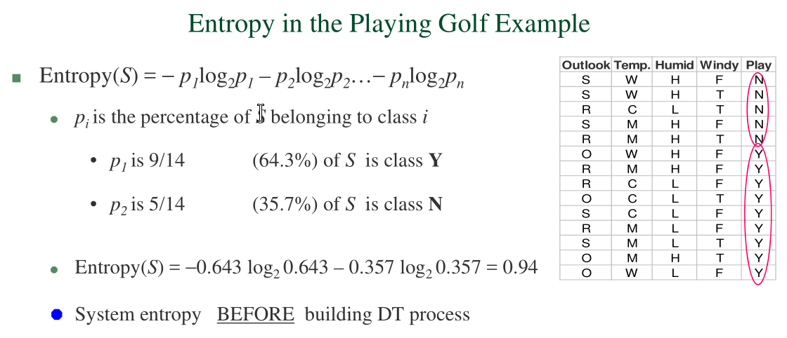

Entropy(System) is calculated per attribute. Slide 31
Note - Max entropy for N classes is log2N. That is, if N = 4, log2(4) = 2, or log(4, 2)

 | Traffic Violations | Count
 | No stop sign | 3 | 25%
 | No traffic signal | 3 | 25%
 | None | 3 | 25%
 | Speeding | 3 | 25%
 | Total | 12

Entropy(Traffic Violations) = Entropy(p1…pn) = − p1log2p1 – p2log2p2… − pnlog2pn
 | = -(25%*log(2)*25%)-(25%*log(2)*25%)-(25%*log(2)*25%)-(25%*log(2)*25%)
 | = -(0.25*LOG(0.25,2))-(0.25*LOG(0.25,2))-(0.25*LOG(0.25,2))-(0.25*LOG(0.25,2))
Entropy(TV) = | 2.00

 | Seat Belt | Count
 | Yes | 8 | 67%
 | No | 4 | 33%
 | Total | 12

Entropy(Seat Belt) = Entropy(p1…pn) = − p1log2p1 – p2log2p2… − pnlog2pn
 | =-(67%*log(2)*67%)-(33%*log(2)*33%)
 | =-(0.666*LOG(0.666,2))-(0.333*LOG(0.333,2))
Entropy(SB) = | 0.92

 | Driving Condition | Count
 | Alcohol-impaired | 5 | 42%
 | Sober | 7 | 58%
 | Total | 12

Entropy(Driving Condition) = Entropy(p1…pn) = − p1log2p1 – p2log2p2… − pnlog2pn
 | = -(42%*log(2)*42%)-(58%*log(2)*58%)
 | = -(0.42*LOG(0.42,2))-(0.58*LOG(0.58,2))
Entropy(DC) = | 0.98

Question 1.2
Which attribute are you going to select as the first level node in the decision tree and why?

Entropy characterizes the purity of samples

Entropy (uncertainty) can be further reduced IF we begin by divide-and-conquer by selecting attributes in the RIGHT order
Information gain = (entropy before splitting) – (entropy after splitting on an attribute)

Step 1: Calculate the target entropy.

 | Traffic Violations | Count | %
 | No stop sign | 3 | 0.25
 | No traffic signal | 3 | 0.25
 | None | 3 | 0.25
 | Speeding | 3 | 0.25
 | Total | 12

Entropy(Traffic Violations) = Entropy(p1…pn) = − p1log2p1 – p2log2p2… − pnlog2pn
 | = -(25%*log(2)*25%)-(25%*log(2)*25%)-(25%*log(2)*25%)-(25%*log(2)*25%)
 | = -(0.25*LOG(0.25,2))-(0.25*LOG(0.25,2))-(0.25*LOG(0.25,2))-(0.25*LOG(0.25,2))
Entropy(TV) = | 2

Step 2: The dataset is then split on the different attributes. The entropy for each branch is calculated.
Then it is added proportionally, to get total entropy for the split. The resulting entropy is subtracted from the entropy before the split.
The result is the Information Gain, or decrease in entropy.

 | Traffic Violation
Driving Condition | None | No stop sign | No traffic signal | Speeding | Total |  | % of total
Sober | 1 | 2 | 3 | 1 | 7 | 58% | 14% | 29% | 43% | 14%
Alcohol-impaired | 2 | 1 | 0 | 2 | 5 | 42% | 40% | 20% | 0% | 40%
 |  |  |  |  | 12
 |  |  |  |  |  |  |  |  |  | % of total | Weighted Entropy
 | = -(0.14*LOG(0.14,2))-(0.29*LOG(0.29,2))-(0.43*LOG(0.43,2))-(0.14*LOG(0.14,2)) |  |  |  |  |  | = | E(Sober)= | 1.84 | 58% | 1.07
 | = -(0.4*LOG(0.4,2))-(0.2*LOG(0.2,2))-(0.4*LOG(0.4,2)) |  |  |  |  |  | = | E(Alcohol)= | 1.52 | 42% | 0.63
 |  |  |  |  |  |  |  |  |  | Sum Entropy= | 1.70

 | Traffic Violation
Seat Belt | None | No stop sign | No traffic signal | Speeding | Total |  | % of total
Yes | 2 | 3 | 1 | 2 | 8 | 67% | 25% | 38% | 13% | 25%
No | 1 | 0 | 2 | 1 | 4 | 33% | 25% | 0% | 50% | 25%
 |  |  |  |  | 12
 |  |  |  |  |  |  |  |  |  | % of total | Weighted Entropy
 | = -(0.25*LOG(0.25,2))-(0.38*LOG(0.38,2))-(0.13*LOG(0.13,2))-(0.25*LOG(0.25,2)) |  |  |  |  |  | = | E(Yes)= | 1.91 | 67% | 1.28
 | = -(0.25*LOG(0.25,2))-(0.5*LOG(0.5,2))-(0.25*LOG(0.25,2)) |  |  |  |  |  | = | E(No)= | 1.50 | 33% | 0.50
 |  |  |  |  |  |  |  |  |  | Sum Entropy= | 1.78
Slide 31
Information Gain = | Entropy(TV) | - Entropy(TV, Driving Condition) |  | = | 2-1.7 = | 0.30 | =Gain(TV, DC)
Information Gain = | Entropy(TV) | - Entropy(TV, Seat Belt) |  | = | 2-1.78 = | 0.22 | =Gain(TV, SB) |  | Lower entropy, more pure split.

Because Information Gain for Entropy(TV, Seat Belt) is not as high as Information Gain Entropy(TV, Driving Condition), we should select the latter as the first level node.
It results in a more pure split.

Both of these have equal amount of branches, so no bias
No Ratio gain must be calculated, but just for future reference…(Slide 41)

Optional Step 3 - calculate Ratio Gain
Driving Condition | Seat Belt
Alcohol-impaired | Yes |  | Alcohol-impaired | =5/12 | 42%
Alcohol-impaired | Yes |  | Sober | =7/12 | 58% | = -(0.42*LOG(0.42,2))-(0.58*LOG(0.58,2))
Alcohol-impaired | Yes
Alcohol-impaired | No |  | Yes | =8/12 | 67%
Alcohol-impaired | No |  | No | =4/12 | 33% | = -(0.67*LOG(0.67,2))-(0.33*LOG(0.33,2))
Sober | Yes
Sober | Yes
Sober | Yes
Sober | Yes
Sober | Yes
Sober | No
Sober | No

example
http://www.saedsayad.com/decision_tree.htm
3 | 2 | 5 | 60% | 40% | =-(0.6*LOG(0.6,2))-(0.4*LOG(0.4,2)) | 0.97095059445 | 36% | 0.34676806945
4 | 0 | 4 | 80% | 0% | =-(0.8*LOG(0.8,2))-(0*LOG(0,2)) | 0 | 29% | 0
2 | 3 | 5 | 40% | 60% | =-(0.4*LOG(0.4,2))-(0.6*LOG(0.6,2)) | 0.97095059445 | 36% | 0.34676806945
 |  | 14 |  |  |  |  | Entropy= | 0.6935361389

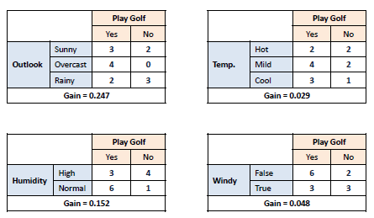

target variable entropy =
Yes | 5.00 | 0.36
No | 9.00 | 0.64
 | 14.00
=-(0.36*LOG(0.36,2))-(0.64*LOG(0.64,2))
0.94

Info gain =
0.94268318926 | - | 0.6935361389 | = | 0.24914705036

