Sheet1
Silhouette Coefficient
What are the Silhouette coefficients for the following 7 points and their clustering results?

Data | Cluster | Internal Cohesion | Center | External Cohesion | Silhouette Coefficient
1 | 1 | 5.00 | 4.75 | 11.00 | 0.55
2 | 1 | 4.33 | 4.75 | 10.00 | 0.57
5 | 1 | 4.33 | 4.75 | 7.00 | 0.38
11 | 1 | 8.33 | 4.75 | 1.00 | -0.88
12 | 2 | 0.00 | 12.00 | 7.25 | 1.00 | this point is on top of the center
20 | 3 | 1.00 | 20.50 | 8.00 | 0.88
21 | 3 | 1.00 | 20.50 | 9.00 | 0.89

Internal cohesion
Find the distance of each point to all others in the same cluster, then average them.

Center
Find the center by averaging their locations

External cohesion
Find the distance of each point to the centers of the other clusters, and take the minimum distance.

you take minimum to penalize it

Silhouette coefficient
Sq = (Eq - Iq) / Max(Eq, Iq)
1 is the best, -1 is the worse

Sheet2
Use the following distance table to draw two dendrograms: one use single-link method and another one uses complete-link method.
Cluster 3, page 28

 |  | Distance table
 | A | B | C | D | E
A | 0 | 1 | 4 | 5 | 6
B | 1 | 0 | 3 | 4 | 5
C | 4 | 3 | 0 | 1 | 2
D | 5 | 4 | 1 | 0 | 1
E | 6 | 5 | 2 | 1 | 0
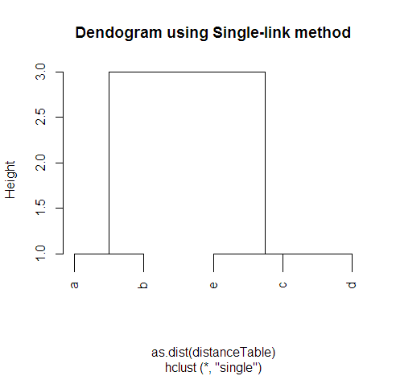
Single-link
min of min distances among clusters

1 | ((A, B), (C), (D), (E)) |  |  |  |  | A-B has shortest distance 1
2 | ((A, B), (C, D), (E)) |  |  |  |  | C-D has shortest distance 1 |  | e.g. AB->C min(4,3) = 3
3 | (A, B, C, D), (E)
 | d(A, B), (C, D) = 3, d(A, B), (E) = 5, d(C, D), (E) = 1
 |  |  |  |  |  | CD-E has shortest distance 1
4 | (A, B), (C, D, E)
 | d(A, B), (C, D, E) = 3 |  |  |  |  | AB-CDE has shortest distance 3

 | A | B |  |  | C | D | E

 |  | Distance table
 | A | B | C | D | E
A | 0 | 1 | 4 | 5 | 6
B | 1 | 0 | 3 | 4 | 5
C | 4 | 3 | 0 | 1 | 2
D | 5 | 4 | 1 | 0 | 1
E | 6 | 5 | 2 | 1 | 0

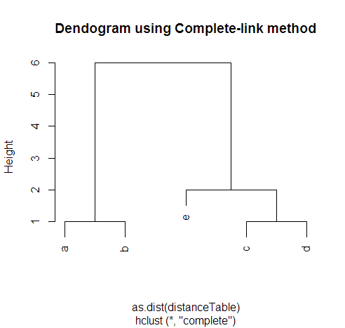
Complete-link
min of max distances among clusters
1 | ((A, B), (C), (D), (E)) |  |  |  |  | A-B has shortest distance 1
2 | ((A, B), (C, D), (E)) |  |  |  |  | C-D has shortest distance 1 |  | e.g. AB->C max(4,3) = 4
3 | (A, B, C, D), (E)
 | d(A, B), (C, D) = 5, d(A, B), (E) = 6, d(C, D), (E) = 2
 |  |  |  |  |  | CD-E has the shortest distance 2
4 | (A, B), (C, D, E)
 | d(A, B), (C, D, E) = 6 |  |  |  |  | AB-CDE has the shortest distance 6

 | A | B |  |  | C | D | E

