Note
The Year Column in this spreadsheet denotes what year is the value of money used by the source

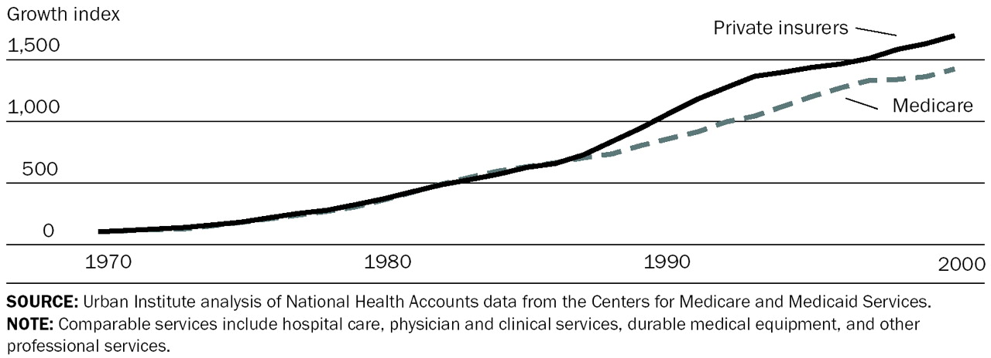
Need to consider the difference between what the hospital billed and what the insurers pay
In some cases, hospital billed charge can be two or three times of what the insurers pay. As shown in HealthcareBlueBook, the cost difference of MRI in one city can be three or four folds.
Insurers can be private insurance company or medicare/medicaid, usually medicare pays less than private insurers for the same service
For what emerge concern, how much private insurers pay matter the most. So all cost in this Excel file is adjusted to what private insurers would pay
Most cost in this spreadsheet is how much private insurers pay. Hospital charge is labeled with "billed", medicare charge is labeled with "medicare"
A recent study done by Heritage Foundation show medicare usually only pay 81% what what private insurance pay.
A CNN study say it's 80%
A study done by Uconn (show on the right) shows medicare is approximately 83% of private insurance
In this Excel file, we will use 81%
This idea is further explain in the following website
http://money.cnn.com/2014/04/21/news/economy/medicare-doctors/
http://content.healthaffairs.org/content/22/2/230.full
https://www.hcup-us.ahrq.gov/db/state/costtocharge.jsp
http://www.heritage.org/research/reports/2010/05/obamacare-impact-on-doctors#_ftn2

Even though the average American work have ten days of sick day every year, they most likely have used quite a bit of them considering that they acquire a critical illness in the same year, so I recommend either using sick day adjustment of five days or none at all

Lost of productivity can be measured from the employer/economic perspective and from employee perspective
We care about from employee perspective, or in other word, how much income does the patient lose
A maximum of half years or 125 dyas of lost wages is included into the model. Some illnesses may have additional lost wages, but it is not accounted for in this model

For lost wages, not onlydoes the patient missed works, but also the person taking care of the patient with critical illness
For emerge, we care about the combine lost wages of care giver and patient.
I suggest using 25% of patient's missed days of work to take care giver into account for some illness

Due to the high variability of some of the number, a clear note about the variability of the number should be added to the calculator

In 2013, average hourly wage rate of $19.17 reported by the Bureau of Labor Statistics

