Week 1 - Thurs
Notes

2021-02-24

1. Why source control?
2. Git terminology and basic commands & operations
3. The role of GitHub
4. The use of GitHub pages

Git
1.Collaboration
2. Deployment
3. Insurance
4. Leadership

https://git-scm.com/book/en/v2
read first few chapters

pretty much all web companies use Git

old versioning - central repository - like Objective; locked for editing

Git - distributed repository - everyone has access to all versions and work on them simultaneously
Changes made to repository and team decides which one to push to producton

GitHub = Web-based Git

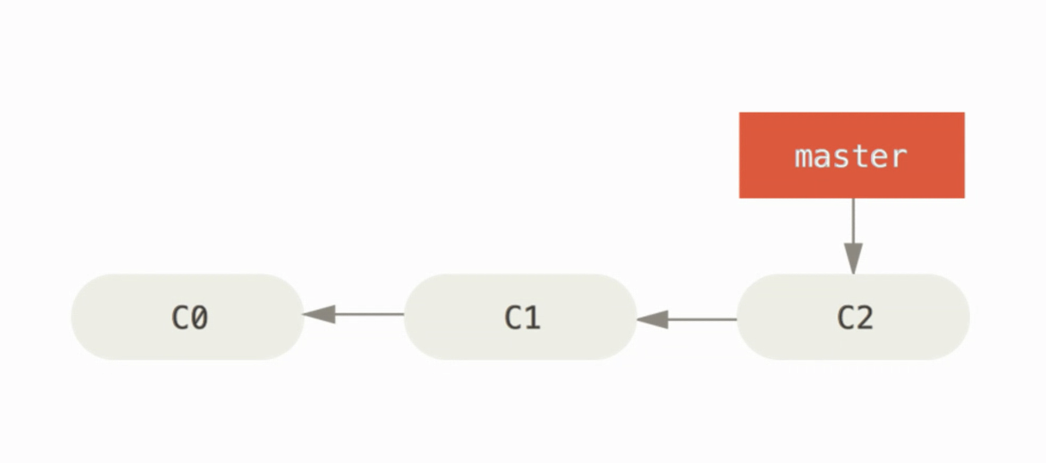

master/main - main branch - all repositories must have one - renamed to main for political reasons in the US
commits are snapshots in time
C2 is the latest, references C1 which references C0.
C2 = tip
C0 = root

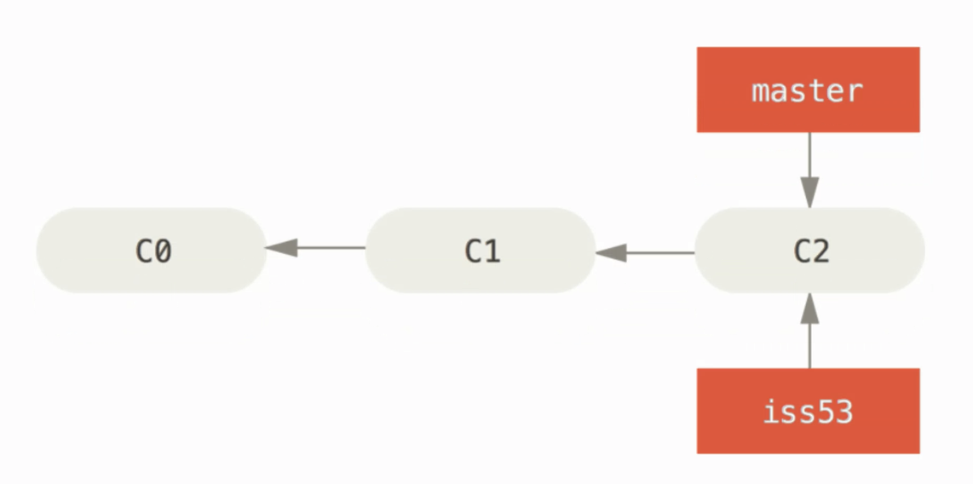

iss53 = new branch
branch is like a bookmark to a commit
checkout issue 53branch and points it to the new commit C3

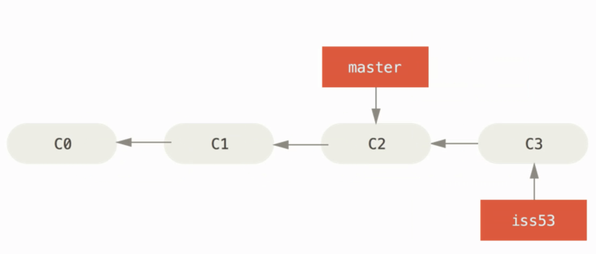

branch 'iss53' moves forward in time

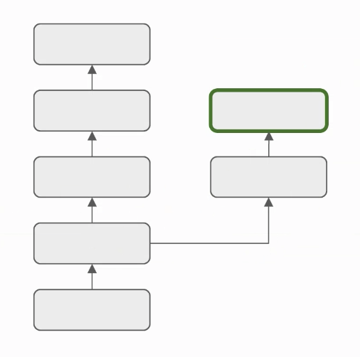

green box - new tip of a branch
green box is branch in production
commits on the left -> code being worked on
e.g. high risk code for a financial application
they may eventually be merged

index.html (main page of all websites)

Git commit messages should start with verb
e.g. "Create initial project"
Present not past tense
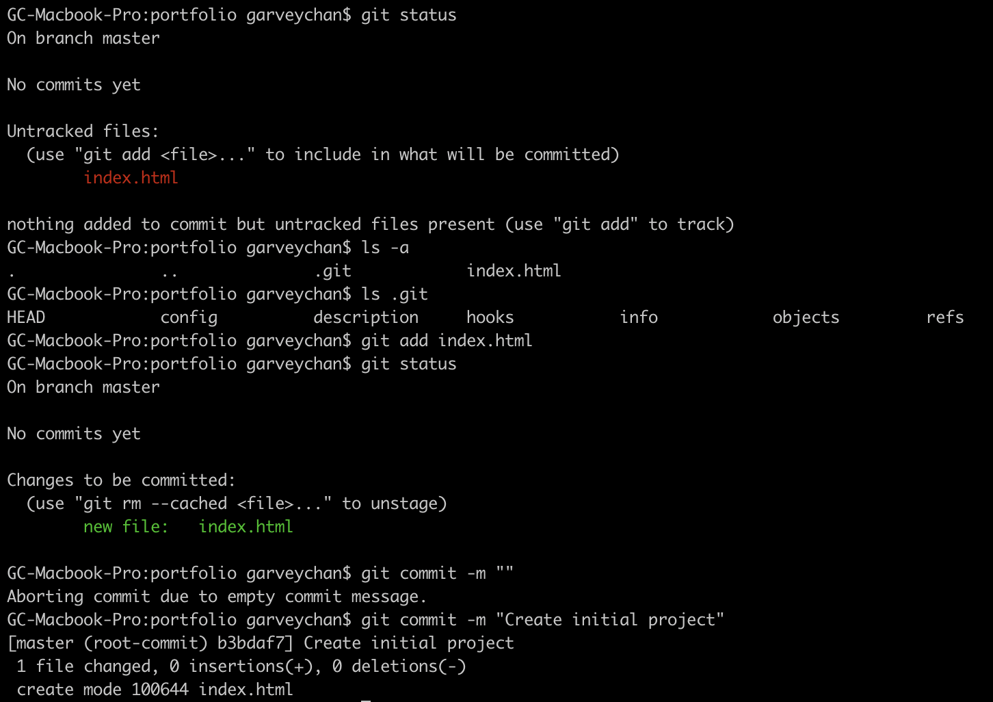

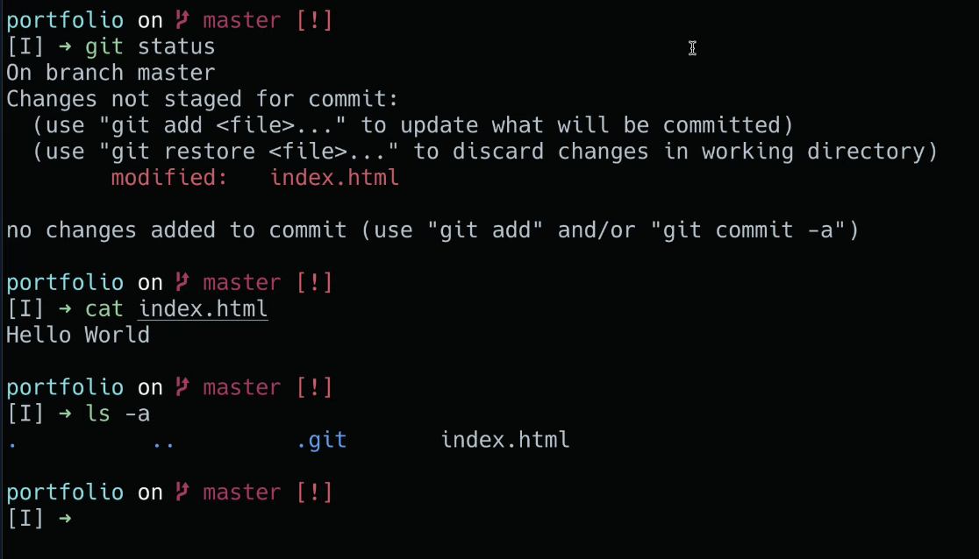

.git is where the commits are kept

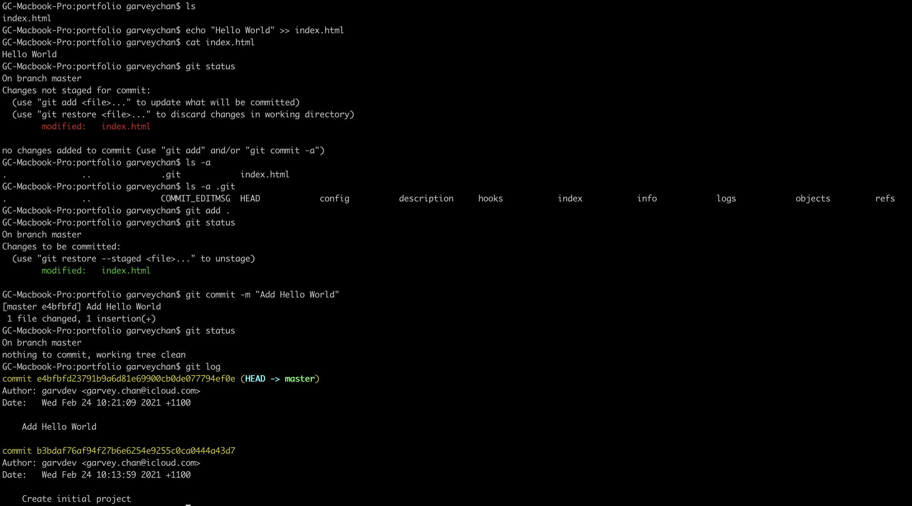

410 echo "Hello World" >> index.html |  |  | Add text to file
412 git status |  |  | Check status
415 git add . |  |  | Stage the file
417 git commit -m "Add Hello World" |  |  | Commit
418 git status |  |  | Check status
419 git log |  |  | Show log

Git produces a 40 character fingerprint (SHA-1) based on author, date, contents, message, parent to identify specific commit.
People will quote first 5-7 characters of SHA-1 checksum to refer to body of work.

git log --pretty=oneline
easier to read

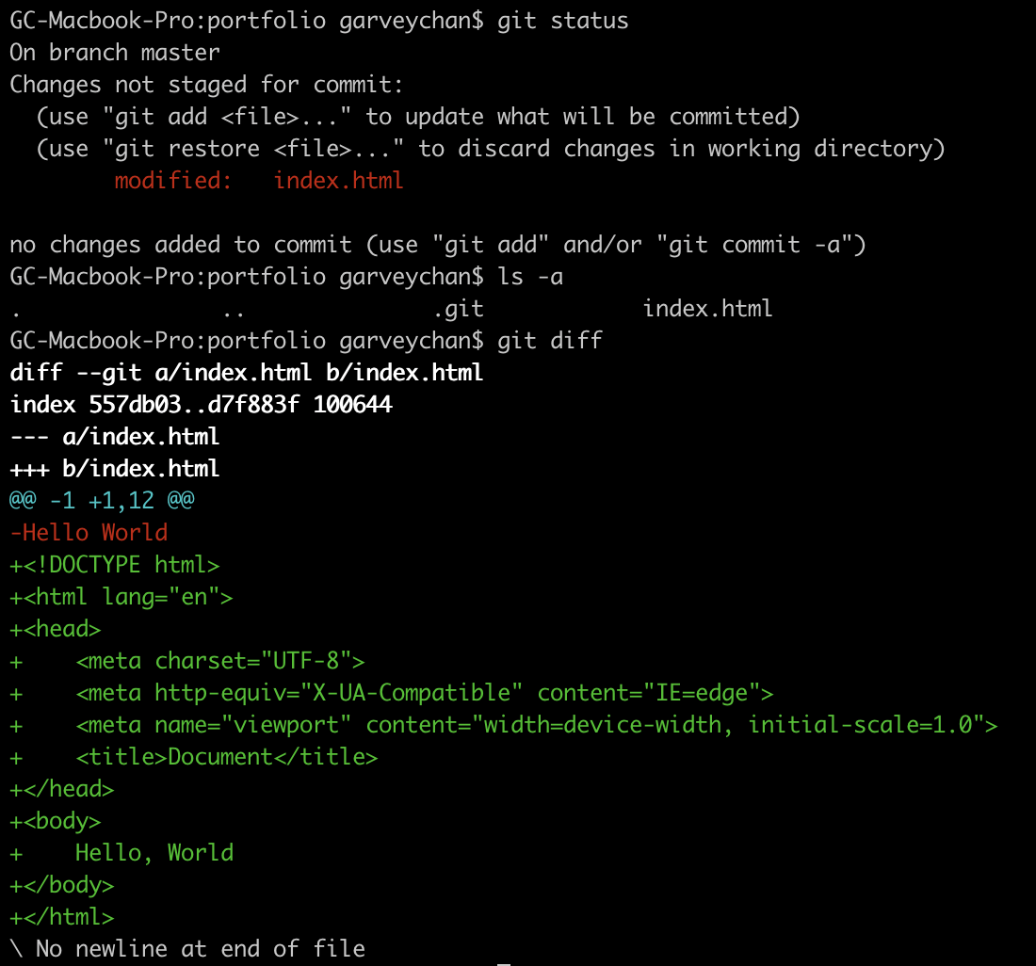

git diff - examine changes in the file
git restore - remove uncommitted changes
don't commit anything that doesn't work
application should work all throughout each commit of the project

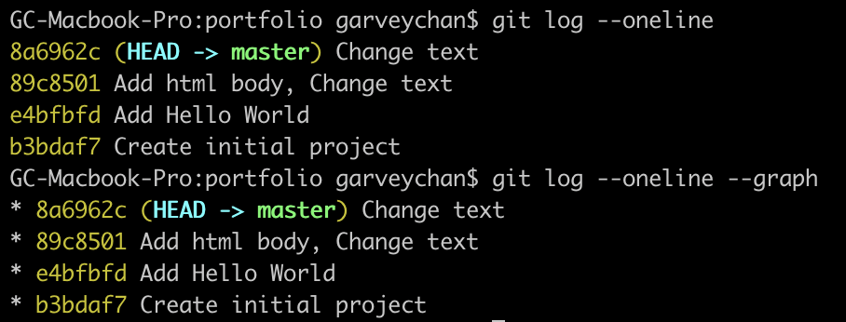

git checkout "branch name" |  |  | checkout a branch
git checkout -b "branch name" |  |  | -b | new branch

git merge "branch name" |  |  | bring branch into master

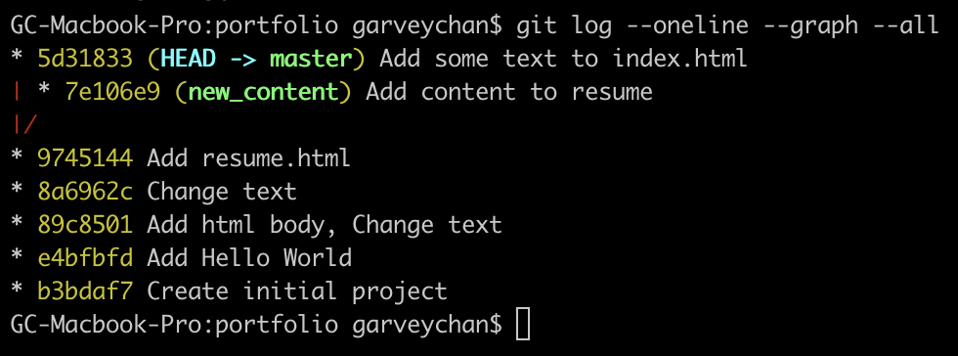

git log | show log | --oneline | concise view | --graph | visualise branches | --all | show all branches

VIM
Shift+Z+Z | save and exit
Shift+Z+X | exit without saving

