Week 4 - Mon
Notes

2021-03-15
Learn the process of learning a language/framework.
Apply to new technologies as time passes.

REPL - Read/Eval/Print Loop
An interactive toplevel or language shell - takes single user inputs / executes / returns them.

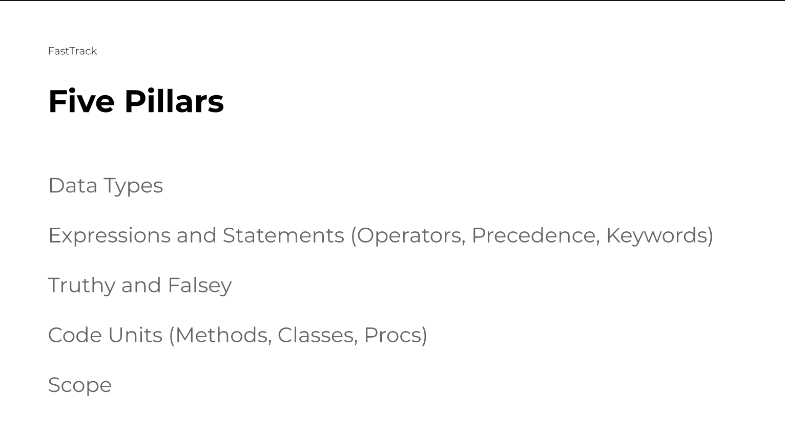

Be wary of new version types e.g. Ruby 3.0.0
Takes a while for industry to catch up.

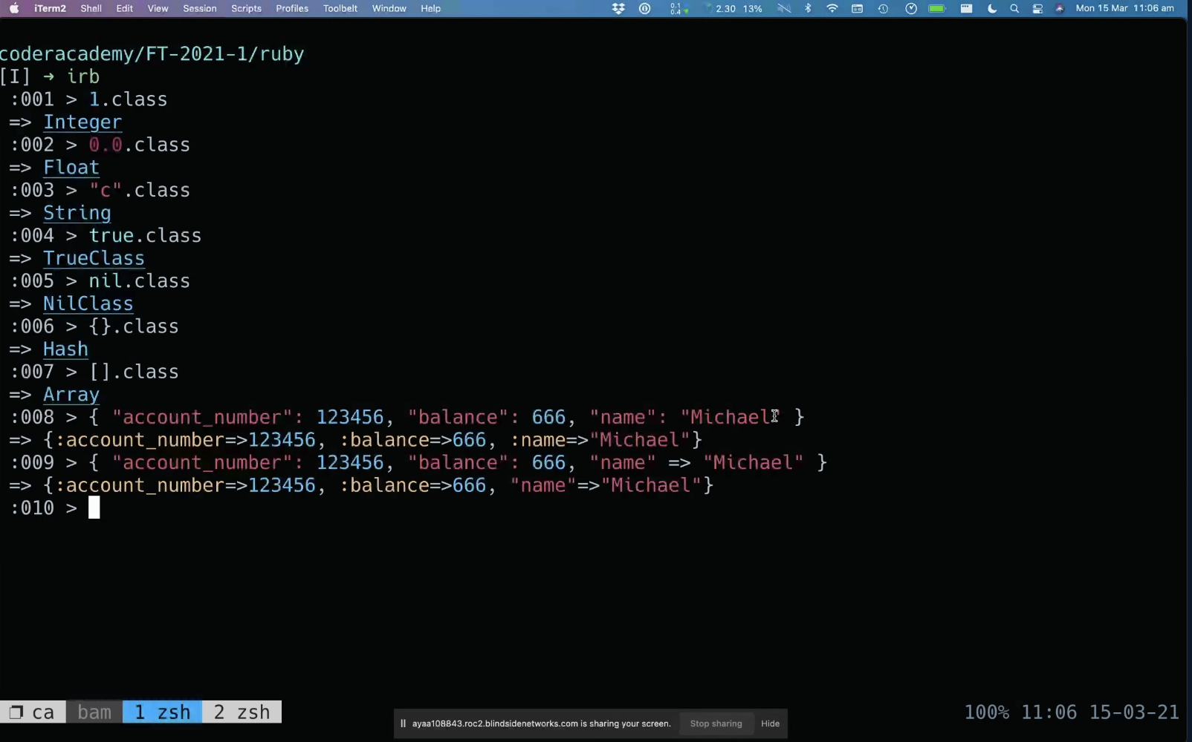

Within Hash/Array -
Attribute: Attribute Value

Variables used to allocate computer memory and hold a value until the end of time
Value of 1 written into terminal is ephemeral, assigning it to a variable will ensure that it remains

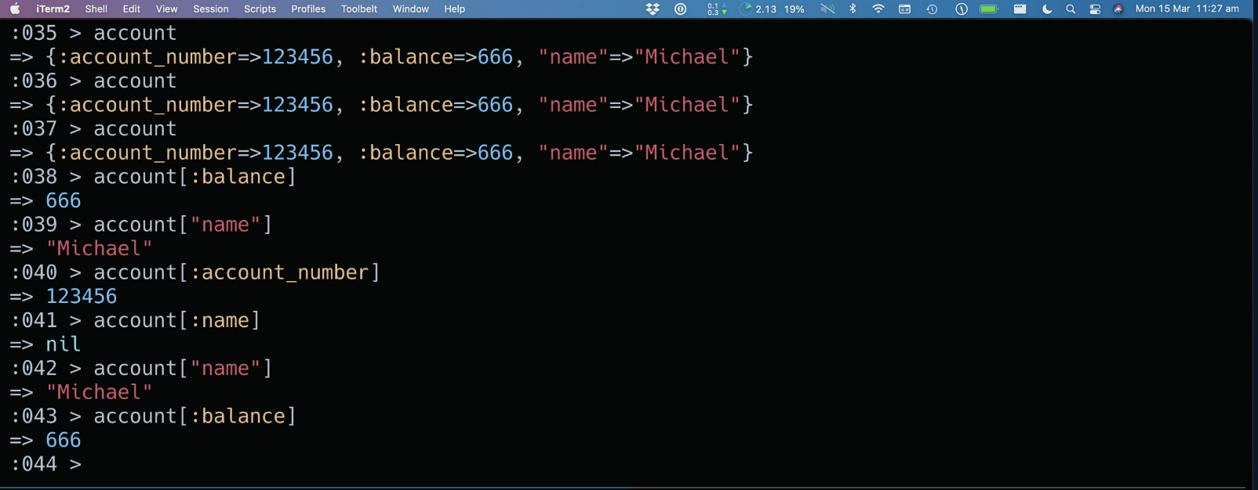

Remember to distinguish between STRINGS and SYMBOLS
Above, "name" is string - assigned a value of "Michael".
:name is a symbol - not assigned a value in the hash - hence it returns nothing with account[:name].
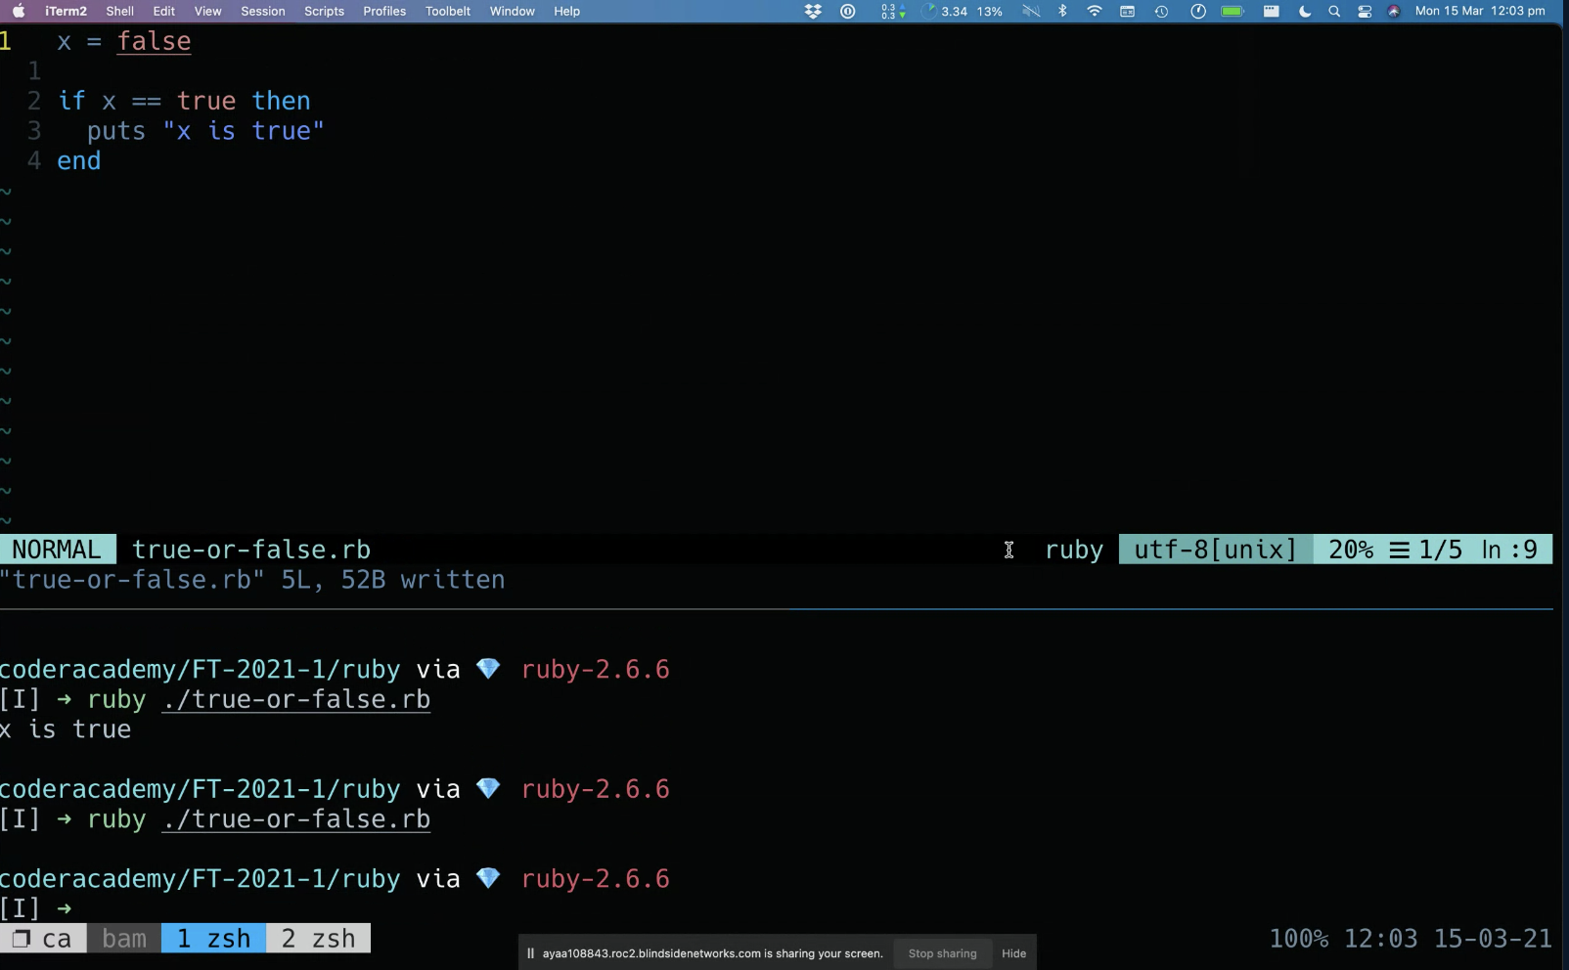

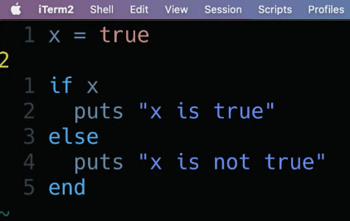

if x - looks for 'truthy' value.
Truthy vs Falsey

In Ruby -
Truthy values - anything that is defined - True, 0, 1, "", [], {}
Falsey values - False, Nil
Other languages may be differet (JavaScript = 0 Is falsey)

Week 4 - Wed
Notes

2021-03-17
Building your brand
Work on projects and put them out before they are finished to amass following as you go

When designing methods, arguments in the signature should be ordered in increasing possibility of the input changing.
boolean methods shouldn't have arguments

How to learn industry best practice? e.g. order of arguments in method signature - is it just finding and reading good code?
methods with question marks?
argument name same as variable name?
pseudocode -> main program -> methods?

Good applications will be split into multiple files. Easier to debug.

In ruby, last expression in a method is returned to the core.

Methods
return not generally used unless to exit a method early e.g. to check a condition
parameter vs argument
a parameter is the variable which is part of the method’s signature (method declaration). An argument is an expression used when calling the method.

Named Parameters - indicated with a colon after the parameter - allows you to enter arguments in any particular order.
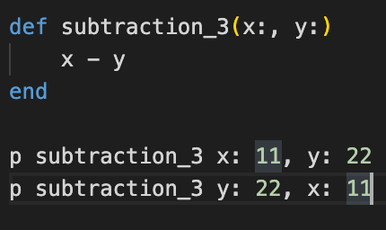

Default Parameters - set default values for parameters going into the method, these can be overridden if an argument is passed.

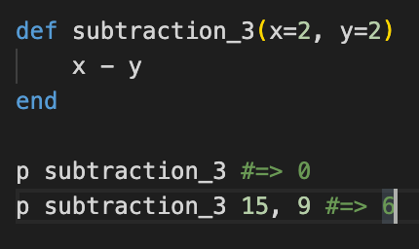

Research other method arguments - x, y, *z - will pass in anything after x, y as a single array

Recursions can be less computationally taxing than using loops.

