Week 5 - Mon
Notes

2021-03-22
array mutation using ! methods - idempotence - research
best practice to avoid using methods which mutate the original array
there is no computer memory shortage - leave original data intact, easier to debug as well

software is a human science - prioritise readability for future self and other programmers

ruby tends to operate chronologically
e.g. .to_i (converts data type to integer) - if used on a string, it will start from left to right and stop once it reaches a character it can't convert to an integer.
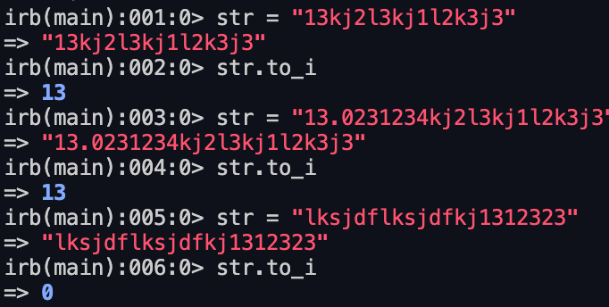

e.g. <=> array comparison, also goes from left to right

get it right, get it working, get it fast (in sequence)
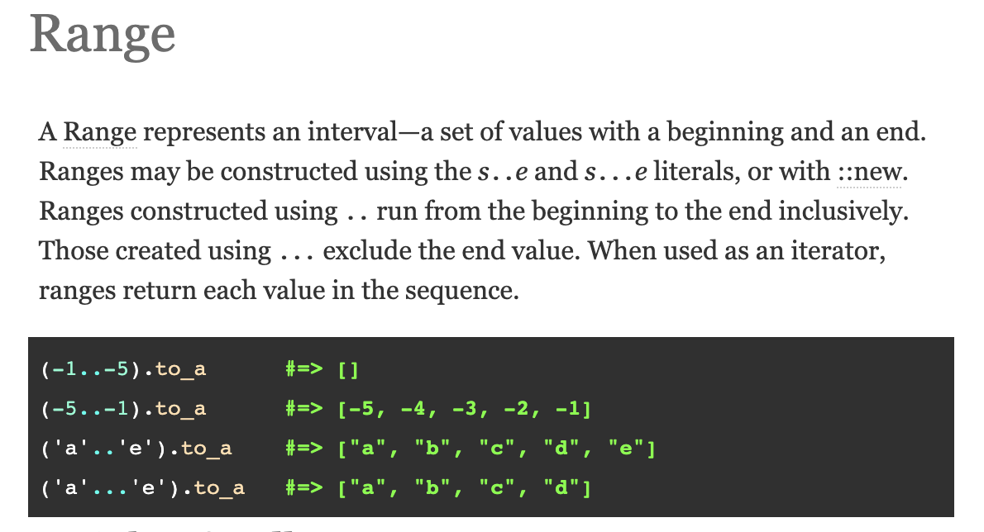

Data types are capitalised
Array.new

DRY - don't repeat yourself - 'massage' your data structure to be able to use the same algorithm as much as possible

Rows is an array which is mutable and dangerous.
Better to use a 'class' data type

