Week 6 - Mon
Notes

2021-03-29

Classes are Modules - but classes can be instantiated (new / initialize)
Modules used for one instance only
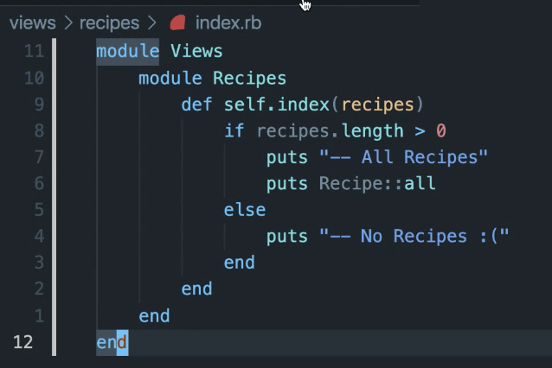

module within a module - like folders in directories
used to contain and namespace your file (method), separating them from similarly named files (methods).

long lived state

each controller should manage one resource (e.g. Recipes class resource)
could have users controller which manages users
session controller for sessions (log-in log-out)
ingredients controller -> for Recipes

RESTful endpoints
index show edit update new create destroy

SUP - software of unknown provenance

