Week 1 - Mon
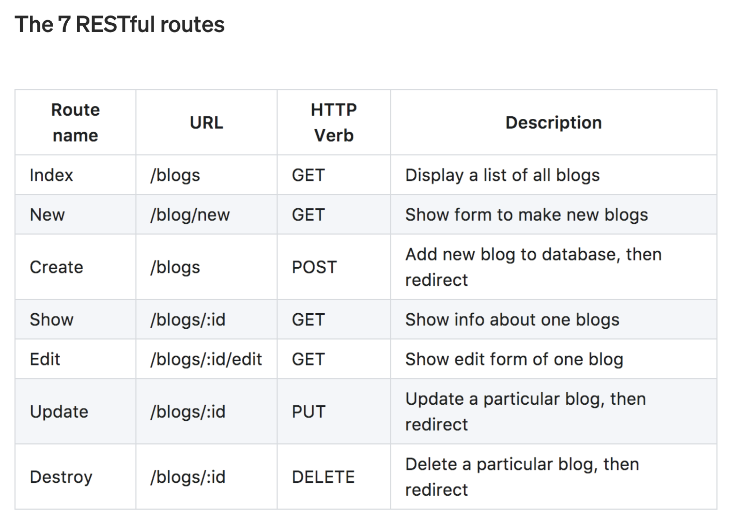
Notes

2021-04-19

Initiating a Rails app - workflow

-rails --help
help section for rails commands
raids -d (database) - very important. rails abstracts away database details but it needs to know what database you want to use.

rails new <appname> -d postgresql

PostgreSQL databases used widely in industry

--skip-spring - can be found to inhibit software development, against its intended purpose

--skip-test - skip text files
 |  | REST = Representational State Transfer
bundle exec rails --help |  | REST (i.e. Representation State Transfer) is an architectural style for defining our routes.
bundle exec will look at gemfile and make sure that the right dependencies are loaded |  | It is a way of mapping HTTP routes and the CRUD functionalities.

bundle exec rails s - start up rails server / rails s

bundle exec rails generate scaffold - scaffolds an entire resource, from model and migration to controller and views, along with a test suite.
e.g. (rails generate scaffold recipes name:string) - generates a recipes resource with a name which is a string.

bundle exec rails routes -c <app_name> | show prefix, http verbs, uri patterns and controller actions.

Strucutred Query Language
SQL and non-SQL databases - 50yo technology, will never go away.
SQL is a programming language you can use across databases.
A domain-specific language used in programming and designed for managing data held in a relational database management system, or for stream processing in a relational data stream management system.

sqlite3 - REPL for database
select * from recipes
.help - help file
.mode - change formatting
.schema - data types and constraints

HTTP - Hypertext Transfer Protocol - URL / HTTP Verb

Idempotence - is the property of certain operations in mathematics and computer science whereby they can be applied multiple times without changing the result beyond the initial application.
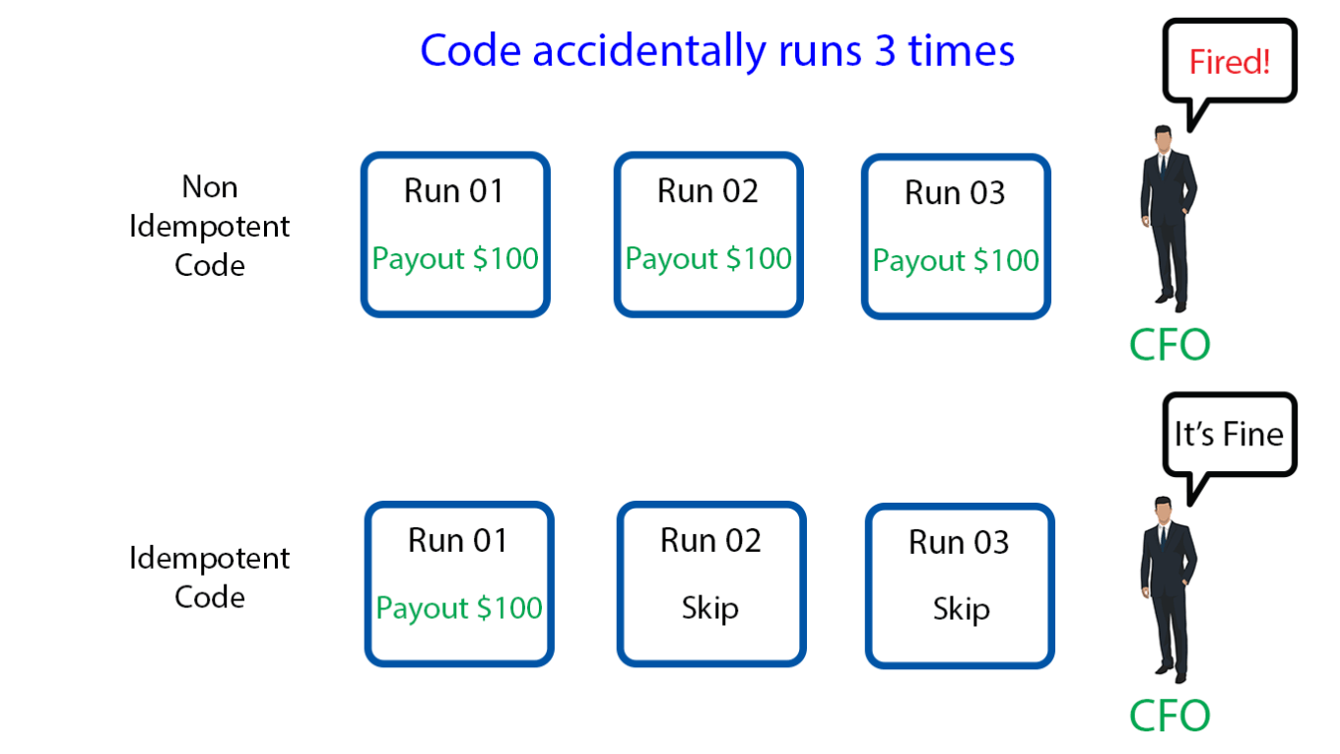

e.g. re-assigning IDs for recipes when deleted = not idempotent. any subsequent deletion of that ID will delete a different recipe. risky application behaviour.

curl localhost:3000/recipes - returns 'body' of http request i.e. html source code
curl -vv localhost:3000/recipes - shows full http actions - headers, http verbs (actions), configurations, etc.
-vv => verbose

curl -I -X DELETE localhost:3000/recipes/1 - request 'DELETE' function from server and execute as dictated by app, -I (show header info only)

Common interview question -
Name 4 HTTP verbs
GET, POST, PUT, DELETE

POST means "create new" as in "Here is the input for creating a user, create it for me".
PUT means "insert, replace if already exists" as in "Here is the data for user 5".

Week 1 - Wed
Notes
 |  | Ruby Literals - % Notation
2021-04-21 |  | https://en.wikibooks.org/wiki/Ruby_Programming/Syntax/Literals#The_.25_Notation
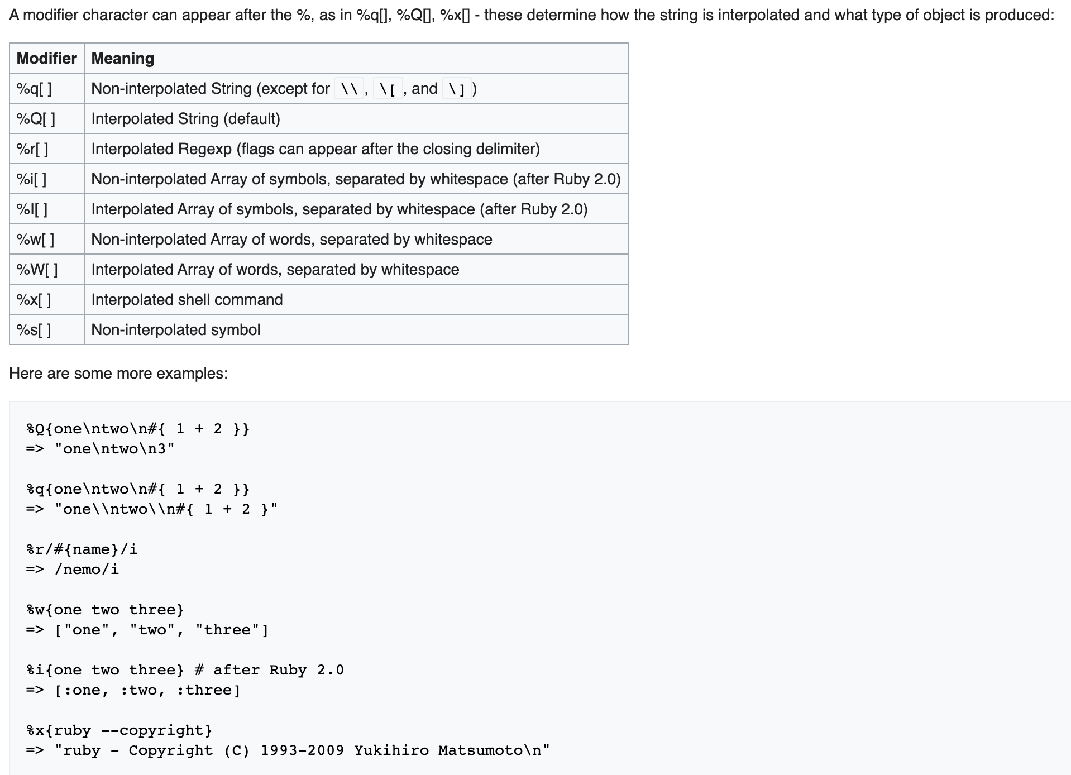
HTTP status codes - important
https://developer.mozilla.org/en-US/docs/Web/HTTP/Status
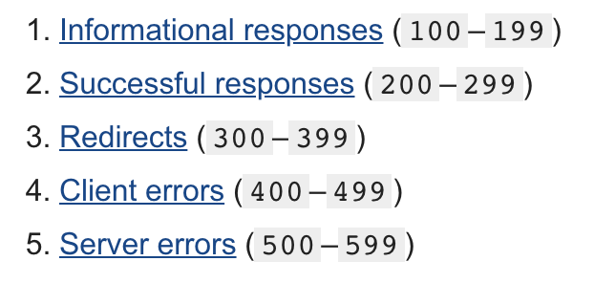

curl localhost:3000/recipes
return html format
curl localhost:3000/recipes.json
return json format

bundle exec rails c
open rails console - REPL for querying app data

bundle exec rails db
\d recipes
go to database to understand the attributes of the model

https://guides.rubyonrails.org/layouts_and_rendering.html
https://guides.rubyonrails.org/action_controller_overview.html

security responsibility falls on controller

views is plural, model is singular
naming conventions are important

git workflow for resetting to last commit
git status | view status
git reset --hard HEAD | reset existing files back to HEAD pointer
git clean -f | remove untracked files
git status | view status

ctrl-r - terminal backwards search

belongs_to :recipe
has_many :ingredients
has_one :account

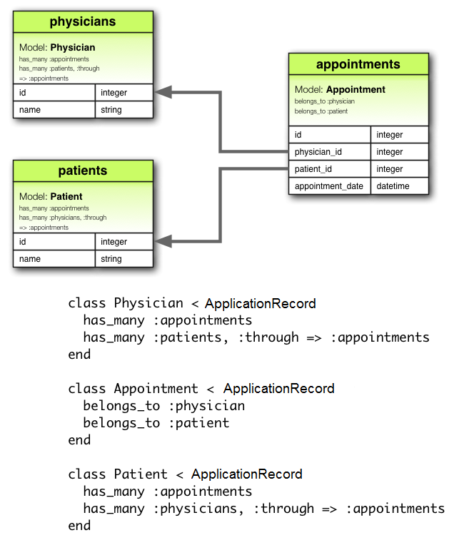
foreign key sits in model which belongs_to another model | i.e. it's a key which is foreign to the model that it sits in
https://guides.rubyonrails.org/association_basics.html | e.g. author_id is a foreign key in the books model

foreign keys specify relationships between models
IDs are allocated when models are saved to disk

Important environments -
Rails Console - console for specific rails app | "rails c" from within the app root dir
PostgreSQL database console - console for databases | "psql <database>" from anywhere

