Week 2 - Mon
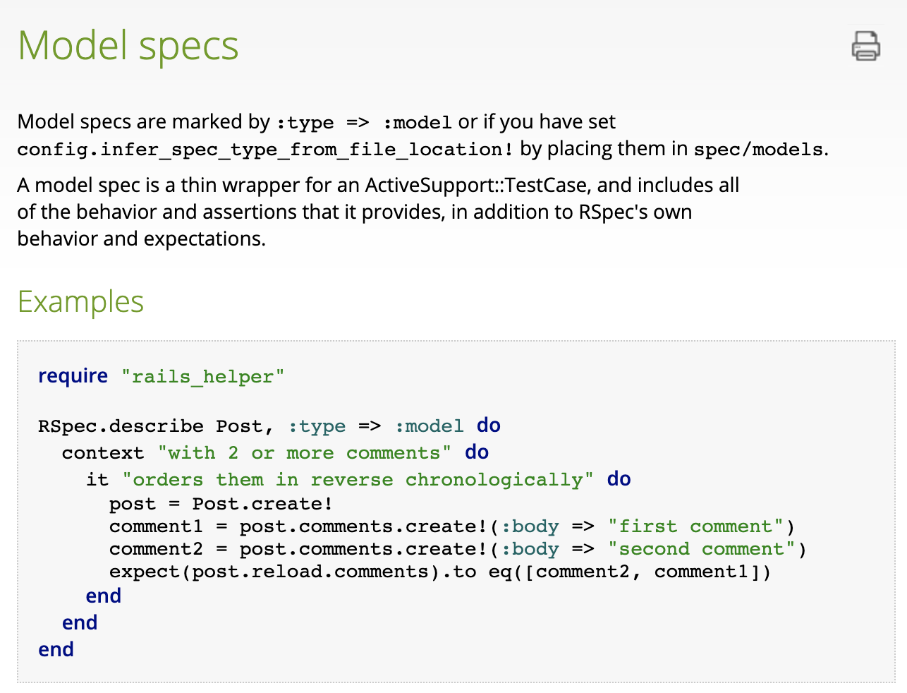
Notes

2021-03-26

Test Driven Development using Rspec Rails 5.0
https://relishapp.com/rspec/rspec-rails/docs

Rspec-rails extends Rails' built-in testing framework to support rspec examples for requests, controllers, models, views, helpers, mailers and routing.

gem install rspec-rails

In rails - !
exclamation mark means a method is not idempotent. it changes the element on which the method is attached, and raises an error if it can't perform the method.

post.comments - dead giveaway that there is a relationship between the two objects - post has_many comments, comments belongs_to post

reload - test function - ensures that only the latest data is called to rspec.

rails allows us to use rails commands without bundle exec.
bundle exec should be used for other ruby gems.

.respond_to? checks if an object responds to another one.
s = ""; s.responds_to? :length => true

duck typing - if it walks like a duck, it's a duck

rails db:migrate:status - check status of database migrations

rails -T => show tasks available

rails db:migrate:redo - reapplies migrations

Rspec
xit
xdescribe
Adding an 'x' before a function makes it 'pending' so you can work on it later.

