Navigation Test Script
Navigation Test Script

 | Step | Description | Instructions | Instruction Notes | Expectations | Expectation Notes
 | 1 | Login | Provide user name and password | 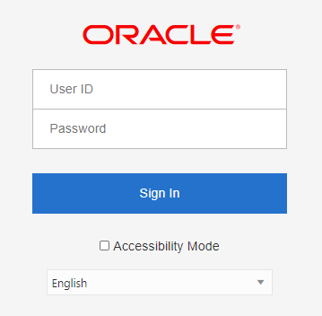 Log into OBIEE using your user name with the appropriate associated role. | OBIEE opens to the Home screen.
 | 2 | Check Dashboard Access | Click the Dashboard dropdown and verify only applicable options. Q: What should we expect to see? | 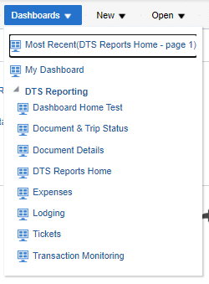 | All Dashboards noted as applicable for that role are displayed in the dropdown.
 | 3 | Check the ability to create new artifacts. | Click the New Dropdown and verify only applicable options. Q: What should we expect to see? | 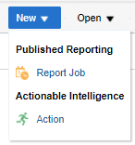 | TBD
 | 4 | Check the ability to open existing artifacts. | Click the Open dropdown and click "Open…". Verify dashboards and reports. | 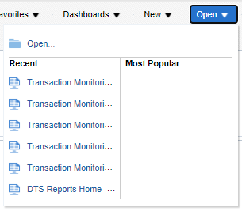 | Available Dashboards and Reports should conform to the Role Permission Matrix | 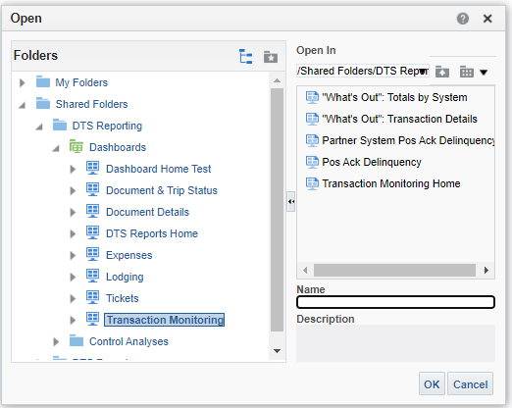 Reports Available Dashboards
 | 5 | Check the ability to access artifacts through the Catalog. | Click Catalog and verify the navigation tree. | 