Programming
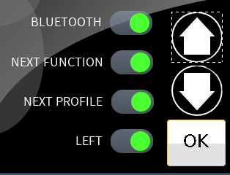
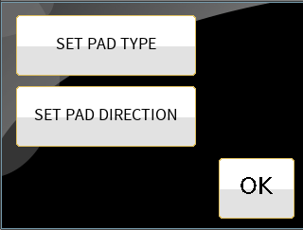
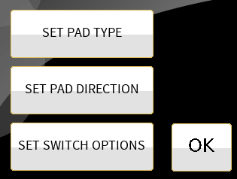
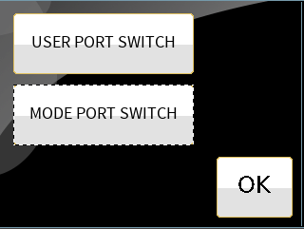
LEFT PAD
Short Press | Long Press
None | Left
Cycle | Right
Do Feature | Forward
 | Reverse
 | POWER ON/OFF
 | BLUETOOTH
 | NEXT FUNCTION
 | NEXT PROFILE
 | TOGGLE F/R
 | USER MENU
 | SEATING

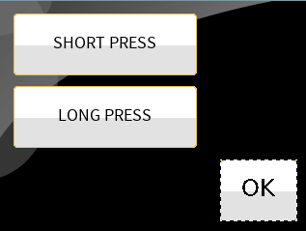
This screen shows the Pad Direction if the SHORT PESS is set to NONE.
Behaves as it does today.
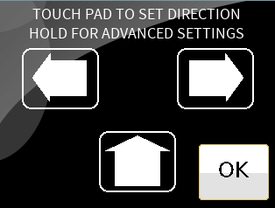
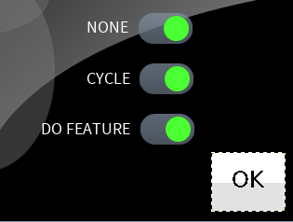

OR the following screen
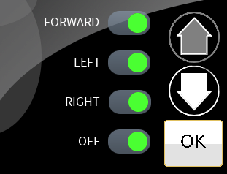

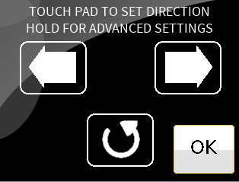
Note that the CENTER PAD is set for CYCLING. The "Cycled" features are enabled in the LONG PRESS setting screen.

 |  | Keep pressing the down and up arrows to view the available features for a given pad.

User Screen
USER MAIN SCREEN

RIGHT PAD: Set with SHORT PRESS: NONE
LONG PRESS: RIGHT
LEFT PAD: Set with SHORT PRESS: NONE
LONG PRESS: LEFT
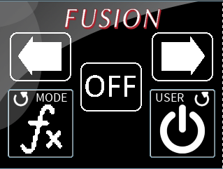

USER PORT: Set for Short Press for CYCLE. LONG PRESS has at least POWER ON/OFF active.
MODE PORT: Set for Short Press for CYCLE. LONG PRESS has at least NEXT FUNCTION active.

CENTER PAD: Set with SHORT PRESS: NONE and LONG PRESS: NONE

Single Switch
Single Switch Scanning.

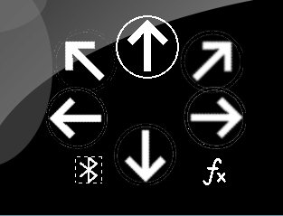

 | TODO: Has to look nicer.
 | TODO: Has to be more pronounced; use colors or shading or shapes.

