Programming Naviagtion
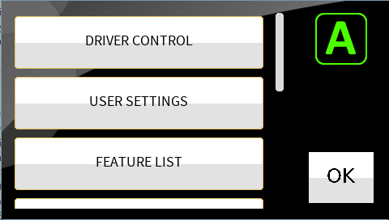
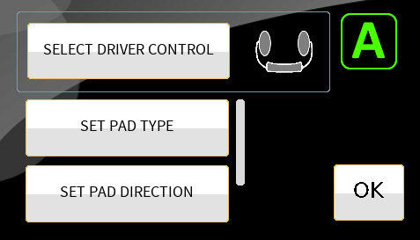
LEFT PAD |  | Main Screen
Short Press | Long Press
None | Left |  | PRESS the SELECT DRIVER CONTROL button to cycle through Driver Controls.
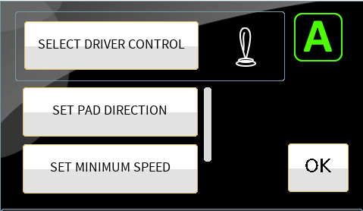
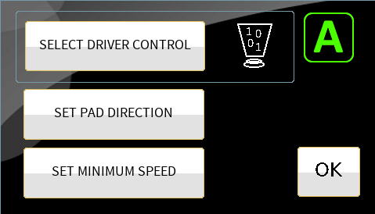
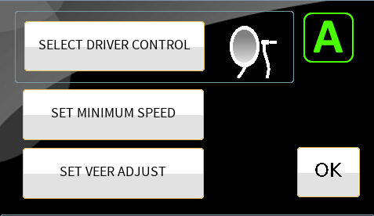
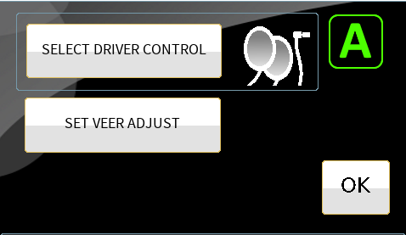
Cycle | Right
Do Feature | Forward
 | Reverse
 | POWER ON/OFF
 | BLUETOOTH
 | NEXT FUNCTION
 | NEXT PROFILE |  |  | Proportional Joystick selected | Digital Joystick selected. |  | Single Switch selected. | Two-Switch selected.
 | TOGGLE F/R
This is a scrolling list.
It has....
SET PAD TYPE
SET DIRECTION
SET MINIMUM SPEED
SET VEER ADJUST SET NEUTRAL WINDOW *
SET JOYSTICK THROW *
* if Proportional Joystick
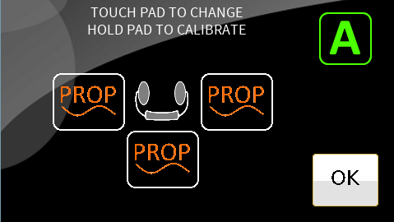
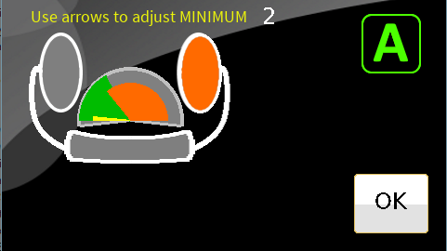
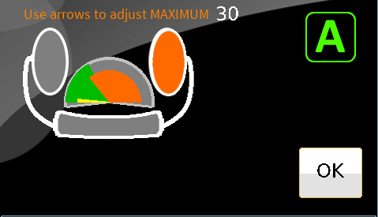
 | USER MENU
 | SEATING

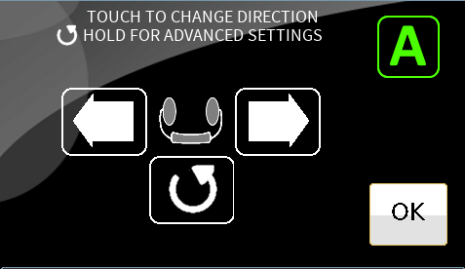
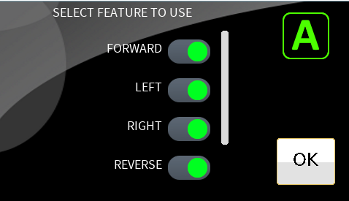

This is a scrolling list.
It has....
- FORWARD, LEFT. RIGHT, REVERSE
- NEXT FUNCTION
- NEXT PROFILE
- SEATING options
Anything that we want to control with a long press.

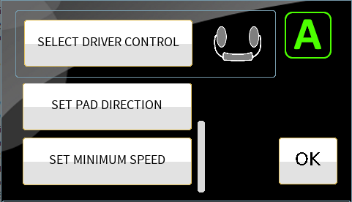
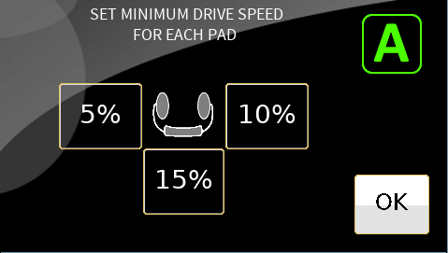
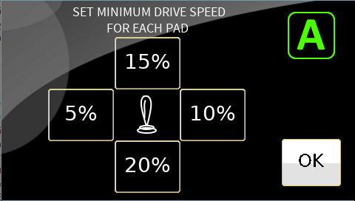

 |  |  |  |  |  | 3 or 4
 |  |  |  |  |  | Quadrant

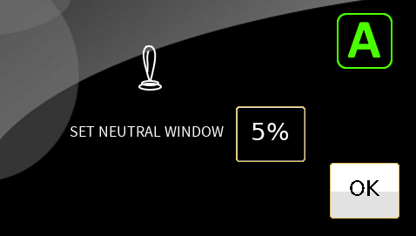
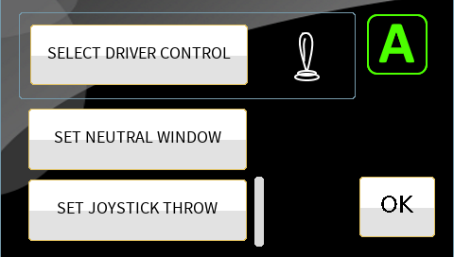

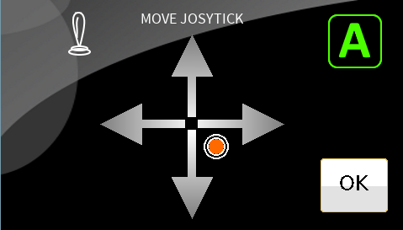

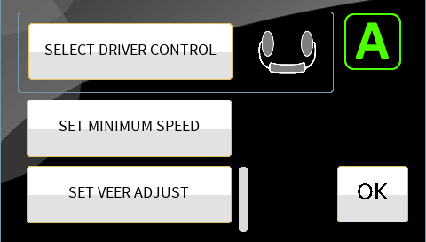
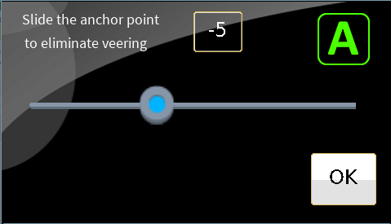

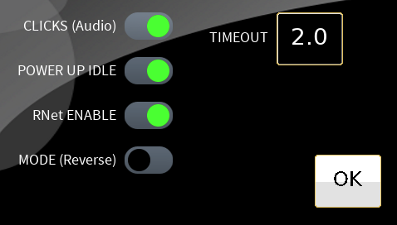

This is a scrolling list.
It has....
POWER ON/OFF
BLUETOOTH
NEXT FUNCTION
NEXT PROFILE
NEXT GROUP
AUDIBLE OUTPUT
SEATING ENABLE
TECLA ENABLE

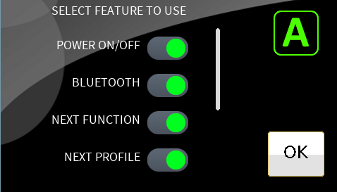

BLUETOOTH SETUP
(Under Construction)
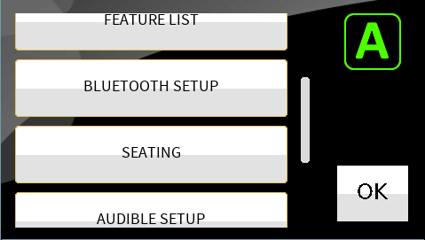

SEATING SETUP
(Under Construction)

MANAGE SOUNDS SETUP
(Under Construction)

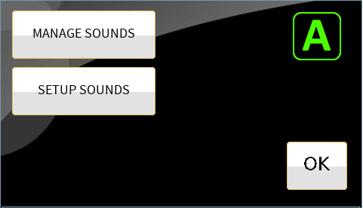

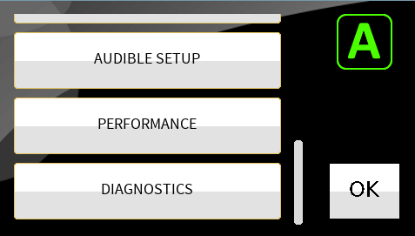
SETUP SOUNDS
(Under Construction)

Newer Main Screen
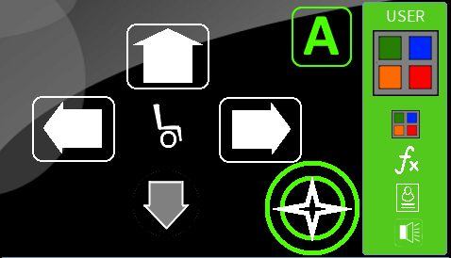
 |  |  |  | This is "CHANGE TO NEXT GROUP OF SETTINGS" feature. | This is AUDIBLE OUT feature

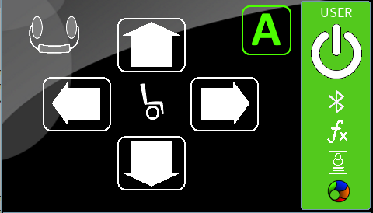
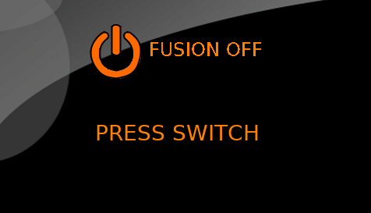
 |  | This is the POWER ON/OFF feature

 |  | When the USER PORT switch is pressed, the system changes between "ON" and "OFF"

LONG
 | A LONG Press of the USER PORT switch advances to the next programmed feature.

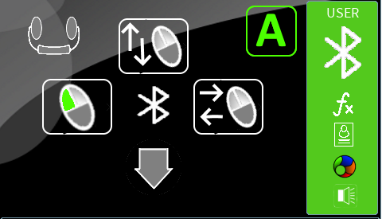
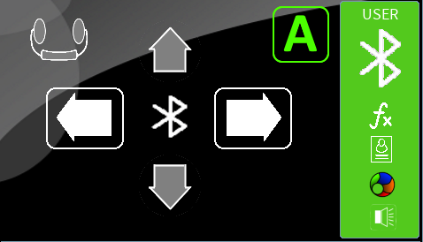
SHORT USER PORT switch
Selects next "level"
 |  | This is a Bluetooth operated mode
 |  |  | This 2nd level operates a two-switch bluetooh module.
 |  |  | Each level is programmable.

 |  |  | Repeating a short press, cycles between the "levels".

LONG
 | A LONG Press of the USER PORT switch advances to the next programmed feature.

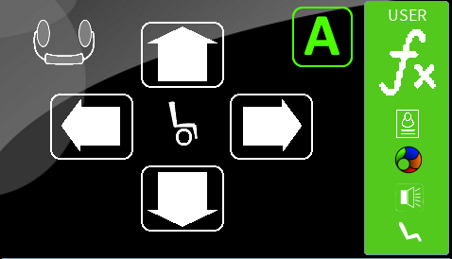
 |  | This is NEXT FUNCTION feature
 |  | A short press advances the NEXT FUNCTION of the wheelchair system.

LONG
 | A LONG Press of the USER PORT switch advances to the next programmed feature.

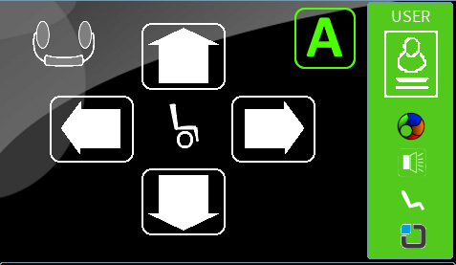
 |  | This is the NEXT PROFILE feature

 |  | A short press advances the NEXT PROFILE of the wheelchair system.

LONG
 | A LONG Press of the USER PORT switch advances to the next programmed feature.

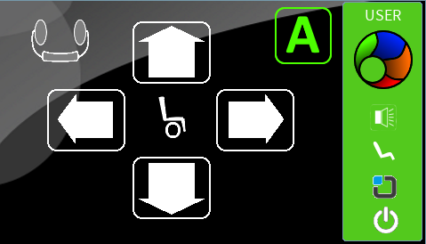
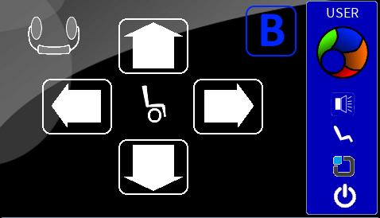
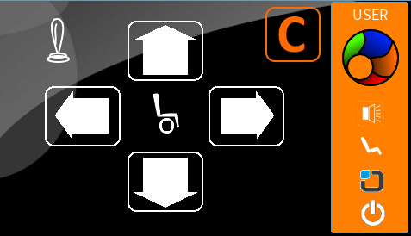
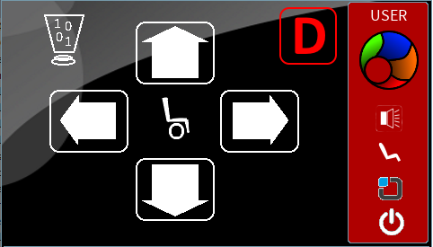
 |  | This is the NEXT GROUP feature

 |  | A short press advances to the Next Available (Nexus) GROUP.
 |  | The availables groups are A, B, C and D

LONG
 | A LONG Press of the USER PORT switch advances to the next programmed feature.

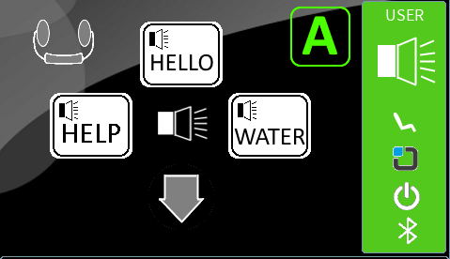
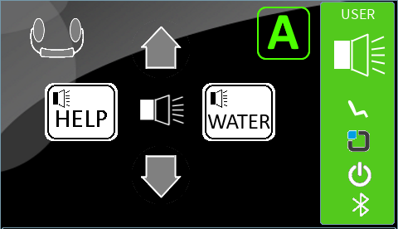


 |  | This is the AUDIBLE feature

 |  | A short press advances to the next level
 |  | Up to 8 programmable levels.

LONG
 | A LONG Press of the USER PORT switch advances to the next programmed feature.

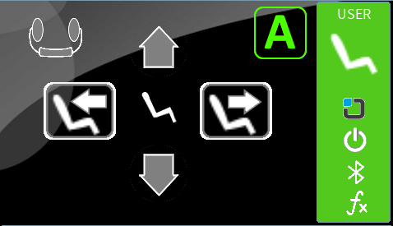
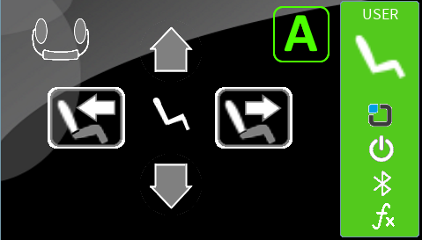
 |  | This is the SEATING feature

 |  | A short press selects the next level.
 |  | Seating functions are programmable per pad.
 |  | Up to 4 programmable levels.

LONG
 | A LONG Press of the USER PORT switch advances to the next programmed feature.

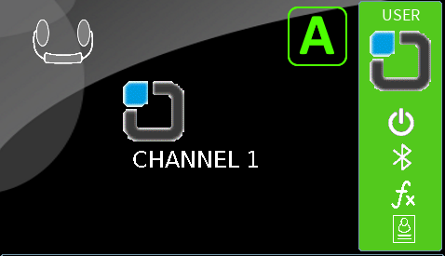
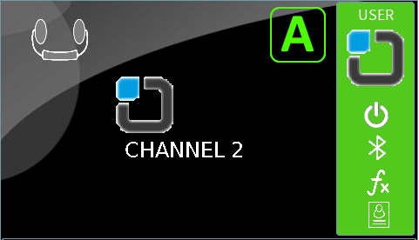
 |  | This is the TECLA-E feature

 |  | The syste updates the CHANNEL #
 |  | from CHANNEL 1 through 8.

LONG

BACK TO THE TOP

SINGLE and TWO-SWITCH opreration.

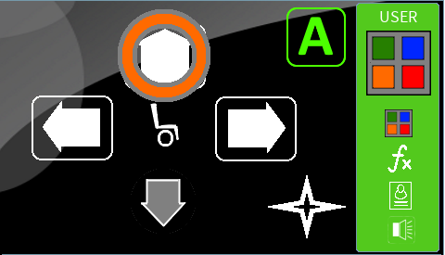
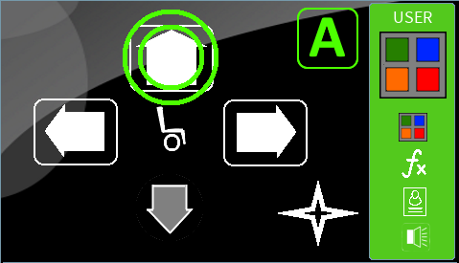

ORANGE circle highlights scanned item. |  | GREEN circles highlight active feature and operate using the switch.

When the "cross" is selected, as depicted below, the system activates the feature (short press) or advances to the next feature (long press).

