Programming
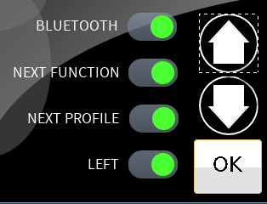
LEFT PAD
Short Press | Long Press
None | Left
Cycle | Right
Do Feature | Forward
 | Reverse
 | POWER ON/OFF |  | Profile Selection Screen: This is the first screen of programming.
 | BLUETOOTH |  | Every programming screen would/could show the Diamod Profile number or No icon if it's a Global/System setting.
 | NEXT FUNCTION
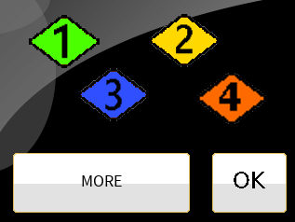
 | NEXT PROFILE
 | TOGGLE F/R
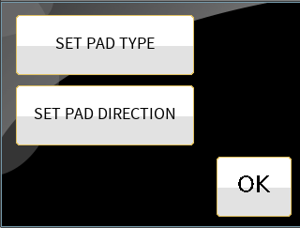
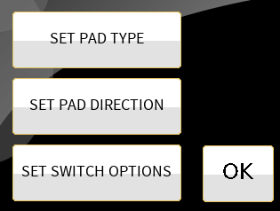
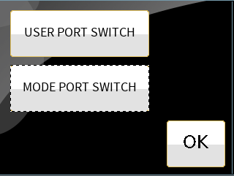
 | USER MENU
 | SEATING

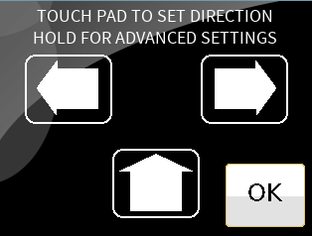
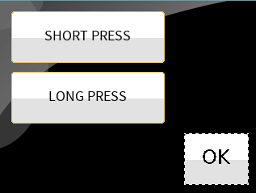
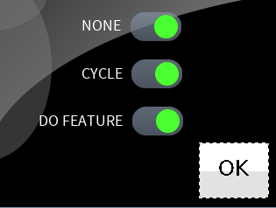
This screen shows the Pad Direction if the SHORT PESS is set to NONE.
Behaves as it does today.

OR the following screen
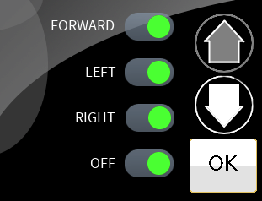

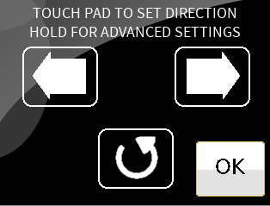
Note that the CENTER PAD is set for CYCLING. The "Cycled" features are enabled in the LONG PRESS setting screen.

 |  | Add Sleep options

Newer Main Screen
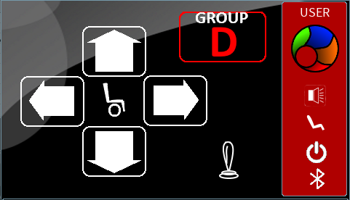
This is "CHANGE TO NEXT GROUP OF SETTINGS" feature. | This is AUDIBLE OUT feature
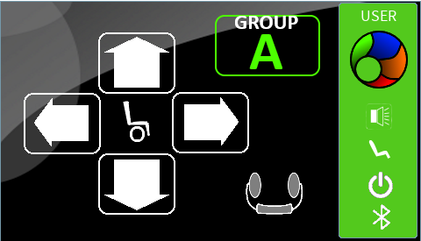
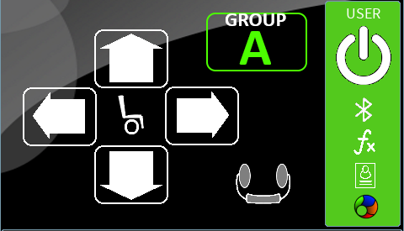
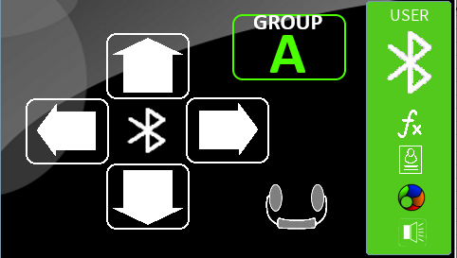
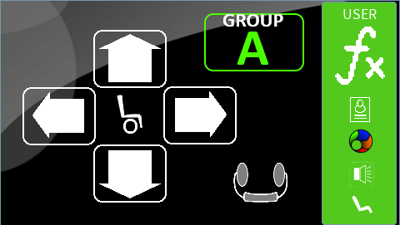
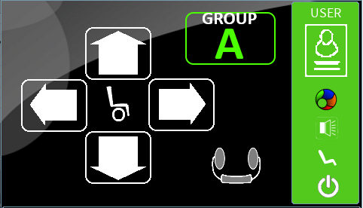
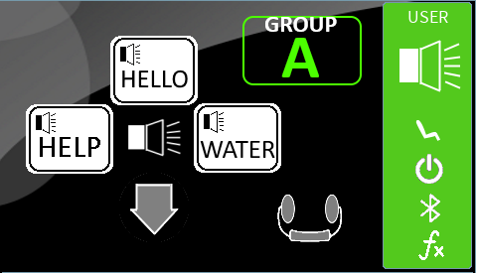
Long USER PORT SWITCH press
Long USER PORT SWITCH press
Long USER PORT SWITCH press
Long USER PORT SWITCH press
Long USER PORT SWITCH press

Long USER PORT SWITCH press advances to next feature
Short USER PORT SWITCH press
Press USER PORT SWITCH press
Short

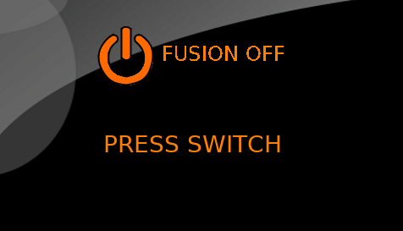
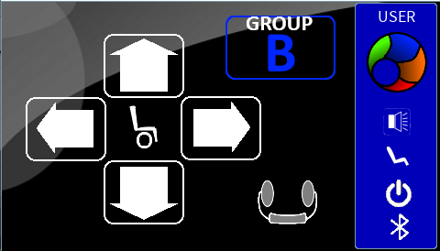

Short

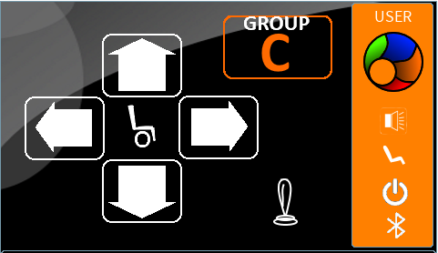

Short

User Screen
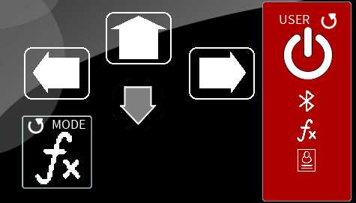
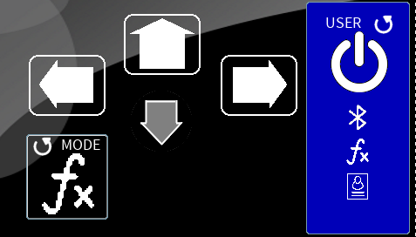
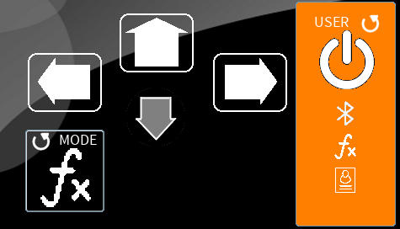
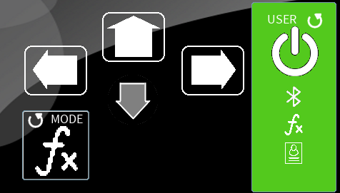
 |  |  |  | 2 SWITCH
 |  |  | Note: Can be any combination of 2 switches (directions)
RIGHT PAD: Set with SHORT PRESS: NONE
LONG PRESS: RIGHT
LEFT PAD: Set with SHORT PRESS: NONE
LONG PRESS: LEFT
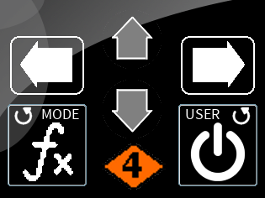

USER PORT: Set for Short Press for CYCLE. LONG PRESS has at least POWER ON/OFF active.
MODE PORT: Set for Short Press for CYCLE. LONG PRESS has at least NEXT FUNCTION active.

2 PAD's: Set with SHORT PRESS: NONE and LONG PRESS: NONE

LEFT PAD: Set with SHORT PRESS: NONE
LONG PRESS: LEFT
 |  | 1 SWITCH |  |  |  | 3 SWITCH |  | 4 SWITCH
 | Note: Can be any switch (direction) |  |  |  | Note: Can be any combination of 3 switches (directions) |  | Note: All 4 switches (directions) are used.
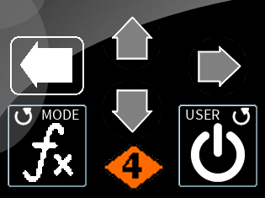
3 PAD's: Set with SHORT PRESS: NONE and LONG PRESS: NONE
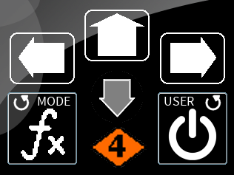
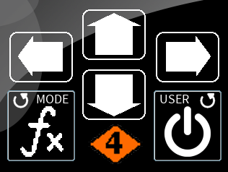

This area depicts the Group/Profile annunciated using color.

FUTURE

