note
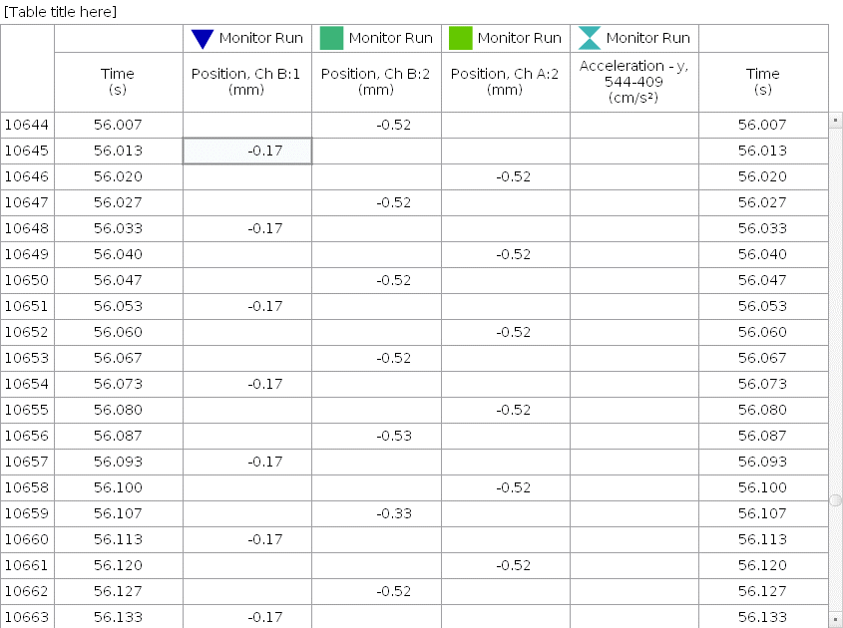

A2 | RF
B2 | 2F
B1 | 1F(ground)

