Sheet1
 | Type | Nbr of epochs completed | Loss Type | Metrics used | model_FileName | History_FileName

Run 1 | Transfer learning : Train=True | 21 | binary_crossentropy | metrics=['accuracy',tf.keras.metrics.BinaryIoU(target_class_ids=[0, 1], threshold=0.5)] | model_40epoch_binarycrossentropy_dec1_1.h5 | history2023-12-01_05-55-53.pkl | 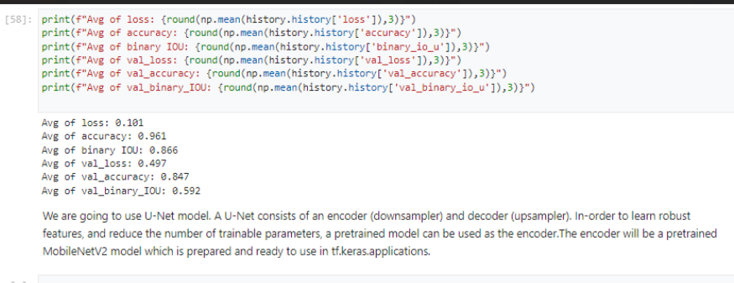
Run2 | Transfer learning : Train=False | 40 | binary_crossentropy | metrics=['accuracy',tf.keras.metrics.IoU(num_classes=2, target_class_ids=[0,1])] | model_40epoch_binarycrossentropy_dec1_2_trainFalse.h5 | history2023-12-01_08-46-17.pkl | 