Charts
 | Average Shelf Life
Beans | 7
Bitter Gourd(Karela) | 5
Bottle Gourd (Lauke) | 7
Capsicum (Green) | 10
Coriander Leaves | 5
Cucumber | 7
Green chilli | 10
Ladys Finger | 7
Lime | 15
Onion | 30
Potato-Chandramukhi | 30
Potato-Jyoti | 30
Sweet Corn | 7
Tomato | 7
 | % Share of Revenue
Beans | 2.96
Bitter Gourd(Karela) | 4.43
Bottle Gourd (Lauke) | 4.01
Capsicum (Green) | 7.30
Coriander Leaves | 6.12
Cucumber | 7.24
Green chilli | 17.94
Ladys Finger | 3.35
Lime | 1.53
Onion | 6.81
Potato-Chandramukhi | 12.89
Potato-Jyoti | 5.11
Sweet Corn | 13.24
Tomato | 7.06
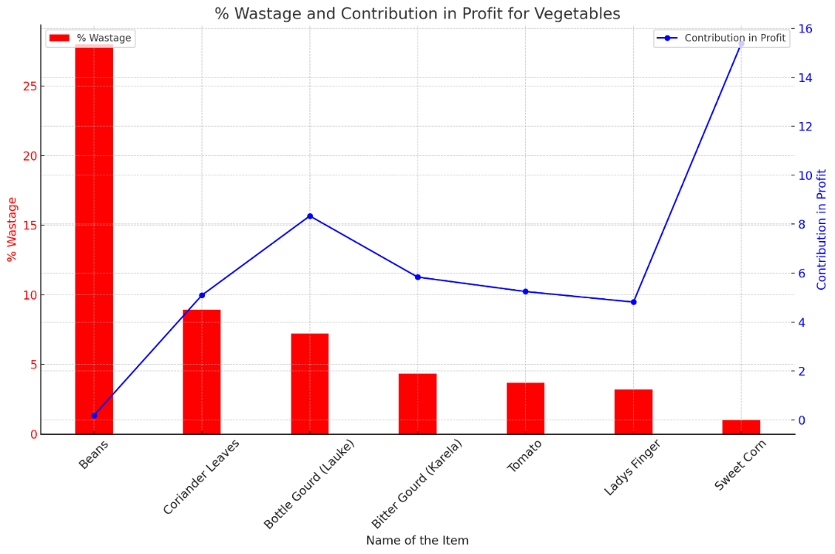

Top 5 Vegetables (wrt Revenue) Revenue Generated
 | Top 5 Vegetables (wrt Revenue)
Green chilli | 104600
Sweet Corn | 77220
Potato-Chandramukhi | 75140
Capsicum (Green) | 42560
Cucumber | 42240
 | Top 5 Vegetables (wrt Sales)
Potato-Chandramukhi | 2,210
Lime | 1,785
Potato-Jyoti | 1,065
Cucumber | 1,056
Green chilli | 1,046
 | Weekly Revenue
1 | 44195
2 | 46170
3 | 48069
4 | 47386
5 | 51470
6 | 50190
7 | 51914
8 | 49741
9 | 46784
10 | 49094
11 | 49350
12 | 48733

Descriptive Statistics
 | Max Sale | Min Sale
Beans | 15 | 10
Bitter Gourd(Karela) | 55 | 39
Bottle Gourd (Lauke) | 75 | 60
Capsicum (Green) | 50 | 30
Coriander Leaves | 30 | 15
Cucumber | 110 | 63
Green chilli | 100 | 73
Ladys Finger | 70 | 46
Lime | 220 | 100
Onion | 100 | 76
Potato-Chandramukhi | 225 | 140
Potato-Jyoti | 110 | 65
Sweet Corn | 62 | 40
Tomato | 90 | 65

