Smartstorey
Client : Revathi Yogesh
Jaquar plumbing fixtures [Abhinav's Bathroom] |  |  |  | Date : 5th Feb 2018
Billing address :Tulip G2, Esteem Gardenia, 5th Cross, Sahakar Nagar, Byatarayanapura, Bengaluru, Karnataka 560092, India
S.No | Particulars | Image | Qty | Unit | Discount Rate | Amount | Buying
1 | WALL HUNG WC ARS-WHT-0110 | 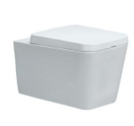 | 1 | No | 10470 | 10470 | 10366.9136 | 0.98%
2 | WASH BASIN hdl 505 vanity basin semi count- hsn 69109000 |  | 1 | No | 4600 | 4600
3 | Wall Mounted Allied Concealed Basin Mixer - ALD-233 |  | 1 | No | 2006 | 2006 | 1918.4912 | 4.34%
4 | Exposed Part Kit of Single Lever Basin Mixer Wall Mounted consisting of Operating Lever, Wall Flange, Nipple & Spout (Suitable for Item ALD-233) SKU: FLR-CHR-5233K | 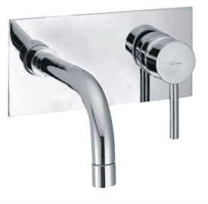 | 1 | No | 1960 | 1960
5 | Concealed Body for Single Lever High Flow Diverter with Button Assembly, Cartridge Sleeve but without Exposed Parts SKU: ALD-CHR-079 | 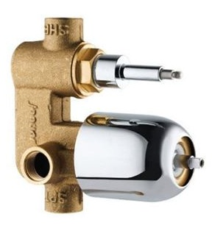 | 1 | No | 2594 | 2594 | 2481.7288 | 4.34%
6 | Single Lever Exposed Parts Kit consisting of Operating Lever, Wall Flange (With Seals) & Button Only (Suitable for Item ALD-079) SKU: FLR-CHR-5079K |  | 1 | No | 1058 | 1058 | 1012.0506 | 4.34%
7 | Bath Tub Spout with Wall Flange SKU: SPJ-CHR-5429 | 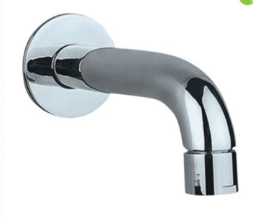 | 1 | No | 856 | 856 | 818.4362 | 4.34%
8 | Angular stop cock 3057 | 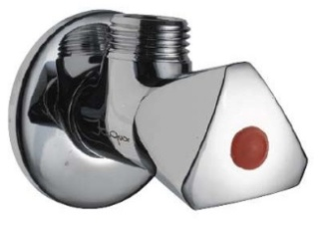 | 1 | No | 322 | 322 | 321.2196 | 0.24%
9 | FLORENTINE-ANGULAR STOP COCK WITH FLANGE-CHR-FLR-CHR-5053N-JAQUAR FAUCETS - HSNCODE : 8481 | 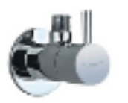 | 1 | No | 819 | 819 | 858.0488 | -4.79%
10 | ALD-089 - Regular body of Concealed Stop Cock suitable for 20mm pipe line with protection cap (Exposed witout parts) |  | 1 | No | 708 | 708 | 677.6386 | 4.34%
11 | Exposed Part Kit of Concealed Stop Cock with Fitting Sleeve, Operating Lever & Adjustable Wall Flange with seal (compatible with ALD083 & ALD089) SKU: FLR-5083NK |  | 1 | No | 331 | 331 | 316.8182 | 4.34%
12 | ALD-709 - Waste Coupling 32mm Size Half Thread |  | 1 | No | 331 | 331 | 316.8182 | 4.34%
13 | ALD-573-Health faucet |  | 1 | No | 1141 | 1141 | 1091.2522 | 4.34%
14 | AKP-3575IP - Toilet roll holder |  | 1 | No | 773 | 773
15 | OVERHEAD SHOWER-SQUARE-CHR-OHS-CHR-35495-JAQUAR FAUCETS - HSNCODE : 3922 |  | 1 | No | 2585 | 2585
16 | SHOWER ACC.-SHOWER ARM SQUARE W/FLANGE-CHR-SHA-CHR-455L400-JAQUAR FAUCETS - HSNCODE : 8481 |  | 1 | No | 1803 | 1803 | 1724.8886 | 4.34%
17 | ALPHALINE-KOMBIFIX CONC.CISTERN 10.5CM THICK ---110.120.00.1-GEBERIT - HSNCODE : 39229000 110.120.00.1 | 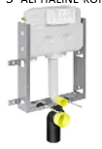 | 1 | No | 6496 | 6496 | 5521.8808 | 15.00%
18 | ALPHALINE-ACTUATOR ALPHA15-BRIGHT CHROME-115.045.21.1-GEBERIT - HSNCODE : 39229000 |  | 1 | No | 1760 | 1760 | 1650.0176 | 6.25%
19 | KUBIX PRIME-TOWEL RAIL -CHR-AKP-CHR-35711P-JAQUAR FAUCETS - HSNCODE : 8302 |  | 1 | No | 1739 | 1739
20 | EXTENSION NIPPLE WITH L KEY-CHR-ART22011A-VIKING - HSNCODE : 8481 ART22011A |  | 10 | No | 47 | 468 | 385.0576 | 17.63%
21 | EXTENSION NIPPLE WITH L KEY-CHR-ART22012A-VIKING - HSNCODE : 8481 ART22012A |  | 10 | No | 70 | 697 | 574.0818 | 17.64%
22 | TEFLON TAPE---ART12512-VIKING - HSNCODE : 3919 ART12512 |  | 10 | No | 26 | 255 | 210.0282 | 17.64%
23 | OSWAL BIG FLANGE QUEENS TYPE-CHR- -SUNDRY - HSNCODE : 7307 |  | 10 | No | 35 | 350 | 154.0254 | 55.94%
24 | WIRED CONNECTION ITALIA S.S-CHR-ART-3024-VIKING - HSNCODE : 3917 ART-3024 |  | 2 | No | 194 | 388 | 319.2372 | 17.64%
25 | S.S DRAINER RND(2 IN 1 GRATING) W/O.HOLE-CHR-ART40905A-VIKING - HSNCODE : 7326 ART40905A |  | 1 | No | 87 | 87 | 71.4136 | 17.63%
 |  |  | TOTAL AMOUNT |  |  | 44,595
 |  |  | Transport Charge |  |  | 500
 |  |  | GRAND TOTAL |  |  | 45,095
 | Note : discount prices are from chabria & sons

