Database
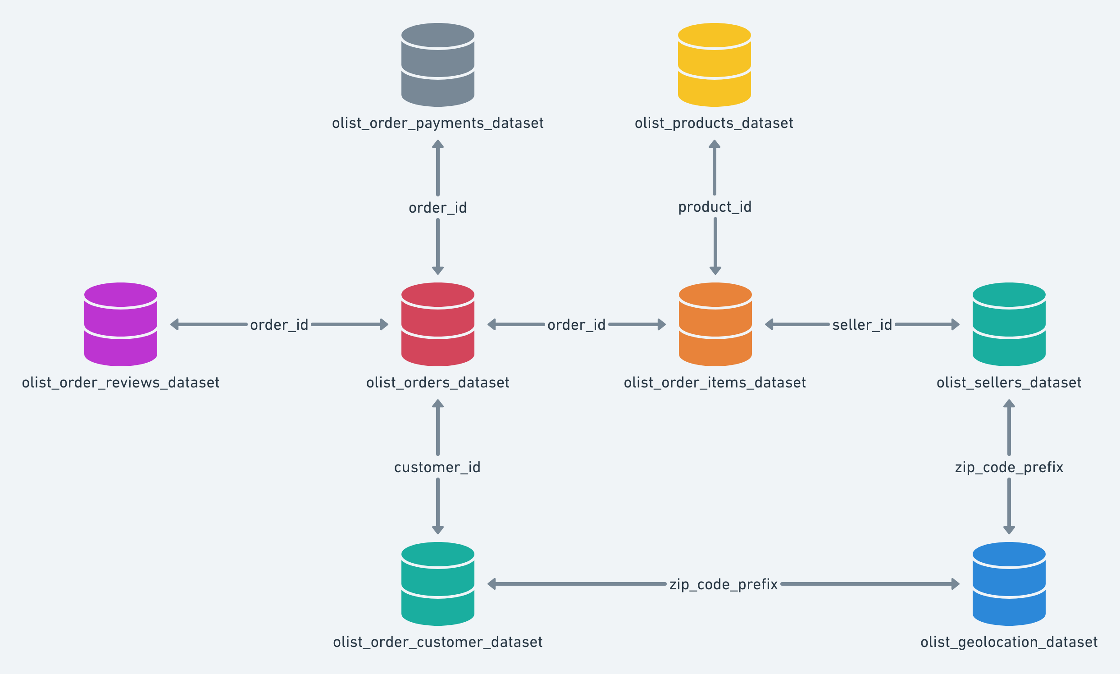
Database Name: | Main
Data source Link: | https://www.kaggle.com/datasets/olistbr/brazilian-ecommerce

Table Name | Description | Original Source CSV File on Kaggle | Renamed Source CSV File in Python Program
order_reviews | This dataset includes data about the reviews made by the customers. | olist_order_reviews_dataset.csv | order_reviews.csv
customers | This dataset has information about the customer and its location. Use it to identify unique customers in the orders dataset and to find the orders delivery location. | olist_customers_dataset.csv | customers.csv
products | This dataset includes data about the products sold by Olist | olist_products_dataset.csv | products.csv
orders | This is the core dataset. From each order you might find all other information. | olist_orders_dataset.csv | orders.csv
product_category_name_translation | Translates the product_category_name to english. | product_category_name_translation.csv | product_category_name_translation.csv
geolocation | This dataset has information Brazilian zip codes and its lat/lng coordinates. Use it to plot maps and find distances between sellers and customers. | olist_geolocation_dataset.csv | geolocation.csv
order_payments | This dataset includes data about the orders payment options. | olist_order_payments_dataset.csv | order_payments.csv
sellers | This dataset includes data about the sellers that fulfilled orders made at Olist. Use it to find the seller location and to identify which seller fulfilled each product. | olist_sellers_dataset.csv | sellers.csv
order_items | This dataset includes data about the items purchased within each order. | olist_order_items_dataset.csv | order_items.csv

