Sheet1
Test Case ID |  | TC_Practical-001 | Test Case Desc | Test the functionality of windows notepad application.
Created By |  | Gauri Mahalle | Reviewed By | Bhavana Mahalle |  | Version |  | 1.0
Tester's Name |  |  | Date Tested |  |  | Test Case Status (Passed/Failed/NE)

# | Prerequisites: |  |  | # | Test Data
1 | Windows OS |  |  | 1
2 | Notepad application |  |  | 2
3 |  |  |  | 3
4 |  |  |  | 4

Test Scenario | Test entire functionality of windows notepad application.

Step # | Step Details |  | Expected Results | Actual Results |  |  | Pass / Fail / Not executed / Suspended
1 | Search for the notepad application. |  | Verify that the notepad application is displayed in the search results.
2 | Click on the notepad application. |  |  Verify that notepad application is opened successfully.
3 | Click on the file menu. |  | 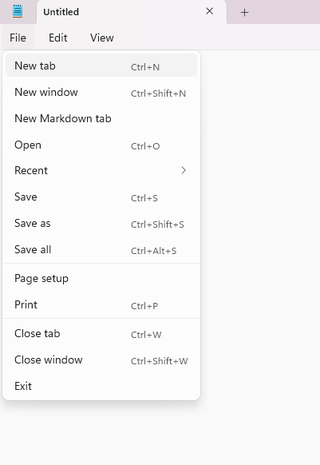 Verify that the file menu is open and displays all options.
4 | Click File-> New tab |  | 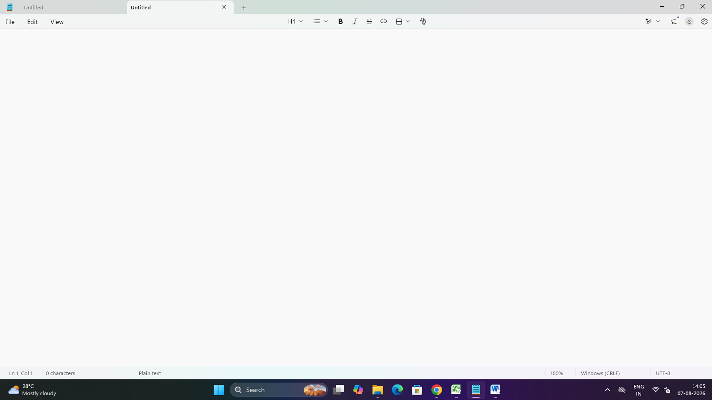 Verify that a New tab
5 | Type "Hello" in the new tab. |  | Verify that the text is entered successfully.
6 | Click on the zoom in option from the view menu. |  | Verify the text size should increase successfully and the content should appear larger.
7 | Click on the zoom out option from the view menu. |  | Verify the text size should decrease successfully and the content should appear smaller.
8 | Click on restore default zoom. |  | Verify the zoom level should return to default 100%.
9 | Click on the word wrap option. |  | Verify the long text should automatically move to the next line without a horizontal scroll bar.
10 | Click on the status bar option. |  | Verify the status bar should be displayed at the bottom of the notepad window.
11 | Type a sample paragraph in the notepad document. |  | Entered text should be displayed correctly without any error.
12 | Select all the entered text using Ctrl+A. |  | Verify the entire text should be highlighted.
13 | Click on the copy option. |  | Select text should be copied to the clipboard successfully.
14 | Click on the paste option. |  | The copied text should be pasted into the document successfully.
15 | Click on the undo option. |  | Verify the last action should be undone successfully.
16 | Click on the redo option. |  | Verify the previous undone action should be restored.
17 | Click on file->save as. |  | Verify the save as dialog box should opened successfully.
18 | Enter the file name test case.text and click save. |  | Verify the file should be saved successfully in the selected location
19 | Click on file menu button-> click on print. |  | Document should print
20 | Close the notepad application. |  | The notepad application should closed successfully.

