Sheet1
Test Case ID |  | TC_Practical-002 | Test Case Desc | Test the Functionality of Windows Calculator Application
Created By |  | Gauri Mahalle | Reviewed By | Bhavana Mahalle |  | Version |  | 1.0
Tester's Name |  |  | Date Tested |  |  | Test Case Status (Passed/Failed/NE)

# | Prerequisites: |  |  | # | Test Data
1 | User Access |  |  | 1
2 | Hardware/Software |  |  | 2
3 | System Availability |  |  | 3
4 |  |  |  | 4

Test Scenario | Verify that the calculator perform all Mathematical Calculations.

Step # | Step Details |  | Expected Results | Actual Results |  |  | Pass / Fail / Not executed / Suspended
1 | Open the Calculator Application from the Start Menu. |  | 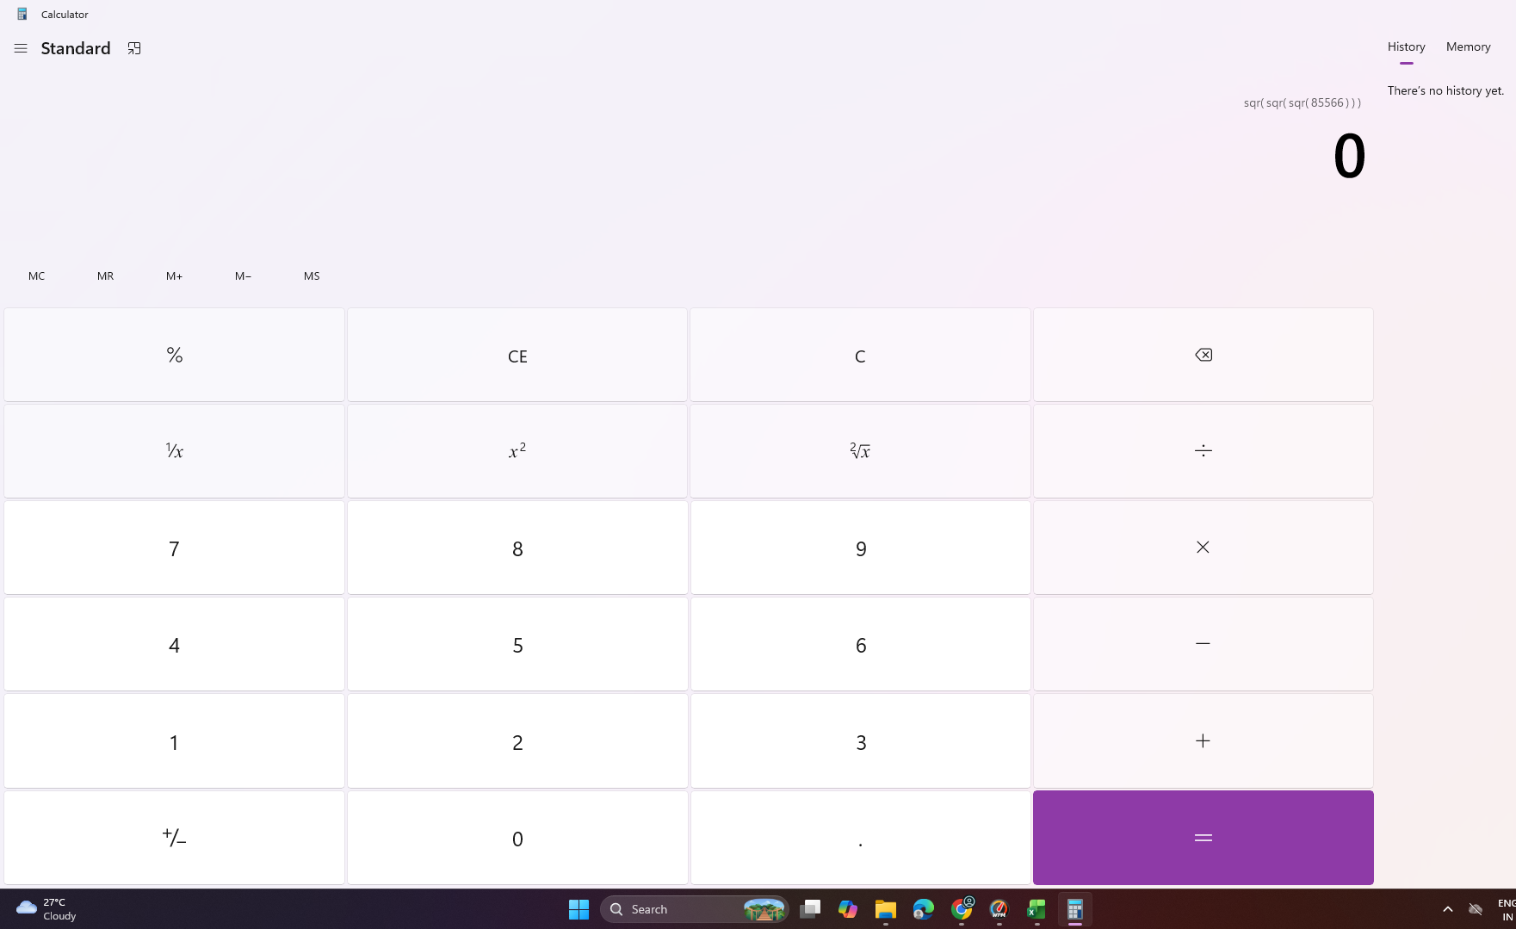 Calculator Application Open Successfully
2 | Enter 10+5 and click = |  | Verify that the result displayed is 15
3 | Enter -5+-3 and click = |  | Verify that the result displayed is -8
4 | Enter 10-5 and click = |  | Verify that the result displayed is 5
5 | Enter 5-10 and click = |  | Verify that the result displayed is -5
6 | Enter 6*7 and click= |  | Verify that the result displayed is 42
7 | Enter 8*0 and click= |  | Verify that the result displayed is 0
8 | Enter 20/5 and click = |  | Verify that the result displayed is 4
9 | Enter 7/2 and click = |  | Verify that the result displayed is 3.5
10 | Enter 0.0001+0.0002 and click= |  | Verify that the result displayed is 0.0003
11 | Press the backspace key after entering a number. |  | The last entered digit is deleted
12 | Enter 5/0 and click= |  | Displayed the message is "Cannot divide by zero".
13 | Enter values,then press C |  | All inputs and displayed result are clear or reset.
14 | Perform a calculation and press the CE ( clear entry) button. |  | Only the current entry cleared.
15 | Perform a calculation and press the M (memory)button. |  | Values is stored in memory button.
16 | Perform a calculation and press the MR (memory recall)button. |  | Values is Recall in MR button.
17 | Perform a calculation and press the MC button. |  | MC button is used for clear all memory.
18 | Press Ctrl+H |  | Show history
19 | Minimize (-) the calculator and reopen it. |  | Calculator opens and functions properly.
20 | Close the calculator by clicking the (x) button. |  | Calculator Application Close Successfully.

