Sheet1
Test Case ID |  | TC_Practical-007 | Test Case Desc | Verify the basic functionality of Google Drive Web Application.
Created By |  | Gauri Mahalle | Reviewed By | Bhavana Mahalle |  | Version |  | 1.0
Tester's Name |  |  | Date Tested |  |  | Test Case Status (Passed/Failed/NE)

# | Prerequisites: |  |  | # | Test Data
1 | Windows OS |  |  | 1
2 | Chrome Browser |  |  | 2
3 | Access to Internet |  |  | 3
4 |  |  |  | 4

Test Scenario | Verify the functionality of Google Drive Web Application.

Step # | Step Details |  | Expected Results | Actual Results |  |  | Pass / Fail / Not executed / Suspended
1 | Open brower and enter Google Drive URL |  | 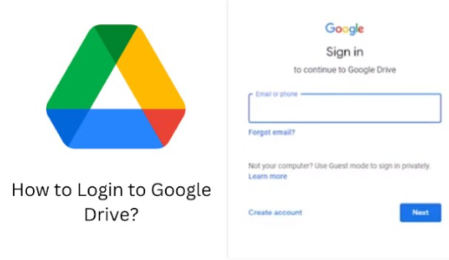 Verify that Google Drive Login/home page should opened.
2 | Enter valid Gmail ID and Password |  | Verify the User should successfully logged in.
3 | Enter valid email and wrong password |  | Verify the Error message should be displayed.
4 | Enter invalid Gamil ID |  | Verify that Appropriate error message should be displayed.
5 | Click + New then New folder, enter folder name |  | Verify that the New folder should be created.
6 | Create another folder with an existing folder name |  | Verify the Drive should allow it or handle the duplicate name appropriately.
7 | Click + New then Click File upload and select a file |  | Verify that the File should be uploaded successfully.
8 | Select multiple File for upload |  | Verify all selected files should be uploaded.
9 | Try uploading an invalid or restricted File. |  | Verify that appropriate error message should be displayed.
10 | Click + New then Click Folder upload and select a folder. |  | 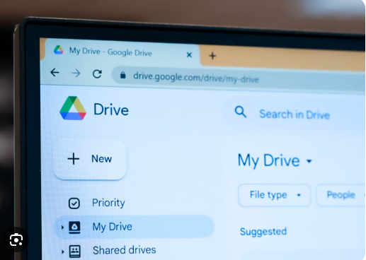 Verify that the Folder and its contents should be uploaded.
11 | Double-click an uploaded file |  | File should open correctly.
12 | Right-click file then Rename and enter new name. |  | Verify the file should be renamed.
13 | Right-click folder then click Rename. |  | Verify the folder name should be changed.
14 | Right-click file then click remove. |  | Verify the file should move to trash.
15 | Open Trash then Select file then Restore. |  | Verify the file shouldbe restored to its original location.
16 | Open Trash then click Delete permanently. |  | Verify the File should be permanently removed.
17 | Enter file name in Search box. |  | Verify the matching file should be displayed.
18 | Enter a file name that does not exist |  | Verify that no matching result should be displayed.
19 | Right-click file -->Share--> enter email address. |  | Verify the File should be shared with selected user.
20 | Right-click folder--> Share |  | Verify the folder should be shared successfully.
21 | Remove file from Starred |  | Verify the file should disappear from Starred.
22 | Right-click file --> file information/details |  | Verify the file details should be displayed.
23 | Click Google account icon --> Sign out. |  | Verify the user should logged out securely.

