Bug
Bug Title | Belgium country flag is not displaying correctly.

Description | Belgium country flag is not displaying correctly.

Severity | High - 1
Priority | Low - 4

Steps to Reproduce | 1. Navigate to the Test URL 2. Click on the Country selection dropdown 3. Scroll to the Belgium country option 4. Verify the Belgium country Flag

Actual Result | Belgium Country flag is not displaying correctly.

Expected Result | Correct Belgium Country flag should not displayed in the country dropdown.

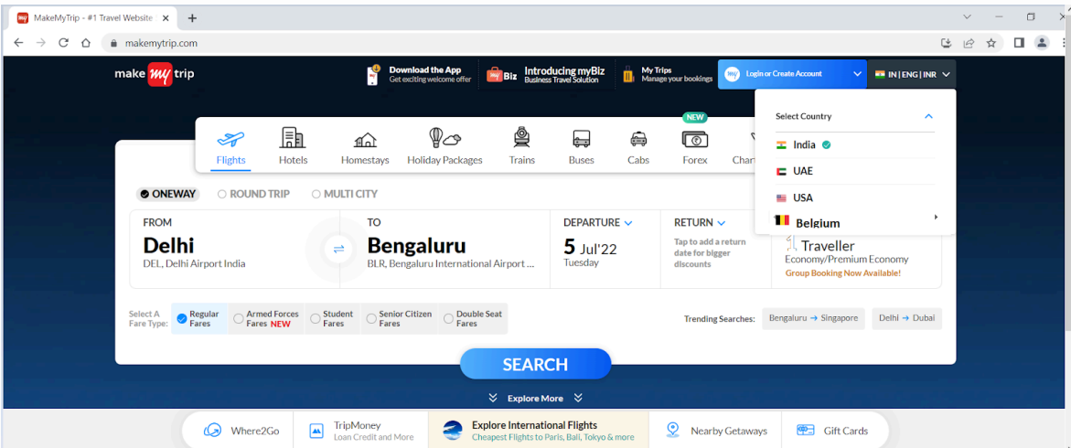
Attachments

