Sheet1
Bug ID | BR01
Bug Title | Updated flight results are not displayed
Reported By | Gauri Pawar
Reported date | 6-Oct-25
Environment | Prod
Browser/Device | Desktop / Windows 11
Description | Flight search results are not updating, on updating the fields like date and trip type on the search results page.

Severity | High
Priority | High
Status | New
Preconditions | NA
Steps to Reproduce | 1. Navigate to MakeMyTrip site 2. Click on Flights option 3. Select valid input and search the flights 4. On the search results page, Update the fields for Date and Trip Type 5. Click on search again 6. Verify the updated flight results.

Actual Result | Flight results are not getting updated.

Expected Result | As per updated fields input flight results should be updated.

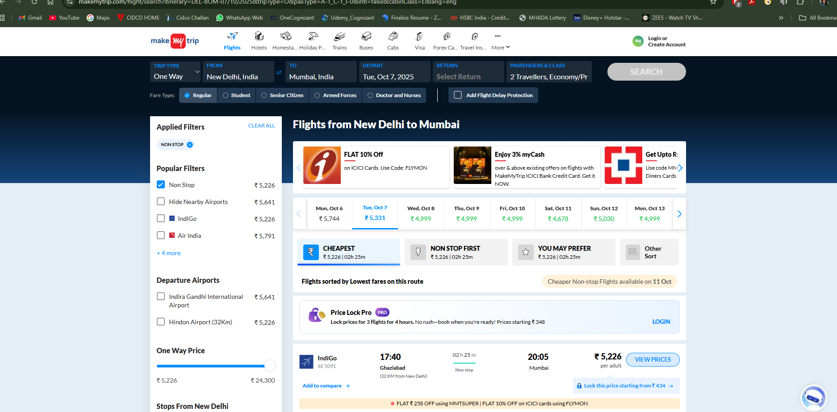
Attachments

