Model Result
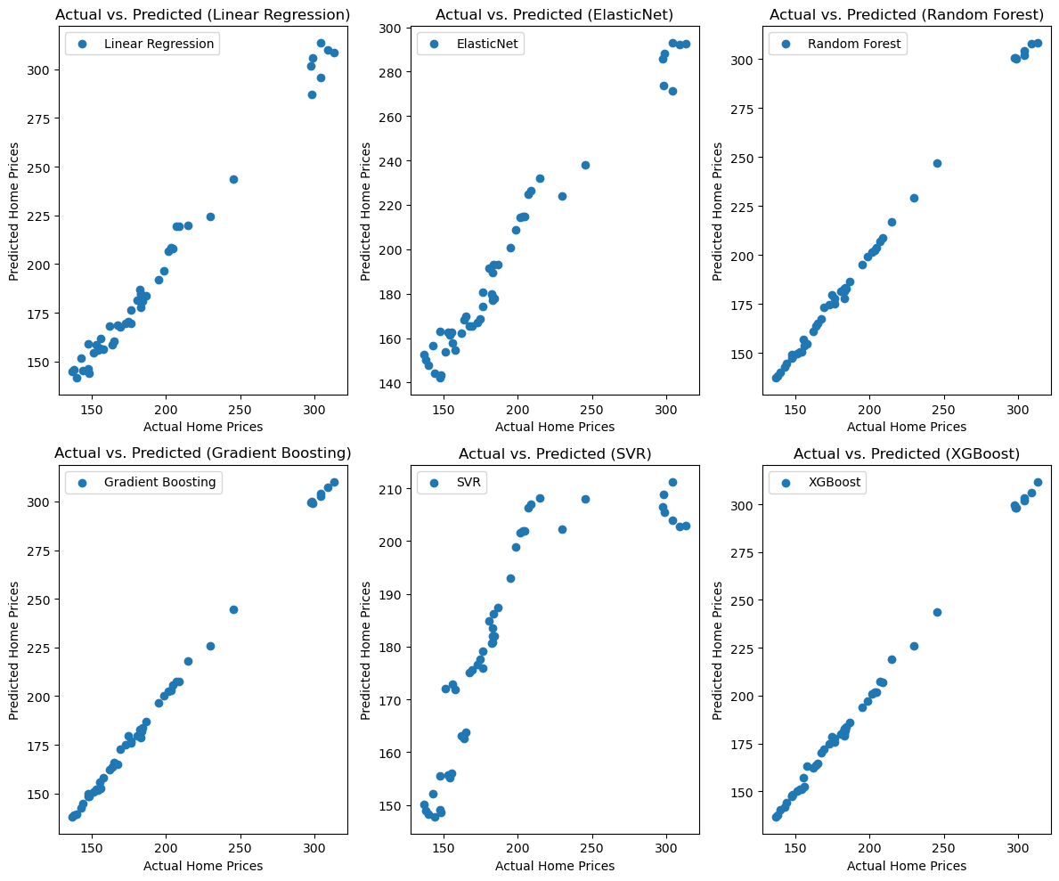
 |  |  | Actual vs Predicted for all the models.
Model | MSE | R-squared
Linear Regression | 30.2369 | 0.9884
ElasticNet | 124.7699 | 0.9524
Random Forest | 3.6125 | 0.9986
Gradient Boosting | 3.3017 | 0.9987
SVR | 1478.7102 | 0.4316
XGBoost | 4.0389 | 0.9984

