cat-profit
Row Labels | Sum of Profit
Clothing | 838543.28
Electronics | 710302.96
Furniture | 761915.19
Grand Total | 2310761.43

Total sale by category

reg-sale
Row Labels | Sum of Sales
East | 3364806
North | 3788446
South | 4263110
West | 4104927
Grand Total | 15521289

mon-sale
Sales Month wise
Row Labels | Sum of Sales
Jan | 1451799
Feb | 1492886
Mar | 1717955
Apr | 1380348
May | 1214279
Jun | 1357412
Jul | 1537870
Aug | 826376
Sep | 1079337
Oct | 1359972
Nov | 864531
Dec | 1238524

reg-cat-profit
Sum of Profit | Column Labels
Row Labels | East | North | South | West | Grand Total
Clothing | 186672.59 | 239456.83 | 212636.48 | 199777.38 | 838543.28
Electronics | 125862.4 | 163619.93 | 191005.58 | 229815.05 | 710302.96
Furniture | 162969.07 | 168519.06 | 224815.01 | 205612.05 | 761915.19
Grand Total | 475504.06 | 571595.82 | 628457.07 | 635204.48 | 2310761.43

pdt-sale
Row Labels | Sum of Profit
Chair | 154805.03
Desk | 112260.73
Headphones | 151121.53
Jacket | 234719.71
Jeans | 201786.97
Laptop | 158166.55
Mobile | 166456.1
Monitor | 96763.94
Shelf | 167021.3
Shirt | 146815.17
Shoes | 153646.05
Sofa | 224767.26
Sweater | 101575.38
Table | 103060.87
Tablet | 137794.84

cust-sale
Row Labels | Sum of Sales
Customer_2 | 277736
Customer_20 | 335316
Customer_26 | 342037
Customer_27 | 330848
Customer_51 | 317871
Customer_60 | 271175
Customer_63 | 333760
Customer_7 | 295070
Customer_76 | 307615
Customer_89 | 336874
Grand Total | 3148302

Sheet9
Row Labels | Sum of Sales | Sum of Profit
Chair | 920987 | 154805.03
Desk | 776426 | 112260.73
Headphones | 1048778 | 151121.53
Jacket | 1561373 | 234719.71
Jeans | 1146734 | 201786.97
Laptop | 1029174 | 158166.55
Mobile | 1118187 | 166456.1
Monitor | 762880 | 96763.94
Shelf | 1104035 | 167021.3
Shirt | 963537 | 146815.17
Shoes | 1106761 | 153646.05
Sofa | 1555824 | 224767.26
Sweater | 698032 | 101575.38
Table | 670555 | 103060.87
Tablet | 1058006 | 137794.84
Grand Total | 15521289 | 2310761.43

Sheet7
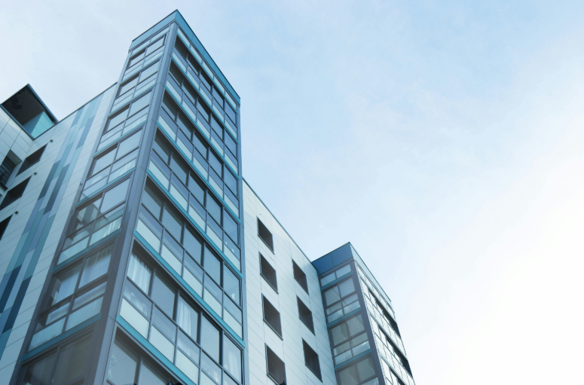
Excel Dashboard on Sales

Total sale by category
 | Total
Clothing | 838543.28
Electronics | 710302.96
Furniture | 761915.19
Sales Month wise
 | Total
Jan | 1451799
Feb | 1492886
Mar | 1717955
Apr | 1380348
May | 1214279
Jun | 1357412
Jul | 1537870
Aug | 826376
Sep | 1079337
Oct | 1359972
Nov | 864531
Dec | 1238524
Product wise Profit
 | Total
Chair | 154805.03
Desk | 112260.73
Headphones | 151121.53
Jacket | 234719.71
Jeans | 201786.97
Laptop | 158166.55
Mobile | 166456.1
Monitor | 96763.94
Shelf | 167021.3
Shirt | 146815.17
Shoes | 153646.05
Sofa | 224767.26
Sweater | 101575.38
Table | 103060.87
Tablet | 137794.84
Sale based on region
 | Total
East | 3364806
North | 3788446
South | 4263110
West | 4104927

Sales by customer
 | Total
Customer_2 | 277736
Customer_20 | 335316
Customer_26 | 342037
Customer_27 | 330848
Customer_51 | 317871
Customer_60 | 271175
Customer_63 | 333760
Customer_7 | 295070
Customer_76 | 307615
Customer_89 | 336874
 | Sum of Sales | Sum of Profit
Chair | 920987 | 154805.03
Desk | 776426 | 112260.73
Headphones | 1048778 | 151121.53
Jacket | 1561373 | 234719.71
Jeans | 1146734 | 201786.97
Laptop | 1029174 | 158166.55
Mobile | 1118187 | 166456.1
Monitor | 762880 | 96763.94
Shelf | 1104035 | 167021.3
Shirt | 963537 | 146815.17
Shoes | 1106761 | 153646.05
Sofa | 1555824 | 224767.26
Sweater | 698032 | 101575.38
Table | 670555 | 103060.87
Tablet | 1058006 | 137794.84
 | East | North | South | West
Clothing | 186672.59 | 239456.83 | 212636.48 | 199777.38
Electronics | 125862.4 | 163619.93 | 191005.58 | 229815.05
Furniture | 162969.07 | 168519.06 | 224815.01 | 205612.05

