Sheet1
5 |  | 2 | 4 | 8 | 9 | 6
484847 |  | 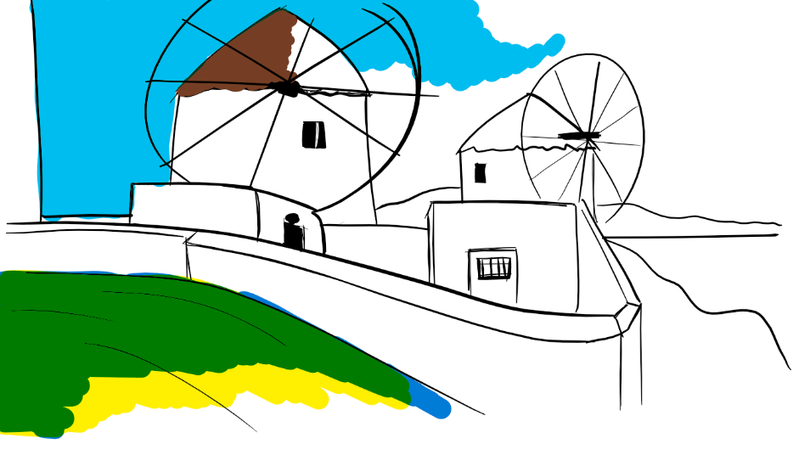 | 95 | 48 | 641 | 846
87848 | 498 | 8488 | 584 | 84892162 | 8784848 | 512548748
494 | 44 | 4847 | 54 | 0 | 44 | 563
2655 | 28465 | 3484 | 95232 | 339 | 159 | 820

