Variables
Givens (Max) | value | unit | Conversion | unit | Input Variables
Lt (total handpiece length) | 122 | mm | 4.803149606 | in | Variable | Symbol | Value | units | Unit conversion | Units | Equation
dh (head diameter) | 22 | mm | 0.8661417323 | in | Diametral pitch | P | 40 | teeth/in
hL (head height) | 26 | mm | 1.023622047 | in | Face width | F | 0.25 | in |  |  | 10/P (table 13-3)
d (handpiece body diameter) | 20 | mm | 0.7874015748 | in | Pinion tooth | Np = N2 | 32 | teeth
L (handpiece body length) | 100 | mm | 3.937007874 | in | Gear tooth | Ng = N3 | 32 | teeth
Lm (Motor input shaft length) | 25 | mm | 0.9842519685 | in | Pressure angle | Φp | 20 | degrees | 0.3490658504 | rad
dm (motor input shaft diameter) | 7 | mm | 0.2755905512 | in | Input Max Power | Hmax | 62.83185307 | N*m/s | 0.08425865737 | hp
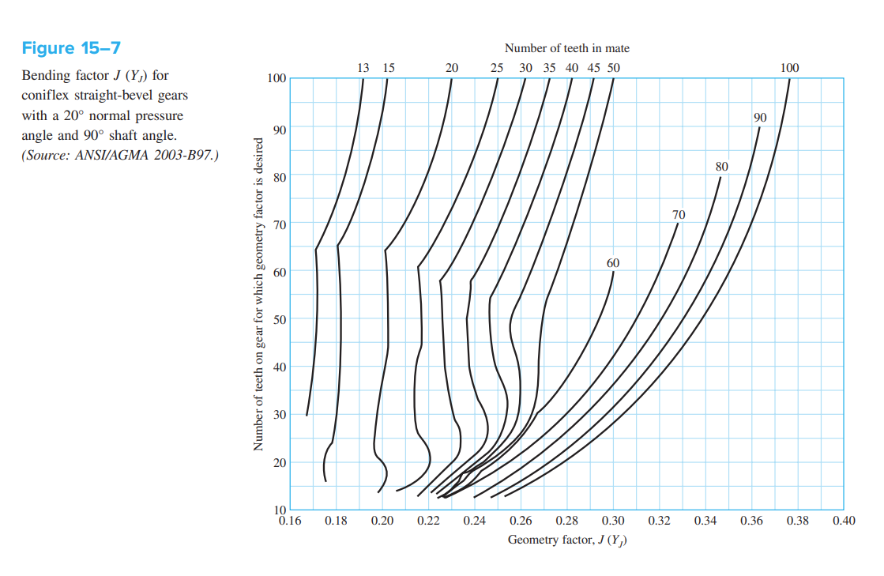
ωmax (motor input speed) | 30000 | rpm | 3141.592654 | rad/s | Gear train ratio | e | 1
Tmax (motor input torque) | 2 | N*cm | 0.0147512 | ft*lbf | Output speed | ωo=ω3 | 30000 | rpm | 0.0147512 | rad/s
 |  |  |  |  | Gear ratio | e | 1
 |  |  |  |  | Quality number | Qv | 11
 |  |  |  |  | Gear ratio | mG | 1
Givens (Exact) | value | unit | Conversion | unit | Reliability | R | 0.99
Dc (bur cutting surface diameter) | 2 | mm | 0.07874015748 | in | Life cycle of the pinion | NL | 1.00E+07
Lc (bur cutting surface length) | 4 | mm | 0.157480315 | in | Brinell Hardness (gear) | HB | 248 |  |  |  | Table A-20
Db (bur shaft diameter) | 1.6 | mm | 0.06299212598 | in | distance between bearing B and A (center-to-center distance) | LBA | 0.1 | in
Lb (bur total length) | 26 | mm | 1.023622047 | in | distance between bearing A and pinon (center-center distance) | LAP | 0.1 | in
Safety Factor | 2 |  |  |  | distance between bearing D and gear (center to center distance) | LDG | 0.25 | in
 |  |  |  |  | distance between bearing C and gear (center-center distance) | LCG | 0.25 | in
 |  |  |  |  | Bearing thickness | B | 0.11 | in
Literature values | value range |  | unit | Conversion
ωo (low output speed) | 16000 | 18000 | rpm | 1675.516082 | Pitch apex height in headpiece | Hpa | 0.5118110236 | in
 |  |  |  |  | (assuming pitch apex is located in the center of the headpiece along the axis of the driven and driving shafts)
 |  |  |  |  |  | 0.4330708661
Formulas/Definitions
gear train ratio (e) | e = ω3/ω2 = N2/N3
N2 | pinon tooth number
N3 | gear tooth number
Power (P) | P=ω*𝜏
Conservation of Power | Pin = Pout = ω2 *𝜏2 =ω3*𝜏3
Transmitted load (Wt) | 𝜏 = d/2 * Wt
 | Wt = 33000 * H/V
Pitch-line velocity (V) | V = pi *d*n/12
Gear Bending Stress | (St)G = (Wt/F)Pd*Ko*Kv(Ks*Km/Kx*JG)
Gear Contact Stress | (Sc)G = Cp*((Wt/F*dp*I)*Ko*Kv*(Km)G*Cs*Cxc)^.5
Pinion Bending Stress | (St)P = (Wt/F)Pd*Ko*Kv(Ks*Km/Kx*JP)
Pinion Contact Stress | (Sc)P = Cp*((Wt/F*dp*I)*Ko*Kv*(Km)P*Cs*Cxc)^.5

Gear Specifications
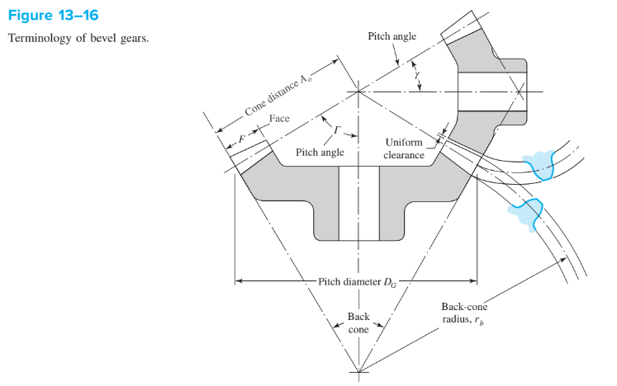
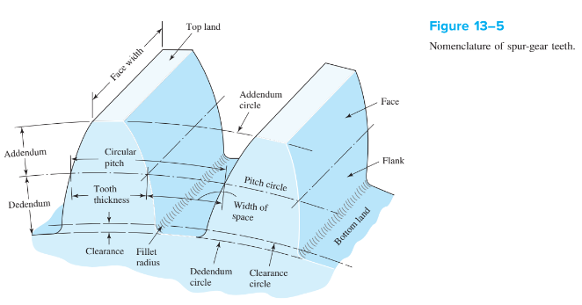
Inputs |  |  |  | Geometry Outputs
Variable | Symbol | Value | Units | Variable | Symbol | Value | Units | Equation | Textbook Ref
Pinion teeth | Np | 32 |  | Pinion module | m(p) | 0.0250 | in | d/Np | Eq 13-2
Gear teeth | Ng | 32 |  | Gear module | m(g) | 0.0250 | in | d/Ng | Eq 13-2
Face width | F | 0.25 | in | Pinion Pitch Diameter | d(p) | 0.8000 | in | Np/P | Eq 13-1
Torque | T | 0.0147512 | ft*lb | Gear Pitch Diameter | d(g) | 0.8000 | in | Ng/P | Eq 13-1
Diametral Pitch | P | 40 | teeth/in | Clearance | c | 0.0067 | in | (0.188/P)+0.002 | Table 13-3
Gear Ratio | e | 1 |  | Pinion Circular Pitch | p(p) | 0.0785 | in | pi(mp) | Eq 13-4
Pressure Angle | Φp | 20 | degrees | Gear Circular Pitch | p(g) | 0.0785 | in | pi(mg) | Eq 13-4
 |  |  |  | Addendum | a | 0.0250 | in | 0.54/P+0.460/P(e90)^2 | Table 13-3
 |  |  |  | Dedendum | b | 0.0289 | in | 1.157/P | Table 13-1
 |  |  |  | Whole depth | ht | 0.0539 | in | 2.157/P
 |  |  |  | Pinion Pitch Cone Angle | γ | 0.7854 | rad | tan-1(Np/Ng) | Eq 13-14 | 45.00001609 | degrees
https://www.sdp-si.com/resources/elements-of-metric-gear-technology/page4.php |  |  |  | Gear Pitch Cone Angle | Γ | 0.7854 | rad | tan-1(Ng/Np) | Eq 13-14 | 45.00001609 | degrees
 |  |  |  | Working depth | hk | 0.0500 | in | 2/P | Table 13-3
 |  |  |  | 90 Equivalent Gear Ratio | e90 | 1.0000 | in | sqrt(e(cosγ/cosΓ) | Table 13-3
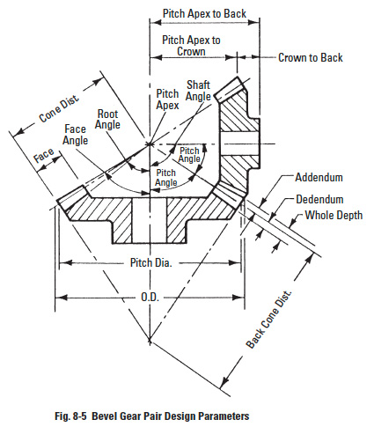
 |  |  |  | Cone Distance | Ao | 0.8333 | in | F/0.3 | Table 13-3
 |  |  |  | Back Cone Radius | Rb | 0.8333 | in | Ao*tan(γ)
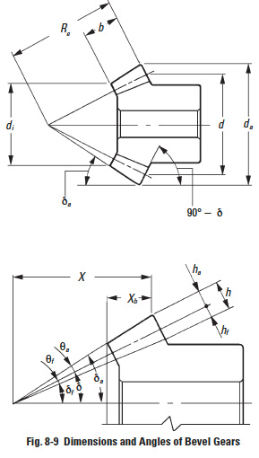
 |  |  |  | Addendum Angle | θa | 0.0300 | rad | tan-1(a/Ao) | SDP Table 8-3 | 1.718358616 | degrees
 |  |  |  | Dedendum Angle | θb | 0.0347 | rad | tan-1(b/Ao) | SDP Table 8-3 | 1.987939129 | degrees
 |  |  |  | Gear Angular Addendum | Z (g) | 0.0212 | rad | θacos(Γ) |  | 1.21506303 | degrees
 |  |  |  | Pinion Angular Addendum | Z (p) | 0.0212 | rad | θacos(γ) |  | 1.21506303 | degrees
 |  |  |  | Gear Face Angle | Af (g) | 0.7554 | rad | Γ-θa | SDP Table 8-3 | 43.28165747 | degrees
 |  |  |  | Gear Root/Cutting Angle | Ac (g) | 0.7507 | rad | Γ-θb | SDP Table 8-3 | 43.01207696 | degrees
 |  |  |  | Pinion Face Angle | Af (p) | 0.7554 | rad | γ-θa |  | 43.28165747 | degrees
 |  |  |  | Pinion Root/Cutting Angle | Ac (p) | 0.7507 | rad | γ-θb |  | 43.01207696 | degrees
 |  |  |  | Gear Outside Diameter | OD (g) | 0.8354 | in | d(g)+2(a)cosΓ | SDP Table 8-3
 |  |  |  | Pinion Outside Diameter | OD (p) | 0.8354 | in | d(p)+2(a)cosγ | SDP Table 8-3
 |  |  |  | Pinion Pitch Apex to Crown | X(p) | 0.5716 | in | Aocosγ-(a)sinγ | SDP Table 8-3
 |  |  |  | Gear Pitch Apex to Crown | X(g) | 0.5716 | in | AocosΓ-(a)sinΓ | SDP Table 8-3
 |  |  |  | Large end tooth thickness | tt | 0.0393 | in | 0.5pi/P
 |  |  |  | Pinion small end tooth diameter | td (p) | 0.8250 | in | 2*(Ao-F)*sin(γ)
 |  |  |  | Gear small end tooth diameter | td (g) | 0.8250 | in | 2*(Ao-F)*sin(Γ)
 |  |  |  | Pinion small end tooth thickness | tts (p) | 0.0405 | in | 0.5pi/(Np/tdp)
 |  |  |  | Gear small end tooth thickness | tts (g) | 0.0405 | in | 0.5pi/(Ng/tdg)

 |  |  |  | SUMMARY | Using AISI 1095 hot rolled steel
 |  |  |  | Variable | Symbol | Pinion | Gear | Both | Units | Equations
 |  |  |  | Clearance | c |  |  | 0.0067 | in | Table 13-3
 |  |  |  | Addendum | a |  |  | 0.0250 | in | Table 13-3
 |  |  |  | Dedendum | b |  |  | 0.0289 | in | Table 13-1
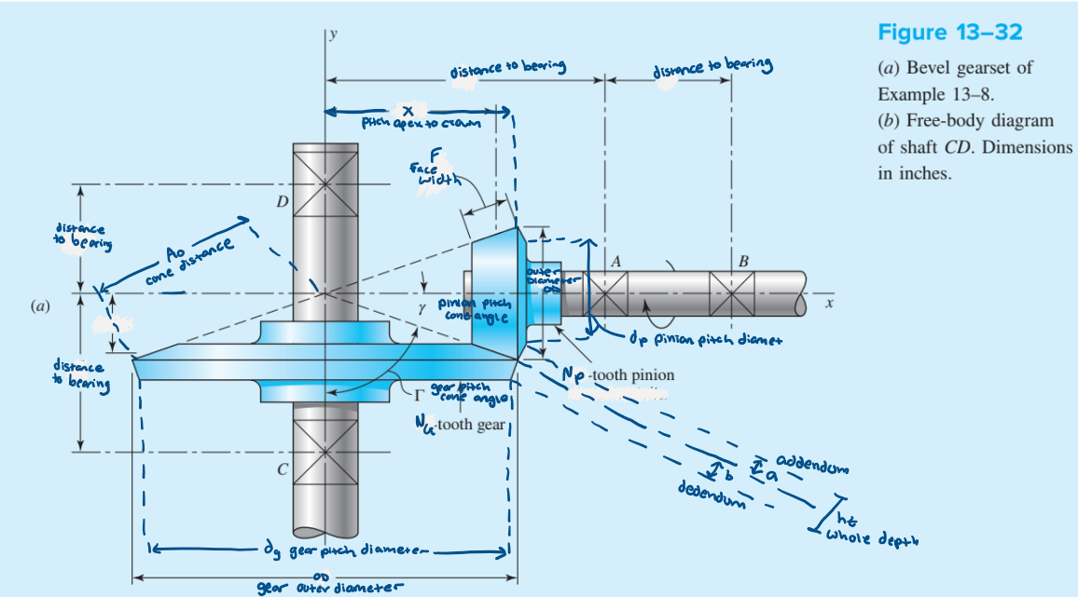
 |  |  |  | Whole depth | ht |  |  | 0.0539 | in | 2.157/P
 |  |  |  | Working depth | hk |  |  | 0.0500 | in | Table 13-3
 |  |  |  | 90 Equivalent Gear Ratio | e90 |  |  | 1.0000 | in | Table 13-3
 |  |  |  | Cone Distance | Ao |  |  | 0.8333 | in | Table 13-3
 |  |  |  | Back Cone Radius | Rb |  |  | 0.8333 | in | Ao*tan(γ)
 |  |  |  | Addendum Angle | θa |  |  | 0.0300 | rad | SDP Table 8-3
 |  |  |  | Dedendum Angle | θb |  |  | 0.0347 | rad | SDP Table 8-3
 |  |  |  | Large End Tooth Thickness | tt |  |  | 0.0393 | in | 0.5pi/P
 |  |  |  | Small End Tooth Thickness | tts | 0.0405 | 0.0405 |  | in | 0.5pi/(N/td)
 |  |  |  | Small End Tooth Diameter | td | 0.8250 | 0.8250 |  | in | 2*(Ao-F)*sin(Γ,γ)
 |  |  |  | Module | m | 0.0250 | 0.0250 |  | in | Eq 13-2
 |  |  |  | Pitch Diameter | d | 0.8000 | 0.8000 |  | in | Eq 13-1
 |  |  |  | Circular Pitch | p | 0.0785 | 0.0785 |  | in | Eq 13-4
 |  |  |  | Pitch Cone Angle | γ, Γ | 0.7854 | 0.7854 |  | rad | Eq 13-14
 |  |  |  | Angular Addendum | Z | 0.0212 | 0.0212 |  | rad | θacos(Γ,γ)
 |  |  |  | Face Angle | Af | 0.7554 | 0.7554 |  | rad | SDP Table 8-3
 |  |  |  | Root/Cutting Angle | Ac | 0.7507 | 0.7507 |  | rad | SDP Table 8-3
 |  |  |  | Outside Diameter | OD | 0.8354 | 0.8354 |  | in | SDP Table 8-3
 |  |  |  | Pitch Apex to Crown | X | 0.5716 | 0.5716 |  | in | SDP Table 8-3

Shaft Stress Analysis
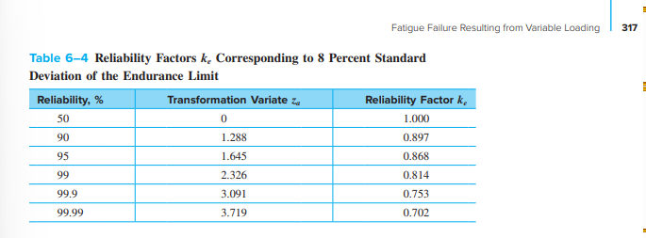
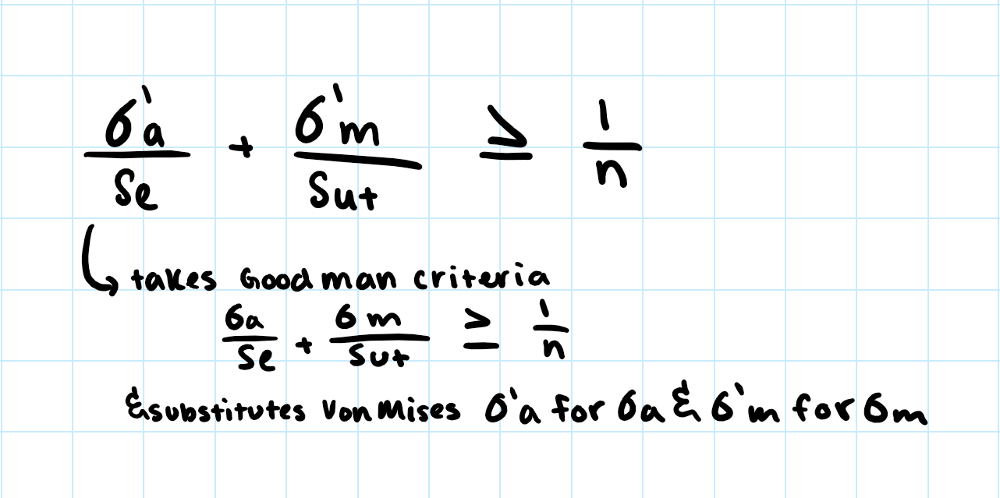
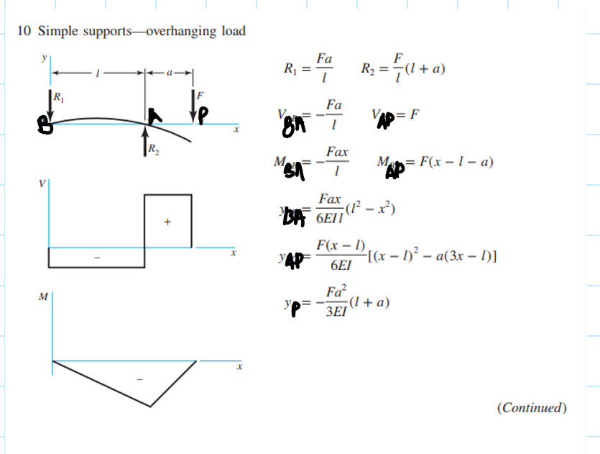
Inputs |  |  |  |  |  |  | Shaft Outputs - For Driving Shaft |  |  |  |  |  |  |  | Shaft Outputs - For Driven Shaft
Variable | Symbol | Value | Units | Unit conversion | Units | Textbook Ref | Variable | Symbol | Value | Units | Unit conversion | Units | Equation | Textbook Ref | Variable | Symbol | Value | Units | Unit conversion | Units | Equation | Textbook Ref
Speed of the pinion | ω2 | 30000 | rpm |  |  |  | Radial Force | Wr | 0.1138936409 | lbf |  |  | (Wt)tanΦcosΓ | Eq 13-38 | Radial Force | Wr | 0.1138936409 | lbf |  |  | (Wt)tanΦcosΓ | Eq 13-38
speed of gear | ω3 | 30000 | rpm |  |  |  | Axial Force | Wa | 0.1138936409 | lbf |  |  | (Wt)tanΦsinΓ | Eq 13-38 | Axial Force | Wa | 0.1138936409 | lbf |  |  | (Wt)tanΦsinΓ | Eq 13-38
torque of pinon | T2 | 0.0147512 | ft*lbf |  |  |  | Magnitude of non-axial load | Wtr | 0.4569571892 | lbf |  |  | sqrt(Wt^2+Wr^2) |  | Magnitude of non-axial load | Wra | 0.1610699316 | lbf |  |  | sqrt(Wa^2+Wr^2)
torque of gear | T3 | 0.0147512 | ft*lbf |  |  |  | Reaction Force from bearing B | Rb | 0.4569571892 | lbf |  |  | Wtr*LAP/LAB |  | Reaction Force from bearing D | Rd | 0.0805349658 | lbf |  |  | Wra*LCG/(LCG+LDG) | table A-9-6
transmitted load | Wt | 0.442536 | lbf |  |  |  | Reaction Force from bearing A | Ra | 0.9139143783 | lbf |  |  | Wtr*(LBA+LAP)/LBA |  | Reaction Force from bearing C | Rc | 0.0805349658 | lbf |  |  | Wra*LDG/(LCG+LDG) | table A-9-6
pressure angle | Φp | 20 | degrees | 0.3490658504 | rad |  | Max Momment (momment at A) | Mmax | -0.2284785946 | lbf*in |  |  | -Wtr*LAP*LBA/LBA |  | Max Momment (momment at A) | Mmax | 0.0402674829 | lbf*in |  |  | Wra*LCG*LDG/(LCG+LDG) | table A-9-6
Pinion Pitch Diameter | d(p) | 0.8000 | in |  |  |  | alternating Moment | Ma | 0.2284785946 | lbf*in |  |  | |Mmax-(Mmax)|/2 |  | alternating Moment | Ma | 0.0402674829 | lbf*in |  |  | |Mmax-(-Mmax)|/2
Gear Pitch Diameter | d(g) | 0.8000 | in |  |  |  | mean Moment | Mm | 0 | lbf*in |  |  | 0 for complety reversed bending load and constant torsion |  | mean Moment | Mm | 0 | lbf*in |  |  | 0 for completely reversed bending load and constant torsion
distance between bearing B and A | LBA | 0.5 | in |  |  |  | alternating Torque | Ta | 0 | ft*lbf | 0 | in*lbf | 0 for complety reversed bending load and constant torsion |  | alternating Torque | Ta | 0 | ft*lbf | 0 | in*lbf | 0 for completely reversed bending load and constant torsion
distance between bearing A and pinon | LAP | 0.5 | in |  |  |  | Mean Torque | Tm | 0.0147512 | ft*lbf | 0.1770144 | in*lbf | T2 |  | Mean Torque | Tm | 0.0147512 | ft*lbf | 0.1770144 | in*lbf | T3
distance between bearing D and gear | LDG | 0.5 | in |  |  |  | surface factor | ka | 0.4896941042 |  |  |  | ka=aSut^b | 2023-06-18 | surface factor | ka | 0.4896941042 |  |  |  | ka=aSut^b | 2023-06-18
distance between bearing C and gear | LCG | 0.5 | in |  |  |  | size factor | kb | 1 |  |  |  | kb=1 | see pg. 312 | size factor | kb | 1 |  |  |  | kb=1 | 2023-06-20
safety factor | n | 2 |  |  |  |  | load factor | kc | 1 |  |  |  | kc=1 | see pg. 314 | load factor | kc | 1 |  |  |  | kc=1 | for torsion in combination with other loading (pg.314)
driving shaft diameter | ds1 | 0.28 | in |  |  |  | temperature factor | kd | 1 |  |  |  | kd=1 | see pg.316 | temperature factor | kd | 1 |  |  |  | kd=` | see pg.316
driven shaft diameter | ds2 | 0.06299212598 | in |  |  |  | reliability factor | ke | 0.868 |  |  |  | 0.868 for 95% reliablity | table 6-4 | reliability factor | ke | 0.814 |  |  |  | 0.814 for 99% reliablity | table 6-4
Tensile strength | Sut | 120 | Kpsi | 120000 | psi | table A-20 | endurance limit of rotary-beam specimen | S'e | 60 | Kpsi | 60000 | psi |  | 2023-07-04 | endurance limit of rotary-beam specimen | S'e | 60 | Kpsi | 60000 | psi |  | 2023-07-04
Gear Pitch Cone Angle | Γ | 0.7854 | rad |  |  |  | endurance limit | Se | 25.50326895 | Kpsi | 25503.26895 | psi | ka*kb*kc*kd*ke*S'e | 2023-06-17 | endurance limit | Se | 23.91666005 | Kpsi | 23916.66005 | psi | ka*kb*kc*kd*ke*S'e | 2023-06-17
 | Kf | 1 |  |  |  |  | Alternating stress | σa | 111.1866522 | psi |  |  | Kf*32*Ma/(pi*ds^3) | 2023-07-02 |  | σa | 1640.951671 | psi |  |  | Kf*32*Ma/(pi*ds^3) | 2023-07-02
 | Kfs | 1 |  |  |  |  | Mean stress | σm | 0 | psi |  |  | Kf*32*Mm/(pi*ds^3) | 2023-07-02 |  | σm | 0 | psi |  |  | Kf*32*Mm/(pi*ds^3) | 2023-07-02
Factor a (for ka) | a | 11 |  |  |  | Table 6-2 | Alternating Torsion | τa | 0 | psi |  |  | Kfs*16*Ta/(pi*ds^3) | 2023-07-03 |  | τa | 0 | psi |  |  | Kfs*16*Ta/(pi*ds^3) | 2023-07-03
exponent b (for ka) | b | -0.65 |  |  |  | Table 6-2 | Mean Torsion | τm | 43.07107756 | psi |  |  | Kfs*16*Tm/(pi*ds^3) | 2023-07-03 |  | τm | 3606.782129 | psi |  |  | Kfs*16*Tm/(pi*ds^3) | 2023-07-03
dm (motor input shaft diameter) | 25 | mm | 0.2755905512 | in |  |  | Alternating von Mises stress | σ'a | 111.1866522 | psi |  |  | (σa^2+ 3*τa^2)^(1/2) | 2023-07-04 |  | σ'a | 1640.951671 | psi |  |  | (σa^2+ 3*τa^2)^(1/2) | 2023-07-04
 |  |  |  |  |  |  | Mean von Mises Stress | σ'm | 74.60129467 | psi |  |  | (σm^2+ 3*τm^2)^(1/2) | 2023-07-05 |  | σ'm | 6247.1299 | psi |  |  | (σm^2+ 3*τm^2)^(1/2) | 2023-07-05

 |  |  |  |  |  |  | 1. Does Shaft fail DE-Goodman Criteria? |  |  |  |  |  |  |  | 1. Does Shaft fail DE-Goodman Criteria?
 |  |  |  |  |  |  | σ'a/Se + σ'm/Sut | 0.004981379441 |  |  |  |  |  |  | σ'a/Se + σ'm/Sut | 0.1206706545
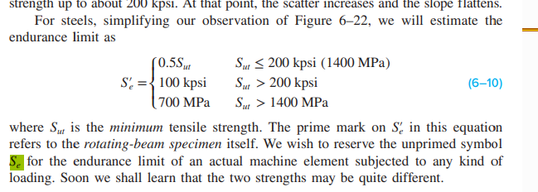

 |  |  |  |  |  |  | 2. Actual safety factor |  |  |  |  |  |  |  | 2. Actual safety factor
 |  |  |  |  |  |  | n = 1/(σ'a/Se + σ'm/Sut) | 200.7476065 |  |  |  |  |  |  | n = 1/(σ'a/Se + σ'm/Sut) | 8.287018945

Gear Bearing Force Analysis
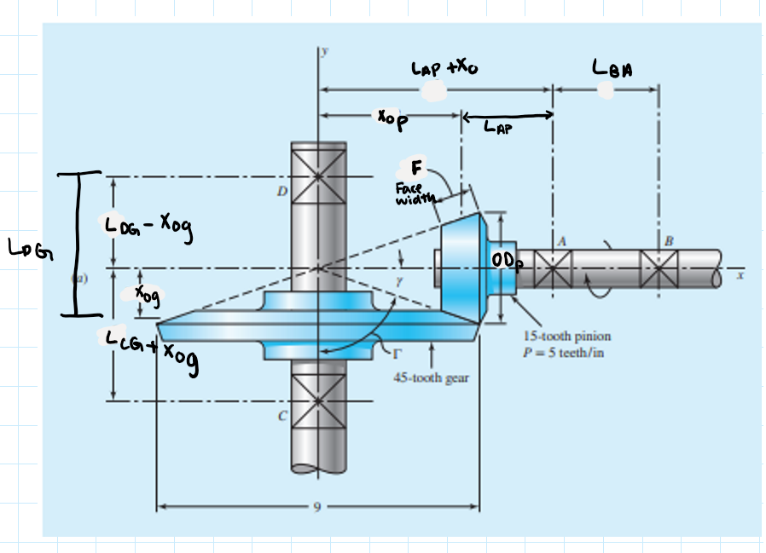
Inputs |  |  |  |  |  | Force Analysis
Variable | Symbol | Value | Units | Conversion | unit | Variable | Symbol | Value | Units | Equation | Textbook Ref
Pinion Pitch Cone Angle | γ | 0.7854 | rad |  |  | Radial Force | Wr | 0.1138936409 | lbf | (Wt)tanΦcosΓ | Eq 13-38
Gear Pitch Cone Angle | Γ | 0.7854 | rad |  |  | Axial Force | Wa | 0.1138936409 | lbf | (Wt)tanΦsinΓ | Eq 13-38
Pitch Line Velocity | V | 6283.1853 | ft/min |  |  | Bearing B to Bearing A | LBA | 1 | in
Transmitted Load | Wt | 0.4425 | lbf |  |  | Bearing A to Pinion 1/2 Face | LAP | 1 | in
Pressure angle | Φp | 0.3490658504 | rad |  |  | Bearing D to Gearing 1/2 Face | LDG | 1 | in
Face width | F | 0.25 | in |  |  | Bearing C to Geaing 1/2 Face | LCG | 1 | in
Pinion Pitch Apex to Crown | X(p) | 0.5716 | in |  |  | Gear 1/2 Face to Pitch Apex | Xo (g) | 0.4466 | in | X(g)-1/2F | Ex 13-8
Gear Pitch Apex to Crown | X(g) | 0.5716 | in |  |  | Pinion 1/2 Face to Pitch Apex | Xo (p) | 0.4466 | in | X(p)-1/2F | Ex 13-8
Torque of driven shaft | T3 = Ts3 | 0.0147512 | ft*lbf | 0.1770144 | in*lbf

 |  |  |  |  |  | Gear Vectors
 |  |  |  |  |  | Variable | Symbol | i | j | k | Units | Notes
Answer | Symbol | Value | Units |  |  | Position vector from D to E | RDE | 0.4466 | -1 | 0 | in
Force from Bearing A | Fa | 0 |  |  |  | Position vector from D to C | RDC | 0 | -2 | 0 | in
Force from Bearing B | Fb | 0 |  |  |  | Load vector | W | -0.1138936409 | -0.1138936409 | 0.4425 | lbf
Force from Bearing C | Fc | 0.2677599309 | lbf |  |  | Torque | T | 0 | 0 | 0.1770144 | lbf*in
Force from Bearing D | Fd | 0.2217812909 | lbf |  |  | (Cross product of RDE and W)+T | (RDE x W)+T | -0.442536 | -0.1976268336 | 0.01225836688 |  | (RDE x W)+T
Force between gears | F32 | 0.4709369747 | lbf |  |  | Force from Bearing C Vector | Fc | 0.0988134168 | 0.1138936409 | -0.221268 | lbf
 |  |  |  |  |  | Force from Bearing D Vector | Fd | -0.01508022407 | 0 | -0.2213 | lbf
Looking at textbook ex 13-8
 |  |  |  |  |  | Pinion Vectors
 |  |  |  |  |  | Variable | Symbol | i | j | k | Units | Notes
 |  |  |  |  |  | Position of A to E
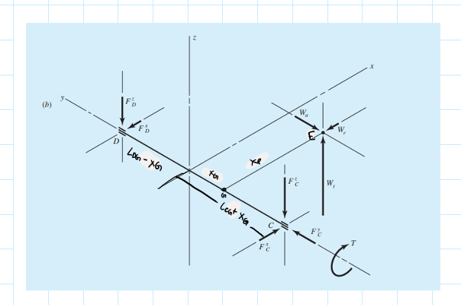
 |  |  |  |  |  | Position of A to B
 |  |  |  |  |  | Torque
 |  |  |  |  |  | (Cross product of RAE and W)+T
 |  |  |  |  |  | Force from Bearing A Vector
 |  |  |  |  |  | Force from Bearing B Vector

