Final income of each country
Country | Average of Final Income__Million_USD
Argentina | 674.06
Australia | 660.92
Brazil | 675.14
Canada | 680.12
China | 674.69
France | 663.23
India | 683.41
Nigeria | 699.28
Russia | 666.13
USA | 665.06
Grand Total | 674.269658

Top 5 Country & crop Type
countries And crop Type
Country | Crop_Type | Average of Irrigation_Access_%
Argentina | Barley | 60.73
 | Corn | 58.23
 | Cotton | 57.82
 | Fruits | 55.36
 | Wheat | 60.33
Australia | Coffee | 59.20
 | Fruits | 56.19
 | Rice | 61.74
 | Sugarcane | 57.84
 | Wheat | 58.08
Brazil | Coffee | 56.46
 | Corn | 54.47
 | Soybeans | 56.61
 | Sugarcane | 55.14
 | Vegetables | 55.62
Canada | Coffee | 59.11
 | Corn | 57.57
 | Cotton | 56.44
 | Vegetables | 56.18
 | Wheat | 59.25
China | Barley | 56.24
 | Corn | 55.82
 | Cotton | 56.37
 | Soybeans | 55.18
 | Wheat | 58.85
France | Coffee | 55.59
 | Corn | 59.92
 | Fruits | 56.55
 | Rice | 56.29
 | Sugarcane | 55.44
India | Barley | 55.80
 | Coffee | 59.04
 | Cotton | 56.96
 | Fruits | 56.77
 | Soybeans | 55.61
Nigeria | Rice | 57.72
 | Soybeans | 57.94
 | Sugarcane | 55.13
 | Vegetables | 54.57
 | Wheat | 57.44
Russia | Barley | 59.27
 | Coffee | 59.51
 | Corn | 55.50
 | Fruits | 56.98
 | Wheat | 55.86
USA | Coffee | 57.86
 | Cotton | 55.41
 | Fruits | 54.22
 | Rice | 56.80
 | Soybeans | 55.72

Maximum temperature
Maximum Temperature of Every Crop Type

Row Labels | Max of Average_Temperature_C
Barley | 34.98
Coffee | 34.9
Corn | 34.92
Cotton | 34.97
Fruits | 35
Rice | 34.99
Soybeans | 34.98
Sugarcane | 34.98
Vegetables | 34.97
Wheat | 34.99
Grand Total | 35

fertilizer,Pesticide,irrigation
 | Values
Crop_Type | Fertilizer | Irrigation
Vegetables | 51685.55 | 56062.94
Barley | 46487.85 | 52900.47
Coffee | 47579.01 | 53298.59
Corn | 51297.35 | 56570.72
Cotton | 51857.24 | 57267.86
Fruits | 50200.49 | 54062.08
Rice | 50824.67 | 56135.6
Soybeans | 47699.79 | 53090.92
Sugarcane | 50556.26 | 54111.33
Wheat | 51548.87 | 58982.81

DASHBOARD
Agriculture Analysis 2024

Highest Agriculture Country
Highest Agriculture Crop
Total Crop Type
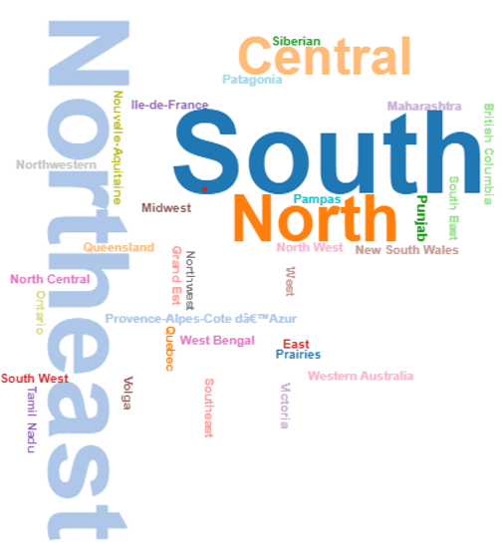
Australia
Wheat
10

Adaptation Startegies
 | Total
Crop Rotation | 1957
Drought-resistant Crops | 1995
No Adaptation | 2024
Organic Farming | 1975
Water Management | 2049
Yearwise Temperature
1990-1994 | 15.45
1995-1999 | 15.19
2000-2004 | 15.26
2005-2009 | 15.02
2010-2014 | 15.16
2015-2019 | 15.74
2020-2024 | 14.87
Maximum Temperature of Every Crop Type
 | Total
Barley | 34.98
Coffee | 34.9
Corn | 34.92
Cotton | 34.97
Fruits | 35
Rice | 34.99
Soybeans | 34.98
Sugarcane | 34.98
Vegetables | 34.97
Wheat | 34.99

Agricultural Income of Countries
 | Total
Argentina | 674.06
Australia | 660.92
Brazil | 675.14
Canada | 680.12
China | 674.69
France | 663.23
India | 683.41
Nigeria | 699.28
Russia | 666.13
USA | 665.06
Crops Irrigations and Fertilizers
 | Fertilizer | Irrigation
Vegetables | 51685.55 | 56062.94
Barley | 46487.85 | 52900.47
Coffee | 47579.01 | 53298.59
Corn | 51297.35 | 56570.72
Cotton | 51857.24 | 57267.86
Fruits | 50200.49 | 54062.08
Rice | 50824.67 | 56135.6
Soybeans | 47699.79 | 53090.92
Sugarcane | 50556.26 | 54111.33
Wheat | 51548.87 | 58982.81
Countries and Top 5 Crop Types
 | Total
Barley | 60.73
Corn | 58.23
Cotton | 57.82
Fruits | 55.36
Wheat | 60.33
Coffee | 59.20
Fruits | 56.19
Rice | 61.74
Sugarcane | 57.84
Wheat | 58.08
Coffee | 56.46
Corn | 54.47
Soybeans | 56.61
Sugarcane | 55.14
Vegetables | 55.62
Coffee | 59.11
Corn | 57.57
Cotton | 56.44
Vegetables | 56.18
Wheat | 59.25
Barley | 56.24
Corn | 55.82
Cotton | 56.37
Soybeans | 55.18
Wheat | 58.85
Coffee | 55.59
Corn | 59.92
Fruits | 56.55
Rice | 56.29
Sugarcane | 55.44
Barley | 55.80
Coffee | 59.04
Cotton | 56.96
Fruits | 56.77
Soybeans | 55.61
Rice | 57.72
Soybeans | 57.94
Sugarcane | 55.13
Vegetables | 54.57
Wheat | 57.44
Barley | 59.27
Coffee | 59.51
Corn | 55.50
Fruits | 56.98
Wheat | 55.86
Coffee | 57.86
Cotton | 55.41
Fruits | 54.22
Rice | 56.80
Soybeans | 55.72

Year&Temp
Row Labels | Average of Average_Temperature_C
B | 15.186217725
C | 15.257610922
A | 15.450585714
D | 15.018725275
E | 15.161706813
F | 15.737133012
G | 14.865889742
Grand Total | 15.241299

Row Labels | Average of Average_Temperature_C
1990-1994 | 15.45 | 1990-1994 | 15.45
1995-1999 | 15.19 | 1995-1999 | 15.19
2000-2004 | 15.26 | 2000-2004 | 15.26
2005-2009 | 15.02 | 2005-2009 | 15.02
2010-2014 | 15.16 | 2010-2014 | 15.16
2015-2019 | 15.74 | 2015-2019 | 15.74
2020-2024 | 14.87 | 2020-2024 | 14.87
Grand Total | 15.241299

Worldcloud


Row Labels | Count of Region
British Columbia | 242
Central | 466
East | 273
Grand Est | 254
Ile-de-France | 236
Maharashtra | 221
Midwest | 253
New South Wales | 276
North | 524
North Central | 235
North West | 264
Northeast | 752
Northwest | 247
Northwestern | 227
Nouvelle-Aquitaine | 252
Ontario | 269
Pampas | 224
Patagonia | 249
Prairies | 243
Provence-Alpes-Cote dâ€™Azur | 236
Punjab | 288
Quebec | 230
Queensland | 253
Siberian | 246
South | 754
South East | 260
South West | 270
Southeast | 219
Tamil Nadu | 249
Victoria | 283
Volga | 261
West | 257
West Bengal | 267
Western Australia | 220

Adaptation startegies to
Row Labels | Count of Year
Crop Rotation | 1957
Drought-resistant Crops | 1995
No Adaptation | 2024
Organic Farming | 1975
Water Management | 2049
Grand Total | 10000

