Graficos
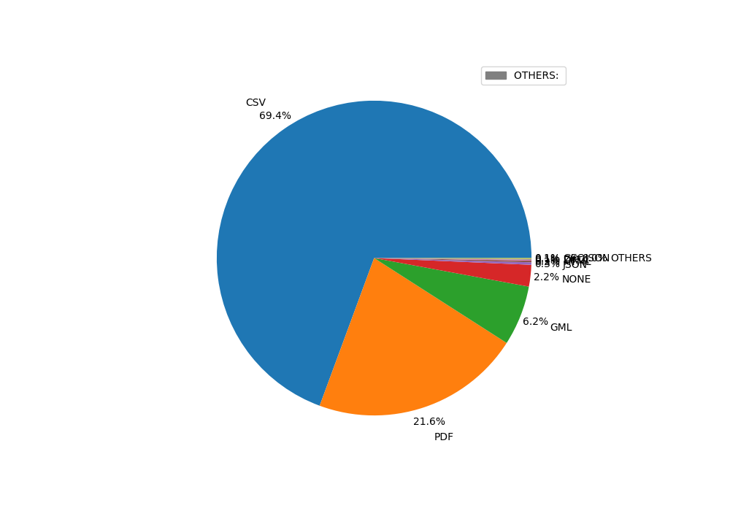
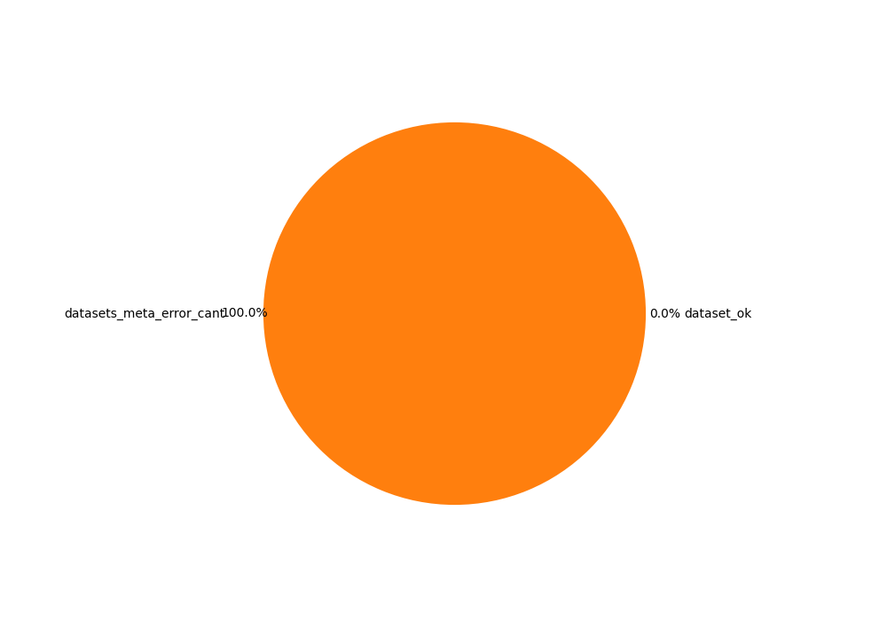
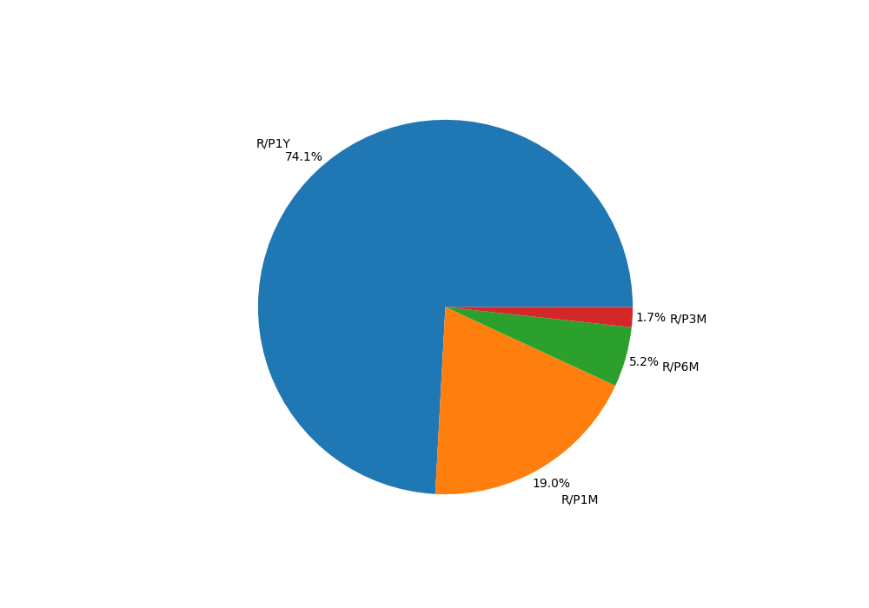
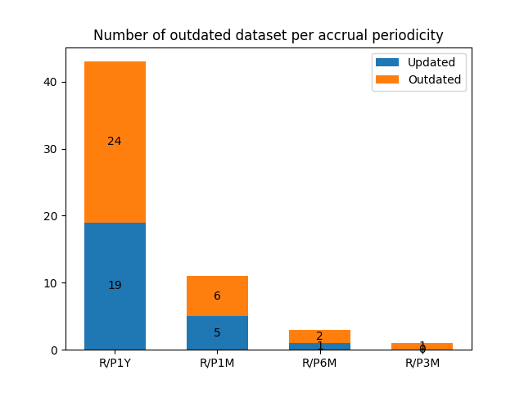
Chartpie de % de tipos de distribuciones | Chartpie de % de dataset erroneos | Bar Label de Actualizacion de Accrual Periodicy

