Churn %
Row Labels | Count of customerID
No | 73.46%
Yes | 26.54%
Churn %
Grand Total | 100.00%

Churn by Contract
Count of customerID | Column Labels
Row Labels | No | Yes | Grand Total
Month-to-month | 2220 | 1655 | 3875
One year | 1307 | 166 | 1473
Two year | 1647 | 48 | 1695
Grand Total | 5174 | 1869 | 7043

Churn by Payment Method
Count of customerID | Column Labels
Row Labels | No | Yes | Grand Total
Bank transfer (automatic) | 1286 | 258 | 1544
Credit card (automatic) | 1290 | 232 | 1522
Electronic check | 1294 | 1071 | 2365
Mailed check | 1304 | 308 | 1612
Grand Total | 5174 | 1869 | 7043

Churn by Tenure Group
Count of customerID | Column Labels
Row Labels | No | Yes | Grand Total
0-1 Year | 1149 | 1037 | 2186
1-2 Years | 730 | 294 | 1024
2-4 Years | 1269 | 325 | 1594
4+ Years | 2026 | 213 | 2239
Grand Total | 5174 | 1869 | 7043

Churn by Tenure Group
Count of customerID | Column Labels
Row Labels | No | Yes | Grand Total
High | 649 | 253 | 902
Low | 1938 | 361 | 2299
Medium | 2587 | 1255 | 3842
Grand Total | 5174 | 1869 | 7043

Retention Analysis
Churn | No

Row Labels | Count of customerID
Month-to-month | 100.00%
One year | 100.00%
Two year | 100.00%
Grand Total | 100.00%

Total Revenue by Churn
Row Labels | Count of TotalCharges
No | 5174
Yes | 1869
 | Total
No | 5174
Yes | 1869
(blank)
(blank)
Grand Total | 7043

CLV Analysis
 | Total
Month-to-month | 3875
One year | 1473
Two year | 1695
(blank)
Row Labels | Count of CLV
Month-to-month | 3875
One year | 1473
Two year | 1695
(blank)
Grand Total | 7043

Dashboard

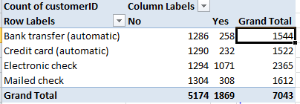
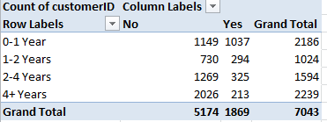
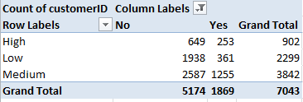
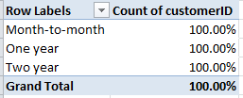
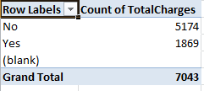
Customer Churn Analysis Dashboard

Churn %
 | Total
No | 73.46%
Yes | 26.54%
 | No | Yes
Month-to-month | 2220 | 1655
One year | 1307 | 166
Two year | 1647 | 48
 | No | Yes
0-1 Year | 1149 | 1037
1-2 Years | 730 | 294
2-4 Years | 1269 | 325
4+ Years | 2026 | 213
 | No | Yes
Bank transfer (automatic) | 1286 | 258
Credit card (automatic) | 1290 | 232
Electronic check | 1294 | 1071
Mailed check | 1304 | 308

Total Revenue by churn
 | Total
No | 5174
Yes | 1869
(blank)
CLV Analysis
 | Total
Month-to-month | 3875
One year | 1473
Two year | 1695
(blank)
 | No | Yes
High | 649 | 253
Low | 1938 | 361
Medium | 2587 | 1255
Retension Analysis
 | Total
Month-to-month | 100.00%
One year | 100.00%
Two year | 100.00%

