Table 3
Country #REF! Region |  |  | SUM of Discount
Australia | Sydney | APAC | 188.67%
 | Sydney Total |  | 188.67%
Australia Total |  |  | 188.67%
Ireland | Dublin | EMEA | 60.00%
 | Dublin Total |  | 60.00%
Ireland Total |  |  | 60.00%
Israel | Tel Aviv | EMEA | 53.33%
 | Tel Aviv Total |  | 53.33%
Israel Total |  |  | 53.33%
Malaysia | Kuala Lumpur | APAC | 125.00%
 | Kuala Lumpur Total |  | 125.00%
Malaysia Total |  |  | 125.00%
Saudi Arabia | Riyadh | EMEA | 65.00%
 | Riyadh Total |  | 65.00%
Saudi Arabia Total |  |  | 65.00%
South Africa | Capetown | EMEA | 60.00%
 | Capetown Total |  | 60.00%
South Africa Total |  |  | 60.00%
Spain | Madria | EMEA | 56.67%
 | Madria Total |  | 56.67%
Spain Total |  |  | 56.67%
Turkey | Istanbul | EMEA | 55.00%
 | Istanbul Total |  | 55.00%
Turkey Total |  |  | 55.00%
UK | London | EMEA | 60.00%
 | London Total |  | 60.00%
UK Total |  |  | 60.00%
Grand Total |  |  | 723.67%
Region SUM of Discount % APAC 188.67%
EMEA 60.00%
EMEA 53.33%
 |  |  |  | 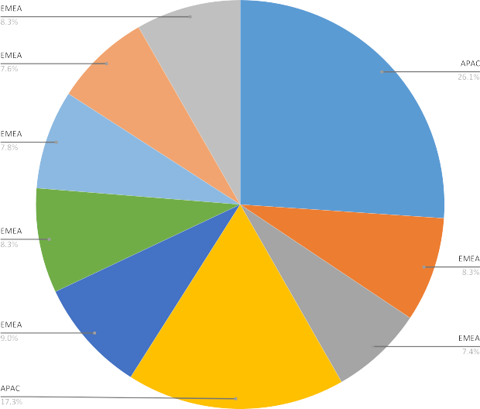
APAC 125.00%
EMEA 65.00%
EMEA 60.00%
EMEA 56.67%
EMEA 55.00%
EMEA 60.00%

Sheet3
Row Labels | Sum of Actual Price
Amsterdam | 0
Bangkok | 0
Berlin | 0
Chicago | 0
Moscow | 0
Vienna | 0
Bangalore | 0
Bangkok | 0
Berlin | 0
Birmingham | 0
Cairo | 0
Capetown | 0
Ho Chi Minh City | 0
Kuala Lumpur | 0
London | 0
Mexico City | 0
Moscow | 0
New York | 0
Osaka | 0
Riyadh | 0
Rome | 0
Sao Paolo | 0
Seattle | 0
Shanghai | 0
Tel Aviv | 0
Tijuana | 0
Toronto | 0
Athens | 520
Bangalore | 490
Bangkok
Banglore
Berlin | 64
Birmingham | 220
Bogota | 741
Buenos Aires
Capetown
Delhi | 490
Dublin
Guangzhou | 495
Ho Chi Minh City | 78
Istanbul | 155
Istanbul | 0
Jerusalem
Kansas City | 786
Kuala Lumpur
Lima | 36
Los Angeles
Madria
moscow | 79
Osaka | 930
 | Total
Amsterdam | 0
Bangkok | 0
Berlin | 0
Chicago | 0
Moscow | 0
Vienna | 0
Bangalore | 0
Bangkok | 0
Berlin | 0
Birmingham | 0
Cairo | 0
Capetown | 0
Ho Chi Minh City | 0
Kuala Lumpur | 0
London | 0
Mexico City | 0
Moscow | 0
New York | 0
Osaka | 0
Riyadh | 0
Rome | 0
Sao Paolo | 0
Seattle | 0
Shanghai | 0
Tel Aviv | 0
Tijuana | 0
Toronto | 0
Athens | 520
Bangalore | 490
Bangkok
Banglore
Berlin | 64
Birmingham | 220
Bogota | 741
Buenos Aires
Capetown
Delhi | 490
Dublin
Guangzhou | 495
Ho Chi Minh City | 78
Istanbul | 155
Istanbul | 0
Jerusalem
Kansas City | 786
Kuala Lumpur
Lima | 36
Los Angeles
Madria
moscow | 79
Osaka | 930
...
Paris
Prague | 1424
San Fransisco | 43
sao paolo | 689
Seoul
Shanghai
Shenzhen | 1630
Shenzhen | 0
Sydney | 709
Tel Aviv | 35
Tel Aviv | 0
Tijuana
Tokyo
Toronto
Toronto | 54
Warsaw
Grand Total | 9668
Answer 1

Sheet14
Region2 | (All)

Row Labels | Sum of Actual Price
USA | 1603
Grand Total | 1603
Answer 10

