Variable Selection
Assumptions: 1. Data must have at least 50% of the observations 2. There must be one variable for each market factor 3. If two sources of data provide similar information for a variable, the principle is to maximise the omogeneity for data sources 4. Further calculations on the input data are not operated (e.g sum, multiplication, new ratios calculation ect..) 5. Variables calculated as % of GDP are not considered as they may be more useful when used in comparison with other country statistics 6. If a variable is calculated as sum of two or more variable referring to differente market factors (e.g. interest rate adjusted by exchange rate), our preference isto keep the two variable separately in order to investigate the contribution of each market variable in the model estimation 7. Whether it's possible, variable in costant LCU are selected Here our final variables are selected based on the assumptions above.
 |  |  |  |  |  |  | Taget Variable
 |  |  |  |  |  |  | NY.GDP.MKTP.KN

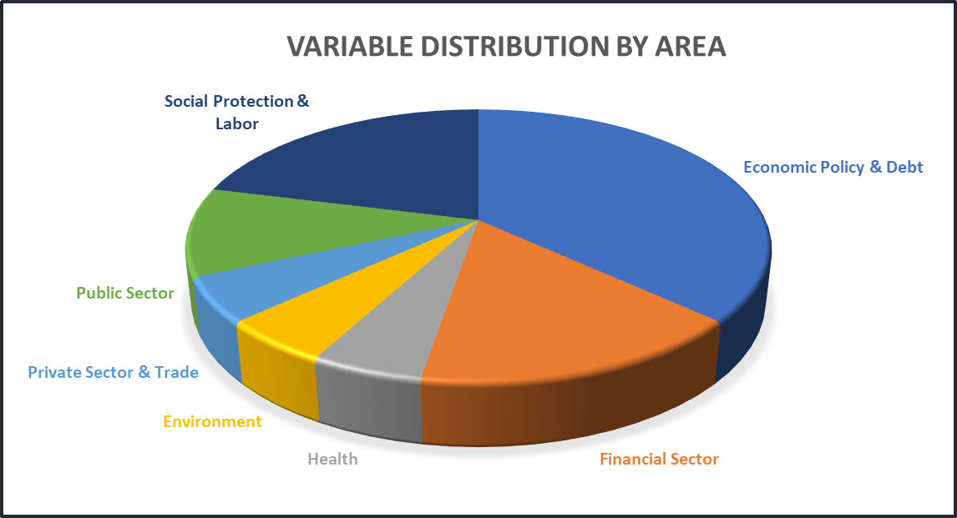
Market Factors | Explanatory Variable | Renamed Var | Area | Subfield | INDICATOR_NAME | SOURCE_ORGANIZATION | Nmiss | Type of Indicator
Import - Export | NE.RSB.GNFS.KN | imp_exp | Economic Policy & Debt | National accounts | External balance on goods and services (constant LCU) | World Bank national accounts data, and OECD National Accounts data files. | 11 | Amount
Domestic Credit | FM.AST.DOMS.CN | dom_credit | Financial Sector | Assets | Net domestic credit (current LCU) | International Monetary Fund, International Financial Statistics and data files. | 0 | Amount
Government Expenditure | NE.CON.GOVT.KN | gov_exp | Economic Policy & Debt | National accounts | General government final consumption expenditure (constant LCU) | World Bank national accounts data, and OECD National Accounts data files. | 11 | Amount
Inventories | NE.GDI.STKB.KN | inventory | Economic Policy & Debt | National accounts | Changes in inventories (constant LCU) | World Bank national accounts data, and OECD National Accounts data files. | 11 | Difference
GDP | NY.GDP.MKTP.KN | gdp_t0 | Economic Policy & Debt | National accounts | GDP (constant LCU) | World Bank national accounts data, and OECD National Accounts data files. | 0 | Amount
Consumption | NE.CON.PRVT.KN | consumption | Economic Policy & Debt | National accounts | Households and NPISHs Final consumption expenditure (constant LCU) | World Bank national accounts data, and OECD National Accounts data files. | 11 | Amount
Inflation | FP.CPI.TOTL | infl | Financial Sector | Exchange rates & prices | Consumer price index (2010 = 100) | International Monetary Fund, International Financial Statistics and data files. | 0 | Index
Stock Market Cap | CM.MKT.LCAP.CD | market_cap | Financial Sector | Capital markets | Market capitalization of listed domestic companies (current US$) | World Federation of Exchanges database. | 21 | Amount
Transportation | IS.AIR.DPRT | air_transp | Infastructure | Transportation | Air transport, registered carrier departures worldwide | International Civil Aviation Organization, Civil Aviation Statistics of the World and ICAO staff estimates. | 11 | Amount
Risk Premium | FR.INR.RISK | risk_premium | Financial Sector | Interest rates | Risk premium on lending (lending rate minus treasury bill rate, %) | International Monetary Fund, International Financial Statistics database. | 0 | Rate
Population | SP.POP.TOTL | pop | Health | Population | Population, total | (1) United Nations Population Division. World Population Prospects: 2019 Revision. (2) Census reports and other statistical publications from national statistical offices, (3) Eurostat: Demographic Statistics, (4) United Nations Statistical Division. Population and Vital Statistics Reprot (various years), (5) U.S. Census Bureau: International Database, and (6) Secretariat of the Pacific Community: Statistics and Demography Programme. | 0 | Amount
Oil Rents | NY.GDP.PETR.RT.ZS | oil | Environment | Natural resources contribution to GDP | Oil rents (% of GDP) | Estimates based on sources and methods described in "The Changing Wealth of Nations: Measuring Sustainable Development in the New Millennium" (World Bank, 2011). | 11 | Ratio
Trade Index | TT.PRI.MRCH.XD.WD | trade_index | Private Sector & Trade | Trade indexes | Net barter terms of trade index (2000 = 100) | United Nations Conference on Trade and Development, Handbook of Statistics and data files, and International Monetary Fund, International Financial Statistics. | 21 | Index
Compensations | GC.XPN.COMP.CN | wages | Public Sector | Government finance | Compensation of employees (current LCU) | International Monetary Fund, Government Finance Statistics Yearbook and data files. | 12 | Amount per capita
Energy Use | EG.USE.PCAP.KG.OE | energy | Environment | Energy production & use | Energy use (kg of oil equivalent per capita) | IEA Statistics © OECD/IEA 2014 (http://www.iea.org/stats/index.asp), subject to https://www.iea.org/t&c/termsandconditions/ | 4 | Rate
Unemployment | SL.UEM.TOTL.NE.ZS | unemp | Social Protection & Labor | Unemployment | Unemployment, total (% of total labor force) (national estimate) | International Labour Organization, ILOSTAT database. Data retrieved in September 20, 2020. | 0 | Rate
Employment | SL.FAM.WORK.ZS | contr_family | Social Protection & Labor | Economic activity | Contributing family workers, total (% of total employment) (modeled ILO estimate) | International Labour Organization, ILOSTAT database. Data retrieved in September 20, 2020. | 30 | Rate | PCA
Employment | SL.EMP.MPYR.ZS | employers | Social Protection & Labor | Economic activity | Employers, total (% of total employment) (modeled ILO estimate) | International Labour Organization, ILOSTAT database. Data retrieved in September 20, 2020. | 30 | Rate
Employment | SL.EMP.SELF.ZS | self_employed | Social Protection & Labor | Economic activity | Self-employed, total (% of total employment) (modeled ILO estimate) | International Labour Organization, ILOSTAT database. Data retrieved in September 20, 2020. | 30 | Rate

