SuperRICs
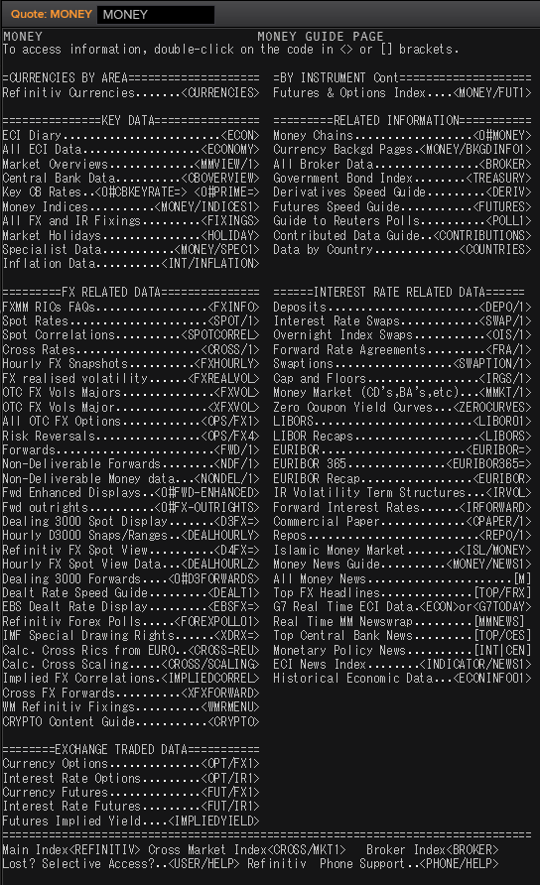
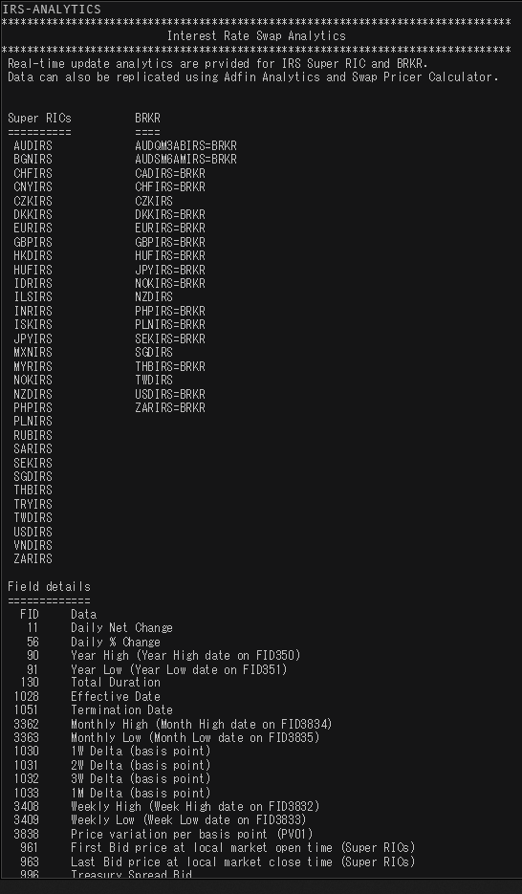
 | SEK | USD | NOK | EUR | DKK | GBP
Market Overview | SEKVIEW | USDVIEW | NOKVIEW | EURVIEW | DKKVIEW | GBPVIEW
Interest Rate Swap | SEKIRS | USDIRS | NOKIRS | EURIRS/EUR1MIRS/EUR3MIRS | DKKIRS | GBPIRS
Overnight Index Swap | SEKOIS | USDOIS | - | EUROIS | DKKTNS | GBPOIS
FRA | SEKFRA | USDFRA | NOKFRA | EURFRA | DKKFRA | GBPFRA
IBOR | STIBOR= | USDLIBOR= | OIBOR= | EURIBOR=/EURLIBOR= | CIBOR= | GBPLIBOR=

 | IRS | Tenors | Money Guide
Helpful Commands | IRS-Analytics | META & RIC | MONEY
 |  | MONEY/BKGDINFO1

SEK
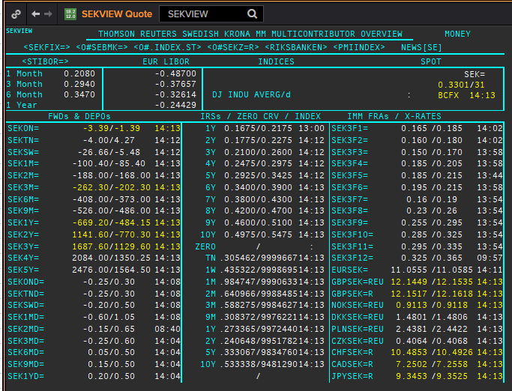
 | SEK | SEKAMTNS
 | .
 | Maturity | Type | RIC | Bid yield (%) | Ask yield (%) | Mid Yield (%) | Ee | Eb | Fe | Fb | Bid/ask | Currency | Tenor | History Start | Close | Helper | Fwd Start Date
 | 1M | OIS | SEKAMTNS1M= | 0.036 | 0.056 | 0.046 | 1 | 1 | 1 | 1 | MID | SEK | 0 | 2002-09-03 | 4.34
 | 2M | OIS | SEKAMTNS2M= | -0.046 | -0.006 | -0.026 | 1 | 1 | 1 | 1 | MID | SEK | 0 | 2002-09-03 | 4.34
 | 3M | OIS | SEKAMTNS3M= | -0.033 | 0.007 | -0.013 | 1 | 1 | 1 | 1 | MID | SEK | 0 | 2002-09-03 | 4.33
 | 6M | OIS | SEKAMTNS6M= | -0.044 | -0.004 | -0.024 | 1 | 1 | 1 | 1 | MID | SEK | 0 | 2002-09-03 | 4.36
 | 9M | OIS | SEKAMTNS9M= | -0.045 | -0.005 | -0.025 | 1 | 1 | 1 | 1 | MID | SEK | 0 | 2002-09-03 | 4.41
 | 1Y | OIS | SEKAMTNS1Y= | -0.046 | -0.006 | -0.026 | 1 | 1 | 1 | 1 | MID | SEK | 0 | 2002-08-29 | 4.48
 | 2Y | OIS | SEKAMTNS2Y= | -0.026 | 0.024 | -0.001 | 1 | 1 | 1 | 1 | MID | SEK | 0 | 2012-10-22 | 1.015
 | 3Y | OIS | SEKAMTNS3Y= | 0.026 | 0.076 | 0.051 | 1 | 1 | 1 | 1 | MID | SEK | 0 | 2012-10-22 | 1.105
 | 4Y | OIS | SEKAMTNS4Y= | 0.04 | 0.09 | 0.065 | 1 | 1 | 1 | 1 | MID | SEK | 0 | 2012-10-22 | 1.22
 | 5Y | OIS | SEKAMTNS5Y= | 0.135 | 0.185 | 0.16 | 1 | 1 | 1 | 1 | MID | SEK | 0 | 2012-10-22 | 1.365
 | 6Y | OIS | SEKAMTNS6Y= | 0.17 | 0.22 | 0.195 | 1 | 1 | 1 | 1 | MID | SEK | 0 | 2012-10-22 | 1.49
 | 7Y | OIS | SEKAMTNS7Y= | 0.205 | 0.255 | 0.23 | 1 | 1 | 1 | 1 | MID | SEK | 0 | 2012-10-22 | 1.615
 | 8Y | OIS | SEKAMTNS8Y= | 0.235 | 0.285 | 0.26 | 1 | 1 | 1 | 1 | MID | SEK | 0 | 2012-10-22 | 1.715
 | 9Y | OIS | SEKAMTNS9Y= | 0.27 | 0.32 | 0.295 | 1 | 1 | 1 | 1 | MID | SEK | 0 | 2012-10-22 | 1.81
 | 10Y | OIS | SEKAMTNS10Y= | 0.31 | 0.36 | 0.335 | 1 | 1 | 1 | 1 | MID | SEK | 0 | 2012-10-22 | 1.895
 | 12Y | OIS | SEKAMTNS12Y= | 0.36 | 0.42 | 0.39 | 1 | 1 | 1 | 1 | MID | SEK | 0 | 2013-07-04 | 2.425
 | 15Y | OIS | SEKAMTNS15Y= | 0.42 | 0.48 | 0.45 | 1 | 1 | 1 | 1 | MID | SEK | 0 | 2013-07-04 | 2.515
 | 20Y | OIS | SEKAMTNS20Y= | 0.435 | 0.515 | 0.475 | 1 | 1 | 1 | 1 | MID | SEK | 0 | 2013-07-04 | 2.575
 | 25Y | OIS | SEKAMTNS25Y= | 0.405 | 0.485 | 0.445 | 1 | 1 | 1 | 1 | MID | SEK | 0 | 2013-07-04 | 2.605
 | 30Y | OIS | SEKAMTNS30Y= | 0.32 | 0.42 | 0.37 | 1 | 1 | 1 | 1 | MID | SEK | 0 | 2013-07-04 | 2.645
 | TN | IBOR | STISEKTNDFI= |  |  | 0.107 | 1 | 1 | 1 | 1 | MID | SEK | 0 | 1997-06-10 | 4.2
Excl. CDIO | 1W | IBOR | STISEK1WDFI= |  |  | 0.118 | 1 | 1 | 1 | 1 | MID | SEK | 0 | 1995-03-01 | 8.05
Excl. CDIO | 1M | IBOR | STISEK1MDFI= |  |  | 0.26 | 1 | 1 | 1 | 1 | MID | SEK | 0 | 1995-03-01 | 8.1
Excl. CDIO | 2M | IBOR | STISEK2MDFI= |  |  | 0.313 | 1 | 1 | 1 | 1 | MID | SEK | 0 | 1995-03-01 | 8.25
 | 3M | IBOR | STISEK3MDFI= |  |  | 0.355 | 1 | 1 | 1 | 1 | MID | SEK | 0 | 1995-03-01 | 8.35
Excl. CDIO | 6M | IBOR | STISEK6MDFI= |  |  | 0.409 | 1 | 1 | 1 | 1 | MID | SEK | 0 | 1995-03-01 | 8.6
 | 6M | FRA | SEK3F1= | 0.205 | 0.225 | 0.215 | 1 | 1 | 1 | 1 | MID | SEK | 3M | 1995-12-15 | 8.72 | 150620 | 2020-09-15
 | 9M | FRA | SEK3F2= | 0.154 | 0.174 | 0.164 | 1 | 1 | 1 | 1 | MID | SEK | 3M | 1995-12-15 | 8.13 | 140920 | 2020-12-14
 | 1Y | FRA | SEK3F3= | 0.17 | 0.19 | 0.18 | 1 | 1 | 1 | 1 | MID | SEK | 3M | 1995-12-15 | 7.83 | 141220 | 2021-03-14
 | 15M | FRA | SEK3F4= | 0.195 | 0.215 | 0.205 | 1 | 1 | 1 | 1 | MID | SEK | 3M | 1995-12-15 | 7.69 | 150321 | 2021-06-15
 | 18M | FRA | SEK3F5= | 0.19 | 0.22 | 0.205 | 1 | 1 | 1 | 1 | MID | SEK | 3M | 1995-12-15 | 7.71 | 140621 | 2021-09-14
 | 21M | FRA | SEK3F6= | 0.205 | 0.225 | 0.215 | 1 | 1 | 1 | 1 | MID | SEK | 3M | 1995-12-15 | 7.75 | 130921 | 2021-12-13
 | 2Y | FRA | SEK3F7= | 0.17 | 0.2 | 0.185 | 1 | 1 | 1 | 1 | MID | SEK | 3M | 1995-12-15 | 7.8 | 131221 | 2022-03-13
 | 2.25Y | FRA | SEK3F8= | 0.215 | 0.245 | 0.23 | 1 | 1 | 1 | 1 | MID | SEK | 3M | 1995-12-15 | 7.85 | 140322 | 2022-06-14
 | 2.5Y | FRA | SEK3F9= | 0.255 | 0.295 | 0.275 | 1 | 1 | 1 | 1 | MID | SEK | 3M | 1999-05-25 | 4.5 | 130622 | 2022-09-13
 | 2.75Y | FRA | SEK3F10= | 0.294 | 0.334 | 0.314 | 1 | 1 | 1 | 1 | MID | SEK | 3M | 1999-05-25 | 4.69 | 190922 | 2022-12-19
 | 3Y | FRA | SEK3F11= | 0.279 | 0.319 | 0.299 | 1 | 1 | 1 | 1 | MID | SEK | 3M | 1999-05-25 | 4.83 | 191222 | 2023-03-19
 | 3.25Y | FRA | SEK3F12= | 0.339 | 0.379 | 0.359 | 1 | 1 | 1 | 1 | MID | SEK | 3M | 1999-05-25 | 4.91 | 130323 | 2023-06-13
 | 1Y | IRS | SEKAB3S1Y= | 0.195 | 0.245 | 0.22 | 1 | 1 | 1 | 1 | MID | SEK | 3M | 1997-05-08 | 4.72
Excl. CDIO | 18M | IRS | SEKAB3S18M= | 0.208 | 0.228 | 0.218 | 1 | 1 | 1 | 1 | MID | SEK | 3M | 2003-01-07 | 3.96
 | 2Y | IRS | SEKAB3S2Y= | 0.205 | 0.225 | 0.215 | 1 | 1 | 1 | 1 | MID | SEK | 3M | 1995-03-01 | 9.87
 | 3Y | IRS | SEKAB3S3Y= | 0.228 | 0.248 | 0.238 | 1 | 1 | 1 | 1 | MID | SEK | 3M | 1995-03-01 | 10.23
 | 4Y | IRS | SEKAB3S4Y= | 0.26 | 0.28 | 0.27 | 1 | 1 | 1 | 1 | MID | SEK | 3M | 1995-03-01 | 10.43
 | 5Y | IRS | SEKAB3S5Y= | 0.3 | 0.32 | 0.31 | 1 | 1 | 1 | 1 | MID | SEK | 3M | 1995-03-01 | 10.52
 | 6Y | IRS | SEKAB3S6Y= | 0.338 | 0.358 | 0.348 | 1 | 1 | 1 | 1 | MID | SEK | 3M | 1997-08-13 | 6.4
 | 7Y | IRS | SEKAB3S7Y= | 0.37 | 0.39 | 0.38 | 1 | 1 | 1 | 1 | MID | SEK | 3M | 1995-03-01 | 10.66
 | 8Y | IRS | SEKAB3S8Y= | 0.404 | 0.424 | 0.414 | 1 | 1 | 1 | 1 | MID | SEK | 3M | 1997-08-13 | 6.63
 | 9Y | IRS | SEKAB3S9Y= | 0.45 | 0.47 | 0.46 | 1 | 1 | 1 | 1 | MID | SEK | 3M | 1997-08-13 | 6.73
 | 10Y | IRS | SEKAB3S10Y= | 0.478 | 0.498 | 0.488 | 1 | 1 | 1 | 1 | MID | SEK | 3M | 1995-03-01 | 10.88
 | 12Y | IRS | SEKAB3S12Y= | 0.535 | 0.555 | 0.545 | 1 | 1 | 1 | 1 | MID | SEK | 3M | 2008-01-10 | 4.7925
 | 15Y | IRS | SEKAB3S15Y= | 0.593 | 0.623 | 0.608 | 1 | 1 | 1 | 1 | MID | SEK | 3M | 2008-01-10 | 4.81
 | 20Y | IRS | SEKAB3S20Y= | 0.618 | 0.648 | 0.633 | 1 | 1 | 1 | 1 | MID | SEK | 3M | 2008-02-06 | 4.5925
 | 30Y | IRS | SEKAB3S30Y= | 0.508 | 0.538 | 0.523 | 1 | 1 | 1 | 1 | MID | SEK | 3M | 2012-02-08 | 2.455

USD
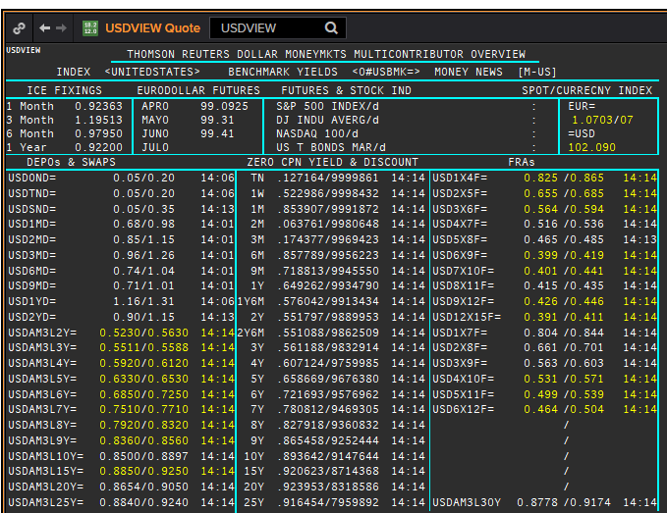
 | USD | USD
 | .
 | Maturity | Type | RIC | Bid yield (%) | Ask yield (%) | Mid Yield (%) | Ee | Eb | Fe | Fb | Bid/ask | Currency | Tenor | History Start | Close | Helper | Fwd Start Date
 | 1M | OIS | USD1MOIS= | 0.088 | 0.108 | 0.098 | 1 | 1 | 1 | 1 | MID | USD | 0 | 2003-11-06 | 1
 | 2M | OIS | USD2MOIS= | 0.087 | 0.108 | 0.0975 | 1 | 1 | 1 | 1 | MID | USD | 0 | 2003-11-23 | 1
 | 3M | OIS | USD3MOIS= | 0.072 | 0.112 | 0.092 | 1 | 1 | 1 | 1 | MID | USD | 0 | 2003-11-23 | 1.01
 | 4M | OIS | USD4MOIS= | 0.063 | 0.113 | 0.088 | 1 | 1 | 1 | 1 | MID | USD | 0 | 2003-11-24 | 1.0325
 | 5M | OIS | USD5MOIS= | 0.075 | 0.095 | 0.085 | 1 | 1 | 1 | 1 | MID | USD | 0 | 2003-11-23 | 1.0325
 | 6M | OIS | USD6MOIS= | 0.07 | 0.09 | 0.08 | 1 | 1 | 1 | 1 | MID | USD | 0 | 2003-11-23 | 1.0525
 | 7M | OIS | USD7MOIS= | 0.068 | 0.088 | 0.078 | 1 | 1 | 1 | 1 | MID | USD | 0 | 2003-11-24 | 1.09
 | 8M | OIS | USD8MOIS= | 0.067 | 0.087 | 0.077 | 1 | 1 | 1 | 1 | MID | USD | 0 | 2003-11-24 | 1.13
 | 9M | OIS | USD9MOIS= | 0.052 | 0.102 | 0.077 | 1 | 1 | 1 | 1 | MID | USD | 0 | 2003-11-23 | 1.15
 | 10M | OIS | USD10MOIS= | 0.067 | 0.087 | 0.077 | 1 | 1 | 1 | 1 | MID | USD | 0 | 2003-11-24 | 1.2
 | 11M | OIS | USD11MOIS= | 0.068 | 0.088 | 0.078 | 1 | 1 | 1 | 1 | MID | USD | 0 | 2003-11-24 | 1.24
 | 1Y | OIS | USD1YOIS= | 0.069 | 0.089 | 0.079 | 1 | 1 | 1 | 1 | MID | USD | 0 | 2003-11-23 | 1.2775
 | 2Y | OIS | USD2YOIS= | 0.086 | 0.106 | 0.096 | 1 | 1 | 1 | 1 | MID | USD | 0 | 2007-05-16 | 5.016
 | ON | IBOR | USDONFSR= |  |  | 0.21188 | 1 | 1 | 1 | 1 | MID | USD | 0 | 2001-01-02 | 6.65125
Excl. CDIO | SW | IBOR | USDSWFSR= |  |  | 0.73488 | 1 | 1 | 1 | 1 | MID | USD | 0 | 1997-12-01 | 5.69531
Excl. CDIO | 1M | IBOR | USD1MFSR= |  |  | 0.9285 | 1 | 1 | 1 | 1 | MID | USD | 0 | 1995-03-01 | 6.125
Excl. CDIO | 2M | IBOR | USD2MFSR= |  |  | 1.1 | 1 | 1 | 1 | 1 | MID | USD | 0 | 1995-03-01 | 6.1875
 | 3M | IBOR | USD3MFSR= |  |  | 1.20413 | 1 | 1 | 1 | 1 | MID | USD | 0 | 1995-03-01 | 6.25
Excl. CDIO | 6M | IBOR | USD6MFSR= |  |  | 0.99425 | 1 | 1 | 1 | 1 | MID | USD | 0 | 1995-03-01 | 6.4375
 | 1Y | IBOR | USD1YFSR= |  |  | 0.9335 | 1 | 1 | 1 | 1 | MID | USD | 0 | 1995-03-01 | 6.75
Excl. CDIO | 4M | FRA | USD1X4F= | 0.8549 | 0.8149 | 0.8349 | 1 | 1 | 1 | 1 | MID | USD | 3M | 1995-03-01 | 6.29 | 1X4 | #VALUE!
Excl. CDIO | 5M | FRA | USD2X5F= | 0.613 | 0.593 | 0.603 | 1 | 1 | 1 | 1 | MID | USD | 3M | 1995-03-01 | 6.38
 | 6M | FRA | USD3X6F= | 0.516 | 0.496 | 0.506 | 1 | 1 | 1 | 1 | MID | USD | 3M | 1995-03-01 | 6.47
Excl. CDIO | 7M | FRA | USD4X7F= | 0.4675 | 0.4275 | 0.4475 | 1 | 1 | 1 | 1 | MID | USD | 3M | 1995-03-01 | 6.55
Excl. CDIO | 8M | FRA | USD5X8F= | 0.404 | 0.384 | 0.394 | 1 | 1 | 1 | 1 | MID | USD | 3M | 1995-03-01 | 6.65
 | 9M | FRA | USD6X9F= | 0.372 | 0.342 | 0.357 | 1 | 1 | 1 | 1 | MID | USD | 3M | 1995-03-01 | 6.74
Excl. CDIO | 10M | FRA | USD7X10F= | 0.384 | 0.344 | 0.364 | 1 | 1 | 1 | 1 | MID | USD | 3M | 1995-03-01 | 6.87
Excl. CDIO | 11M | FRA | USD8X11F= | 0.372 | 0.352 | 0.362 | 1 | 1 | 1 | 1 | MID | USD | 3M | 1995-03-01 | 6.93
 | 1Y | FRA | USD9X12F= | 0.382 | 0.342 | 0.362 | 1 | 1 | 1 | 1 | MID | USD | 3M | 1995-03-01 | 6.96
Excl. CDIO | 7M | FRA | USD1X7F= | 0.751 | 0.711 | 0.731 | 1 | 1 | 1 | 1 | MID | USD | 6M | 1995-03-01 | 6.48
Excl. CDIO | 8M | FRA | USD2X8F= | 0.585 | 0.565 | 0.575 | 1 | 1 | 1 | 1 | MID | USD | 6M | 1995-03-01 | 6.57
Excl. CDIO | 9M | FRA | USD3X9F= | 0.526 | 0.486 | 0.506 | 1 | 1 | 1 | 1 | MID | USD | 6M | 1995-03-01 | 6.66
Excl. CDIO | 10M | FRA | USD4X10F= | 0.507 | 0.467 | 0.487 | 1 | 1 | 1 | 1 | MID | USD | 6M | 1995-03-01 | 6.78
Excl. CDIO | 11M | FRA | USD5X11F= | 0.475 | 0.435 | 0.455 | 1 | 1 | 1 | 1 | MID | USD | 6M | 1995-03-01 | 6.85
Excl. CDIO | 12M | FRA | USD6X12F= | 0.442 | 0.402 | 0.422 | 1 | 1 | 1 | 1 | MID | USD | 6M | 1995-03-01 | 6.91
Excl. CDIO | 15M | FRA | USD9X15F= | 0.451 | 0.411 | 0.431 | 1 | 1 | 1 | 1 | MID | USD | 6M | 1995-03-01 | 7.07
Excl. CDIO | 18M | FRA | USD12X18F= | 0.435 | 0.395 | 0.415 | 1 | 1 | 1 | 1 | MID | USD | 6M | 1995-03-01 | 7.14
 | 15M | FRA | USD12X15F= | 0.332 | 0.312 | 0.322 | 1 | 1 | 1 | 1 | MID | USD | 3M | 1995-03-01 | 7.05
 | 18M | FRA | USD15X18F= | 0.3488 | 0.3088 | 0.3288 | 1 | 1 | 1 | 1 | MID | USD | 3M | 1995-03-01 | 7.12
 | 21M | FRA | USD18X21F= | 0.362 | 0.322 | 0.342 | 1 | 1 | 1 | 1 | MID | USD | 3M | 1995-03-01 | 7.64
Excl. CDIO | 24M | FRA | USD18X24F= | 0.449 | 0.409 | 0.429 | 1 | 1 | 1 | 1 | MID | USD | 6M | 1995-03-01 | 8.03
 | 1Y | IRS | USDAM3L1Y= | 0.625 | 0.605 | 0.615 | 1 | 1 | 1 | 1 | MID | USD | 3M | 1996-01-08 | 5.33
 | 2Y | IRS | USDAM3L2Y= | 0.474 | 0.454 | 0.464 | 1 | 1 | 1 | 1 | MID | USD | 3M | 1995-03-01 | 7.01
 | 3Y | IRS | USDAM3L3Y= | 0.4623 | 0.4573 | 0.4598 | 1 | 1 | 1 | 1 | MID | USD | 3M | 1995-03-01 | 7.15
 | 4Y | IRS | USDAM3L4Y= | 0.481 | 0.461 | 0.471 | 1 | 1 | 1 | 1 | MID | USD | 3M | 1995-03-01 | 7.23
 | 5Y | IRS | USDAM3L5Y= | 0.511 | 0.491 | 0.501 | 1 | 1 | 1 | 1 | MID | USD | 3M | 1995-03-01 | 7.31
 | 6Y | IRS | USDAM3L6Y= | 0.561 | 0.541 | 0.551 | 1 | 1 | 1 | 1 | MID | USD | 3M | 1996-08-21 | 6.73
 | 7Y | IRS | USDAM3L7Y= | 0.617 | 0.597 | 0.607 | 1 | 1 | 1 | 1 | MID | USD | 3M | 1995-03-01 | 7.43
 | 8Y | IRS | USDAM3L8Y= | 0.6416 | 0.6021 | 0.6219 | 1 | 1 | 1 | 1 | MID | USD | 3M | 1996-08-21 | 6.83
 | 9Y | IRS | USDAM3L9Y= | 0.681 | 0.641 | 0.661 | 1 | 1 | 1 | 1 | MID | USD | 3M | 1996-08-22 | 6.95
 | 10Y | IRS | USDAM3L10Y= | 0.703 | 0.663 | 0.683 | 1 | 1 | 1 | 1 | MID | USD | 3M | 1995-03-01 | 7.57
 | 12Y | IRS | USDAM3L12Y= | 0.73 | 0.69 | 0.71 | 1 | 1 | 1 | 1 | MID | USD | 3M | 1997-08-06 | 6.23
 | 15Y | IRS | USDAM3L15Y= | 0.761 | 0.721 | 0.741 | 1 | 1 | 1 | 1 | MID | USD | 3M | 1997-08-06 | 6.75
 | 20Y | IRS | USDAM3L20Y= | 0.7683 | 0.7287 | 0.7485 | 1 | 1 | 1 | 1 | MID | USD | 3M | 1997-08-06 | 6.56
 | 25Y | IRS | USDAM3L25Y= | 0.793 | 0.753 | 0.773 | 1 | 1 | 1 | 1 | MID | USD | 3M | 1997-08-06 | 6.69
 | 30Y | IRS | USDAM3L30Y= | 0.795 | 0.755 | 0.775 | 1 | 1 | 1 | 1 | MID | USD | 3M | 1997-08-06 | 6.82
Excl. CDIO | 40Y | IRS | USDAM3L40Y= | 0.733 | 0.694 | 0.7135 | 1 | 1 | 1 | 1 | MID | USD | 3M | 2007-06-12 | 5.977
Excl. CDIO | 50Y | IRS | USDAM3L50Y= | 0.652 | 0.612 | 0.632 | 1 | 1 | 1 | 1 | MID | USD | 3M | 2007-06-12 | 5.958

NOK
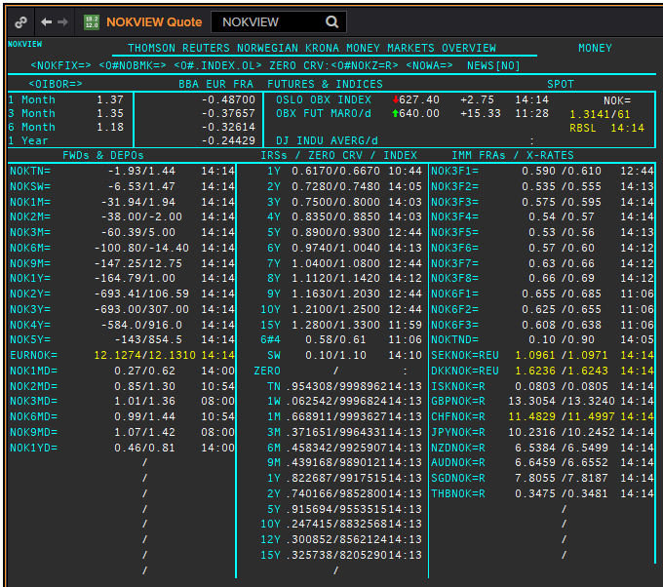
NOK | NOK
.
Maturity | Type | RIC | Bid yield (%) | Ask yield (%) | Mid Yield (%) | Ee | Eb | Fe | Fb | Bid/ask | Currency | Tenor | History Start | Close | Helper | Fwd Start Date
ON | IBOR | NOWA= |  |  | 0.99 | 1 | 1 | 1 | 1 | MID | NOK | 0 | 2011-09-30 | 2.69
1W/SW | IBOR | OINOKSWD= |  |  | 0.59 | 1 | 1 | 1 | 1 | MID | NOK | 0 | 2015-05-22 | 1.49
1M | IBOR | OINOK1MD= |  |  | 0.94 | 1 | 1 | 1 | 1 | MID | NOK | 0 | 2015-05-22 | 1.45
2M | IBOR | OINOK2MD= |  |  | 0.99 | 1 | 1 | 1 | 1 | MID | NOK | 0 | 2015-05-22 | 1.47
3M | IBOR | OINOK3MD= |  |  | 1.12 | 1 | 1 | 1 | 1 | MID | NOK | 0 | 2015-05-22 | 1.5
6M | IBOR | OINOK6MD= |  |  | 1.03 | 1 | 1 | 1 | 1 | MID | NOK | 0 | 2015-05-22 | 1.49
6M | FRA | NOK3F1= | 0.635 | 0.655 | 0.645 | 1 | 1 | 1 | 1 | MID | NOK | 3M | 1995-03-01 | 5.35 | 150620 | 2020-09-15
9M | FRA | NOK3F2= | 0.545 | 0.565 | 0.555 | 1 | 1 | 1 | 1 | MID | NOK | 3M | 1995-03-01 | 5.75 | 140920 | 2020-12-14
1Y | FRA | NOK3F3= | 0.575 | 0.595 | 0.585 | 1 | 1 | 1 | 1 | MID | NOK | 3M | 1995-03-01 | 6 | 141220 | 2021-03-14
15M | FRA | NOK3F4= | 0.555 | 0.575 | 0.565 | 1 | 1 | 1 | 1 | MID | NOK | 3M | 1995-03-01 | 6.32 | 150321 | 2021-06-15
18M | FRA | NOK3F5= | 0.54 | 0.57 | 0.555 | 1 | 1 | 1 | 1 | MID | NOK | 3M | 2007-08-16 | 5.47 | 140621 | 2021-09-14
21M | FRA | NOK3F6= | 0.57 | 0.6 | 0.585 | 1 | 1 | 1 | 1 | MID | NOK | 3M | 2007-08-16 | 5.42 | 130921 | 2021-12-13
2Y | FRA | NOK3F7= | 0.63 | 0.66 | 0.645 | 1 | 1 | 1 | 1 | MID | NOK | 3M | 2009-05-18 | 3.14 | 131221 | 2022-03-13
2.25Y | FRA | NOK3F8= | 0.66 | 0.69 | 0.675 | 1 | 1 | 1 | 1 | MID | NOK | 3M | 2009-05-18 | 3.42 | 140322 | 2022-06-14
2.5Y | FRA | NOK3F9= | 0.68 | 0.71 | 0.695 | 1 | 1 | 1 | 1 | MID | NOK | 3M | 2017-07-18 | 1.32 | 130622 | 2022-09-13
2.75Y | FRA | NOK3F10= | 0.74 | 0.77 | 0.755 | 1 | 1 | 1 | 1 | MID | NOK | 3M | 2017-07-18 | 1.41 | 190922 | 2022-12-19
3Y | FRA | NOK3F11= | 0.81 | 0.84 | 0.825 | 1 | 1 | 1 | 1 | MID | NOK | 3M | 2017-07-18 | 1.47 | 191222 | 2023-03-19
3.25Y | FRA | NOK3F12= | 0.86 | 0.89 | 0.875 | 1 | 1 | 1 | 1 | MID | NOK | 3M | 2017-07-18 | 1.55 | 130323 | 2023-06-13
9M | FRA | NOK6F1= | 0.7 | 0.73 | 0.715 | 1 | 1 | 1 | 1 | MID | NOK | 6M | 1995-03-01 | 6.02 | 150620 | 2020-12-15
1Y | FRA | NOK6F2= | 0.64 | 0.67 | 0.655 | 1 | 1 | 1 | 1 | MID | NOK | 6M | 1995-03-01 | 5.98 | 140920 | 2021-03-14
1.25Y | FRA | NOK6F3= | 0.61 | 0.64 | 0.625 | 1 | 1 | 1 | 1 | MID | NOK | 6M | 1995-03-01 | 6.2 | 141220 | 2021-06-14
1.5Y | FRA | NOK6F4= | 0.58 | 0.61 | 0.595 | 1 | 1 | 1 | 1 | MID | NOK | 6M | 1995-03-01 | 6.56 | 150321 | 2021-09-15
1Y | IRS | NOKAB3O1Y= | 0.705 | 0.755 | 0.73 | 1 | 1 | 1 | 1 | MID | NOK | 3M | 1997-09-23 | 4.34
2Y | IRS | NOKAB6O2Y= | 0.727 | 0.777 | 0.752 | 1 | 1 | 1 | 1 | MID | NOK | 6M | 1995-03-01 | 7.08
3Y | IRS | NOKAB6O3Y= | 0.754 | 0.804 | 0.779 | 1 | 1 | 1 | 1 | MID | NOK | 6M | 1995-03-01 | 7.45
4Y | IRS | NOKAB6O4Y= | 0.808 | 0.858 | 0.833 | 1 | 1 | 1 | 1 | MID | NOK | 6M | 1995-03-01 | 7.83
5Y | IRS | NOKAB6O5Y= | 0.883 | 0.913 | 0.898 | 1 | 1 | 1 | 1 | MID | NOK | 6M | 1995-03-01 | 7.97
6Y | IRS | NOKAB6O6Y= | 0.943 | 0.993 | 0.968 | 1 | 1 | 1 | 1 | MID | NOK | 6M | 1997-08-13 | 5.79
7Y | IRS | NOKAB6O7Y= | 1.055 | 1.105 | 1.08 | 1 | 1 | 1 | 1 | MID | NOK | 6M | 1995-08-17 | 7.67
8Y | IRS | NOKAB6O8Y= | 1.075 | 1.125 | 1.1 | 1 | 1 | 1 | 1 | MID | NOK | 6M | 1997-08-13 | 6.06
9Y | IRS | NOKAB6O9Y= | 1.13 | 1.18 | 1.155 | 1 | 1 | 1 | 1 | MID | NOK | 6M | 1997-08-13 | 6.16
10Y | IRS | NOKAB6O10Y= | 1.215 | 1.265 | 1.24 | 1 | 1 | 1 | 1 | MID | NOK | 6M | 1995-08-17 | 7.84
15Y | IRS | NOKAB6O15Y= | 1.26 | 1.31 | 1.285 | 1 | 1 | 1 | 1 | MID | NOK | 6M | 2008-04-23 | 5.41

EUR
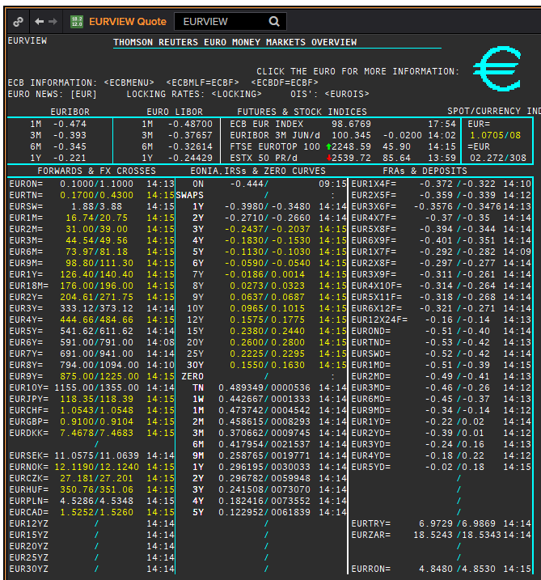
 | EUR | EUREON
 | .
 | Maturity | Type | RIC | Bid yield (%) | Ask yield (%) | Mid Yield (%) | Ee | Eb | Fe | Fb | Bid/ask | Currency | Tenor | History Start | Close | Helper | Fwd Start Date
? | SW | OIS | EUREONSW= | -0.487 | -0.457 | -0.472 | 1 | 1 | 1 | 1 | MID | EUR | 0 | 1999-03-10 | 3.005
? | 2W | OIS | EUREON2W= | -0.48 | -0.46 | -0.47 | 1 | 1 | 1 | 1 | MID | EUR | 0 | 1999-03-10 | 3.015
? | 3W | OIS | EUREON3W= | -0.48 | -0.46 | -0.47 | 1 | 1 | 1 | 1 | MID | EUR | 0 | 1999-03-10 | 3.03
 | 1M | OIS | EUREON1M= | -0.48 | -0.46 | -0.47 | 1 | 1 | 1 | 1 | MID | EUR | 0 | 1999-01-04 | 3.11
 | 2M | OIS | EUREON2M= | -0.5132 | -0.4739 | -0.49355 | 1 | 1 | 1 | 1 | MID | EUR | 0 | 1999-01-04 | 3.09
 | 3M | OIS | EUREON3M= | -0.5246 | -0.4927 | -0.50865 | 1 | 1 | 1 | 1 | MID | EUR | 0 | 1999-01-04 | 3.08
 | 4M | OIS | EUREON4M= | -0.515 | -0.505 | -0.51 | 1 | 1 | 1 | 1 | MID | EUR | 0 | 1999-03-10 | 3
 | 5M | OIS | EUREON5M= | -0.5408 | -0.5089 | -0.52485 | 1 | 1 | 1 | 1 | MID | EUR | 0 | 1999-03-10 | 2.99
 | 6M | OIS | EUREON6M= | -0.5458 | -0.5139 | -0.52985 | 1 | 1 | 1 | 1 | MID | EUR | 0 | 1999-01-04 | 3.04
 | 7M | OIS | EUREON7M= | -0.5493 | -0.5174 | -0.53335 | 1 | 1 | 1 | 1 | MID | EUR | 0 | 1999-03-10 | 2.97
 | 8M | OIS | EUREON8M= | -0.5516 | -0.5197 | -0.53565 | 1 | 1 | 1 | 1 | MID | EUR | 0 | 1999-03-10 | 2.965
 | 9M | OIS | EUREON9M= | -0.5532 | -0.5214 | -0.5373 | 1 | 1 | 1 | 1 | MID | EUR | 0 | 1999-01-04 | 3.02
 | 10M | OIS | EUREON10M= | -0.5539 | -0.5221 | -0.538 | 1 | 1 | 1 | 1 | MID | EUR | 0 | 1999-03-10 | 2.99
 | 11M | OIS | EUREON11M= | -0.538 | -0.532 | -0.535 | 1 | 1 | 1 | 1 | MID | EUR | 0 | 1999-03-10 | 2.985
 | 1Y | OIS | EUREON1Y= | -0.5549 | -0.523 | -0.53895 | 1 | 1 | 1 | 1 | MID | EUR | 0 | 1999-01-04 | 3.02
 | 15M | OIS | EUREON15M= | -0.5555 | -0.5235 | -0.5395 | 1 | 1 | 1 | 1 | MID | EUR | 0 | 2004-12-23 | 2.294
 | 18M | OIS | EUREON18M= | -0.5531 | -0.5208 | -0.53695 | 1 | 1 | 1 | 1 | MID | EUR | 0 | 2004-12-23 | 2.345
 | 21M | OIS | EUREON21M= | -0.531 | -0.521 | -0.526 | 1 | 1 | 1 | 1 | MID | EUR | 0 | 2004-12-23 | 2.402
 | 2Y | OIS | EUREON2Y= | -0.524 | -0.514 | -0.519 | 1 | 1 | 1 | 1 | MID | EUR | 0 | 2001-01-16 | 4.55
 | 3Y | OIS | EUREON3Y= | -0.494 | -0.484 | -0.489 | 1 | 1 | 1 | 1 | MID | EUR | 0 | 2004-12-23 | 2.63
 | 4Y | OIS | EUREON4Y= | -0.468 | -0.418 | -0.443 | 1 | 1 | 1 | 1 | MID | EUR | 0 | 2005-08-15 | 2.572
 | 5Y | OIS | EUREON5Y= | -0.413 | -0.372 | -0.3925 | 1 | 1 | 1 | 1 | MID | EUR | 0 | 2005-08-15 | 2.71
 | 6Y | OIS | EUREON6Y= | -0.362 | -0.321 | -0.3415 | 1 | 1 | 1 | 1 | MID | EUR | 0 | 2005-08-15 | 2.835
 | 7Y | OIS | EUREON7Y= | -0.314 | -0.273 | -0.2935 | 1 | 1 | 1 | 1 | MID | EUR | 0 | 2005-08-15 | 2.961
 | 8Y | OIS | EUREON8Y= | -0.27 | -0.229 | -0.2495 | 1 | 1 | 1 | 1 | MID | EUR | 0 | 2005-08-15 | 3.072
 | 9Y | OIS | EUREON9Y= | -0.231 | -0.19 | -0.2105 | 1 | 1 | 1 | 1 | MID | EUR | 0 | 2005-08-15 | 3.171
 | 10Y | OIS | EUREON10Y= | -0.197 | -0.147 | -0.172 | 1 | 1 | 1 | 1 | MID | EUR | 0 | 2005-08-15 | 3.256
 | 20Y | OIS | EUREON20Y= | -0.01 | 0.04 | 0.015 | 1 | 1 | 1 | 1 | MID | EUR | 0 | 2008-01-03 | 4.546
 | 25Y | OIS | EUREON25Y= | -0.04 | 0.01 | -0.015 | 1 | 1 | 1 | 1 | MID | EUR | 0 | 2017-10-17 | 1.331
 | 30Y | OIS | EUREON30Y= | -0.102 | -0.052 | -0.077 | 1 | 1 | 1 | 1 | MID | EUR | 0 | 2008-01-03 | 4.539
 | ON | IBOR | EONIA= |  |  | -0.441 | 1 | 1 | 1 | 1 | MID | EUR | 0 | 1999-01-04 | 3.2
 | SW | IBOR | EURIBORSWD= |  |  | -0.496 | 1 | 1 | 1 | 1 | MID | EUR | 0 | 1998-12-30 | 3.251
 | 1M | IBOR | EURIBOR1MD= |  |  | -0.45 | 1 | 1 | 1 | 1 | MID | EUR | 0 | 1995-03-01 | 5.0007
 | 3M | IBOR | EURIBOR3MD= |  |  | -0.371 | 1 | 1 | 1 | 1 | MID | EUR | 0 | 1995-03-01 | 5.10167
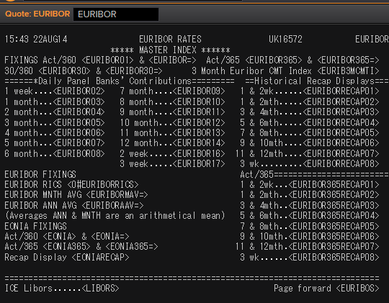
 | 6M | IBOR | EURIBOR6MD= |  |  | -0.313 | 1 | 1 | 1 | 1 | MID | EUR | 0 | 1995-03-01 | 5.2958
 | 1Y | IBOR | EURIBOR1YD= |  |  | -0.186 | 1 | 1 | 1 | 1 | MID | EUR | 0 | 1995-03-01 | 5.7346
 | 1X4 | FRA | EUR1X4F= | -0.371 | -0.361 | -0.366 | 1 | 1 | 1 | 1 | MID | EUR | 3M | 1995-03-01 | 6.39 | 1X4 | #VALUE!
 | 2X5 | FRA | EUR2X5F= | -0.379 | -0.369 | -0.374 | 1 | 1 | 1 | 1 | MID | EUR | 3M | 1995-03-01 | 6.51 | 2X5 | #VALUE!
 | 3X6 | FRA | EUR3X6F= | -0.392 | -0.382 | -0.387 | 1 | 1 | 1 | 1 | MID | EUR | 3M | 1995-03-01 | 6.65 | 3X6 | #VALUE!
 | 4X7 | FRA | EUR4X7F= | -0.397 | -0.387 | -0.392 | 1 | 1 | 1 | 1 | MID | EUR | 3M | 1995-03-01 | 6.75 | 4X7 | #VALUE!
 | 5X8 | FRA | EUR5X8F= | -0.405 | -0.395 | -0.4 | 1 | 1 | 1 | 1 | MID | EUR | 3M | 1995-03-01 | 6.87 | 5X8 | #VALUE!
 | 6X9 | FRA | EUR6X9F= | -0.431 | -0.381 | -0.406 | 1 | 1 | 1 | 1 | MID | EUR | 3M | 1995-03-01 | 7.01 | 6X9 | #VALUE!
 | 7X10 | FRA | EUR7X10F= | -0.412 | -0.402 | -0.407 | 1 | 1 | 1 | 1 | MID | EUR | 3M | 1995-03-01 | 7.13 | 7X10 | #VALUE!
 | 8X11 | FRA | EUR8X11F= | -0.412 | -0.392 | -0.402 | 1 | 1 | 1 | 1 | MID | EUR | 3M | 1995-03-01 | 7.25 | 8X11 | #VALUE!
 | 9X12 | FRA | EUR9X12F= | -0.42 | -0.4 | -0.41 | 1 | 1 | 1 | 1 | MID | EUR | 3M | 1995-03-01 | 7.37 | 9X12 | #VALUE!
 | 12X15 | FRA | EUR12X15F= | -0.403 | -0.393 | -0.398 | 1 | 1 | 1 | 1 | MID | EUR | 3M | 1999-01-05 | 2.98 | 12X15 | #VALUE!
 | 15X18 | FRA | EUR15X18F= | -0.39 | -0.34 | -0.365 | 1 | 1 | 1 | 1 | MID | EUR | 3M | 2014-09-30 | 0.687 | 15X18 | #VALUE!
 | 18X21 | FRA | EUR18X21F= | -0.37 | -0.32 | -0.345 | 1 | 1 | 1 | 1 | MID | EUR | 3M | 2014-09-30 | 0.412 | 18X21 | #VALUE!
 | 21X24 | FRA | EUR21X24F= | -0.35 | -0.3 | -0.325 | 1 | 1 | 1 | 1 | MID | EUR | 3M | 2014-09-30 | 0.832 | 21X24 | #VALUE!
 | 1X7 | FRA | EUR1X7F= | -0.317 | -0.307 | -0.312 | 1 | 1 | 1 | 1 | MID | EUR | 6M | 1995-03-01 | 6.67 | 1X7 | #VALUE!
 | 2X8 | FRA | EUR2X8F= | -0.319 | -0.309 | -0.314 | 1 | 1 | 1 | 1 | MID | EUR | 6M | 1995-03-01 | 6.76 | 2X8 | #VALUE!
 | 2X14 | FRA | EUR2X14F= | -0.211 | -0.191 | -0.201 | 1 | 1 | 1 | 1 | MID | EUR | 12M | 1999-01-05 | 3.19 | 2X14 | #VALUE!
 | 3X9 | FRA | EUR3X9F= | -0.322 | -0.312 | -0.317 | 1 | 1 | 1 | 1 | MID | EUR | 6M | 1995-03-01 | 6.88 | 3X9 | #VALUE!
 | 3X15 | FRA | EUR3X15F= | -0.214 | -0.194 | -0.204 | 1 | 1 | 1 | 1 | MID | EUR | 12M | 1999-01-05 | 3.12 | 3X15 | #VALUE!
 | 4X10 | FRA | EUR4X10F= | -0.345 | -0.295 | -0.32 | 1 | 1 | 1 | 1 | MID | EUR | 6M | 1995-03-01 | 6.99 | 4X10 | #VALUE!
 | 5X11 | FRA | EUR5X11F= | -0.349 | -0.299 | -0.324 | 1 | 1 | 1 | 1 | MID | EUR | 6M | 1995-03-01 | 7.14 | 5X11 | #VALUE!
 | 6X12 | FRA | EUR6X12F= | -0.352 | -0.302 | -0.327 | 1 | 1 | 1 | 1 | MID | EUR | 6M | 1995-03-01 | 7.25 | 6X12 | #VALUE!
 | 9X15 | FRA | EUR9X15F= | -0.33 | -0.31 | -0.32 | 1 | 1 | 1 | 1 | MID | EUR | 6M | 1999-01-05 | 3.11 | 9X15 | #VALUE!
 | 12X18 | FRA | EUR12X18F= | -0.31 | -0.3 | -0.305 | 1 | 1 | 1 | 1 | MID | EUR | 6M | 1995-03-01 | 7.88 | 12X18 | #VALUE!
 | 18X24 | FRA | EUR18X24F= | -0.282 | -0.232 | -0.257 | 1 | 1 | 1 | 1 | MID | EUR | 6M | 1995-03-01 | 8.2 | 18X24 | #VALUE!
 | 6X18 | FRA | EUR6X18F= | -0.24 | -0.22 | -0.23 | 1 | 1 | 1 | 1 | MID | EUR | 12M | 1995-03-01 | 7.71 | 6X18 | #VALUE!
 | 12X24 | FRA | EUR12X24F= | -0.204 | -0.194 | -0.199 | 1 | 1 | 1 | 1 | MID | EUR | 12M | 1995-03-01 | 8.18 | 12X24 | #VALUE!
 | 1Y | IRS | EURAB6E1Y= | -0.3462 | -0.2962 | -0.3212 | 1 | 1 | 1 | 1 | MID | EUR | 6M | 1998-11-30 | 3.58
 | 18M | IRS | EURAB6E18M= | -0.3414 | -0.2877 | -0.31455 | 1 | 1 | 1 | 1 | MID | EUR | 6M | 1999-02-10 | 3.04
 | 2Y | IRS | EURAB6E2Y= | -0.305 | -0.3 | -0.3025 | 1 | 1 | 1 | 1 | MID | EUR | 6M | 1995-03-01 | 6.37
 | 3Y | IRS | EURAB6E3Y= | -0.2933 | -0.2433 | -0.2683 | 1 | 1 | 1 | 1 | MID | EUR | 6M | 1995-03-01 | 6.72
 | 4Y | IRS | EURAB6E4Y= | -0.2425 | -0.2225 | -0.2325 | 1 | 1 | 1 | 1 | MID | EUR | 6M | 1995-03-01 | 6.94
 | 5Y | IRS | EURAB6E5Y= | -0.169 | -0.164 | -0.1665 | 1 | 1 | 1 | 1 | MID | EUR | 6M | 1995-03-01 | 7.1
 | 6Y | IRS | EURAB6E6Y= | -0.1308 | -0.1108 | -0.1208 | 1 | 1 | 1 | 1 | MID | EUR | 6M | 1995-03-01 | 7.23
 | 7Y | IRS | EURAB6E7Y= | -0.0845 | -0.0645 | -0.0745 | 1 | 1 | 1 | 1 | MID | EUR | 6M | 1995-03-01 | 7.35
 | 8Y | IRS | EURAB6E8Y= | -0.0462 | -0.0262 | -0.0362 | 1 | 1 | 1 | 1 | MID | EUR | 6M | 1995-03-01 | 7.42
 | 9Y | IRS | EURAB6E9Y= | -0.012 | 0.008 | -0.002 | 1 | 1 | 1 | 1 | MID | EUR | 6M | 1995-03-01 | 7.47
 | 10Y | IRS | EURAB6E10Y= | 0.016 | 0.056 | 0.036 | 1 | 1 | 1 | 1 | MID | EUR | 6M | 1995-03-01 | 7.5
 | 11Y | IRS | EURAB6E11Y= | 0.052 | 0.072 | 0.062 | 1 | 1 | 1 | 1 | MID | EUR | 6M | 1999-01-04 | 4.23
 | 12Y | IRS | EURAB6E12Y= | 0.074 | 0.114 | 0.094 | 1 | 1 | 1 | 1 | MID | EUR | 6M | 1998-11-26 | 4.61
 | 13Y | IRS | EURAB6E13Y= | 0.1086 | 0.1279 | 0.11825 | 1 | 1 | 1 | 1 | MID | EUR | 6M | 2001-07-11 | 5.6575
 | 14Y | IRS | EURAB6E14Y= | 0.123 | 0.163 | 0.143 | 1 | 1 | 1 | 1 | MID | EUR | 6M | 2001-07-11 | 5.71
 | 15Y | IRS | EURAB6E15Y= | 0.1568 | 0.1668 | 0.1618 | 1 | 1 | 1 | 1 | MID | EUR | 6M | 1996-10-16 | 6.61
 | 16Y | IRS | EURAB6E16Y= | 0.1636 | 0.1836 | 0.1736 | 1 | 1 | 1 | 1 | MID | EUR | 6M | 2001-07-11 | 5.79
 | 17Y | IRS | EURAB6E17Y= | 0.174 | 0.194 | 0.184 | 1 | 1 | 1 | 1 | MID | EUR | 6M | 2001-08-17 | 5.545
 | 18Y | IRS | EURAB6E18Y= | 0.1807 | 0.2007 | 0.1907 | 1 | 1 | 1 | 1 | MID | EUR | 6M | 2001-07-11 | 5.85
 | 19Y | IRS | EURAB6E19Y= | 0.1838 | 0.2038 | 0.1938 | 1 | 1 | 1 | 1 | MID | EUR | 6M | 2001-07-11 | 5.865
 | 20Y | IRS | EURAB6E20Y= | 0.186 | 0.206 | 0.196 | 1 | 1 | 1 | 1 | MID | EUR | 6M | 1998-08-13 | 5
 | 21Y | IRS | EURAB6E21Y= | 0.172 | 0.212 | 0.192 | 1 | 1 | 1 | 1 | MID | EUR | 6M | 2001-07-11 | 5.8925
 | 22Y | IRS | EURAB6E22Y= | 0.169 | 0.199 | 0.184 | 1 | 1 | 1 | 1 | MID | EUR | 6M | 2001-07-11 | 5.9025
 | 23Y | IRS | EURAB6E23Y= | 0.159 | 0.189 | 0.174 | 1 | 1 | 1 | 1 | MID | EUR | 6M | 2001-07-11 | 5.9125
 | 24Y | IRS | EURAB6E24Y= | 0.15 | 0.18 | 0.165 | 1 | 1 | 1 | 1 | MID | EUR | 6M | 2002-01-24 | 5.4025
 | 25Y | IRS | EURAB6E25Y= | 0.136 | 0.176 | 0.156 | 1 | 1 | 1 | 1 | MID | EUR | 6M | 1998-11-26 | 5.1
 | 26Y | IRS | EURAB6E26Y= | 0.125 | 0.165 | 0.145 | 1 | 1 | 1 | 1 | MID | EUR | 6M | 2001-07-11 | 5.9325
 | 27Y | IRS | EURAB6E27Y= | 0.111 | 0.151 | 0.131 | 1 | 1 | 1 | 1 | MID | EUR | 6M | 2001-07-11 | 5.9325
 | 28Y | IRS | EURAB6E28Y= | 0.101 | 0.131 | 0.116 | 1 | 1 | 1 | 1 | MID | EUR | 6M | 2001-07-11 | 5.9325
 | 29Y | IRS | EURAB6E29Y= | 0.086 | 0.126 | 0.106 | 1 | 1 | 1 | 1 | MID | EUR | 6M | 2001-07-11 | 5.9325
 | 30Y | IRS | EURAB6E30Y= | 0.074 | 0.114 | 0.094 | 1 | 1 | 1 | 1 | MID | EUR | 6M | 1998-08-13 | 5
 | 40Y | IRS | EURAB6E40Y= | -0.0178 | 0.0222 | 0.0022 | 1 | 1 | 1 | 1 | MID | EUR | 6M | 2003-07-23 | 4.8775
 | 50Y | IRS | EURAB6E50Y= | -0.1108 | -0.0708 | -0.0908 | 1 | 1 | 1 | 1 | MID | EUR | 6M | 2003-07-23 | 4.88
 | 2M | IRS | EURAM1E2M= | -0.467 | -0.437 | -0.452 | 1 | 1 | 1 | 1 | MID | EUR | 1M | 2014-10-06 | -0.003
 | 3M | IRS | EURAM1E3M= | -0.467 | -0.446 | -0.4565 | 1 | 1 | 1 | 1 | MID | EUR | 1M | 2004-01-21 | 2.04
 | 4M | IRS | EURAM1E4M= | -0.476 | -0.446 | -0.461 | 1 | 1 | 1 | 1 | MID | EUR | 1M | 2014-10-06 | -0.001
 | 5M | IRS | EURAM1E5M= | -0.48 | -0.45 | -0.465 | 1 | 1 | 1 | 1 | MID | EUR | 1M | 2014-10-06 | 0.001
 | 6M | IRS | EURAM1E6M= | -0.48 | -0.459 | -0.4695 | 1 | 1 | 1 | 1 | MID | EUR | 1M | 2004-01-21 | 2.038
 | 7M | IRS | EURAM1E7M= | -0.487 | -0.457 | -0.472 | 1 | 1 | 1 | 1 | MID | EUR | 1M | 2014-10-06 | -0.013
 | 8M | IRS | EURAM1E8M= | -0.49 | -0.46 | -0.475 | 1 | 1 | 1 | 1 | MID | EUR | 1M | 2014-10-06 | -0.016
 | 9M | IRS | EURAM1E9M= | -0.485 | -0.464 | -0.4745 | 1 | 1 | 1 | 1 | MID | EUR | 1M | 2004-02-24 | 2.04
 | 1Y | IRS | EURAM1E1Y= | -0.49 | -0.469 | -0.4795 | 1 | 1 | 1 | 1 | MID | EUR | 1M | 2004-02-24 | 2.09
 | 9M | IRS | EURAB3E9M= | -0.392 | -0.372 | -0.382 | 1 | 1 | 1 | 1 | MID | EUR | 3M | 2008-01-03 | 4.51
 | 1Y | IRS | EURAB3E1Y= | -0.4212 | -0.3712 | -0.3962 | 1 | 1 | 1 | 1 | MID | EUR | 3M | 1998-11-26 | 3.47
 | 18M | IRS | EURAB3E18M= | -0.415 | -0.375 | -0.395 | 1 | 1 | 1 | 1 | MID | EUR | 3M | 1999-04-21 | 2.75
 | 2Y | IRS | EURAB3E2Y= | -0.4067 | -0.3567 | -0.3817 | 1 | 1 | 1 | 1 | MID | EUR | 3M | 1998-12-01 | 3.39
 | 3Y | IRS | EURAB3E3Y= | -0.3728 | -0.3228 | -0.3478 | 1 | 1 | 1 | 1 | MID | EUR | 3M | 1998-12-01 | 3.46
 | 4Y | IRS | EURAB3E4Y= | -0.322 | -0.281 | -0.3015 | 1 | 1 | 1 | 1 | MID | EUR | 3M | 1998-12-01 | 3.55
 | 5Y | IRS | EURAB3E5Y= | -0.249 | -0.244 | -0.2465 | 1 | 1 | 1 | 1 | MID | EUR | 3M | 1998-12-01 | 3.75
 | 6Y | IRS | EURAB3E6Y= | -0.2 | -0.19 | -0.195 | 1 | 1 | 1 | 1 | MID | EUR | 3M | 1998-12-01 | 3.88
 | 7Y | IRS | EURAB3E7Y= | -0.157 | -0.137 | -0.147 | 1 | 1 | 1 | 1 | MID | EUR | 3M | 1998-12-01 | 3.99
 | 8Y | IRS | EURAB3E8Y= | -0.122 | -0.081 | -0.1015 | 1 | 1 | 1 | 1 | MID | EUR | 3M | 1998-12-01 | 4.1
 | 9Y | IRS | EURAB3E9Y= | -0.0769 | -0.0369 | -0.0569 | 1 | 1 | 1 | 1 | MID | EUR | 3M | 1998-12-01 | 4.15
 | 10Y | IRS | EURAB3E10Y= | -0.028 | -0.018 | -0.023 | 1 | 1 | 1 | 1 | MID | EUR | 3M | 1999-01-07 | 4.06
 | 11Y | IRS | EURAB3E11Y= | -0.008 | 0.033 | 0.0125 | 1 | 1 | 1 | 1 | MID | EUR | 3M | 2001-08-17 | 5.245
 | 12Y | IRS | EURAB3E12Y= | 0.0308 | 0.0508 | 0.0408 | 1 | 1 | 1 | 1 | MID | EUR | 3M | 2001-08-17 | 5.3125
 | 13Y | IRS | EURAB3E13Y= | 0.0616 | 0.0809 | 0.07125 | 1 | 1 | 1 | 1 | MID | EUR | 3M | 2001-08-17 | 5.375
 | 14Y | IRS | EURAB3E14Y= | 0.0872 | 0.1072 | 0.0972 | 1 | 1 | 1 | 1 | MID | EUR | 3M | 2001-08-17 | 5.4275
 | 15Y | IRS | EURAB3E15Y= | 0.101 | 0.142 | 0.1215 | 1 | 1 | 1 | 1 | MID | EUR | 3M | 2001-08-17 | 5.4725
 | 16Y | IRS | EURAB3E16Y= | 0.1256 | 0.1456 | 0.1356 | 1 | 1 | 1 | 1 | MID | EUR | 3M | 2001-08-17 | 5.51
 | 17Y | IRS | EURAB3E17Y= | 0.1383 | 0.1583 | 0.1483 | 1 | 1 | 1 | 1 | MID | EUR | 3M | 2001-08-17 | 5.5425
 | 18Y | IRS | EURAB3E18Y= | 0.1472 | 0.1672 | 0.1572 | 1 | 1 | 1 | 1 | MID | EUR | 3M | 2001-08-17 | 5.57
 | 19Y | IRS | EURAB3E19Y= | 0.1523 | 0.1723 | 0.1623 | 1 | 1 | 1 | 1 | MID | EUR | 3M | 2001-08-17 | 5.5925
 | 20Y | IRS | EURAB3E20Y= | 0.1528 | 0.1728 | 0.1628 | 1 | 1 | 1 | 1 | MID | EUR | 3M | 2001-08-17 | 5.6125
 | 25Y | IRS | EURAB3E25Y= | 0.1287 | 0.1387 | 0.1337 | 1 | 1 | 1 | 1 | MID | EUR | 3M | 2001-08-17 | 5.665
 | 30Y | IRS | EURAB3E30Y= | 0.058 | 0.098 | 0.078 | 1 | 1 | 1 | 1 | MID | EUR | 3M | 2001-08-17 | 5.6675
 | 40Y | IRS | EURAB3E40Y= | -0.0128 | -0.0028 | -0.0078 | 1 | 1 | 1 | 1 | MID | EUR | 3M | 2011-02-25 | 3.42
 | 50Y | IRS | EURAB3E50Y= | -0.0967 | -0.0767 | -0.0867 | 1 | 1 | 1 | 1 | MID | EUR | 3M | 2011-02-28 | 3.38

 |  |  | EURIBORSWD=
 |  |  | EURIBOR1MD=
 |  |  | EURIBOR3MD=
 |  |  | EURIBOR6MD=
 |  |  | EURIBOR1YD=
 |  |  | EURIBOR1MD=

EURIBOR02 | 1W | IBOR | EURIBOR1WD= |  |  | #N/A The record could not be found | 1 | 1 | 1 | 1 | MID | EUR | 0 | Invalid RIC(s): EURIBOR1WD= | 3.251
EURIBOR16 | 2W | IBOR | EURIBOR2WD= |  |  | #N/A The record could not be found | 1 | 1 | 1 | 1 | MID | EUR |  | Invalid RIC(s): EURIBOR2WD= | 142.005
EURIBOR17 | 3W | IBOR | EURIBOR3WD= |  |  | #N/A | 1 | 1 | 1 | 1 | MID | EUR |  | Invalid RIC(s): EURIBOR3WD= | 143.005
EURIBOR03 | 1M | IBOR | EURIBOR1MD= |  |  | #N/A The record could not be found | 1 | 1 | 1 | 1 | MID | EUR |  | 1995-03-01 | 5.0007
EURIBOR04 | 2M | IBOR | EURIBOR2MD= |  |  | #N/A The record could not be found | 1 | 1 | 1 | 1 | MID | EUR |  | Invalid RIC(s): EURIBOR2MD= | 145.005
EURIBOR05 | 3M | IBOR | EURIBOR3MD= |  |  | #N/A The record could not be found | 1 | 1 | 1 | 1 | MID | EUR |  | 1995-03-01 | 5.10167
EURIBOR06 | 4M | IBOR | EURIBOR4MD= |  |  | #N/A The record could not be found | 1 | 1 | 1 | 1 | MID | EUR |  | Invalid RIC(s): EURIBOR4MD= | 147.005
EURIBOR07 | 5M | IBOR | EURIBOR5MD= |  |  | #N/A The record could not be found | 1 | 1 | 1 | 1 | MID | EUR |  | Invalid RIC(s): EURIBOR5MD= | 148.005
EURIBOR08 | 6M | IBOR | EURIBOR6MD= |  |  | #N/A The record could not be found | 1 | 1 | 1 | 1 | MID | EUR |  | 1995-03-01 | 5.2958
EURIBOR09 | 7M | IBOR | EURIBOR7MD= |  |  | #N/A The record could not be found | 1 | 1 | 1 | 1 | MID | EUR |  | Invalid RIC(s): EURIBOR7MD= | 150.005
EURIBOR10 | 8M | IBOR | EURIBOR8MD= |  |  | #N/A The record could not be found | 1 | 1 | 1 | 1 | MID | EUR |  | Invalid RIC(s): EURIBOR8MD= | 151.005
EURIBOR11 | 9M | IBOR | EURIBOR9MD= |  |  | #N/A The record could not be found | 1 | 1 | 1 | 1 | MID | EUR |  | Invalid RIC(s): EURIBOR9MD= | 152.005
EURIBOR12 | 10M | IBOR | EURIBOR10MD= |  |  | #N/A The record could not be found | 1 | 1 | 1 | 1 | MID | EUR |  | Invalid RIC(s): EURIBOR10MD= | 153.005
EURIBOR13 | 11M | IBOR | EURIBOR11MD= |  |  | #N/A The record could not be found | 1 | 1 | 1 | 1 | MID | EUR |  | Invalid RIC(s): EURIBOR11MD= | 154.005
EURIBOR14 | 12M | IBOR | EURIBOR12MD= |  |  | #N/A The record could not be found | 1 | 1 | 1 | 1 | MID | EUR |  | Invalid RIC(s): EURIBOR12MD= | 155.005

DKK
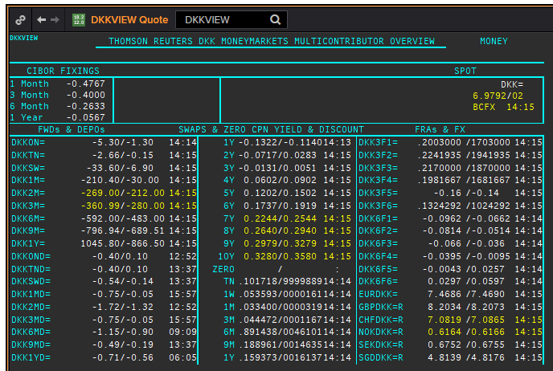
DKK | DKKAMTNC
.
Maturity | Type | RIC | Bid yield (%) | Ask yield (%) | Mid Yield (%) | Ee | Eb | Fe | Fb | Bid/ask | Currency | Tenor | History Start | Close | Helper | Fwd Start Date
1M | OIS | DKKAMTNC1M= | -0.516 | -0.376 | -0.446 | 1 | 1 | 1 | 1 | MID | DKK | 0 | 2003-01-06 | 2.96
2M | OIS | DKKAMTNC2M= | -0.495 | -0.395 | -0.445 | 1 | 1 | 1 | 1 | MID | DKK | 0 | 2003-01-06 | 2.95
3M | OIS | DKKAMTNC3M= | -0.477 | -0.417 | -0.447 | 1 | 1 | 1 | 1 | MID | DKK | 0 | 2003-01-06 | 2.94
6M | OIS | DKKAMTNC6M= | -0.485 | -0.425 | -0.455 | 1 | 1 | 1 | 1 | MID | DKK | 0 | 2003-01-06 | 2.87
9M | OIS | DKKAMTNC9M= | -0.487 | -0.427 | -0.457 | 1 | 1 | 1 | 1 | MID | DKK | 0 | 2003-01-06 | 2.87
1Y | OIS | DKKAMTNC1Y= | -0.486 | -0.426 | -0.456 | 1 | 1 | 1 | 1 | MID | DKK | 0 | 2003-01-06 | 2.87
2Y | OIS | DKKAMTNC2Y= | -0.453 | -0.423 | -0.438 | 1 | 1 | 1 | 1 | MID | DKK | 0 | 2013-04-10 | 0.1182
3Y | OIS | DKKAMTNC3Y= | -0.423 | -0.393 | -0.408 | 1 | 1 | 1 | 1 | MID | DKK | 0 | 2013-04-10 | 0.2318
4Y | OIS | DKKAMTNC4Y= | -0.3502 | -0.3102 | -0.3302 | 1 | 1 | 1 | 1 | MID | DKK | 0 | 2013-04-10 | 0.3834
5Y | OIS | DKKAMTNC5Y= | -0.3049 | -0.2449 | -0.2749 | 1 | 1 | 1 | 1 | MID | DKK | 0 | 2013-04-10 | 0.5611
SW | IBOR | CIDKKSWD= |  |  | -0.4067 | 1 | 1 | 1 | 1 | MID | DKK | 0 | 2005-04-01 | 2.1783
2W | IBOR | CIDKK2WD= |  |  | -0.38 | 1 | 1 | 1 | 1 | MID | DKK | 0 | 2005-04-01 | 2.1783
1M | IBOR | CIDKK1MD= |  |  | -0.3367 | 1 | 1 | 1 | 1 | MID | DKK | 0 | 1995-03-01 | 5.866
2M | IBOR | CIDKK2MD= |  |  | -0.2867 | 1 | 1 | 1 | 1 | MID | DKK | 0 | 1995-03-01 | 6.01
3M | IBOR | CIDKK3MD= |  |  | -0.2533 | 1 | 1 | 1 | 1 | MID | DKK | 0 | 1995-03-01 | 6.128
6M | IBOR | CIDKK6MD= |  |  | -0.1267 | 1 | 1 | 1 | 1 | MID | DKK | 0 | 1995-03-01 | 6.45
9M | IBOR | CIDKK9MD= |  |  | -0.0233 | 1 | 1 | 1 | 1 | MID | DKK | 0 | 1995-10-08 | 5.816
1Y | IBOR | CIDKK1YD= |  |  | 0.0833 | 1 | 1 | 1 | 1 | MID | DKK | 0 | 1995-10-16 | 5.848
6M | FRA | DKK3F1= | -0.2266774 | -0.1966774 | -0.2116774 | 1 | 1 | 1 | 1 | MID | DKK | 3M | 1999-06-11 | 3.11 | 150620 | 2020-09-15
9M | FRA | DKK3F2= | -0.224 | -0.194 | -0.209 | 1 | 1 | 1 | 1 | MID | DKK | 3M | 1999-06-11 | 3.21 | 140920 | 2020-12-14
1Y | FRA | DKK3F3= | -0.22 | -0.2 | -0.21 | 1 | 1 | 1 | 1 | MID | DKK | 3M | 1999-06-11 | 3.47 | 141220 | 2021-03-14
15M | FRA | DKK3F4= | -0.2088276 | -0.1788276 | -0.1938276 | 1 | 1 | 1 | 1 | MID | DKK | 3M | 1999-06-11 | 3.48 | 150321 | 2021-06-15
18M | FRA | DKK3F5= | -0.17 | -0.15 | -0.16 | 1 | 1 | 1 | 1 | MID | DKK | 3M | 1999-07-15 | 4.17 | 140621 | 2021-09-14
21M | FRA | DKK3F6= | -0.1385 | -0.1085 | -0.1235 | 1 | 1 | 1 | 1 | MID | DKK | 3M | 1999-07-15 | 4.43 | 130921 | 2021-12-13
2Y | FRA | DKK3F7= | -0.1096141 | -0.0796141 | -0.0946141 | 1 | 1 | 1 | 1 | MID | DKK | 3M | 2004-10-20 | 3.02 | 131221 | 2022-03-13
2.25Y | FRA | DKK3F8= | -0.0945929 | -0.0645929 | -0.0795929 | 1 | 1 | 1 | 1 | MID | DKK | 3M | 2004-10-20 | 3.16 | 140322 | 2022-06-14
2.5Y | FRA | DKK3F9= | -0.0813902 | -0.0513902 | -0.0663902 | 1 | 1 | 1 | 1 | MID | DKK | 3M | 2004-10-20 | 3.31 | 130622 | 2022-09-13
2.75Y | FRA | DKK3F10= | -0.0621718 | -0.0321718 | -0.0471718 | 1 | 1 | 1 | 1 | MID | DKK | 3M | 2004-10-20 | 3.42 | 190922 | 2022-12-19
9M | FRA | DKK6F1= | -0.0798 | -0.0498 | -0.0648 | 1 | 1 | 1 | 1 | MID | DKK | 6M | 1999-06-11 | 3.32 | 150620 | 2020-12-15
1Y | FRA | DKK6F2= | -0.0715 | -0.0415 | -0.0565 | 1 | 1 | 1 | 1 | MID | DKK | 6M | 1999-06-11 | 3.49 | 140920 | 2021-03-14
1.25Y | FRA | DKK6F3= | -0.0536 | -0.0236 | -0.0386 | 1 | 1 | 1 | 1 | MID | DKK | 6M | 1999-06-11 | 3.6 | 141220 | 2021-06-14
1.5Y | FRA | DKK6F4= | -0.0314 | -0.0014 | -0.0164 | 1 | 1 | 1 | 1 | MID | DKK | 6M | 1999-06-11 | 3.75 | 150321 | 2021-09-15
1.75Y | FRA | DKK6F5= | -0.0022 | 0.0278 | 0.0128 | 1 | 1 | 1 | 1 | MID | DKK | 6M | 1999-07-15 | 4.33 | 140621 | 2021-12-14
2Y | FRA | DKK6F6= | 0.0253 | 0.0553 | 0.0403 | 1 | 1 | 1 | 1 | MID | DKK | 6M | 1999-07-15 | 4.55 | 130921 | 2022-03-13
1Y | IRS | DKKAB6C1Y= | -0.0893 | -0.0711 | -0.0802 | 1 | 1 | 1 | 1 | MID | DKK | 6M | 1997-08-13 | 4.14
2Y | IRS | DKKAB6C2Y= | -0.0335 | -0.0085 | -0.021 | 1 | 1 | 1 | 1 | MID | DKK | 6M | 1995-03-01 | 7.93
3Y | IRS | DKKAB6C3Y= | 0.012 | 0.037 | 0.0245 | 1 | 1 | 1 | 1 | MID | DKK | 6M | 1995-03-01 | 8.25
4Y | IRS | DKKAB6C4Y= | 0.0635 | 0.0885 | 0.076 | 1 | 1 | 1 | 1 | MID | DKK | 6M | 1995-03-01 | 8.47
5Y | IRS | DKKAB6C5Y= | 0.1175 | 0.1425 | 0.13 | 1 | 1 | 1 | 1 | MID | DKK | 6M | 1995-03-01 | 8.6
6Y | IRS | DKKAB6C6Y= | 0.1655 | 0.1905 | 0.178 | 1 | 1 | 1 | 1 | MID | DKK | 6M | 1995-05-18 | 8.06
7Y | IRS | DKKAB6C7Y= | 0.2105 | 0.2355 | 0.223 | 1 | 1 | 1 | 1 | MID | DKK | 6M | 1995-03-01 | 8.82
8Y | IRS | DKKAB6C8Y= | 0.2495 | 0.2745 | 0.262 | 1 | 1 | 1 | 1 | MID | DKK | 6M | 1996-02-07 | 7.1
9Y | IRS | DKKAB6C9Y= | 0.2855 | 0.3105 | 0.298 | 1 | 1 | 1 | 1 | MID | DKK | 6M | 1996-02-07 | 7.27
10Y | IRS | DKKAB6C10Y= | 0.307 | 0.327 | 0.317 | 1 | 1 | 1 | 1 | MID | DKK | 6M | 1995-03-01 | 8.98
12Y | IRS | DKKAB6C12Y= | 0.3164 | 0.4164 | 0.3664 | 1 | 1 | 1 | 1 | MID | DKK | 6M | 2008-09-12 | 4.917
15Y | IRS | DKKAB6C15Y= | 0.3982 | 0.4382 | 0.4182 | 1 | 1 | 1 | 1 | MID | DKK | 6M | 2008-04-04 | 4.73
20Y | IRS | DKKAB6C20Y= | 0.4025 | 0.4425 | 0.4225 | 1 | 1 | 1 | 1 | MID | DKK | 6M | 2009-12-17 | 3.945
25Y | IRS | DKKAB6C25Y= | 0.3645 | 0.3995 | 0.382 | 1 | 1 | 1 | 1 | MID | DKK | 6M | 2009-12-17 | 4.066
30Y | IRS | DKKAB6C30Y= | 0.2875 | 0.3225 | 0.305 | 1 | 1 | 1 | 1 | MID | DKK | 6M | 2009-12-17 | 3.973

GBP
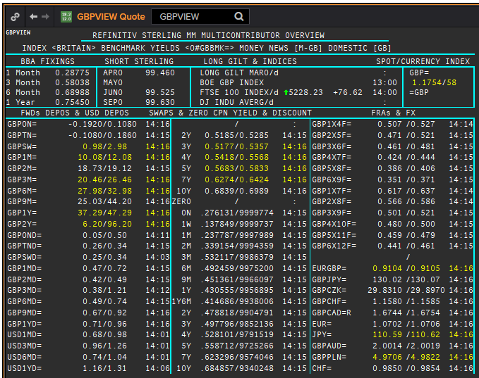
 | GBP | GBP
 | .
 | Maturity | Type | RIC | Bid yield (%) | Ask yield (%) | Mid Yield (%) | Ee | Eb | Fe | Fb | Bid/ask | Currency | Tenor | History Start | Close | Helper | Fwd Start Date
Excl. CDIO | SW | OIS | GBPSWOIS= | 0.0618 | 0.0818 | 0.0718 | 1 | 1 | 1 | 1 | MID | GBP | 0 | 2007-08-28 | 5.818
Excl. CDIO | 2W | OIS | GBP2WOIS= | 0.0606 | 0.0806 | 0.0706 | 1 | 1 | 1 | 1 | MID | GBP | 0 | 2013-01-28 | 0.396
 | 1M | OIS | GBP1MOIS= | 0.06 | 0.08 | 0.07 | 1 | 1 | 1 | 1 | MID | GBP | 0 | 2007-08-28 | 5.849
 | 2M | OIS | GBP2MOIS= | 0.0616 | 0.0816 | 0.0716 | 1 | 1 | 1 | 1 | MID | GBP | 0 | 2007-08-23 | 5.875
 | 3M | OIS | GBP3MOIS= | 0.0631 | 0.0831 | 0.0731 | 1 | 1 | 1 | 1 | MID | GBP | 0 | 2004-01-19 | 3.91
 | 4M | OIS | GBP4MOIS= | 0.0648 | 0.0848 | 0.0748 | 1 | 1 | 1 | 1 | MID | GBP | 0 | 2007-08-23 | 5.893
 | 5M | OIS | GBP5MOIS= | 0.067 | 0.087 | 0.077 | 1 | 1 | 1 | 1 | MID | GBP | 0 | 2007-08-28 | 5.888
 | 6M | OIS | GBP6MOIS= | 0.069 | 0.089 | 0.079 | 1 | 1 | 1 | 1 | MID | GBP | 0 | 2007-08-28 | 5.9
 | 7M | OIS | GBP7MOIS= | 0.0703 | 0.0903 | 0.0803 | 1 | 1 | 1 | 1 | MID | GBP | 0 | 2007-08-28 | 5.913
 | 8M | OIS | GBP8MOIS= | 0.0728 | 0.0928 | 0.0828 | 1 | 1 | 1 | 1 | MID | GBP | 0 | 2007-08-23 | 6.045
 | 9M | OIS | GBP9MOIS= | 0.076 | 0.096 | 0.086 | 1 | 1 | 1 | 1 | MID | GBP | 0 | 2007-08-28 | 5.938
 | 10M | OIS | GBP10MOIS= | 0.0799 | 0.0999 | 0.0899 | 1 | 1 | 1 | 1 | MID | GBP | 0 | 2007-08-28 | 5.949
 | 11M | OIS | GBP11MOIS= | 0.0832 | 0.1032 | 0.0932 | 1 | 1 | 1 | 1 | MID | GBP | 0 | 2007-08-28 | 5.956
 | 1Y | OIS | GBP1YOIS= | 0.0863 | 0.1063 | 0.0963 | 1 | 1 | 1 | 1 | MID | GBP | 0 | 2007-08-28 | 5.964
 | 18M | OIS | GBP18MOIS= | 0.118 | 0.133 | 0.1255 | 1 | 1 | 1 | 1 | MID | GBP | 0 | 2017-10-17 | 0.607
 | 2Y | OIS | GBP2YOIS= | 0.123 | 0.153 | 0.138 | 1 | 1 | 1 | 1 | MID | GBP | 0 | 2007-08-28 | 6.133
 | 3Y | OIS | GBP3YOIS= | 0.1548 | 0.1848 | 0.1698 | 1 | 1 | 1 | 1 | MID | GBP | 0 | 2015-01-08 | 0.7708
 | ON | IBOR | GBPONFSR= |  |  | 0.064 | 1 | 1 | 1 | 1 | MID | GBP | 0 | 2001-01-02 | 5.81094
Excl. CDIO | SW | IBOR | GBPSWFSR= |  |  | 0.13738 | 1 | 1 | 1 | 1 | MID | GBP | 0 | 1997-12-02 | 7.30469
Excl. CDIO | 1M | IBOR | GBP1MFSR= |  |  | 0.23688 | 1 | 1 | 1 | 1 | MID | GBP | 0 | 1995-03-01 | 6.5
Excl. CDIO | 2M | IBOR | GBP2MFSR= |  |  | 0.33775 | 1 | 1 | 1 | 1 | MID | GBP | 0 | 1995-03-01 | 6.6875
 | 3M | IBOR | GBP3MFSR= |  |  | 0.53663 | 1 | 1 | 1 | 1 | MID | GBP | 0 | 1995-03-01 | 6.75
Excl. CDIO | 6M | IBOR | GBP6MFSR= |  |  | 0.67363 | 1 | 1 | 1 | 1 | MID | GBP | 0 | 1995-03-01 | 7.1875
Excl. CDIO | 1Y | IBOR | GBP1YFSR= |  |  | 0.79688 | 1 | 1 | 1 | 1 | MID | GBP | 0 | 1995-03-01 | 7.8125
 | 4M | FRA | GBP1X4F= | 0.465 | 0.485 | 0.475 | 1 | 1 | 1 | 1 | MID | GBP | 3M | 1995-03-01 | 6.85 | 1X4 | #VALUE!
Excl. CDIO | 5M | FRA | GBP2X5F= | 0.396 | 0.446 | 0.421 | 1 | 1 | 1 | 1 | MID | GBP | 3M | 1995-03-01 | 7.1 | 2X5 | #VALUE!
Excl. CDIO | 6M | FRA | GBP3X6F= | 0.356 | 0.406 | 0.381 | 1 | 1 | 1 | 1 | MID | GBP | 3M | 1995-03-01 | 7.36 | 3X6 | #VALUE!
Excl. CDIO | 7M | FRA | GBP4X7F= | 0.33 | 0.38 | 0.355 | 1 | 1 | 1 | 1 | MID | GBP | 3M | 1995-03-01 | 7.6 | 4X7 | #VALUE!
 | 8M | FRA | GBP5X8F= | 0.302 | 0.352 | 0.327 | 1 | 1 | 1 | 1 | MID | GBP | 3M | 1995-03-01 | 7.82 | 5X8 | #VALUE!
Excl. CDIO | 9M | FRA | GBP6X9F= | 0.297 | 0.317 | 0.307 | 1 | 1 | 1 | 1 | MID | GBP | 3M | 1995-03-01 | 7.42 | 6X9 | #VALUE!
Excl. CDIO | 10M | FRA | GBP7X10F= | 0.3 | 0.32 | 0.31 | 1 | 1 | 1 | 1 | MID | GBP | 3M | 1995-03-01 | 8.03 | 7X10 | #VALUE!
Excl. CDIO | 11M | FRA | GBP8X11F= | 0.303 | 0.323 | 0.313 | 1 | 1 | 1 | 1 | MID | GBP | 3M | 1995-03-01 | 7.79 | 8X11 | #VALUE!
 | 12M | FRA | GBP9X12F= | 0.291 | 0.341 | 0.316 | 1 | 1 | 1 | 1 | MID | GBP | 3M | 1995-03-01 | 7.94 | 9X12 | #VALUE!
Excl. CDIO | 7M | FRA | GBP1X7F= | 0.573 | 0.623 | 0.598 | 1 | 1 | 1 | 1 | MID | GBP | 6M | 1995-03-01 | 7.29 | 1X7 | #VALUE!
Excl. CDIO | 8M | FRA | GBP2X8F= | 0.475 | 0.495 | 0.485 | 1 | 1 | 1 | 1 | MID | GBP | 6M | 1995-03-01 | 7.43 | 2X8 | #VALUE!
Excl. CDIO | 9M | FRA | GBP3X9F= | 0.443 | 0.493 | 0.468 | 1 | 1 | 1 | 1 | MID | GBP | 6M | 1995-03-01 | 7.71 | 3X9 | #VALUE!
Excl. CDIO | 10M | FRA | GBP4X10F= | 0.413 | 0.433 | 0.423 | 1 | 1 | 1 | 1 | MID | GBP | 6M | 1995-03-01 | 7.89 | 4X10 | #VALUE!
Excl. CDIO | 11M | FRA | GBP5X11F= | 0.398 | 0.418 | 0.408 | 1 | 1 | 1 | 1 | MID | GBP | 6M | 1995-03-01 | 8.04 | 5X11 | #VALUE!
Excl. CDIO | 12M | FRA | GBP6X12F= | 0.386 | 0.406 | 0.396 | 1 | 1 | 1 | 1 | MID | GBP | 6M | 1995-03-01 | 7.75 | 6X12 | #VALUE!
Excl. CDIO | 14M | FRA | GBP8X14F= | 0.383 | 0.403 | 0.393 | 1 | 1 | 1 | 1 | MID | GBP | 6M | 1995-03-01 | 8.09 |  | #VALUE!
Excl. CDIO | 18M | FRA | GBP12X18F= | 0.377 | 0.427 | 0.402 | 1 | 1 | 1 | 1 | MID | GBP | 6M | 1995-03-01 | 8.55 | 12X18 | #VALUE!
 | 1Y | IRS | GBPSB6L1Y= | 0.5132 | 0.5532 | 0.5332 | 1 | 1 | 1 | 1 | MID | GBP | 6M | 2016-06-09 | 0.6815
 | 2Y | IRS | GBPSB6L2Y= | 0.4669 | 0.4819 | 0.4744 | 1 | 1 | 1 | 1 | MID | GBP | 6M | 1995-03-01 | 8.26
 | 3Y | IRS | GBPSB6L3Y= | 0.4643 | 0.4823 | 0.4733 | 1 | 1 | 1 | 1 | MID | GBP | 6M | 1995-03-01 | 8.54
 | 4Y | IRS | GBPSB6L4Y= | 0.4792 | 0.4942 | 0.4867 | 1 | 1 | 1 | 1 | MID | GBP | 6M | 1995-03-01 | 8.63
 | 5Y | IRS | GBPSB6L5Y= | 0.4953 | 0.5103 | 0.5028 | 1 | 1 | 1 | 1 | MID | GBP | 6M | 1995-03-01 | 8.72
 | 6Y | IRS | GBPSB6L6Y= | 0.5166 | 0.5316 | 0.5241 | 1 | 1 | 1 | 1 | MID | GBP | 6M | 1995-03-01 | 8.78
 | 7Y | IRS | GBPSB6L7Y= | 0.5358 | 0.5508 | 0.5433 | 1 | 1 | 1 | 1 | MID | GBP | 6M | 1995-03-01 | 8.85
 | 8Y | IRS | GBPSB6L8Y= | 0.537 | 0.587 | 0.562 | 1 | 1 | 1 | 1 | MID | GBP | 6M | 1995-03-01 | 8.85
 | 9Y | IRS | GBPSB6L9Y= | 0.5655 | 0.585 | 0.57525 | 1 | 1 | 1 | 1 | MID | GBP | 6M | 1995-03-01 | 8.86
 | 10Y | IRS | GBPSB6L10Y= | 0.5792 | 0.5988 | 0.589 | 1 | 1 | 1 | 1 | MID | GBP | 6M | 1995-03-01 | 8.88
 | 12Y | IRS | GBPSB6L12Y= | 0.586 | 0.656 | 0.621 | 1 | 1 | 1 | 1 | MID | GBP | 6M | 2003-08-18 | 4.77
 | 15Y | IRS | GBPSB6L15Y= | 0.593 | 0.683 | 0.638 | 1 | 1 | 1 | 1 | MID | GBP | 6M | 2003-08-18 | 4.79
 | 20Y | IRS | GBPSB6L20Y= | 0.629 | 0.65 | 0.6395 | 1 | 1 | 1 | 1 | MID | GBP | 6M | 2003-08-18 | 4.79
 | 25Y | IRS | GBPSB6L25Y= | 0.6155 | 0.6365 | 0.626 | 1 | 1 | 1 | 1 | MID | GBP | 6M | 1998-08-13 | 5.97
 | 30Y | IRS | GBPSB6L30Y= | 0.5995 | 0.6205 | 0.61 | 1 | 1 | 1 | 1 | MID | GBP | 6M | 2003-08-18 | 4.79
Excl. CDIO | 40Y | IRS | GBPSB6L40Y= | 0.474 | 0.644 | 0.559 | 1 | 1 | 1 | 1 | MID | GBP | 6M | 2003-10-20 | 4.82
Excl. CDIO | 50Y | IRS | GBPSB6L50Y= | 0.429 | 0.599 | 0.514 | 1 | 1 | 1 | 1 | MID | GBP | 6M | 2003-10-20 | 4.75

