Frågor
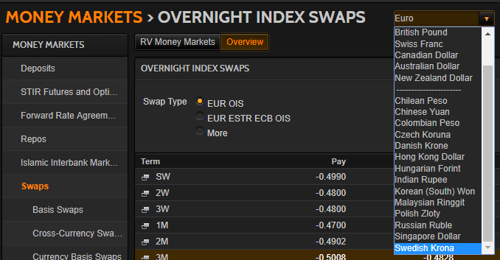
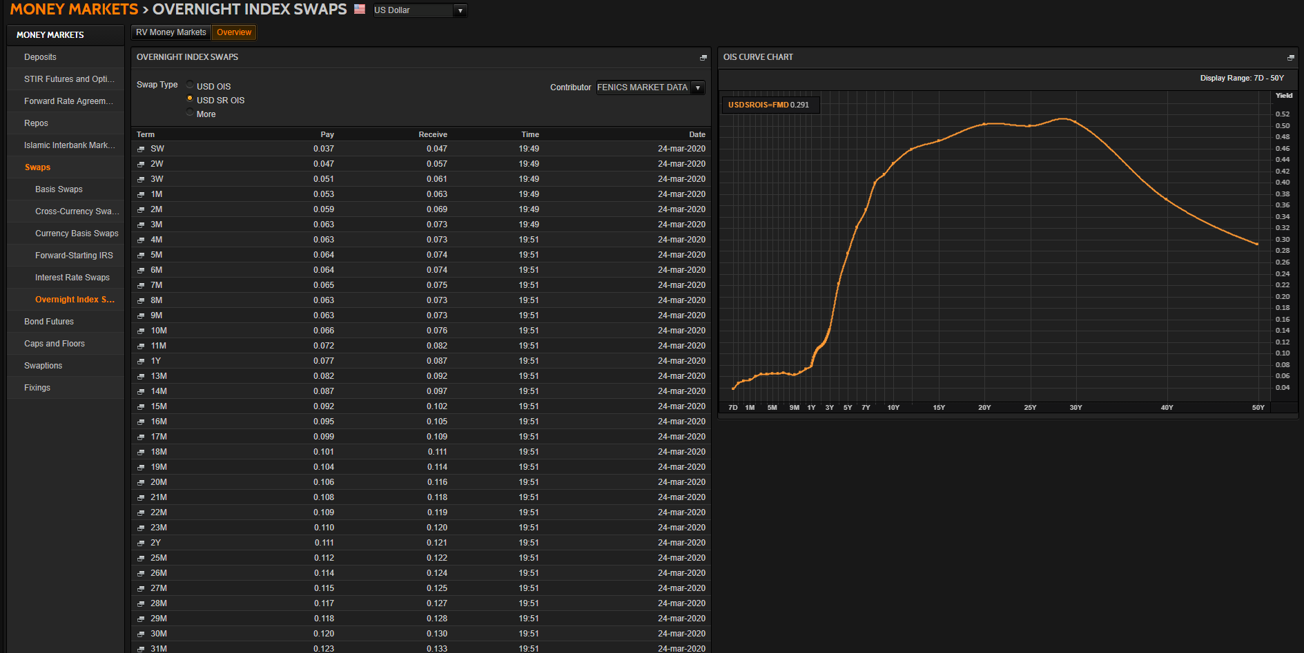
Generella frågor |  | Jörgens svar |  | OK/Fixat | Hjälp | Återstår |  | Mitt svar
Ska vi enbart ha instrument för riskfria samt 3M-tenoren, likt i CDIOn, eller samtliga tenorer? Instrument som ej användes i CDIOn är markerade med "Excl. CDIO" till vänster. |  | Det beror på vad huvudtenoren är. Det kan vara 3 eller 6 månader (i EUR är det 6M) |  |  |  |  |  | Oklart? Ta bort icke-huvudsakliga tenorer m.a.o?
Ska vi till skillnad mot i CDIOn även ta med t.ex. FRAs med överlappande tidsperioder? T.ex. 1X4, 2X5. |  | Ja, de skall vara med |  |  |  |  |  | OK
Vad räknas som maturity för t.ex. 6F1 eller 6#1? 3+6Mån = 9Mån? |  | Det är bara 3F1, och de börjar gälla den närmaste IMM-dagen, och gäller 3 månader från den dagen. |  |  |  |  |  | Oklart?

SEK

USD
Skippa SOFR? |  | Det vore trevlig att ha med. Har ni hittat swapparna som går mot den? |  |  |  |  |  | USDSOFR= är inlagd. Troligen typ USDSROIS=FMD?
Noterbart är att vi i CDIOn använde ICAPs OISer vilket inte görs nu, ger kortare löptid på de längsta. |  | Borde använda ICAP:s för att få längre löptider |  |  |  |  |  | Har bytt till USDOIS=ICAP

NOK
Finns NOK-OISer, och i så fall var? |  | Den verkar inte finnas, så vi får lämna den tills vidare |  |  |  |  |  | OK, ingen åtgärd
Ska NOWA inkluderas? |  | Tror inte det (just nu) |  |  |  |  |  | OK, borttagen

EUR
€STR från 2 oct 2019 och EONIA innan dess? EONIA är numer lika med $STR + 8.5bp |  | Försök att få in båda. Vet ni om det finns något motsvarande OIS-kedja för €STR? |  |  |  |  |  | Tar in €STR från EUROSTR=. Har hittat EURESTOIS= för OISer?
EURIBOR hade fram till 2013 15 olika räntor, numer 5. Vad ska vi räkna med? Går de tidigare att hitta? De kommandon som Reuters refererar till verkar ej existera. |  | Det är 6-månaders räntan som är den centrala |  |  |  |  |  | OK, då avvaktar vi med att leta efter äldre längder
EURIBOR publicerades först 30 dec 1998 men queryn säger att data finns t.o.m. aug 1990? Tolkar vi fel eller vad gäller för startdatum? | https://www.euribor-rates.eu/en/what-is-euribor/ | Den brukar vara beräknad från Dmark |  |  |  |  |  | OK, ingen åtgärd
Visst väljer vi EURIBOR över EUR Libor eftersom den andra enbart är begränsat använd? |  | IRS:en går mot 6M EURIBOR, så det är den som är relevant |  |  |  |  |  | OK, ingen åtgärd

DKK

GBP
SONIA? | https://www.morton-fraser.com/knowledge-hub/problem-sonia-alternative-libor | Tanken är ju att det skall bli SONIA i framtiden.
 |  |  |  |  |  |  | Tror att nedanstående är fel |  | €STR OISar nedan? Ser rätt ut!
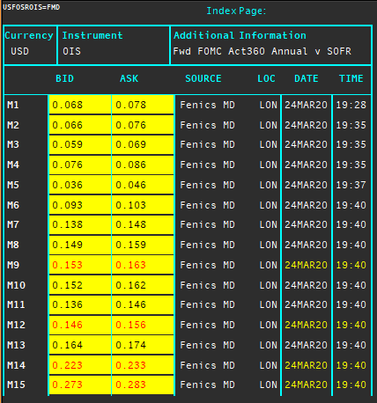
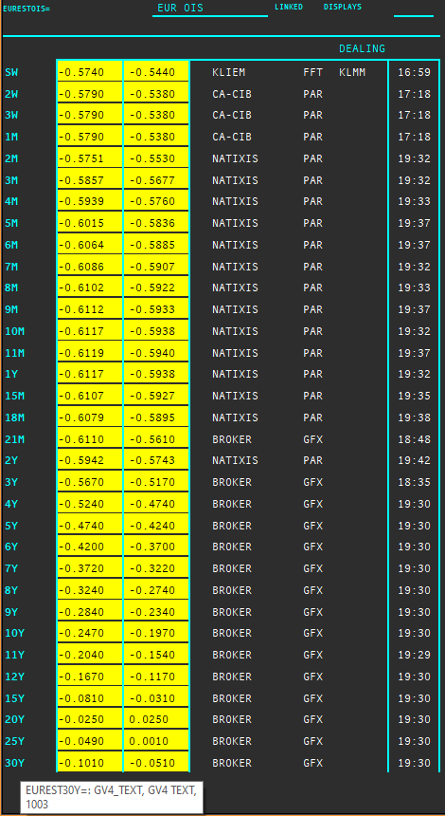

Länkar jag behöver läsa:
https://www.clarusft.com/scandie-swaps/
https://www.clarusft.com/nok-rates-nibor-and-nowa/
https://e-markets.nordea.com/api/research/attachment/76848
https://bahr.no/en/newsletter/finance-what-next-for-nibor/
https://www.google.com/search?q=stina+ois&rlz=1C1GCEB_enSE879SE879&oq=stina+ois&aqs=chrome..69i57j33.856j0j7&sourceid=chrome&ie=UTF-8
https://www.nasdaq.com/docs/SEK%20OIS%20Product%20Sheet.pdf
https://www.clarusft.com/sek-stibor-reform/
https://en.wikipedia.org/wiki/IMM_dates
https://www.cmegroup.com/education/courses/introduction-to-eurodollars/understanding-imm-price-and-date.html
https://www.ecb.europa.eu/paym/initiatives/interest_rate_benchmarks/shared/pdf/ecb.Pre-ESTER.en.pdf
https://www.ecb.europa.eu/stats/financial_markets_and_interest_rates/euro_short-term_rate/html/eurostr_overview.en.html
https://e-markets.nordea.com/api/research/attachment/86700
https://www.traditiondata.com/assets/notifications/eb363deff1/NP-Oct19-006_TraditionDATA_Product-Notification_Release_ESTER.PDF
https://www.traditiondata.com/assets/Uploads/303dce69e6/191017_TRADITIONDATA_0070_SellSheet_IRD_ESTER_V3-FIN-PRAW-WEB.pdf
https://www.clarusft.com/sofr-market-developments/ | "The USD OIS market is actually two markets: one referencing SOFR and the more established one referencing EFFR (Fed Funds)."

Maila Jörgen när det som går är fixat och för förtydliganden om övrigt

Tror att man genom nedanstående kan identifiera semi-annual eller annual fasta ben!
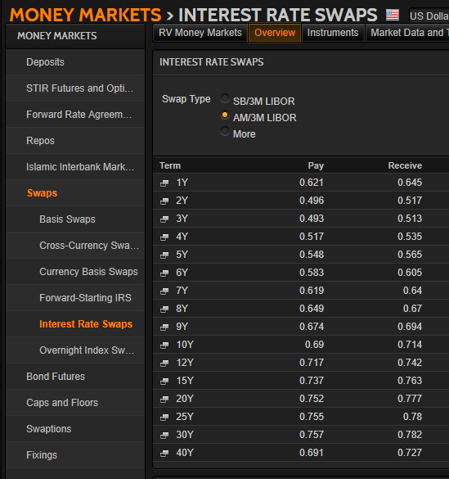
 |  |  | Nedan bekräftar att NOK saknar OIS-marknad. Det verkar enligt internet gå igenom FX-swappar mot andra valutar i stället.

SuperRICs
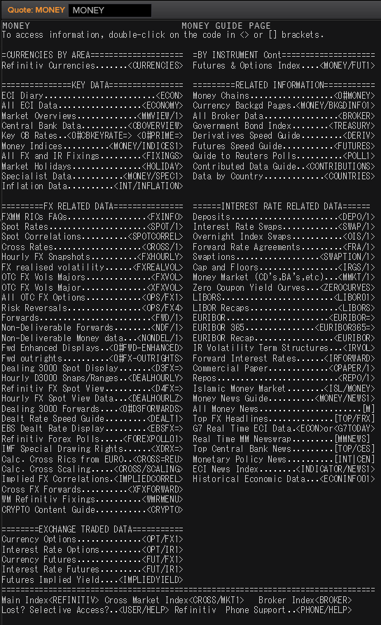
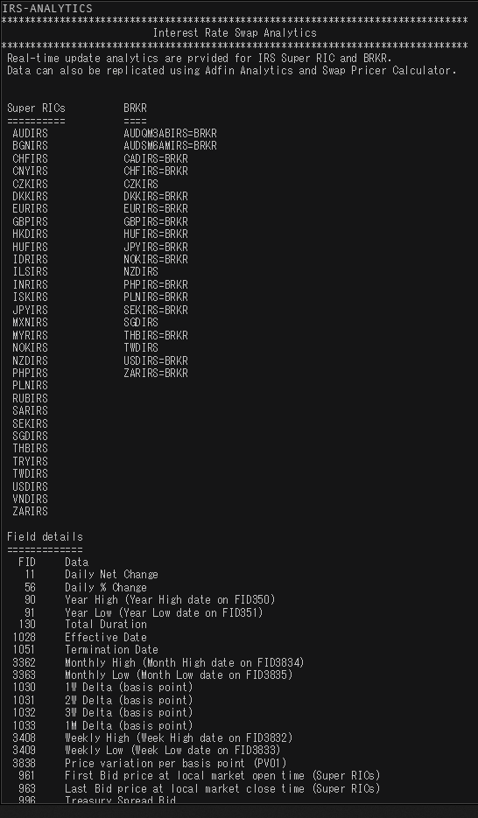
 | SEK | USD | NOK | EUR | DKK | GBP
Market Overview | SEKVIEW | USDVIEW | NOKVIEW | EURVIEW | DKKVIEW | GBPVIEW
Interest Rate Swap | SEKIRS | USDIRS | NOKIRS | EURIRS/EUR1MIRS/EUR3MIRS | DKKIRS | GBPIRS
Overnight Index Swap | SEKOIS | USDOIS/USDOIS=ICAP | - | EUROIS/EURESTOIS= | DKKTNS | GBPOIS
FRA | SEKFRA | USDFRA | NOKFRA | EURFRA | DKKFRA | GBPFRA
IBOR | STIBOR= | USDLIBOR= | OIBOR= | EURIBOR=/EURLIBOR= | CIBOR= | GBPLIBOR=

 | IRS | Tenors | Money Guide | Swaps
Helpful Commands | IRS-Analytics | META & RIC | MONEY | Typ: US/SWAPS
 |  | MONEY/BKGDINFO1

SEK
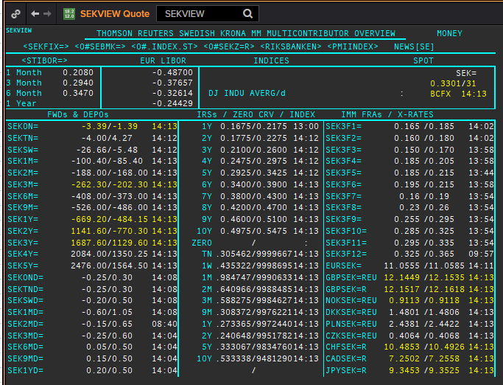
 | SEK
 | . |  |  |  |  |  |  |  |  |  |  |  |  | 01-Jan-1990
 | Maturity | Type | RIC | Bid yield (%) | Ask yield (%) | Mid Yield (%) | Ee | Eb | Fe | Fb | Bid/ask | Currency | Tenor | History Start | Close | Helper | Fwd Start Date
 | 1M | OIS | SEKAMTNS1M= | 0.034 | 0.054 | 0.044 | 1 | 1 | 1 | 1 | MID | SEK | 0 | 2002-09-03 | 4.34
 | 2M | OIS | SEKAMTNS2M= | 0.005 | 0.025 | 0.015 | 1 | 1 | 1 | 1 | MID | SEK | 0 | 2002-09-03 | 4.34
 | 3M | OIS | SEKAMTNS3M= | -0.007 | 0.013 | 0.003 | 1 | 1 | 1 | 1 | MID | SEK | 0 | 2002-09-03 | 4.33
 | 6M | OIS | SEKAMTNS6M= | -0.04 | -0.02 | -0.03 | 1 | 1 | 1 | 1 | MID | SEK | 0 | 2002-09-03 | 4.36
 | 9M | OIS | SEKAMTNS9M= | -0.053 | -0.033 | -0.043 | 1 | 1 | 1 | 1 | MID | SEK | 0 | 2002-09-03 | 4.41
 | 1Y | OIS | SEKAMTNS1Y= | -0.06 | -0.04 | -0.05 | 1 | 1 | 1 | 1 | MID | SEK | 0 | 2002-08-29 | 4.48
 | 2Y | OIS | SEKAMTNS2Y= | -0.021 | 0.029 | 0.004 | 1 | 1 | 1 | 1 | MID | SEK | 0 | 2012-10-22 | 1.015
 | 3Y | OIS | SEKAMTNS3Y= | 0.031 | 0.081 | 0.056 | 1 | 1 | 1 | 1 | MID | SEK | 0 | 2012-10-22 | 1.105
 | 4Y | OIS | SEKAMTNS4Y= | 0.08 | 0.1 | 0.09 | 1 | 1 | 1 | 1 | MID | SEK | 0 | 2012-10-22 | 1.22
 | 5Y | OIS | SEKAMTNS5Y= | 0.149 | 0.169 | 0.159 | 1 | 1 | 1 | 1 | MID | SEK | 0 | 2012-10-22 | 1.365
 | 6Y | OIS | SEKAMTNS6Y= | 0.215 | 0.235 | 0.225 | 1 | 1 | 1 | 1 | MID | SEK | 0 | 2012-10-22 | 1.49
 | 7Y | OIS | SEKAMTNS7Y= | 0.274 | 0.294 | 0.284 | 1 | 1 | 1 | 1 | MID | SEK | 0 | 2012-10-22 | 1.615
 | 8Y | OIS | SEKAMTNS8Y= | 0.259 | 0.309 | 0.284 | 1 | 1 | 1 | 1 | MID | SEK | 0 | 2012-10-22 | 1.715
 | 9Y | OIS | SEKAMTNS9Y= | 0.373 | 0.393 | 0.383 | 1 | 1 | 1 | 1 | MID | SEK | 0 | 2012-10-22 | 1.81
 | 10Y | OIS | SEKAMTNS10Y= | 0.416 | 0.436 | 0.426 | 1 | 1 | 1 | 1 | MID | SEK | 0 | 2012-10-22 | 1.895
 | 12Y | OIS | SEKAMTNS12Y= | 0.413 | 0.463 | 0.438 | 1 | 1 | 1 | 1 | MID | SEK | 0 | 2013-07-04 | 2.425
 | 15Y | OIS | SEKAMTNS15Y= | 0.481 | 0.531 | 0.506 | 1 | 1 | 1 | 1 | MID | SEK | 0 | 2013-07-04 | 2.515
 | 20Y | OIS | SEKAMTNS20Y= | 0.621 | 0.641 | 0.631 | 1 | 1 | 1 | 1 | MID | SEK | 0 | 2013-07-04 | 2.575
 | 25Y | OIS | SEKAMTNS25Y= | 0.464 | 0.514 | 0.489 | 1 | 1 | 1 | 1 | MID | SEK | 0 | 2013-07-04 | 2.605
 | 30Y | OIS | SEKAMTNS30Y= | 0.614 | 0.634 | 0.624 | 1 | 1 | 1 | 1 | MID | SEK | 0 | 2013-07-04 | 2.645
 | TN | IBOR | STISEKTNDFI= |  |  | 0.096 | 1 | 1 | 1 | 1 | MID | SEK | 0 | 1997-06-10 | 4.2
Excl. CDIO | 1W | IBOR | STISEK1WDFI= |  |  | 0.107 | 1 | 1 | 1 | 1 | MID | SEK | 0 | 1990-01-02 | 12.75
Excl. CDIO | 1M | IBOR | STISEK1MDFI= |  |  | 0.243 | 1 | 1 | 1 | 1 | MID | SEK | 0 | 1990-01-02 | 12.54
Excl. CDIO | 2M | IBOR | STISEK2MDFI= |  |  | 0.301 | 1 | 1 | 1 | 1 | MID | SEK | 0 | 1994-09-06 | 7.9
 | 3M | IBOR | STISEK3MDFI= |  |  | 0.357 | 1 | 1 | 1 | 1 | MID | SEK | 0 | 1990-01-02 | 12.8
Excl. CDIO | 6M | IBOR | STISEK6MDFI= |  |  | 0.41 | 1 | 1 | 1 | 1 | MID | SEK | 0 | 1990-01-02 | 13.1
 | 6M | FRA | SEK3F1= | 0.182 | 0.202 | 0.192 | 1 | 1 | 1 | 1 | MID | SEK | 3M | 1995-12-15 | 8.72 | 150620 | 2020-09-15
 | 9M | FRA | SEK3F2= | 0.168 | 0.188 | 0.178 | 1 | 1 | 1 | 1 | MID | SEK | 3M | 1995-12-15 | 8.13 | 140920 | 2020-12-14
 | 1Y | FRA | SEK3F3= | 0.18 | 0.2 | 0.19 | 1 | 1 | 1 | 1 | MID | SEK | 3M | 1995-12-15 | 7.83 | 141220 | 2021-03-14
 | 1.25Y | FRA | SEK3F4= | 0.2 | 0.22 | 0.21 | 1 | 1 | 1 | 1 | MID | SEK | 3M | 1995-12-15 | 7.69 | 150321 | 2021-06-15
 | 1.5Y | FRA | SEK3F5= | 0.185 | 0.215 | 0.2 | 1 | 1 | 1 | 1 | MID | SEK | 3M | 1995-12-15 | 7.71 | 140621 | 2021-09-14
 | 1.75Y | FRA | SEK3F6= | 0.2 | 0.22 | 0.21 | 1 | 1 | 1 | 1 | MID | SEK | 3M | 1995-12-15 | 7.75 | 130921 | 2021-12-13
 | 2Y | FRA | SEK3F7= | 0.17 | 0.2 | 0.185 | 1 | 1 | 1 | 1 | MID | SEK | 3M | 1995-12-15 | 7.8 | 131221 | 2022-03-13
 | 2.25Y | FRA | SEK3F8= | 0.205 | 0.235 | 0.22 | 1 | 1 | 1 | 1 | MID | SEK | 3M | 1995-12-15 | 7.85 | 140322 | 2022-06-14
 | 2.5Y | FRA | SEK3F9= | 0.279 | 0.319 | 0.299 | 1 | 1 | 1 | 1 | MID | SEK | 3M | 1999-05-25 | 4.5 | 130622 | 2022-09-13
 | 2.75Y | FRA | SEK3F10= | 0.314 | 0.354 | 0.334 | 1 | 1 | 1 | 1 | MID | SEK | 3M | 1999-05-25 | 4.69 | 190922 | 2022-12-19
 | 3Y | FRA | SEK3F11= | 0.299 | 0.339 | 0.319 | 1 | 1 | 1 | 1 | MID | SEK | 3M | 1999-05-25 | 4.83 | 191222 | 2023-03-19
 | 3.25Y | FRA | SEK3F12= | 0.349 | 0.389 | 0.369 | 1 | 1 | 1 | 1 | MID | SEK | 3M | 1999-05-25 | 4.91 | 130323 | 2023-06-13
 | 1Y | IRS | SEKAB3S1Y= | 0.1975 | 0.2475 | 0.2225 | 1 | 1 | 1 | 1 | MID | SEK | 3M | 1997-05-08 | 4.72
Excl. CDIO | 1.5Y | IRS | SEKAB3S18M= | 0.208 | 0.228 | 0.218 | 1 | 1 | 1 | 1 | MID | SEK | 3M | 2003-01-07 | 3.96
 | 2Y | IRS | SEKAB3S2Y= | 0.208 | 0.228 | 0.218 | 1 | 1 | 1 | 1 | MID | SEK | 3M | 1992-02-03 | 11.39
 | 3Y | IRS | SEKAB3S3Y= | 0.233 | 0.253 | 0.243 | 1 | 1 | 1 | 1 | MID | SEK | 3M | 1992-02-03 | 11.18
 | 4Y | IRS | SEKAB3S4Y= | 0.28 | 0.3 | 0.29 | 1 | 1 | 1 | 1 | MID | SEK | 3M | 1992-02-03 | 11.01
 | 5Y | IRS | SEKAB3S5Y= | 0.318 | 0.338 | 0.328 | 1 | 1 | 1 | 1 | MID | SEK | 3M | 1992-02-03 | 10.93
 | 6Y | IRS | SEKAB3S6Y= | 0.36 | 0.38 | 0.37 | 1 | 1 | 1 | 1 | MID | SEK | 3M | 1997-08-13 | 6.4
 | 7Y | IRS | SEKAB3S7Y= | 0.398 | 0.418 | 0.408 | 1 | 1 | 1 | 1 | MID | SEK | 3M | 1992-02-03 | 10.76
 | 8Y | IRS | SEKAB3S8Y= | 0.443 | 0.463 | 0.453 | 1 | 1 | 1 | 1 | MID | SEK | 3M | 1997-08-13 | 6.63
 | 9Y | IRS | SEKAB3S9Y= | 0.48 | 0.5 | 0.49 | 1 | 1 | 1 | 1 | MID | SEK | 3M | 1997-08-13 | 6.73
 | 10Y | IRS | SEKAB3S10Y= | 0.513 | 0.533 | 0.523 | 1 | 1 | 1 | 1 | MID | SEK | 3M | 1992-02-03 | 10.65
 | 12Y | IRS | SEKAB3S12Y= | 0.588 | 0.608 | 0.598 | 1 | 1 | 1 | 1 | MID | SEK | 3M | 2008-01-10 | 4.7925
 | 15Y | IRS | SEKAB3S15Y= | 0.648 | 0.678 | 0.663 | 1 | 1 | 1 | 1 | MID | SEK | 3M | 2008-01-10 | 4.81
 | 20Y | IRS | SEKAB3S20Y= | 0.668 | 0.698 | 0.683 | 1 | 1 | 1 | 1 | MID | SEK | 3M | 2008-02-06 | 4.5925
 | 30Y | IRS | SEKAB3S30Y= | 0.54 | 0.57 | 0.555 | 1 | 1 | 1 | 1 | MID | SEK | 3M | 2012-02-08 | 2.455

USD
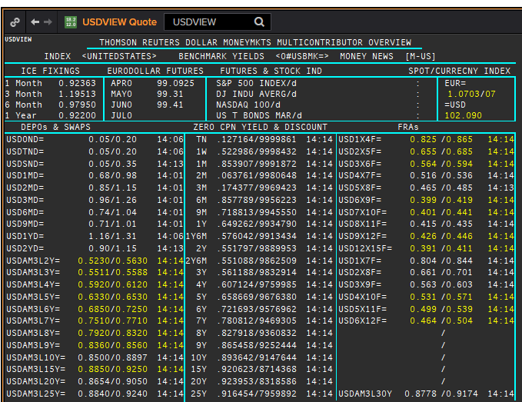
 | USD
 | . |  |  |  |  |  |  |  |  |  |  |  |  | 01-Jan-1990
 | Maturity | Type | RIC | Bid yield (%) | Ask yield (%) | Mid Yield (%) | Ee | Eb | Fe | Fb | Bid/ask | Currency | Tenor | History Start | Close | Helper | Fwd Start Date
 | 1M | OIS | USD1MOIS=ICAP | 0.078 | 0.128 | 0.103 | 1 | 1 | 1 | 1 | MID | USD | 0 | 2001-08-09 | 3.523
 | 2M | OIS | USD2MOIS=ICAP | 0.078 | 0.128 | 0.103 | 1 | 1 | 1 | 1 | MID | USD | 1 | 2001-08-09 | 3.463
 | 3M | OIS | USD3MOIS=ICAP | 0.074 | 0.124 | 0.099 | 1 | 1 | 1 | 1 | MID | USD | 2 | 2001-08-09 | 3.419
 | 4M | OIS | USD4MOIS=ICAP | 0.069 | 0.119 | 0.094 | 1 | 1 | 1 | 1 | MID | USD | 3 | 2001-08-09 | 3.41
 | 5M | OIS | USD5MOIS=ICAP | 0.066 | 0.116 | 0.091 | 1 | 1 | 1 | 1 | MID | USD | 4 | 2001-08-09 | 3.403
 | 6M | OIS | USD6MOIS=ICAP | 0.063 | 0.113 | 0.088 | 1 | 1 | 1 | 1 | MID | USD | 5 | 2001-08-09 | 3.394
 | 7M | OIS | USD7MOIS=ICAP | 0.061 | 0.111 | 0.086 | 1 | 1 | 1 | 1 | MID | USD | 6 | 2001-08-09 | 3.394
 | 8M | OIS | USD8MOIS=ICAP | 0.059 | 0.109 | 0.084 | 1 | 1 | 1 | 1 | MID | USD | 7 | 2001-08-09 | 3.408
 | 9M | OIS | USD9MOIS=ICAP | 0.059 | 0.109 | 0.084 | 1 | 1 | 1 | 1 | MID | USD | 8 | 2001-08-09 | 3.43
 | 10M | OIS | USD10MOIS=ICAP | 0.059 | 0.109 | 0.084 | 1 | 1 | 1 | 1 | MID | USD | 9 | 2001-08-09 | 3.464
 | 11M | OIS | USD11MOIS=ICAP | 0.062 | 0.112 | 0.087 | 1 | 1 | 1 | 1 | MID | USD | 10 | 2001-08-09 | 3.503
 | 1Y | OIS | USD1YOIS=ICAP | 0.064 | 0.114 | 0.089 | 1 | 1 | 1 | 1 | MID | USD | 11 | 2001-08-09 | 3.539
 | 15M | OIS | USD15MOIS=ICAP | 0.074 | 0.124 | 0.099 | 1 | 1 | 1 | 1 | MID | USD | 12 | 2001-08-09 | 3.684
 | 18M | OIS | USD18MOIS=ICAP | 0.086 | 0.136 | 0.111 | 1 | 1 | 1 | 1 | MID | USD | 13 | 2001-08-09 | 3.819
 | 21M | OIS | USD21MOIS=ICAP | 0.097 | 0.147 | 0.122 | 1 | 1 | 1 | 1 | MID | USD | 14 | 2001-08-09 | 3.952
 | 2Y | OIS | USD2YOIS=ICAP | 0.107 | 0.157 | 0.132 | 1 | 1 | 1 | 1 | MID | USD | 15 | 2001-08-09 | 4.09
 | 3Y | OIS | USD3YOIS=ICAP | 0.156 | 0.206 | 0.181 | 1 | 1 | 1 | 1 | MID | USD | 16 | 2012-03-30 | 0.384
 | 4Y | OIS | USD4YOIS=ICAP | 0.203 | 0.253 | 0.228 | 1 | 1 | 1 | 1 | MID | USD | 0 | 2012-03-30 | 0.63
 | 5Y | OIS | USD5YOIS=ICAP | 0.247 | 0.297 | 0.272 | 1 | 1 | 1 | 1 | MID | USD | 0 | 2012-03-30 | 0.896
 | 6Y | OIS | USD6YOIS=ICAP | 0.294 | 0.344 | 0.319 | 1 | 1 | 1 | 1 | MID | USD | 0 | 2012-03-30 | 1.167
 | 7Y | OIS | USD7YOIS=ICAP | 0.338 | 0.388 | 0.363 | 1 | 1 | 1 | 1 | MID | USD | 0 | 2012-03-30 | 1.414
 | 8Y | OIS | USD8YOIS=ICAP | 0.373 | 0.423 | 0.398 | 1 | 1 | 1 | 1 | MID | USD | 0 | 2012-03-30 | 1.622
 | 9Y | OIS | USD9YOIS=ICAP | 0.401 | 0.451 | 0.426 | 1 | 1 | 1 | 1 | MID | USD | 0 | 2012-03-30 | 1.798
 | 10Y | OIS | USD10YOIS=ICAP | 0.422 | 0.472 | 0.447 | 1 | 1 | 1 | 1 | MID | USD | 0 | 2012-03-30 | 1.946
 | 12Y | OIS | USD12YOIS=ICAP | 0.452 | 0.502 | 0.477 | 1 | 1 | 1 | 1 | MID | USD | 0 | 2012-03-30 | 2.184
 | 15Y | OIS | USD15YOIS=ICAP | 0.472 | 0.522 | 0.497 | 1 | 1 | 1 | 1 | MID | USD | 0 | 2012-03-30 | 2.421
 | 20Y | OIS | USD20YOIS=ICAP | 0.497 | 0.547 | 0.522 | 1 | 1 | 1 | 1 | MID | USD | 0 | 2012-03-30 | 2.617
 | 25Y | OIS | USD25YOIS=ICAP | 0.501 | 0.551 | 0.526 | 1 | 1 | 1 | 1 | MID | USD | 0 | 2012-03-30 | 2.717
 | 30Y | OIS | USD30YOIS=ICAP | 0.506 | 0.556 | 0.531 | 1 | 1 | 1 | 1 | MID | USD | 0 | 2012-03-30 | 2.78
 | 40Y | OIS | USD40YOIS=ICAP | 0.45 | 0.5 | 0.475 | 1 | 1 | 1 | 1 | MID | USD | 0 | 2012-03-30 | 2.812
 | ON | IBOR | USDSOFR= |  |  | 0.02 | 1 | 1 | 1 | 1 | MID | USD | 0 | 2014-08-22 | 0.06
 | ON | IBOR | USDONFSR= |  |  | 0.17813 | 1 | 1 | 1 | 1 | MID | USD | 0 | 2001-01-02 | 6.65125
Excl. CDIO | SW | IBOR | USDSWFSR= |  |  | 0.68388 | 1 | 1 | 1 | 1 | MID | USD | 0 | 1997-12-01 | 5.69531
Excl. CDIO | 1M | IBOR | USD1MFSR= |  |  | 0.92488 | 1 | 1 | 1 | 1 | MID | USD | 0 | 1990-01-02 | 8.375
Excl. CDIO | 2M | IBOR | USD2MFSR= |  |  | 1.10163 | 1 | 1 | 1 | 1 | MID | USD | 0 | 1990-01-02 | 8.375
 | 3M | IBOR | USD3MFSR= |  |  | 1.23238 | 1 | 1 | 1 | 1 | MID | USD | 0 | 1990-01-02 | 8.375
Excl. CDIO | 6M | IBOR | USD6MFSR= |  |  | 0.98213 | 1 | 1 | 1 | 1 | MID | USD | 0 | 1990-01-02 | 8.25
 | 1Y | IBOR | USD1YFSR= |  |  | 0.95675 | 1 | 1 | 1 | 1 | MID | USD | 0 | 1990-01-02 | 8.25
Excl. CDIO | 4M | FRA | USD1X4F= | 0.929 | 0.879 | 0.904 | 1 | 1 | 1 | 1 | MID | USD | 3M | 1995-01-06 | 6.73 | 1X4 | #VALUE!
Excl. CDIO | 5M | FRA | USD2X5F= | 0.679 | 0.659 | 0.669 | 1 | 1 | 1 | 1 | MID | USD | 3M | 1995-01-06 | 7.3
 | 6M | FRA | USD3X6F= | 0.534 | 0.514 | 0.524 | 1 | 1 | 1 | 1 | MID | USD | 3M | 1995-01-06 | 7.4
Excl. CDIO | 7M | FRA | USD4X7F= | 0.4901 | 0.4501 | 0.4701 | 1 | 1 | 1 | 1 | MID | USD | 3M | 1995-01-06 | 7.5
Excl. CDIO | 8M | FRA | USD5X8F= | 0.4357 | 0.3957 | 0.4157 | 1 | 1 | 1 | 1 | MID | USD | 3M | 1995-01-06 | 7.6
 | 9M | FRA | USD6X9F= | 0.3995 | 0.3595 | 0.3795 | 1 | 1 | 1 | 1 | MID | USD | 3M | 1995-01-06 | 7.7
Excl. CDIO | 10M | FRA | USD7X10F= | 0.4013 | 0.3613 | 0.3813 | 1 | 1 | 1 | 1 | MID | USD | 3M | 1995-01-06 | 7.8
Excl. CDIO | 11M | FRA | USD8X11F= | 0.393 | 0.373 | 0.383 | 1 | 1 | 1 | 1 | MID | USD | 3M | 1995-01-06 | 7.9
 | 1Y | FRA | USD9X12F= | 0.403 | 0.383 | 0.393 | 1 | 1 | 1 | 1 | MID | USD | 3M | 1995-01-06 | 8.3
Excl. CDIO | 7M | FRA | USD1X7F= | 0.812 | 0.772 | 0.792 | 1 | 1 | 1 | 1 | MID | USD | 6M | 1995-01-06 | 7.2
Excl. CDIO | 8M | FRA | USD2X8F= | 0.6525 | 0.5925 | 0.6225 | 1 | 1 | 1 | 1 | MID | USD | 6M | 1995-01-06 | 7.46
Excl. CDIO | 9M | FRA | USD3X9F= | 0.56 | 0.52 | 0.54 | 1 | 1 | 1 | 1 | MID | USD | 6M | 1995-01-06 | 7.66
Excl. CDIO | 10M | FRA | USD4X10F= | 0.518 | 0.478 | 0.498 | 1 | 1 | 1 | 1 | MID | USD | 6M | 1995-01-06 | 7.89
Excl. CDIO | 11M | FRA | USD5X11F= | 0.495 | 0.455 | 0.475 | 1 | 1 | 1 | 1 | MID | USD | 6M | 1995-01-06 | 8.7
Excl. CDIO | 12M | FRA | USD6X12F= | 0.464 | 0.424 | 0.444 | 1 | 1 | 1 | 1 | MID | USD | 6M | 1995-01-06 | 8.18
Excl. CDIO | 1.25Y | FRA | USD9X15F= | 0.45 | 0.41 | 0.43 | 1 | 1 | 1 | 1 | MID | USD | 6M | 1995-01-06 | 8.39
Excl. CDIO | 1.5Y | FRA | USD12X18F= | 0.467 | 0.427 | 0.447 | 1 | 1 | 1 | 1 | MID | USD | 6M | 1995-01-06 | 8.29
 | 1.25Y | FRA | USD12X15F= | 0.3681 | 0.3281 | 0.3481 | 1 | 1 | 1 | 1 | MID | USD | 3M | 1995-01-06 | 8.24
 | 1.5Y | FRA | USD15X18F= | 0.3887 | 0.3487 | 0.3687 | 1 | 1 | 1 | 1 | MID | USD | 3M | 1995-01-06 | 8.19
 | 1.75Y | FRA | USD18X21F= | 0.39 | 0.37 | 0.38 | 1 | 1 | 1 | 1 | MID | USD | 3M | 1995-01-06 | 8.14
Excl. CDIO | 2Y | FRA | USD18X24F= | 0.495 | 0.455 | 0.475 | 1 | 1 | 1 | 1 | MID | USD | 6M | 1995-01-06 | 8.21
 | 1Y | IRS | USDAM3L1Y= | 0.643 | 0.623 | 0.633 | 1 | 1 | 1 | 1 | MID | USD | 3M | 1996-01-08 | 5.33
 | 2Y | IRS | USDAM3L2Y= | 0.5089 | 0.5045 | 0.51 | 1 | 1 | 1 | 1 | MID | USD | 3M | 1990-01-02 | 8.37
 | 3Y | IRS | USDAM3L3Y= | 0.527 | 0.487 | 0.507 | 1 | 1 | 1 | 1 | MID | USD | 3M | 1990-01-02 | 8.52
 | 4Y | IRS | USDAM3L4Y= | 0.551 | 0.511 | 0.531 | 1 | 1 | 1 | 1 | MID | USD | 3M | 1990-01-02 | 8.62
 | 5Y | IRS | USDAM3L5Y= | 0.5818 | 0.5422 | 0.562 | 1 | 1 | 1 | 1 | MID | USD | 3M | 1990-01-02 | 8.68
 | 6Y | IRS | USDAM3L6Y= | 0.654 | 0.6144 | 0.6342 | 1 | 1 | 1 | 1 | MID | USD | 3M | 1996-08-21 | 6.73
 | 7Y | IRS | USDAM3L7Y= | 0.661 | 0.621 | 0.638 | 1 | 1 | 1 | 1 | MID | USD | 3M | 1990-01-02 | 8.84
 | 8Y | IRS | USDAM3L8Y= | 0.7183 | 0.6788 | 0.6986 | 1 | 1 | 1 | 1 | MID | USD | 3M | 1996-08-21 | 6.83
 | 9Y | IRS | USDAM3L9Y= | 0.7342 | 0.6946 | 0.7144 | 1 | 1 | 1 | 1 | MID | USD | 3M | 1996-08-22 | 6.95
 | 10Y | IRS | USDAM3L10Y= | 0.7347 | 0.6951 | 0.7149 | 1 | 1 | 1 | 1 | MID | USD | 3M | 1990-01-02 | 8.86
 | 12Y | IRS | USDAM3L12Y= | 0.7644 | 0.7248 | 0.7446 | 1 | 1 | 1 | 1 | MID | USD | 3M | 1997-08-06 | 6.23
 | 15Y | IRS | USDAM3L15Y= | 0.774 | 0.754 | 0.764 | 1 | 1 | 1 | 1 | MID | USD | 3M | 1997-08-06 | 6.75
 | 20Y | IRS | USDAM3L20Y= | 0.7713 | 0.7317 | 0.782 | 1 | 1 | 1 | 1 | MID | USD | 3M | 1997-08-06 | 6.56
 | 25Y | IRS | USDAM3L25Y= | 0.793 | 0.773 | 0.783 | 1 | 1 | 1 | 1 | MID | USD | 3M | 1997-08-06 | 6.69
 | 30Y | IRS | USDAM3L30Y= | 0.8084 | 0.7688 | 0.7886 | 1 | 1 | 1 | 1 | MID | USD | 3M | 1997-08-06 | 6.82
Excl. CDIO | 40Y | IRS | USDAM3L40Y= | 0.68 | 0.66 | 0.67 | 1 | 1 | 1 | 1 | MID | USD | 3M | 2007-06-12 | 5.977
Excl. CDIO | 50Y | IRS | USDAM3L50Y= | 0.601 | 0.581 | 0.591 | 1 | 1 | 1 | 1 | MID | USD | 3M | 2007-06-12 | 5.958

 | Borttaget:
 | 1M | OIS | USD1MOIS= | 0.079 | 0.119 | 0.099 | 1 | 1 | 1 | 1 | MID | USD | 0 | 2003-11-06 | 1
 | 2M | OIS | USD2MOIS= | 0.08 | 0.12 | 0.1 | 1 | 1 | 1 | 1 | MID | USD | 0 | 2003-11-23 | 1
 | 3M | OIS | USD3MOIS= | 0.077 | 0.117 | 0.097 | 1 | 1 | 1 | 1 | MID | USD | 0 | 2003-11-23 | 1.01
 | 4M | OIS | USD4MOIS= | 0.069 | 0.119 | 0.094 | 1 | 1 | 1 | 1 | MID | USD | 0 | 2003-11-24 | 1.0325
 | 5M | OIS | USD5MOIS= | 0.082 | 0.102 | 0.092 | 1 | 1 | 1 | 1 | MID | USD | 0 | 2003-11-23 | 1.0325
 | 6M | OIS | USD6MOIS= | 0.079 | 0.099 | 0.089 | 1 | 1 | 1 | 1 | MID | USD | 0 | 2003-11-23 | 1.0525
 | 7M | OIS | USD7MOIS= | 0.061 | 0.111 | 0.086 | 1 | 1 | 1 | 1 | MID | USD | 0 | 2003-11-24 | 1.09
 | 8M | OIS | USD8MOIS= | 0.059 | 0.109 | 0.084 | 1 | 1 | 1 | 1 | MID | USD | 0 | 2003-11-24 | 1.13
 | 9M | OIS | USD9MOIS= | 0.074 | 0.094 | 0.084 | 1 | 1 | 1 | 1 | MID | USD | 0 | 2003-11-23 | 1.15
 | 10M | OIS | USD10MOIS= | 0.059 | 0.109 | 0.084 | 1 | 1 | 1 | 1 | MID | USD | 0 | 2003-11-24 | 1.2
 | 11M | OIS | USD11MOIS= | 0.062 | 0.112 | 0.087 | 1 | 1 | 1 | 1 | MID | USD | 0 | 2003-11-24 | 1.24
 | 1Y | OIS | USD1YOIS= | 0.078 | 0.098 | 0.088 | 1 | 1 | 1 | 1 | MID | USD | 0 | 2003-11-23 | 1.2775
 | 2Y | OIS | USD2YOIS= | 0.107 | 0.157 | 0.132 | 1 | 1 | 1 | 1 | MID | USD | 0 | 2007-05-16 | 5.016

NOK
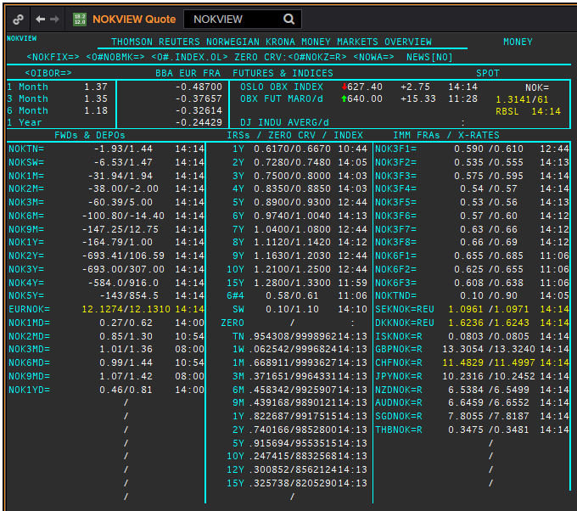
NOK
. |  |  |  |  |  |  |  |  |  |  |  |  | 01-Jan-1990
Maturity | Type | RIC | Bid yield (%) | Ask yield (%) | Mid Yield (%) | Ee | Eb | Fe | Fb | Bid/ask | Currency | Tenor | History Start | Close | Helper | Fwd Start Date
1W/SW | IBOR | OINOKSWD= |  |  | 0.54 | 1 | 1 | 1 | 1 | MID | NOK | 0 | 2015-05-22 | 1.49
1M | IBOR | OINOK1MD= |  |  | 0.9 | 1 | 1 | 1 | 1 | MID | NOK | 0 | 2015-05-22 | 1.45
2M | IBOR | OINOK2MD= |  |  | 1.01 | 1 | 1 | 1 | 1 | MID | NOK | 0 | 2015-05-22 | 1.47
3M | IBOR | OINOK3MD= |  |  | 1.13 | 1 | 1 | 1 | 1 | MID | NOK | 0 | 2015-05-22 | 1.5
6M | IBOR | OINOK6MD= |  |  | 1.05 | 1 | 1 | 1 | 1 | MID | NOK | 0 | 2015-05-22 | 1.49
6M | FRA | NOK3F1= | 0.635 | 0.655 | 0.645 | 1 | 1 | 1 | 1 | MID | NOK | 3M | 1995-01-06 | 6.15 | 150620 | 2020-09-15
9M | FRA | NOK3F2= | 0.585 | 0.605 | 0.595 | 1 | 1 | 1 | 1 | MID | NOK | 3M | 1995-01-06 | 6.57 | 140920 | 2020-12-14
1Y | FRA | NOK3F3= | 0.625 | 0.645 | 0.635 | 1 | 1 | 1 | 1 | MID | NOK | 3M | 1995-01-06 | 6.9 | 141220 | 2021-03-14
15M | FRA | NOK3F4= | 0.585 | 0.605 | 0.595 | 1 | 1 | 1 | 1 | MID | NOK | 3M | 1995-01-06 | 7.3 | 150321 | 2021-06-15
18M | FRA | NOK3F5= | 0.6 | 0.63 | 0.615 | 1 | 1 | 1 | 1 | MID | NOK | 3M | 2007-08-16 | 5.47 | 140621 | 2021-09-14
21M | FRA | NOK3F6= | 0.63 | 0.66 | 0.645 | 1 | 1 | 1 | 1 | MID | NOK | 3M | 2007-08-16 | 5.42 | 130921 | 2021-12-13
2Y | FRA | NOK3F7= | 0.7 | 0.73 | 0.715 | 1 | 1 | 1 | 1 | MID | NOK | 3M | 2009-05-18 | 3.14 | 131221 | 2022-03-13
2.25Y | FRA | NOK3F8= | 0.72 | 0.75 | 0.735 | 1 | 1 | 1 | 1 | MID | NOK | 3M | 2009-05-18 | 3.42 | 140322 | 2022-06-14
2.5Y | FRA | NOK3F9= | 0.78 | 0.81 | 0.795 | 1 | 1 | 1 | 1 | MID | NOK | 3M | 2017-07-18 | 1.32 | 130622 | 2022-09-13
2.75Y | FRA | NOK3F10= | 0.83 | 0.86 | 0.845 | 1 | 1 | 1 | 1 | MID | NOK | 3M | 2017-07-18 | 1.41 | 190922 | 2022-12-19
3Y | FRA | NOK3F11= | 0.9 | 0.93 | 0.915 | 1 | 1 | 1 | 1 | MID | NOK | 3M | 2017-07-18 | 1.47 | 191222 | 2023-03-19
3.25Y | FRA | NOK3F12= | 0.94 | 0.97 | 0.955 | 1 | 1 | 1 | 1 | MID | NOK | 3M | 2017-07-18 | 1.55 | 130323 | 2023-06-13
9M | FRA | NOK6F1= | 0.73 | 0.76 | 0.745 | 1 | 1 | 1 | 1 | MID | NOK | 6M | 1995-01-06 | 6.4 | 150620 | 2020-12-15
1Y | FRA | NOK6F2= | 0.69 | 0.72 | 0.705 | 1 | 1 | 1 | 1 | MID | NOK | 6M | 1995-01-06 | 6.8 | 140920 | 2021-03-14
1.25Y | FRA | NOK6F3= | 0.67 | 0.7 | 0.685 | 1 | 1 | 1 | 1 | MID | NOK | 6M | 1995-01-06 | 7.25 | 141220 | 2021-06-14
1.5Y | FRA | NOK6F4= | 0.66 | 0.69 | 0.675 | 1 | 1 | 1 | 1 | MID | NOK | 6M | 1995-01-06 | 7.6 | 150321 | 2021-09-15
1Y | IRS | NOKAB3O1Y= | 0.718 | 0.768 | 0.743 | 1 | 1 | 1 | 1 | MID | NOK | 3M | 1997-09-23 | 4.34
2Y | IRS | NOKAB6O2Y= | 0.78 | 0.8 | 0.79 | 1 | 1 | 1 | 1 | MID | NOK | 6M | 1995-01-06 | 7.35
3Y | IRS | NOKAB6O3Y= | 0.813 | 0.833 | 0.823 | 1 | 1 | 1 | 1 | MID | NOK | 6M | 1995-01-06 | 7.82
4Y | IRS | NOKAB6O4Y= | 0.875 | 0.895 | 0.885 | 1 | 1 | 1 | 1 | MID | NOK | 6M | 1995-01-06 | 8.2
5Y | IRS | NOKAB6O5Y= | 0.95 | 0.97 | 0.96 | 1 | 1 | 1 | 1 | MID | NOK | 6M | 1995-01-06 | 8.3
6Y | IRS | NOKAB6O6Y= | 1.038 | 1.068 | 1.053 | 1 | 1 | 1 | 1 | MID | NOK | 6M | 1997-08-13 | 5.79
7Y | IRS | NOKAB6O7Y= | 1.098 | 1.148 | 1.123 | 1 | 1 | 1 | 1 | MID | NOK | 6M | 1995-08-17 | 7.67
8Y | IRS | NOKAB6O8Y= | 1.175 | 1.205 | 1.19 | 1 | 1 | 1 | 1 | MID | NOK | 6M | 1997-08-13 | 6.06
9Y | IRS | NOKAB6O9Y= | 1.215 | 1.265 | 1.24 | 1 | 1 | 1 | 1 | MID | NOK | 6M | 1997-08-13 | 6.16
10Y | IRS | NOKAB6O10Y= | 1.26 | 1.31 | 1.285 | 1 | 1 | 1 | 1 | MID | NOK | 6M | 1995-08-17 | 7.84
15Y | IRS | NOKAB6O15Y= | 1.345 | 1.395 | 1.37 | 1 | 1 | 1 | 1 | MID | NOK | 6M | 2008-04-23 | 5.41

Borttaget
ON | IBOR | NOWA= |  |  | 0.24 | 1 | 1 | 1 | 1 | MID | NOK | 0

EUR
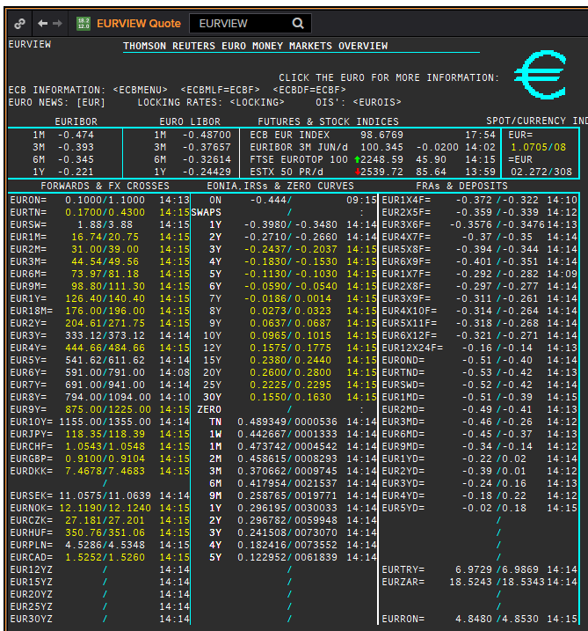
 | EUR
 | . |  |  |  |  |  |  |  |  |  |  |  |  | 01-Jan-1990
 | Maturity | Type | RIC | Bid yield (%) | Ask yield (%) | Mid Yield (%) | Ee | Eb | Fe | Fb | Bid/ask | Currency | Tenor | History Start | Close | Helper | Fwd Start Date
? | SW | OIS | EUREONSW= | -0.499 | -0.449 | -0.474 | 1 | 1 | 1 | 1 | MID | EUR | 0 | 1999-03-10 | 3.005
? | 2W | OIS | EUREON2W= | -0.48 | -0.46 | -0.47 | 1 | 1 | 1 | 1 | MID | EUR | 0 | 1999-03-10 | 3.015
? | 3W | OIS | EUREON3W= | -0.48 | -0.46 | -0.47 | 1 | 1 | 1 | 1 | MID | EUR | 0 | 1999-03-10 | 3.03
 | 1M | OIS | EUREON1M= | -0.47 | -0.45 | -0.46 | 1 | 1 | 1 | 1 | MID | EUR | 0 | 1999-01-04 | 3.11
 | 2M | OIS | EUREON2M= | -0.4902 | -0.4681 | -0.47915 | 1 | 1 | 1 | 1 | MID | EUR | 0 | 1999-01-04 | 3.09
 | 3M | OIS | EUREON3M= | -0.5008 | -0.4828 | -0.4918 | 1 | 1 | 1 | 1 | MID | EUR | 0 | 1999-01-04 | 3.08
 | 4M | OIS | EUREON4M= | -0.5091 | -0.4911 | -0.5001 | 1 | 1 | 1 | 1 | MID | EUR | 0 | 1999-03-10 | 3
 | 5M | OIS | EUREON5M= | -0.5167 | -0.4987 | -0.5077 | 1 | 1 | 1 | 1 | MID | EUR | 0 | 1999-03-10 | 2.99
 | 6M | OIS | EUREON6M= | -0.5216 | -0.5037 | -0.51265 | 1 | 1 | 1 | 1 | MID | EUR | 0 | 1999-01-04 | 3.04
 | 7M | OIS | EUREON7M= | -0.5239 | -0.5059 | -0.5149 | 1 | 1 | 1 | 1 | MID | EUR | 0 | 1999-03-10 | 2.97
 | 8M | OIS | EUREON8M= | -0.5255 | -0.5076 | -0.51655 | 1 | 1 | 1 | 1 | MID | EUR | 0 | 1999-03-10 | 2.965
 | 9M | OIS | EUREON9M= | -0.5265 | -0.5086 | -0.51755 | 1 | 1 | 1 | 1 | MID | EUR | 0 | 1999-01-04 | 3.02
 | 10M | OIS | EUREON10M= | -0.5271 | -0.5092 | -0.51815 | 1 | 1 | 1 | 1 | MID | EUR | 0 | 1999-03-10 | 2.99
 | 11M | OIS | EUREON11M= | -0.5273 | -0.5094 | -0.51835 | 1 | 1 | 1 | 1 | MID | EUR | 0 | 1999-03-10 | 2.985
 | 1Y | OIS | EUREON1Y= | -0.5272 | -0.5093 | -0.51825 | 1 | 1 | 1 | 1 | MID | EUR | 0 | 1999-01-04 | 3.02
 | 1.25Y | OIS | EUREON15M= | -0.5262 | -0.5081 | -0.51715 | 1 | 1 | 1 | 1 | MID | EUR | 0 | 2004-12-23 | 2.294
 | 1.5Y | OIS | EUREON18M= | -0.5233 | -0.5048 | -0.51405 | 1 | 1 | 1 | 1 | MID | EUR | 0 | 2004-12-23 | 2.345
 | 1.75Y | OIS | EUREON21M= | -0.526 | -0.476 | -0.501 | 1 | 1 | 1 | 1 | MID | EUR | 0 | 2004-12-23 | 2.402
 | 2Y | OIS | EUREON2Y= | -0.5097 | -0.4897 | -0.4997 | 1 | 1 | 1 | 1 | MID | EUR | 0 | 2001-01-16 | 4.55
 | 3Y | OIS | EUREON3Y= | -0.462 | -0.452 | -0.457 | 1 | 1 | 1 | 1 | MID | EUR | 0 | 2004-12-23 | 2.63
 | 4Y | OIS | EUREON4Y= | -0.42 | -0.41 | -0.415 | 1 | 1 | 1 | 1 | MID | EUR | 0 | 2005-08-15 | 2.572
 | 5Y | OIS | EUREON5Y= | -0.361 | -0.351 | -0.356 | 1 | 1 | 1 | 1 | MID | EUR | 0 | 2005-08-15 | 2.71
 | 6Y | OIS | EUREON6Y= | -0.308 | -0.298 | -0.303 | 1 | 1 | 1 | 1 | MID | EUR | 0 | 2005-08-15 | 2.835
 | 7Y | OIS | EUREON7Y= | -0.258 | -0.248 | -0.253 | 1 | 1 | 1 | 1 | MID | EUR | 0 | 2005-08-15 | 2.961
 | 8Y | OIS | EUREON8Y= | -0.215 | -0.205 | -0.21 | 1 | 1 | 1 | 1 | MID | EUR | 0 | 2005-08-15 | 3.072
 | 9Y | OIS | EUREON9Y= | -0.176 | -0.166 | -0.171 | 1 | 1 | 1 | 1 | MID | EUR | 0 | 2005-08-15 | 3.171
 | 10Y | OIS | EUREON10Y= | -0.138 | -0.128 | -0.133 | 1 | 1 | 1 | 1 | MID | EUR | 0 | 2005-08-15 | 3.256
 | 20Y | OIS | EUREON20Y= | 0.065 | 0.075 | 0.07 | 1 | 1 | 1 | 1 | MID | EUR | 0 | 2008-01-03 | 4.546
 | 25Y | OIS | EUREON25Y= | 0.04 | 0.05 | 0.045 | 1 | 1 | 1 | 1 | MID | EUR | 0 | 2017-10-17 | 1.331
 | 30Y | OIS | EUREON30Y= | -0.009 | 0.001 | -0.004 | 1 | 1 | 1 | 1 | MID | EUR | 0 | 2008-01-03 | 4.539
 | ON | IBOR | EONIA= |  |  | -0.439 | 1 | 1 | 1 | 1 | MID | EUR | 0 | 1999-01-04 | 3.2
 | SW | IBOR | EURIBORSWD= |  |  | -0.506 | 1 | 1 | 1 | 1 | MID | EUR | 0 | 1998-12-30 | 3.251
 | 1M | IBOR | EURIBOR1MD= |  |  | -0.445 | 1 | 1 | 1 | 1 | MID | EUR | 0 | 1990-08-23 | 8.25
 | 3M | IBOR | EURIBOR3MD= |  |  | -0.369 | 1 | 1 | 1 | 1 | MID | EUR | 0 | 1990-06-05 | 8.3
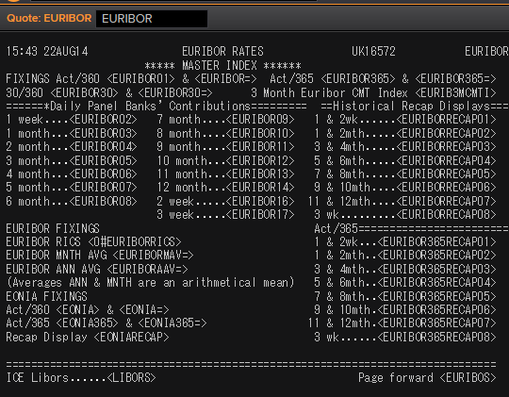
 | 6M | IBOR | EURIBOR6MD= |  |  | -0.307 | 1 | 1 | 1 | 1 | MID | EUR | 0 | 1990-06-05 | 8.6
 | 1Y | IBOR | EURIBOR1YD= |  |  | -0.191 | 1 | 1 | 1 | 1 | MID | EUR | 0 | 1990-08-23 | 8.013
 | 4M | FRA | EUR1X4F= | -0.378 | -0.358 | -0.368 | 1 | 1 | 1 | 1 | MID | EUR | 3M | 1995-01-06 | 6.44 | 1X4 | #VALUE!
 | 5M | FRA | EUR2X5F= | -0.38 | -0.36 | -0.37 | 1 | 1 | 1 | 1 | MID | EUR | 3M | 1995-01-06 | 6.62 | 2X5 | #VALUE!
 | 6M | FRA | EUR3X6F= | -0.39 | -0.37 | -0.38 | 1 | 1 | 1 | 1 | MID | EUR | 3M | 1995-01-06 | 6.78 | 3X6 | #VALUE!
 | 7M | FRA | EUR4X7F= | -0.391 | -0.371 | -0.381 | 1 | 1 | 1 | 1 | MID | EUR | 3M | 1995-01-06 | 6.92 | 4X7 | #VALUE!
 | 8M | FRA | EUR5X8F= | -0.4 | -0.38 | -0.39 | 1 | 1 | 1 | 1 | MID | EUR | 3M | 1995-01-06 | 7.08 | 5X8 | #VALUE!
 | 9M | FRA | EUR6X9F= | -0.414 | -0.364 | -0.389 | 1 | 1 | 1 | 1 | MID | EUR | 3M | 1995-01-06 | 7.21 | 6X9 | #VALUE!
 | 10M | FRA | EUR7X10F= | -0.39 | -0.37 | -0.38 | 1 | 1 | 1 | 1 | MID | EUR | 3M | 1995-01-06 | 6.89 | 7X10 | #VALUE!
 | 11M | FRA | EUR8X11F= | -0.39 | -0.37 | -0.38 | 1 | 1 | 1 | 1 | MID | EUR | 3M | 1995-01-06 | 7.03 | 8X11 | #VALUE!
 | 1Y | FRA | EUR9X12F= | -0.39 | -0.37 | -0.38 | 1 | 1 | 1 | 1 | MID | EUR | 3M | 1995-01-06 | 7.65 | 9X12 | #VALUE!
 | 1.25Y | FRA | EUR12X15F= | -0.38 | -0.36 | -0.37 | 1 | 1 | 1 | 1 | MID | EUR | 3M | 1999-01-05 | 2.98 | 12X15 | #VALUE!
 | 1.5Y | FRA | EUR15X18F= | -0.36 | -0.31 | -0.335 | 1 | 1 | 1 | 1 | MID | EUR | 3M | 2014-09-30 | 0.687 | 15X18 | #VALUE!
 | 1.75Y | FRA | EUR18X21F= | -0.33 | -0.28 | -0.305 | 1 | 1 | 1 | 1 | MID | EUR | 3M | 2014-09-30 | 0.412 | 18X21 | #VALUE!
 | 2Y | FRA | EUR21X24F= | -0.31 | -0.26 | -0.285 | 1 | 1 | 1 | 1 | MID | EUR | 3M | 2014-09-30 | 0.832 | 21X24 | #VALUE!
 | 7M | FRA | EUR1X7F= | -0.31 | -0.29 | -0.3 | 1 | 1 | 1 | 1 | MID | EUR | 6M | 1995-01-06 | 6.82 | 1X7 | #VALUE!
 | 8M | FRA | EUR2X8F= | -0.31 | -0.29 | -0.3 | 1 | 1 | 1 | 1 | MID | EUR | 6M | 1995-01-06 | 6.93 | 2X8 | #VALUE!
 | 14M | FRA | EUR2X14F= | -0.208 | -0.198 | -0.203 | 1 | 1 | 1 | 1 | MID | EUR | 12M | 1999-01-05 | 3.19 | 2X14 | #VALUE!
 | 9M | FRA | EUR3X9F= | -0.32 | -0.3 | -0.31 | 1 | 1 | 1 | 1 | MID | EUR | 6M | 1995-01-06 | 7.06 | 3X9 | #VALUE!
 | 1.25Y | FRA | EUR3X15F= | -0.205 | -0.195 | -0.2 | 1 | 1 | 1 | 1 | MID | EUR | 12M | 1999-01-05 | 3.12 | 3X15 | #VALUE!
 | 10M | FRA | EUR4X10F= | -0.32 | -0.3 | -0.31 | 1 | 1 | 1 | 1 | MID | EUR | 6M | 1995-01-06 | 7.2 | 4X10 | #VALUE!
 | 11M | FRA | EUR5X11F= | -0.32 | -0.3 | -0.31 | 1 | 1 | 1 | 1 | MID | EUR | 6M | 1995-01-06 | 7.36 | 5X11 | #VALUE!
 | 1Y | FRA | EUR6X12F= | -0.32 | -0.3 | -0.31 | 1 | 1 | 1 | 1 | MID | EUR | 6M | 1995-01-06 | 7.52 | 6X12 | #VALUE!
 | 1.25Y | FRA | EUR9X15F= | -0.31 | -0.29 | -0.3 | 1 | 1 | 1 | 1 | MID | EUR | 6M | 1999-01-05 | 3.11 | 9X15 | #VALUE!
 | 1.5Y | FRA | EUR12X18F= | -0.3 | -0.28 | -0.29 | 1 | 1 | 1 | 1 | MID | EUR | 6M | 1995-01-06 | 8.27 | 12X18 | #VALUE!
 | 2Y | FRA | EUR18X24F= | -0.236 | -0.216 | -0.226 | 1 | 1 | 1 | 1 | MID | EUR | 6M | 1995-01-06 | 8.31 | 18X24 | #VALUE!
 | 1.5Y | FRA | EUR6X18F= | -0.22 | -0.2 | -0.21 | 1 | 1 | 1 | 1 | MID | EUR | 12M | 1995-01-06 | 8.03 | 6X18 | #VALUE!
 | 2Y | FRA | EUR12X24F= | -0.19 | -0.17 | -0.18 | 1 | 1 | 1 | 1 | MID | EUR | 12M | 1995-01-06 | 8.56 | 12X24 | #VALUE!
 | 1Y | IRS | EURAB6E1Y= | -0.31 | -0.3 | -0.305 | 1 | 1 | 1 | 1 | MID | EUR | 6M | 1998-11-30 | 3.58
 | 1.5Y | IRS | EURAB6E18M= | -0.3149 | -0.2845 | -0.2997 | 1 | 1 | 1 | 1 | MID | EUR | 6M | 1999-02-10 | 3.04
 | 2Y | IRS | EURAB6E2Y= | -0.28 | -0.27 | -0.275 | 1 | 1 | 1 | 1 | MID | EUR | 6M | 1990-01-02 | 8.46
 | 3Y | IRS | EURAB6E3Y= | -0.2505 | -0.2405 | -0.2455 | 1 | 1 | 1 | 1 | MID | EUR | 6M | 1990-01-02 | 8.35
 | 4Y | IRS | EURAB6E4Y= | -0.2074 | -0.1974 | -0.2024 | 1 | 1 | 1 | 1 | MID | EUR | 6M | 1990-01-02 | 8.28
 | 5Y | IRS | EURAB6E5Y= | -0.1589 | -0.1489 | -0.1539 | 1 | 1 | 1 | 1 | MID | EUR | 6M | 1990-01-02 | 8.28
 | 6Y | IRS | EURAB6E6Y= | -0.1023 | -0.0822 | -0.09225 | 1 | 1 | 1 | 1 | MID | EUR | 6M | 1994-08-15 | 7.18
 | 7Y | IRS | EURAB6E7Y= | -0.0547 | -0.0346 | -0.04465 | 1 | 1 | 1 | 1 | MID | EUR | 6M | 1990-01-02 | 8.17
 | 8Y | IRS | EURAB6E8Y= | -0.013 | 0.0072 | -0.0029 | 1 | 1 | 1 | 1 | MID | EUR | 6M | 1994-08-15 | 7.45
 | 9Y | IRS | EURAB6E9Y= | 0.0247 | 0.045 | 0.03485 | 1 | 1 | 1 | 1 | MID | EUR | 6M | 1994-08-15 | 7.5
 | 10Y | IRS | EURAB6E10Y= | 0.0597 | 0.0797 | 0.0697 | 1 | 1 | 1 | 1 | MID | EUR | 6M | 1990-01-02 | 8.15
 | 11Y | IRS | EURAB6E11Y= | 0.096 | 0.116 | 0.106 | 1 | 1 | 1 | 1 | MID | EUR | 6M | 1999-01-04 | 4.23
 | 12Y | IRS | EURAB6E12Y= | 0.1302 | 0.15 | 0.1401 | 1 | 1 | 1 | 1 | MID | EUR | 6M | 1998-11-26 | 4.61
 | 13Y | IRS | EURAB6E13Y= | 0.1599 | 0.1801 | 0.17 | 1 | 1 | 1 | 1 | MID | EUR | 6M | 2001-07-11 | 5.6575
 | 14Y | IRS | EURAB6E14Y= | 0.1861 | 0.2061 | 0.1961 | 1 | 1 | 1 | 1 | MID | EUR | 6M | 2001-07-11 | 5.71
 | 15Y | IRS | EURAB6E15Y= | 0.2077 | 0.2275 | 0.2176 | 1 | 1 | 1 | 1 | MID | EUR | 6M | 1996-10-16 | 6.61
 | 16Y | IRS | EURAB6E16Y= | 0.2248 | 0.2448 | 0.2348 | 1 | 1 | 1 | 1 | MID | EUR | 6M | 2001-07-11 | 5.79
 | 17Y | IRS | EURAB6E17Y= | 0.2375 | 0.2575 | 0.2475 | 1 | 1 | 1 | 1 | MID | EUR | 6M | 2001-08-17 | 5.545
 | 18Y | IRS | EURAB6E18Y= | 0.2458 | 0.2658 | 0.2558 | 1 | 1 | 1 | 1 | MID | EUR | 6M | 2001-07-11 | 5.85
 | 19Y | IRS | EURAB6E19Y= | 0.2505 | 0.2705 | 0.2605 | 1 | 1 | 1 | 1 | MID | EUR | 6M | 2001-07-11 | 5.865
 | 20Y | IRS | EURAB6E20Y= | 0.2517 | 0.2717 | 0.2617 | 1 | 1 | 1 | 1 | MID | EUR | 6M | 1998-08-13 | 5
 | 21Y | IRS | EURAB6E21Y= | 0.23 | 0.251 | 0.2405 | 1 | 1 | 1 | 1 | MID | EUR | 6M | 2001-07-11 | 5.8925
 | 22Y | IRS | EURAB6E22Y= | 0.23 | 0.251 | 0.2405 | 1 | 1 | 1 | 1 | MID | EUR | 6M | 2001-07-11 | 5.9025
 | 23Y | IRS | EURAB6E23Y= | 0.23 | 0.251 | 0.2405 | 1 | 1 | 1 | 1 | MID | EUR | 6M | 2001-07-11 | 5.9125
 | 24Y | IRS | EURAB6E24Y= | 0.23 | 0.251 | 0.2405 | 1 | 1 | 1 | 1 | MID | EUR | 6M | 2002-01-24 | 5.4025
 | 25Y | IRS | EURAB6E25Y= | 0.2178 | 0.2278 | 0.2228 | 1 | 1 | 1 | 1 | MID | EUR | 6M | 1998-11-26 | 5.1
 | 26Y | IRS | EURAB6E26Y= | 0.2 | 0.23 | 0.215 | 1 | 1 | 1 | 1 | MID | EUR | 6M | 2001-07-11 | 5.9325
 | 27Y | IRS | EURAB6E27Y= | 0.188 | 0.218 | 0.203 | 1 | 1 | 1 | 1 | MID | EUR | 6M | 2001-07-11 | 5.9325
 | 28Y | IRS | EURAB6E28Y= | 0.176 | 0.206 | 0.191 | 1 | 1 | 1 | 1 | MID | EUR | 6M | 2001-07-11 | 5.9325
 | 29Y | IRS | EURAB6E29Y= | 0.165 | 0.195 | 0.18 | 1 | 1 | 1 | 1 | MID | EUR | 6M | 2001-07-11 | 5.9325
 | 30Y | IRS | EURAB6E30Y= | 0.1597 | 0.1797 | 0.1697 | 1 | 1 | 1 | 1 | MID | EUR | 6M | 1998-08-13 | 5
 | 40Y | IRS | EURAB6E40Y= | 0.0737 | 0.0937 | 0.0837 | 1 | 1 | 1 | 1 | MID | EUR | 6M | 2003-07-23 | 4.8775
 | 50Y | IRS | EURAB6E50Y= | -0.0015 | 0.0187 | 0.0086 | 1 | 1 | 1 | 1 | MID | EUR | 6M | 2003-07-23 | 4.88
 | 2M | IRS | EURAM1E2M= | -0.471 | -0.45 | -0.4605 | 1 | 1 | 1 | 1 | MID | EUR | 1M | 2014-10-06 | -0.003
 | 3M | IRS | EURAM1E3M= | -0.475 | -0.454 | -0.4645 | 1 | 1 | 1 | 1 | MID | EUR | 1M | 2004-01-21 | 2.04
 | 4M | IRS | EURAM1E4M= | -0.476 | -0.455 | -0.4655 | 1 | 1 | 1 | 1 | MID | EUR | 1M | 2014-10-06 | -0.001
 | 5M | IRS | EURAM1E5M= | -0.477 | -0.456 | -0.4665 | 1 | 1 | 1 | 1 | MID | EUR | 1M | 2014-10-06 | 0.001
 | 6M | IRS | EURAM1E6M= | -0.477 | -0.456 | -0.4665 | 1 | 1 | 1 | 1 | MID | EUR | 1M | 2004-01-21 | 2.038
 | 7M | IRS | EURAM1E7M= | -0.478 | -0.457 | -0.4675 | 1 | 1 | 1 | 1 | MID | EUR | 1M | 2014-10-06 | -0.013
 | 8M | IRS | EURAM1E8M= | -0.478 | -0.457 | -0.4675 | 1 | 1 | 1 | 1 | MID | EUR | 1M | 2014-10-06 | -0.016
 | 9M | IRS | EURAM1E9M= | -0.477 | -0.456 | -0.4665 | 1 | 1 | 1 | 1 | MID | EUR | 1M | 2004-02-24 | 2.04
 | 1Y | IRS | EURAM1E1Y= | -0.476 | -0.455 | -0.4655 | 1 | 1 | 1 | 1 | MID | EUR | 1M | 2004-02-24 | 2.09
 | 9M | IRS | EURAB3E9M= | -0.392 | -0.372 | -0.382 | 1 | 1 | 1 | 1 | MID | EUR | 3M | 2008-01-03 | 4.51
 | 1Y | IRS | EURAB3E1Y= | -0.399 | -0.3686 | -0.3838 | 1 | 1 | 1 | 1 | MID | EUR | 3M | 1998-11-26 | 3.47
 | 1.5Y | IRS | EURAB3E18M= | -0.3927 | -0.3601 | -0.3764 | 1 | 1 | 1 | 1 | MID | EUR | 3M | 1999-04-21 | 2.75
 | 2Y | IRS | EURAB3E2Y= | -0.3674 | -0.3574 | -0.3624 | 1 | 1 | 1 | 1 | MID | EUR | 3M | 1998-12-01 | 3.39
 | 3Y | IRS | EURAB3E3Y= | -0.3277 | -0.3177 | -0.3227 | 1 | 1 | 1 | 1 | MID | EUR | 3M | 1998-12-01 | 3.46
 | 4Y | IRS | EURAB3E4Y= | -0.2845 | -0.2645 | -0.2745 | 1 | 1 | 1 | 1 | MID | EUR | 3M | 1998-12-01 | 3.55
 | 5Y | IRS | EURAB3E5Y= | -0.2362 | -0.2262 | -0.2312 | 1 | 1 | 1 | 1 | MID | EUR | 3M | 1998-12-01 | 3.75
 | 6Y | IRS | EURAB3E6Y= | -0.1821 | -0.1721 | -0.1771 | 1 | 1 | 1 | 1 | MID | EUR | 3M | 1998-12-01 | 3.88
 | 7Y | IRS | EURAB3E7Y= | -0.13 | -0.12 | -0.125 | 1 | 1 | 1 | 1 | MID | EUR | 3M | 1998-12-01 | 3.99
 | 8Y | IRS | EURAB3E8Y= | -0.0818 | -0.0718 | -0.0768 | 1 | 1 | 1 | 1 | MID | EUR | 3M | 1998-12-01 | 4.1
 | 9Y | IRS | EURAB3E9Y= | -0.0378 | -0.0178 | -0.0278 | 1 | 1 | 1 | 1 | MID | EUR | 3M | 1998-12-01 | 4.15
 | 10Y | IRS | EURAB3E10Y= | 0.002 | 0.0222 | 0.0121 | 1 | 1 | 1 | 1 | MID | EUR | 3M | 1999-01-07 | 4.06
 | 11Y | IRS | EURAB3E11Y= | 0.0425 | 0.0625 | 0.0525 | 1 | 1 | 1 | 1 | MID | EUR | 3M | 2001-08-17 | 5.245
 | 12Y | IRS | EURAB3E12Y= | 0.0805 | 0.1005 | 0.0905 | 1 | 1 | 1 | 1 | MID | EUR | 3M | 2001-08-17 | 5.3125
 | 13Y | IRS | EURAB3E13Y= | 0.1139 | 0.1339 | 0.1239 | 1 | 1 | 1 | 1 | MID | EUR | 3M | 2001-08-17 | 5.375
 | 14Y | IRS | EURAB3E14Y= | 0.1432 | 0.1632 | 0.1532 | 1 | 1 | 1 | 1 | MID | EUR | 3M | 2001-08-17 | 5.4275
 | 15Y | IRS | EURAB3E15Y= | 0.1693 | 0.1793 | 0.1743 | 1 | 1 | 1 | 1 | MID | EUR | 3M | 2001-08-17 | 5.4725
 | 16Y | IRS | EURAB3E16Y= | 0.1874 | 0.2077 | 0.19755 | 1 | 1 | 1 | 1 | MID | EUR | 3M | 2001-08-17 | 5.51
 | 17Y | IRS | EURAB3E17Y= | 0.2026 | 0.2223 | 0.21245 | 1 | 1 | 1 | 1 | MID | EUR | 3M | 2001-08-17 | 5.5425
 | 18Y | IRS | EURAB3E18Y= | 0.2133 | 0.233 | 0.22315 | 1 | 1 | 1 | 1 | MID | EUR | 3M | 2001-08-17 | 5.57
 | 19Y | IRS | EURAB3E19Y= | 0.2196 | 0.2396 | 0.2296 | 1 | 1 | 1 | 1 | MID | EUR | 3M | 2001-08-17 | 5.5925
 | 20Y | IRS | EURAB3E20Y= | 0.2225 | 0.2427 | 0.2326 | 1 | 1 | 1 | 1 | MID | EUR | 3M | 2001-08-17 | 5.6125
 | 25Y | IRS | EURAB3E25Y= | 0.1963 | 0.2063 | 0.2013 | 1 | 1 | 1 | 1 | MID | EUR | 3M | 2001-08-17 | 5.665
 | 30Y | IRS | EURAB3E30Y= | 0.1453 | 0.1553 | 0.1503 | 1 | 1 | 1 | 1 | MID | EUR | 3M | 2001-08-17 | 5.6675
 | 40Y | IRS | EURAB3E40Y= | 0.0653 | 0.0753 | 0.0703 | 1 | 1 | 1 | 1 | MID | EUR | 3M | 2011-02-25 | 3.42
 | 50Y | IRS | EURAB3E50Y= | -0.006 | 0.014 | 0.004 | 1 | 1 | 1 | 1 | MID | EUR | 3M | 2011-02-28 | 3.38

 |  |  | EURIBORSWD=
 |  |  | EURIBOR1MD=
 |  |  | EURIBOR3MD=
 |  |  | EURIBOR6MD=
 |  |  | EURIBOR1YD=
 |  |  | EURIBOR1MD=

EURIBOR02 | 1W | IBOR | EURIBORSWD= |  |  | -0.506 | 1 | 1 | 1 | 1 | MID | EUR |  | 1998-12-30 | 3.251
EURIBOR16 | 2W | IBOR | EURIBOR2WD= |  |  | #N/A The record could not be found | 1 | 1 | 1 | 1 | MID | EUR |  | Invalid RIC(s): EURIBOR2WD= | 142.005
EURIBOR17 | 3W | IBOR | EURIBOR3WD= |  |  | #N/A | 1 | 1 | 1 | 1 | MID | EUR |  | Invalid RIC(s): EURIBOR3WD= | 143.005
EURIBOR03 | 1M | IBOR | EURIBOR1MD= |  |  | #N/A The record could not be found | 1 | 1 | 1 | 1 | MID | EUR |  | 1995-03-01 | 5.0007
EURIBOR04 | 2M | IBOR | EURIBOR2MD= |  |  | #N/A The record could not be found | 1 | 1 | 1 | 1 | MID | EUR |  | Invalid RIC(s): EURIBOR2MD= | 145.005
EURIBOR05 | 3M | IBOR | EURIBOR3MD= |  |  | #N/A The record could not be found | 1 | 1 | 1 | 1 | MID | EUR |  | 1995-03-01 | 5.10167
EURIBOR06 | 4M | IBOR | EURIBOR4MD= |  |  | #N/A The record could not be found | 1 | 1 | 1 | 1 | MID | EUR |  | Invalid RIC(s): EURIBOR4MD= | 147.005
EURIBOR07 | 5M | IBOR | EURIBOR5MD= |  |  | #N/A The record could not be found | 1 | 1 | 1 | 1 | MID | EUR |  | Invalid RIC(s): EURIBOR5MD= | 148.005
EURIBOR08 | 6M | IBOR | EURIBOR6MD= |  |  | #N/A The record could not be found | 1 | 1 | 1 | 1 | MID | EUR |  | 1995-03-01 | 5.2958
EURIBOR09 | 7M | IBOR | EURIBOR7MD= |  |  | #N/A The record could not be found | 1 | 1 | 1 | 1 | MID | EUR |  | Invalid RIC(s): EURIBOR7MD= | 150.005
EURIBOR10 | 8M | IBOR | EURIBOR8MD= |  |  | #N/A The record could not be found | 1 | 1 | 1 | 1 | MID | EUR |  | Invalid RIC(s): EURIBOR8MD= | 151.005
EURIBOR11 | 9M | IBOR | EURIBOR9MD= |  |  | #N/A The record could not be found | 1 | 1 | 1 | 1 | MID | EUR |  | Invalid RIC(s): EURIBOR9MD= | 152.005
EURIBOR12 | 10M | IBOR | EURIBOR10MD= |  |  | #N/A The record could not be found | 1 | 1 | 1 | 1 | MID | EUR |  | Invalid RIC(s): EURIBOR10MD= | 153.005
EURIBOR13 | 11M | IBOR | EURIBOR11MD= |  |  | #N/A The record could not be found | 1 | 1 | 1 | 1 | MID | EUR |  | Invalid RIC(s): EURIBOR11MD= | 154.005
EURIBOR14 | 12M | IBOR | EURIBOR12MD= |  |  | #N/A The record could not be found | 1 | 1 | 1 | 1 | MID | EUR |  | Invalid RIC(s): EURIBOR12MD= | 155.005

DKK
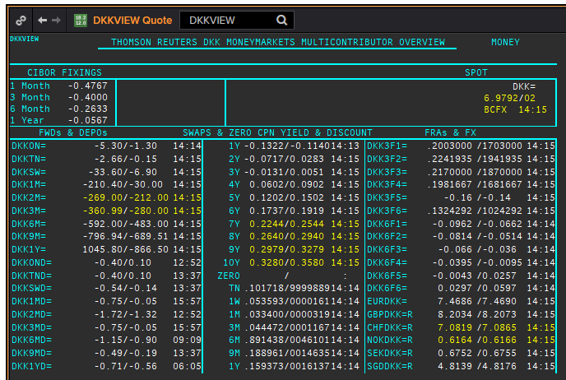
DKK
. |  |  |  |  |  |  |  |  |  |  |  |  | 01-Jan-1990
Maturity | Type | RIC | Bid yield (%) | Ask yield (%) | Mid Yield (%) | Ee | Eb | Fe | Fb | Bid/ask | Currency | Tenor | History Start | Close | Helper | Fwd Start Date
1M | OIS | DKKAMTNC1M= | -0.494 | -0.354 | -0.424 | 1 | 1 | 1 | 1 | MID | DKK | 0 | 2003-01-06 | 2.96
2M | OIS | DKKAMTNC2M= | -0.476 | -0.376 | -0.426 | 1 | 1 | 1 | 1 | MID | DKK | 0 | 2003-01-06 | 2.95
3M | OIS | DKKAMTNC3M= | -0.455 | -0.425 | -0.44 | 1 | 1 | 1 | 1 | MID | DKK | 0 | 2003-01-06 | 2.94
6M | OIS | DKKAMTNC6M= | -0.454 | -0.424 | -0.439 | 1 | 1 | 1 | 1 | MID | DKK | 0 | 2003-01-06 | 2.87
9M | OIS | DKKAMTNC9M= | -0.449 | -0.419 | -0.434 | 1 | 1 | 1 | 1 | MID | DKK | 0 | 2003-01-06 | 2.87
1Y | OIS | DKKAMTNC1Y= | -0.446 | -0.416 | -0.431 | 1 | 1 | 1 | 1 | MID | DKK | 0 | 2003-01-06 | 2.87
2Y | OIS | DKKAMTNC2Y= | -0.413 | -0.373 | -0.393 | 1 | 1 | 1 | 1 | MID | DKK | 0 | 2013-04-10 | 0.1182
3Y | OIS | DKKAMTNC3Y= | -0.3738 | -0.3338 | -0.3538 | 1 | 1 | 1 | 1 | MID | DKK | 0 | 2013-04-10 | 0.2318
4Y | OIS | DKKAMTNC4Y= | -0.3262 | -0.2862 | -0.3062 | 1 | 1 | 1 | 1 | MID | DKK | 0 | 2013-04-10 | 0.3834
5Y | OIS | DKKAMTNC5Y= | -0.2799 | -0.2199 | -0.2499 | 1 | 1 | 1 | 1 | MID | DKK | 0 | 2013-04-10 | 0.5611
SW | IBOR | CIDKKSWD= |  |  | -0.3833 | 1 | 1 | 1 | 1 | MID | DKK | 0 | 2005-04-01 | 2.1783
2W | IBOR | CIDKK2WD= |  |  | -0.3567 | 1 | 1 | 1 | 1 | MID | DKK | 0 | 2005-04-01 | 2.1783
1M | IBOR | CIDKK1MD= |  |  | -0.3067 | 1 | 1 | 1 | 1 | MID | DKK | 0 | 1993-07-16 | 14.0833
2M | IBOR | CIDKK2MD= |  |  | -0.2667 | 1 | 1 | 1 | 1 | MID | DKK | 0 | 1993-07-16 | 11.7083
3M | IBOR | CIDKK3MD= |  |  | -0.23 | 1 | 1 | 1 | 1 | MID | DKK | 0 | 1993-07-16 | 10.6417
6M | IBOR | CIDKK6MD= |  |  | -0.08 | 1 | 1 | 1 | 1 | MID | DKK | 0 | 1993-07-16 | 9.2583
9M | IBOR | CIDKK9MD= |  |  | 0.0267 | 1 | 1 | 1 | 1 | MID | DKK | 0 | 1995-10-08 | 5.816
1Y | IBOR | CIDKK1YD= |  |  | 0.14 | 1 | 1 | 1 | 1 | MID | DKK | 0 | 1995-10-16 | 5.848
6M | FRA | DKK3F1= | -0.2 | -0.18 | -0.19 | 1 | 1 | 1 | 1 | MID | DKK | 3M | 1999-06-11 | 3.11 | 150620 | 2020-09-15
9M | FRA | DKK3F2= | -0.19 | -0.17 | -0.18 | 1 | 1 | 1 | 1 | MID | DKK | 3M | 1999-06-11 | 3.21 | 140920 | 2020-12-14
1Y | FRA | DKK3F3= | -0.18 | -0.16 | -0.17 | 1 | 1 | 1 | 1 | MID | DKK | 3M | 1999-06-11 | 3.47 | 141220 | 2021-03-14
1.25Y | FRA | DKK3F4= | -0.17 | -0.15 | -0.16 | 1 | 1 | 1 | 1 | MID | DKK | 3M | 1999-06-11 | 3.48 | 150321 | 2021-06-15
1.5Y | FRA | DKK3F5= | -0.14 | -0.12 | -0.13 | 1 | 1 | 1 | 1 | MID | DKK | 3M | 1999-07-15 | 4.17 | 140621 | 2021-09-14
1.75Y | FRA | DKK3F6= | -0.1113 | -0.0813 | -0.0963 | 1 | 1 | 1 | 1 | MID | DKK | 3M | 1999-07-15 | 4.43 | 130921 | 2021-12-13
2Y | FRA | DKK3F7= | -0.0887 | -0.0587 | -0.0737 | 1 | 1 | 1 | 1 | MID | DKK | 3M | 2004-10-20 | 3.02 | 131221 | 2022-03-13
2.25Y | FRA | DKK3F8= | -0.0657 | -0.0357 | -0.0507 | 1 | 1 | 1 | 1 | MID | DKK | 3M | 2004-10-20 | 3.16 | 140322 | 2022-06-14
2.5Y | FRA | DKK3F9= | -0.0446 | -0.0146 | -0.0296 | 1 | 1 | 1 | 1 | MID | DKK | 3M | 2004-10-20 | 3.31 | 130622 | 2022-09-13
2.75Y | FRA | DKK3F10= | -0.0156 | 0.0144 | -0.0006 | 1 | 1 | 1 | 1 | MID | DKK | 3M | 2004-10-20 | 3.42 | 190922 | 2022-12-19
9M | FRA | DKK6F1= | -0.0623 | -0.0323 | -0.0473 | 1 | 1 | 1 | 1 | MID | DKK | 6M | 1999-06-11 | 3.32 | 150620 | 2020-12-15
1Y | FRA | DKK6F2= | -0.0538 | -0.0238 | -0.0388 | 1 | 1 | 1 | 1 | MID | DKK | 6M | 1999-06-11 | 3.49 | 140920 | 2021-03-14
1.25Y | FRA | DKK6F3= | -0.0433 | -0.0133 | -0.0283 | 1 | 1 | 1 | 1 | MID | DKK | 6M | 1999-06-11 | 3.6 | 141220 | 2021-06-14
1.5Y | FRA | DKK6F4= | -0.0258 | 0.0042 | -0.0108 | 1 | 1 | 1 | 1 | MID | DKK | 6M | 1999-06-11 | 3.75 | 150321 | 2021-09-15
1.75Y | FRA | DKK6F5= | 0.0009 | 0.0309 | 0.0159 | 1 | 1 | 1 | 1 | MID | DKK | 6M | 1999-07-15 | 4.33 | 140621 | 2021-12-14
2Y | FRA | DKK6F6= | 0.0252 | 0.0552 | 0.0402 | 1 | 1 | 1 | 1 | MID | DKK | 6M | 1999-07-15 | 4.55 | 130921 | 2022-03-13
1Y | IRS | DKKAB6C1Y= | -0.0553 | -0.0253 | -0.0403 | 1 | 1 | 1 | 1 | MID | DKK | 6M | 1997-08-13 | 4.14
2Y | IRS | DKKAB6C2Y= | -0.0243 | 0.0057 | -0.0093 | 1 | 1 | 1 | 1 | MID | DKK | 6M | 1993-02-01 | 9.45
3Y | IRS | DKKAB6C3Y= | 0.0179 | 0.0479 | 0.0329 | 1 | 1 | 1 | 1 | MID | DKK | 6M | 1993-02-01 | 9.3
4Y | IRS | DKKAB6C4Y= | 0.0697 | 0.0997 | 0.0847 | 1 | 1 | 1 | 1 | MID | DKK | 6M | 1993-02-01 | 8.95
5Y | IRS | DKKAB6C5Y= | 0.1247 | 0.1547 | 0.1397 | 1 | 1 | 1 | 1 | MID | DKK | 6M | 1993-02-01 | 8.8
6Y | IRS | DKKAB6C6Y= | 0.1757 | 0.2057 | 0.1907 | 1 | 1 | 1 | 1 | MID | DKK | 6M | 1995-05-18 | 8.06
7Y | IRS | DKKAB6C7Y= | 0.2224 | 0.2524 | 0.2374 | 1 | 1 | 1 | 1 | MID | DKK | 6M | 1993-02-01 | 8.65
8Y | IRS | DKKAB6C8Y= | 0.2625 | 0.2925 | 0.2775 | 1 | 1 | 1 | 1 | MID | DKK | 6M | 1996-02-07 | 7.1
9Y | IRS | DKKAB6C9Y= | 0.2979 | 0.3279 | 0.3129 | 1 | 1 | 1 | 1 | MID | DKK | 6M | 1996-02-07 | 7.27
10Y | IRS | DKKAB6C10Y= | 0.33 | 0.36 | 0.345 | 1 | 1 | 1 | 1 | MID | DKK | 6M | 1993-02-01 | 8.55
12Y | IRS | DKKAB6C12Y= | 0.3856 | 0.4256 | 0.4056 | 1 | 1 | 1 | 1 | MID | DKK | 6M | 2008-09-12 | 4.917
15Y | IRS | DKKAB6C15Y= | 0.4502 | 0.4902 | 0.4702 | 1 | 1 | 1 | 1 | MID | DKK | 6M | 2008-04-04 | 4.73
20Y | IRS | DKKAB6C20Y= | 0.465 | 0.505 | 0.485 | 1 | 1 | 1 | 1 | MID | DKK | 6M | 2009-12-17 | 3.945
25Y | IRS | DKKAB6C25Y= | 0.405 | 0.445 | 0.425 | 1 | 1 | 1 | 1 | MID | DKK | 6M | 2009-12-17 | 4.066
30Y | IRS | DKKAB6C30Y= | 0.3274 | 0.3674 | 0.3474 | 1 | 1 | 1 | 1 | MID | DKK | 6M | 2009-12-17 | 3.973

GBP
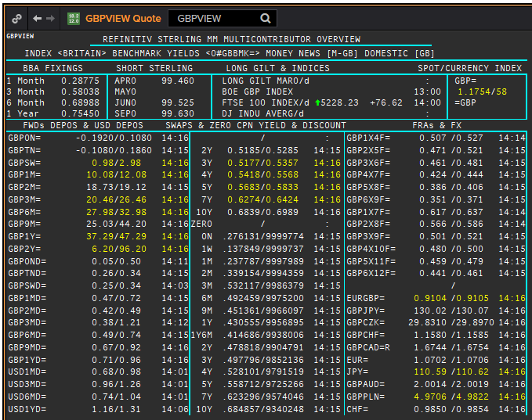
 | GBP
 | . |  |  |  |  |  |  |  |  |  |  |  |  | 01-Jan-1990
 | Maturity | Type | RIC | Bid yield (%) | Ask yield (%) | Mid Yield (%) | Ee | Eb | Fe | Fb | Bid/ask | Currency | Tenor | History Start | Close | Helper | Fwd Start Date
Excl. CDIO | SW | OIS | GBPSWOIS= | 0.0642 | 0.0842 | 0.0742 | 1 | 1 | 1 | 1 | MID | GBP | 0 | 2007-08-28 | 5.818
Excl. CDIO | 2W | OIS | GBP2WOIS= | 0.064 | 0.084 | 0.074 | 1 | 1 | 1 | 1 | MID | GBP | 0 | 2013-01-28 | 0.396
 | 1M | OIS | GBP1MOIS= | 0.0639 | 0.0839 | 0.0739 | 1 | 1 | 1 | 1 | MID | GBP | 0 | 2007-08-28 | 5.849
 | 2M | OIS | GBP2MOIS= | 0.0654 | 0.0854 | 0.0754 | 1 | 1 | 1 | 1 | MID | GBP | 0 | 2007-08-23 | 5.875
 | 3M | OIS | GBP3MOIS= | 0.0668 | 0.0868 | 0.0768 | 1 | 1 | 1 | 1 | MID | GBP | 0 | 2004-01-19 | 3.91
 | 4M | OIS | GBP4MOIS= | 0.0684 | 0.0884 | 0.0784 | 1 | 1 | 1 | 1 | MID | GBP | 0 | 2007-08-23 | 5.893
 | 5M | OIS | GBP5MOIS= | 0.0703 | 0.0903 | 0.0803 | 1 | 1 | 1 | 1 | MID | GBP | 0 | 2007-08-28 | 5.888
 | 6M | OIS | GBP6MOIS= | 0.0723 | 0.0923 | 0.0823 | 1 | 1 | 1 | 1 | MID | GBP | 0 | 2007-08-28 | 5.9
 | 7M | OIS | GBP7MOIS= | 0.0746 | 0.0946 | 0.0846 | 1 | 1 | 1 | 1 | MID | GBP | 0 | 2007-08-28 | 5.913
 | 8M | OIS | GBP8MOIS= | 0.0774 | 0.0974 | 0.0874 | 1 | 1 | 1 | 1 | MID | GBP | 0 | 2007-08-23 | 6.045
 | 9M | OIS | GBP9MOIS= | 0.0804 | 0.1004 | 0.0904 | 1 | 1 | 1 | 1 | MID | GBP | 0 | 2007-08-28 | 5.938
 | 10M | OIS | GBP10MOIS= | 0.0836 | 0.1036 | 0.0936 | 1 | 1 | 1 | 1 | MID | GBP | 0 | 2007-08-28 | 5.949
 | 11M | OIS | GBP11MOIS= | 0.0863 | 0.1063 | 0.0963 | 1 | 1 | 1 | 1 | MID | GBP | 0 | 2007-08-28 | 5.956
 | 1Y | OIS | GBP1YOIS= | 0.0887 | 0.1087 | 0.0987 | 1 | 1 | 1 | 1 | MID | GBP | 0 | 2007-08-28 | 5.964
 | 1.5Y | OIS | GBP18MOIS= | 0.1214 | 0.1364 | 0.1289 | 1 | 1 | 1 | 1 | MID | GBP | 0 | 2017-10-17 | 0.607
 | 2Y | OIS | GBP2YOIS= | 0.1452 | 0.1602 | 0.1527 | 1 | 1 | 1 | 1 | MID | GBP | 0 | 2007-08-28 | 6.133
 | 3Y | OIS | GBP3YOIS= | 0.176 | 0.196 | 0.186 | 1 | 1 | 1 | 1 | MID | GBP | 0 | 2015-01-08 | 0.7708
 | ON | IBOR | GBPONFSR= |  |  | 0.06588 | 1 | 1 | 1 | 1 | MID | GBP | 0 | 2001-01-02 | 5.81094
Excl. CDIO | SW | IBOR | GBPSWFSR= |  |  | 0.148 | 1 | 1 | 1 | 1 | MID | GBP | 0 | 1997-12-02 | 7.30469
Excl. CDIO | 1M | IBOR | GBP1MFSR= |  |  | 0.23825 | 1 | 1 | 1 | 1 | MID | GBP | 0 | 1992-09-16 | 12.5
Excl. CDIO | 2M | IBOR | GBP2MFSR= |  |  | 0.4 | 1 | 1 | 1 | 1 | MID | GBP | 0 | 1990-01-02 | 15.125
 | 3M | IBOR | GBP3MFSR= |  |  | 0.54188 | 1 | 1 | 1 | 1 | MID | GBP | 0 | 1990-01-02 | 15.125
Excl. CDIO | 6M | IBOR | GBP6MFSR= |  |  | 0.67713 | 1 | 1 | 1 | 1 | MID | GBP | 0 | 1990-01-02 | 15
Excl. CDIO | 1Y | IBOR | GBP1YFSR= |  |  | 0.79463 | 1 | 1 | 1 | 1 | MID | GBP | 0 | 1990-01-02 | 14.625
 | 4M | FRA | GBP1X4F= | 0.4928 | 0.5028 | 0.4978 | 1 | 1 | 1 | 1 | MID | GBP | 3M | 1995-01-06 | 6.93 | 1X4 | #VALUE!
Excl. CDIO | 5M | FRA | GBP2X5F= | 0.4402 | 0.4502 | 0.4452 | 1 | 1 | 1 | 1 | MID | GBP | 3M | 1995-01-06 | 7.21 | 2X5 | #VALUE!
Excl. CDIO | 6M | FRA | GBP3X6F= | 0.3779 | 0.3879 | 0.3829 | 1 | 1 | 1 | 1 | MID | GBP | 3M | 1995-01-06 | 7.42 | 3X6 | #VALUE!
Excl. CDIO | 7M | FRA | GBP4X7F= | 0.3482 | 0.3582 | 0.3532 | 1 | 1 | 1 | 1 | MID | GBP | 3M | 1995-01-06 | 7.69 | 4X7 | #VALUE!
 | 8M | FRA | GBP5X8F= | 0.3167 | 0.3267 | 0.3217 | 1 | 1 | 1 | 1 | MID | GBP | 3M | 1995-01-06 | 7.9 | 5X8 | #VALUE!
Excl. CDIO | 9M | FRA | GBP6X9F= | 0.2978 | 0.3078 | 0.3028 | 1 | 1 | 1 | 1 | MID | GBP | 3M | 1995-01-06 | 8.11 | 6X9 | #VALUE!
Excl. CDIO | 10M | FRA | GBP7X10F= | 0.3039 | 0.3139 | 0.3089 | 1 | 1 | 1 | 1 | MID | GBP | 3M | 1995-01-06 | 8.29 | 7X10 | #VALUE!
Excl. CDIO | 11M | FRA | GBP8X11F= | 0.308 | 0.328 | 0.318 | 1 | 1 | 1 | 1 | MID | GBP | 3M | 1995-01-06 | 8.44 | 8X11 | #VALUE!
 | 12M | FRA | GBP9X12F= | 0.3095 | 0.3195 | 0.3145 | 1 | 1 | 1 | 1 | MID | GBP | 3M | 1995-01-06 | 8.59 | 9X12 | #VALUE!
Excl. CDIO | 7M | FRA | GBP1X7F= | 0.573 | 0.593 | 0.583 | 1 | 1 | 1 | 1 | MID | GBP | 6M | 1995-01-06 | 7.38 | 1X7 | #VALUE!
Excl. CDIO | 8M | FRA | GBP2X8F= | 0.502 | 0.522 | 0.512 | 1 | 1 | 1 | 1 | MID | GBP | 6M | 1995-01-06 | 7.64 | 2X8 | #VALUE!
Excl. CDIO | 9M | FRA | GBP3X9F= | 0.459 | 0.479 | 0.469 | 1 | 1 | 1 | 1 | MID | GBP | 6M | 1995-01-06 | 7.84 | 3X9 | #VALUE!
Excl. CDIO | 10M | FRA | GBP4X10F= | 0.431 | 0.451 | 0.441 | 1 | 1 | 1 | 1 | MID | GBP | 6M | 1995-01-06 | 8.07 | 4X10 | #VALUE!
Excl. CDIO | 11M | FRA | GBP5X11F= | 0.409 | 0.429 | 0.419 | 1 | 1 | 1 | 1 | MID | GBP | 6M | 1995-01-06 | 8.26 | 5X11 | #VALUE!
Excl. CDIO | 12M | FRA | GBP6X12F= | 0.392 | 0.412 | 0.402 | 1 | 1 | 1 | 1 | MID | GBP | 6M | 1995-01-06 | 8.45 | 6X12 | #VALUE!
Excl. CDIO | 14M | FRA | GBP8X14F= | 0.39 | 0.41 | 0.4 | 1 | 1 | 1 | 1 | MID | GBP | 6M | 1995-01-06 | 8.45 |  | #VALUE!
Excl. CDIO | 1.5Y | FRA | GBP12X18F= | 0.408 | 0.428 | 0.418 | 1 | 1 | 1 | 1 | MID | GBP | 6M | 1995-01-06 | 8.78 | 12X18 | #VALUE!
 | 1Y | IRS | GBPSB6L1Y= | 0.5211 | 0.5611 | 0.5411 | 1 | 1 | 1 | 1 | MID | GBP | 6M | 2016-06-09 | 0.6815
 | 2Y | IRS | GBPSB6L2Y= | 0.4834 | 0.4934 | 0.4884 | 1 | 1 | 1 | 1 | MID | GBP | 6M | 1990-01-02 | 13.34
 | 3Y | IRS | GBPSB6L3Y= | 0.4847 | 0.5027 | 0.4937 | 1 | 1 | 1 | 1 | MID | GBP | 6M | 1990-01-02 | 12.9
 | 4Y | IRS | GBPSB6L4Y= | 0.5118 | 0.5268 | 0.5193 | 1 | 1 | 1 | 1 | MID | GBP | 6M | 1990-01-02 | 12.54
 | 5Y | IRS | GBPSB6L5Y= | 0.5409 | 0.5559 | 0.5484 | 1 | 1 | 1 | 1 | MID | GBP | 6M | 1990-01-02 | 12.35
 | 6Y | IRS | GBPSB6L6Y= | 0.5637 | 0.5787 | 0.5712 | 1 | 1 | 1 | 1 | MID | GBP | 6M | 1994-08-15 | 8.84
 | 7Y | IRS | GBPSB6L7Y= | 0.5812 | 0.5962 | 0.5887 | 1 | 1 | 1 | 1 | MID | GBP | 6M | 1990-01-02 | 12
 | 8Y | IRS | GBPSB6L8Y= | 0.5978 | 0.6128 | 0.6053 | 1 | 1 | 1 | 1 | MID | GBP | 6M | 1994-08-15 | 8.97
 | 9Y | IRS | GBPSB6L9Y= | 0.6106 | 0.6256 | 0.6181 | 1 | 1 | 1 | 1 | MID | GBP | 6M | 1994-08-15 | 9.01
 | 10Y | IRS | GBPSB6L10Y= | 0.6205 | 0.6355 | 0.628 | 1 | 1 | 1 | 1 | MID | GBP | 6M | 1990-01-02 | 11.8
 | 12Y | IRS | GBPSB6L12Y= | 0.6415 | 0.6565 | 0.649 | 1 | 1 | 1 | 1 | MID | GBP | 6M | 2003-08-18 | 4.77
 | 15Y | IRS | GBPSB6L15Y= | 0.66 | 0.675 | 0.6675 | 1 | 1 | 1 | 1 | MID | GBP | 6M | 2003-08-18 | 4.79
 | 20Y | IRS | GBPSB6L20Y= | 0.666 | 0.681 | 0.6735 | 1 | 1 | 1 | 1 | MID | GBP | 6M | 2003-08-18 | 4.79
 | 25Y | IRS | GBPSB6L25Y= | 0.6528 | 0.6678 | 0.6603 | 1 | 1 | 1 | 1 | MID | GBP | 6M | 1998-08-13 | 5.97
 | 30Y | IRS | GBPSB6L30Y= | 0.6355 | 0.6505 | 0.643 | 1 | 1 | 1 | 1 | MID | GBP | 6M | 2003-08-18 | 4.79
Excl. CDIO | 40Y | IRS | GBPSB6L40Y= | 0.504 | 0.674 | 0.589 | 1 | 1 | 1 | 1 | MID | GBP | 6M | 2003-10-20 | 4.82
Excl. CDIO | 50Y | IRS | GBPSB6L50Y= | 0.459 | 0.629 | 0.544 | 1 | 1 | 1 | 1 | MID | GBP | 6M | 2003-10-20 | 4.75

