SEK
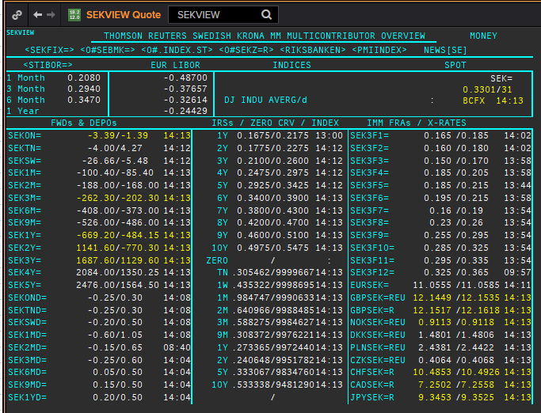
SEK | SEKAMTNS
.
Maturity | Type | RIC | Bid yield (%) | Ask yield (%) | Mid Yield (%) | Ee | Eb | Fe | Fb | Bid/ask | Currency
1M | OIS | SEKAMTNS1M= | 0.025 | 0.045 | 0.035 | 1 | 1 | 1 | 1 | MID | SEK
2M | OIS | SEKAMTNS2M= | -0.002 | 0.018 | 0.008 | 1 | 1 | 1 | 1 | MID | SEK
3M | OIS | SEKAMTNS3M= | -0.013 | 0.007 | -0.003 | 1 | 1 | 1 | 1 | MID | SEK
6M | OIS | SEKAMTNS6M= | -0.045 | -0.025 | -0.035 | 1 | 1 | 1 | 1 | MID | SEK
9M | OIS | SEKAMTNS9M= | -0.059 | -0.039 | -0.049 | 1 | 1 | 1 | 1 | MID | SEK
1Y | OIS | SEKAMTNS1Y= | -0.065 | -0.045 | -0.055 | 1 | 1 | 1 | 1 | MID | SEK
2Y | OIS | SEKAMTNS2Y= | -0.035 | 0.015 | -0.01 | 1 | 1 | 1 | 1 | MID | SEK
3Y | OIS | SEKAMTNS3Y= | 0.019 | 0.069 | 0.044 | 1 | 1 | 1 | 1 | MID | SEK
4Y | OIS | SEKAMTNS4Y= | 0.071 | 0.121 | 0.096 | 1 | 1 | 1 | 1 | MID | SEK
5Y | OIS | SEKAMTNS5Y= | 0.162 | 0.182 | 0.172 | 1 | 1 | 1 | 1 | MID | SEK
6Y | OIS | SEKAMTNS6Y= | 0.231 | 0.251 | 0.241 | 1 | 1 | 1 | 1 | MID | SEK
7Y | OIS | SEKAMTNS7Y= | 0.199 | 0.249 | 0.224 | 1 | 1 | 1 | 1 | MID | SEK
8Y | OIS | SEKAMTNS8Y= | 0.344 | 0.364 | 0.354 | 1 | 1 | 1 | 1 | MID | SEK
9Y | OIS | SEKAMTNS9Y= | 0.39 | 0.41 | 0.4 | 1 | 1 | 1 | 1 | MID | SEK
10Y | OIS | SEKAMTNS10Y= | 0.432 | 0.452 | 0.442 | 1 | 1 | 1 | 1 | MID | SEK
12Y | OIS | SEKAMTNS12Y= | 0.444 | 0.394 | 0.419 | 1 | 1 | 1 | 1 | MID | SEK
15Y | OIS | SEKAMTNS15Y= | 0.506 | 0.456 | 0.481 | 1 | 1 | 1 | 1 | MID | SEK
20Y | OIS | SEKAMTNS20Y= | 0.655 | 0.635 | 0.645 | 1 | 1 | 1 | 1 | MID | SEK
25Y | OIS | SEKAMTNS25Y= | 0.473 | 0.423 | 0.448 | 1 | 1 | 1 | 1 | MID | SEK
30Y | OIS | SEKAMTNS30Y= | 0.646 | 0.626 | 0.636 | 1 | 1 | 1 | 1 | MID | SEK
TN | IBOR | STISEKTNDFI= |  |  | 0.104 | 1 | 1 | 1 | 1 | MID | SEK
3M | IBOR | STISEK3MDFI= |  |  | 0.294 | 1 | 1 | 1 | 1 | MID | SEK
6M | FRA | SEK3F1= | 0.185 | 0.165 | 0.175 | 1 | 1 | 1 | 1 | MID | SEK
9M | FRA | SEK3F2= | 0.18 | 0.16 | 0.17 | 1 | 1 | 1 | 1 | MID | SEK
1Y | FRA | SEK3F3= | 0.17 | 0.15 | 0.16 | 1 | 1 | 1 | 1 | MID | SEK
15M | FRA | SEK3F4= | 0.205 | 0.185 | 0.195 | 1 | 1 | 1 | 1 | MID | SEK
18M | FRA | SEK3F5= | 0.215 | 0.185 | 0.2 | 1 | 1 | 1 | 1 | MID | SEK
21M | FRA | SEK3F6= | 0.215 | 0.195 | 0.205 | 1 | 1 | 1 | 1 | MID | SEK
2Y | FRA | SEK3F7= | 0.19 | 0.16 | 0.175 | 1 | 1 | 1 | 1 | MID | SEK
2.25Y | FRA | SEK3F8= | 0.26 | 0.23 | 0.245 | 1 | 1 | 1 | 1 | MID | SEK
2.5Y | FRA | SEK3F9= | 0.295 | 0.255 | 0.275 | 1 | 1 | 1 | 1 | MID | SEK
2.75Y | FRA | SEK3F10= | 0.325 | 0.285 | 0.305 | 1 | 1 | 1 | 1 | MID | SEK
3Y | FRA | SEK3F11= | 0.335 | 0.295 | 0.315 | 1 | 1 | 1 | 1 | MID | SEK
3.25Y | FRA | SEK3F12= | 0.365 | 0.325 | 0.345 | 1 | 1 | 1 | 1 | MID | SEK
1Y | IRS | SEKAB3S1Y= | 0.21 | 0.19 | 0.2 | 1 | 1 | 1 | 1 | MID | SEK
2Y | IRS | SEKAB3S2Y= | 0.21 | 0.19 | 0.2 | 1 | 1 | 1 | 1 | MID | SEK
3Y | IRS | SEKAB3S3Y= | 0.25 | 0.23 | 0.24 | 1 | 1 | 1 | 1 | MID | SEK
4Y | IRS | SEKAB3S4Y= | 0.3 | 0.28 | 0.29 | 1 | 1 | 1 | 1 | MID | SEK
5Y | IRS | SEKAB3S5Y= | 0.343 | 0.323 | 0.333 | 1 | 1 | 1 | 1 | MID | SEK
6Y | IRS | SEKAB3S6Y= | 0.385 | 0.365 | 0.375 | 1 | 1 | 1 | 1 | MID | SEK
7Y | IRS | SEKAB3S7Y= | 0.44 | 0.39 | 0.415 | 1 | 1 | 1 | 1 | MID | SEK
8Y | IRS | SEKAB3S8Y= | 0.467 | 0.447 | 0.457 | 1 | 1 | 1 | 1 | MID | SEK
9Y | IRS | SEKAB3S9Y= | 0.5175 | 0.4675 | 0.4925 | 1 | 1 | 1 | 1 | MID | SEK
10Y | IRS | SEKAB3S10Y= | 0.5525 | 0.5025 | 0.5275 | 1 | 1 | 1 | 1 | MID | SEK
12Y | IRS | SEKAB3S12Y= | 0.62 | 0.59 | 0.605 | 1 | 1 | 1 | 1 | MID | SEK
15Y | IRS | SEKAB3S15Y= | 0.68 | 0.65 | 0.665 | 1 | 1 | 1 | 1 | MID | SEK
20Y | IRS | SEKAB3S20Y= | 0.7 | 0.66 | 0.68 | 1 | 1 | 1 | 1 | MID | SEK
30Y | IRS | SEKAB3S30Y= | 0.575 | 0.535 | 0.555 | 1 | 1 | 1 | 1 | MID | SEK

USD
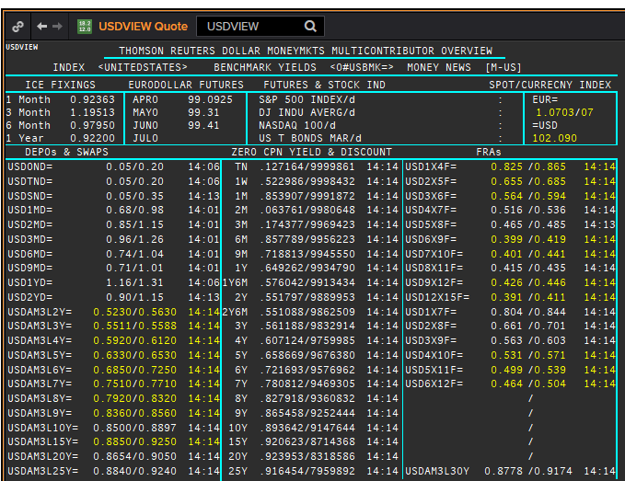
USD | USD
.
Maturity | Type | RIC | Bid yield (%) | Ask yield (%) | Mid Yield (%) | Ee | Eb | Fe | Fb | Bid/ask | Currency
1M | OIS | USD1MOIS= | 0.099 | 0.149 | 0.124 | 1 | 1 | 1 | 1 | MID | USD
2M | OIS | USD2MOIS= | 0.1 | 0.14 | 0.12 | 1 | 1 | 1 | 1 | MID | USD
3M | OIS | USD3MOIS= | 0.092 | 0.142 | 0.117 | 1 | 1 | 1 | 1 | MID | USD
4M | OIS | USD4MOIS= | 0.104 | 0.124 | 0.114 | 1 | 1 | 1 | 1 | MID | USD
5M | OIS | USD5MOIS= | 0.1 | 0.12 | 0.11 | 1 | 1 | 1 | 1 | MID | USD
6M | OIS | USD6MOIS= | 0.097 | 0.117 | 0.107 | 1 | 1 | 1 | 1 | MID | USD
7M | OIS | USD7MOIS= | 0.094 | 0.114 | 0.104 | 1 | 1 | 1 | 1 | MID | USD
8M | OIS | USD8MOIS= | 0.078 | 0.128 | 0.103 | 1 | 1 | 1 | 1 | MID | USD
9M | OIS | USD9MOIS= | 0.092 | 0.112 | 0.102 | 1 | 1 | 1 | 1 | MID | USD
10M | OIS | USD10MOIS= | 0.093 | 0.113 | 0.103 | 1 | 1 | 1 | 1 | MID | USD
11M | OIS | USD11MOIS= | 0.078 | 0.128 | 0.103 | 1 | 1 | 1 | 1 | MID | USD
1Y | OIS | USD1YOIS= | 0.094 | 0.114 | 0.104 | 1 | 1 | 1 | 1 | MID | USD
2Y | OIS | USD2YOIS= | 0.13 | 0.15 | 0.14 | 1 | 1 | 1 | 1 | MID | USD
ON | IBOR | USDONFSR= |  |  | 0.29825 | 1 | 1 | 1 | 1 | MID | USD
3M | IBOR | USD3MFSR= |  |  | 1.19513 | 1 | 1 | 1 | 1 | MID | USD
6M | FRA | USD3X6F= | 0.578 | 0.538 | 0.558 | 1 | 1 | 1 | 1 | MID | USD
9M | FRA | USD6X9F= | 0.411 | 0.391 | 0.401 | 1 | 1 | 1 | 1 | MID | USD
1Y | FRA | USD9X12F= | 0.444 | 0.404 | 0.424 | 1 | 1 | 1 | 1 | MID | USD
15M | FRA | USD12X15F= | 0.405 | 0.385 | 0.395 | 1 | 1 | 1 | 1 | MID | USD
18M | FRA | USD15X18F= | 0.444 | 0.424 | 0.434 | 1 | 1 | 1 | 1 | MID | USD
21M | FRA | USD18X21F= | 0.458 | 0.418 | 0.438 | 1 | 1 | 1 | 1 | MID | USD
1Y | IRS | USDAM3L1Y= | 0.661 | 0.641 | 0.661 | 1 | 1 | 1 | 1 | MID | USD
2Y | IRS | USDAM3L2Y= | 0.565 | 0.545 | 0.555 | 1 | 1 | 1 | 1 | MID | USD
3Y | IRS | USDAM3L3Y= | 0.576 | 0.536 | 0.556 | 1 | 1 | 1 | 1 | MID | USD
4Y | IRS | USDAM3L4Y= | 0.604 | 0.5645 | 0.599 | 1 | 1 | 1 | 1 | MID | USD
5Y | IRS | USDAM3L5Y= | 0.6654 | 0.6258 | 0.6463 | 1 | 1 | 1 | 1 | MID | USD
6Y | IRS | USDAM3L6Y= | 0.7082 | 0.7002 | 0.7034 | 1 | 1 | 1 | 1 | MID | USD
7Y | IRS | USDAM3L7Y= | 0.7673 | 0.7568 | 0.776 | 1 | 1 | 1 | 1 | MID | USD
8Y | IRS | USDAM3L8Y= | 0.8054 | 0.7971 | 0.8013 | 1 | 1 | 1 | 1 | MID | USD
9Y | IRS | USDAM3L9Y= | 0.84 | 0.83 | 0.835 | 1 | 1 | 1 | 1 | MID | USD
10Y | IRS | USDAM3L10Y= | 0.88 | 0.84 | 0.86 | 1 | 1 | 1 | 1 | MID | USD
12Y | IRS | USDAM3L12Y= | 0.89 | 0.88 | 0.885 | 1 | 1 | 1 | 1 | MID | USD
15Y | IRS | USDAM3L15Y= | 0.919 | 0.879 | 0.899 | 1 | 1 | 1 | 1 | MID | USD
20Y | IRS | USDAM3L20Y= | 0.918 | 0.898 | 0.8985 | 1 | 1 | 1 | 1 | MID | USD
25Y | IRS | USDAM3L25Y= | 0.91 | 0.9 | 0.905 | 1 | 1 | 1 | 1 | MID | USD
30Y | IRS | USDAM3L30Y= | 0.911 | 0.8713 | 0.8912 | 1 | 1 | 1 | 1 | MID | USD

NOK
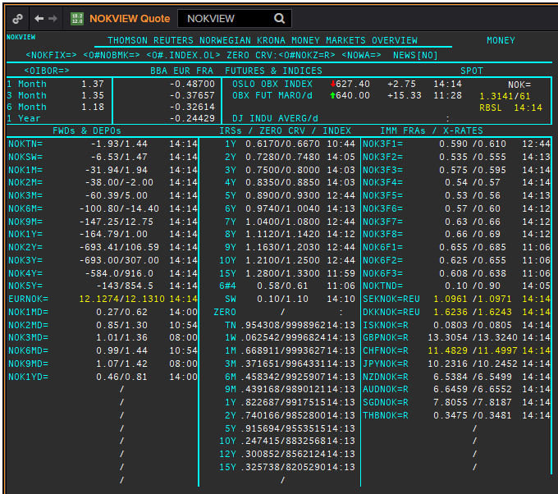
NOK | NOK
.
Maturity | Type | RIC | Bid yield (%) | Ask yield (%) | Mid Yield (%) | Ee | Eb | Fe | Fb | Bid/ask | Currency
1M | OIS | NOK1M= | -32.75 | -10.92 | -21.835 | 1 | 1 | 1 | 1 | MID | NOK
2M | OIS | NOK2M= | -47.22 | -12 | -29.61 | 1 | 1 | 1 | 1 | MID | NOK
3M | OIS | NOK3M= | -62 | -12 | -37 | 1 | 1 | 1 | 1 | MID | NOK
6M | OIS | NOK6M= | -115.55 | -15.55 | -65.55 | 1 | 1 | 1 | 1 | MID | NOK
9M | OIS | NOK9M= | -112.92 | -34.21 | -73.565 | 1 | 1 | 1 | 1 | MID | NOK
1Y | OIS | NOK1Y= | -141.9 | 28.3 | -56.8 | 1 | 1 | 1 | 1 | MID | NOK
2Y | OIS | NOK2Y= | -152.4 | 84 | -34.2 | 1 | 1 | 1 | 1 | MID | NOK
3Y | OIS | NOK3Y= | -249.5 | 123.4 | -63.05 | 1 | 1 | 1 | 1 | MID | NOK
4Y | OIS | NOK4Y= | -166.5 | 503 | 168.25 | 1 | 1 | 1 | 1 | MID | NOK
5Y | OIS | NOK5Y= | -132.6 | 861.9 | 364.65 | 1 | 1 | 1 | 1 | MID | NOK
3M | IBOR | /OINOK3MD= | 1.35 | #N/A | 1.35 | 1 | 1 | 1 | 1 | MID | NOK

 |  |  |  |  |  |  |  |  |  |  |  | IBOR
 |  |  |  |  |  |  |  |  |  |  |  | FRA
 |  |  |  |  |  |  |  |  |  |  |  | IRS

1Y | IRS | NOKAB3O1Y= | 0.673 | 0.723 | 0.698 | 1 | 1 | 1 | 1 | MID | NOK
2Y | IRS | NOKAB6O2Y= | 0.718 | 0.768 | 0.743 | 1 | 1 | 1 | 1 | MID | NOK
3Y | IRS | NOKAB6O3Y= | 0.75 | 0.8 | 0.775 | 1 | 1 | 1 | 1 | MID | NOK
4Y | IRS | NOKAB6O4Y= | 0.827 | 0.857 | 0.842 | 1 | 1 | 1 | 1 | MID | NOK
5Y | IRS | NOKAB6O5Y= | 0.897 | 0.927 | 0.912 | 1 | 1 | 1 | 1 | MID | NOK
6Y | IRS | NOKAB6O6Y= | 0.971 | 1.001 | 0.986 | 1 | 1 | 1 | 1 | MID | NOK
7Y | IRS | NOKAB6O7Y= | 1.076 | 1.126 | 1.101 | 1 | 1 | 1 | 1 | MID | NOK
8Y | IRS | NOKAB6O8Y= | 1.102 | 1.132 | 1.117 | 1 | 1 | 1 | 1 | MID | NOK
9Y | IRS | NOKAB6O9Y= | 1.163 | 1.203 | 1.183 | 1 | 1 | 1 | 1 | MID | NOK
10Y | IRS | NOKAB6O10Y= | 1.231 | 1.281 | 1.256 | 1 | 1 | 1 | 1 | MID | NOK
15Y | IRS | NOKAB6O15Y= | 1.28 | 1.33 | 1.305 | 1 | 1 | 1 | 1 | MID | NOK

EUR
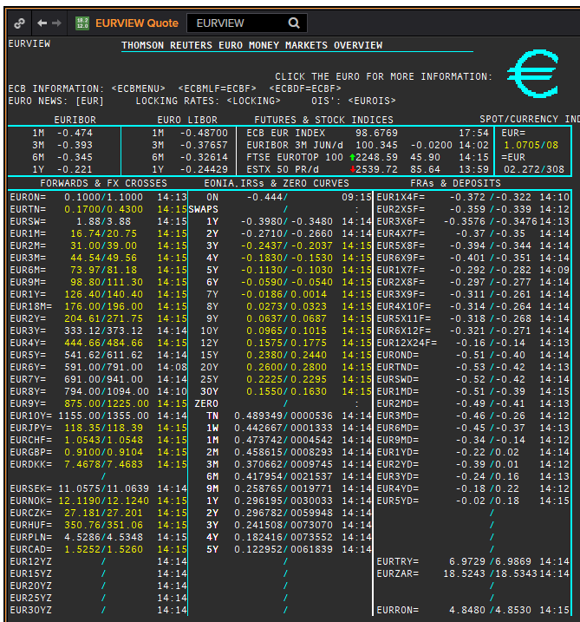
EUR | EUREON
.
Maturity | Type | RIC | Bid yield (%) | Ask yield (%) | Mid Yield (%) | Ee | Eb | Fe | Fb | Bid/ask | Currency
1M | OIS | EUREON1M= | -0.488 | -0.458 | -0.473 | 1 | 1 | 1 | 1 | MID | EUR
2M | OIS | EUREON2M= | -0.502 | -0.472 | -0.487 | 1 | 1 | 1 | 1 | MID | EUR
3M | OIS | EUREON3M= | -0.512 | -0.482 | -0.497 | 1 | 1 | 1 | 1 | MID | EUR
4M | OIS | EUREON4M= | -0.524 | -0.474 | -0.499 | 1 | 1 | 1 | 1 | MID | EUR
5M | OIS | EUREON5M= | -0.526 | -0.496 | -0.511 | 1 | 1 | 1 | 1 | MID | EUR
6M | OIS | EUREON6M= | -0.528 | -0.4961 | -0.51205 | 1 | 1 | 1 | 1 | MID | EUR
7M | OIS | EUREON7M= | -0.532 | -0.482 | -0.507 | 1 | 1 | 1 | 1 | MID | EUR
8M | OIS | EUREON8M= | -0.5342 | -0.5023 | -0.51825 | 1 | 1 | 1 | 1 | MID | EUR
9M | OIS | EUREON9M= | -0.5356 | -0.5037 | -0.51965 | 1 | 1 | 1 | 1 | MID | EUR
10M | OIS | EUREON10M= | -0.5365 | -0.5046 | -0.52055 | 1 | 1 | 1 | 1 | MID | EUR
11M | OIS | EUREON11M= | -0.521 | -0.511 | -0.516 | 1 | 1 | 1 | 1 | MID | EUR
1Y | OIS | EUREON1Y= | -0.525 | -0.515 | -0.52 | 1 | 1 | 1 | 1 | MID | EUR
15M | OIS | EUREON15M= | -0.5354 | -0.5034 | -0.5194 | 1 | 1 | 1 | 1 | MID | EUR
18M | OIS | EUREON18M= | -0.5292 | -0.4969 | -0.51305 | 1 | 1 | 1 | 1 | MID | EUR
21M | OIS | EUREON21M= | -0.506 | -0.496 | -0.501 | 1 | 1 | 1 | 1 | MID | EUR
2Y | OIS | EUREON2Y= | -0.496 | -0.486 | -0.491 | 1 | 1 | 1 | 1 | MID | EUR
3Y | OIS | EUREON3Y= | -0.472 | -0.422 | -0.447 | 1 | 1 | 1 | 1 | MID | EUR
4Y | OIS | EUREON4Y= | -0.413 | -0.372 | -0.3925 | 1 | 1 | 1 | 1 | MID | EUR
5Y | OIS | EUREON5Y= | -0.355 | -0.305 | -0.33 | 1 | 1 | 1 | 1 | MID | EUR
6Y | OIS | EUREON6Y= | -0.297 | -0.256 | -0.2765 | 1 | 1 | 1 | 1 | MID | EUR
7Y | OIS | EUREON7Y= | -0.245 | -0.204 | -0.2245 | 1 | 1 | 1 | 1 | MID | EUR
8Y | OIS | EUREON8Y= | -0.204 | -0.154 | -0.179 | 1 | 1 | 1 | 1 | MID | EUR
9Y | OIS | EUREON9Y= | -0.132 | -0.122 | -0.127 | 1 | 1 | 1 | 1 | MID | EUR
10Y | OIS | EUREON10Y= | -0.132 | -0.082 | -0.107 | 1 | 1 | 1 | 1 | MID | EUR

DKK
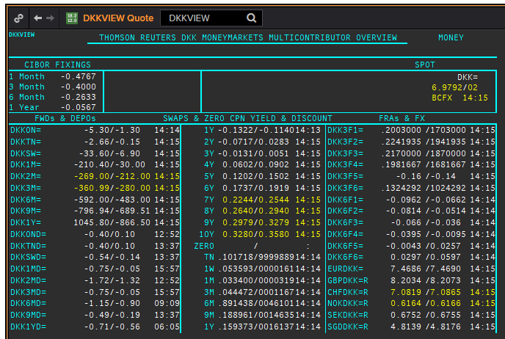
DKK | DKKAMTNC
.
Maturity | Type | RIC | Bid yield (%) | Ask yield (%) | Mid Yield (%) | Ee | Eb | Fe | Fb | Bid/ask | Currency
1M | OIS | DKKAMTNC1M= | -0.543 | -0.403 | -0.473 | 1 | 1 | 1 | 1 | MID | DKK
2M | OIS | DKKAMTNC2M= | -0.531 | -0.431 | -0.481 | 1 | 1 | 1 | 1 | MID | DKK
3M | OIS | DKKAMTNC3M= | -0.516 | -0.456 | -0.486 | 1 | 1 | 1 | 1 | MID | DKK
6M | OIS | DKKAMTNC6M= | -0.525 | -0.465 | -0.495 | 1 | 1 | 1 | 1 | MID | DKK
9M | OIS | DKKAMTNC9M= | -0.531 | -0.471 | -0.501 | 1 | 1 | 1 | 1 | MID | DKK
1Y | OIS | DKKAMTNC1Y= | -0.54 | -0.48 | -0.51 | 1 | 1 | 1 | 1 | MID | DKK
2Y | OIS | DKKAMTNC2Y= | -0.467 | -0.437 | -0.452 | 1 | 1 | 1 | 1 | MID | DKK
3Y | OIS | DKKAMTNC3Y= | -0.4195 | -0.3895 | -0.4045 | 1 | 1 | 1 | 1 | MID | DKK
4Y | OIS | DKKAMTNC4Y= | -0.3477 | -0.3077 | -0.3277 | 1 | 1 | 1 | 1 | MID | DKK
5Y | OIS | DKKAMTNC5Y= | -0.2979 | -0.2379 | -0.2679 | 1 | 1 | 1 | 1 | MID | DKK

GBP
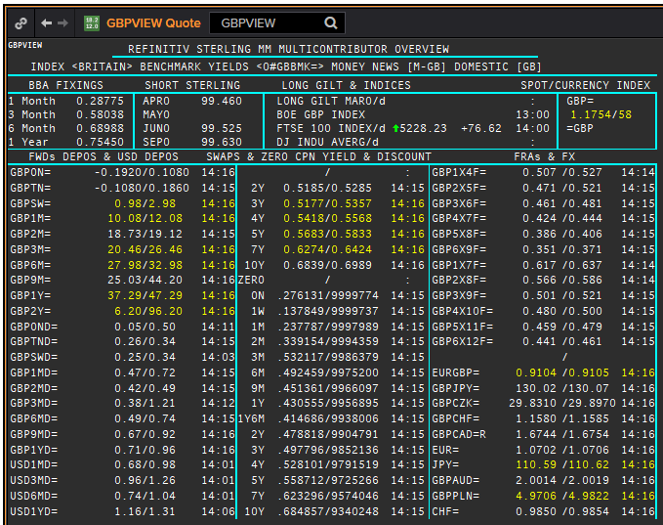
GBP | GBP
.
Maturity | Type | RIC | Bid yield (%) | Ask yield (%) | Mid Yield (%) | Ee | Eb | Fe | Fb | Bid/ask | Currency
SW | OIS | GBPSWOIS= | 0.0551 | 0.0751 | 0.0651 | 1 | 1 | 1 | 1 | MID | GBP
2W | OIS | GBP2WOIS= | 0.0557 | 0.0757 | 0.0657 | 1 | 1 | 1 | 1 | MID | GBP
1M | OIS | GBP1MOIS= | 0.056 | 0.076 | 0.066 | 1 | 1 | 1 | 1 | MID | GBP
2M | OIS | GBP2MOIS= | 0.0568 | 0.0768 | 0.0668 | 1 | 1 | 1 | 1 | MID | GBP
3M | OIS | GBP3MOIS= | 0.058 | 0.078 | 0.068 | 1 | 1 | 1 | 1 | MID | GBP
4M | OIS | GBP4MOIS= | 0.0597 | 0.0797 | 0.0697 | 1 | 1 | 1 | 1 | MID | GBP
5M | OIS | GBP5MOIS= | 0.0616 | 0.0816 | 0.0716 | 1 | 1 | 1 | 1 | MID | GBP
6M | OIS | GBP6MOIS= | 0.0639 | 0.0839 | 0.0739 | 1 | 1 | 1 | 1 | MID | GBP
7M | OIS | GBP7MOIS= | 0.0664 | 0.0864 | 0.0764 | 1 | 1 | 1 | 1 | MID | GBP
8M | OIS | GBP8MOIS= | 0.0692 | 0.0892 | 0.0792 | 1 | 1 | 1 | 1 | MID | GBP
9M | OIS | GBP9MOIS= | 0.0724 | 0.0924 | 0.0824 | 1 | 1 | 1 | 1 | MID | GBP
10M | OIS | GBP10MOIS= | 0.0759 | 0.0959 | 0.0859 | 1 | 1 | 1 | 1 | MID | GBP
11M | OIS | GBP11MOIS= | 0.0801 | 0.1001 | 0.0901 | 1 | 1 | 1 | 1 | MID | GBP
1Y | OIS | GBP1YOIS= | 0.0838 | 0.1038 | 0.0938 | 1 | 1 | 1 | 1 | MID | GBP
18M | OIS | GBP18MOIS= | 0.1139 | 0.1339 | 0.1239 | 1 | 1 | 1 | 1 | MID | GBP
2Y | OIS | GBP2YOIS= | 0.1455 | 0.1605 | 0.153 | 1 | 1 | 1 | 1 | MID | GBP
3Y | OIS | GBP3YOIS= | 0.1839 | 0.2139 | 0.1989 | 1 | 1 | 1 | 1 | MID | GBP

