Frågor
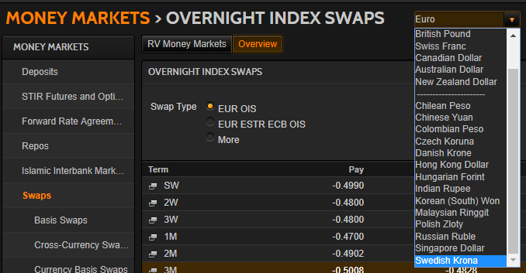
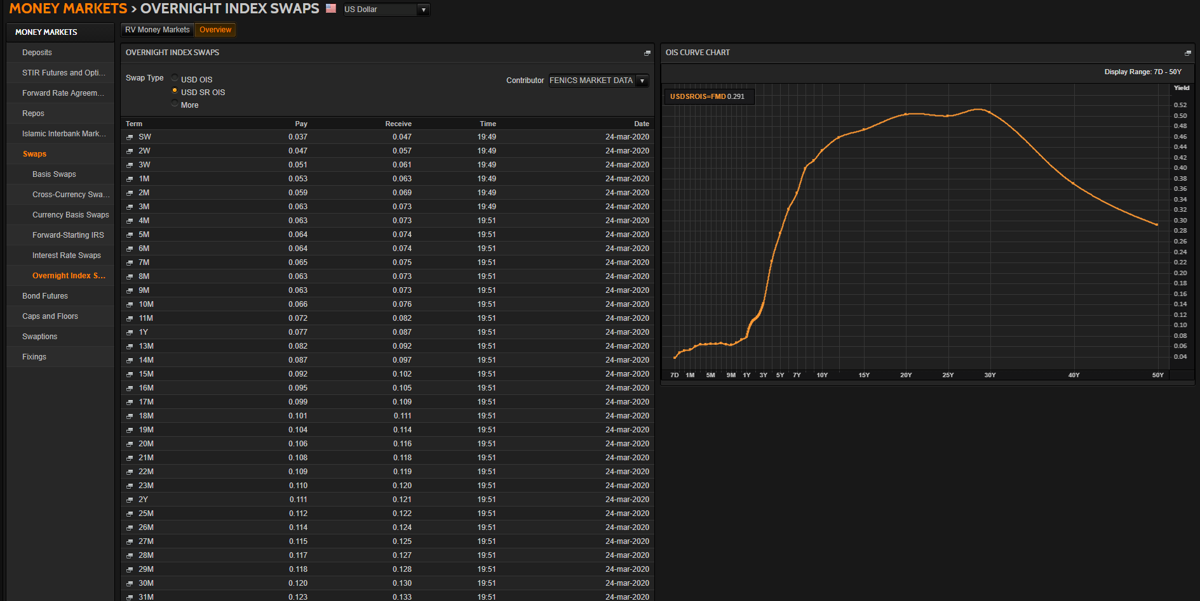
Generella frågor |  | Jörgens svar |  | OK/Fixat | Hjälp | Återstår |  | Mitt svar
Ska vi enbart ha instrument för riskfria samt 3M-tenoren, likt i CDIOn, eller samtliga tenorer? Instrument som ej användes i CDIOn är markerade med "Excl. CDIO" till vänster. |  | Det beror på vad huvudtenoren är. Det kan vara 3 eller 6 månader (i EUR är det 6M) |  |  |  |  |  | Oklart? Ta bort icke-huvudsakliga tenorer m.a.o?
Ska vi till skillnad mot i CDIOn även ta med t.ex. FRAs med överlappande tidsperioder? T.ex. 1X4, 2X5. |  | Ja, de skall vara med |  |  |  |  |  | OK, ingen åtgärd
Vad räknas som maturity för t.ex. 6F1 eller 6#1? 3+6Mån = 9Mån? |  | Det är bara 3F1, och de börjar gälla den närmaste IMM-dagen, och gäller 3 månader från den dagen. |  |  |  |  |  | Oklart?

SEK

USD
Skippa SOFR? |  | Det vore trevlig att ha med. Har ni hittat swapparna som går mot den? |  |  |  |  |  | USDSOFR= är inlagd. Troligen typ USDSROIS=FMD?
Noterbart är att vi i CDIOn använde ICAPs OISer vilket inte görs nu, ger kortare löptid på de längsta. |  | Borde använda ICAP:s för att få längre löptider |  |  |  |  |  | Har bytt till USDOIS=ICAP

NOK
Finns NOK-OISer, och i så fall var? |  | Den verkar inte finnas, så vi får lämna den tills vidare |  |  |  |  |  | OK, ingen åtgärd
Ska NOWA inkluderas? |  | Tror inte det (just nu) |  |  |  |  |  | OK, borttagen

EUR
€STR från 2 oct 2019 och EONIA innan dess? EONIA är numer lika med $STR + 8.5bp |  | Försök att få in båda. Vet ni om det finns något motsvarande OIS-kedja för €STR? |  |  |  |  |  | Tar in €STR från EUROSTR=. Har hittat EURESTOIS= för OISer?
EURIBOR hade fram till 2013 15 olika räntor, numer 5. Vad ska vi räkna med? Går de tidigare att hitta? De kommandon som Reuters refererar till verkar ej existera. |  | Det är 6-månaders räntan som är den centrala |  |  |  |  |  | OK, då avvaktar vi med att leta efter äldre
EURIBOR publicerades först 30 dec 1998 men queryn säger att data finns t.o.m. aug 1990? Tolkar vi fel eller vad gäller för startdatum? | https://www.euribor-rates.eu/en/what-is-euribor/ | Den brukar vara beräknad från Dmark |  |  |  |  |  | OK, ingen åtgärd
Visst väljer vi EURIBOR över EUR Libor eftersom den andra enbart är begränsat använd? |  | IRS:en går mot 6M EURIBOR, så det är den som är relevant |  |  |  |  |  | OK, ingen åtgärd

DKK

GBP
SONIA? | https://www.morton-fraser.com/knowledge-hub/problem-sonia-alternative-libor | Tanken är ju att det skall bli SONIA i framtiden.
 |  |  |  |  |  |  | Tror att nedanstående är fel OIS-kedja |  | €STR OISar nedan? Ser rätt ut!
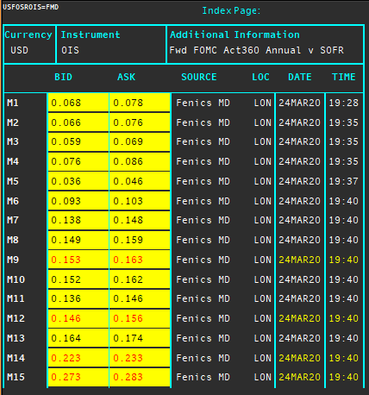
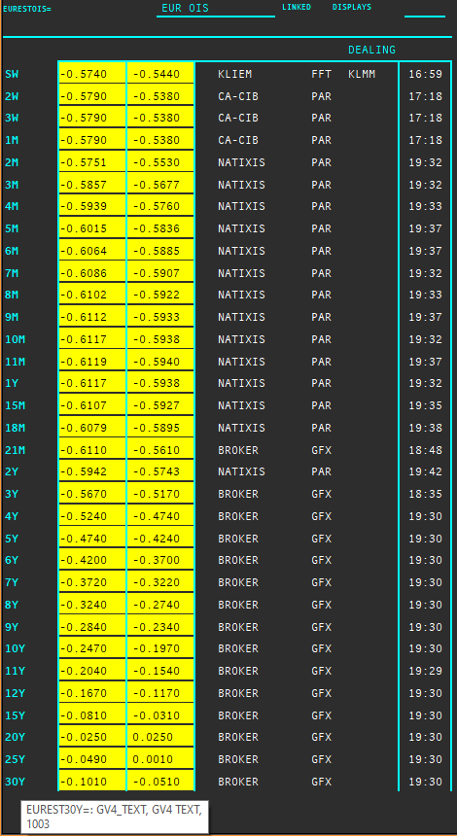

Länkar jag behöver läsa:
https://www.clarusft.com/scandie-swaps/
https://www.clarusft.com/nok-rates-nibor-and-nowa/
https://e-markets.nordea.com/api/research/attachment/76848
https://bahr.no/en/newsletter/finance-what-next-for-nibor/
https://www.google.com/search?q=stina+ois&rlz=1C1GCEB_enSE879SE879&oq=stina+ois&aqs=chrome..69i57j33.856j0j7&sourceid=chrome&ie=UTF-8
https://www.nasdaq.com/docs/SEK%20OIS%20Product%20Sheet.pdf
https://www.clarusft.com/sek-stibor-reform/
https://en.wikipedia.org/wiki/IMM_dates
https://www.cmegroup.com/education/courses/introduction-to-eurodollars/understanding-imm-price-and-date.html
https://www.ecb.europa.eu/paym/initiatives/interest_rate_benchmarks/shared/pdf/ecb.Pre-ESTER.en.pdf
https://www.ecb.europa.eu/stats/financial_markets_and_interest_rates/euro_short-term_rate/html/eurostr_overview.en.html
https://e-markets.nordea.com/api/research/attachment/86700
https://www.traditiondata.com/assets/notifications/eb363deff1/NP-Oct19-006_TraditionDATA_Product-Notification_Release_ESTER.PDF
https://www.traditiondata.com/assets/Uploads/303dce69e6/191017_TRADITIONDATA_0070_SellSheet_IRD_ESTER_V3-FIN-PRAW-WEB.pdf
https://www.clarusft.com/sofr-market-developments/ | "The USD OIS market is actually two markets: one referencing SOFR and the more established one referencing EFFR (Fed Funds)."

Maila Jörgen när det som går är fixat och för förtydliganden om övrigt

Nedan anger semi-bond eller annual
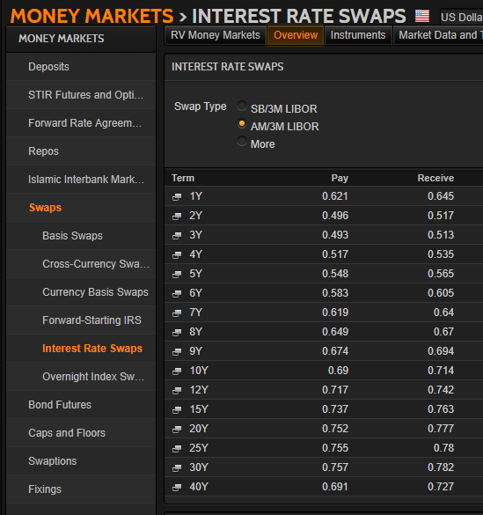
 |  |  | Nedan bekräftar att NOK saknar OIS-marknad. Det verkar enligt internet gå igenom FX-swappar mot andra valutor i stället.

SuperRICs
 | SEK | USD | NOK | EUR | DKK | GBP
Market Overview | SEKVIEW | USDVIEW | NOKVIEW | EURVIEW | DKKVIEW | GBPVIEW
Interest Rate Swap | SEKIRS | USDIRS | NOKIRS | EURIRS EUR1MIRS EUR3MIRS | DKKIRS | GBPIRS
Overnight Index Swap | SEKOIS | USDOIS USDOIS=ICAP | - | EUROIS EURESTOIS= | DKKTNS | GBPOIS
FRA | SEKFRA | USDFRA | NOKFRA | EURFRA | DKKFRA | GBPFRA
IBOR | STIBOR= | USDLIBOR= | OIBOR= | EURIBOR= (EURLIBOR=) EUROSTR= | CIBOR= | GBPLIBOR=

 | IRS | Tenors | Money Guide | Swaps
Helpful Commands | IRS-Analytics | META & RIC | MONEY | Typ: US/SWAPS
 |  | MONEY/BKGDINFO1 | MMGD

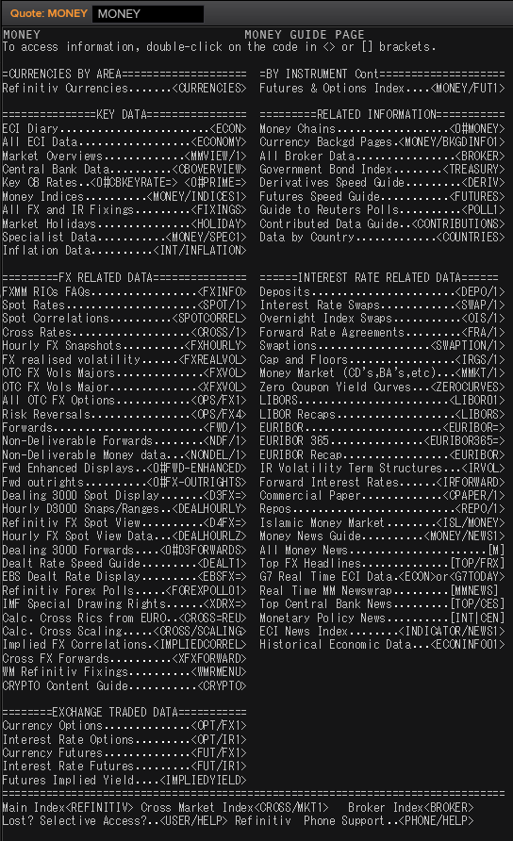
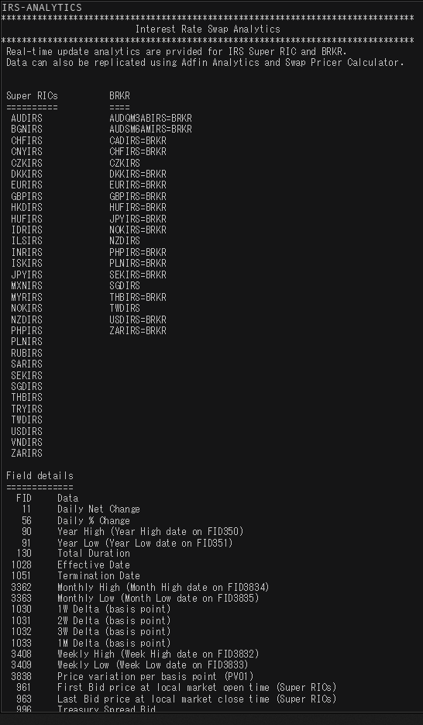

 |  |  |  |  |  |  | 18181.818182

SEK
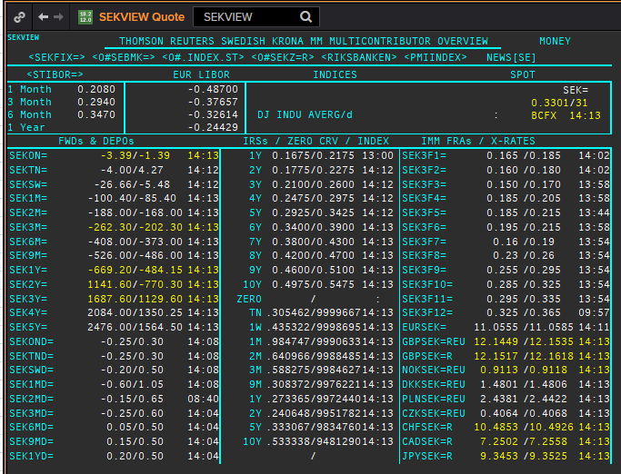
 | SEK
 | . |  |  |  |  |  |  |  |  |  |  |  |  | 01-Jan-1990
 | Maturity | Type | RIC | Bid yield (%) | Ask yield (%) | Mid Yield (%) | Ee | Eb | Fe | Fb | Bid/ask | Currency | Tenor | History Start | Close | Helper | Fwd Start Date
 | 1M | OIS | SEKAMTNS1M= | -0.04 | 0.01 | -0.015 | 1 | 1 | 1 | 1 | MID | SEK | 0 | 2002-09-03 | 4.34
 | 2M | OIS | SEKAMTNS2M= | -0.06 | -0.01 | -0.035 | 1 | 1 | 1 | 1 | MID | SEK | 0 | 2002-09-03 | 4.34
 | 3M | OIS | SEKAMTNS3M= | -0.07 | -0.02 | -0.045 | 1 | 1 | 1 | 1 | MID | SEK | 0 | 2002-09-03 | 4.33
 | 6M | OIS | SEKAMTNS6M= | -0.09 | -0.04 | -0.065 | 1 | 1 | 1 | 1 | MID | SEK | 0 | 2002-09-03 | 4.36
 | 9M | OIS | SEKAMTNS9M= | -0.055 | -0.035 | -0.045 | 1 | 1 | 1 | 1 | MID | SEK | 0 | 2002-09-03 | 4.41
 | 1Y | OIS | SEKAMTNS1Y= | -0.105 | -0.055 | -0.08 | 1 | 1 | 1 | 1 | MID | SEK | 0 | 2002-08-29 | 4.48
 | 2Y | OIS | SEKAMTNS2Y= | -0.055 | -0.035 | -0.045 | 1 | 1 | 1 | 1 | MID | SEK | 0 | 2012-10-22 | 1.015
 | 3Y | OIS | SEKAMTNS3Y= | -0.001 | 0.019 | 0.009 | 1 | 1 | 1 | 1 | MID | SEK | 0 | 2012-10-22 | 1.105
 | 4Y | OIS | SEKAMTNS4Y= | 0.062 | 0.082 | 0.072 | 1 | 1 | 1 | 1 | MID | SEK | 0 | 2012-10-22 | 1.22
 | 5Y | OIS | SEKAMTNS5Y= | 0.13 | 0.15 | 0.14 | 1 | 1 | 1 | 1 | MID | SEK | 0 | 2012-10-22 | 1.365
 | 6Y | OIS | SEKAMTNS6Y= | 0.199 | 0.219 | 0.209 | 1 | 1 | 1 | 1 | MID | SEK | 0 | 2012-10-22 | 1.49
 | 7Y | OIS | SEKAMTNS7Y= | 0.261 | 0.281 | 0.271 | 1 | 1 | 1 | 1 | MID | SEK | 0 | 2012-10-22 | 1.615
 | 8Y | OIS | SEKAMTNS8Y= | 0.255 | 0.305 | 0.28 | 1 | 1 | 1 | 1 | MID | SEK | 0 | 2012-10-22 | 1.715
 | 9Y | OIS | SEKAMTNS9Y= | 0.368 | 0.388 | 0.378 | 1 | 1 | 1 | 1 | MID | SEK | 0 | 2012-10-22 | 1.81
 | 10Y | OIS | SEKAMTNS10Y= | 0.415 | 0.435 | 0.425 | 1 | 1 | 1 | 1 | MID | SEK | 0 | 2012-10-22 | 1.895
 | 12Y | OIS | SEKAMTNS12Y= | 0.41 | 0.47 | 0.44 | 1 | 1 | 1 | 1 | MID | SEK | 0 | 2013-07-04 | 2.425
 | 15Y | OIS | SEKAMTNS15Y= | 0.48 | 0.54 | 0.51 | 1 | 1 | 1 | 1 | MID | SEK | 0 | 2013-07-04 | 2.515
 | 20Y | OIS | SEKAMTNS20Y= | 0.637 | 0.657 | 0.647 | 1 | 1 | 1 | 1 | MID | SEK | 0 | 2013-07-04 | 2.575
 | 25Y | OIS | SEKAMTNS25Y= | 0.465 | 0.545 | 0.505 | 1 | 1 | 1 | 1 | MID | SEK | 0 | 2013-07-04 | 2.605
 | 30Y | OIS | SEKAMTNS30Y= | 0.628 | 0.648 | 0.638 | 1 | 1 | 1 | 1 | MID | SEK | 0 | 2013-07-04 | 2.645
 | TN | IBOR | STISEKTNDFI= |  |  | 0.078 | 1 | 1 | 1 | 1 | MID | SEK | 0 | 1997-06-10 | 4.2
Excl. CDIO | 1W | IBOR | STISEK1WDFI= |  |  | 0.086 | 1 | 1 | 1 | 1 | MID | SEK | 0 | 1990-01-02 | 12.75
Excl. CDIO | 1M | IBOR | STISEK1MDFI= |  |  | 0.162 | 1 | 1 | 1 | 1 | MID | SEK | 0 | 1990-01-02 | 12.54
Excl. CDIO | 2M | IBOR | STISEK2MDFI= |  |  | 0.226 | 1 | 1 | 1 | 1 | MID | SEK | 0 | 1994-09-06 | 7.9
 | 3M | IBOR | STISEK3MDFI= |  |  | 0.311 | 1 | 1 | 1 | 1 | MID | SEK | 0 | 1990-01-02 | 12.8
Excl. CDIO | 6M | IBOR | STISEK6MDFI= |  |  | 0.381 | 1 | 1 | 1 | 1 | MID | SEK | 0 | 1990-01-02 | 13.1
 | 6M | FRA | SEK3F1= | 0.16 | 0.18 | 0.17 | 1 | 1 | 1 | 1 | MID | SEK | 3M | 1995-12-15 | 8.72 | 150620 | 2020-09-15
 | 9M | FRA | SEK3F2= | 0.16 | 0.18 | 0.17 | 1 | 1 | 1 | 1 | MID | SEK | 3M | 1995-12-15 | 8.13 | 140920 | 2020-12-14
 | 1Y | FRA | SEK3F3= | 0.16 | 0.18 | 0.17 | 1 | 1 | 1 | 1 | MID | SEK | 3M | 1995-12-15 | 7.83 | 141220 | 2021-03-14
 | 1.25Y | FRA | SEK3F4= | 0.17 | 0.19 | 0.18 | 1 | 1 | 1 | 1 | MID | SEK | 3M | 1995-12-15 | 7.69 | 150321 | 2021-06-15
 | 1.5Y | FRA | SEK3F5= | 0.165 | 0.195 | 0.18 | 1 | 1 | 1 | 1 | MID | SEK | 3M | 1995-12-15 | 7.71 | 140621 | 2021-09-14
 | 1.75Y | FRA | SEK3F6= | 0.184 | 0.204 | 0.194 | 1 | 1 | 1 | 1 | MID | SEK | 3M | 1995-12-15 | 7.75 | 130921 | 2021-12-13
 | 2Y | FRA | SEK3F7= | 0.169 | 0.199 | 0.184 | 1 | 1 | 1 | 1 | MID | SEK | 3M | 1995-12-15 | 7.8 | 131221 | 2022-03-13
 | 2.25Y | FRA | SEK3F8= | 0.19 | 0.22 | 0.205 | 1 | 1 | 1 | 1 | MID | SEK | 3M | 1995-12-15 | 7.85 | 140322 | 2022-06-14
 | 2.5Y | FRA | SEK3F9= | 0.249 | 0.289 | 0.269 | 1 | 1 | 1 | 1 | MID | SEK | 3M | 1999-05-25 | 4.5 | 130622 | 2022-09-13
 | 2.75Y | FRA | SEK3F10= | 0.284 | 0.324 | 0.304 | 1 | 1 | 1 | 1 | MID | SEK | 3M | 1999-05-25 | 4.69 | 190922 | 2022-12-19
 | 3Y | FRA | SEK3F11= | 0.269 | 0.309 | 0.289 | 1 | 1 | 1 | 1 | MID | SEK | 3M | 1999-05-25 | 4.83 | 191222 | 2023-03-19
 | 3.25Y | FRA | SEK3F12= | 0.319 | 0.359 | 0.339 | 1 | 1 | 1 | 1 | MID | SEK | 3M | 1999-05-25 | 4.91 | 130323 | 2023-06-13
 | 1Y | IRS | SEKAB3S1Y= | 0.175 | 0.205 | 0.19 | 1 | 1 | 1 | 1 | MID | SEK | 3M | 1997-05-08 | 4.72
Excl. CDIO | 18M | IRS | SEKAB3S18M= | 0.18 | 0.2 | 0.19 | 1 | 1 | 1 | 1 | MID | SEK | 3M | 2003-01-07 | 3.96
 | 2Y | IRS | SEKAB3S2Y= | 0.171 | 0.201 | 0.186 | 1 | 1 | 1 | 1 | MID | SEK | 3M | 1992-02-03 | 11.39
 | 3Y | IRS | SEKAB3S3Y= | 0.201 | 0.231 | 0.216 | 1 | 1 | 1 | 1 | MID | SEK | 3M | 1992-02-03 | 11.18
 | 4Y | IRS | SEKAB3S4Y= | 0.241 | 0.271 | 0.256 | 1 | 1 | 1 | 1 | MID | SEK | 3M | 1992-02-03 | 11.01
 | 5Y | IRS | SEKAB3S5Y= | 0.286 | 0.316 | 0.301 | 1 | 1 | 1 | 1 | MID | SEK | 3M | 1992-02-03 | 10.93
 | 6Y | IRS | SEKAB3S6Y= | 0.331 | 0.361 | 0.346 | 1 | 1 | 1 | 1 | MID | SEK | 3M | 1997-08-13 | 6.4
 | 7Y | IRS | SEKAB3S7Y= | 0.376 | 0.406 | 0.391 | 1 | 1 | 1 | 1 | MID | SEK | 3M | 1992-02-03 | 10.76
 | 8Y | IRS | SEKAB3S8Y= | 0.418 | 0.448 | 0.433 | 1 | 1 | 1 | 1 | MID | SEK | 3M | 1997-08-13 | 6.63
 | 9Y | IRS | SEKAB3S9Y= | 0.473 | 0.493 | 0.483 | 1 | 1 | 1 | 1 | MID | SEK | 3M | 1997-08-13 | 6.73
 | 10Y | IRS | SEKAB3S10Y= | 0.498 | 0.528 | 0.513 | 1 | 1 | 1 | 1 | MID | SEK | 3M | 1992-02-03 | 10.65
 | 12Y | IRS | SEKAB3S12Y= | 0.588 | 0.608 | 0.598 | 1 | 1 | 1 | 1 | MID | SEK | 3M | 2008-01-10 | 4.7925
 | 15Y | IRS | SEKAB3S15Y= | 0.655 | 0.685 | 0.67 | 1 | 1 | 1 | 1 | MID | SEK | 3M | 2008-01-10 | 4.81
 | 20Y | IRS | SEKAB3S20Y= | 0.693 | 0.723 | 0.708 | 1 | 1 | 1 | 1 | MID | SEK | 3M | 2008-02-06 | 4.5925
 | 30Y | IRS | SEKAB3S30Y= | 0.593 | 0.623 | 0.608 | 1 | 1 | 1 | 1 | MID | SEK | 3M | 2012-02-08 | 2.455

USD
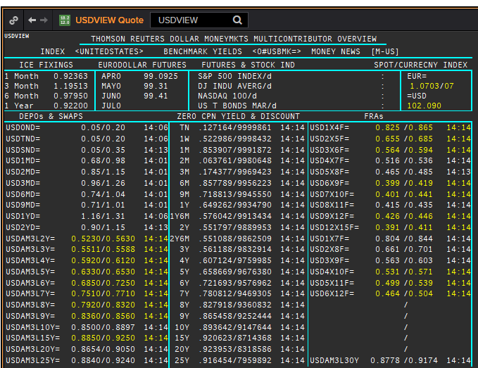
 | USD
 | . |  |  |  |  |  |  |  |  |  |  |  |  | 01-Jan-1990
 | Maturity | Type | RIC | Bid yield (%) | Ask yield (%) | Mid Yield (%) | Ee | Eb | Fe | Fb | Bid/ask | Currency | Tenor | History Start | Close | Helper | Fwd Start Date
 | 1M | OIS | USD1MOIS=ICAP | 0.035 | 0.085 | 0.06 | 1 | 1 | 1 | 1 | MID | USD | 0 | 2001-08-09 | 3.523
 | 2M | OIS | USD2MOIS=ICAP | 0.045 | 0.095 | 0.07 | 1 | 1 | 1 | 1 | MID | USD | 0 | 2001-08-09 | 3.463
 | 3M | OIS | USD3MOIS=ICAP | 0.045 | 0.095 | 0.07 | 1 | 1 | 1 | 1 | MID | USD | 0 | 2001-08-09 | 3.419
 | 4M | OIS | USD4MOIS=ICAP | 0.044 | 0.094 | 0.069 | 1 | 1 | 1 | 1 | MID | USD | 0 | 2001-08-09 | 3.41
 | 5M | OIS | USD5MOIS=ICAP | 0.042 | 0.092 | 0.067 | 1 | 1 | 1 | 1 | MID | USD | 0 | 2001-08-09 | 3.403
 | 6M | OIS | USD6MOIS=ICAP | 0.041 | 0.091 | 0.066 | 1 | 1 | 1 | 1 | MID | USD | 0 | 2001-08-09 | 3.394
 | 7M | OIS | USD7MOIS=ICAP | 0.04 | 0.09 | 0.065 | 1 | 1 | 1 | 1 | MID | USD | 0 | 2001-08-09 | 3.394
 | 8M | OIS | USD8MOIS=ICAP | 0.039 | 0.089 | 0.064 | 1 | 1 | 1 | 1 | MID | USD | 0 | 2001-08-09 | 3.408
 | 9M | OIS | USD9MOIS=ICAP | 0.038 | 0.088 | 0.063 | 1 | 1 | 1 | 1 | MID | USD | 0 | 2001-08-09 | 3.43
 | 10M | OIS | USD10MOIS=ICAP | 0.039 | 0.089 | 0.064 | 1 | 1 | 1 | 1 | MID | USD | 0 | 2001-08-09 | 3.464
 | 11M | OIS | USD11MOIS=ICAP | 0.039 | 0.089 | 0.064 | 1 | 1 | 1 | 1 | MID | USD | 0 | 2001-08-09 | 3.503
 | 1Y | OIS | USD1YOIS=ICAP | 0.042 | 0.092 | 0.067 | 1 | 1 | 1 | 1 | MID | USD | 0 | 2001-08-09 | 3.539
 | 15M | OIS | USD15MOIS=ICAP | 0.049 | 0.099 | 0.074 | 1 | 1 | 1 | 1 | MID | USD | 0 | 2001-08-09 | 3.684
 | 18M | OIS | USD18MOIS=ICAP | 0.057 | 0.107 | 0.082 | 1 | 1 | 1 | 1 | MID | USD | 0 | 2001-08-09 | 3.819
 | 21M | OIS | USD21MOIS=ICAP | 0.066 | 0.116 | 0.091 | 1 | 1 | 1 | 1 | MID | USD | 0 | 2001-08-09 | 3.952
 | 2Y | OIS | USD2YOIS=ICAP | 0.075 | 0.125 | 0.1 | 1 | 1 | 1 | 1 | MID | USD | 0 | 2001-08-09 | 4.09
 | 3Y | OIS | USD3YOIS=ICAP | 0.14 | 0.19 | 0.165 | 1 | 1 | 1 | 1 | MID | USD | 0 | 2012-03-30 | 0.384
 | 4Y | OIS | USD4YOIS=ICAP | 0.215 | 0.265 | 0.24 | 1 | 1 | 1 | 1 | MID | USD | 0 | 2012-03-30 | 0.63
 | 5Y | OIS | USD5YOIS=ICAP | 0.285 | 0.335 | 0.31 | 1 | 1 | 1 | 1 | MID | USD | 0 | 2012-03-30 | 0.896
 | 6Y | OIS | USD6YOIS=ICAP | 0.34 | 0.39 | 0.365 | 1 | 1 | 1 | 1 | MID | USD | 0 | 2012-03-30 | 1.167
 | 7Y | OIS | USD7YOIS=ICAP | 0.384 | 0.434 | 0.409 | 1 | 1 | 1 | 1 | MID | USD | 0 | 2012-03-30 | 1.414
 | 8Y | OIS | USD8YOIS=ICAP | 0.422 | 0.472 | 0.447 | 1 | 1 | 1 | 1 | MID | USD | 0 | 2012-03-30 | 1.622
 | 9Y | OIS | USD9YOIS=ICAP | 0.453 | 0.503 | 0.478 | 1 | 1 | 1 | 1 | MID | USD | 0 | 2012-03-30 | 1.798
 | 10Y | OIS | USD10YOIS=ICAP | 0.478 | 0.528 | 0.503 | 1 | 1 | 1 | 1 | MID | USD | 0 | 2012-03-30 | 1.946
 | 12Y | OIS | USD12YOIS=ICAP | 0.513 | 0.563 | 0.538 | 1 | 1 | 1 | 1 | MID | USD | 0 | 2012-03-30 | 2.184
 | 15Y | OIS | USD15YOIS=ICAP | 0.544 | 0.594 | 0.569 | 1 | 1 | 1 | 1 | MID | USD | 0 | 2012-03-30 | 2.421
 | 20Y | OIS | USD20YOIS=ICAP | 0.576 | 0.626 | 0.601 | 1 | 1 | 1 | 1 | MID | USD | 0 | 2012-03-30 | 2.617
 | 25Y | OIS | USD25YOIS=ICAP | 0.581 | 0.631 | 0.606 | 1 | 1 | 1 | 1 | MID | USD | 0 | 2012-03-30 | 2.717
 | 30Y | OIS | USD30YOIS=ICAP | 0.585 | 0.635 | 0.61 | 1 | 1 | 1 | 1 | MID | USD | 0 | 2012-03-30 | 2.78
 | 40Y | OIS | USD40YOIS=ICAP | 0.528 | 0.578 | 0.553 | 1 | 1 | 1 | 1 | MID | USD | 0 | 2012-03-30 | 2.812
 | ON | IBOR | USDSOFR= |  |  | 0.01 | 1 | 1 | 1 | 1 | MID | USD | 0 | 2014-08-22 | 0.06
 | ON | IBOR | USDONFSR= |  |  | 0.14988 | 1 | 1 | 1 | 1 | MID | USD | 0 | 2001-01-02 | 6.65125
Excl. CDIO | SW | IBOR | USDSWFSR= |  |  | 0.63813 | 1 | 1 | 1 | 1 | MID | USD | 0 | 1997-12-01 | 5.69531
Excl. CDIO | 1M | IBOR | USD1MFSR= |  |  | 0.94088 | 1 | 1 | 1 | 1 | MID | USD | 0 | 1990-01-02 | 8.375
Excl. CDIO | 2M | IBOR | USD2MFSR= |  |  | 1.14738 | 1 | 1 | 1 | 1 | MID | USD | 0 | 1990-01-02 | 8.375
 | 3M | IBOR | USD3MFSR= |  |  | 1.37463 | 1 | 1 | 1 | 1 | MID | USD | 0 | 1990-01-02 | 8.375
Excl. CDIO | 6M | IBOR | USD6MFSR= |  |  | 1.05763 | 1 | 1 | 1 | 1 | MID | USD | 0 | 1990-01-02 | 8.25
 | 1Y | IBOR | USD1YFSR= |  |  | 0.97275 | 1 | 1 | 1 | 1 | MID | USD | 0 | 1990-01-02 | 8.25
Excl. CDIO | 4M | FRA | USD1X4F= | 0.972 | 0.952 | 0.962 | 1 | 1 | 1 | 1 | MID | USD | 3M | 1995-01-06 | 6.73
Excl. CDIO | 5M | FRA | USD2X5F= | 0.722 | 0.702 | 0.712 | 1 | 1 | 1 | 1 | MID | USD | 3M | 1995-01-06 | 7.3
 | 6M | FRA | USD3X6F= | 0.553 | 0.533 | 0.543 | 1 | 1 | 1 | 1 | MID | USD | 3M | 1995-01-06 | 7.4
Excl. CDIO | 7M | FRA | USD4X7F= | 0.485 | 0.465 | 0.475 | 1 | 1 | 1 | 1 | MID | USD | 3M | 1995-01-06 | 7.5
Excl. CDIO | 8M | FRA | USD5X8F= | 0.429 | 0.389 | 0.409 | 1 | 1 | 1 | 1 | MID | USD | 3M | 1995-01-06 | 7.6
 | 9M | FRA | USD6X9F= | 0.3826 | 0.3426 | 0.3626 | 1 | 1 | 1 | 1 | MID | USD | 3M | 1995-01-06 | 7.7
Excl. CDIO | 10M | FRA | USD7X10F= | 0.3781 | 0.3381 | 0.3581 | 1 | 1 | 1 | 1 | MID | USD | 3M | 1995-01-06 | 7.8
Excl. CDIO | 11M | FRA | USD8X11F= | 0.366 | 0.346 | 0.356 | 1 | 1 | 1 | 1 | MID | USD | 3M | 1995-01-06 | 7.9
 | 1Y | FRA | USD9X12F= | 0.3643 | 0.3243 | 0.3443 | 1 | 1 | 1 | 1 | MID | USD | 3M | 1995-01-06 | 8.3
Excl. CDIO | 7M | FRA | USD1X7F= | 0.805 | 0.785 | 0.795 | 1 | 1 | 1 | 1 | MID | USD | 6M | 1995-01-06 | 7.2
Excl. CDIO | 8M | FRA | USD2X8F= | 0.646 | 0.626 | 0.636 | 1 | 1 | 1 | 1 | MID | USD | 6M | 1995-01-06 | 7.46
Excl. CDIO | 9M | FRA | USD3X9F= | 0.543 | 0.523 | 0.533 | 1 | 1 | 1 | 1 | MID | USD | 6M | 1995-01-06 | 7.66
Excl. CDIO | 10M | FRA | USD4X10F= | 0.507 | 0.487 | 0.497 | 1 | 1 | 1 | 1 | MID | USD | 6M | 1995-01-06 | 7.89
Excl. CDIO | 11M | FRA | USD5X11F= | 0.482 | 0.462 | 0.472 | 1 | 1 | 1 | 1 | MID | USD | 6M | 1995-01-06 | 8.7
Excl. CDIO | 12M | FRA | USD6X12F= | 0.459 | 0.409 | 0.434 | 1 | 1 | 1 | 1 | MID | USD | 6M | 1995-01-06 | 8.18
Excl. CDIO | 1.25Y | FRA | USD9X15F= | 0.411 | 0.371 | 0.391 | 1 | 1 | 1 | 1 | MID | USD | 6M | 1995-01-06 | 8.39
Excl. CDIO | 1.5Y | FRA | USD12X18F= | 0.41 | 0.39 | 0.4 | 1 | 1 | 1 | 1 | MID | USD | 6M | 1995-01-06 | 8.29
 | 1.25Y | FRA | USD12X15F= | 0.3247 | 0.2847 | 0.3047 | 1 | 1 | 1 | 1 | MID | USD | 3M | 1995-01-06 | 8.24
 | 1.5Y | FRA | USD15X18F= | 0.3376 | 0.2976 | 0.3176 | 1 | 1 | 1 | 1 | MID | USD | 3M | 1995-01-06 | 8.19
 | 1.75Y | FRA | USD18X21F= | 0.346 | 0.326 | 0.336 | 1 | 1 | 1 | 1 | MID | USD | 3M | 1995-01-06 | 8.14
Excl. CDIO | 2Y | FRA | USD18X24F= | 0.452 | 0.412 | 0.432 | 1 | 1 | 1 | 1 | MID | USD | 6M | 1995-01-06 | 8.21
 | 1Y | IRS | USDAM3L1Y= | 0.67 | 0.65 | 0.66 | 1 | 1 | 1 | 1 | MID | USD | 3M | 1996-01-08 | 5.33
 | 2Y | IRS | USDAM3L2Y= | 0.526 | 0.486 | 0.506 | 1 | 1 | 1 | 1 | MID | USD | 3M | 1990-01-02 | 8.37
 | 3Y | IRS | USDAM3L3Y= | 0.514 | 0.474 | 0.494 | 1 | 1 | 1 | 1 | MID | USD | 3M | 1990-01-02 | 8.52
 | 4Y | IRS | USDAM3L4Y= | 0.558 | 0.518 | 0.538 | 1 | 1 | 1 | 1 | MID | USD | 3M | 1990-01-02 | 8.62
 | 5Y | IRS | USDAM3L5Y= | 0.615 | 0.575 | 0.595 | 1 | 1 | 1 | 1 | MID | USD | 3M | 1990-01-02 | 8.68
 | 6Y | IRS | USDAM3L6Y= | 0.654 | 0.6144 | 0.6342 | 1 | 1 | 1 | 1 | MID | USD | 3M | 1996-08-21 | 6.73
 | 7Y | IRS | USDAM3L7Y= | 0.693 | 0.653 | 0.673 | 1 | 1 | 1 | 1 | MID | USD | 3M | 1990-01-02 | 8.84
 | 8Y | IRS | USDAM3L8Y= | 0.7089 | 0.6694 | 0.6891 | 1 | 1 | 1 | 1 | MID | USD | 3M | 1996-08-21 | 6.83
 | 9Y | IRS | USDAM3L9Y= | 0.7386 | 0.699 | 0.7188 | 1 | 1 | 1 | 1 | MID | USD | 3M | 1996-08-22 | 6.95
 | 10Y | IRS | USDAM3L10Y= | 0.774 | 0.734 | 0.754 | 1 | 1 | 1 | 1 | MID | USD | 3M | 1990-01-02 | 8.86
 | 12Y | IRS | USDAM3L12Y= | 0.803 | 0.763 | 0.783 | 1 | 1 | 1 | 1 | MID | USD | 3M | 1997-08-06 | 6.23
 | 15Y | IRS | USDAM3L15Y= | 0.835 | 0.795 | 0.815 | 1 | 1 | 1 | 1 | MID | USD | 3M | 1997-08-06 | 6.75
 | 20Y | IRS | USDAM3L20Y= | 0.8827 | 0.8431 | 0.8629 | 1 | 1 | 1 | 1 | MID | USD | 3M | 1997-08-06 | 6.56
 | 25Y | IRS | USDAM3L25Y= | 0.854 | 0.834 | 0.844 | 1 | 1 | 1 | 1 | MID | USD | 3M | 1997-08-06 | 6.69
 | 30Y | IRS | USDAM3L30Y= | 0.8639 | 0.8243 | 0.8441 | 1 | 1 | 1 | 1 | MID | USD | 3M | 1997-08-06 | 6.82
Excl. CDIO | 40Y | IRS | USDAM3L40Y= | 0.804 | 0.784 | 0.794 | 1 | 1 | 1 | 1 | MID | USD | 3M | 2007-06-12 | 5.977
Excl. CDIO | 50Y | IRS | USDAM3L50Y= | 0.729 | 0.709 | 0.719 | 1 | 1 | 1 | 1 | MID | USD | 3M | 2007-06-12 | 5.958

 | Borttaget:
 | 1M | OIS | USD1MOIS= | 0.033 | 0.073 | 0.053 | 1 | 1 | 1 | 1 | MID | USD | 0 | 2003-11-06 | 1
 | 2M | OIS | USD2MOIS= | 0.068 | 0.088 | 0.078 | 1 | 1 | 1 | 1 | MID | USD | 0 | 2003-11-23 | 1
 | 3M | OIS | USD3MOIS= | 0.048 | 0.088 | 0.068 | 1 | 1 | 1 | 1 | MID | USD | 0 | 2003-11-23 | 1.01
 | 4M | OIS | USD4MOIS= | 0.044 | 0.094 | 0.069 | 1 | 1 | 1 | 1 | MID | USD | 0 | 2003-11-24 | 1.0325
 | 5M | OIS | USD5MOIS= | 0.059 | 0.079 | 0.069 | 1 | 1 | 1 | 1 | MID | USD | 0 | 2003-11-23 | 1.0325
 | 6M | OIS | USD6MOIS= | 0.041 | 0.091 | 0.066 | 1 | 1 | 1 | 1 | MID | USD | 0 | 2003-11-23 | 1.0525
 | 7M | OIS | USD7MOIS= | 0.057 | 0.077 | 0.067 | 1 | 1 | 1 | 1 | MID | USD | 0 | 2003-11-24 | 1.09
 | 8M | OIS | USD8MOIS= | 0.056 | 0.076 | 0.066 | 1 | 1 | 1 | 1 | MID | USD | 0 | 2003-11-24 | 1.13
 | 9M | OIS | USD9MOIS= | 0.038 | 0.088 | 0.063 | 1 | 1 | 1 | 1 | MID | USD | 0 | 2003-11-23 | 1.15
 | 10M | OIS | USD10MOIS= | 0.057 | 0.077 | 0.067 | 1 | 1 | 1 | 1 | MID | USD | 0 | 2003-11-24 | 1.2
 | 11M | OIS | USD11MOIS= | 0.057 | 0.077 | 0.067 | 1 | 1 | 1 | 1 | MID | USD | 0 | 2003-11-24 | 1.24
 | 1Y | OIS | USD1YOIS= | 0.042 | 0.092 | 0.067 | 1 | 1 | 1 | 1 | MID | USD | 0 | 2003-11-23 | 1.2775
 | 2Y | OIS | USD2YOIS= | 0.089 | 0.109 | 0.099 | 1 | 1 | 1 | 1 | MID | USD | 0 | 2007-05-16 | 5.016

NOK
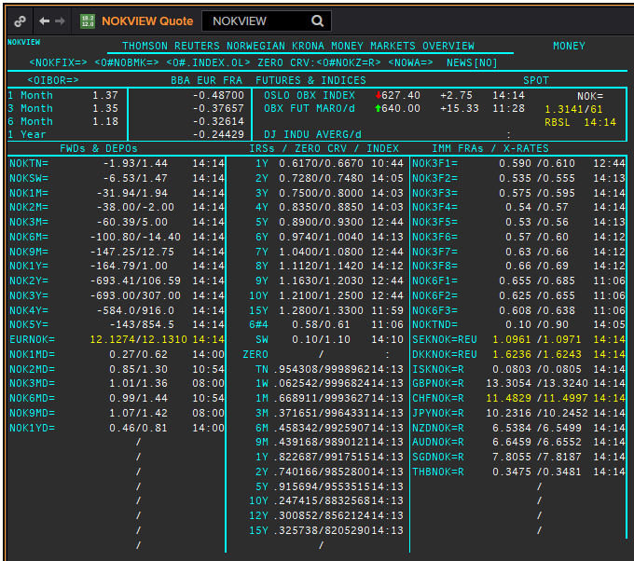
NOK
. |  |  |  |  |  |  |  |  |  |  |  |  | 01-Jan-1990
Maturity | Type | RIC | Bid yield (%) | Ask yield (%) | Mid Yield (%) | Ee | Eb | Fe | Fb | Bid/ask | Currency | Tenor | History Start | Close | Helper | Fwd Start Date
SW | IBOR | OINOKSWD= |  |  | 0.43 | 1 | 1 | 1 | 1 | MID | NOK | 0 | 2015-05-22 | 1.49
1M | IBOR | OINOK1MD= |  |  | 0.7 | 1 | 1 | 1 | 1 | MID | NOK | 0 | 2015-05-22 | 1.45
2M | IBOR | OINOK2MD= |  |  | 0.88 | 1 | 1 | 1 | 1 | MID | NOK | 0 | 2015-05-22 | 1.47
3M | IBOR | OINOK3MD= |  |  | 1.05 | 1 | 1 | 1 | 1 | MID | NOK | 0 | 2015-05-22 | 1.5
6M | IBOR | OINOK6MD= |  |  | 0.98 | 1 | 1 | 1 | 1 | MID | NOK | 0 | 2015-05-22 | 1.49
6M | FRA | NOK3F1= | 0.69 | 0.71 | 0.7 | 1 | 1 | 1 | 1 | MID | NOK | 3M | 1995-01-06 | 6.15 | 150620 | 2020-09-15
9M | FRA | NOK3F2= | 0.635 | 0.655 | 0.645 | 1 | 1 | 1 | 1 | MID | NOK | 3M | 1995-01-06 | 6.57 | 140920 | 2020-12-14
1Y | FRA | NOK3F3= | 0.685 | 0.705 | 0.695 | 1 | 1 | 1 | 1 | MID | NOK | 3M | 1995-01-06 | 6.9 | 141220 | 2021-03-14
15M | FRA | NOK3F4= | 0.635 | 0.655 | 0.645 | 1 | 1 | 1 | 1 | MID | NOK | 3M | 1995-01-06 | 7.3 | 150321 | 2021-06-15
18M | FRA | NOK3F5= | 0.66 | 0.69 | 0.675 | 1 | 1 | 1 | 1 | MID | NOK | 3M | 2007-08-16 | 5.47 | 140621 | 2021-09-14
21M | FRA | NOK3F6= | 0.69 | 0.72 | 0.705 | 1 | 1 | 1 | 1 | MID | NOK | 3M | 2007-08-16 | 5.42 | 130921 | 2021-12-13
2Y | FRA | NOK3F7= | 0.74 | 0.77 | 0.755 | 1 | 1 | 1 | 1 | MID | NOK | 3M | 2009-05-18 | 3.14 | 131221 | 2022-03-13
2.25Y | FRA | NOK3F8= | 0.77 | 0.8 | 0.785 | 1 | 1 | 1 | 1 | MID | NOK | 3M | 2009-05-18 | 3.42 | 140322 | 2022-06-14
2.5Y | FRA | NOK3F9= | 0.775 | 0.805 | 0.79 | 1 | 1 | 1 | 1 | MID | NOK | 3M | 2017-07-18 | 1.32 | 130622 | 2022-09-13
2.75Y | FRA | NOK3F10= | 0.825 | 0.855 | 0.84 | 1 | 1 | 1 | 1 | MID | NOK | 3M | 2017-07-18 | 1.41 | 190922 | 2022-12-19
3Y | FRA | NOK3F11= | 0.9 | 0.93 | 0.915 | 1 | 1 | 1 | 1 | MID | NOK | 3M | 2017-07-18 | 1.47 | 191222 | 2023-03-19
3.25Y | FRA | NOK3F12= | 0.94 | 0.97 | 0.955 | 1 | 1 | 1 | 1 | MID | NOK | 3M | 2017-07-18 | 1.55 | 130323 | 2023-06-13
9M | FRA | NOK6F1= | 0.77 | 0.8 | 0.785 | 1 | 1 | 1 | 1 | MID | NOK | 6M | 1995-01-06 | 6.4 | 150620 | 2020-12-15
1Y | FRA | NOK6F2= | 0.733 | 0.763 | 0.748 | 1 | 1 | 1 | 1 | MID | NOK | 6M | 1995-01-06 | 6.8 | 140920 | 2021-03-14
1.25Y | FRA | NOK6F3= | 0.708 | 0.738 | 0.723 | 1 | 1 | 1 | 1 | MID | NOK | 6M | 1995-01-06 | 7.25 | 141220 | 2021-06-14
1.5Y | FRA | NOK6F4= | 0.68 | 0.71 | 0.695 | 1 | 1 | 1 | 1 | MID | NOK | 6M | 1995-01-06 | 7.6 | 150321 | 2021-09-15
1Y | IRS | NOKAB3O1Y= | 0.742 | 0.792 | 0.767 | 1 | 1 | 1 | 1 | MID | NOK | 3M | 1997-09-23 | 4.34
2Y | IRS | NOKAB6O2Y= | 0.796 | 0.836 | 0.816 | 1 | 1 | 1 | 1 | MID | NOK | 6M | 1995-01-06 | 7.35
3Y | IRS | NOKAB6O3Y= | 0.831 | 0.871 | 0.851 | 1 | 1 | 1 | 1 | MID | NOK | 6M | 1995-01-06 | 7.82
4Y | IRS | NOKAB6O4Y= | 0.893 | 0.933 | 0.913 | 1 | 1 | 1 | 1 | MID | NOK | 6M | 1995-01-06 | 8.2
5Y | IRS | NOKAB6O5Y= | 0.961 | 1.011 | 0.986 | 1 | 1 | 1 | 1 | MID | NOK | 6M | 1995-01-06 | 8.3
6Y | IRS | NOKAB6O6Y= | 1.036 | 1.076 | 1.056 | 1 | 1 | 1 | 1 | MID | NOK | 6M | 1997-08-13 | 5.79
7Y | IRS | NOKAB6O7Y= | 1.098 | 1.138 | 1.118 | 1 | 1 | 1 | 1 | MID | NOK | 6M | 1995-08-17 | 7.67
8Y | IRS | NOKAB6O8Y= | 1.156 | 1.196 | 1.176 | 1 | 1 | 1 | 1 | MID | NOK | 6M | 1997-08-13 | 6.06
9Y | IRS | NOKAB6O9Y= | 1.206 | 1.246 | 1.226 | 1 | 1 | 1 | 1 | MID | NOK | 6M | 1997-08-13 | 6.16
10Y | IRS | NOKAB6O10Y= | 1.265 | 1.285 | 1.275 | 1 | 1 | 1 | 1 | MID | NOK | 6M | 1995-08-17 | 7.84
15Y | IRS | NOKAB6O15Y= | 1.343 | 1.393 | 1.368 | 1 | 1 | 1 | 1 | MID | NOK | 6M | 2008-04-23 | 5.41

Borttaget
ON | IBOR | NOWA= |  |  | 0.24 | 1 | 1 | 1 | 1 | MID | NOK | 0

EUR
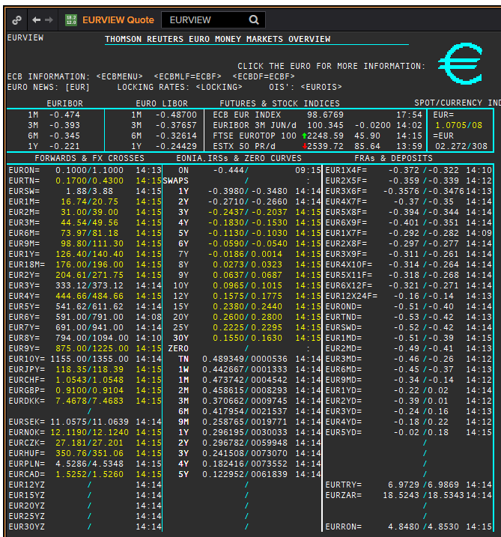
 | EUR
 | . |  |  |  |  |  |  |  |  |  |  |  |  | 01-Jan-1990
 | Maturity | Type | RIC | Bid yield (%) | Ask yield (%) | Mid Yield (%) | Ee | Eb | Fe | Fb | Bid/ask | Currency | Tenor | History Start | Close | Helper | Fwd Start Date
? | SW | OIS | EUREONSW= | -0.494 | -0.444 | -0.469 | 1 | 1 | 1 | 1 | MID | EUR | 0 | 1999-03-10 | 3.005
? | 2W | OIS | EUREON2W= | -0.47 | -0.45 | -0.46 | 1 | 1 | 1 | 1 | MID | EUR | 0 | 1999-03-10 | 3.015
? | 3W | OIS | EUREON3W= | -0.47 | -0.45 | -0.46 | 1 | 1 | 1 | 1 | MID | EUR | 0 | 1999-03-10 | 3.03
 | 1M | OIS | EUREON1M= | -0.46 | -0.44 | -0.45 | 1 | 1 | 1 | 1 | MID | EUR | 0 | 1999-01-04 | 3.11
 | 2M | OIS | EUREON2M= | -0.4803 | -0.4581 | -0.4692 | 1 | 1 | 1 | 1 | MID | EUR | 0 | 1999-01-04 | 3.09
 | 3M | OIS | EUREON3M= | -0.4871 | -0.4691 | -0.4781 | 1 | 1 | 1 | 1 | MID | EUR | 0 | 1999-01-04 | 3.08
 | 4M | OIS | EUREON4M= | -0.4921 | -0.4741 | -0.4831 | 1 | 1 | 1 | 1 | MID | EUR | 0 | 1999-03-10 | 3
 | 5M | OIS | EUREON5M= | -0.4969 | -0.479 | -0.48795 | 1 | 1 | 1 | 1 | MID | EUR | 0 | 1999-03-10 | 2.99
 | 6M | OIS | EUREON6M= | -0.5012 | -0.4832 | -0.4922 | 1 | 1 | 1 | 1 | MID | EUR | 0 | 1999-01-04 | 3.04
 | 7M | OIS | EUREON7M= | -0.5056 | -0.4876 | -0.4966 | 1 | 1 | 1 | 1 | MID | EUR | 0 | 1999-03-10 | 2.97
 | 8M | OIS | EUREON8M= | -0.5087 | -0.4907 | -0.4997 | 1 | 1 | 1 | 1 | MID | EUR | 0 | 1999-03-10 | 2.965
 | 9M | OIS | EUREON9M= | -0.5107 | -0.4928 | -0.50175 | 1 | 1 | 1 | 1 | MID | EUR | 0 | 1999-01-04 | 3.02
 | 10M | OIS | EUREON10M= | -0.506 | -0.496 | -0.501 | 1 | 1 | 1 | 1 | MID | EUR | 0 | 1999-03-10 | 2.99
 | 11M | OIS | EUREON11M= | -0.513 | -0.4951 | -0.50405 | 1 | 1 | 1 | 1 | MID | EUR | 0 | 1999-03-10 | 2.985
 | 1Y | OIS | EUREON1Y= | -0.514 | -0.4961 | -0.50505 | 1 | 1 | 1 | 1 | MID | EUR | 0 | 1999-01-04 | 3.02
 | 15M | OIS | EUREON15M= | -0.512 | -0.502 | -0.507 | 1 | 1 | 1 | 1 | MID | EUR | 0 | 2004-12-23 | 2.294
 | 18M | OIS | EUREON18M= | -0.5159 | -0.4974 | -0.50665 | 1 | 1 | 1 | 1 | MID | EUR | 0 | 2004-12-23 | 2.345
 | 21M | OIS | EUREON21M= | -0.506 | -0.496 | -0.501 | 1 | 1 | 1 | 1 | MID | EUR | 0 | 2004-12-23 | 2.402
 | 2Y | OIS | EUREON2Y= | -0.5083 | -0.4884 | -0.49835 | 1 | 1 | 1 | 1 | MID | EUR | 0 | 2001-01-16 | 4.55
 | 3Y | OIS | EUREON3Y= | -0.472 | -0.462 | -0.467 | 1 | 1 | 1 | 1 | MID | EUR | 0 | 2004-12-23 | 2.63
 | 4Y | OIS | EUREON4Y= | -0.441 | -0.431 | -0.436 | 1 | 1 | 1 | 1 | MID | EUR | 0 | 2005-08-15 | 2.572
 | 5Y | OIS | EUREON5Y= | -0.388 | -0.378 | -0.383 | 1 | 1 | 1 | 1 | MID | EUR | 0 | 2005-08-15 | 2.71
 | 6Y | OIS | EUREON6Y= | -0.333 | -0.323 | -0.328 | 1 | 1 | 1 | 1 | MID | EUR | 0 | 2005-08-15 | 2.835
 | 7Y | OIS | EUREON7Y= | -0.279 | -0.269 | -0.274 | 1 | 1 | 1 | 1 | MID | EUR | 0 | 2005-08-15 | 2.961
 | 8Y | OIS | EUREON8Y= | -0.228 | -0.218 | -0.223 | 1 | 1 | 1 | 1 | MID | EUR | 0 | 2005-08-15 | 3.072
 | 9Y | OIS | EUREON9Y= | -0.18 | -0.17 | -0.175 | 1 | 1 | 1 | 1 | MID | EUR | 0 | 2005-08-15 | 3.171
 | 10Y | OIS | EUREON10Y= | -0.134 | -0.124 | -0.129 | 1 | 1 | 1 | 1 | MID | EUR | 0 | 2005-08-15 | 3.256
 | 20Y | OIS | EUREON20Y= | 0.116 | 0.126 | 0.121 | 1 | 1 | 1 | 1 | MID | EUR | 0 | 2008-01-03 | 4.546
 | 25Y | OIS | EUREON25Y= | 0.109 | 0.119 | 0.114 | 1 | 1 | 1 | 1 | MID | EUR | 0 | 2017-10-17 | 1.331
 | 30Y | OIS | EUREON30Y= | 0.075 | 0.085 | 0.08 | 1 | 1 | 1 | 1 | MID | EUR | 0 | 2008-01-03 | 4.539
 | ON | IBOR | EONIA= |  |  | -0.442 | 1 | 1 | 1 | 1 | MID | EUR | 0 | 1999-01-04 | 3.2
 | SW | IBOR | EURIBORSWD= |  |  | -0.492 | 1 | 1 | 1 | 1 | MID | EUR | 0 | 1998-12-30 | 3.251
 | 1M | IBOR | EURIBOR1MD= |  |  | -0.458 | 1 | 1 | 1 | 1 | MID | EUR | 0 | 1990-08-23 | 8.25
 | 3M | IBOR | EURIBOR3MD= |  |  | -0.369 | 1 | 1 | 1 | 1 | MID | EUR | 0 | 1990-06-05 | 8.3
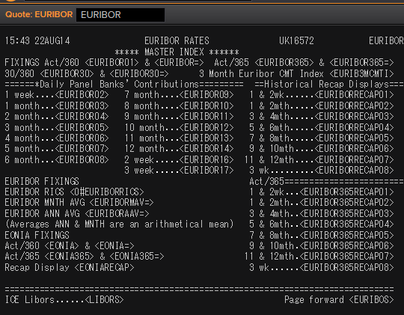
 | 6M | IBOR | EURIBOR6MD= |  |  | -0.298 | 1 | 1 | 1 | 1 | MID | EUR | 0 | 1990-06-05 | 8.6
 | 1Y | IBOR | EURIBOR1YD= |  |  | -0.176 | 1 | 1 | 1 | 1 | MID | EUR | 0 | 1990-08-23 | 8.013
 | 4M | FRA | EUR1X4F= | -0.372 | -0.351 | -0.3615 | 1 | 1 | 1 | 1 | MID | EUR | 3M | 1995-01-06 | 6.44 | 1X4 | #VALUE!
 | 5M | FRA | EUR2X5F= | -0.37 | -0.349 | -0.3595 | 1 | 1 | 1 | 1 | MID | EUR | 3M | 1995-01-06 | 6.62 | 2X5 | #VALUE!
 | 6M | FRA | EUR3X6F= | -0.3738 | -0.3638 | -0.3688 | 1 | 1 | 1 | 1 | MID | EUR | 3M | 1995-01-06 | 6.78 | 3X6 | #VALUE!
 | 7M | FRA | EUR4X7F= | -0.381 | -0.361 | -0.371 | 1 | 1 | 1 | 1 | MID | EUR | 3M | 1995-01-06 | 6.92 | 4X7 | #VALUE!
 | 8M | FRA | EUR5X8F= | -0.39 | -0.37 | -0.38 | 1 | 1 | 1 | 1 | MID | EUR | 3M | 1995-01-06 | 7.08 | 5X8 | #VALUE!
 | 9M | FRA | EUR6X9F= | -0.396 | -0.376 | -0.386 | 1 | 1 | 1 | 1 | MID | EUR | 3M | 1995-01-06 | 7.21 | 6X9 | #VALUE!
 | 10M | FRA | EUR7X10F= | -0.4 | -0.38 | -0.39 | 1 | 1 | 1 | 1 | MID | EUR | 3M | 1995-01-06 | 6.89 | 7X10 | #VALUE!
 | 11M | FRA | EUR8X11F= | -0.4 | -0.38 | -0.39 | 1 | 1 | 1 | 1 | MID | EUR | 3M | 1995-01-06 | 7.03 | 8X11 | #VALUE!
 | 1Y | FRA | EUR9X12F= | -0.4 | -0.38 | -0.39 | 1 | 1 | 1 | 1 | MID | EUR | 3M | 1995-01-06 | 7.65 | 9X12 | #VALUE!
 | 1.25Y | FRA | EUR12X15F= | -0.39 | -0.37 | -0.38 | 1 | 1 | 1 | 1 | MID | EUR | 3M | 1999-01-05 | 2.98 | 12X15 | #VALUE!
 | 1.5Y | FRA | EUR15X18F= | -0.39 | -0.34 | -0.365 | 1 | 1 | 1 | 1 | MID | EUR | 3M | 2014-09-30 | 0.687 | 15X18 | #VALUE!
 | 1.75Y | FRA | EUR18X21F= | -0.36 | -0.31 | -0.335 | 1 | 1 | 1 | 1 | MID | EUR | 3M | 2014-09-30 | 0.412 | 18X21 | #VALUE!
 | 2Y | FRA | EUR21X24F= | -0.34 | -0.29 | -0.315 | 1 | 1 | 1 | 1 | MID | EUR | 3M | 2014-09-30 | 0.832 | 21X24 | #VALUE!
 | 7M | FRA | EUR1X7F= | -0.307 | -0.287 | -0.297 | 1 | 1 | 1 | 1 | MID | EUR | 6M | 1995-01-06 | 6.82 | 1X7 | #VALUE!
 | 8M | FRA | EUR2X8F= | -0.309 | -0.29 | -0.2995 | 1 | 1 | 1 | 1 | MID | EUR | 6M | 1995-01-06 | 6.93 | 2X8 | #VALUE!
 | 14M | FRA | EUR2X14F= | -0.206 | -0.196 | -0.201 | 1 | 1 | 1 | 1 | MID | EUR | 12M | 1999-01-05 | 3.19 | 2X14 | #VALUE!
 | 9M | FRA | EUR3X9F= | -0.313 | -0.294 | -0.3035 | 1 | 1 | 1 | 1 | MID | EUR | 6M | 1995-01-06 | 7.06 | 3X9 | #VALUE!
 | 1.25Y | FRA | EUR3X15F= | -0.209 | -0.199 | -0.204 | 1 | 1 | 1 | 1 | MID | EUR | 12M | 1999-01-05 | 3.12 | 3X15 | #VALUE!
 | 10M | FRA | EUR4X10F= | -0.318 | -0.298 | -0.308 | 1 | 1 | 1 | 1 | MID | EUR | 6M | 1995-01-06 | 7.2 | 4X10 | #VALUE!
 | 11M | FRA | EUR5X11F= | -0.324 | -0.304 | -0.314 | 1 | 1 | 1 | 1 | MID | EUR | 6M | 1995-01-06 | 7.36 | 5X11 | #VALUE!
 | 1Y | FRA | EUR6X12F= | -0.327 | -0.307 | -0.317 | 1 | 1 | 1 | 1 | MID | EUR | 6M | 1995-01-06 | 7.52 | 6X12 | #VALUE!
 | 1.25Y | FRA | EUR9X15F= | -0.32 | -0.3 | -0.31 | 1 | 1 | 1 | 1 | MID | EUR | 6M | 1999-01-05 | 3.11 | 9X15 | #VALUE!
 | 1.5Y | FRA | EUR12X18F= | -0.32 | -0.3 | -0.31 | 1 | 1 | 1 | 1 | MID | EUR | 6M | 1995-01-06 | 8.27 | 12X18 | #VALUE!
 | 2Y | FRA | EUR18X24F= | -0.258 | -0.238 | -0.248 | 1 | 1 | 1 | 1 | MID | EUR | 6M | 1995-01-06 | 8.31 | 18X24 | #VALUE!
 | 1.5Y | FRA | EUR6X18F= | -0.22 | -0.2 | -0.21 | 1 | 1 | 1 | 1 | MID | EUR | 12M | 1995-01-06 | 8.03 | 6X18 | #VALUE!
 | 2Y | FRA | EUR12X24F= | -0.22 | -0.2 | -0.21 | 1 | 1 | 1 | 1 | MID | EUR | 12M | 1995-01-06 | 8.56 | 12X24 | #VALUE!
 | 1Y | IRS | EURAB6E1Y= | -0.3 | -0.29 | -0.295 | 1 | 1 | 1 | 1 | MID | EUR | 6M | 1998-11-30 | 3.58
 | 18M | IRS | EURAB6E18M= | -0.3091 | -0.2786 | -0.29385 | 1 | 1 | 1 | 1 | MID | EUR | 6M | 1999-02-10 | 3.04
 | 2Y | IRS | EURAB6E2Y= | -0.29 | -0.28 | -0.285 | 1 | 1 | 1 | 1 | MID | EUR | 6M | 1990-01-02 | 8.46
 | 3Y | IRS | EURAB6E3Y= | -0.27 | -0.26 | -0.265 | 1 | 1 | 1 | 1 | MID | EUR | 6M | 1990-01-02 | 8.35
 | 4Y | IRS | EURAB6E4Y= | -0.23 | -0.22 | -0.225 | 1 | 1 | 1 | 1 | MID | EUR | 6M | 1990-01-02 | 8.28
 | 5Y | IRS | EURAB6E5Y= | -0.19 | -0.18 | -0.185 | 1 | 1 | 1 | 1 | MID | EUR | 6M | 1990-01-02 | 8.28
 | 6Y | IRS | EURAB6E6Y= | -0.14 | -0.13 | -0.135 | 1 | 1 | 1 | 1 | MID | EUR | 6M | 1994-08-15 | 7.18
 | 7Y | IRS | EURAB6E7Y= | -0.09 | -0.08 | -0.085 | 1 | 1 | 1 | 1 | MID | EUR | 6M | 1990-01-02 | 8.17
 | 8Y | IRS | EURAB6E8Y= | -0.04 | -0.03 | -0.035 | 1 | 1 | 1 | 1 | MID | EUR | 6M | 1994-08-15 | 7.45
 | 9Y | IRS | EURAB6E9Y= | 0.003 | 0.013 | 0.008 | 1 | 1 | 1 | 1 | MID | EUR | 6M | 1994-08-15 | 7.5
 | 10Y | IRS | EURAB6E10Y= | 0.04 | 0.05 | 0.045 | 1 | 1 | 1 | 1 | MID | EUR | 6M | 1990-01-02 | 8.15
 | 11Y | IRS | EURAB6E11Y= | 0.1006 | 0.1206 | 0.1106 | 1 | 1 | 1 | 1 | MID | EUR | 6M | 1999-01-04 | 4.23
 | 12Y | IRS | EURAB6E12Y= | 0.125 | 0.135 | 0.13 | 1 | 1 | 1 | 1 | MID | EUR | 6M | 1998-11-26 | 4.61
 | 13Y | IRS | EURAB6E13Y= | 0.1778 | 0.1978 | 0.1878 | 1 | 1 | 1 | 1 | MID | EUR | 6M | 2001-07-11 | 5.6575
 | 14Y | IRS | EURAB6E14Y= | 0.2093 | 0.2293 | 0.2193 | 1 | 1 | 1 | 1 | MID | EUR | 6M | 2001-07-11 | 5.71
 | 15Y | IRS | EURAB6E15Y= | 0.218 | 0.228 | 0.223 | 1 | 1 | 1 | 1 | MID | EUR | 6M | 1996-10-16 | 6.61
 | 16Y | IRS | EURAB6E16Y= | 0.2583 | 0.2783 | 0.2683 | 1 | 1 | 1 | 1 | MID | EUR | 6M | 2001-07-11 | 5.79
 | 17Y | IRS | EURAB6E17Y= | 0.2754 | 0.2954 | 0.2854 | 1 | 1 | 1 | 1 | MID | EUR | 6M | 2001-08-17 | 5.545
 | 18Y | IRS | EURAB6E18Y= | 0.2883 | 0.3083 | 0.2983 | 1 | 1 | 1 | 1 | MID | EUR | 6M | 2001-07-11 | 5.85
 | 19Y | IRS | EURAB6E19Y= | 0.2971 | 0.3171 | 0.3071 | 1 | 1 | 1 | 1 | MID | EUR | 6M | 2001-07-11 | 5.865
 | 20Y | IRS | EURAB6E20Y= | 0.286 | 0.296 | 0.291 | 1 | 1 | 1 | 1 | MID | EUR | 6M | 1998-08-13 | 5
 | 21Y | IRS | EURAB6E21Y= | 0.273 | 0.293 | 0.283 | 1 | 1 | 1 | 1 | MID | EUR | 6M | 2001-07-11 | 5.8925
 | 22Y | IRS | EURAB6E22Y= | 0.273 | 0.293 | 0.283 | 1 | 1 | 1 | 1 | MID | EUR | 6M | 2001-07-11 | 5.9025
 | 23Y | IRS | EURAB6E23Y= | 0.273 | 0.293 | 0.283 | 1 | 1 | 1 | 1 | MID | EUR | 6M | 2001-07-11 | 5.9125
 | 24Y | IRS | EURAB6E24Y= | 0.273 | 0.293 | 0.283 | 1 | 1 | 1 | 1 | MID | EUR | 6M | 2002-01-24 | 5.4025
 | 25Y | IRS | EURAB6E25Y= | 0.2927 | 0.2997 | 0.2962 | 1 | 1 | 1 | 1 | MID | EUR | 6M | 1998-11-26 | 5.1
 | 26Y | IRS | EURAB6E26Y= | 0.2592 | 0.2992 | 0.2792 | 1 | 1 | 1 | 1 | MID | EUR | 6M | 2001-07-11 | 5.9325
 | 27Y | IRS | EURAB6E27Y= | 0.2507 | 0.2907 | 0.2707 | 1 | 1 | 1 | 1 | MID | EUR | 6M | 2001-07-11 | 5.9325
 | 28Y | IRS | EURAB6E28Y= | 0.2426 | 0.2826 | 0.2626 | 1 | 1 | 1 | 1 | MID | EUR | 6M | 2001-07-11 | 5.9325
 | 29Y | IRS | EURAB6E29Y= | 0.2346 | 0.2746 | 0.2546 | 1 | 1 | 1 | 1 | MID | EUR | 6M | 2001-07-11 | 5.9325
 | 30Y | IRS | EURAB6E30Y= | 0.226 | 0.236 | 0.231 | 1 | 1 | 1 | 1 | MID | EUR | 6M | 1998-08-13 | 5
 | 40Y | IRS | EURAB6E40Y= | 0.1589 | 0.1689 | 0.1639 | 1 | 1 | 1 | 1 | MID | EUR | 6M | 2003-07-23 | 4.8775
 | 50Y | IRS | EURAB6E50Y= | 0.0899 | 0.0999 | 0.0949 | 1 | 1 | 1 | 1 | MID | EUR | 6M | 2003-07-23 | 4.88
 | 2M | IRS | EURAM1E2M= | -0.453 | -0.432 | -0.4425 | 1 | 1 | 1 | 1 | MID | EUR | 1M | 2014-10-06 | -0.003
 | 3M | IRS | EURAM1E3M= | -0.454 | -0.433 | -0.4435 | 1 | 1 | 1 | 1 | MID | EUR | 1M | 2004-01-21 | 2.04
 | 4M | IRS | EURAM1E4M= | -0.454 | -0.433 | -0.4435 | 1 | 1 | 1 | 1 | MID | EUR | 1M | 2014-10-06 | -0.001
 | 5M | IRS | EURAM1E5M= | -0.455 | -0.434 | -0.4445 | 1 | 1 | 1 | 1 | MID | EUR | 1M | 2014-10-06 | 0.001
 | 6M | IRS | EURAM1E6M= | -0.457 | -0.436 | -0.4465 | 1 | 1 | 1 | 1 | MID | EUR | 1M | 2004-01-21 | 2.038
 | 7M | IRS | EURAM1E7M= | -0.46 | -0.439 | -0.4495 | 1 | 1 | 1 | 1 | MID | EUR | 1M | 2014-10-06 | -0.013
 | 8M | IRS | EURAM1E8M= | -0.461 | -0.44 | -0.4505 | 1 | 1 | 1 | 1 | MID | EUR | 1M | 2014-10-06 | -0.016
 | 9M | IRS | EURAM1E9M= | -0.464 | -0.443 | -0.4535 | 1 | 1 | 1 | 1 | MID | EUR | 1M | 2004-02-24 | 2.04
 | 1Y | IRS | EURAM1E1Y= | -0.467 | -0.446 | -0.4565 | 1 | 1 | 1 | 1 | MID | EUR | 1M | 2004-02-24 | 2.09
 | 9M | IRS | EURAB3E9M= | -0.37 | -0.35 | -0.36 | 1 | 1 | 1 | 1 | MID | EUR | 3M | 2008-01-03 | 4.51
 | 1Y | IRS | EURAB3E1Y= | -0.381 | -0.371 | -0.376 | 1 | 1 | 1 | 1 | MID | EUR | 3M | 1998-11-26 | 3.47
 | 18M | IRS | EURAB3E18M= | -0.3897 | -0.357 | -0.37335 | 1 | 1 | 1 | 1 | MID | EUR | 3M | 1999-04-21 | 2.75
 | 2Y | IRS | EURAB3E2Y= | -0.368 | -0.363 | -0.3655 | 1 | 1 | 1 | 1 | MID | EUR | 3M | 1998-12-01 | 3.39
 | 3Y | IRS | EURAB3E3Y= | -0.348 | -0.343 | -0.3455 | 1 | 1 | 1 | 1 | MID | EUR | 3M | 1998-12-01 | 3.46
 | 4Y | IRS | EURAB3E4Y= | -0.3098 | -0.2898 | -0.2998 | 1 | 1 | 1 | 1 | MID | EUR | 3M | 1998-12-01 | 3.55
 | 5Y | IRS | EURAB3E5Y= | -0.2607 | -0.2407 | -0.2507 | 1 | 1 | 1 | 1 | MID | EUR | 3M | 1998-12-01 | 3.75
 | 6Y | IRS | EURAB3E6Y= | -0.217 | -0.212 | -0.2145 | 1 | 1 | 1 | 1 | MID | EUR | 3M | 1998-12-01 | 3.88
 | 7Y | IRS | EURAB3E7Y= | -0.142 | -0.137 | -0.1395 | 1 | 1 | 1 | 1 | MID | EUR | 3M | 1998-12-01 | 3.99
 | 8Y | IRS | EURAB3E8Y= | -0.086 | -0.081 | -0.0835 | 1 | 1 | 1 | 1 | MID | EUR | 3M | 1998-12-01 | 4.1
 | 9Y | IRS | EURAB3E9Y= | -0.054 | -0.049 | -0.0515 | 1 | 1 | 1 | 1 | MID | EUR | 3M | 1998-12-01 | 4.15
 | 10Y | IRS | EURAB3E10Y= | 0.0147 | 0.0197 | 0.0172 | 1 | 1 | 1 | 1 | MID | EUR | 3M | 1999-01-07 | 4.06
 | 11Y | IRS | EURAB3E11Y= | 0.0545 | 0.0745 | 0.0645 | 1 | 1 | 1 | 1 | MID | EUR | 3M | 2001-08-17 | 5.245
 | 12Y | IRS | EURAB3E12Y= | 0.1047 | 0.1107 | 0.1077 | 1 | 1 | 1 | 1 | MID | EUR | 3M | 2001-08-17 | 5.3125
 | 13Y | IRS | EURAB3E13Y= | 0.1368 | 0.1568 | 0.1468 | 1 | 1 | 1 | 1 | MID | EUR | 3M | 2001-08-17 | 5.375
 | 14Y | IRS | EURAB3E14Y= | 0.1717 | 0.1917 | 0.1817 | 1 | 1 | 1 | 1 | MID | EUR | 3M | 2001-08-17 | 5.4275
 | 15Y | IRS | EURAB3E15Y= | 0.1864 | 0.1964 | 0.1914 | 1 | 1 | 1 | 1 | MID | EUR | 3M | 2001-08-17 | 5.4725
 | 16Y | IRS | EURAB3E16Y= | 0.2262 | 0.2462 | 0.2362 | 1 | 1 | 1 | 1 | MID | EUR | 3M | 2001-08-17 | 5.51
 | 17Y | IRS | EURAB3E17Y= | 0.2455 | 0.2655 | 0.2555 | 1 | 1 | 1 | 1 | MID | EUR | 3M | 2001-08-17 | 5.5425
 | 18Y | IRS | EURAB3E18Y= | 0.2605 | 0.2805 | 0.2705 | 1 | 1 | 1 | 1 | MID | EUR | 3M | 2001-08-17 | 5.57
 | 19Y | IRS | EURAB3E19Y= | 0.2712 | 0.2912 | 0.2812 | 1 | 1 | 1 | 1 | MID | EUR | 3M | 2001-08-17 | 5.5925
 | 20Y | IRS | EURAB3E20Y= | 0.2644 | 0.2714 | 0.2679 | 1 | 1 | 1 | 1 | MID | EUR | 3M | 2001-08-17 | 5.6125
 | 25Y | IRS | EURAB3E25Y= | 0.2536 | 0.2606 | 0.2571 | 1 | 1 | 1 | 1 | MID | EUR | 3M | 2001-08-17 | 5.665
 | 30Y | IRS | EURAB3E30Y= | 0.2372 | 0.2452 | 0.2412 | 1 | 1 | 1 | 1 | MID | EUR | 3M | 2001-08-17 | 5.6675
 | 40Y | IRS | EURAB3E40Y= | 0.1529 | 0.1629 | 0.1579 | 1 | 1 | 1 | 1 | MID | EUR | 3M | 2011-02-25 | 3.42
 | 50Y | IRS | EURAB3E50Y= | 0.0889 | 0.0989 | 0.0939 | 1 | 1 | 1 | 1 | MID | EUR | 3M | 2011-02-28 | 3.38

 |  |  | EURIBORSWD=
 |  |  | EURIBOR1MD=
 |  |  | EURIBOR3MD=
 |  |  | EURIBOR6MD=
 |  |  | EURIBOR1YD=
 |  |  | EURIBOR1MD=

EURIBOR02 | 1W | IBOR | EURIBORSWD= |  |  | -0.492 | 1 | 1 | 1 | 1 | MID | EUR |  | 1998-12-30 | 3.251
EURIBOR16 | 2W | IBOR | EURIBOR2WD= |  |  | #N/A The record could not be found | 1 | 1 | 1 | 1 | MID | EUR |  | Invalid RIC(s): EURIBOR2WD= | 142.005
EURIBOR17 | 3W | IBOR | EURIBOR3WD= |  |  | #N/A | 1 | 1 | 1 | 1 | MID | EUR |  | Invalid RIC(s): EURIBOR3WD= | 143.005
EURIBOR03 | 1M | IBOR | EURIBOR1MD= |  |  | #N/A The record could not be found | 1 | 1 | 1 | 1 | MID | EUR |  | 1995-03-01 | 5.0007
EURIBOR04 | 2M | IBOR | EURIBOR2MD= |  |  | #N/A The record could not be found | 1 | 1 | 1 | 1 | MID | EUR |  | Invalid RIC(s): EURIBOR2MD= | 145.005
EURIBOR05 | 3M | IBOR | EURIBOR3MD= |  |  | #N/A The record could not be found | 1 | 1 | 1 | 1 | MID | EUR |  | 1995-03-01 | 5.10167
EURIBOR06 | 4M | IBOR | EURIBOR4MD= |  |  | #N/A The record could not be found | 1 | 1 | 1 | 1 | MID | EUR |  | Invalid RIC(s): EURIBOR4MD= | 147.005
EURIBOR07 | 5M | IBOR | EURIBOR5MD= |  |  | #N/A The record could not be found | 1 | 1 | 1 | 1 | MID | EUR |  | Invalid RIC(s): EURIBOR5MD= | 148.005
EURIBOR08 | 6M | IBOR | EURIBOR6MD= |  |  | #N/A The record could not be found | 1 | 1 | 1 | 1 | MID | EUR |  | 1995-03-01 | 5.2958
EURIBOR09 | 7M | IBOR | EURIBOR7MD= |  |  | #N/A The record could not be found | 1 | 1 | 1 | 1 | MID | EUR |  | Invalid RIC(s): EURIBOR7MD= | 150.005
EURIBOR10 | 8M | IBOR | EURIBOR8MD= |  |  | #N/A The record could not be found | 1 | 1 | 1 | 1 | MID | EUR |  | Invalid RIC(s): EURIBOR8MD= | 151.005
EURIBOR11 | 9M | IBOR | EURIBOR9MD= |  |  | #N/A The record could not be found | 1 | 1 | 1 | 1 | MID | EUR |  | Invalid RIC(s): EURIBOR9MD= | 152.005
EURIBOR12 | 10M | IBOR | EURIBOR10MD= |  |  | #N/A The record could not be found | 1 | 1 | 1 | 1 | MID | EUR |  | Invalid RIC(s): EURIBOR10MD= | 153.005
EURIBOR13 | 11M | IBOR | EURIBOR11MD= |  |  | #N/A The record could not be found | 1 | 1 | 1 | 1 | MID | EUR |  | Invalid RIC(s): EURIBOR11MD= | 154.005
EURIBOR14 | 12M | IBOR | EURIBOR12MD= |  |  | #N/A The record could not be found | 1 | 1 | 1 | 1 | MID | EUR |  | Invalid RIC(s): EURIBOR12MD= | 155.005

DKK
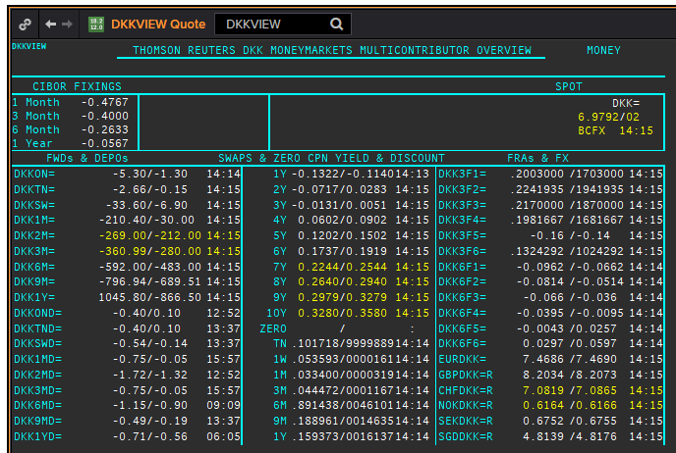
DKK
. |  |  |  |  |  |  |  |  |  |  |  |  | 01-Jan-1990
Maturity | Type | RIC | Bid yield (%) | Ask yield (%) | Mid Yield (%) | Ee | Eb | Fe | Fb | Bid/ask | Currency | Tenor | History Start | Close | Helper | Fwd Start Date
1M | OIS | DKKAMTNC1M= | -0.46 | -0.32 | -0.39 | 1 | 1 | 1 | 1 | MID | DKK | 0 | 2003-01-06 | 2.96
2M | OIS | DKKAMTNC2M= | -0.449 | -0.349 | -0.399 | 1 | 1 | 1 | 1 | MID | DKK | 0 | 2003-01-06 | 2.95
3M | OIS | DKKAMTNC3M= | -0.424 | -0.394 | -0.409 | 1 | 1 | 1 | 1 | MID | DKK | 0 | 2003-01-06 | 2.94
6M | OIS | DKKAMTNC6M= | -0.429 | -0.399 | -0.414 | 1 | 1 | 1 | 1 | MID | DKK | 0 | 2003-01-06 | 2.87
9M | OIS | DKKAMTNC9M= | -0.43 | -0.4 | -0.415 | 1 | 1 | 1 | 1 | MID | DKK | 0 | 2003-01-06 | 2.87
1Y | OIS | DKKAMTNC1Y= | -0.431 | -0.401 | -0.416 | 1 | 1 | 1 | 1 | MID | DKK | 0 | 2003-01-06 | 2.87
2Y | OIS | DKKAMTNC2Y= | -0.4409 | -0.4009 | -0.4209 | 1 | 1 | 1 | 1 | MID | DKK | 0 | 2013-04-10 | 0.1182
3Y | OIS | DKKAMTNC3Y= | -0.4098 | -0.3698 | -0.3898 | 1 | 1 | 1 | 1 | MID | DKK | 0 | 2013-04-10 | 0.2318
4Y | OIS | DKKAMTNC4Y= | -0.3758 | -0.3358 | -0.3558 | 1 | 1 | 1 | 1 | MID | DKK | 0 | 2013-04-10 | 0.3834
5Y | OIS | DKKAMTNC5Y= | -0.3409 | -0.2809 | -0.3109 | 1 | 1 | 1 | 1 | MID | DKK | 0 | 2013-04-10 | 0.5611
SW | IBOR | CIDKKSWD= |  |  | -0.34 | 1 | 1 | 1 | 1 | MID | DKK | 0 | 2005-04-01 | 2.1783
2W | IBOR | CIDKK2WD= |  |  | -0.31 | 1 | 1 | 1 | 1 | MID | DKK | 0 | 2005-04-01 | 2.1783
1M | IBOR | CIDKK1MD= |  |  | -0.2667 | 1 | 1 | 1 | 1 | MID | DKK | 0 | 1993-07-16 | 14.0833
2M | IBOR | CIDKK2MD= |  |  | -0.22 | 1 | 1 | 1 | 1 | MID | DKK | 0 | 1993-07-16 | 11.7083
3M | IBOR | CIDKK3MD= |  |  | -0.1767 | 1 | 1 | 1 | 1 | MID | DKK | 0 | 1993-07-16 | 10.6417
6M | IBOR | CIDKK6MD= |  |  | -0.03 | 1 | 1 | 1 | 1 | MID | DKK | 0 | 1993-07-16 | 9.2583
9M | IBOR | CIDKK9MD= |  |  | 0.08 | 1 | 1 | 1 | 1 | MID | DKK | 0 | 1995-10-08 | 5.816
1Y | IBOR | CIDKK1YD= |  |  | 0.1933 | 1 | 1 | 1 | 1 | MID | DKK | 0 | 1995-10-16 | 5.848
6M | FRA | DKK3F1= | -0.18 | -0.16 | -0.17 | 1 | 1 | 1 | 1 | MID | DKK | 3M | 1999-06-11 | 3.11 | 150620 | 2020-09-15
9M | FRA | DKK3F2= | -0.2 | -0.18 | -0.19 | 1 | 1 | 1 | 1 | MID | DKK | 3M | 1999-06-11 | 3.21 | 140920 | 2020-12-14
1Y | FRA | DKK3F3= | -0.2 | -0.18 | -0.19 | 1 | 1 | 1 | 1 | MID | DKK | 3M | 1999-06-11 | 3.47 | 141220 | 2021-03-14
1.25Y | FRA | DKK3F4= | -0.19 | -0.17 | -0.18 | 1 | 1 | 1 | 1 | MID | DKK | 3M | 1999-06-11 | 3.48 | 150321 | 2021-06-15
1.5Y | FRA | DKK3F5= | -0.17 | -0.15 | -0.16 | 1 | 1 | 1 | 1 | MID | DKK | 3M | 1999-07-15 | 4.17 | 140621 | 2021-09-14
1.75Y | FRA | DKK3F6= | -0.161 | -0.101 | -0.131 | 1 | 1 | 1 | 1 | MID | DKK | 3M | 1999-07-15 | 4.43 | 130921 | 2021-12-13
2Y | FRA | DKK3F7= | -0.142 | -0.082 | -0.112 | 1 | 1 | 1 | 1 | MID | DKK | 3M | 2004-10-20 | 3.02 | 131221 | 2022-03-13
2.25Y | FRA | DKK3F8= | -0.123 | -0.063 | -0.093 | 1 | 1 | 1 | 1 | MID | DKK | 3M | 2004-10-20 | 3.16 | 140322 | 2022-06-14
2.5Y | FRA | DKK3F9= | -0.116 | -0.086 | -0.101 | 1 | 1 | 1 | 1 | MID | DKK | 3M | 2004-10-20 | 3.31 | 130622 | 2022-09-13
2.75Y | FRA | DKK3F10= | -0.083 | -0.023 | -0.053 | 1 | 1 | 1 | 1 | MID | DKK | 3M | 2004-10-20 | 3.42 | 190922 | 2022-12-19
9M | FRA | DKK6F1= | -0.0458 | -0.0158 | -0.0308 | 1 | 1 | 1 | 1 | MID | DKK | 6M | 1999-06-11 | 3.32 | 150620 | 2020-12-15
1Y | FRA | DKK6F2= | -0.0577 | -0.0277 | -0.0427 | 1 | 1 | 1 | 1 | MID | DKK | 6M | 1999-06-11 | 3.49 | 140920 | 2021-03-14
1.25Y | FRA | DKK6F3= | -0.0578 | -0.0278 | -0.0428 | 1 | 1 | 1 | 1 | MID | DKK | 6M | 1999-06-11 | 3.6 | 141220 | 2021-06-14
1.5Y | FRA | DKK6F4= | -0.0471 | -0.0171 | -0.0321 | 1 | 1 | 1 | 1 | MID | DKK | 6M | 1999-06-11 | 3.75 | 150321 | 2021-09-15
1.75Y | FRA | DKK6F5= | -0.0254 | 0.0046 | -0.0104 | 1 | 1 | 1 | 1 | MID | DKK | 6M | 1999-07-15 | 4.33 | 140621 | 2021-12-14
2Y | FRA | DKK6F6= | -0.0032 | 0.0268 | 0.0118 | 1 | 1 | 1 | 1 | MID | DKK | 6M | 1999-07-15 | 4.55 | 130921 | 2022-03-13
1Y | IRS | DKKAB6C1Y= | -0.0503 | -0.0321 | -0.0412 | 1 | 1 | 1 | 1 | MID | DKK | 6M | 1997-08-13 | 4.14
2Y | IRS | DKKAB6C2Y= | -0.0235 | 0.0065 | -0.0085 | 1 | 1 | 1 | 1 | MID | DKK | 6M | 1993-02-01 | 9.45
3Y | IRS | DKKAB6C3Y= | -0.0073 | 0.0227 | 0.0077 | 1 | 1 | 1 | 1 | MID | DKK | 6M | 1993-02-01 | 9.3
4Y | IRS | DKKAB6C4Y= | 0.03 | 0.06 | 0.045 | 1 | 1 | 1 | 1 | MID | DKK | 6M | 1993-02-01 | 8.95
5Y | IRS | DKKAB6C5Y= | 0.0742 | 0.1042 | 0.0892 | 1 | 1 | 1 | 1 | MID | DKK | 6M | 1993-02-01 | 8.8
6Y | IRS | DKKAB6C6Y= | 0.121 | 0.151 | 0.136 | 1 | 1 | 1 | 1 | MID | DKK | 6M | 1995-05-18 | 8.06
7Y | IRS | DKKAB6C7Y= | 0.1732 | 0.2032 | 0.1882 | 1 | 1 | 1 | 1 | MID | DKK | 6M | 1993-02-01 | 8.65
8Y | IRS | DKKAB6C8Y= | 0.2176 | 0.2476 | 0.2326 | 1 | 1 | 1 | 1 | MID | DKK | 6M | 1996-02-07 | 7.1
9Y | IRS | DKKAB6C9Y= | 0.2621 | 0.2921 | 0.2771 | 1 | 1 | 1 | 1 | MID | DKK | 6M | 1996-02-07 | 7.27
10Y | IRS | DKKAB6C10Y= | 0.3014 | 0.3314 | 0.3164 | 1 | 1 | 1 | 1 | MID | DKK | 6M | 1993-02-01 | 8.55
12Y | IRS | DKKAB6C12Y= | 0.3513 | 0.3913 | 0.3713 | 1 | 1 | 1 | 1 | MID | DKK | 6M | 2008-09-12 | 4.917
15Y | IRS | DKKAB6C15Y= | 0.4292 | 0.4692 | 0.4492 | 1 | 1 | 1 | 1 | MID | DKK | 6M | 2008-04-04 | 4.73
20Y | IRS | DKKAB6C20Y= | 0.468 | 0.508 | 0.488 | 1 | 1 | 1 | 1 | MID | DKK | 6M | 2009-12-17 | 3.945
25Y | IRS | DKKAB6C25Y= | 0.429 | 0.469 | 0.449 | 1 | 1 | 1 | 1 | MID | DKK | 6M | 2009-12-17 | 4.066
30Y | IRS | DKKAB6C30Y= | 0.3674 | 0.4074 | 0.3874 | 1 | 1 | 1 | 1 | MID | DKK | 6M | 2009-12-17 | 3.973

GBP
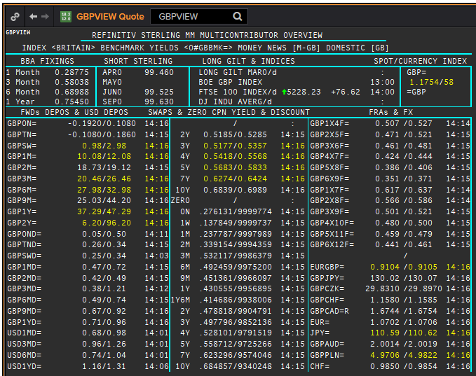
 | GBP
 | . |  |  |  |  |  |  |  |  |  |  |  |  | 01-Jan-1990
 | Maturity | Type | RIC | Bid yield (%) | Ask yield (%) | Mid Yield (%) | Ee | Eb | Fe | Fb | Bid/ask | Currency | Tenor | History Start | Close | Helper | Fwd Start Date
Excl. CDIO | SW | OIS | GBPSWOIS= | 0.045 | 0.105 | 0.075 | 1 | 1 | 1 | 1 | MID | GBP | 0 | 2007-08-28 | 5.818
Excl. CDIO | 2W | OIS | GBP2WOIS= | 0.0639 | 0.0839 | 0.0739 | 1 | 1 | 1 | 1 | MID | GBP | 0 | 2013-01-28 | 0.396
 | 1M | OIS | GBP1MOIS= | 0.0639 | 0.0839 | 0.0739 | 1 | 1 | 1 | 1 | MID | GBP | 0 | 2007-08-28 | 5.849
 | 2M | OIS | GBP2MOIS= | 0.0657 | 0.0857 | 0.0757 | 1 | 1 | 1 | 1 | MID | GBP | 0 | 2007-08-23 | 5.875
 | 3M | OIS | GBP3MOIS= | 0.0662 | 0.0862 | 0.0762 | 1 | 1 | 1 | 1 | MID | GBP | 0 | 2004-01-19 | 3.91
 | 4M | OIS | GBP4MOIS= | 0.0666 | 0.0866 | 0.0766 | 1 | 1 | 1 | 1 | MID | GBP | 0 | 2007-08-23 | 5.893
 | 5M | OIS | GBP5MOIS= | 0.0679 | 0.0879 | 0.0779 | 1 | 1 | 1 | 1 | MID | GBP | 0 | 2007-08-28 | 5.888
 | 6M | OIS | GBP6MOIS= | 0.0705 | 0.0905 | 0.0805 | 1 | 1 | 1 | 1 | MID | GBP | 0 | 2007-08-28 | 5.9
 | 7M | OIS | GBP7MOIS= | 0.0736 | 0.0936 | 0.0836 | 1 | 1 | 1 | 1 | MID | GBP | 0 | 2007-08-28 | 5.913
 | 8M | OIS | GBP8MOIS= | 0.0777 | 0.0977 | 0.0877 | 1 | 1 | 1 | 1 | MID | GBP | 0 | 2007-08-23 | 6.045
 | 9M | OIS | GBP9MOIS= | 0.082 | 0.102 | 0.092 | 1 | 1 | 1 | 1 | MID | GBP | 0 | 2007-08-28 | 5.938
 | 10M | OIS | GBP10MOIS= | 0.0852 | 0.1052 | 0.0952 | 1 | 1 | 1 | 1 | MID | GBP | 0 | 2007-08-28 | 5.949
 | 11M | OIS | GBP11MOIS= | 0.0888 | 0.1088 | 0.0988 | 1 | 1 | 1 | 1 | MID | GBP | 0 | 2007-08-28 | 5.956
 | 1Y | OIS | GBP1YOIS= | 0.0918 | 0.1118 | 0.1018 | 1 | 1 | 1 | 1 | MID | GBP | 0 | 2007-08-28 | 5.964
 | 18M | OIS | GBP18MOIS= | 0.113 | 0.128 | 0.1205 | 1 | 1 | 1 | 1 | MID | GBP | 0 | 2017-10-17 | 0.607
 | 2Y | OIS | GBP2YOIS= | 0.134 | 0.149 | 0.1415 | 1 | 1 | 1 | 1 | MID | GBP | 0 | 2007-08-28 | 6.133
 | 3Y | OIS | GBP3YOIS= | 0.168 | 0.188 | 0.178 | 1 | 1 | 1 | 1 | MID | GBP | 0 | 2015-01-08 | 0.7708
 | ON | IBOR | GBPONFSR= |  |  | 0.059 | 1 | 1 | 1 | 1 | MID | GBP | 0 | 2001-01-02 | 5.81094
Excl. CDIO | SW | IBOR | GBPSWFSR= |  |  | 0.13313 | 1 | 1 | 1 | 1 | MID | GBP | 0 | 1997-12-02 | 7.30469
Excl. CDIO | 1M | IBOR | GBP1MFSR= |  |  | 0.24838 | 1 | 1 | 1 | 1 | MID | GBP | 0 | 1992-09-16 | 12.5
Excl. CDIO | 2M | IBOR | GBP2MFSR= |  |  | 0.42025 | 1 | 1 | 1 | 1 | MID | GBP | 0 | 1990-01-02 | 15.125
 | 3M | IBOR | GBP3MFSR= |  |  | 0.55275 | 1 | 1 | 1 | 1 | MID | GBP | 0 | 1990-01-02 | 15.125
Excl. CDIO | 6M | IBOR | GBP6MFSR= |  |  | 0.6875 | 1 | 1 | 1 | 1 | MID | GBP | 0 | 1990-01-02 | 15
Excl. CDIO | 1Y | IBOR | GBP1YFSR= |  |  | 0.835 | 1 | 1 | 1 | 1 | MID | GBP | 0 | 1990-01-02 | 14.625
 | 4M | FRA | GBP1X4F= | 0.4889 | 0.4989 | 0.4939 | 1 | 1 | 1 | 1 | MID | GBP | 3M | 1995-01-06 | 6.93 | 1X4 | #VALUE!
Excl. CDIO | 5M | FRA | GBP2X5F= | 0.437 | 0.457 | 0.447 | 1 | 1 | 1 | 1 | MID | GBP | 3M | 1995-01-06 | 7.21 | 2X5 | #VALUE!
Excl. CDIO | 6M | FRA | GBP3X6F= | 0.3863 | 0.3963 | 0.3913 | 1 | 1 | 1 | 1 | MID | GBP | 3M | 1995-01-06 | 7.42 | 3X6 | #VALUE!
Excl. CDIO | 7M | FRA | GBP4X7F= | 0.357 | 0.367 | 0.362 | 1 | 1 | 1 | 1 | MID | GBP | 3M | 1995-01-06 | 7.69 | 4X7 | #VALUE!
 | 8M | FRA | GBP5X8F= | 0.3282 | 0.3382 | 0.3332 | 1 | 1 | 1 | 1 | MID | GBP | 3M | 1995-01-06 | 7.9 | 5X8 | #VALUE!
Excl. CDIO | 9M | FRA | GBP6X9F= | 0.3058 | 0.3158 | 0.3108 | 1 | 1 | 1 | 1 | MID | GBP | 3M | 1995-01-06 | 8.11 | 6X9 | #VALUE!
Excl. CDIO | 10M | FRA | GBP7X10F= | 0.3074 | 0.3174 | 0.3124 | 1 | 1 | 1 | 1 | MID | GBP | 3M | 1995-01-06 | 8.29 | 7X10 | #VALUE!
Excl. CDIO | 11M | FRA | GBP8X11F= | 0.311 | 0.331 | 0.321 | 1 | 1 | 1 | 1 | MID | GBP | 3M | 1995-01-06 | 8.44 | 8X11 | #VALUE!
 | 12M | FRA | GBP9X12F= | 0.3049 | 0.3149 | 0.3099 | 1 | 1 | 1 | 1 | MID | GBP | 3M | 1995-01-06 | 8.59 | 9X12 | #VALUE!
Excl. CDIO | 7M | FRA | GBP1X7F= | 0.589 | 0.609 | 0.599 | 1 | 1 | 1 | 1 | MID | GBP | 6M | 1995-01-06 | 7.38 | 1X7 | #VALUE!
Excl. CDIO | 8M | FRA | GBP2X8F= | 0.524 | 0.544 | 0.534 | 1 | 1 | 1 | 1 | MID | GBP | 6M | 1995-01-06 | 7.64 | 2X8 | #VALUE!
Excl. CDIO | 9M | FRA | GBP3X9F= | 0.481 | 0.501 | 0.491 | 1 | 1 | 1 | 1 | MID | GBP | 6M | 1995-01-06 | 7.84 | 3X9 | #VALUE!
Excl. CDIO | 10M | FRA | GBP4X10F= | 0.45 | 0.47 | 0.46 | 1 | 1 | 1 | 1 | MID | GBP | 6M | 1995-01-06 | 8.07 | 4X10 | #VALUE!
Excl. CDIO | 11M | FRA | GBP5X11F= | 0.421 | 0.441 | 0.431 | 1 | 1 | 1 | 1 | MID | GBP | 6M | 1995-01-06 | 8.26 | 5X11 | #VALUE!
Excl. CDIO | 12M | FRA | GBP6X12F= | 0.404 | 0.424 | 0.414 | 1 | 1 | 1 | 1 | MID | GBP | 6M | 1995-01-06 | 8.45 | 6X12 | #VALUE!
Excl. CDIO | 14M | FRA | GBP8X14F= | 0.386 | 0.406 | 0.396 | 1 | 1 | 1 | 1 | MID | GBP | 6M | 1995-01-06 | 8.45 |  | #VALUE!
Excl. CDIO | 18M | FRA | GBP12X18F= | 0.379 | 0.399 | 0.389 | 1 | 1 | 1 | 1 | MID | GBP | 6M | 1995-01-06 | 8.78 | 12X18 | #VALUE!
 | 1Y | IRS | GBPSB6L1Y= | 0.5331 | 0.5731 | 0.5531 | 1 | 1 | 1 | 1 | MID | GBP | 6M | 2016-06-09 | 0.6815
 | 2Y | IRS | GBPSB6L2Y= | 0.4745 | 0.4845 | 0.4795 | 1 | 1 | 1 | 1 | MID | GBP | 6M | 1990-01-02 | 13.34
 | 3Y | IRS | GBPSB6L3Y= | 0.477 | 0.489 | 0.483 | 1 | 1 | 1 | 1 | MID | GBP | 6M | 1990-01-02 | 12.9
 | 4Y | IRS | GBPSB6L4Y= | 0.495 | 0.505 | 0.5 | 1 | 1 | 1 | 1 | MID | GBP | 6M | 1990-01-02 | 12.54
 | 5Y | IRS | GBPSB6L5Y= | 0.5202 | 0.5352 | 0.5277 | 1 | 1 | 1 | 1 | MID | GBP | 6M | 1990-01-02 | 12.35
 | 6Y | IRS | GBPSB6L6Y= | 0.538 | 0.553 | 0.5455 | 1 | 1 | 1 | 1 | MID | GBP | 6M | 1994-08-15 | 8.84
 | 7Y | IRS | GBPSB6L7Y= | 0.5543 | 0.5693 | 0.5618 | 1 | 1 | 1 | 1 | MID | GBP | 6M | 1990-01-02 | 12
 | 8Y | IRS | GBPSB6L8Y= | 0.5694 | 0.5844 | 0.5769 | 1 | 1 | 1 | 1 | MID | GBP | 6M | 1994-08-15 | 8.97
 | 9Y | IRS | GBPSB6L9Y= | 0.5817 | 0.5967 | 0.5892 | 1 | 1 | 1 | 1 | MID | GBP | 6M | 1994-08-15 | 9.01
 | 10Y | IRS | GBPSB6L10Y= | 0.5914 | 0.6064 | 0.5989 | 1 | 1 | 1 | 1 | MID | GBP | 6M | 1990-01-02 | 11.8
 | 12Y | IRS | GBPSB6L12Y= | 0.6107 | 0.6257 | 0.6182 | 1 | 1 | 1 | 1 | MID | GBP | 6M | 2003-08-18 | 4.77
 | 15Y | IRS | GBPSB6L15Y= | 0.6294 | 0.6444 | 0.6369 | 1 | 1 | 1 | 1 | MID | GBP | 6M | 2003-08-18 | 4.79
 | 20Y | IRS | GBPSB6L20Y= | 0.6285 | 0.6425 | 0.6355 | 1 | 1 | 1 | 1 | MID | GBP | 6M | 2003-08-18 | 4.79
 | 25Y | IRS | GBPSB6L25Y= | 0.6163 | 0.6303 | 0.6233 | 1 | 1 | 1 | 1 | MID | GBP | 6M | 1998-08-13 | 5.97
 | 30Y | IRS | GBPSB6L30Y= | 0.6074 | 0.6224 | 0.6149 | 1 | 1 | 1 | 1 | MID | GBP | 6M | 2003-08-18 | 4.79
Excl. CDIO | 40Y | IRS | GBPSB6L40Y= | 0.466 | 0.636 | 0.551 | 1 | 1 | 1 | 1 | MID | GBP | 6M | 2003-10-20 | 4.82
Excl. CDIO | 50Y | IRS | GBPSB6L50Y= | 0.42 | 0.59 | 0.505 | 1 | 1 | 1 | 1 | MID | GBP | 6M | 2003-10-20 | 4.75

