Frågor
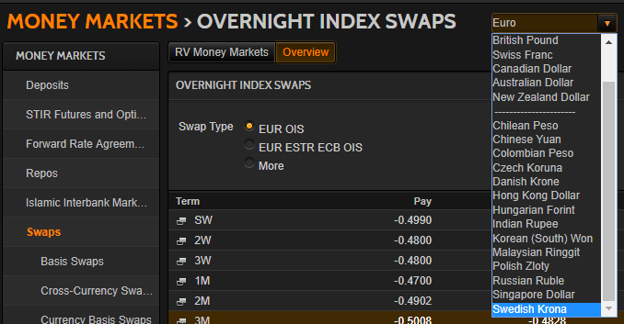
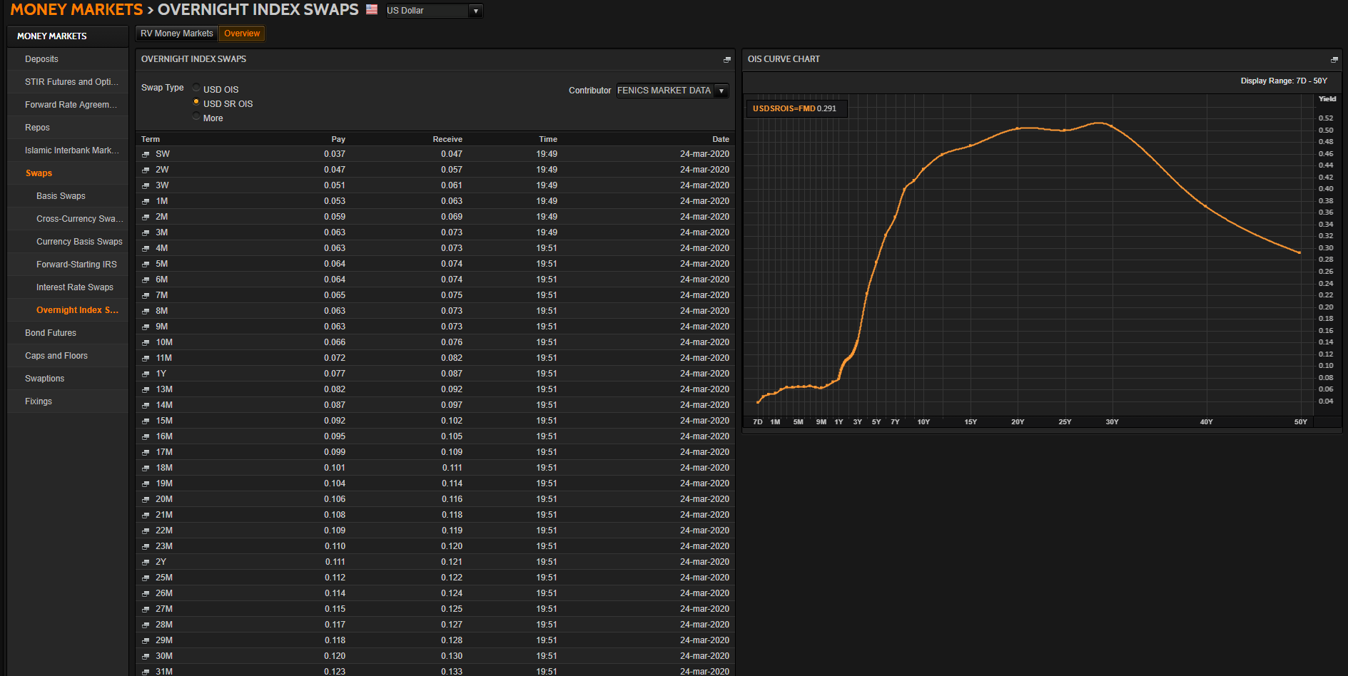
Generella frågor |  | Jörgens svar |  | OK/Fixat | Hjälp | Återstår |  | Mitt svar
Ska vi enbart ha instrument för riskfria samt 3M-tenoren, likt i CDIOn, eller samtliga tenorer? Instrument som ej användes i CDIOn är markerade med "Excl. CDIO" till vänster. |  | Det beror på vad huvudtenoren är. Det kan vara 3 eller 6 månader (i EUR är det 6M) |  |  |  |  |  | Oklart? Ta bort icke-huvudsakliga tenorer m.a.o?
Ska vi till skillnad mot i CDIOn även ta med t.ex. FRAs med överlappande tidsperioder? T.ex. 1X4, 2X5. |  | Ja, de skall vara med |  |  |  |  |  | OK, ingen åtgärd
Vad räknas som maturity för t.ex. 6F1 eller 6#1? 3+6Mån = 9Mån? |  | Det är bara 3F1, och de börjar gälla den närmaste IMM-dagen, och gäller 3 månader från den dagen. |  |  |  |  |  | Oklart?

SEK

USD
Skippa SOFR? |  | Det vore trevlig att ha med. Har ni hittat swapparna som går mot den? |  |  |  |  |  | USDSOFR= är inlagd. Troligen typ USDSROIS=FMD?
Noterbart är att vi i CDIOn använde ICAPs OISer vilket inte görs nu, ger kortare löptid på de längsta. |  | Borde använda ICAP:s för att få längre löptider |  |  |  |  |  | Har bytt till USDOIS=ICAP

NOK
Finns NOK-OISer, och i så fall var? |  | Den verkar inte finnas, så vi får lämna den tills vidare |  |  |  |  |  | OK, ingen åtgärd
Ska NOWA inkluderas? |  | Tror inte det (just nu) |  |  |  |  |  | OK, borttagen

EUR
€STR från 2 oct 2019 och EONIA innan dess? EONIA är numer lika med $STR + 8.5bp |  | Försök att få in båda. Vet ni om det finns något motsvarande OIS-kedja för €STR? |  |  |  |  |  | Tar in €STR från EUROSTR=. Har hittat EURESTOIS= för OISer?
EURIBOR hade fram till 2013 15 olika räntor, numer 5. Vad ska vi räkna med? Går de tidigare att hitta? De kommandon som Reuters refererar till verkar ej existera. |  | Det är 6-månaders räntan som är den centrala |  |  |  |  |  | OK, då avvaktar vi med att leta efter äldre
EURIBOR publicerades först 30 dec 1998 men queryn säger att data finns t.o.m. aug 1990? Tolkar vi fel eller vad gäller för startdatum? | https://www.euribor-rates.eu/en/what-is-euribor/ | Den brukar vara beräknad från Dmark |  |  |  |  |  | OK, ingen åtgärd
Visst väljer vi EURIBOR över EUR Libor eftersom den andra enbart är begränsat använd? |  | IRS:en går mot 6M EURIBOR, så det är den som är relevant |  |  |  |  |  | OK, ingen åtgärd

DKK

GBP
SONIA? | https://www.morton-fraser.com/knowledge-hub/problem-sonia-alternative-libor | Tanken är ju att det skall bli SONIA i framtiden.
 |  |  |  |  |  |  | Tror att nedanstående är fel |  | €STR OISar nedan? Ser rätt ut!
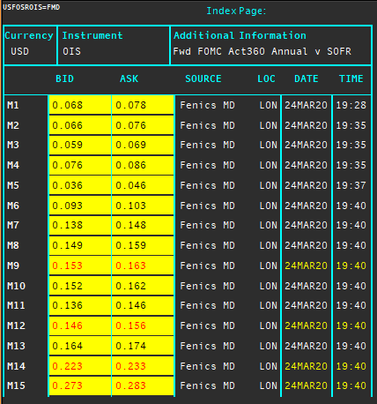
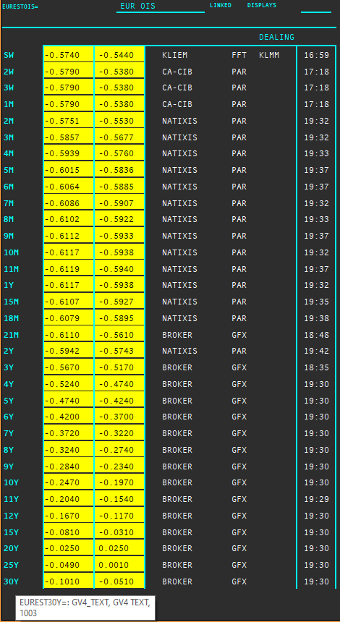

Länkar jag behöver läsa:
https://www.clarusft.com/scandie-swaps/
https://www.clarusft.com/nok-rates-nibor-and-nowa/
https://e-markets.nordea.com/api/research/attachment/76848
https://bahr.no/en/newsletter/finance-what-next-for-nibor/
https://www.google.com/search?q=stina+ois&rlz=1C1GCEB_enSE879SE879&oq=stina+ois&aqs=chrome..69i57j33.856j0j7&sourceid=chrome&ie=UTF-8
https://www.nasdaq.com/docs/SEK%20OIS%20Product%20Sheet.pdf
https://www.clarusft.com/sek-stibor-reform/
https://en.wikipedia.org/wiki/IMM_dates
https://www.cmegroup.com/education/courses/introduction-to-eurodollars/understanding-imm-price-and-date.html
https://www.ecb.europa.eu/paym/initiatives/interest_rate_benchmarks/shared/pdf/ecb.Pre-ESTER.en.pdf
https://www.ecb.europa.eu/stats/financial_markets_and_interest_rates/euro_short-term_rate/html/eurostr_overview.en.html
https://e-markets.nordea.com/api/research/attachment/86700
https://www.traditiondata.com/assets/notifications/eb363deff1/NP-Oct19-006_TraditionDATA_Product-Notification_Release_ESTER.PDF
https://www.traditiondata.com/assets/Uploads/303dce69e6/191017_TRADITIONDATA_0070_SellSheet_IRD_ESTER_V3-FIN-PRAW-WEB.pdf
https://www.clarusft.com/sofr-market-developments/ | "The USD OIS market is actually two markets: one referencing SOFR and the more established one referencing EFFR (Fed Funds)."

Maila Jörgen när det som går är fixat och för förtydliganden om övrigt

Tror att man genom nedanstående kan identifiera semi-annual eller annual fasta ben!
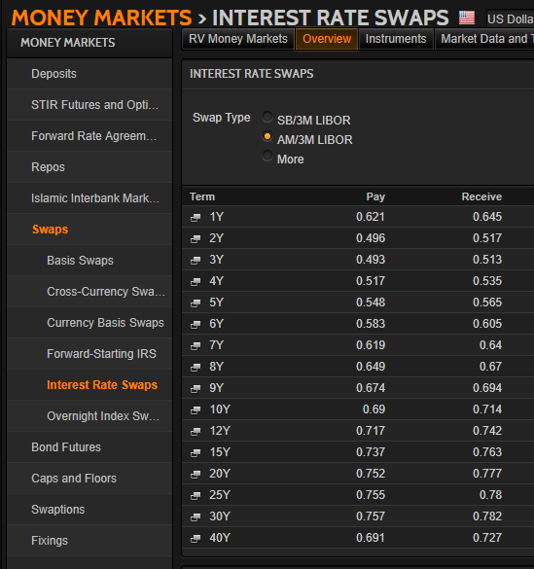
 |  |  | Nedan bekräftar att NOK saknar OIS-marknad. Det verkar enligt internet gå igenom FX-swappar mot andra valutar i stället.

SuperRICs
 | SEK | USD | NOK | EUR | DKK | GBP
Market Overview | SEKVIEW | USDVIEW | NOKVIEW | EURVIEW | DKKVIEW | GBPVIEW
Interest Rate Swap | SEKIRS | USDIRS | NOKIRS | EURIRS EUR1MIRS EUR3MIRS | DKKIRS | GBPIRS
Overnight Index Swap | SEKOIS | USDOIS USDOIS=ICAP | - | EUROIS EURESTOIS= | DKKTNS | GBPOIS
FRA | SEKFRA | USDFRA | NOKFRA | EURFRA | DKKFRA | GBPFRA
IBOR | STIBOR= | USDLIBOR= | OIBOR= | EURIBOR= (EURLIBOR=) EUROSTR= | CIBOR= | GBPLIBOR=

 | IRS | Tenors | Money Guide | Swaps
Helpful Commands | IRS-Analytics | META & RIC | MONEY | Typ: US/SWAPS
 |  | MONEY/BKGDINFO1 | MMGD

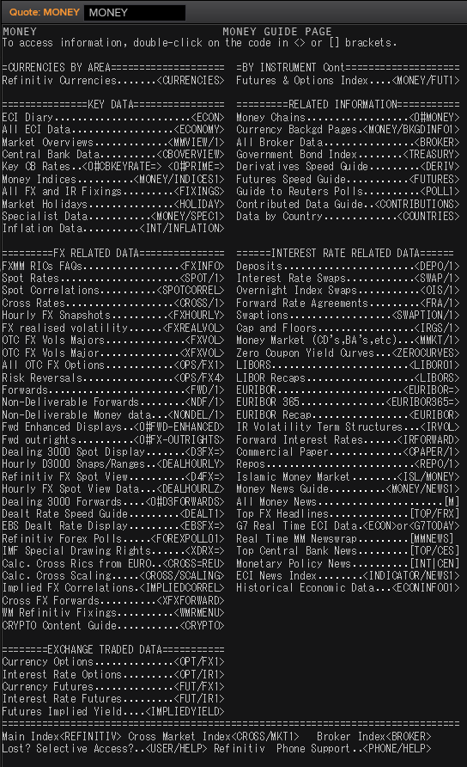
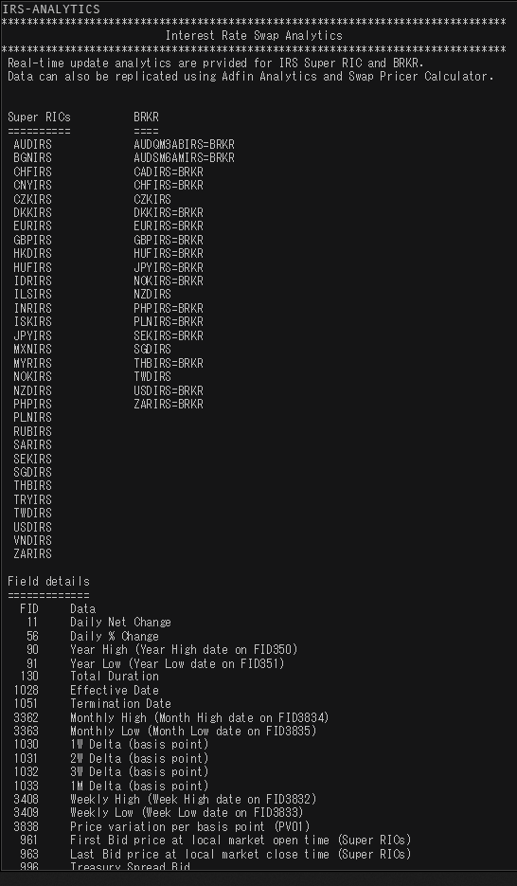

 |  |  |  |  |  |  | 18181.818182

SEK
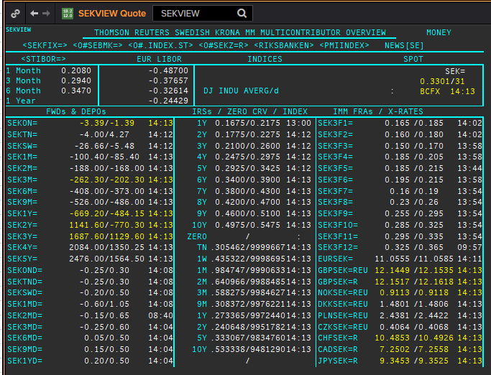
 | SEK
 | . |  |  |  |  |  |  |  |  |  |  |  |  | 01-Jan-1990
 | Maturity | Type | RIC | Bid yield (%) | Ask yield (%) | Mid Yield (%) | Ee | Eb | Fe | Fb | Bid/ask | Currency | Tenor | History Start | Close | Helper | Fwd Start Date
 | 1M | OIS | SEKAMTNS1M= | 0.032 | 0.052 | 0.042 | 1 | 1 | 1 | 1 | MID | SEK | 0 | 2002-09-03 | 4.34
 | 2M | OIS | SEKAMTNS2M= | 0.003 | 0.023 | 0.013 | 1 | 1 | 1 | 1 | MID | SEK | 0 | 2002-09-03 | 4.34
 | 3M | OIS | SEKAMTNS3M= | -0.008 | 0.012 | 0.002 | 1 | 1 | 1 | 1 | MID | SEK | 0 | 2002-09-03 | 4.33
 | 6M | OIS | SEKAMTNS6M= | -0.041 | -0.021 | -0.031 | 1 | 1 | 1 | 1 | MID | SEK | 0 | 2002-09-03 | 4.36
 | 9M | OIS | SEKAMTNS9M= | -0.054 | -0.034 | -0.044 | 1 | 1 | 1 | 1 | MID | SEK | 0 | 2002-09-03 | 4.41
 | 1Y | OIS | SEKAMTNS1Y= | -0.09 | -0.04 | -0.065 | 1 | 1 | 1 | 1 | MID | SEK | 0 | 2002-08-29 | 4.48
 | 2Y | OIS | SEKAMTNS2Y= | -0.028 | 0.022 | -0.003 | 1 | 1 | 1 | 1 | MID | SEK | 0 | 2012-10-22 | 1.015
 | 3Y | OIS | SEKAMTNS3Y= | 0.01 | 0.03 | 0.02 | 1 | 1 | 1 | 1 | MID | SEK | 0 | 2012-10-22 | 1.105
 | 4Y | OIS | SEKAMTNS4Y= | 0.083 | 0.103 | 0.093 | 1 | 1 | 1 | 1 | MID | SEK | 0 | 2012-10-22 | 1.22
 | 5Y | OIS | SEKAMTNS5Y= | 0.155 | 0.175 | 0.165 | 1 | 1 | 1 | 1 | MID | SEK | 0 | 2012-10-22 | 1.365
 | 6Y | OIS | SEKAMTNS6Y= | 0.223 | 0.243 | 0.233 | 1 | 1 | 1 | 1 | MID | SEK | 0 | 2012-10-22 | 1.49
 | 7Y | OIS | SEKAMTNS7Y= | 0.282 | 0.302 | 0.292 | 1 | 1 | 1 | 1 | MID | SEK | 0 | 2012-10-22 | 1.615
 | 8Y | OIS | SEKAMTNS8Y= | 0.334 | 0.354 | 0.344 | 1 | 1 | 1 | 1 | MID | SEK | 0 | 2012-10-22 | 1.715
 | 9Y | OIS | SEKAMTNS9Y= | 0.383 | 0.403 | 0.393 | 1 | 1 | 1 | 1 | MID | SEK | 0 | 2012-10-22 | 1.81
 | 10Y | OIS | SEKAMTNS10Y= | 0.428 | 0.448 | 0.438 | 1 | 1 | 1 | 1 | MID | SEK | 0 | 2012-10-22 | 1.895
 | 12Y | OIS | SEKAMTNS12Y= | 0.415 | 0.475 | 0.445 | 1 | 1 | 1 | 1 | MID | SEK | 0 | 2013-07-04 | 2.425
 | 15Y | OIS | SEKAMTNS15Y= | 0.475 | 0.535 | 0.505 | 1 | 1 | 1 | 1 | MID | SEK | 0 | 2013-07-04 | 2.515
 | 20Y | OIS | SEKAMTNS20Y= | 0.645 | 0.665 | 0.655 | 1 | 1 | 1 | 1 | MID | SEK | 0 | 2013-07-04 | 2.575
 | 25Y | OIS | SEKAMTNS25Y= | 0.45 | 0.53 | 0.49 | 1 | 1 | 1 | 1 | MID | SEK | 0 | 2013-07-04 | 2.605
 | 30Y | OIS | SEKAMTNS30Y= | 0.637 | 0.657 | 0.647 | 1 | 1 | 1 | 1 | MID | SEK | 0 | 2013-07-04 | 2.645
 | TN | IBOR | STISEKTNDFI= |  |  | 0.084 | 1 | 1 | 1 | 1 | MID | SEK | 0 | 1997-06-10 | 4.2
Excl. CDIO | 1W | IBOR | STISEK1WDFI= |  |  | 0.09 | 1 | 1 | 1 | 1 | MID | SEK | 0 | 1990-01-02 | 12.75
Excl. CDIO | 1M | IBOR | STISEK1MDFI= |  |  | 0.198 | 1 | 1 | 1 | 1 | MID | SEK | 0 | 1990-01-02 | 12.54
Excl. CDIO | 2M | IBOR | STISEK2MDFI= |  |  | 0.261 | 1 | 1 | 1 | 1 | MID | SEK | 0 | 1994-09-06 | 7.9
 | 3M | IBOR | STISEK3MDFI= |  |  | 0.329 | 1 | 1 | 1 | 1 | MID | SEK | 0 | 1990-01-02 | 12.8
Excl. CDIO | 6M | IBOR | STISEK6MDFI= |  |  | 0.389 | 1 | 1 | 1 | 1 | MID | SEK | 0 | 1990-01-02 | 13.1
 | 6M | FRA | SEK3F1= | 0.175 | 0.195 | 0.185 | 1 | 1 | 1 | 1 | MID | SEK | 3M | 1995-12-15 | 8.72 | 150620 | 2020-09-15
 | 9M | FRA | SEK3F2= | 0.16 | 0.18 | 0.17 | 1 | 1 | 1 | 1 | MID | SEK | 3M | 1995-12-15 | 8.13 | 140920 | 2020-12-14
 | 1Y | FRA | SEK3F3= | 0.15 | 0.17 | 0.16 | 1 | 1 | 1 | 1 | MID | SEK | 3M | 1995-12-15 | 7.83 | 141220 | 2021-03-14
 | 1.25Y | FRA | SEK3F4= | 0.195 | 0.215 | 0.205 | 1 | 1 | 1 | 1 | MID | SEK | 3M | 1995-12-15 | 7.69 | 150321 | 2021-06-15
 | 1.5Y | FRA | SEK3F5= | 0.185 | 0.215 | 0.2 | 1 | 1 | 1 | 1 | MID | SEK | 3M | 1995-12-15 | 7.71 | 140621 | 2021-09-14
 | 1.75Y | FRA | SEK3F6= | 0.195 | 0.215 | 0.205 | 1 | 1 | 1 | 1 | MID | SEK | 3M | 1995-12-15 | 7.75 | 130921 | 2021-12-13
 | 2Y | FRA | SEK3F7= | 0.165 | 0.195 | 0.18 | 1 | 1 | 1 | 1 | MID | SEK | 3M | 1995-12-15 | 7.8 | 131221 | 2022-03-13
 | 2.25Y | FRA | SEK3F8= | 0.22 | 0.25 | 0.235 | 1 | 1 | 1 | 1 | MID | SEK | 3M | 1995-12-15 | 7.85 | 140322 | 2022-06-14
 | 2.5Y | FRA | SEK3F9= | 0.27 | 0.31 | 0.29 | 1 | 1 | 1 | 1 | MID | SEK | 3M | 1999-05-25 | 4.5 | 130622 | 2022-09-13
 | 2.75Y | FRA | SEK3F10= | 0.305 | 0.345 | 0.325 | 1 | 1 | 1 | 1 | MID | SEK | 3M | 1999-05-25 | 4.69 | 190922 | 2022-12-19
 | 3Y | FRA | SEK3F11= | 0.315 | 0.355 | 0.335 | 1 | 1 | 1 | 1 | MID | SEK | 3M | 1999-05-25 | 4.83 | 191222 | 2023-03-19
 | 3.25Y | FRA | SEK3F12= | 0.349 | 0.389 | 0.369 | 1 | 1 | 1 | 1 | MID | SEK | 3M | 1999-05-25 | 4.91 | 130323 | 2023-06-13
 | 1Y | IRS | SEKAB3S1Y= | 0.203 | 0.233 | 0.218 | 1 | 1 | 1 | 1 | MID | SEK | 3M | 1997-05-08 | 4.72
Excl. CDIO | 18M | IRS | SEKAB3S18M= | 0.203 | 0.223 | 0.213 | 1 | 1 | 1 | 1 | MID | SEK | 3M | 2003-01-07 | 3.96
 | 2Y | IRS | SEKAB3S2Y= | 0.198 | 0.218 | 0.208 | 1 | 1 | 1 | 1 | MID | SEK | 3M | 1992-02-03 | 11.39
 | 3Y | IRS | SEKAB3S3Y= | 0.23 | 0.25 | 0.24 | 1 | 1 | 1 | 1 | MID | SEK | 3M | 1992-02-03 | 11.18
 | 4Y | IRS | SEKAB3S4Y= | 0.273 | 0.293 | 0.283 | 1 | 1 | 1 | 1 | MID | SEK | 3M | 1992-02-03 | 11.01
 | 5Y | IRS | SEKAB3S5Y= | 0.32 | 0.34 | 0.33 | 1 | 1 | 1 | 1 | MID | SEK | 3M | 1992-02-03 | 10.93
 | 6Y | IRS | SEKAB3S6Y= | 0.358 | 0.378 | 0.368 | 1 | 1 | 1 | 1 | MID | SEK | 3M | 1997-08-13 | 6.4
 | 7Y | IRS | SEKAB3S7Y= | 0.413 | 0.433 | 0.423 | 1 | 1 | 1 | 1 | MID | SEK | 3M | 1992-02-03 | 10.76
 | 8Y | IRS | SEKAB3S8Y= | 0.453 | 0.473 | 0.463 | 1 | 1 | 1 | 1 | MID | SEK | 3M | 1997-08-13 | 6.63
 | 9Y | IRS | SEKAB3S9Y= | 0.493 | 0.513 | 0.503 | 1 | 1 | 1 | 1 | MID | SEK | 3M | 1997-08-13 | 6.73
 | 10Y | IRS | SEKAB3S10Y= | 0.528 | 0.548 | 0.538 | 1 | 1 | 1 | 1 | MID | SEK | 3M | 1992-02-03 | 10.65
 | 12Y | IRS | SEKAB3S12Y= | 0.595 | 0.615 | 0.605 | 1 | 1 | 1 | 1 | MID | SEK | 3M | 2008-01-10 | 4.7925
 | 15Y | IRS | SEKAB3S15Y= | 0.658 | 0.688 | 0.673 | 1 | 1 | 1 | 1 | MID | SEK | 3M | 2008-01-10 | 4.81
 | 20Y | IRS | SEKAB3S20Y= | 0.68 | 0.71 | 0.695 | 1 | 1 | 1 | 1 | MID | SEK | 3M | 2008-02-06 | 4.5925
 | 30Y | IRS | SEKAB3S30Y= | 0.558 | 0.588 | 0.573 | 1 | 1 | 1 | 1 | MID | SEK | 3M | 2012-02-08 | 2.455

USD
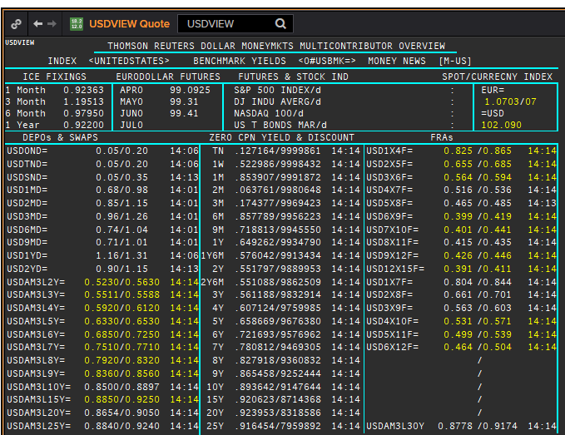
 | USD
 | . |  |  |  |  |  |  |  |  |  |  |  |  | 01-Jan-1990
 | Maturity | Type | RIC | Bid yield (%) | Ask yield (%) | Mid Yield (%) | Ee | Eb | Fe | Fb | Bid/ask | Currency | Tenor | History Start | Close | Helper | Fwd Start Date
 | 1M | OIS | USD1MOIS=ICAP | 0.068 | 0.118 | 0.093 | 1 | 1 | 1 | 1 | MID | USD | 0 | 2001-08-09 | 3.523
 | 2M | OIS | USD2MOIS=ICAP | 0.071 | 0.121 | 0.096 | 1 | 1 | 1 | 1 | MID | USD | 0 | 2001-08-09 | 3.463
 | 3M | OIS | USD3MOIS=ICAP | 0.068 | 0.118 | 0.093 | 1 | 1 | 1 | 1 | MID | USD | 0 | 2001-08-09 | 3.419
 | 4M | OIS | USD4MOIS=ICAP | 0.065 | 0.115 | 0.09 | 1 | 1 | 1 | 1 | MID | USD | 0 | 2001-08-09 | 3.41
 | 5M | OIS | USD5MOIS=ICAP | 0.061 | 0.111 | 0.086 | 1 | 1 | 1 | 1 | MID | USD | 0 | 2001-08-09 | 3.403
 | 6M | OIS | USD6MOIS=ICAP | 0.058 | 0.108 | 0.083 | 1 | 1 | 1 | 1 | MID | USD | 0 | 2001-08-09 | 3.394
 | 7M | OIS | USD7MOIS=ICAP | 0.055 | 0.105 | 0.08 | 1 | 1 | 1 | 1 | MID | USD | 0 | 2001-08-09 | 3.394
 | 8M | OIS | USD8MOIS=ICAP | 0.053 | 0.103 | 0.078 | 1 | 1 | 1 | 1 | MID | USD | 0 | 2001-08-09 | 3.408
 | 9M | OIS | USD9MOIS=ICAP | 0.052 | 0.102 | 0.077 | 1 | 1 | 1 | 1 | MID | USD | 0 | 2001-08-09 | 3.43
 | 10M | OIS | USD10MOIS=ICAP | 0.052 | 0.102 | 0.077 | 1 | 1 | 1 | 1 | MID | USD | 0 | 2001-08-09 | 3.464
 | 11M | OIS | USD11MOIS=ICAP | 0.054 | 0.104 | 0.079 | 1 | 1 | 1 | 1 | MID | USD | 0 | 2001-08-09 | 3.503
 | 1Y | OIS | USD1YOIS=ICAP | 0.056 | 0.106 | 0.081 | 1 | 1 | 1 | 1 | MID | USD | 0 | 2001-08-09 | 3.539
 | 15M | OIS | USD15MOIS=ICAP | 0.064 | 0.114 | 0.089 | 1 | 1 | 1 | 1 | MID | USD | 0 | 2001-08-09 | 3.684
 | 18M | OIS | USD18MOIS=ICAP | 0.078 | 0.128 | 0.103 | 1 | 1 | 1 | 1 | MID | USD | 0 | 2001-08-09 | 3.819
 | 21M | OIS | USD21MOIS=ICAP | 0.09 | 0.14 | 0.115 | 1 | 1 | 1 | 1 | MID | USD | 0 | 2001-08-09 | 3.952
 | 2Y | OIS | USD2YOIS=ICAP | 0.103 | 0.153 | 0.128 | 1 | 1 | 1 | 1 | MID | USD | 0 | 2001-08-09 | 4.09
 | 3Y | OIS | USD3YOIS=ICAP | 0.169 | 0.219 | 0.194 | 1 | 1 | 1 | 1 | MID | USD | 0 | 2012-03-30 | 0.384
 | 4Y | OIS | USD4YOIS=ICAP | 0.233 | 0.283 | 0.258 | 1 | 1 | 1 | 1 | MID | USD | 0 | 2012-03-30 | 0.63
 | 5Y | OIS | USD5YOIS=ICAP | 0.291 | 0.341 | 0.316 | 1 | 1 | 1 | 1 | MID | USD | 0 | 2012-03-30 | 0.896
 | 6Y | OIS | USD6YOIS=ICAP | 0.345 | 0.395 | 0.37 | 1 | 1 | 1 | 1 | MID | USD | 0 | 2012-03-30 | 1.167
 | 7Y | OIS | USD7YOIS=ICAP | 0.395 | 0.445 | 0.42 | 1 | 1 | 1 | 1 | MID | USD | 0 | 2012-03-30 | 1.414
 | 8Y | OIS | USD8YOIS=ICAP | 0.437 | 0.487 | 0.462 | 1 | 1 | 1 | 1 | MID | USD | 0 | 2012-03-30 | 1.622
 | 9Y | OIS | USD9YOIS=ICAP | 0.471 | 0.521 | 0.496 | 1 | 1 | 1 | 1 | MID | USD | 0 | 2012-03-30 | 1.798
 | 10Y | OIS | USD10YOIS=ICAP | 0.496 | 0.546 | 0.521 | 1 | 1 | 1 | 1 | MID | USD | 0 | 2012-03-30 | 1.946
 | 12Y | OIS | USD12YOIS=ICAP | 0.53 | 0.58 | 0.555 | 1 | 1 | 1 | 1 | MID | USD | 0 | 2012-03-30 | 2.184
 | 15Y | OIS | USD15YOIS=ICAP | 0.567 | 0.617 | 0.592 | 1 | 1 | 1 | 1 | MID | USD | 0 | 2012-03-30 | 2.421
 | 20Y | OIS | USD20YOIS=ICAP | 0.602 | 0.652 | 0.627 | 1 | 1 | 1 | 1 | MID | USD | 0 | 2012-03-30 | 2.617
 | 25Y | OIS | USD25YOIS=ICAP | 0.608 | 0.658 | 0.633 | 1 | 1 | 1 | 1 | MID | USD | 0 | 2012-03-30 | 2.717
 | 30Y | OIS | USD30YOIS=ICAP | 0.613 | 0.663 | 0.638 | 1 | 1 | 1 | 1 | MID | USD | 0 | 2012-03-30 | 2.78
 | 40Y | OIS | USD40YOIS=ICAP | 0.554 | 0.604 | 0.579 | 1 | 1 | 1 | 1 | MID | USD | 0 | 2012-03-30 | 2.812
 | ON | IBOR | USDSOFR= |  |  | 0.01 | 1 | 1 | 1 | 1 | MID | USD | 0 | 2014-08-22 | 0.06
 | ON | IBOR | USDONFSR= |  |  | 0.20125 | 1 | 1 | 1 | 1 | MID | USD | 0 | 2001-01-02 | 6.65125
Excl. CDIO | SW | IBOR | USDSWFSR= |  |  | 0.64375 | 1 | 1 | 1 | 1 | MID | USD | 0 | 1997-12-01 | 5.69531
Excl. CDIO | 1M | IBOR | USD1MFSR= |  |  | 0.95913 | 1 | 1 | 1 | 1 | MID | USD | 0 | 1990-01-02 | 8.375
Excl. CDIO | 2M | IBOR | USD2MFSR= |  |  | 1.15638 | 1 | 1 | 1 | 1 | MID | USD | 0 | 1990-01-02 | 8.375
 | 3M | IBOR | USD3MFSR= |  |  | 1.267 | 1 | 1 | 1 | 1 | MID | USD | 0 | 1990-01-02 | 8.375
Excl. CDIO | 6M | IBOR | USD6MFSR= |  |  | 1.06763 | 1 | 1 | 1 | 1 | MID | USD | 0 | 1990-01-02 | 8.25
 | 1Y | IBOR | USD1YFSR= |  |  | 0.9875 | 1 | 1 | 1 | 1 | MID | USD | 0 | 1990-01-02 | 8.25
Excl. CDIO | 4M | FRA | USD1X4F= | 1.006 | 0.986 | 0.996 | 1 | 1 | 1 | 1 | MID | USD | 3M | 1995-01-06 | 6.73
Excl. CDIO | 5M | FRA | USD2X5F= | 0.765 | 0.745 | 0.755 | 1 | 1 | 1 | 1 | MID | USD | 3M | 1995-01-06 | 7.3
 | 6M | FRA | USD3X6F= | 0.567 | 0.547 | 0.557 | 1 | 1 | 1 | 1 | MID | USD | 3M | 1995-01-06 | 7.4
Excl. CDIO | 7M | FRA | USD4X7F= | 0.5137 | 0.4737 | 0.4937 | 1 | 1 | 1 | 1 | MID | USD | 3M | 1995-01-06 | 7.5
Excl. CDIO | 8M | FRA | USD5X8F= | 0.4523 | 0.4123 | 0.4323 | 1 | 1 | 1 | 1 | MID | USD | 3M | 1995-01-06 | 7.6
 | 9M | FRA | USD6X9F= | 0.4103 | 0.3703 | 0.3903 | 1 | 1 | 1 | 1 | MID | USD | 3M | 1995-01-06 | 7.7
Excl. CDIO | 10M | FRA | USD7X10F= | 0.4077 | 0.3677 | 0.3877 | 1 | 1 | 1 | 1 | MID | USD | 3M | 1995-01-06 | 7.8
Excl. CDIO | 11M | FRA | USD8X11F= | 0.393 | 0.373 | 0.383 | 1 | 1 | 1 | 1 | MID | USD | 3M | 1995-01-06 | 7.9
 | 1Y | FRA | USD9X12F= | 0.3973 | 0.3573 | 0.3773 | 1 | 1 | 1 | 1 | MID | USD | 3M | 1995-01-06 | 8.3
Excl. CDIO | 7M | FRA | USD1X7F= | 0.828 | 0.808 | 0.818 | 1 | 1 | 1 | 1 | MID | USD | 6M | 1995-01-06 | 7.2
Excl. CDIO | 8M | FRA | USD2X8F= | 0.72 | 0.68 | 0.7 | 1 | 1 | 1 | 1 | MID | USD | 6M | 1995-01-06 | 7.46
Excl. CDIO | 9M | FRA | USD3X9F= | 0.5923 | 0.5323 | 0.5623 | 1 | 1 | 1 | 1 | MID | USD | 6M | 1995-01-06 | 7.66
Excl. CDIO | 10M | FRA | USD4X10F= | 0.533 | 0.493 | 0.513 | 1 | 1 | 1 | 1 | MID | USD | 6M | 1995-01-06 | 7.89
Excl. CDIO | 11M | FRA | USD5X11F= | 0.494 | 0.454 | 0.474 | 1 | 1 | 1 | 1 | MID | USD | 6M | 1995-01-06 | 8.7
Excl. CDIO | 12M | FRA | USD6X12F= | 0.466 | 0.426 | 0.446 | 1 | 1 | 1 | 1 | MID | USD | 6M | 1995-01-06 | 8.18
Excl. CDIO | 1.25Y | FRA | USD9X15F= | 0.445 | 0.405 | 0.425 | 1 | 1 | 1 | 1 | MID | USD | 6M | 1995-01-06 | 8.39
Excl. CDIO | 1.5Y | FRA | USD12X18F= | 0.461 | 0.421 | 0.441 | 1 | 1 | 1 | 1 | MID | USD | 6M | 1995-01-06 | 8.29
 | 1.25Y | FRA | USD12X15F= | 0.3634 | 0.3234 | 0.3434 | 1 | 1 | 1 | 1 | MID | USD | 3M | 1995-01-06 | 8.24
 | 1.5Y | FRA | USD15X18F= | 0.382 | 0.362 | 0.372 | 1 | 1 | 1 | 1 | MID | USD | 3M | 1995-01-06 | 8.19
 | 1.75Y | FRA | USD18X21F= | 0.391 | 0.371 | 0.381 | 1 | 1 | 1 | 1 | MID | USD | 3M | 1995-01-06 | 8.14
Excl. CDIO | 2Y | FRA | USD18X24F= | 0.503 | 0.463 | 0.483 | 1 | 1 | 1 | 1 | MID | USD | 6M | 1995-01-06 | 8.21
 | 1Y | IRS | USDAM3L1Y= | 0.664 | 0.644 | 0.654 | 1 | 1 | 1 | 1 | MID | USD | 3M | 1996-01-08 | 5.33
 | 2Y | IRS | USDAM3L2Y= | 0.521 | 0.481 | 0.501 | 1 | 1 | 1 | 1 | MID | USD | 3M | 1990-01-02 | 8.37
 | 3Y | IRS | USDAM3L3Y= | 0.5258 | 0.5181 | 0.522 | 1 | 1 | 1 | 1 | MID | USD | 3M | 1990-01-02 | 8.52
 | 4Y | IRS | USDAM3L4Y= | 0.574 | 0.535 | 0.5545 | 1 | 1 | 1 | 1 | MID | USD | 3M | 1990-01-02 | 8.62
 | 5Y | IRS | USDAM3L5Y= | 0.6039 | 0.5983 | 0.6011 | 1 | 1 | 1 | 1 | MID | USD | 3M | 1990-01-02 | 8.68
 | 6Y | IRS | USDAM3L6Y= | 0.6492 | 0.6441 | 0.6466 | 1 | 1 | 1 | 1 | MID | USD | 3M | 1996-08-21 | 6.73
 | 7Y | IRS | USDAM3L7Y= | 0.715 | 0.675 | 0.695 | 1 | 1 | 1 | 1 | MID | USD | 3M | 1990-01-02 | 8.84
 | 8Y | IRS | USDAM3L8Y= | 0.739 | 0.719 | 0.729 | 1 | 1 | 1 | 1 | MID | USD | 3M | 1996-08-21 | 6.83
 | 9Y | IRS | USDAM3L9Y= | 0.772 | 0.752 | 0.762 | 1 | 1 | 1 | 1 | MID | USD | 3M | 1996-08-22 | 6.95
 | 10Y | IRS | USDAM3L10Y= | 0.8005 | 0.7609 | 0.7807 | 1 | 1 | 1 | 1 | MID | USD | 3M | 1990-01-02 | 8.86
 | 12Y | IRS | USDAM3L12Y= | 0.831 | 0.791 | 0.811 | 1 | 1 | 1 | 1 | MID | USD | 3M | 1997-08-06 | 6.23
 | 15Y | IRS | USDAM3L15Y= | 0.866 | 0.826 | 0.846 | 1 | 1 | 1 | 1 | MID | USD | 3M | 1997-08-06 | 6.75
 | 20Y | IRS | USDAM3L20Y= | 0.8669 | 0.8273 | 0.8471 | 1 | 1 | 1 | 1 | MID | USD | 3M | 1997-08-06 | 6.56
 | 25Y | IRS | USDAM3L25Y= | 0.914 | 0.894 | 0.904 | 1 | 1 | 1 | 1 | MID | USD | 3M | 1997-08-06 | 6.69
 | 30Y | IRS | USDAM3L30Y= | 0.907 | 0.8674 | 0.8872 | 1 | 1 | 1 | 1 | MID | USD | 3M | 1997-08-06 | 6.82
Excl. CDIO | 40Y | IRS | USDAM3L40Y= | 0.82 | 0.8 | 0.81 | 1 | 1 | 1 | 1 | MID | USD | 3M | 2007-06-12 | 5.977
Excl. CDIO | 50Y | IRS | USDAM3L50Y= | 0.743 | 0.723 | 0.733 | 1 | 1 | 1 | 1 | MID | USD | 3M | 2007-06-12 | 5.958

 | Borttaget:
 | 1M | OIS | USD1MOIS= | 0.057 | 0.097 | 0.077 | 1 | 1 | 1 | 1 | MID | USD | 0 | 2003-11-06 | 1
 | 2M | OIS | USD2MOIS= | 0.09 | 0.11 | 0.1 | 1 | 1 | 1 | 1 | MID | USD | 0 | 2003-11-23 | 1
 | 3M | OIS | USD3MOIS= | 0.067 | 0.107 | 0.087 | 1 | 1 | 1 | 1 | MID | USD | 0 | 2003-11-23 | 1.01
 | 4M | OIS | USD4MOIS= | 0.081 | 0.101 | 0.091 | 1 | 1 | 1 | 1 | MID | USD | 0 | 2003-11-24 | 1.0325
 | 5M | OIS | USD5MOIS= | 0.077 | 0.097 | 0.087 | 1 | 1 | 1 | 1 | MID | USD | 0 | 2003-11-23 | 1.0325
 | 6M | OIS | USD6MOIS= | 0.074 | 0.094 | 0.084 | 1 | 1 | 1 | 1 | MID | USD | 0 | 2003-11-23 | 1.0525
 | 7M | OIS | USD7MOIS= | 0.071 | 0.091 | 0.081 | 1 | 1 | 1 | 1 | MID | USD | 0 | 2003-11-24 | 1.09
 | 8M | OIS | USD8MOIS= | 0.069 | 0.089 | 0.079 | 1 | 1 | 1 | 1 | MID | USD | 0 | 2003-11-24 | 1.13
 | 9M | OIS | USD9MOIS= | 0.065 | 0.095 | 0.08 | 1 | 1 | 1 | 1 | MID | USD | 0 | 2003-11-23 | 1.15
 | 10M | OIS | USD10MOIS= | 0.069 | 0.089 | 0.079 | 1 | 1 | 1 | 1 | MID | USD | 0 | 2003-11-24 | 1.2
 | 11M | OIS | USD11MOIS= | 0.068 | 0.088 | 0.078 | 1 | 1 | 1 | 1 | MID | USD | 0 | 2003-11-24 | 1.24
 | 1Y | OIS | USD1YOIS= | 0.069 | 0.089 | 0.079 | 1 | 1 | 1 | 1 | MID | USD | 0 | 2003-11-23 | 1.2775
 | 2Y | OIS | USD2YOIS= | 0.103 | 0.153 | 0.128 | 1 | 1 | 1 | 1 | MID | USD | 0 | 2007-05-16 | 5.016

NOK
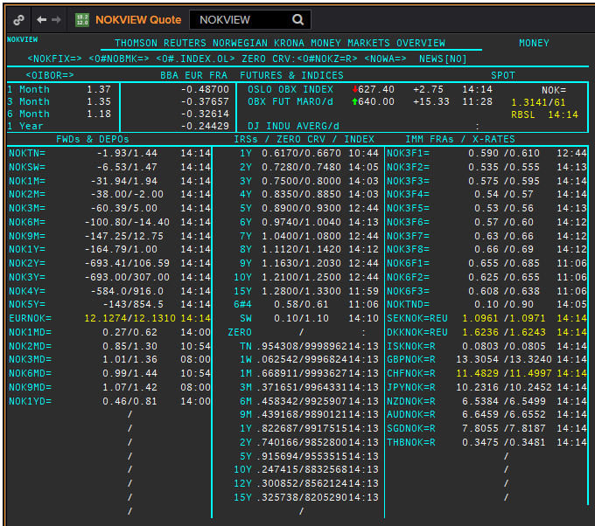
NOK
. |  |  |  |  |  |  |  |  |  |  |  |  | 01-Jan-1990
Maturity | Type | RIC | Bid yield (%) | Ask yield (%) | Mid Yield (%) | Ee | Eb | Fe | Fb | Bid/ask | Currency | Tenor | History Start | Close | Helper | Fwd Start Date
SW | IBOR | OINOKSWD= |  |  | 0.49 | 1 | 1 | 1 | 1 | MID | NOK | 0 | 2015-05-22 | 1.49
1M | IBOR | OINOK1MD= |  |  | 0.75 | 1 | 1 | 1 | 1 | MID | NOK | 0 | 2015-05-22 | 1.45
2M | IBOR | OINOK2MD= |  |  | 0.89 | 1 | 1 | 1 | 1 | MID | NOK | 0 | 2015-05-22 | 1.47
3M | IBOR | OINOK3MD= |  |  | 1.06 | 1 | 1 | 1 | 1 | MID | NOK | 0 | 2015-05-22 | 1.5
6M | IBOR | OINOK6MD= |  |  | 1.01 | 1 | 1 | 1 | 1 | MID | NOK | 0 | 2015-05-22 | 1.49
6M | FRA | NOK3F1= | 0.68 | 0.7 | 0.69 | 1 | 1 | 1 | 1 | MID | NOK | 3M | 1995-01-06 | 6.15 | 150620 | 2020-09-15
9M | FRA | NOK3F2= | 0.635 | 0.655 | 0.645 | 1 | 1 | 1 | 1 | MID | NOK | 3M | 1995-01-06 | 6.57 | 140920 | 2020-12-14
1Y | FRA | NOK3F3= | 0.675 | 0.695 | 0.685 | 1 | 1 | 1 | 1 | MID | NOK | 3M | 1995-01-06 | 6.9 | 141220 | 2021-03-14
15M | FRA | NOK3F4= | 0.625 | 0.645 | 0.635 | 1 | 1 | 1 | 1 | MID | NOK | 3M | 1995-01-06 | 7.3 | 150321 | 2021-06-15
18M | FRA | NOK3F5= | 0.64 | 0.67 | 0.655 | 1 | 1 | 1 | 1 | MID | NOK | 3M | 2007-08-16 | 5.47 | 140621 | 2021-09-14
21M | FRA | NOK3F6= | 0.68 | 0.71 | 0.695 | 1 | 1 | 1 | 1 | MID | NOK | 3M | 2007-08-16 | 5.42 | 130921 | 2021-12-13
2Y | FRA | NOK3F7= | 0.74 | 0.77 | 0.755 | 1 | 1 | 1 | 1 | MID | NOK | 3M | 2009-05-18 | 3.14 | 131221 | 2022-03-13
2.25Y | FRA | NOK3F8= | 0.76 | 0.79 | 0.775 | 1 | 1 | 1 | 1 | MID | NOK | 3M | 2009-05-18 | 3.42 | 140322 | 2022-06-14
2.5Y | FRA | NOK3F9= | 0.82 | 0.85 | 0.835 | 1 | 1 | 1 | 1 | MID | NOK | 3M | 2017-07-18 | 1.32 | 130622 | 2022-09-13
2.75Y | FRA | NOK3F10= | 0.87 | 0.9 | 0.885 | 1 | 1 | 1 | 1 | MID | NOK | 3M | 2017-07-18 | 1.41 | 190922 | 2022-12-19
3Y | FRA | NOK3F11= | 0.95 | 0.98 | 0.965 | 1 | 1 | 1 | 1 | MID | NOK | 3M | 2017-07-18 | 1.47 | 191222 | 2023-03-19
3.25Y | FRA | NOK3F12= | 0.98 | 1 | 0.99 | 1 | 1 | 1 | 1 | MID | NOK | 3M | 2017-07-18 | 1.55 | 130323 | 2023-06-13
9M | FRA | NOK6F1= | 0.76 | 0.79 | 0.775 | 1 | 1 | 1 | 1 | MID | NOK | 6M | 1995-01-06 | 6.4 | 150620 | 2020-12-15
1Y | FRA | NOK6F2= | 0.725 | 0.755 | 0.74 | 1 | 1 | 1 | 1 | MID | NOK | 6M | 1995-01-06 | 6.8 | 140920 | 2021-03-14
1.25Y | FRA | NOK6F3= | 0.708 | 0.738 | 0.723 | 1 | 1 | 1 | 1 | MID | NOK | 6M | 1995-01-06 | 7.25 | 141220 | 2021-06-14
1.5Y | FRA | NOK6F4= | 0.688 | 0.718 | 0.703 | 1 | 1 | 1 | 1 | MID | NOK | 6M | 1995-01-06 | 7.6 | 150321 | 2021-09-15
1Y | IRS | NOKAB3O1Y= | 0.75 | 0.8 | 0.775 | 1 | 1 | 1 | 1 | MID | NOK | 3M | 1997-09-23 | 4.34
2Y | IRS | NOKAB6O2Y= | 0.794 | 0.844 | 0.819 | 1 | 1 | 1 | 1 | MID | NOK | 6M | 1995-01-06 | 7.35
3Y | IRS | NOKAB6O3Y= | 0.84 | 0.86 | 0.85 | 1 | 1 | 1 | 1 | MID | NOK | 6M | 1995-01-06 | 7.82
4Y | IRS | NOKAB6O4Y= | 0.924 | 0.954 | 0.939 | 1 | 1 | 1 | 1 | MID | NOK | 6M | 1995-01-06 | 8.2
5Y | IRS | NOKAB6O5Y= | 1.013 | 1.033 | 1.023 | 1 | 1 | 1 | 1 | MID | NOK | 6M | 1995-01-06 | 8.3
6Y | IRS | NOKAB6O6Y= | 1.069 | 1.099 | 1.084 | 1 | 1 | 1 | 1 | MID | NOK | 6M | 1997-08-13 | 5.79
7Y | IRS | NOKAB6O7Y= | 1.128 | 1.178 | 1.153 | 1 | 1 | 1 | 1 | MID | NOK | 6M | 1995-08-17 | 7.67
8Y | IRS | NOKAB6O8Y= | 1.2 | 1.23 | 1.215 | 1 | 1 | 1 | 1 | MID | NOK | 6M | 1997-08-13 | 6.06
9Y | IRS | NOKAB6O9Y= | 1.254 | 1.284 | 1.269 | 1 | 1 | 1 | 1 | MID | NOK | 6M | 1997-08-13 | 6.16
10Y | IRS | NOKAB6O10Y= | 1.32 | 1.34 | 1.33 | 1 | 1 | 1 | 1 | MID | NOK | 6M | 1995-08-17 | 7.84
15Y | IRS | NOKAB6O15Y= | 1.38 | 1.43 | 1.405 | 1 | 1 | 1 | 1 | MID | NOK | 6M | 2008-04-23 | 5.41

Borttaget
ON | IBOR | NOWA= |  |  | 0.24 | 1 | 1 | 1 | 1 | MID | NOK | 0

EUR
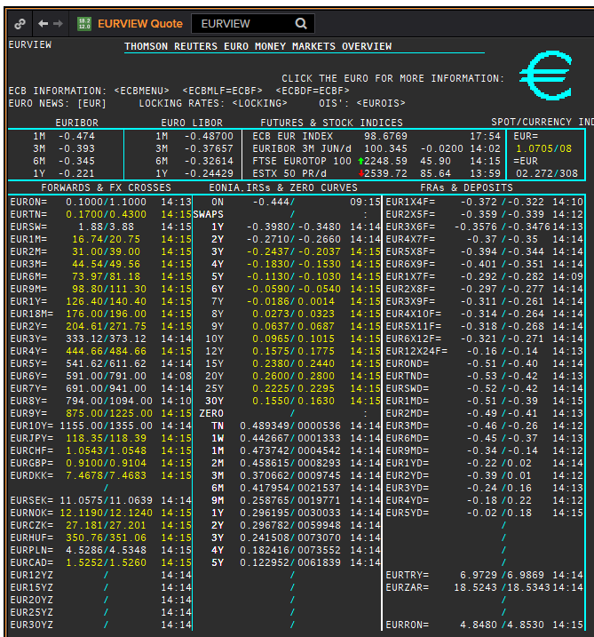
 | EUR
 | . |  |  |  |  |  |  |  |  |  |  |  |  | 01-Jan-1990
 | Maturity | Type | RIC | Bid yield (%) | Ask yield (%) | Mid Yield (%) | Ee | Eb | Fe | Fb | Bid/ask | Currency | Tenor | History Start | Close | Helper | Fwd Start Date
? | SW | OIS | EUREONSW= | -0.505 | -0.455 | -0.48 | 1 | 1 | 1 | 1 | MID | EUR | 0 | 1999-03-10 | 3.005
? | 2W | OIS | EUREON2W= | -0.47 | -0.45 | -0.46 | 1 | 1 | 1 | 1 | MID | EUR | 0 | 1999-03-10 | 3.015
? | 3W | OIS | EUREON3W= | -0.47 | -0.45 | -0.46 | 1 | 1 | 1 | 1 | MID | EUR | 0 | 1999-03-10 | 3.03
 | 1M | OIS | EUREON1M= | -0.46 | -0.44 | -0.45 | 1 | 1 | 1 | 1 | MID | EUR | 0 | 1999-01-04 | 3.11
 | 2M | OIS | EUREON2M= | -0.4834 | -0.4611 | -0.47225 | 1 | 1 | 1 | 1 | MID | EUR | 0 | 1999-01-04 | 3.09
 | 3M | OIS | EUREON3M= | -0.494 | -0.476 | -0.485 | 1 | 1 | 1 | 1 | MID | EUR | 0 | 1999-01-04 | 3.08
 | 4M | OIS | EUREON4M= | -0.4999 | -0.4819 | -0.4909 | 1 | 1 | 1 | 1 | MID | EUR | 0 | 1999-03-10 | 3
 | 5M | OIS | EUREON5M= | -0.5051 | -0.4871 | -0.4961 | 1 | 1 | 1 | 1 | MID | EUR | 0 | 1999-03-10 | 2.99
 | 6M | OIS | EUREON6M= | -0.5082 | -0.4902 | -0.4992 | 1 | 1 | 1 | 1 | MID | EUR | 0 | 1999-01-04 | 3.04
 | 7M | OIS | EUREON7M= | -0.5096 | -0.4917 | -0.50065 | 1 | 1 | 1 | 1 | MID | EUR | 0 | 1999-03-10 | 2.97
 | 8M | OIS | EUREON8M= | -0.506 | -0.496 | -0.501 | 1 | 1 | 1 | 1 | MID | EUR | 0 | 1999-03-10 | 2.965
 | 9M | OIS | EUREON9M= | -0.5097 | -0.4918 | -0.50075 | 1 | 1 | 1 | 1 | MID | EUR | 0 | 1999-01-04 | 3.02
 | 10M | OIS | EUREON10M= | -0.5098 | -0.4919 | -0.50085 | 1 | 1 | 1 | 1 | MID | EUR | 0 | 1999-03-10 | 2.99
 | 11M | OIS | EUREON11M= | -0.5095 | -0.4915 | -0.5005 | 1 | 1 | 1 | 1 | MID | EUR | 0 | 1999-03-10 | 2.985
 | 1Y | OIS | EUREON1Y= | -0.5091 | -0.4912 | -0.50015 | 1 | 1 | 1 | 1 | MID | EUR | 0 | 1999-01-04 | 3.02
 | 15M | OIS | EUREON15M= | -0.5082 | -0.4901 | -0.49915 | 1 | 1 | 1 | 1 | MID | EUR | 0 | 2004-12-23 | 2.294
 | 18M | OIS | EUREON18M= | -0.5047 | -0.4863 | -0.4955 | 1 | 1 | 1 | 1 | MID | EUR | 0 | 2004-12-23 | 2.345
 | 21M | OIS | EUREON21M= | -0.489 | -0.479 | -0.484 | 1 | 1 | 1 | 1 | MID | EUR | 0 | 2004-12-23 | 2.402
 | 2Y | OIS | EUREON2Y= | -0.4917 | -0.4718 | -0.48175 | 1 | 1 | 1 | 1 | MID | EUR | 0 | 2001-01-16 | 4.55
 | 3Y | OIS | EUREON3Y= | -0.444 | -0.434 | -0.439 | 1 | 1 | 1 | 1 | MID | EUR | 0 | 2004-12-23 | 2.63
 | 4Y | OIS | EUREON4Y= | -0.382 | -0.372 | -0.377 | 1 | 1 | 1 | 1 | MID | EUR | 0 | 2005-08-15 | 2.572
 | 5Y | OIS | EUREON5Y= | -0.323 | -0.313 | -0.318 | 1 | 1 | 1 | 1 | MID | EUR | 0 | 2005-08-15 | 2.71
 | 6Y | OIS | EUREON6Y= | -0.267 | -0.257 | -0.262 | 1 | 1 | 1 | 1 | MID | EUR | 0 | 2005-08-15 | 2.835
 | 7Y | OIS | EUREON7Y= | -0.213 | -0.203 | -0.208 | 1 | 1 | 1 | 1 | MID | EUR | 0 | 2005-08-15 | 2.961
 | 8Y | OIS | EUREON8Y= | -0.166 | -0.156 | -0.161 | 1 | 1 | 1 | 1 | MID | EUR | 0 | 2005-08-15 | 3.072
 | 9Y | OIS | EUREON9Y= | -0.122 | -0.112 | -0.117 | 1 | 1 | 1 | 1 | MID | EUR | 0 | 2005-08-15 | 3.171
 | 10Y | OIS | EUREON10Y= | -0.081 | -0.071 | -0.076 | 1 | 1 | 1 | 1 | MID | EUR | 0 | 2005-08-15 | 3.256
 | 20Y | OIS | EUREON20Y= | 0.136 | 0.146 | 0.141 | 1 | 1 | 1 | 1 | MID | EUR | 0 | 2008-01-03 | 4.546
 | 25Y | OIS | EUREON25Y= | 0.117 | 0.127 | 0.122 | 1 | 1 | 1 | 1 | MID | EUR | 0 | 2017-10-17 | 1.331
 | 30Y | OIS | EUREON30Y= | 0.075 | 0.085 | 0.08 | 1 | 1 | 1 | 1 | MID | EUR | 0 | 2008-01-03 | 4.539
 | ON | IBOR | EONIA= |  |  | -0.44 | 1 | 1 | 1 | 1 | MID | EUR | 0 | 1999-01-04 | 3.2
 | SW | IBOR | EURIBORSWD= |  |  | -0.506 | 1 | 1 | 1 | 1 | MID | EUR | 0 | 1998-12-30 | 3.251
 | 1M | IBOR | EURIBOR1MD= |  |  | -0.457 | 1 | 1 | 1 | 1 | MID | EUR | 0 | 1990-08-23 | 8.25
 | 3M | IBOR | EURIBOR3MD= |  |  | -0.373 | 1 | 1 | 1 | 1 | MID | EUR | 0 | 1990-06-05 | 8.3
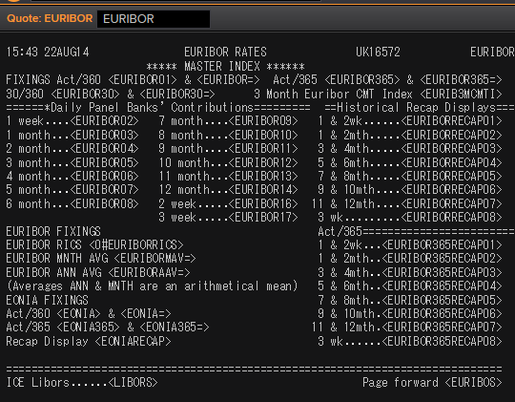
 | 6M | IBOR | EURIBOR6MD= |  |  | -0.306 | 1 | 1 | 1 | 1 | MID | EUR | 0 | 1990-06-05 | 8.6
 | 1Y | IBOR | EURIBOR1YD= |  |  | -0.189 | 1 | 1 | 1 | 1 | MID | EUR | 0 | 1990-08-23 | 8.013
 | 4M | FRA | EUR1X4F= | -0.369 | -0.349 | -0.359 | 1 | 1 | 1 | 1 | MID | EUR | 3M | 1995-01-06 | 6.44 | 1X4 | #VALUE!
 | 5M | FRA | EUR2X5F= | -0.365 | -0.345 | -0.355 | 1 | 1 | 1 | 1 | MID | EUR | 3M | 1995-01-06 | 6.62 | 2X5 | #VALUE!
 | 6M | FRA | EUR3X6F= | -0.36 | -0.34 | -0.35 | 1 | 1 | 1 | 1 | MID | EUR | 3M | 1995-01-06 | 6.78 | 3X6 | #VALUE!
 | 7M | FRA | EUR4X7F= | -0.368 | -0.348 | -0.358 | 1 | 1 | 1 | 1 | MID | EUR | 3M | 1995-01-06 | 6.92 | 4X7 | #VALUE!
 | 8M | FRA | EUR5X8F= | -0.372 | -0.352 | -0.362 | 1 | 1 | 1 | 1 | MID | EUR | 3M | 1995-01-06 | 7.08 | 5X8 | #VALUE!
 | 9M | FRA | EUR6X9F= | -0.375 | -0.355 | -0.365 | 1 | 1 | 1 | 1 | MID | EUR | 3M | 1995-01-06 | 7.21 | 6X9 | #VALUE!
 | 10M | FRA | EUR7X10F= | -0.37 | -0.35 | -0.36 | 1 | 1 | 1 | 1 | MID | EUR | 3M | 1995-01-06 | 6.89 | 7X10 | #VALUE!
 | 11M | FRA | EUR8X11F= | -0.37 | -0.35 | -0.36 | 1 | 1 | 1 | 1 | MID | EUR | 3M | 1995-01-06 | 7.03 | 8X11 | #VALUE!
 | 1Y | FRA | EUR9X12F= | -0.36 | -0.34 | -0.35 | 1 | 1 | 1 | 1 | MID | EUR | 3M | 1995-01-06 | 7.65 | 9X12 | #VALUE!
 | 1.25Y | FRA | EUR12X15F= | -0.36 | -0.34 | -0.35 | 1 | 1 | 1 | 1 | MID | EUR | 3M | 1999-01-05 | 2.98 | 12X15 | #VALUE!
 | 1.5Y | FRA | EUR15X18F= | -0.35 | -0.3 | -0.325 | 1 | 1 | 1 | 1 | MID | EUR | 3M | 2014-09-30 | 0.687 | 15X18 | #VALUE!
 | 1.75Y | FRA | EUR18X21F= | -0.32 | -0.27 | -0.295 | 1 | 1 | 1 | 1 | MID | EUR | 3M | 2014-09-30 | 0.412 | 18X21 | #VALUE!
 | 2Y | FRA | EUR21X24F= | -0.3 | -0.25 | -0.275 | 1 | 1 | 1 | 1 | MID | EUR | 3M | 2014-09-30 | 0.832 | 21X24 | #VALUE!
 | 7M | FRA | EUR1X7F= | -0.299 | -0.279 | -0.289 | 1 | 1 | 1 | 1 | MID | EUR | 6M | 1995-01-06 | 6.82 | 1X7 | #VALUE!
 | 8M | FRA | EUR2X8F= | -0.298 | -0.278 | -0.288 | 1 | 1 | 1 | 1 | MID | EUR | 6M | 1995-01-06 | 6.93 | 2X8 | #VALUE!
 | 14M | FRA | EUR2X14F= | -0.187 | -0.177 | -0.182 | 1 | 1 | 1 | 1 | MID | EUR | 12M | 1999-01-05 | 3.19 | 2X14 | #VALUE!
 | 9M | FRA | EUR3X9F= | -0.298 | -0.278 | -0.288 | 1 | 1 | 1 | 1 | MID | EUR | 6M | 1995-01-06 | 7.06 | 3X9 | #VALUE!
 | 1.25Y | FRA | EUR3X15F= | -0.19 | -0.18 | -0.185 | 1 | 1 | 1 | 1 | MID | EUR | 12M | 1999-01-05 | 3.12 | 3X15 | #VALUE!
 | 10M | FRA | EUR4X10F= | -0.298 | -0.278 | -0.288 | 1 | 1 | 1 | 1 | MID | EUR | 6M | 1995-01-06 | 7.2 | 4X10 | #VALUE!
 | 11M | FRA | EUR5X11F= | -0.3 | -0.28 | -0.29 | 1 | 1 | 1 | 1 | MID | EUR | 6M | 1995-01-06 | 7.36 | 5X11 | #VALUE!
 | 1Y | FRA | EUR6X12F= | -0.3 | -0.28 | -0.29 | 1 | 1 | 1 | 1 | MID | EUR | 6M | 1995-01-06 | 7.52 | 6X12 | #VALUE!
 | 1.25Y | FRA | EUR9X15F= | -0.29 | -0.27 | -0.28 | 1 | 1 | 1 | 1 | MID | EUR | 6M | 1999-01-05 | 3.11 | 9X15 | #VALUE!
 | 1.5Y | FRA | EUR12X18F= | -0.27 | -0.25 | -0.26 | 1 | 1 | 1 | 1 | MID | EUR | 6M | 1995-01-06 | 8.27 | 12X18 | #VALUE!
 | 2Y | FRA | EUR18X24F= | -0.224 | -0.204 | -0.214 | 1 | 1 | 1 | 1 | MID | EUR | 6M | 1995-01-06 | 8.31 | 18X24 | #VALUE!
 | 1.5Y | FRA | EUR6X18F= | -0.2 | -0.18 | -0.19 | 1 | 1 | 1 | 1 | MID | EUR | 12M | 1995-01-06 | 8.03 | 6X18 | #VALUE!
 | 2Y | FRA | EUR12X24F= | -0.165 | -0.155 | -0.16 | 1 | 1 | 1 | 1 | MID | EUR | 12M | 1995-01-06 | 8.56 | 12X24 | #VALUE!
 | 1Y | IRS | EURAB6E1Y= | -0.3043 | -0.2775 | -0.2909 | 1 | 1 | 1 | 1 | MID | EUR | 6M | 1998-11-30 | 3.58
 | 18M | IRS | EURAB6E18M= | -0.2992 | -0.2688 | -0.284 | 1 | 1 | 1 | 1 | MID | EUR | 6M | 1999-02-10 | 3.04
 | 2Y | IRS | EURAB6E2Y= | -0.274 | -0.269 | -0.2715 | 1 | 1 | 1 | 1 | MID | EUR | 6M | 1990-01-02 | 8.46
 | 3Y | IRS | EURAB6E3Y= | -0.2456 | -0.2256 | -0.2356 | 1 | 1 | 1 | 1 | MID | EUR | 6M | 1990-01-02 | 8.35
 | 4Y | IRS | EURAB6E4Y= | -0.1838 | -0.1738 | -0.1788 | 1 | 1 | 1 | 1 | MID | EUR | 6M | 1990-01-02 | 8.28
 | 5Y | IRS | EURAB6E5Y= | -0.123 | -0.117 | -0.12 | 1 | 1 | 1 | 1 | MID | EUR | 6M | 1990-01-02 | 8.28
 | 6Y | IRS | EURAB6E6Y= | -0.068 | -0.063 | -0.0655 | 1 | 1 | 1 | 1 | MID | EUR | 6M | 1994-08-15 | 7.18
 | 7Y | IRS | EURAB6E7Y= | -0.0176 | -0.0076 | -0.0126 | 1 | 1 | 1 | 1 | MID | EUR | 6M | 1990-01-02 | 8.17
 | 8Y | IRS | EURAB6E8Y= | 0.035 | 0.055 | 0.045 | 1 | 1 | 1 | 1 | MID | EUR | 6M | 1994-08-15 | 7.45
 | 9Y | IRS | EURAB6E9Y= | 0.077 | 0.097 | 0.087 | 1 | 1 | 1 | 1 | MID | EUR | 6M | 1994-08-15 | 7.5
 | 10Y | IRS | EURAB6E10Y= | 0.1248 | 0.1298 | 0.1273 | 1 | 1 | 1 | 1 | MID | EUR | 6M | 1990-01-02 | 8.15
 | 11Y | IRS | EURAB6E11Y= | 0.1543 | 0.1743 | 0.1643 | 1 | 1 | 1 | 1 | MID | EUR | 6M | 1999-01-04 | 4.23
 | 12Y | IRS | EURAB6E12Y= | 0.1968 | 0.2028 | 0.1998 | 1 | 1 | 1 | 1 | MID | EUR | 6M | 1998-11-26 | 4.61
 | 13Y | IRS | EURAB6E13Y= | 0.221 | 0.241 | 0.231 | 1 | 1 | 1 | 1 | MID | EUR | 6M | 2001-07-11 | 5.6575
 | 14Y | IRS | EURAB6E14Y= | 0.2487 | 0.2687 | 0.2587 | 1 | 1 | 1 | 1 | MID | EUR | 6M | 2001-07-11 | 5.71
 | 15Y | IRS | EURAB6E15Y= | 0.2794 | 0.2854 | 0.2824 | 1 | 1 | 1 | 1 | MID | EUR | 6M | 1996-10-16 | 6.61
 | 16Y | IRS | EURAB6E16Y= | 0.2906 | 0.3106 | 0.3006 | 1 | 1 | 1 | 1 | MID | EUR | 6M | 2001-07-11 | 5.79
 | 17Y | IRS | EURAB6E17Y= | 0.3047 | 0.3247 | 0.3147 | 1 | 1 | 1 | 1 | MID | EUR | 6M | 2001-08-17 | 5.545
 | 18Y | IRS | EURAB6E18Y= | 0.3146 | 0.3346 | 0.3246 | 1 | 1 | 1 | 1 | MID | EUR | 6M | 2001-07-11 | 5.85
 | 19Y | IRS | EURAB6E19Y= | 0.3206 | 0.3406 | 0.3306 | 1 | 1 | 1 | 1 | MID | EUR | 6M | 2001-07-11 | 5.865
 | 20Y | IRS | EURAB6E20Y= | 0.3299 | 0.3369 | 0.3334 | 1 | 1 | 1 | 1 | MID | EUR | 6M | 1998-08-13 | 5
 | 21Y | IRS | EURAB6E21Y= | 0.3 | 0.321 | 0.3105 | 1 | 1 | 1 | 1 | MID | EUR | 6M | 2001-07-11 | 5.8925
 | 22Y | IRS | EURAB6E22Y= | 0.3 | 0.321 | 0.3105 | 1 | 1 | 1 | 1 | MID | EUR | 6M | 2001-07-11 | 5.9025
 | 23Y | IRS | EURAB6E23Y= | 0.3 | 0.321 | 0.3105 | 1 | 1 | 1 | 1 | MID | EUR | 6M | 2001-07-11 | 5.9125
 | 24Y | IRS | EURAB6E24Y= | 0.3 | 0.321 | 0.3105 | 1 | 1 | 1 | 1 | MID | EUR | 6M | 2002-01-24 | 5.4025
 | 25Y | IRS | EURAB6E25Y= | 0.292 | 0.302 | 0.297 | 1 | 1 | 1 | 1 | MID | EUR | 6M | 1998-11-26 | 5.1
 | 26Y | IRS | EURAB6E26Y= | 0.278 | 0.308 | 0.293 | 1 | 1 | 1 | 1 | MID | EUR | 6M | 2001-07-11 | 5.9325
 | 27Y | IRS | EURAB6E27Y= | 0.268 | 0.298 | 0.283 | 1 | 1 | 1 | 1 | MID | EUR | 6M | 2001-07-11 | 5.9325
 | 28Y | IRS | EURAB6E28Y= | 0.258 | 0.288 | 0.273 | 1 | 1 | 1 | 1 | MID | EUR | 6M | 2001-07-11 | 5.9325
 | 29Y | IRS | EURAB6E29Y= | 0.247 | 0.277 | 0.262 | 1 | 1 | 1 | 1 | MID | EUR | 6M | 2001-07-11 | 5.9325
 | 30Y | IRS | EURAB6E30Y= | 0.2421 | 0.2521 | 0.2471 | 1 | 1 | 1 | 1 | MID | EUR | 6M | 1998-08-13 | 5
 | 40Y | IRS | EURAB6E40Y= | 0.1631 | 0.1731 | 0.1681 | 1 | 1 | 1 | 1 | MID | EUR | 6M | 2003-07-23 | 4.8775
 | 50Y | IRS | EURAB6E50Y= | 0.0902 | 0.1002 | 0.0952 | 1 | 1 | 1 | 1 | MID | EUR | 6M | 2003-07-23 | 4.88
 | 2M | IRS | EURAM1E2M= | -0.463 | -0.442 | -0.4525 | 1 | 1 | 1 | 1 | MID | EUR | 1M | 2014-10-06 | -0.003
 | 3M | IRS | EURAM1E3M= | -0.462 | -0.441 | -0.4515 | 1 | 1 | 1 | 1 | MID | EUR | 1M | 2004-01-21 | 2.04
 | 4M | IRS | EURAM1E4M= | -0.462 | -0.441 | -0.4515 | 1 | 1 | 1 | 1 | MID | EUR | 1M | 2014-10-06 | -0.001
 | 5M | IRS | EURAM1E5M= | -0.463 | -0.442 | -0.4525 | 1 | 1 | 1 | 1 | MID | EUR | 1M | 2014-10-06 | 0.001
 | 6M | IRS | EURAM1E6M= | -0.463 | -0.442 | -0.4525 | 1 | 1 | 1 | 1 | MID | EUR | 1M | 2004-01-21 | 2.038
 | 7M | IRS | EURAM1E7M= | -0.462 | -0.441 | -0.4515 | 1 | 1 | 1 | 1 | MID | EUR | 1M | 2014-10-06 | -0.013
 | 8M | IRS | EURAM1E8M= | -0.462 | -0.441 | -0.4515 | 1 | 1 | 1 | 1 | MID | EUR | 1M | 2014-10-06 | -0.016
 | 9M | IRS | EURAM1E9M= | -0.461 | -0.44 | -0.4505 | 1 | 1 | 1 | 1 | MID | EUR | 1M | 2004-02-24 | 2.04
 | 1Y | IRS | EURAM1E1Y= | -0.457 | -0.436 | -0.4465 | 1 | 1 | 1 | 1 | MID | EUR | 1M | 2004-02-24 | 2.09
 | 9M | IRS | EURAB3E9M= | -0.392 | -0.372 | -0.382 | 1 | 1 | 1 | 1 | MID | EUR | 3M | 2008-01-03 | 4.51
 | 1Y | IRS | EURAB3E1Y= | -0.3797 | -0.3494 | -0.36455 | 1 | 1 | 1 | 1 | MID | EUR | 3M | 1998-11-26 | 3.47
 | 18M | IRS | EURAB3E18M= | -0.3744 | -0.3419 | -0.35815 | 1 | 1 | 1 | 1 | MID | EUR | 3M | 1999-04-21 | 2.75
 | 2Y | IRS | EURAB3E2Y= | -0.349 | -0.344 | -0.3465 | 1 | 1 | 1 | 1 | MID | EUR | 3M | 1998-12-01 | 3.39
 | 3Y | IRS | EURAB3E3Y= | -0.307 | -0.302 | -0.3045 | 1 | 1 | 1 | 1 | MID | EUR | 3M | 1998-12-01 | 3.46
 | 4Y | IRS | EURAB3E4Y= | -0.2514 | -0.2314 | -0.2414 | 1 | 1 | 1 | 1 | MID | EUR | 3M | 1998-12-01 | 3.55
 | 5Y | IRS | EURAB3E5Y= | -0.1983 | -0.1883 | -0.1933 | 1 | 1 | 1 | 1 | MID | EUR | 3M | 1998-12-01 | 3.75
 | 6Y | IRS | EURAB3E6Y= | -0.1409 | -0.1309 | -0.1359 | 1 | 1 | 1 | 1 | MID | EUR | 3M | 1998-12-01 | 3.88
 | 7Y | IRS | EURAB3E7Y= | -0.0845 | -0.0745 | -0.0795 | 1 | 1 | 1 | 1 | MID | EUR | 3M | 1998-12-01 | 3.99
 | 8Y | IRS | EURAB3E8Y= | -0.0333 | -0.0233 | -0.0283 | 1 | 1 | 1 | 1 | MID | EUR | 3M | 1998-12-01 | 4.1
 | 9Y | IRS | EURAB3E9Y= | 0.0131 | 0.0231 | 0.0181 | 1 | 1 | 1 | 1 | MID | EUR | 3M | 1998-12-01 | 4.15
 | 10Y | IRS | EURAB3E10Y= | 0.0595 | 0.0695 | 0.0645 | 1 | 1 | 1 | 1 | MID | EUR | 3M | 1999-01-07 | 4.06
 | 11Y | IRS | EURAB3E11Y= | 0.1048 | 0.1248 | 0.1148 | 1 | 1 | 1 | 1 | MID | EUR | 3M | 2001-08-17 | 5.245
 | 12Y | IRS | EURAB3E12Y= | 0.1406 | 0.1506 | 0.1456 | 1 | 1 | 1 | 1 | MID | EUR | 3M | 2001-08-17 | 5.3125
 | 13Y | IRS | EURAB3E13Y= | 0.179 | 0.199 | 0.189 | 1 | 1 | 1 | 1 | MID | EUR | 3M | 2001-08-17 | 5.375
 | 14Y | IRS | EURAB3E14Y= | 0.2101 | 0.2301 | 0.2201 | 1 | 1 | 1 | 1 | MID | EUR | 3M | 2001-08-17 | 5.4275
 | 15Y | IRS | EURAB3E15Y= | 0.2326 | 0.2426 | 0.2376 | 1 | 1 | 1 | 1 | MID | EUR | 3M | 2001-08-17 | 5.4725
 | 16Y | IRS | EURAB3E16Y= | 0.2575 | 0.2775 | 0.2675 | 1 | 1 | 1 | 1 | MID | EUR | 3M | 2001-08-17 | 5.51
 | 17Y | IRS | EURAB3E17Y= | 0.2738 | 0.2938 | 0.2838 | 1 | 1 | 1 | 1 | MID | EUR | 3M | 2001-08-17 | 5.5425
 | 18Y | IRS | EURAB3E18Y= | 0.2858 | 0.3058 | 0.2958 | 1 | 1 | 1 | 1 | MID | EUR | 3M | 2001-08-17 | 5.57
 | 19Y | IRS | EURAB3E19Y= | 0.2937 | 0.3137 | 0.3037 | 1 | 1 | 1 | 1 | MID | EUR | 3M | 2001-08-17 | 5.5925
 | 20Y | IRS | EURAB3E20Y= | 0.2941 | 0.3041 | 0.2991 | 1 | 1 | 1 | 1 | MID | EUR | 3M | 2001-08-17 | 5.6125
 | 25Y | IRS | EURAB3E25Y= | 0.2747 | 0.2847 | 0.2797 | 1 | 1 | 1 | 1 | MID | EUR | 3M | 2001-08-17 | 5.665
 | 30Y | IRS | EURAB3E30Y= | 0.2297 | 0.2397 | 0.2347 | 1 | 1 | 1 | 1 | MID | EUR | 3M | 2001-08-17 | 5.6675
 | 40Y | IRS | EURAB3E40Y= | 0.1567 | 0.1667 | 0.1617 | 1 | 1 | 1 | 1 | MID | EUR | 3M | 2011-02-25 | 3.42
 | 50Y | IRS | EURAB3E50Y= | 0.0887 | 0.0987 | 0.0937 | 1 | 1 | 1 | 1 | MID | EUR | 3M | 2011-02-28 | 3.38

 |  |  | EURIBORSWD=
 |  |  | EURIBOR1MD=
 |  |  | EURIBOR3MD=
 |  |  | EURIBOR6MD=
 |  |  | EURIBOR1YD=
 |  |  | EURIBOR1MD=

EURIBOR02 | 1W | IBOR | EURIBORSWD= |  |  | -0.506 | 1 | 1 | 1 | 1 | MID | EUR |  | 1998-12-30 | 3.251
EURIBOR16 | 2W | IBOR | EURIBOR2WD= |  |  | #N/A The record could not be found | 1 | 1 | 1 | 1 | MID | EUR |  | Invalid RIC(s): EURIBOR2WD= | 142.005
EURIBOR17 | 3W | IBOR | EURIBOR3WD= |  |  | #N/A | 1 | 1 | 1 | 1 | MID | EUR |  | Invalid RIC(s): EURIBOR3WD= | 143.005
EURIBOR03 | 1M | IBOR | EURIBOR1MD= |  |  | #N/A The record could not be found | 1 | 1 | 1 | 1 | MID | EUR |  | 1995-03-01 | 5.0007
EURIBOR04 | 2M | IBOR | EURIBOR2MD= |  |  | #N/A The record could not be found | 1 | 1 | 1 | 1 | MID | EUR |  | Invalid RIC(s): EURIBOR2MD= | 145.005
EURIBOR05 | 3M | IBOR | EURIBOR3MD= |  |  | #N/A The record could not be found | 1 | 1 | 1 | 1 | MID | EUR |  | 1995-03-01 | 5.10167
EURIBOR06 | 4M | IBOR | EURIBOR4MD= |  |  | #N/A The record could not be found | 1 | 1 | 1 | 1 | MID | EUR |  | Invalid RIC(s): EURIBOR4MD= | 147.005
EURIBOR07 | 5M | IBOR | EURIBOR5MD= |  |  | #N/A The record could not be found | 1 | 1 | 1 | 1 | MID | EUR |  | Invalid RIC(s): EURIBOR5MD= | 148.005
EURIBOR08 | 6M | IBOR | EURIBOR6MD= |  |  | #N/A The record could not be found | 1 | 1 | 1 | 1 | MID | EUR |  | 1995-03-01 | 5.2958
EURIBOR09 | 7M | IBOR | EURIBOR7MD= |  |  | #N/A The record could not be found | 1 | 1 | 1 | 1 | MID | EUR |  | Invalid RIC(s): EURIBOR7MD= | 150.005
EURIBOR10 | 8M | IBOR | EURIBOR8MD= |  |  | #N/A The record could not be found | 1 | 1 | 1 | 1 | MID | EUR |  | Invalid RIC(s): EURIBOR8MD= | 151.005
EURIBOR11 | 9M | IBOR | EURIBOR9MD= |  |  | #N/A The record could not be found | 1 | 1 | 1 | 1 | MID | EUR |  | Invalid RIC(s): EURIBOR9MD= | 152.005
EURIBOR12 | 10M | IBOR | EURIBOR10MD= |  |  | #N/A The record could not be found | 1 | 1 | 1 | 1 | MID | EUR |  | Invalid RIC(s): EURIBOR10MD= | 153.005
EURIBOR13 | 11M | IBOR | EURIBOR11MD= |  |  | #N/A The record could not be found | 1 | 1 | 1 | 1 | MID | EUR |  | Invalid RIC(s): EURIBOR11MD= | 154.005
EURIBOR14 | 12M | IBOR | EURIBOR12MD= |  |  | #N/A The record could not be found | 1 | 1 | 1 | 1 | MID | EUR |  | Invalid RIC(s): EURIBOR12MD= | 155.005

DKK
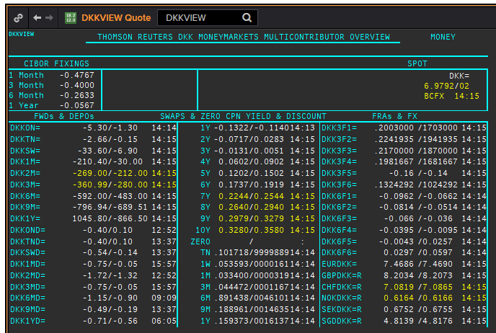
DKK
. |  |  |  |  |  |  |  |  |  |  |  |  | 01-Jan-1990
Maturity | Type | RIC | Bid yield (%) | Ask yield (%) | Mid Yield (%) | Ee | Eb | Fe | Fb | Bid/ask | Currency | Tenor | History Start | Close | Helper | Fwd Start Date
1M | OIS | DKKAMTNC1M= | -0.484 | -0.344 | -0.414 | 1 | 1 | 1 | 1 | MID | DKK | 0 | 2003-01-06 | 2.96
2M | OIS | DKKAMTNC2M= | -0.4198 | -0.3798 | -0.3998 | 1 | 1 | 1 | 1 | MID | DKK | 0 | 2003-01-06 | 2.95
3M | OIS | DKKAMTNC3M= | -0.442 | -0.412 | -0.427 | 1 | 1 | 1 | 1 | MID | DKK | 0 | 2003-01-06 | 2.94
6M | OIS | DKKAMTNC6M= | -0.437 | -0.407 | -0.422 | 1 | 1 | 1 | 1 | MID | DKK | 0 | 2003-01-06 | 2.87
9M | OIS | DKKAMTNC9M= | -0.43 | -0.4 | -0.415 | 1 | 1 | 1 | 1 | MID | DKK | 0 | 2003-01-06 | 2.87
1Y | OIS | DKKAMTNC1Y= | -0.423 | -0.393 | -0.408 | 1 | 1 | 1 | 1 | MID | DKK | 0 | 2003-01-06 | 2.87
2Y | OIS | DKKAMTNC2Y= | -0.392 | -0.352 | -0.372 | 1 | 1 | 1 | 1 | MID | DKK | 0 | 2013-04-10 | 0.1182
3Y | OIS | DKKAMTNC3Y= | -0.3538 | -0.3138 | -0.3338 | 1 | 1 | 1 | 1 | MID | DKK | 0 | 2013-04-10 | 0.2318
4Y | OIS | DKKAMTNC4Y= | -0.3057 | -0.2657 | -0.2857 | 1 | 1 | 1 | 1 | MID | DKK | 0 | 2013-04-10 | 0.3834
5Y | OIS | DKKAMTNC5Y= | -0.2619 | -0.2019 | -0.2319 | 1 | 1 | 1 | 1 | MID | DKK | 0 | 2013-04-10 | 0.5611
SW | IBOR | CIDKKSWD= |  |  | -0.3533 | 1 | 1 | 1 | 1 | MID | DKK | 0 | 2005-04-01 | 2.1783
2W | IBOR | CIDKK2WD= |  |  | -0.3267 | 1 | 1 | 1 | 1 | MID | DKK | 0 | 2005-04-01 | 2.1783
1M | IBOR | CIDKK1MD= |  |  | -0.2833 | 1 | 1 | 1 | 1 | MID | DKK | 0 | 1993-07-16 | 14.0833
2M | IBOR | CIDKK2MD= |  |  | -0.2333 | 1 | 1 | 1 | 1 | MID | DKK | 0 | 1993-07-16 | 11.7083
3M | IBOR | CIDKK3MD= |  |  | -0.19 | 1 | 1 | 1 | 1 | MID | DKK | 0 | 1993-07-16 | 10.6417
6M | IBOR | CIDKK6MD= |  |  | -0.05 | 1 | 1 | 1 | 1 | MID | DKK | 0 | 1993-07-16 | 9.2583
9M | IBOR | CIDKK9MD= |  |  | 0.0567 | 1 | 1 | 1 | 1 | MID | DKK | 0 | 1995-10-08 | 5.816
1Y | IBOR | CIDKK1YD= |  |  | 0.1667 | 1 | 1 | 1 | 1 | MID | DKK | 0 | 1995-10-16 | 5.848
6M | FRA | DKK3F1= | -0.18 | -0.16 | -0.17 | 1 | 1 | 1 | 1 | MID | DKK | 3M | 1999-06-11 | 3.11 | 150620 | 2020-09-15
9M | FRA | DKK3F2= | -0.17 | -0.15 | -0.16 | 1 | 1 | 1 | 1 | MID | DKK | 3M | 1999-06-11 | 3.21 | 140920 | 2020-12-14
1Y | FRA | DKK3F3= | -0.16 | -0.14 | -0.15 | 1 | 1 | 1 | 1 | MID | DKK | 3M | 1999-06-11 | 3.47 | 141220 | 2021-03-14
1.25Y | FRA | DKK3F4= | -0.14 | -0.12 | -0.13 | 1 | 1 | 1 | 1 | MID | DKK | 3M | 1999-06-11 | 3.48 | 150321 | 2021-06-15
1.5Y | FRA | DKK3F5= | -0.12 | -0.1 | -0.11 | 1 | 1 | 1 | 1 | MID | DKK | 3M | 1999-07-15 | 4.17 | 140621 | 2021-09-14
1.75Y | FRA | DKK3F6= | -0.11 | -0.05 | -0.08 | 1 | 1 | 1 | 1 | MID | DKK | 3M | 1999-07-15 | 4.43 | 130921 | 2021-12-13
2Y | FRA | DKK3F7= | -0.085 | -0.025 | -0.055 | 1 | 1 | 1 | 1 | MID | DKK | 3M | 2004-10-20 | 3.02 | 131221 | 2022-03-13
2.25Y | FRA | DKK3F8= | -0.065 | -0.005 | -0.035 | 1 | 1 | 1 | 1 | MID | DKK | 3M | 2004-10-20 | 3.16 | 140322 | 2022-06-14
2.5Y | FRA | DKK3F9= | -0.0539 | -0.0239 | -0.0389 | 1 | 1 | 1 | 1 | MID | DKK | 3M | 2004-10-20 | 3.31 | 130622 | 2022-09-13
2.75Y | FRA | DKK3F10= | -0.013 | 0.047 | 0.017 | 1 | 1 | 1 | 1 | MID | DKK | 3M | 2004-10-20 | 3.42 | 190922 | 2022-12-19
9M | FRA | DKK6F1= | -0.0337 | -0.0037 | -0.0187 | 1 | 1 | 1 | 1 | MID | DKK | 6M | 1999-06-11 | 3.32 | 150620 | 2020-12-15
1Y | FRA | DKK6F2= | -0.0266 | 0.0034 | -0.0116 | 1 | 1 | 1 | 1 | MID | DKK | 6M | 1999-06-11 | 3.49 | 140920 | 2021-03-14
1.25Y | FRA | DKK6F3= | -0.0201 | 0.0099 | -0.0051 | 1 | 1 | 1 | 1 | MID | DKK | 6M | 1999-06-11 | 3.6 | 141220 | 2021-06-14
1.5Y | FRA | DKK6F4= | -0.0082 | 0.0218 | 0.0068 | 1 | 1 | 1 | 1 | MID | DKK | 6M | 1999-06-11 | 3.75 | 150321 | 2021-09-15
1.75Y | FRA | DKK6F5= | 0.015 | 0.045 | 0.03 | 1 | 1 | 1 | 1 | MID | DKK | 6M | 1999-07-15 | 4.33 | 140621 | 2021-12-14
2Y | FRA | DKK6F6= | 0.0395 | 0.0695 | 0.0545 | 1 | 1 | 1 | 1 | MID | DKK | 6M | 1999-07-15 | 4.55 | 130921 | 2022-03-13
1Y | IRS | DKKAB6C1Y= | -0.0333 | -0.0033 | -0.0183 | 1 | 1 | 1 | 1 | MID | DKK | 6M | 1997-08-13 | 4.14
2Y | IRS | DKKAB6C2Y= | -0.0089 | 0.0211 | 0.0061 | 1 | 1 | 1 | 1 | MID | DKK | 6M | 1993-02-01 | 9.45
3Y | IRS | DKKAB6C3Y= | 0.0332 | 0.0632 | 0.0482 | 1 | 1 | 1 | 1 | MID | DKK | 6M | 1993-02-01 | 9.3
4Y | IRS | DKKAB6C4Y= | 0.0879 | 0.1179 | 0.1029 | 1 | 1 | 1 | 1 | MID | DKK | 6M | 1993-02-01 | 8.95
5Y | IRS | DKKAB6C5Y= | 0.142 | 0.172 | 0.157 | 1 | 1 | 1 | 1 | MID | DKK | 6M | 1993-02-01 | 8.8
6Y | IRS | DKKAB6C6Y= | 0.1939 | 0.2239 | 0.2089 | 1 | 1 | 1 | 1 | MID | DKK | 6M | 1995-05-18 | 8.06
7Y | IRS | DKKAB6C7Y= | 0.2448 | 0.2748 | 0.2598 | 1 | 1 | 1 | 1 | MID | DKK | 6M | 1993-02-01 | 8.65
8Y | IRS | DKKAB6C8Y= | 0.289 | 0.319 | 0.304 | 1 | 1 | 1 | 1 | MID | DKK | 6M | 1996-02-07 | 7.1
9Y | IRS | DKKAB6C9Y= | 0.33 | 0.36 | 0.345 | 1 | 1 | 1 | 1 | MID | DKK | 6M | 1996-02-07 | 7.27
10Y | IRS | DKKAB6C10Y= | 0.3634 | 0.3934 | 0.3784 | 1 | 1 | 1 | 1 | MID | DKK | 6M | 1993-02-01 | 8.55
12Y | IRS | DKKAB6C12Y= | 0.4019 | 0.4419 | 0.4219 | 1 | 1 | 1 | 1 | MID | DKK | 6M | 2008-09-12 | 4.917
15Y | IRS | DKKAB6C15Y= | 0.4662 | 0.5062 | 0.4862 | 1 | 1 | 1 | 1 | MID | DKK | 6M | 2008-04-04 | 4.73
20Y | IRS | DKKAB6C20Y= | 0.486 | 0.526 | 0.506 | 1 | 1 | 1 | 1 | MID | DKK | 6M | 2009-12-17 | 3.945
25Y | IRS | DKKAB6C25Y= | 0.431 | 0.471 | 0.451 | 1 | 1 | 1 | 1 | MID | DKK | 6M | 2009-12-17 | 4.066
30Y | IRS | DKKAB6C30Y= | 0.3574 | 0.3974 | 0.3774 | 1 | 1 | 1 | 1 | MID | DKK | 6M | 2009-12-17 | 3.973

GBP
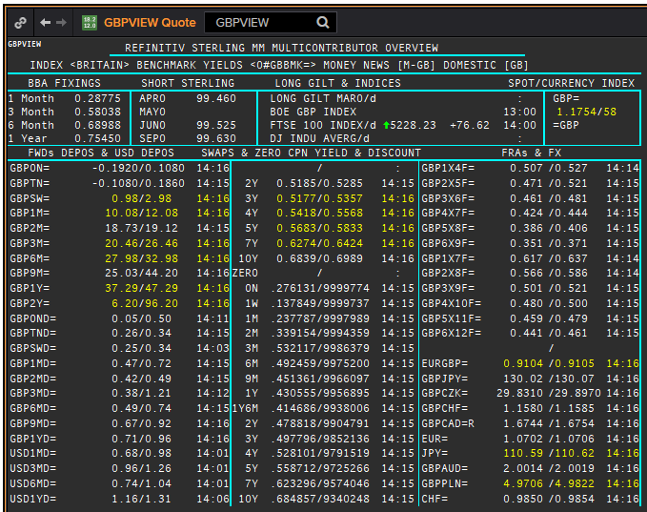
 | GBP
 | . |  |  |  |  |  |  |  |  |  |  |  |  | 01-Jan-1990
 | Maturity | Type | RIC | Bid yield (%) | Ask yield (%) | Mid Yield (%) | Ee | Eb | Fe | Fb | Bid/ask | Currency | Tenor | History Start | Close | Helper | Fwd Start Date
Excl. CDIO | SW | OIS | GBPSWOIS= | 0.064 | 0.084 | 0.074 | 1 | 1 | 1 | 1 | MID | GBP | 0 | 2007-08-28 | 5.818
Excl. CDIO | 2W | OIS | GBP2WOIS= | 0.0639 | 0.0839 | 0.0739 | 1 | 1 | 1 | 1 | MID | GBP | 0 | 2013-01-28 | 0.396
 | 1M | OIS | GBP1MOIS= | 0.064 | 0.084 | 0.074 | 1 | 1 | 1 | 1 | MID | GBP | 0 | 2007-08-28 | 5.849
 | 2M | OIS | GBP2MOIS= | 0.0654 | 0.0854 | 0.0754 | 1 | 1 | 1 | 1 | MID | GBP | 0 | 2007-08-23 | 5.875
 | 3M | OIS | GBP3MOIS= | 0.0668 | 0.0868 | 0.0768 | 1 | 1 | 1 | 1 | MID | GBP | 0 | 2004-01-19 | 3.91
 | 4M | OIS | GBP4MOIS= | 0.0682 | 0.0882 | 0.0782 | 1 | 1 | 1 | 1 | MID | GBP | 0 | 2007-08-23 | 5.893
 | 5M | OIS | GBP5MOIS= | 0.0703 | 0.0903 | 0.0803 | 1 | 1 | 1 | 1 | MID | GBP | 0 | 2007-08-28 | 5.888
 | 6M | OIS | GBP6MOIS= | 0.0727 | 0.0927 | 0.0827 | 1 | 1 | 1 | 1 | MID | GBP | 0 | 2007-08-28 | 5.9
 | 7M | OIS | GBP7MOIS= | 0.0749 | 0.0949 | 0.0849 | 1 | 1 | 1 | 1 | MID | GBP | 0 | 2007-08-28 | 5.913
 | 8M | OIS | GBP8MOIS= | 0.0773 | 0.0973 | 0.0873 | 1 | 1 | 1 | 1 | MID | GBP | 0 | 2007-08-23 | 6.045
 | 9M | OIS | GBP9MOIS= | 0.0803 | 0.1003 | 0.0903 | 1 | 1 | 1 | 1 | MID | GBP | 0 | 2007-08-28 | 5.938
 | 10M | OIS | GBP10MOIS= | 0.0829 | 0.1029 | 0.0929 | 1 | 1 | 1 | 1 | MID | GBP | 0 | 2007-08-28 | 5.949
 | 11M | OIS | GBP11MOIS= | 0.0859 | 0.1059 | 0.0959 | 1 | 1 | 1 | 1 | MID | GBP | 0 | 2007-08-28 | 5.956
 | 1Y | OIS | GBP1YOIS= | 0.0885 | 0.1085 | 0.0985 | 1 | 1 | 1 | 1 | MID | GBP | 0 | 2007-08-28 | 5.964
 | 18M | OIS | GBP18MOIS= | 0.1181 | 0.1331 | 0.1256 | 1 | 1 | 1 | 1 | MID | GBP | 0 | 2017-10-17 | 0.607
 | 2Y | OIS | GBP2YOIS= | 0.1388 | 0.1538 | 0.1463 | 1 | 1 | 1 | 1 | MID | GBP | 0 | 2007-08-28 | 6.133
 | 3Y | OIS | GBP3YOIS= | 0.169 | 0.189 | 0.179 | 1 | 1 | 1 | 1 | MID | GBP | 0 | 2015-01-08 | 0.7708
 | ON | IBOR | GBPONFSR= |  |  | 0.063 | 1 | 1 | 1 | 1 | MID | GBP | 0 | 2001-01-02 | 5.81094
Excl. CDIO | SW | IBOR | GBPSWFSR= |  |  | 0.1225 | 1 | 1 | 1 | 1 | MID | GBP | 0 | 1997-12-02 | 7.30469
Excl. CDIO | 1M | IBOR | GBP1MFSR= |  |  | 0.2475 | 1 | 1 | 1 | 1 | MID | GBP | 0 | 1992-09-16 | 12.5
Excl. CDIO | 2M | IBOR | GBP2MFSR= |  |  | 0.41888 | 1 | 1 | 1 | 1 | MID | GBP | 0 | 1990-01-02 | 15.125
 | 3M | IBOR | GBP3MFSR= |  |  | 0.55288 | 1 | 1 | 1 | 1 | MID | GBP | 0 | 1990-01-02 | 15.125
Excl. CDIO | 6M | IBOR | GBP6MFSR= |  |  | 0.69 | 1 | 1 | 1 | 1 | MID | GBP | 0 | 1990-01-02 | 15
Excl. CDIO | 1Y | IBOR | GBP1YFSR= |  |  | 0.81013 | 1 | 1 | 1 | 1 | MID | GBP | 0 | 1990-01-02 | 14.625
 | 4M | FRA | GBP1X4F= | 0.497 | 0.517 | 0.507 | 1 | 1 | 1 | 1 | MID | GBP | 3M | 1995-01-06 | 6.93 | 1X4 | #VALUE!
Excl. CDIO | 5M | FRA | GBP2X5F= | 0.454 | 0.474 | 0.464 | 1 | 1 | 1 | 1 | MID | GBP | 3M | 1995-01-06 | 7.21 | 2X5 | #VALUE!
Excl. CDIO | 6M | FRA | GBP3X6F= | 0.4105 | 0.4205 | 0.4155 | 1 | 1 | 1 | 1 | MID | GBP | 3M | 1995-01-06 | 7.42 | 3X6 | #VALUE!
Excl. CDIO | 7M | FRA | GBP4X7F= | 0.374 | 0.394 | 0.384 | 1 | 1 | 1 | 1 | MID | GBP | 3M | 1995-01-06 | 7.69 | 4X7 | #VALUE!
 | 8M | FRA | GBP5X8F= | 0.337 | 0.357 | 0.347 | 1 | 1 | 1 | 1 | MID | GBP | 3M | 1995-01-06 | 7.9 | 5X8 | #VALUE!
Excl. CDIO | 9M | FRA | GBP6X9F= | 0.31 | 0.33 | 0.32 | 1 | 1 | 1 | 1 | MID | GBP | 3M | 1995-01-06 | 8.11 | 6X9 | #VALUE!
Excl. CDIO | 10M | FRA | GBP7X10F= | 0.312 | 0.332 | 0.322 | 1 | 1 | 1 | 1 | MID | GBP | 3M | 1995-01-06 | 8.29 | 7X10 | #VALUE!
Excl. CDIO | 11M | FRA | GBP8X11F= | 0.315 | 0.335 | 0.325 | 1 | 1 | 1 | 1 | MID | GBP | 3M | 1995-01-06 | 8.44 | 8X11 | #VALUE!
 | 12M | FRA | GBP9X12F= | 0.315 | 0.335 | 0.325 | 1 | 1 | 1 | 1 | MID | GBP | 3M | 1995-01-06 | 8.59 | 9X12 | #VALUE!
Excl. CDIO | 7M | FRA | GBP1X7F= | 0.6 | 0.62 | 0.61 | 1 | 1 | 1 | 1 | MID | GBP | 6M | 1995-01-06 | 7.38 | 1X7 | #VALUE!
Excl. CDIO | 8M | FRA | GBP2X8F= | 0.526 | 0.546 | 0.536 | 1 | 1 | 1 | 1 | MID | GBP | 6M | 1995-01-06 | 7.64 | 2X8 | #VALUE!
Excl. CDIO | 9M | FRA | GBP3X9F= | 0.481 | 0.501 | 0.491 | 1 | 1 | 1 | 1 | MID | GBP | 6M | 1995-01-06 | 7.84 | 3X9 | #VALUE!
Excl. CDIO | 10M | FRA | GBP4X10F= | 0.448 | 0.468 | 0.458 | 1 | 1 | 1 | 1 | MID | GBP | 6M | 1995-01-06 | 8.07 | 4X10 | #VALUE!
Excl. CDIO | 11M | FRA | GBP5X11F= | 0.421 | 0.441 | 0.431 | 1 | 1 | 1 | 1 | MID | GBP | 6M | 1995-01-06 | 8.26 | 5X11 | #VALUE!
Excl. CDIO | 12M | FRA | GBP6X12F= | 0.402 | 0.422 | 0.412 | 1 | 1 | 1 | 1 | MID | GBP | 6M | 1995-01-06 | 8.45 | 6X12 | #VALUE!
Excl. CDIO | 14M | FRA | GBP8X14F= | 0.391 | 0.411 | 0.401 | 1 | 1 | 1 | 1 | MID | GBP | 6M | 1995-01-06 | 8.45 |  | #VALUE!
Excl. CDIO | 18M | FRA | GBP12X18F= | 0.395 | 0.415 | 0.405 | 1 | 1 | 1 | 1 | MID | GBP | 6M | 1995-01-06 | 8.78 | 12X18 | #VALUE!
 | 1Y | IRS | GBPSB6L1Y= | 0.5326 | 0.5726 | 0.5526 | 1 | 1 | 1 | 1 | MID | GBP | 6M | 2016-06-09 | 0.6815
 | 2Y | IRS | GBPSB6L2Y= | 0.4828 | 0.4928 | 0.4878 | 1 | 1 | 1 | 1 | MID | GBP | 6M | 1990-01-02 | 13.34
 | 3Y | IRS | GBPSB6L3Y= | 0.4823 | 0.5003 | 0.4913 | 1 | 1 | 1 | 1 | MID | GBP | 6M | 1990-01-02 | 12.9
 | 4Y | IRS | GBPSB6L4Y= | 0.4982 | 0.5132 | 0.5057 | 1 | 1 | 1 | 1 | MID | GBP | 6M | 1990-01-02 | 12.54
 | 5Y | IRS | GBPSB6L5Y= | 0.5209 | 0.5359 | 0.5284 | 1 | 1 | 1 | 1 | MID | GBP | 6M | 1990-01-02 | 12.35
 | 6Y | IRS | GBPSB6L6Y= | 0.5406 | 0.5556 | 0.5481 | 1 | 1 | 1 | 1 | MID | GBP | 6M | 1994-08-15 | 8.84
 | 7Y | IRS | GBPSB6L7Y= | 0.5549 | 0.5699 | 0.5624 | 1 | 1 | 1 | 1 | MID | GBP | 6M | 1990-01-02 | 12
 | 8Y | IRS | GBPSB6L8Y= | 0.5698 | 0.5848 | 0.5773 | 1 | 1 | 1 | 1 | MID | GBP | 6M | 1994-08-15 | 8.97
 | 9Y | IRS | GBPSB6L9Y= | 0.5822 | 0.5972 | 0.5897 | 1 | 1 | 1 | 1 | MID | GBP | 6M | 1994-08-15 | 9.01
 | 10Y | IRS | GBPSB6L10Y= | 0.5919 | 0.6069 | 0.5994 | 1 | 1 | 1 | 1 | MID | GBP | 6M | 1990-01-02 | 11.8
 | 12Y | IRS | GBPSB6L12Y= | 0.6127 | 0.6277 | 0.6202 | 1 | 1 | 1 | 1 | MID | GBP | 6M | 2003-08-18 | 4.77
 | 15Y | IRS | GBPSB6L15Y= | 0.6324 | 0.6474 | 0.6399 | 1 | 1 | 1 | 1 | MID | GBP | 6M | 2003-08-18 | 4.79
 | 20Y | IRS | GBPSB6L20Y= | 0.578 | 0.708 | 0.643 | 1 | 1 | 1 | 1 | MID | GBP | 6M | 2003-08-18 | 4.79
 | 25Y | IRS | GBPSB6L25Y= | 0.6201 | 0.6411 | 0.6306 | 1 | 1 | 1 | 1 | MID | GBP | 6M | 1998-08-13 | 5.97
 | 30Y | IRS | GBPSB6L30Y= | 0.6099 | 0.6249 | 0.6174 | 1 | 1 | 1 | 1 | MID | GBP | 6M | 2003-08-18 | 4.79
Excl. CDIO | 40Y | IRS | GBPSB6L40Y= | 0.475 | 0.645 | 0.56 | 1 | 1 | 1 | 1 | MID | GBP | 6M | 2003-10-20 | 4.82
Excl. CDIO | 50Y | IRS | GBPSB6L50Y= | 0.429 | 0.599 | 0.514 | 1 | 1 | 1 | 1 | MID | GBP | 6M | 2003-10-20 | 4.75

