SuperRICs
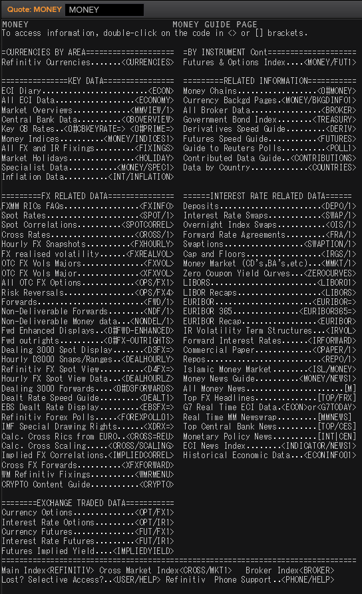
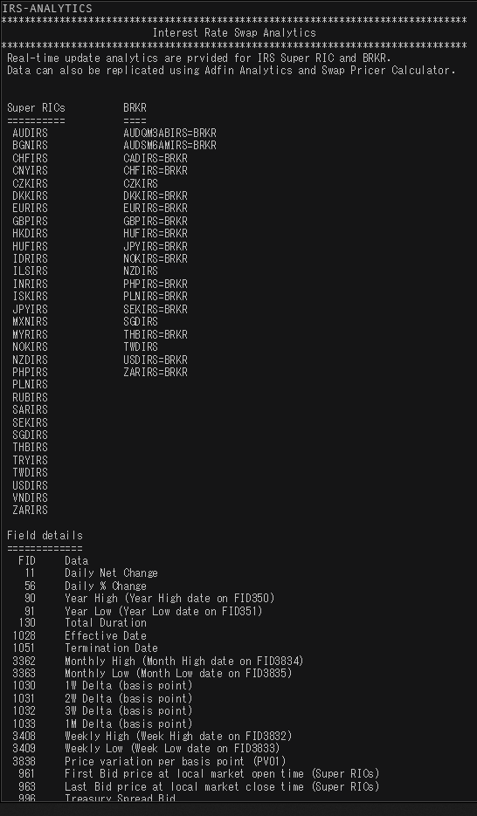
 | SEK | USD | NOK | EUR | DKK | GBP
Market Overview | SEKVIEW | USDVIEW | NOKVIEW | EURVIEW | DKKVIEW | GBPVIEW
Interest Rate Swap | SEKIRS | USDIRS | NOKIRS | EURIRS/EUR1MIRS/EUR3MIRS | DKKIRS | GBPIRS | IRS-ANALYTICS
Overnight Index Swap | SEKOIS | USDOIS | - | EUROIS | DKKTNS | GBPOIS
FRA | SEKFRA | USDFRA | NOKFRA | EURFRA | DKKFRA | GBPFRA
IBOR | STIBOR= | USDLIBOR= | OIBOR? | EURIBOR/EURLIBOR | CIBOR? | GBPLIBOR

SEK
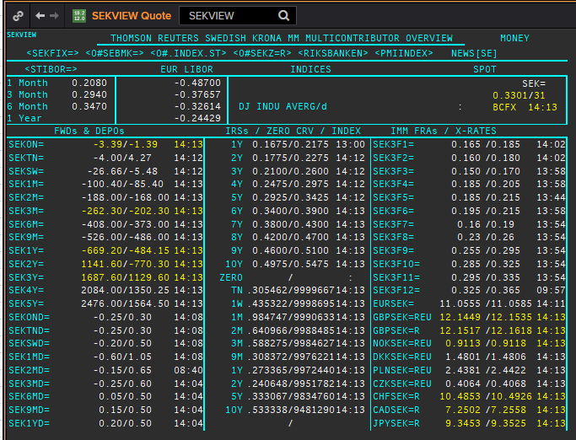
 | SEK | SEKAMTNS
 | .
 | Maturity | Type | RIC | Bid yield (%) | Ask yield (%) | Mid Yield (%) | Ee | Eb | Fe | Fb | Bid/ask | Currency | Tenor
 | 1M | OIS | SEKAMTNS1M= | #NAME? | #NAME? | #NAME? | 1 | 1 | 1 | 1 | MID | SEK | 0
 | 2M | OIS | SEKAMTNS2M= | #NAME? | #NAME? | #NAME? | 1 | 1 | 1 | 1 | MID | SEK | 0
 | 3M | OIS | SEKAMTNS3M= | #NAME? | #NAME? | #NAME? | 1 | 1 | 1 | 1 | MID | SEK | 0
 | 6M | OIS | SEKAMTNS6M= | #NAME? | #NAME? | #NAME? | 1 | 1 | 1 | 1 | MID | SEK | 0
 | 9M | OIS | SEKAMTNS9M= | #NAME? | #NAME? | #NAME? | 1 | 1 | 1 | 1 | MID | SEK | 0
 | 1Y | OIS | SEKAMTNS1Y= | #NAME? | #NAME? | #NAME? | 1 | 1 | 1 | 1 | MID | SEK | 0
 | 2Y | OIS | SEKAMTNS2Y= | #NAME? | #NAME? | #NAME? | 1 | 1 | 1 | 1 | MID | SEK | 0
 | 3Y | OIS | SEKAMTNS3Y= | #NAME? | #NAME? | #NAME? | 1 | 1 | 1 | 1 | MID | SEK | 0
 | 4Y | OIS | SEKAMTNS4Y= | #NAME? | #NAME? | #NAME? | 1 | 1 | 1 | 1 | MID | SEK | 0
 | 5Y | OIS | SEKAMTNS5Y= | #NAME? | #NAME? | #NAME? | 1 | 1 | 1 | 1 | MID | SEK | 0
 | 6Y | OIS | SEKAMTNS6Y= | #NAME? | #NAME? | #NAME? | 1 | 1 | 1 | 1 | MID | SEK | 0
 | 7Y | OIS | SEKAMTNS7Y= | #NAME? | #NAME? | #NAME? | 1 | 1 | 1 | 1 | MID | SEK | 0
 | 8Y | OIS | SEKAMTNS8Y= | #NAME? | #NAME? | #NAME? | 1 | 1 | 1 | 1 | MID | SEK | 0
 | 9Y | OIS | SEKAMTNS9Y= | #NAME? | #NAME? | #NAME? | 1 | 1 | 1 | 1 | MID | SEK | 0
 | 10Y | OIS | SEKAMTNS10Y= | #NAME? | #NAME? | #NAME? | 1 | 1 | 1 | 1 | MID | SEK | 0
 | 12Y | OIS | SEKAMTNS12Y= | #NAME? | #NAME? | #NAME? | 1 | 1 | 1 | 1 | MID | SEK | 0
 | 15Y | OIS | SEKAMTNS15Y= | #NAME? | #NAME? | #NAME? | 1 | 1 | 1 | 1 | MID | SEK | 0
 | 20Y | OIS | SEKAMTNS20Y= | #NAME? | #NAME? | #NAME? | 1 | 1 | 1 | 1 | MID | SEK | 0
 | 25Y | OIS | SEKAMTNS25Y= | #NAME? | #NAME? | #NAME? | 1 | 1 | 1 | 1 | MID | SEK | 0
 | 30Y | OIS | SEKAMTNS30Y= | #NAME? | #NAME? | #NAME? | 1 | 1 | 1 | 1 | MID | SEK | 0
 | TN | IBOR | STISEKTNDFI= |  |  | #NAME? | 1 | 1 | 1 | 1 | MID | SEK | 0
? | 1W | IBOR | STISEK1WFDI= |  |  | #NAME? | 1 | 1 | 1 | 1 | MID | SEK | 0
? | 1M | IBOR | STISEK1MDFI= |  |  | #NAME? | 1 | 1 | 1 | 1 | MID | SEK | 0
? | 2M | IBOR | STISEK2MDFI= |  |  | #NAME? | 1 | 1 | 1 | 1 | MID | SEK | 0
 | 3M | IBOR | STISEK3MDFI= |  |  | #NAME? | 1 | 1 | 1 | 1 | MID | SEK | 0
? | 6M | IBOR | STISEK6MDFI= |  |  | #NAME? | 1 | 1 | 1 | 1 | MID | SEK | 0
 | 6M | FRA | SEK3F1= | #NAME? | #NAME? | #NAME? | 1 | 1 | 1 | 1 | MID | SEK | 3M
 | 9M | FRA | SEK3F2= | #NAME? | #NAME? | #NAME? | 1 | 1 | 1 | 1 | MID | SEK | 3M
 | 1Y | FRA | SEK3F3= | #NAME? | #NAME? | #NAME? | 1 | 1 | 1 | 1 | MID | SEK | 3M
 | 15M | FRA | SEK3F4= | #NAME? | #NAME? | #NAME? | 1 | 1 | 1 | 1 | MID | SEK | 3M
 | 18M | FRA | SEK3F5= | #NAME? | #NAME? | #NAME? | 1 | 1 | 1 | 1 | MID | SEK | 3M
 | 21M | FRA | SEK3F6= | #NAME? | #NAME? | #NAME? | 1 | 1 | 1 | 1 | MID | SEK | 3M
 | 2Y | FRA | SEK3F7= | #NAME? | #NAME? | #NAME? | 1 | 1 | 1 | 1 | MID | SEK | 3M
 | 2.25Y | FRA | SEK3F8= | #NAME? | #NAME? | #NAME? | 1 | 1 | 1 | 1 | MID | SEK | 3M
 | 2.5Y | FRA | SEK3F9= | #NAME? | #NAME? | #NAME? | 1 | 1 | 1 | 1 | MID | SEK | 3M
 | 2.75Y | FRA | SEK3F10= | #NAME? | #NAME? | #NAME? | 1 | 1 | 1 | 1 | MID | SEK | 3M
 | 3Y | FRA | SEK3F11= | #NAME? | #NAME? | #NAME? | 1 | 1 | 1 | 1 | MID | SEK | 3M
 | 3.25Y | FRA | SEK3F12= | #NAME? | #NAME? | #NAME? | 1 | 1 | 1 | 1 | MID | SEK | 3M
 | 1Y | IRS | SEKAB3S1Y= | #NAME? | #NAME? | #NAME? | 1 | 1 | 1 | 1 | MID | SEK | 3M
? | 18M | IRS | SEKAB3S18M= | #NAME? | #NAME? | #NAME? | 1 | 1 | 1 | 1 | MID | SEK | 3M
 | 2Y | IRS | SEKAB3S2Y= | #NAME? | #NAME? | #NAME? | 1 | 1 | 1 | 1 | MID | SEK | 3M
 | 3Y | IRS | SEKAB3S3Y= | #NAME? | #NAME? | #NAME? | 1 | 1 | 1 | 1 | MID | SEK | 3M
 | 4Y | IRS | SEKAB3S4Y= | #NAME? | #NAME? | #NAME? | 1 | 1 | 1 | 1 | MID | SEK | 3M
 | 5Y | IRS | SEKAB3S5Y= | #NAME? | #NAME? | #NAME? | 1 | 1 | 1 | 1 | MID | SEK | 3M
 | 6Y | IRS | SEKAB3S6Y= | #NAME? | #NAME? | #NAME? | 1 | 1 | 1 | 1 | MID | SEK | 3M
 | 7Y | IRS | SEKAB3S7Y= | #NAME? | #NAME? | #NAME? | 1 | 1 | 1 | 1 | MID | SEK | 3M
 | 8Y | IRS | SEKAB3S8Y= | #NAME? | #NAME? | #NAME? | 1 | 1 | 1 | 1 | MID | SEK | 3M
 | 9Y | IRS | SEKAB3S9Y= | #NAME? | #NAME? | #NAME? | 1 | 1 | 1 | 1 | MID | SEK | 3M
 | 10Y | IRS | SEKAB3S10Y= | #NAME? | #NAME? | #NAME? | 1 | 1 | 1 | 1 | MID | SEK | 3M
 | 12Y | IRS | SEKAB3S12Y= | #NAME? | #NAME? | #NAME? | 1 | 1 | 1 | 1 | MID | SEK | 3M
 | 15Y | IRS | SEKAB3S15Y= | #NAME? | #NAME? | #NAME? | 1 | 1 | 1 | 1 | MID | SEK | 3M
 | 20Y | IRS | SEKAB3S20Y= | #NAME? | #NAME? | #NAME? | 1 | 1 | 1 | 1 | MID | SEK | 3M
 | 30Y | IRS | SEKAB3S30Y= | #NAME? | #NAME? | #NAME? | 1 | 1 | 1 | 1 | MID | SEK | 3M

USD
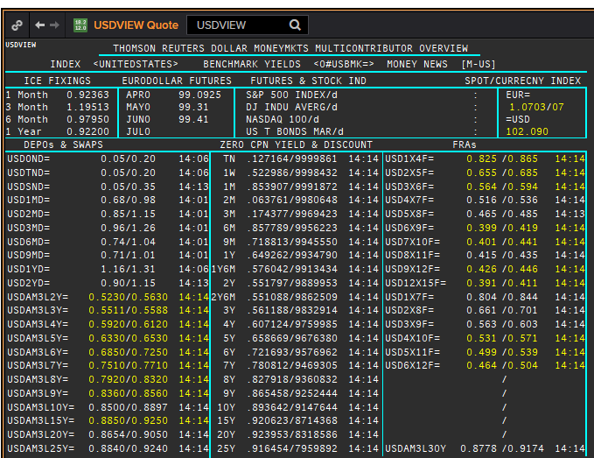
USD | USD
.
Maturity | Type | RIC | Bid yield (%) | Ask yield (%) | Mid Yield (%) | Ee | Eb | Fe | Fb | Bid/ask | Currency | Tenor
1M | OIS | USD1MOIS= | #NAME? | #NAME? | #NAME? | 1 | 1 | 1 | 1 | MID | USD | 0
2M | OIS | USD2MOIS= | #NAME? | #NAME? | #NAME? | 1 | 1 | 1 | 1 | MID | USD | 0
3M | OIS | USD3MOIS= | #NAME? | #NAME? | #NAME? | 1 | 1 | 1 | 1 | MID | USD | 0
4M | OIS | USD4MOIS= | #NAME? | #NAME? | #NAME? | 1 | 1 | 1 | 1 | MID | USD | 0
5M | OIS | USD5MOIS= | #NAME? | #NAME? | #NAME? | 1 | 1 | 1 | 1 | MID | USD | 0
6M | OIS | USD6MOIS= | #NAME? | #NAME? | #NAME? | 1 | 1 | 1 | 1 | MID | USD | 0
7M | OIS | USD7MOIS= | #NAME? | #NAME? | #NAME? | 1 | 1 | 1 | 1 | MID | USD | 0
8M | OIS | USD8MOIS= | #NAME? | #NAME? | #NAME? | 1 | 1 | 1 | 1 | MID | USD | 0
9M | OIS | USD9MOIS= | #NAME? | #NAME? | #NAME? | 1 | 1 | 1 | 1 | MID | USD | 0
10M | OIS | USD10MOIS= | #NAME? | #NAME? | #NAME? | 1 | 1 | 1 | 1 | MID | USD | 0
11M | OIS | USD11MOIS= | #NAME? | #NAME? | #NAME? | 1 | 1 | 1 | 1 | MID | USD | 0
1Y | OIS | USD1YOIS= | #NAME? | #NAME? | #NAME? | 1 | 1 | 1 | 1 | MID | USD | 0
2Y | OIS | USD2YOIS= | #NAME? | #NAME? | #NAME? | 1 | 1 | 1 | 1 | MID | USD | 0
ON | IBOR | USDONFSR= |  |  | #NAME? | 1 | 1 | 1 | 1 | MID | USD | 0
SW | IBOR | USDSWFSR= |  |  | #NAME? | 1 | 1 | 1 | 1 | MID | USD | 0
1M | IBOR | USD1MFSR= |  |  | #NAME? | 1 | 1 | 1 | 1 | MID | USD | 0
2M | IBOR | USD2MFSR= |  |  | #NAME? | 1 | 1 | 1 | 1 | MID | USD | 0
3M | IBOR | USD3MFSR= |  |  | #NAME? | 1 | 1 | 1 | 1 | MID | USD | 0
6M | IBOR | USD6MFSR= |  |  | #NAME? | 1 | 1 | 1 | 1 | MID | USD | 0
1Y | IBOR | USD1YFSR= |  |  | #NAME? | 1 | 1 | 1 | 1 | MID | USD | 0
4M | FRA | USD1X4F= | #NAME? | #NAME? | #NAME? | 1 | 1 | 1 | 1 | MID | USD | 3M
5M | FRA | USD2X5F= | #NAME? | #NAME? | #NAME? | 1 | 1 | 1 | 1 | MID | USD | 3M
6M | FRA | USD3X6F= | #NAME? | #NAME? | #NAME? | 1 | 1 | 1 | 1 | MID | USD | 3M
7M | FRA | USD4X7F= | #NAME? | #NAME? | #NAME? | 1 | 1 | 1 | 1 | MID | USD | 3M
8M | FRA | USD5X8F= | #NAME? | #NAME? | #NAME? | 1 | 1 | 1 | 1 | MID | USD | 3M
9M | FRA | USD6X9F= | #NAME? | #NAME? | #NAME? | 1 | 1 | 1 | 1 | MID | USD | 3M
10M | FRA | USD7X10F= | #NAME? | #NAME? | #NAME? | 1 | 1 | 1 | 1 | MID | USD | 3M
11M | FRA | USD8X11F= | #NAME? | #NAME? | #NAME? | 1 | 1 | 1 | 1 | MID | USD | 3M
1Y | FRA | USD9X12F= | #NAME? | #NAME? | #NAME? | 1 | 1 | 1 | 1 | MID | USD | 3M
7M | FRA | USD1X7F= | #NAME? | #NAME? | #NAME? | 1 | 1 | 1 | 1 | MID | USD | 6M
8M | FRA | USD2X8F= | #NAME? | #NAME? | #NAME? | 1 | 1 | 1 | 1 | MID | USD | 6M
9M | FRA | USD3X9F= | #NAME? | #NAME? | #NAME? | 1 | 1 | 1 | 1 | MID | USD | 6M
10M | FRA | USD4X10F= | #NAME? | #NAME? | #NAME? | 1 | 1 | 1 | 1 | MID | USD | 6M
11M | FRA | USD5X11F= | #NAME? | #NAME? | #NAME? | 1 | 1 | 1 | 1 | MID | USD | 6M
12M | FRA | USD6X12F= | #NAME? | #NAME? | #NAME? | 1 | 1 | 1 | 1 | MID | USD | 6M
15M | FRA | USD9X15F= | #NAME? | #NAME? | #NAME? | 1 | 1 | 1 | 1 | MID | USD | 6M
18M | FRA | USD12X18F= | #NAME? | #NAME? | #NAME? | 1 | 1 | 1 | 1 | MID | USD | 6M
15M | FRA | USD12X15F= | #NAME? | #NAME? | #NAME? | 1 | 1 | 1 | 1 | MID | USD | 3M
18M | FRA | USD15X18F= | #NAME? | #NAME? | #NAME? | 1 | 1 | 1 | 1 | MID | USD | 3M
21M | FRA | USD18X21F= | #NAME? | #NAME? | #NAME? | 1 | 1 | 1 | 1 | MID | USD | 3M
24M | FRA | USD18X24F= | #NAME? | #NAME? | #NAME? | 1 | 1 | 1 | 1 | MID | USD | 6M
1Y | IRS | USDAM3L1Y= | #NAME? | #NAME? | #NAME? | 1 | 1 | 1 | 1 | MID | USD | 3M
2Y | IRS | USDAM3L2Y= | #NAME? | #NAME? | #NAME? | 1 | 1 | 1 | 1 | MID | USD | 3M
3Y | IRS | USDAM3L3Y= | #NAME? | #NAME? | #NAME? | 1 | 1 | 1 | 1 | MID | USD | 3M
4Y | IRS | USDAM3L4Y= | #NAME? | #NAME? | #NAME? | 1 | 1 | 1 | 1 | MID | USD | 3M
5Y | IRS | USDAM3L5Y= | #NAME? | #NAME? | #NAME? | 1 | 1 | 1 | 1 | MID | USD | 3M
6Y | IRS | USDAM3L6Y= | #NAME? | #NAME? | #NAME? | 1 | 1 | 1 | 1 | MID | USD | 3M
7Y | IRS | USDAM3L7Y= | #NAME? | #NAME? | #NAME? | 1 | 1 | 1 | 1 | MID | USD | 3M
8Y | IRS | USDAM3L8Y= | #NAME? | #NAME? | #NAME? | 1 | 1 | 1 | 1 | MID | USD | 3M
9Y | IRS | USDAM3L9Y= | #NAME? | #NAME? | #NAME? | 1 | 1 | 1 | 1 | MID | USD | 3M
10Y | IRS | USDAM3L10Y= | #NAME? | #NAME? | #NAME? | 1 | 1 | 1 | 1 | MID | USD | 3M
12Y | IRS | USDAM3L12Y= | #NAME? | #NAME? | #NAME? | 1 | 1 | 1 | 1 | MID | USD | 3M
15Y | IRS | USDAM3L15Y= | #NAME? | #NAME? | #NAME? | 1 | 1 | 1 | 1 | MID | USD | 3M
20Y | IRS | USDAM3L20Y= | #NAME? | #NAME? | #NAME? | 1 | 1 | 1 | 1 | MID | USD | 3M
25Y | IRS | USDAM3L25Y= | #NAME? | #NAME? | #NAME? | 1 | 1 | 1 | 1 | MID | USD | 3M
30Y | IRS | USDAM3L30Y= | #NAME? | #NAME? | #NAME? | 1 | 1 | 1 | 1 | MID | USD | 3M
40Y | IRS | USDAM3L40Y= | #NAME? | #NAME? | #NAME? | 1 | 1 | 1 | 1 | MID | USD | 3M
50Y | IRS | USDAM3L50Y= | #NAME? | #NAME? | #NAME? | 1 | 1 | 1 | 1 | MID | USD | 3M

NOK
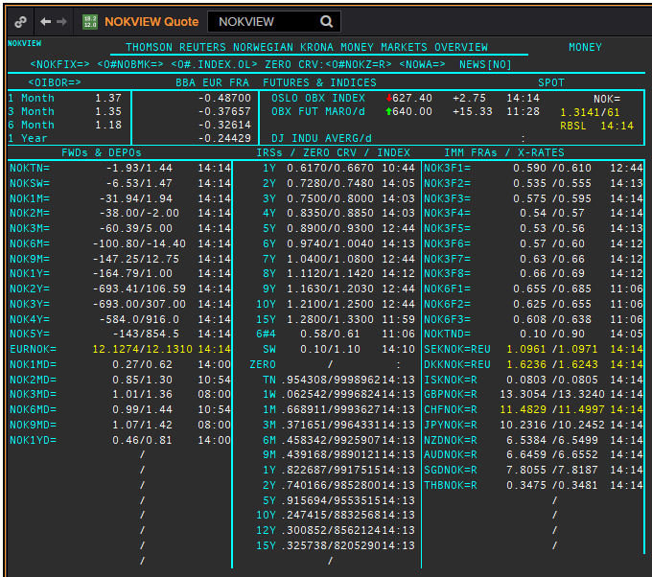
 | NOK | NOK
 | .
 | Maturity | Type | RIC | Bid yield (%) | Ask yield (%) | Mid Yield (%) | Ee | Eb | Fe | Fb | Bid/ask | Currency | Tenor
? | ON | IBOR | NOWA= |  |  | #NAME? | 1 | 1 | 1 | 1 | MID | NOK | 0
 | 1W/SW | IBOR | /OINOKSWD= |  |  | #NAME? | 1 | 1 | 1 | 1 | MID | NOK | 0
 | 1M | IBOR | /OINOK1MD= |  |  | #NAME? | 1 | 1 | 1 | 1 | MID | NOK | 0
 | 2M | IBOR | /OINOK2MD= |  |  | #NAME? | 1 | 1 | 1 | 1 | MID | NOK | 0
 | 3M | IBOR | /OINOK3MD= |  |  | #NAME? | 1 | 1 | 1 | 1 | MID | NOK | 0
 | 6M | IBOR | /OINOK6MD= |  |  | #NAME? | 1 | 1 | 1 | 1 | MID | NOK | 0
 | 6M | FRA | NOK3F1= | #NAME? | #NAME? | #NAME? | 1 | 1 | 1 | 1 | MID | NOK | 3M
 | 9M | FRA | NOK3F2= | #NAME? | #NAME? | #NAME? | 1 | 1 | 1 | 1 | MID | NOK | 3M
 | 1Y | FRA | NOK3F3= | #NAME? | #NAME? | #NAME? | 1 | 1 | 1 | 1 | MID | NOK | 3M
 | 15M | FRA | NOK3F4= | #NAME? | #NAME? | #NAME? | 1 | 1 | 1 | 1 | MID | NOK | 3M
 | 18M | FRA | NOK3F5= | #NAME? | #NAME? | #NAME? | 1 | 1 | 1 | 1 | MID | NOK | 3M
 | 21M | FRA | NOK3F6= | #NAME? | #NAME? | #NAME? | 1 | 1 | 1 | 1 | MID | NOK | 3M
 | 2Y | FRA | NOK3F7= | #NAME? | #NAME? | #NAME? | 1 | 1 | 1 | 1 | MID | NOK | 3M
 | 2.25Y | FRA | NOK3F8= | #NAME? | #NAME? | #NAME? | 1 | 1 | 1 | 1 | MID | NOK | 3M
 | 2.5Y | FRA | NOK3F9= | #NAME? | #NAME? | #NAME? | 1 | 1 | 1 | 1 | MID | NOK | 3M
 | 2.75Y | FRA | NOK3F10= | #NAME? | #NAME? | #NAME? | 1 | 1 | 1 | 1 | MID | NOK | 3M
 | 3Y | FRA | NOK3F11= | #NAME? | #NAME? | #NAME? | 1 | 1 | 1 | 1 | MID | NOK | 3M
 | 3.25Y | FRA | NOK3F12= | #NAME? | #NAME? | #NAME? | 1 | 1 | 1 | 1 | MID | NOK | 3M
MATURITY? | 1Y | FRA | NOK6F1= | #NAME? | #NAME? | #NAME? | 1 | 1 | 1 | 1 | MID | NOK | 6M
MATURITY? | 1.5Y | FRA | NOK6F2= | #NAME? | #NAME? | #NAME? | 1 | 1 | 1 | 1 | MID | NOK | 6M
MATURITY? | 2Y | FRA | NOK6F3= | #NAME? | #NAME? | #NAME? | 1 | 1 | 1 | 1 | MID | NOK | 6M
MATURITY? | 2.5Y | FRA | NOK6F4= | #NAME? | #NAME? | #NAME? | 1 | 1 | 1 | 1 | MID | NOK | 6M
 | 1Y | IRS | NOKAB3O1Y= | #NAME? | #NAME? | #NAME? | 1 | 1 | 1 | 1 | MID | NOK | 3M
 | 2Y | IRS | NOKAB6O2Y= | #NAME? | #NAME? | #NAME? | 1 | 1 | 1 | 1 | MID | NOK | 6M
 | 3Y | IRS | NOKAB6O3Y= | #NAME? | #NAME? | #NAME? | 1 | 1 | 1 | 1 | MID | NOK | 6M
 | 4Y | IRS | NOKAB6O4Y= | #NAME? | #NAME? | #NAME? | 1 | 1 | 1 | 1 | MID | NOK | 6M
 | 5Y | IRS | NOKAB6O5Y= | #NAME? | #NAME? | #NAME? | 1 | 1 | 1 | 1 | MID | NOK | 6M
 | 6Y | IRS | NOKAB6O6Y= | #NAME? | #NAME? | #NAME? | 1 | 1 | 1 | 1 | MID | NOK | 6M
 | 7Y | IRS | NOKAB6O7Y= | #NAME? | #NAME? | #NAME? | 1 | 1 | 1 | 1 | MID | NOK | 6M
 | 8Y | IRS | NOKAB6O8Y= | #NAME? | #NAME? | #NAME? | 1 | 1 | 1 | 1 | MID | NOK | 6M
 | 9Y | IRS | NOKAB6O9Y= | #NAME? | #NAME? | #NAME? | 1 | 1 | 1 | 1 | MID | NOK | 6M
 | 10Y | IRS | NOKAB6O10Y= | #NAME? | #NAME? | #NAME? | 1 | 1 | 1 | 1 | MID | NOK | 6M
 | 15Y | IRS | NOKAB6O15Y= | #NAME? | #NAME? | #NAME? | 1 | 1 | 1 | 1 | MID | NOK | 6M

EUR
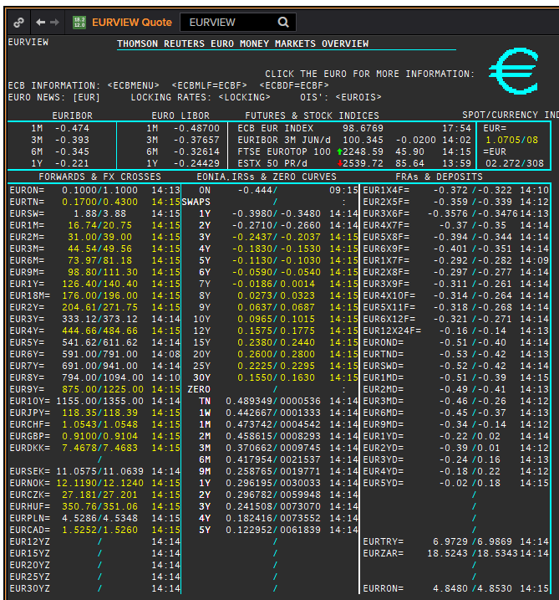
 | EUR | EUREON
 | .
 | Maturity | Type | RIC | Bid yield (%) | Ask yield (%) | Mid Yield (%) | Ee | Eb | Fe | Fb | Bid/ask | Currency | Tenor
? | SW | OIS | EUREONSW= | #NAME? | #NAME? | #NAME? | 1 | 1 | 1 | 1 | MID | EUR | 0
? | 2W | OIS | EUREON2W= | #NAME? | #NAME? | #NAME? | 1 | 1 | 1 | 1 | MID | EUR | 0
? | 3W | OIS | EUREON3W= | #NAME? | #NAME? | #NAME? | 1 | 1 | 1 | 1 | MID | EUR | 0
 | 1M | OIS | EUREON1M= | #NAME? | #NAME? | #NAME? | 1 | 1 | 1 | 1 | MID | EUR | 0
 | 2M | OIS | EUREON2M= | #NAME? | #NAME? | #NAME? | 1 | 1 | 1 | 1 | MID | EUR | 0
 | 3M | OIS | EUREON3M= | #NAME? | #NAME? | #NAME? | 1 | 1 | 1 | 1 | MID | EUR | 0
 | 4M | OIS | EUREON4M= | #NAME? | #NAME? | #NAME? | 1 | 1 | 1 | 1 | MID | EUR | 0
 | 5M | OIS | EUREON5M= | #NAME? | #NAME? | #NAME? | 1 | 1 | 1 | 1 | MID | EUR | 0
 | 6M | OIS | EUREON6M= | #NAME? | #NAME? | #NAME? | 1 | 1 | 1 | 1 | MID | EUR | 0
 | 7M | OIS | EUREON7M= | #NAME? | #NAME? | #NAME? | 1 | 1 | 1 | 1 | MID | EUR | 0
 | 8M | OIS | EUREON8M= | #NAME? | #NAME? | #NAME? | 1 | 1 | 1 | 1 | MID | EUR | 0
 | 9M | OIS | EUREON9M= | #NAME? | #NAME? | #NAME? | 1 | 1 | 1 | 1 | MID | EUR | 0
 | 10M | OIS | EUREON10M= | #NAME? | #NAME? | #NAME? | 1 | 1 | 1 | 1 | MID | EUR | 0
 | 11M | OIS | EUREON11M= | #NAME? | #NAME? | #NAME? | 1 | 1 | 1 | 1 | MID | EUR | 0
 | 1Y | OIS | EUREON1Y= | #NAME? | #NAME? | #NAME? | 1 | 1 | 1 | 1 | MID | EUR | 0
 | 15M | OIS | EUREON15M= | #NAME? | #NAME? | #NAME? | 1 | 1 | 1 | 1 | MID | EUR | 0
 | 18M | OIS | EUREON18M= | #NAME? | #NAME? | #NAME? | 1 | 1 | 1 | 1 | MID | EUR | 0
 | 21M | OIS | EUREON21M= | #NAME? | #NAME? | #NAME? | 1 | 1 | 1 | 1 | MID | EUR | 0
 | 2Y | OIS | EUREON2Y= | #NAME? | #NAME? | #NAME? | 1 | 1 | 1 | 1 | MID | EUR | 0
 | 3Y | OIS | EUREON3Y= | #NAME? | #NAME? | #NAME? | 1 | 1 | 1 | 1 | MID | EUR | 0
 | 4Y | OIS | EUREON4Y= | #NAME? | #NAME? | #NAME? | 1 | 1 | 1 | 1 | MID | EUR | 0
 | 5Y | OIS | EUREON5Y= | #NAME? | #NAME? | #NAME? | 1 | 1 | 1 | 1 | MID | EUR | 0
 | 6Y | OIS | EUREON6Y= | #NAME? | #NAME? | #NAME? | 1 | 1 | 1 | 1 | MID | EUR | 0
 | 7Y | OIS | EUREON7Y= | #NAME? | #NAME? | #NAME? | 1 | 1 | 1 | 1 | MID | EUR | 0
 | 8Y | OIS | EUREON8Y= | #NAME? | #NAME? | #NAME? | 1 | 1 | 1 | 1 | MID | EUR | 0
 | 9Y | OIS | EUREON9Y= | #NAME? | #NAME? | #NAME? | 1 | 1 | 1 | 1 | MID | EUR | 0
 | 10Y | OIS | EUREON10Y= | #NAME? | #NAME? | #NAME? | 1 | 1 | 1 | 1 | MID | EUR | 0
 | 20Y | OIS | EUREON20Y= | #NAME? | #NAME? | #NAME? | 1 | 1 | 1 | 1 | MID | EUR | 0
 | 25Y | OIS | EUREON25Y= | #NAME? | #NAME? | #NAME? | 1 | 1 | 1 | 1 | MID | EUR | 0
 | 30Y | OIS | EUREON30Y= | #NAME? | #NAME? | #NAME? | 1 | 1 | 1 | 1 | MID | EUR | 0
 | ON | IBOR | EONIA= |  |  | #NAME? | 1 | 1 | 1 | 1 | MID | EUR | 0
 | SW | IBOR | EURIBORSWD= |  |  | #NAME? | 1 | 1 | 1 | 1 | MID | EUR | 0
 | 1M | IBOR | EURIBOR1MD= |  |  | #NAME? | 1 | 1 | 1 | 1 | MID | EUR | 0
 | 3M | IBOR | EURIBOR3MD= |  |  | #NAME? | 1 | 1 | 1 | 1 | MID | EUR | 0
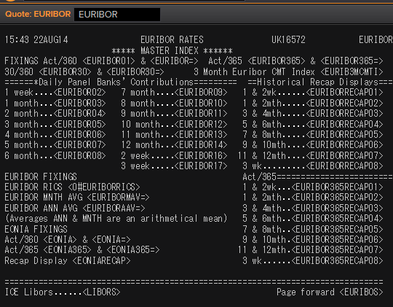
 | 6M | IBOR | EURIBOR6MD= |  |  | #NAME? | 1 | 1 | 1 | 1 | MID | EUR | 0
 | 1Y | IBOR | EURIBOR1YD= |  |  | #NAME? | 1 | 1 | 1 | 1 | MID | EUR | 0
 | 1X4 | FRA | EUR1X4F= | #NAME? | #NAME? | #NAME? | 1 | 1 | 1 | 1 | MID | EUR | 3M
 | 2X5 | FRA | EUR2X5F= | #NAME? | #NAME? | #NAME? | 1 | 1 | 1 | 1 | MID | EUR | 3M
 | 3X6 | FRA | EUR3X6F= | #NAME? | #NAME? | #NAME? | 1 | 1 | 1 | 1 | MID | EUR | 3M
 | 4X7 | FRA | EUR4X7F= | #NAME? | #NAME? | #NAME? | 1 | 1 | 1 | 1 | MID | EUR | 3M
 | 5X8 | FRA | EUR5X8F= | #NAME? | #NAME? | #NAME? | 1 | 1 | 1 | 1 | MID | EUR | 3M
 | 6X9 | FRA | EUR6X9F= | #NAME? | #NAME? | #NAME? | 1 | 1 | 1 | 1 | MID | EUR | 3M
 | 7X10 | FRA | EUR7X10F= | #NAME? | #NAME? | #NAME? | 1 | 1 | 1 | 1 | MID | EUR | 3M
 | 8X11 | FRA | EUR8X11F= | #NAME? | #NAME? | #NAME? | 1 | 1 | 1 | 1 | MID | EUR | 3M
 | 9X12 | FRA | EUR9X12F= | #NAME? | #NAME? | #NAME? | 1 | 1 | 1 | 1 | MID | EUR | 3M
 | 12X15 | FRA | EUR12X15F= | #NAME? | #NAME? | #NAME? | 1 | 1 | 1 | 1 | MID | EUR | 3M
 | 15X18 | FRA | EUR15X18F= | #NAME? | #NAME? | #NAME? | 1 | 1 | 1 | 1 | MID | EUR | 3M
 | 18X21 | FRA | EUR18X21F= | #NAME? | #NAME? | #NAME? | 1 | 1 | 1 | 1 | MID | EUR | 3M
 | 21X24 | FRA | EUR21X24F= | #NAME? | #NAME? | #NAME? | 1 | 1 | 1 | 1 | MID | EUR | 3M
 | 1X7 | FRA | EUR1X7F= | #NAME? | #NAME? | #NAME? | 1 | 1 | 1 | 1 | MID | EUR | 6M
 | 2X8 | FRA | EUR2X8F= | #NAME? | #NAME? | #NAME? | 1 | 1 | 1 | 1 | MID | EUR | 6M
 | 2X14 | FRA | EUR2X14F= | #NAME? | #NAME? | #NAME? | 1 | 1 | 1 | 1 | MID | EUR | 12M
 | 3X9 | FRA | EUR3X9F= | #NAME? | #NAME? | #NAME? | 1 | 1 | 1 | 1 | MID | EUR | 6M
 | 3X15 | FRA | EUR3X15F= | #NAME? | #NAME? | #NAME? | 1 | 1 | 1 | 1 | MID | EUR | 12M
 | 4X10 | FRA | EUR4X10F= | #NAME? | #NAME? | #NAME? | 1 | 1 | 1 | 1 | MID | EUR | 6M
 | 5X11 | FRA | EUR5X11F= | #NAME? | #NAME? | #NAME? | 1 | 1 | 1 | 1 | MID | EUR | 6M
 | 6X12 | FRA | EUR6X12F= | #NAME? | #NAME? | #NAME? | 1 | 1 | 1 | 1 | MID | EUR | 6M
 | 9X15 | FRA | EUR9X15F= | #NAME? | #NAME? | #NAME? | 1 | 1 | 1 | 1 | MID | EUR | 6M
 | 12X18 | FRA | EUR12X18F= | #NAME? | #NAME? | #NAME? | 1 | 1 | 1 | 1 | MID | EUR | 6M
 | 18X24 | FRA | EUR18X24F= | #NAME? | #NAME? | #NAME? | 1 | 1 | 1 | 1 | MID | EUR | 6M
 | 6X18 | FRA | EUR6X18F= | #NAME? | #NAME? | #NAME? | 1 | 1 | 1 | 1 | MID | EUR | 12M
 | 12X24 | FRA | EUR12X24F= | #NAME? | #NAME? | #NAME? | 1 | 1 | 1 | 1 | MID | EUR | 12M
 | 1Y | IRS | EURAB6E1Y= | #NAME? | #NAME? | #NAME? | 1 | 1 | 1 | 1 | MID | EUR | 6M
 | 18M | IRS | EURAB6E18M= | #NAME? | #NAME? | #NAME? | 1 | 1 | 1 | 1 | MID | EUR | 6M
 | 2Y | IRS | EURAB6E2Y= | #NAME? | #NAME? | #NAME? | 1 | 1 | 1 | 1 | MID | EUR | 6M
 | 3Y | IRS | EURAB6E3Y= | #NAME? | #NAME? | #NAME? | 1 | 1 | 1 | 1 | MID | EUR | 6M
 | 4Y | IRS | EURAB6E4Y= | #NAME? | #NAME? | #NAME? | 1 | 1 | 1 | 1 | MID | EUR | 6M
 | 5Y | IRS | EURAB6E5Y= | #NAME? | #NAME? | #NAME? | 1 | 1 | 1 | 1 | MID | EUR | 6M
 | 6Y | IRS | EURAB6E6Y= | #NAME? | #NAME? | #NAME? | 1 | 1 | 1 | 1 | MID | EUR | 6M
 | 7Y | IRS | EURAB6E7Y= | #NAME? | #NAME? | #NAME? | 1 | 1 | 1 | 1 | MID | EUR | 6M
 | 8Y | IRS | EURAB6E8Y= | #NAME? | #NAME? | #NAME? | 1 | 1 | 1 | 1 | MID | EUR | 6M
 | 9Y | IRS | EURAB6E9Y= | #NAME? | #NAME? | #NAME? | 1 | 1 | 1 | 1 | MID | EUR | 6M
 | 10Y | IRS | EURAB6E10Y= | #NAME? | #NAME? | #NAME? | 1 | 1 | 1 | 1 | MID | EUR | 6M
 | 11Y | IRS | EURAB6E11Y= | #NAME? | #NAME? | #NAME? | 1 | 1 | 1 | 1 | MID | EUR | 6M
 | 12Y | IRS | EURAB6E12Y= | #NAME? | #NAME? | #NAME? | 1 | 1 | 1 | 1 | MID | EUR | 6M
 | 13Y | IRS | EURAB6E13Y= | #NAME? | #NAME? | #NAME? | 1 | 1 | 1 | 1 | MID | EUR | 6M
 | 14Y | IRS | EURAB6E14Y= | #NAME? | #NAME? | #NAME? | 1 | 1 | 1 | 1 | MID | EUR | 6M
 | 15Y | IRS | EURAB6E15Y= | #NAME? | #NAME? | #NAME? | 1 | 1 | 1 | 1 | MID | EUR | 6M
 | 16Y | IRS | EURAB6E16Y= | #NAME? | #NAME? | #NAME? | 1 | 1 | 1 | 1 | MID | EUR | 6M
 | 17Y | IRS | EURAB6E17Y= | #NAME? | #NAME? | #NAME? | 1 | 1 | 1 | 1 | MID | EUR | 6M
 | 18Y | IRS | EURAB6E18Y= | #NAME? | #NAME? | #NAME? | 1 | 1 | 1 | 1 | MID | EUR | 6M
 | 19Y | IRS | EURAB6E19Y= | #NAME? | #NAME? | #NAME? | 1 | 1 | 1 | 1 | MID | EUR | 6M
 | 20Y | IRS | EURAB6E20Y= | #NAME? | #NAME? | #NAME? | 1 | 1 | 1 | 1 | MID | EUR | 6M
 | 21Y | IRS | EURAB6E21Y= | #NAME? | #NAME? | #NAME? | 1 | 1 | 1 | 1 | MID | EUR | 6M
 | 22Y | IRS | EURAB6E22Y= | #NAME? | #NAME? | #NAME? | 1 | 1 | 1 | 1 | MID | EUR | 6M
 | 23Y | IRS | EURAB6E23Y= | #NAME? | #NAME? | #NAME? | 1 | 1 | 1 | 1 | MID | EUR | 6M
 | 24Y | IRS | EURAB6E24Y= | #NAME? | #NAME? | #NAME? | 1 | 1 | 1 | 1 | MID | EUR | 6M
 | 25Y | IRS | EURAB6E25Y= | #NAME? | #NAME? | #NAME? | 1 | 1 | 1 | 1 | MID | EUR | 6M
 | 26Y | IRS | EURAB6E26Y= | #NAME? | #NAME? | #NAME? | 1 | 1 | 1 | 1 | MID | EUR | 6M
 | 27Y | IRS | EURAB6E27Y= | #NAME? | #NAME? | #NAME? | 1 | 1 | 1 | 1 | MID | EUR | 6M
 | 28Y | IRS | EURAB6E28Y= | #NAME? | #NAME? | #NAME? | 1 | 1 | 1 | 1 | MID | EUR | 6M
 | 29Y | IRS | EURAB6E29Y= | #NAME? | #NAME? | #NAME? | 1 | 1 | 1 | 1 | MID | EUR | 6M
 | 30Y | IRS | EURAB6E30Y= | #NAME? | #NAME? | #NAME? | 1 | 1 | 1 | 1 | MID | EUR | 6M
 | 40Y | IRS | EURAB6E40Y= | #NAME? | #NAME? | #NAME? | 1 | 1 | 1 | 1 | MID | EUR | 6M
 | 50Y | IRS | EURAB6E50Y= | #NAME? | #NAME? | #NAME? | 1 | 1 | 1 | 1 | MID | EUR | 6M
 | 2M | IRS | EURAM1E2M= | #NAME? | #NAME? | #NAME? | 1 | 1 | 1 | 1 | MID | EUR | 1M
 | 3M | IRS | EURAM1E3M= | #NAME? | #NAME? | #NAME? | 1 | 1 | 1 | 1 | MID | EUR | 1M
 | 4M | IRS | EURAM1E4M= | #NAME? | #NAME? | #NAME? | 1 | 1 | 1 | 1 | MID | EUR | 1M
 | 5M | IRS | EURAM1E5M= | #NAME? | #NAME? | #NAME? | 1 | 1 | 1 | 1 | MID | EUR | 1M
 | 6M | IRS | EURAM1E6M= | #NAME? | #NAME? | #NAME? | 1 | 1 | 1 | 1 | MID | EUR | 1M
 | 7M | IRS | EURAM1E7M= | #NAME? | #NAME? | #NAME? | 1 | 1 | 1 | 1 | MID | EUR | 1M
 | 8M | IRS | EURAM1E8M= | #NAME? | #NAME? | #NAME? | 1 | 1 | 1 | 1 | MID | EUR | 1M
 | 9M | IRS | EURAM1E9M= | #NAME? | #NAME? | #NAME? | 1 | 1 | 1 | 1 | MID | EUR | 1M
 | 1Y | IRS | EURAM1E1Y= | #NAME? | #NAME? | #NAME? | 1 | 1 | 1 | 1 | MID | EUR | 1M
 | 9M | IRS | EURAB3E9M= | #NAME? | #NAME? | #NAME? | 1 | 1 | 1 | 1 | MID | EUR | 3M
 | 1Y | IRS | EURAB3E1Y= | #NAME? | #NAME? | #NAME? | 1 | 1 | 1 | 1 | MID | EUR | 3M
 | 18M | IRS | EURAB3E18M= | #NAME? | #NAME? | #NAME? | 1 | 1 | 1 | 1 | MID | EUR | 3M
 | 2Y | IRS | EURAB3E2Y= | #NAME? | #NAME? | #NAME? | 1 | 1 | 1 | 1 | MID | EUR | 3M
 | 3Y | IRS | EURAB3E3Y= | #NAME? | #NAME? | #NAME? | 1 | 1 | 1 | 1 | MID | EUR | 3M
 | 4Y | IRS | EURAB3E4Y= | #NAME? | #NAME? | #NAME? | 1 | 1 | 1 | 1 | MID | EUR | 3M
 | 5Y | IRS | EURAB3E5Y= | #NAME? | #NAME? | #NAME? | 1 | 1 | 1 | 1 | MID | EUR | 3M
 | 6Y | IRS | EURAB3E6Y= | #NAME? | #NAME? | #NAME? | 1 | 1 | 1 | 1 | MID | EUR | 3M
 | 7Y | IRS | EURAB3E7Y= | #NAME? | #NAME? | #NAME? | 1 | 1 | 1 | 1 | MID | EUR | 3M
 | 8Y | IRS | EURAB3E8Y= | #NAME? | #NAME? | #NAME? | 1 | 1 | 1 | 1 | MID | EUR | 3M
 | 9Y | IRS | EURAB3E9Y= | #NAME? | #NAME? | #NAME? | 1 | 1 | 1 | 1 | MID | EUR | 3M
 | 10Y | IRS | EURAB3E10Y= | #NAME? | #NAME? | #NAME? | 1 | 1 | 1 | 1 | MID | EUR | 3M
 | 11Y | IRS | EURAB3E11Y= | #NAME? | #NAME? | #NAME? | 1 | 1 | 1 | 1 | MID | EUR | 3M
 | 12Y | IRS | EURAB3E12Y= | #NAME? | #NAME? | #NAME? | 1 | 1 | 1 | 1 | MID | EUR | 3M
 | 13Y | IRS | EURAB3E13Y= | #NAME? | #NAME? | #NAME? | 1 | 1 | 1 | 1 | MID | EUR | 3M
 | 14Y | IRS | EURAB3E14Y= | #NAME? | #NAME? | #NAME? | 1 | 1 | 1 | 1 | MID | EUR | 3M
 | 15Y | IRS | EURAB3E15Y= | #NAME? | #NAME? | #NAME? | 1 | 1 | 1 | 1 | MID | EUR | 3M
 | 16Y | IRS | EURAB3E16Y= | #NAME? | #NAME? | #NAME? | 1 | 1 | 1 | 1 | MID | EUR | 3M
 | 17Y | IRS | EURAB3E17Y= | #NAME? | #NAME? | #NAME? | 1 | 1 | 1 | 1 | MID | EUR | 3M
 | 18Y | IRS | EURAB3E18Y= | #NAME? | #NAME? | #NAME? | 1 | 1 | 1 | 1 | MID | EUR | 3M
 | 19Y | IRS | EURAB3E19Y= | #NAME? | #NAME? | #NAME? | 1 | 1 | 1 | 1 | MID | EUR | 3M
 | 20Y | IRS | EURAB3E20Y= | #NAME? | #NAME? | #NAME? | 1 | 1 | 1 | 1 | MID | EUR | 3M
 | 25Y | IRS | EURAB3E25Y= | #NAME? | #NAME? | #NAME? | 1 | 1 | 1 | 1 | MID | EUR | 3M
 | 30Y | IRS | EURAB3E30Y= | #NAME? | #NAME? | #NAME? | 1 | 1 | 1 | 1 | MID | EUR | 3M
 | 40Y | IRS | EURAB3E40Y= | #NAME? | #NAME? | #NAME? | 1 | 1 | 1 | 1 | MID | EUR | 3M
 | 50Y | IRS | EURAB3E50Y= | #NAME? | #NAME? | #NAME? | 1 | 1 | 1 | 1 | MID | EUR | 3M

 | 1W | IBOR | EURIBOR02 |  |  | #NAME? | 1 | 1 | 1 | 1 | MID | EUR
 | 2W | IBOR | EURIBOR16 |  |  | #NAME? | 1 | 1 | 1 | 1 | MID | EUR
 | 3W | IBOR | EURIBOR17 |  |  | #NAME? | 1 | 1 | 1 | 1 | MID | EUR
 | 1M | IBOR | EURIBOR03 |  |  | #NAME? | 1 | 1 | 1 | 1 | MID | EUR
 | 2M | IBOR | EURIBOR04 |  |  | #NAME? | 1 | 1 | 1 | 1 | MID | EUR
 | 3M | IBOR | EURIBOR05 |  |  | #NAME? | 1 | 1 | 1 | 1 | MID | EUR
 | 4M | IBOR | EURIBOR06 |  |  | #NAME? | 1 | 1 | 1 | 1 | MID | EUR
 | 5M | IBOR | EURIBOR07 |  |  | #NAME? | 1 | 1 | 1 | 1 | MID | EUR
 | 6M | IBOR | EURIBOR08 |  |  | #NAME? | 1 | 1 | 1 | 1 | MID | EUR
 | 7M | IBOR | EURIBOR09 |  |  | #NAME? | 1 | 1 | 1 | 1 | MID | EUR
 | 8M | IBOR | EURIBOR10 |  |  | #NAME? | 1 | 1 | 1 | 1 | MID | EUR
 | 9M | IBOR | EURIBOR11 |  |  | #NAME? | 1 | 1 | 1 | 1 | MID | EUR
 | 10M | IBOR | EURIBOR12 |  |  | #NAME? | 1 | 1 | 1 | 1 | MID | EUR
 | 11M | IBOR | EURIBOR13 |  |  | #NAME? | 1 | 1 | 1 | 1 | MID | EUR
 | 12M | IBOR | EURIBOR14 |  |  | #NAME? | 1 | 1 | 1 | 1 | MID | EUR

DKK
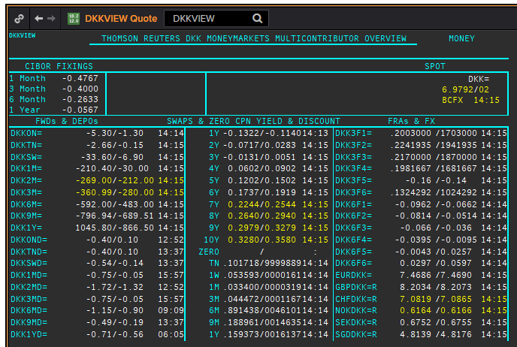
 | DKK | DKKAMTNC
 | .
 | Maturity | Type | RIC | Bid yield (%) | Ask yield (%) | Mid Yield (%) | Ee | Eb | Fe | Fb | Bid/ask | Currency | Tenor
 | 1M | OIS | DKKAMTNC1M= | #NAME? | #NAME? | #NAME? | 1 | 1 | 1 | 1 | MID | DKK | 0
 | 2M | OIS | DKKAMTNC2M= | #NAME? | #NAME? | #NAME? | 1 | 1 | 1 | 1 | MID | DKK | 0
 | 3M | OIS | DKKAMTNC3M= | #NAME? | #NAME? | #NAME? | 1 | 1 | 1 | 1 | MID | DKK | 0
 | 6M | OIS | DKKAMTNC6M= | #NAME? | #NAME? | #NAME? | 1 | 1 | 1 | 1 | MID | DKK | 0
 | 9M | OIS | DKKAMTNC9M= | #NAME? | #NAME? | #NAME? | 1 | 1 | 1 | 1 | MID | DKK | 0
 | 1Y | OIS | DKKAMTNC1Y= | #NAME? | #NAME? | #NAME? | 1 | 1 | 1 | 1 | MID | DKK | 0
 | 2Y | OIS | DKKAMTNC2Y= | #NAME? | #NAME? | #NAME? | 1 | 1 | 1 | 1 | MID | DKK | 0
 | 3Y | OIS | DKKAMTNC3Y= | #NAME? | #NAME? | #NAME? | 1 | 1 | 1 | 1 | MID | DKK | 0
 | 4Y | OIS | DKKAMTNC4Y= | #NAME? | #NAME? | #NAME? | 1 | 1 | 1 | 1 | MID | DKK | 0
 | 5Y | OIS | DKKAMTNC5Y= | #NAME? | #NAME? | #NAME? | 1 | 1 | 1 | 1 | MID | DKK | 0
 | SW | IBOR | CIDKKSWD= |  |  | #NAME? | 1 | 1 | 1 | 1 | MID | DKK | 0
 | 2W | IBOR | CIDKK2WD= |  |  | #NAME? | 1 | 1 | 1 | 1 | MID | DKK | 0
 | 1M | IBOR | CIDKK1MD= |  |  | #NAME? | 1 | 1 | 1 | 1 | MID | DKK | 0
 | 2M | IBOR | CIDKK2MD= |  |  | #NAME? | 1 | 1 | 1 | 1 | MID | DKK | 0
 | 3M | IBOR | CIDKK3MD= |  |  | #NAME? | 1 | 1 | 1 | 1 | MID | DKK | 0
 | 6M | IBOR | CIDKK6MD= |  |  | #NAME? | 1 | 1 | 1 | 1 | MID | DKK | 0
 | 9M | IBOR | CIDKK9MD= |  |  | #NAME? | 1 | 1 | 1 | 1 | MID | DKK | 0
 | 1Y | IBOR | CIDKK1YD= |  |  | #NAME? | 1 | 1 | 1 | 1 | MID | DKK | 0
3#1 | 6M | FRA | DKK3F1= | #NAME? | #NAME? | #NAME? | 1 | 1 | 1 | 1 | MID | DKK | 3M
3#2 | 9M | FRA | DKK3F2= | #NAME? | #NAME? | #NAME? | 1 | 1 | 1 | 1 | MID | DKK | 3M
3#3 | 1Y | FRA | DKK3F3= | #NAME? | #NAME? | #NAME? | 1 | 1 | 1 | 1 | MID | DKK | 3M
3#4 | 15M | FRA | DKK3F4= | #NAME? | #NAME? | #NAME? | 1 | 1 | 1 | 1 | MID | DKK | 3M
3#5 | 18M | FRA | DKK3F5= | #NAME? | #NAME? | #NAME? | 1 | 1 | 1 | 1 | MID | DKK | 3M
3#6 | 21M | FRA | DKK3F6= | #NAME? | #NAME? | #NAME? | 1 | 1 | 1 | 1 | MID | DKK | 3M
3#7 | 2Y | FRA | DKK3F7= | #NAME? | #NAME? | #NAME? | 1 | 1 | 1 | 1 | MID | DKK | 3M
3#8 | 2.25Y | FRA | DKK3F8= | #NAME? | #NAME? | #NAME? | 1 | 1 | 1 | 1 | MID | DKK | 3M
3#9 | 2.5Y | FRA | DKK3F9= | #NAME? | #NAME? | #NAME? | 1 | 1 | 1 | 1 | MID | DKK | 3M
3#10 | 2.75Y | FRA | DKK3F10= | #NAME? | #NAME? | #NAME? | 1 | 1 | 1 | 1 | MID | DKK | 3M
6#1 | 1Y | FRA | DKK6F1= | #NAME? | #NAME? | #NAME? | 1 | 1 | 1 | 1 | MID | DKK | 6M
6#2 | 1.5Y | FRA | DKK6F2= | #NAME? | #NAME? | #NAME? | 1 | 1 | 1 | 1 | MID | DKK | 6M
6#3 | 2Y | FRA | DKK6F3= | #NAME? | #NAME? | #NAME? | 1 | 1 | 1 | 1 | MID | DKK | 6M
6#4 | 2.5Y | FRA | DKK6F4= | #NAME? | #NAME? | #NAME? | 1 | 1 | 1 | 1 | MID | DKK | 6M
6#5 | 3Y | FRA | DKK6F5= | #NAME? | #NAME? | #NAME? | 1 | 1 | 1 | 1 | MID | DKK | 6M
6#6 | 3.5Y | FRA | DKK6F6= | #NAME? | #NAME? | #NAME? | 1 | 1 | 1 | 1 | MID | DKK | 6M
 | 1Y | IRS | DKKAB6C1Y= | #NAME? | #NAME? | #NAME? | 1 | 1 | 1 | 1 | MID | DKK | 6M
 | 2Y | IRS | DKKAB6C2Y= | #NAME? | #NAME? | #NAME? | 1 | 1 | 1 | 1 | MID | DKK | 6M
 | 3Y | IRS | DKKAB6C3Y= | #NAME? | #NAME? | #NAME? | 1 | 1 | 1 | 1 | MID | DKK | 6M
 | 4Y | IRS | DKKAB6C4Y= | #NAME? | #NAME? | #NAME? | 1 | 1 | 1 | 1 | MID | DKK | 6M
 | 5Y | IRS | DKKAB6C5Y= | #NAME? | #NAME? | #NAME? | 1 | 1 | 1 | 1 | MID | DKK | 6M
 | 6Y | IRS | DKKAB6C6Y= | #NAME? | #NAME? | #NAME? | 1 | 1 | 1 | 1 | MID | DKK | 6M
 | 7Y | IRS | DKKAB6C7Y= | #NAME? | #NAME? | #NAME? | 1 | 1 | 1 | 1 | MID | DKK | 6M
 | 8Y | IRS | DKKAB6C8Y= | #NAME? | #NAME? | #NAME? | 1 | 1 | 1 | 1 | MID | DKK | 6M
 | 9Y | IRS | DKKAB6C9Y= | #NAME? | #NAME? | #NAME? | 1 | 1 | 1 | 1 | MID | DKK | 6M
 | 10Y | IRS | DKKAB6C10Y= | #NAME? | #NAME? | #NAME? | 1 | 1 | 1 | 1 | MID | DKK | 6M
 | 12Y | IRS | DKKAB6C12Y= | #NAME? | #NAME? | #NAME? | 1 | 1 | 1 | 1 | MID | DKK | 6M
 | 15Y | IRS | DKKAB6C15Y= | #NAME? | #NAME? | #NAME? | 1 | 1 | 1 | 1 | MID | DKK | 6M
 | 20Y | IRS | DKKAB6C20Y= | #NAME? | #NAME? | #NAME? | 1 | 1 | 1 | 1 | MID | DKK | 6M
 | 25Y | IRS | DKKAB6C25Y= | #NAME? | #NAME? | #NAME? | 1 | 1 | 1 | 1 | MID | DKK | 6M
 | 30Y | IRS | DKKAB6C30Y= | #NAME? | #NAME? | #NAME? | 1 | 1 | 1 | 1 | MID | DKK | 6M

GBP
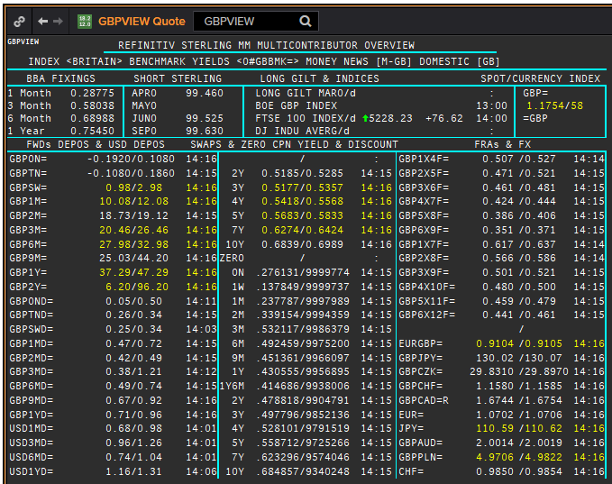
GBP | GBP
.
Maturity | Type | RIC | Bid yield (%) | Ask yield (%) | Mid Yield (%) | Ee | Eb | Fe | Fb | Bid/ask | Currency | Tenor
SW | OIS | GBPSWOIS= | #NAME? | #NAME? | #NAME? | 1 | 1 | 1 | 1 | MID | GBP | 0
2W | OIS | GBP2WOIS= | #NAME? | #NAME? | #NAME? | 1 | 1 | 1 | 1 | MID | GBP | 0
1M | OIS | GBP1MOIS= | #NAME? | #NAME? | #NAME? | 1 | 1 | 1 | 1 | MID | GBP | 0
2M | OIS | GBP2MOIS= | #NAME? | #NAME? | #NAME? | 1 | 1 | 1 | 1 | MID | GBP | 0
3M | OIS | GBP3MOIS= | #NAME? | #NAME? | #NAME? | 1 | 1 | 1 | 1 | MID | GBP | 0
4M | OIS | GBP4MOIS= | #NAME? | #NAME? | #NAME? | 1 | 1 | 1 | 1 | MID | GBP | 0
5M | OIS | GBP5MOIS= | #NAME? | #NAME? | #NAME? | 1 | 1 | 1 | 1 | MID | GBP | 0
6M | OIS | GBP6MOIS= | #NAME? | #NAME? | #NAME? | 1 | 1 | 1 | 1 | MID | GBP | 0
7M | OIS | GBP7MOIS= | #NAME? | #NAME? | #NAME? | 1 | 1 | 1 | 1 | MID | GBP | 0
8M | OIS | GBP8MOIS= | #NAME? | #NAME? | #NAME? | 1 | 1 | 1 | 1 | MID | GBP | 0
9M | OIS | GBP9MOIS= | #NAME? | #NAME? | #NAME? | 1 | 1 | 1 | 1 | MID | GBP | 0
10M | OIS | GBP10MOIS= | #NAME? | #NAME? | #NAME? | 1 | 1 | 1 | 1 | MID | GBP | 0
11M | OIS | GBP11MOIS= | #NAME? | #NAME? | #NAME? | 1 | 1 | 1 | 1 | MID | GBP | 0
1Y | OIS | GBP1YOIS= | #NAME? | #NAME? | #NAME? | 1 | 1 | 1 | 1 | MID | GBP | 0
18M | OIS | GBP18MOIS= | #NAME? | #NAME? | #NAME? | 1 | 1 | 1 | 1 | MID | GBP | 0
2Y | OIS | GBP2YOIS= | #NAME? | #NAME? | #NAME? | 1 | 1 | 1 | 1 | MID | GBP | 0
3Y | OIS | GBP3YOIS= | #NAME? | #NAME? | #NAME? | 1 | 1 | 1 | 1 | MID | GBP | 0
ON | IBOR | GBPONFSR= |  |  | #NAME? | 1 | 1 | 1 | 1 | MID | GBP | 0
SW | IBOR | GBPSWFSR= |  |  | #NAME? | 1 | 1 | 1 | 1 | MID | GBP | 0
1M | IBOR | GBP1MFSR= |  |  | #NAME? | 1 | 1 | 1 | 1 | MID | GBP | 0
2M | IBOR | GBP2MFSR= |  |  | #NAME? | 1 | 1 | 1 | 1 | MID | GBP | 0
3M | IBOR | GBP3MFSR= |  |  | #NAME? | 1 | 1 | 1 | 1 | MID | GBP | 0
6M | IBOR | GBP6MFSR= |  |  | #NAME? | 1 | 1 | 1 | 1 | MID | GBP | 0
1Y | IBOR | GBP1YFSR= |  |  | #NAME? | 1 | 1 | 1 | 1 | MID | GBP | 0
1X4 | FRA | GBP1X4F= | #NAME? | #NAME? | #NAME? | 1 | 1 | 1 | 1 | MID | GBP | 3M
2X5 | FRA | GBP2X5F= | #NAME? | #NAME? | #NAME? | 1 | 1 | 1 | 1 | MID | GBP | 3M
3X6 | FRA | GBP3X6F= | #NAME? | #NAME? | #NAME? | 1 | 1 | 1 | 1 | MID | GBP | 3M
4X7 | FRA | GBP4X7F= | #NAME? | #NAME? | #NAME? | 1 | 1 | 1 | 1 | MID | GBP | 3M
5X8 | FRA | GBP5X8F= | #NAME? | #NAME? | #NAME? | 1 | 1 | 1 | 1 | MID | GBP | 3M
6X9 | FRA | GBP6X9F= | #NAME? | #NAME? | #NAME? | 1 | 1 | 1 | 1 | MID | GBP | 3M
7X10 | FRA | GBP7X10F= | #NAME? | #NAME? | #NAME? | 1 | 1 | 1 | 1 | MID | GBP | 3M
8X11 | FRA | GBP8X11F= | #NAME? | #NAME? | #NAME? | 1 | 1 | 1 | 1 | MID | GBP | 3M
9X12 | FRA | GBP9X12F= | #NAME? | #NAME? | #NAME? | 1 | 1 | 1 | 1 | MID | GBP | 3M
1X7 | FRA | GBP1X7F= | #NAME? | #NAME? | #NAME? | 1 | 1 | 1 | 1 | MID | GBP | 6M
2X8 | FRA | GBP2X8F= | #NAME? | #NAME? | #NAME? | 1 | 1 | 1 | 1 | MID | GBP | 6M
3X9 | FRA | GBP3X9F= | #NAME? | #NAME? | #NAME? | 1 | 1 | 1 | 1 | MID | GBP | 6M
4X10 | FRA | GBP4X10F= | #NAME? | #NAME? | #NAME? | 1 | 1 | 1 | 1 | MID | GBP | 6M
5X11 | FRA | GBP5X11F= | #NAME? | #NAME? | #NAME? | 1 | 1 | 1 | 1 | MID | GBP | 6M
6X12 | FRA | GBP6X12F= | #NAME? | #NAME? | #NAME? | 1 | 1 | 1 | 1 | MID | GBP | 6M
8X14 | FRA | GBP8X14F= | #NAME? | #NAME? | #NAME? | 1 | 1 | 1 | 1 | MID | GBP | 6M
12X18 | FRA | GBP12X18F= | #NAME? | #NAME? | #NAME? | 1 | 1 | 1 | 1 | MID | GBP | 6M
1Y | IRS | GBPSB6L1Y= | #NAME? | #NAME? | #NAME? | 1 | 1 | 1 | 1 | MID | GBP | 6M
2Y | IRS | GBPSB6L2Y= | #NAME? | #NAME? | #NAME? | 1 | 1 | 1 | 1 | MID | GBP | 6M
3Y | IRS | GBPSB6L3Y= | #NAME? | #NAME? | #NAME? | 1 | 1 | 1 | 1 | MID | GBP | 6M
4Y | IRS | GBPSB6L4Y= | #NAME? | #NAME? | #NAME? | 1 | 1 | 1 | 1 | MID | GBP | 6M
5Y | IRS | GBPSB6L5Y= | #NAME? | #NAME? | #NAME? | 1 | 1 | 1 | 1 | MID | GBP | 6M
6Y | IRS | GBPSB6L6Y= | #NAME? | #NAME? | #NAME? | 1 | 1 | 1 | 1 | MID | GBP | 6M
7Y | IRS | GBPSB6L7Y= | #NAME? | #NAME? | #NAME? | 1 | 1 | 1 | 1 | MID | GBP | 6M
8Y | IRS | GBPSB6L8Y= | #NAME? | #NAME? | #NAME? | 1 | 1 | 1 | 1 | MID | GBP | 6M
9Y | IRS | GBPSB6L9Y= | #NAME? | #NAME? | #NAME? | 1 | 1 | 1 | 1 | MID | GBP | 6M
10Y | IRS | GBPSB6L10Y= | #NAME? | #NAME? | #NAME? | 1 | 1 | 1 | 1 | MID | GBP | 6M
12Y | IRS | GBPSB6L12Y= | #NAME? | #NAME? | #NAME? | 1 | 1 | 1 | 1 | MID | GBP | 6M
15Y | IRS | GBPSB6L15Y= | #NAME? | #NAME? | #NAME? | 1 | 1 | 1 | 1 | MID | GBP | 6M
20Y | IRS | GBPSB6L20Y= | #NAME? | #NAME? | #NAME? | 1 | 1 | 1 | 1 | MID | GBP | 6M
25Y | IRS | GBPSB6L25Y= | #NAME? | #NAME? | #NAME? | 1 | 1 | 1 | 1 | MID | GBP | 6M
30Y | IRS | GBPSB6L30Y= | #NAME? | #NAME? | #NAME? | 1 | 1 | 1 | 1 | MID | GBP | 6M
40Y | IRS | GBPSB6L40Y= | #NAME? | #NAME? | #NAME? | 1 | 1 | 1 | 1 | MID | GBP | 6M
50Y | IRS | GBPSB6L50Y= | #NAME? | #NAME? | #NAME? | 1 | 1 | 1 | 1 | MID | GBP | 6M

