SEK
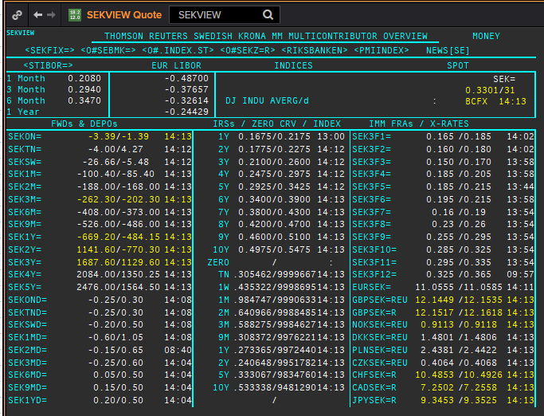
 | SEK | SEKAMTNS
 | .
 | Maturity | Type | RIC | Bid yield (%) | Ask yield (%) | Mid Yield (%) | Ee | Eb | Fe | Fb | Bid/ask | Currency
 | 1M | OIS | SEKAMTNS1M= | #NAME? | #NAME? | #NAME? | 1 | 1 | 1 | 1 | MID | SEK
 | 2M | OIS | SEKAMTNS2M= | #NAME? | #NAME? | #NAME? | 1 | 1 | 1 | 1 | MID | SEK
 | 3M | OIS | SEKAMTNS3M= | #NAME? | #NAME? | #NAME? | 1 | 1 | 1 | 1 | MID | SEK
 | 6M | OIS | SEKAMTNS6M= | #NAME? | #NAME? | #NAME? | 1 | 1 | 1 | 1 | MID | SEK
 | 9M | OIS | SEKAMTNS9M= | #NAME? | #NAME? | #NAME? | 1 | 1 | 1 | 1 | MID | SEK
 | 1Y | OIS | SEKAMTNS1Y= | #NAME? | #NAME? | #NAME? | 1 | 1 | 1 | 1 | MID | SEK
 | 2Y | OIS | SEKAMTNS2Y= | #NAME? | #NAME? | #NAME? | 1 | 1 | 1 | 1 | MID | SEK
 | 3Y | OIS | SEKAMTNS3Y= | #NAME? | #NAME? | #NAME? | 1 | 1 | 1 | 1 | MID | SEK
 | 4Y | OIS | SEKAMTNS4Y= | #NAME? | #NAME? | #NAME? | 1 | 1 | 1 | 1 | MID | SEK
 | 5Y | OIS | SEKAMTNS5Y= | #NAME? | #NAME? | #NAME? | 1 | 1 | 1 | 1 | MID | SEK
 | 6Y | OIS | SEKAMTNS6Y= | #NAME? | #NAME? | #NAME? | 1 | 1 | 1 | 1 | MID | SEK
 | 7Y | OIS | SEKAMTNS7Y= | #NAME? | #NAME? | #NAME? | 1 | 1 | 1 | 1 | MID | SEK
 | 8Y | OIS | SEKAMTNS8Y= | #NAME? | #NAME? | #NAME? | 1 | 1 | 1 | 1 | MID | SEK
 | 9Y | OIS | SEKAMTNS9Y= | #NAME? | #NAME? | #NAME? | 1 | 1 | 1 | 1 | MID | SEK
 | 10Y | OIS | SEKAMTNS10Y= | #NAME? | #NAME? | #NAME? | 1 | 1 | 1 | 1 | MID | SEK
 | 12Y | OIS | SEKAMTNS12Y= | #NAME? | #NAME? | #NAME? | 1 | 1 | 1 | 1 | MID | SEK
 | 15Y | OIS | SEKAMTNS15Y= | #NAME? | #NAME? | #NAME? | 1 | 1 | 1 | 1 | MID | SEK
 | 20Y | OIS | SEKAMTNS20Y= | #NAME? | #NAME? | #NAME? | 1 | 1 | 1 | 1 | MID | SEK
 | 25Y | OIS | SEKAMTNS25Y= | #NAME? | #NAME? | #NAME? | 1 | 1 | 1 | 1 | MID | SEK
 | 30Y | OIS | SEKAMTNS30Y= | #NAME? | #NAME? | #NAME? | 1 | 1 | 1 | 1 | MID | SEK
 | TN | IBOR | STISEKTNDFI= |  |  | #NAME? | 1 | 1 | 1 | 1 | MID | SEK
? | 1W | IBOR | STISEK1WFDI= |  |  | #NAME? | 1 | 1 | 1 | 1 | MID | SEK
? | 1M | IBOR | STISEK1MDFI= |  |  | #NAME? | 1 | 1 | 1 | 1 | MID | SEK
? | 2M | IBOR | STISEK2MDFI= |  |  | #NAME? | 1 | 1 | 1 | 1 | MID | SEK
 | 3M | IBOR | STISEK3MDFI= |  |  | #NAME? | 1 | 1 | 1 | 1 | MID | SEK
? | 6M | IBOR | STISEK6MDFI= |  |  | #NAME? | 1 | 1 | 1 | 1 | MID | SEK
 | 6M | FRA | SEK3F1= | #NAME? | #NAME? | #NAME? | 1 | 1 | 1 | 1 | MID | SEK
 | 9M | FRA | SEK3F2= | #NAME? | #NAME? | #NAME? | 1 | 1 | 1 | 1 | MID | SEK
 | 1Y | FRA | SEK3F3= | #NAME? | #NAME? | #NAME? | 1 | 1 | 1 | 1 | MID | SEK
 | 15M | FRA | SEK3F4= | #NAME? | #NAME? | #NAME? | 1 | 1 | 1 | 1 | MID | SEK
 | 18M | FRA | SEK3F5= | #NAME? | #NAME? | #NAME? | 1 | 1 | 1 | 1 | MID | SEK
 | 21M | FRA | SEK3F6= | #NAME? | #NAME? | #NAME? | 1 | 1 | 1 | 1 | MID | SEK
 | 2Y | FRA | SEK3F7= | #NAME? | #NAME? | #NAME? | 1 | 1 | 1 | 1 | MID | SEK
 | 2.25Y | FRA | SEK3F8= | #NAME? | #NAME? | #NAME? | 1 | 1 | 1 | 1 | MID | SEK
 | 2.5Y | FRA | SEK3F9= | #NAME? | #NAME? | #NAME? | 1 | 1 | 1 | 1 | MID | SEK
 | 2.75Y | FRA | SEK3F10= | #NAME? | #NAME? | #NAME? | 1 | 1 | 1 | 1 | MID | SEK
 | 3Y | FRA | SEK3F11= | #NAME? | #NAME? | #NAME? | 1 | 1 | 1 | 1 | MID | SEK
 | 3.25Y | FRA | SEK3F12= | #NAME? | #NAME? | #NAME? | 1 | 1 | 1 | 1 | MID | SEK
 | 1Y | IRS | SEKAB3S1Y= | #NAME? | #NAME? | #NAME? | 1 | 1 | 1 | 1 | MID | SEK
? | 18M | IRS | SEKAB3S18M= | #NAME? | #NAME? | #NAME? | 1 | 1 | 1 | 1 | MID | SEK
 | 2Y | IRS | SEKAB3S2Y= | #NAME? | #NAME? | #NAME? | 1 | 1 | 1 | 1 | MID | SEK
 | 3Y | IRS | SEKAB3S3Y= | #NAME? | #NAME? | #NAME? | 1 | 1 | 1 | 1 | MID | SEK
 | 4Y | IRS | SEKAB3S4Y= | #NAME? | #NAME? | #NAME? | 1 | 1 | 1 | 1 | MID | SEK
 | 5Y | IRS | SEKAB3S5Y= | #NAME? | #NAME? | #NAME? | 1 | 1 | 1 | 1 | MID | SEK
 | 6Y | IRS | SEKAB3S6Y= | #NAME? | #NAME? | #NAME? | 1 | 1 | 1 | 1 | MID | SEK
 | 7Y | IRS | SEKAB3S7Y= | #NAME? | #NAME? | #NAME? | 1 | 1 | 1 | 1 | MID | SEK
 | 8Y | IRS | SEKAB3S8Y= | #NAME? | #NAME? | #NAME? | 1 | 1 | 1 | 1 | MID | SEK
 | 9Y | IRS | SEKAB3S9Y= | #NAME? | #NAME? | #NAME? | 1 | 1 | 1 | 1 | MID | SEK
 | 10Y | IRS | SEKAB3S10Y= | #NAME? | #NAME? | #NAME? | 1 | 1 | 1 | 1 | MID | SEK
 | 12Y | IRS | SEKAB3S12Y= | #NAME? | #NAME? | #NAME? | 1 | 1 | 1 | 1 | MID | SEK
 | 15Y | IRS | SEKAB3S15Y= | #NAME? | #NAME? | #NAME? | 1 | 1 | 1 | 1 | MID | SEK
 | 20Y | IRS | SEKAB3S20Y= | #NAME? | #NAME? | #NAME? | 1 | 1 | 1 | 1 | MID | SEK
 | 30Y | IRS | SEKAB3S30Y= | #NAME? | #NAME? | #NAME? | 1 | 1 | 1 | 1 | MID | SEK

USD
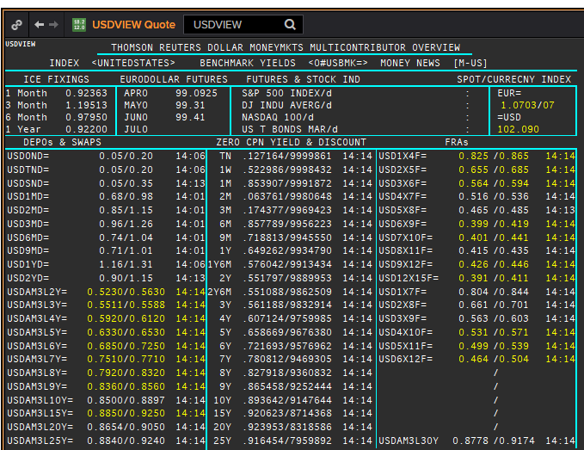
USD | USD
.
Maturity | Type | RIC | Bid yield (%) | Ask yield (%) | Mid Yield (%) | Ee | Eb | Fe | Fb | Bid/ask | Currency
1M | OIS | USD1MOIS= | #NAME? | #NAME? | #NAME? | 1 | 1 | 1 | 1 | MID | USD
2M | OIS | USD2MOIS= | #NAME? | #NAME? | #NAME? | 1 | 1 | 1 | 1 | MID | USD
3M | OIS | USD3MOIS= | #NAME? | #NAME? | #NAME? | 1 | 1 | 1 | 1 | MID | USD
4M | OIS | USD4MOIS= | #NAME? | #NAME? | #NAME? | 1 | 1 | 1 | 1 | MID | USD
5M | OIS | USD5MOIS= | #NAME? | #NAME? | #NAME? | 1 | 1 | 1 | 1 | MID | USD
6M | OIS | USD6MOIS= | #NAME? | #NAME? | #NAME? | 1 | 1 | 1 | 1 | MID | USD
7M | OIS | USD7MOIS= | #NAME? | #NAME? | #NAME? | 1 | 1 | 1 | 1 | MID | USD
8M | OIS | USD8MOIS= | #NAME? | #NAME? | #NAME? | 1 | 1 | 1 | 1 | MID | USD
9M | OIS | USD9MOIS= | #NAME? | #NAME? | #NAME? | 1 | 1 | 1 | 1 | MID | USD
10M | OIS | USD10MOIS= | #NAME? | #NAME? | #NAME? | 1 | 1 | 1 | 1 | MID | USD
11M | OIS | USD11MOIS= | #NAME? | #NAME? | #NAME? | 1 | 1 | 1 | 1 | MID | USD
1Y | OIS | USD1YOIS= | #NAME? | #NAME? | #NAME? | 1 | 1 | 1 | 1 | MID | USD
2Y | OIS | USD2YOIS= | #NAME? | #NAME? | #NAME? | 1 | 1 | 1 | 1 | MID | USD
ON | IBOR | USDONFSR= |  |  | #NAME? | 1 | 1 | 1 | 1 | MID | USD
3M | IBOR | USD3MFSR= |  |  | #NAME? | 1 | 1 | 1 | 1 | MID | USD
6M | FRA | USD3X6F= | #NAME? | #NAME? | #NAME? | 1 | 1 | 1 | 1 | MID | USD
9M | FRA | USD6X9F= | #NAME? | #NAME? | #NAME? | 1 | 1 | 1 | 1 | MID | USD
1Y | FRA | USD9X12F= | #NAME? | #NAME? | #NAME? | 1 | 1 | 1 | 1 | MID | USD
15M | FRA | USD12X15F= | #NAME? | #NAME? | #NAME? | 1 | 1 | 1 | 1 | MID | USD
18M | FRA | USD15X18F= | #NAME? | #NAME? | #NAME? | 1 | 1 | 1 | 1 | MID | USD
21M | FRA | USD18X21F= | #NAME? | #NAME? | #NAME? | 1 | 1 | 1 | 1 | MID | USD
1Y | IRS | USDAM3L1Y= | #NAME? | #NAME? | #NAME? | 1 | 1 | 1 | 1 | MID | USD
2Y | IRS | USDAM3L2Y= | #NAME? | #NAME? | #NAME? | 1 | 1 | 1 | 1 | MID | USD
3Y | IRS | USDAM3L3Y= | #NAME? | #NAME? | #NAME? | 1 | 1 | 1 | 1 | MID | USD
4Y | IRS | USDAM3L4Y= | #NAME? | #NAME? | #NAME? | 1 | 1 | 1 | 1 | MID | USD
5Y | IRS | USDAM3L5Y= | #NAME? | #NAME? | #NAME? | 1 | 1 | 1 | 1 | MID | USD
6Y | IRS | USDAM3L6Y= | #NAME? | #NAME? | #NAME? | 1 | 1 | 1 | 1 | MID | USD
7Y | IRS | USDAM3L7Y= | #NAME? | #NAME? | #NAME? | 1 | 1 | 1 | 1 | MID | USD
8Y | IRS | USDAM3L8Y= | #NAME? | #NAME? | #NAME? | 1 | 1 | 1 | 1 | MID | USD
9Y | IRS | USDAM3L9Y= | #NAME? | #NAME? | #NAME? | 1 | 1 | 1 | 1 | MID | USD
10Y | IRS | USDAM3L10Y= | #NAME? | #NAME? | #NAME? | 1 | 1 | 1 | 1 | MID | USD
12Y | IRS | USDAM3L12Y= | #NAME? | #NAME? | #NAME? | 1 | 1 | 1 | 1 | MID | USD
15Y | IRS | USDAM3L15Y= | #NAME? | #NAME? | #NAME? | 1 | 1 | 1 | 1 | MID | USD
20Y | IRS | USDAM3L20Y= | #NAME? | #NAME? | #NAME? | 1 | 1 | 1 | 1 | MID | USD
25Y | IRS | USDAM3L25Y= | #NAME? | #NAME? | #NAME? | 1 | 1 | 1 | 1 | MID | USD
30Y | IRS | USDAM3L30Y= | #NAME? | #NAME? | #NAME? | 1 | 1 | 1 | 1 | MID | USD

NOK
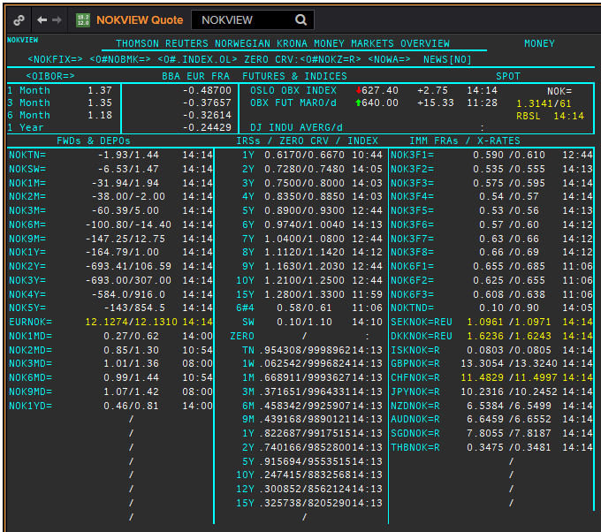
 | NOK | NOK
 | .
 | Maturity | Type | RIC | Bid yield (%) | Ask yield (%) | Mid Yield (%) | Ee | Eb | Fe | Fb | Bid/ask | Currency
 | 6M | FRA | NOK3F1= | #NAME? | #NAME? | #NAME? | 1 | 1 | 1 | 1 | MID | NOK
 | 9M | FRA | NOK3F2= | #NAME? | #NAME? | #NAME? | 1 | 1 | 1 | 1 | MID | NOK
 | 1Y | FRA | NOK3F3= | #NAME? | #NAME? | #NAME? | 1 | 1 | 1 | 1 | MID | NOK
 | 15M | FRA | NOK3F4= | #NAME? | #NAME? | #NAME? | 1 | 1 | 1 | 1 | MID | NOK
 | 18M | FRA | NOK3F5= | #NAME? | #NAME? | #NAME? | 1 | 1 | 1 | 1 | MID | NOK
 | 21M | FRA | NOK3F6= | #NAME? | #NAME? | #NAME? | 1 | 1 | 1 | 1 | MID | NOK
 | 2Y | FRA | NOK3F7= | #NAME? | #NAME? | #NAME? | 1 | 1 | 1 | 1 | MID | NOK
 | 2.25Y | FRA | NOK3F8= | #NAME? | #NAME? | #NAME? | 1 | 1 | 1 | 1 | MID | NOK
 | 2.5Y | FRA | NOK3F9= | #NAME? | #NAME? | #NAME? | 1 | 1 | 1 | 1 | MID | NOK
 | 2.75Y | FRA | NOK3F10= | #NAME? | #NAME? | #NAME? | 1 | 1 | 1 | 1 | MID | NOK
 | 3Y | FRA | NOK3F11= | #NAME? | #NAME? | #NAME? | 1 | 1 | 1 | 1 | MID | NOK
 | 3.25Y | FRA | NOK3F12= | #NAME? | #NAME? | #NAME? | 1 | 1 | 1 | 1 | MID | NOK
MATURITY? | 1Y | FRA | NOK6F1= | #NAME? | #NAME? | #NAME? | 1 | 1 | 1 | 1 | MID | NOK
MATURITY? | 1.5Y | FRA | NOK6F2= | #NAME? | #NAME? | #NAME? | 1 | 1 | 1 | 1 | MID | NOK
MATURITY? | 2Y | FRA | NOK6F3= | #NAME? | #NAME? | #NAME? | 1 | 1 | 1 | 1 | MID | NOK
MATURITY? | 2.5Y | FRA | NOK6F4= | #NAME? | #NAME? | #NAME? | 1 | 1 | 1 | 1 | MID | NOK
 | 1W/SW | IBOR | /OINOKSWD= |  |  | #NAME? | 1 | 1 | 1 | 1 | MID | NOK
 | 1M | IBOR | /OINOK1MD= |  |  | #NAME? | 1 | 1 | 1 | 1 | MID | NOK
 | 2M | IBOR | /OINOK2MD= |  |  | #NAME? | 1 | 1 | 1 | 1 | MID | NOK
 | 3M | IBOR | /OINOK3MD= |  |  | #NAME? | 1 | 1 | 1 | 1 | MID | NOK
 | 6M | IBOR | /OINOK6MD= |  |  | #NAME? | 1 | 1 | 1 | 1 | MID | NOK
 | 1Y | IRS | NOKAB3O1Y= | #NAME? | #NAME? | #NAME? | 1 | 1 | 1 | 1 | MID | NOK
 | 2Y | IRS | NOKAB6O2Y= | #NAME? | #NAME? | #NAME? | 1 | 1 | 1 | 1 | MID | NOK
 | 3Y | IRS | NOKAB6O3Y= | #NAME? | #NAME? | #NAME? | 1 | 1 | 1 | 1 | MID | NOK
 | 4Y | IRS | NOKAB6O4Y= | #NAME? | #NAME? | #NAME? | 1 | 1 | 1 | 1 | MID | NOK
 | 5Y | IRS | NOKAB6O5Y= | #NAME? | #NAME? | #NAME? | 1 | 1 | 1 | 1 | MID | NOK
 | 6Y | IRS | NOKAB6O6Y= | #NAME? | #NAME? | #NAME? | 1 | 1 | 1 | 1 | MID | NOK
 | 7Y | IRS | NOKAB6O7Y= | #NAME? | #NAME? | #NAME? | 1 | 1 | 1 | 1 | MID | NOK
 | 8Y | IRS | NOKAB6O8Y= | #NAME? | #NAME? | #NAME? | 1 | 1 | 1 | 1 | MID | NOK
 | 9Y | IRS | NOKAB6O9Y= | #NAME? | #NAME? | #NAME? | 1 | 1 | 1 | 1 | MID | NOK
 | 10Y | IRS | NOKAB6O10Y= | #NAME? | #NAME? | #NAME? | 1 | 1 | 1 | 1 | MID | NOK
 | 15Y | IRS | NOKAB6O15Y= | #NAME? | #NAME? | #NAME? | 1 | 1 | 1 | 1 | MID | NOK

EUR
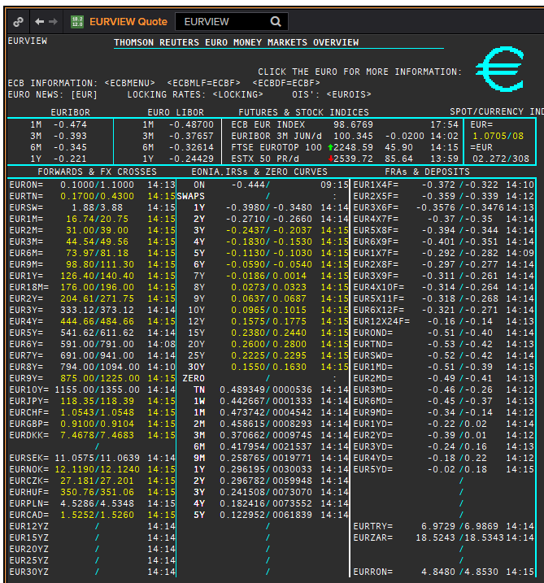
EUR | EUREON
.
Maturity | Type | RIC | Bid yield (%) | Ask yield (%) | Mid Yield (%) | Ee | Eb | Fe | Fb | Bid/ask | Currency
1M | OIS | EUREON1M= | #NAME? | #NAME? | #NAME? | 1 | 1 | 1 | 1 | MID | EUR
2M | OIS | EUREON2M= | #NAME? | #NAME? | #NAME? | 1 | 1 | 1 | 1 | MID | EUR
3M | OIS | EUREON3M= | #NAME? | #NAME? | #NAME? | 1 | 1 | 1 | 1 | MID | EUR
4M | OIS | EUREON4M= | #NAME? | #NAME? | #NAME? | 1 | 1 | 1 | 1 | MID | EUR
5M | OIS | EUREON5M= | #NAME? | #NAME? | #NAME? | 1 | 1 | 1 | 1 | MID | EUR
6M | OIS | EUREON6M= | #NAME? | #NAME? | #NAME? | 1 | 1 | 1 | 1 | MID | EUR
7M | OIS | EUREON7M= | #NAME? | #NAME? | #NAME? | 1 | 1 | 1 | 1 | MID | EUR
8M | OIS | EUREON8M= | #NAME? | #NAME? | #NAME? | 1 | 1 | 1 | 1 | MID | EUR
9M | OIS | EUREON9M= | #NAME? | #NAME? | #NAME? | 1 | 1 | 1 | 1 | MID | EUR
10M | OIS | EUREON10M= | #NAME? | #NAME? | #NAME? | 1 | 1 | 1 | 1 | MID | EUR
11M | OIS | EUREON11M= | #NAME? | #NAME? | #NAME? | 1 | 1 | 1 | 1 | MID | EUR
1Y | OIS | EUREON1Y= | #NAME? | #NAME? | #NAME? | 1 | 1 | 1 | 1 | MID | EUR
15M | OIS | EUREON15M= | #NAME? | #NAME? | #NAME? | 1 | 1 | 1 | 1 | MID | EUR
18M | OIS | EUREON18M= | #NAME? | #NAME? | #NAME? | 1 | 1 | 1 | 1 | MID | EUR
21M | OIS | EUREON21M= | #NAME? | #NAME? | #NAME? | 1 | 1 | 1 | 1 | MID | EUR
2Y | OIS | EUREON2Y= | #NAME? | #NAME? | #NAME? | 1 | 1 | 1 | 1 | MID | EUR
3Y | OIS | EUREON3Y= | #NAME? | #NAME? | #NAME? | 1 | 1 | 1 | 1 | MID | EUR
4Y | OIS | EUREON4Y= | #NAME? | #NAME? | #NAME? | 1 | 1 | 1 | 1 | MID | EUR
5Y | OIS | EUREON5Y= | #NAME? | #NAME? | #NAME? | 1 | 1 | 1 | 1 | MID | EUR
6Y | OIS | EUREON6Y= | #NAME? | #NAME? | #NAME? | 1 | 1 | 1 | 1 | MID | EUR
7Y | OIS | EUREON7Y= | #NAME? | #NAME? | #NAME? | 1 | 1 | 1 | 1 | MID | EUR
8Y | OIS | EUREON8Y= | #NAME? | #NAME? | #NAME? | 1 | 1 | 1 | 1 | MID | EUR
9Y | OIS | EUREON9Y= | #NAME? | #NAME? | #NAME? | 1 | 1 | 1 | 1 | MID | EUR
10Y | OIS | EUREON10Y= | #NAME? | #NAME? | #NAME? | 1 | 1 | 1 | 1 | MID | EUR

1W | IBOR | EURIBOR02 |  |  | #NAME? | 1 | 1 | 1 | 1 | MID | EUR
2W | IBOR | EURIBOR16 |  |  | #NAME? | 1 | 1 | 1 | 1 | MID | EUR
3W | IBOR | EURIBOR17 |  |  | #NAME? | 1 | 1 | 1 | 1 | MID | EUR
1M | IBOR | EURIBOR03 |  |  | #NAME? | 1 | 1 | 1 | 1 | MID | EUR
2M | IBOR | EURIBOR04 |  |  | #NAME? | 1 | 1 | 1 | 1 | MID | EUR
3M | IBOR | EURIBOR05 |  |  | #NAME? | 1 | 1 | 1 | 1 | MID | EUR
4M | IBOR | EURIBOR06 |  |  | #NAME? | 1 | 1 | 1 | 1 | MID | EUR
5M | IBOR | EURIBOR07 |  |  | #NAME? | 1 | 1 | 1 | 1 | MID | EUR
6M | IBOR | EURIBOR08 |  |  | #NAME? | 1 | 1 | 1 | 1 | MID | EUR
7M | IBOR | EURIBOR09 |  |  | #NAME? | 1 | 1 | 1 | 1 | MID | EUR
8M | IBOR | EURIBOR10 |  |  | #NAME? | 1 | 1 | 1 | 1 | MID | EUR
9M | IBOR | EURIBOR11 |  |  | #NAME? | 1 | 1 | 1 | 1 | MID | EUR
10M | IBOR | EURIBOR12 |  |  | #NAME? | 1 | 1 | 1 | 1 | MID | EUR
11M | IBOR | EURIBOR13 |  |  | #NAME? | 1 | 1 | 1 | 1 | MID | EUR
12M | IBOR | EURIBOR14 |  |  | #NAME? | 1 | 1 | 1 | 1 | MID | EUR

1Y | IRS | EURAB6E1Y= | #NAME? | #NAME? | #NAME? | 1 | 1 | 1 | 1 | MID | EUR
18M | IRS | EURAB6E18M= | #NAME? | #NAME? | #NAME? | 1 | 1 | 1 | 1 | MID | EUR
2Y | IRS | EURAB6E2Y= | #NAME? | #NAME? | #NAME? | 1 | 1 | 1 | 1 | MID | EUR
3Y | IRS | EURAB6E3Y= | #NAME? | #NAME? | #NAME? | 1 | 1 | 1 | 1 | MID | EUR
4Y | IRS | EURAB6E4Y= | #NAME? | #NAME? | #NAME? | 1 | 1 | 1 | 1 | MID | EUR
5Y | IRS | EURAB6E5Y= | #NAME? | #NAME? | #NAME? | 1 | 1 | 1 | 1 | MID | EUR
6Y | IRS | EURAB6E6Y= | #NAME? | #NAME? | #NAME? | 1 | 1 | 1 | 1 | MID | EUR
7Y | IRS | EURAB6E7Y= | #NAME? | #NAME? | #NAME? | 1 | 1 | 1 | 1 | MID | EUR
8Y | IRS | EURAB6E8Y= | #NAME? | #NAME? | #NAME? | 1 | 1 | 1 | 1 | MID | EUR
9Y | IRS | EURAB6E9Y= | #NAME? | #NAME? | #NAME? | 1 | 1 | 1 | 1 | MID | EUR
10Y | IRS | EURAB6E10Y= | #NAME? | #NAME? | #NAME? | 1 | 1 | 1 | 1 | MID | EUR
11Y | IRS | EURAB6E11Y= | #NAME? | #NAME? | #NAME? | 1 | 1 | 1 | 1 | MID | EUR
12Y | IRS | EURAB6E12Y= | #NAME? | #NAME? | #NAME? | 1 | 1 | 1 | 1 | MID | EUR
13Y | IRS | EURAB6E13Y= | #NAME? | #NAME? | #NAME? | 1 | 1 | 1 | 1 | MID | EUR
14Y | IRS | EURAB6E14Y= | #NAME? | #NAME? | #NAME? | 1 | 1 | 1 | 1 | MID | EUR
15Y | IRS | EURAB6E15Y= | #NAME? | #NAME? | #NAME? | 1 | 1 | 1 | 1 | MID | EUR
16Y | IRS | EURAB6E16Y= | #NAME? | #NAME? | #NAME? | 1 | 1 | 1 | 1 | MID | EUR
17Y | IRS | EURAB6E17Y= | #NAME? | #NAME? | #NAME? | 1 | 1 | 1 | 1 | MID | EUR
18Y | IRS | EURAB6E18Y= | #NAME? | #NAME? | #NAME? | 1 | 1 | 1 | 1 | MID | EUR
19Y | IRS | EURAB6E19Y= | #NAME? | #NAME? | #NAME? | 1 | 1 | 1 | 1 | MID | EUR
20Y | IRS | EURAB6E20Y= | #NAME? | #NAME? | #NAME? | 1 | 1 | 1 | 1 | MID | EUR
21Y | IRS | EURAB6E21Y= | #NAME? | #NAME? | #NAME? | 1 | 1 | 1 | 1 | MID | EUR
22Y | IRS | EURAB6E22Y= | #NAME? | #NAME? | #NAME? | 1 | 1 | 1 | 1 | MID | EUR
23Y | IRS | EURAB6E23Y= | #NAME? | #NAME? | #NAME? | 1 | 1 | 1 | 1 | MID | EUR
24Y | IRS | EURAB6E24Y= | #NAME? | #NAME? | #NAME? | 1 | 1 | 1 | 1 | MID | EUR
25Y | IRS | EURAB6E25Y= | #NAME? | #NAME? | #NAME? | 1 | 1 | 1 | 1 | MID | EUR
26Y | IRS | EURAB6E26Y= | #NAME? | #NAME? | #NAME? | 1 | 1 | 1 | 1 | MID | EUR
27Y | IRS | EURAB6E27Y= | #NAME? | #NAME? | #NAME? | 1 | 1 | 1 | 1 | MID | EUR
28Y | IRS | EURAB6E28Y= | #NAME? | #NAME? | #NAME? | 1 | 1 | 1 | 1 | MID | EUR
29Y | IRS | EURAB6E29Y= | #NAME? | #NAME? | #NAME? | 1 | 1 | 1 | 1 | MID | EUR
30Y | IRS | EURAB6E30Y= | #NAME? | #NAME? | #NAME? | 1 | 1 | 1 | 1 | MID | EUR
40Y | IRS | EURAB6E40Y= | #NAME? | #NAME? | #NAME? | 1 | 1 | 1 | 1 | MID | EUR
50Y | IRS | EURAB6E50Y= | #NAME? | #NAME? | #NAME? | 1 | 1 | 1 | 1 | MID | EUR

DKK
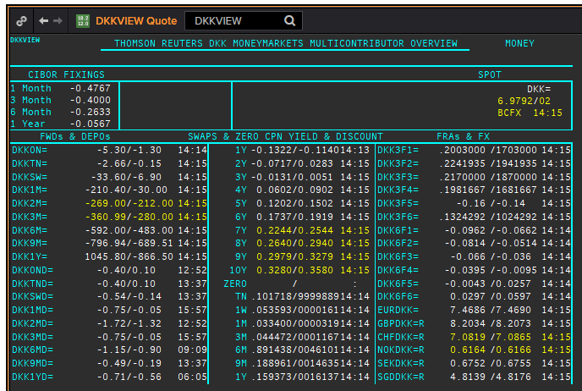
DKK | DKKAMTNC
.
Maturity | Type | RIC | Bid yield (%) | Ask yield (%) | Mid Yield (%) | Ee | Eb | Fe | Fb | Bid/ask | Currency
1M | OIS | DKKAMTNC1M= | #NAME? | #NAME? | #NAME? | 1 | 1 | 1 | 1 | MID | DKK
2M | OIS | DKKAMTNC2M= | #NAME? | #NAME? | #NAME? | 1 | 1 | 1 | 1 | MID | DKK
3M | OIS | DKKAMTNC3M= | #NAME? | #NAME? | #NAME? | 1 | 1 | 1 | 1 | MID | DKK
6M | OIS | DKKAMTNC6M= | #NAME? | #NAME? | #NAME? | 1 | 1 | 1 | 1 | MID | DKK
9M | OIS | DKKAMTNC9M= | #NAME? | #NAME? | #NAME? | 1 | 1 | 1 | 1 | MID | DKK
1Y | OIS | DKKAMTNC1Y= | #NAME? | #NAME? | #NAME? | 1 | 1 | 1 | 1 | MID | DKK
2Y | OIS | DKKAMTNC2Y= | #NAME? | #NAME? | #NAME? | 1 | 1 | 1 | 1 | MID | DKK
3Y | OIS | DKKAMTNC3Y= | #NAME? | #NAME? | #NAME? | 1 | 1 | 1 | 1 | MID | DKK
4Y | OIS | DKKAMTNC4Y= | #NAME? | #NAME? | #NAME? | 1 | 1 | 1 | 1 | MID | DKK
5Y | OIS | DKKAMTNC5Y= | #NAME? | #NAME? | #NAME? | 1 | 1 | 1 | 1 | MID | DKK

GBP
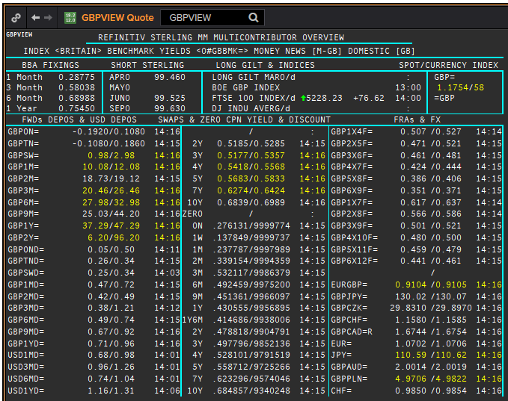
GBP | GBP
.
Maturity | Type | RIC | Bid yield (%) | Ask yield (%) | Mid Yield (%) | Ee | Eb | Fe | Fb | Bid/ask | Currency
SW | OIS | GBPSWOIS= | #NAME? | #NAME? | #NAME? | 1 | 1 | 1 | 1 | MID | GBP
2W | OIS | GBP2WOIS= | #NAME? | #NAME? | #NAME? | 1 | 1 | 1 | 1 | MID | GBP
1M | OIS | GBP1MOIS= | #NAME? | #NAME? | #NAME? | 1 | 1 | 1 | 1 | MID | GBP
2M | OIS | GBP2MOIS= | #NAME? | #NAME? | #NAME? | 1 | 1 | 1 | 1 | MID | GBP
3M | OIS | GBP3MOIS= | #NAME? | #NAME? | #NAME? | 1 | 1 | 1 | 1 | MID | GBP
4M | OIS | GBP4MOIS= | #NAME? | #NAME? | #NAME? | 1 | 1 | 1 | 1 | MID | GBP
5M | OIS | GBP5MOIS= | #NAME? | #NAME? | #NAME? | 1 | 1 | 1 | 1 | MID | GBP
6M | OIS | GBP6MOIS= | #NAME? | #NAME? | #NAME? | 1 | 1 | 1 | 1 | MID | GBP
7M | OIS | GBP7MOIS= | #NAME? | #NAME? | #NAME? | 1 | 1 | 1 | 1 | MID | GBP
8M | OIS | GBP8MOIS= | #NAME? | #NAME? | #NAME? | 1 | 1 | 1 | 1 | MID | GBP
9M | OIS | GBP9MOIS= | #NAME? | #NAME? | #NAME? | 1 | 1 | 1 | 1 | MID | GBP
10M | OIS | GBP10MOIS= | #NAME? | #NAME? | #NAME? | 1 | 1 | 1 | 1 | MID | GBP
11M | OIS | GBP11MOIS= | #NAME? | #NAME? | #NAME? | 1 | 1 | 1 | 1 | MID | GBP
1Y | OIS | GBP1YOIS= | #NAME? | #NAME? | #NAME? | 1 | 1 | 1 | 1 | MID | GBP
18M | OIS | GBP18MOIS= | #NAME? | #NAME? | #NAME? | 1 | 1 | 1 | 1 | MID | GBP
2Y | OIS | GBP2YOIS= | #NAME? | #NAME? | #NAME? | 1 | 1 | 1 | 1 | MID | GBP
3Y | OIS | GBP3YOIS= | #NAME? | #NAME? | #NAME? | 1 | 1 | 1 | 1 | MID | GBP

