SuperRICs
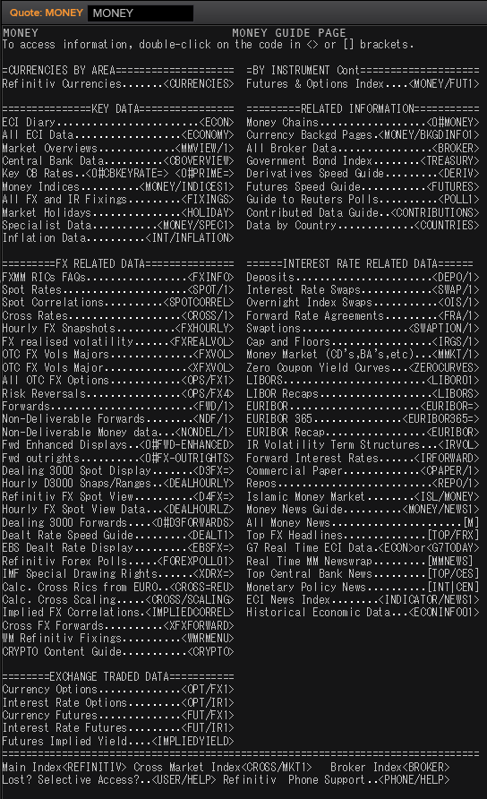
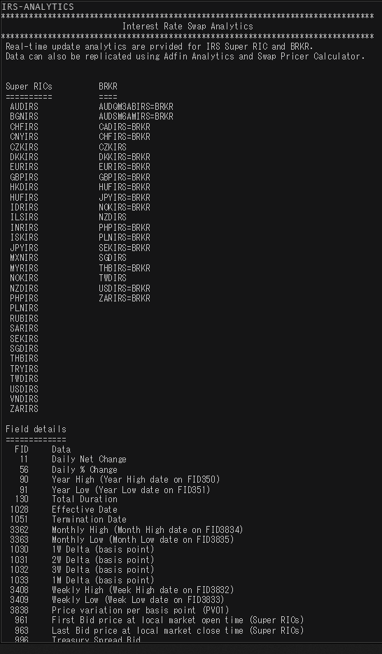
 | SEK | USD | NOK | EUR | DKK | GBP
Market Overview | SEKVIEW | USDVIEW | NOKVIEW | EURVIEW | DKKVIEW | GBPVIEW
Interest Rate Swap | SEKIRS | USDIRS | NOKIRS | EURIRS/EUR1MIRS/EUR3MIRS | DKKIRS | GBPIRS
Overnight Index Swap | SEKOIS | USDOIS | - | EUROIS | DKKTNS | GBPOIS
FRA | SEKFRA | USDFRA | NOKFRA | EURFRA | DKKFRA | GBPFRA
IBOR | STIBOR= | USDLIBOR= | OIBOR= | EURIBOR=/EURLIBOR= | CIBOR= | GBPLIBOR=

 | IRS | Tenors | Money Guide
Helpful Commands | IRS-Analytics | META & RIC | MONEY
 |  | MONEY/BKGDINFO1

SEK
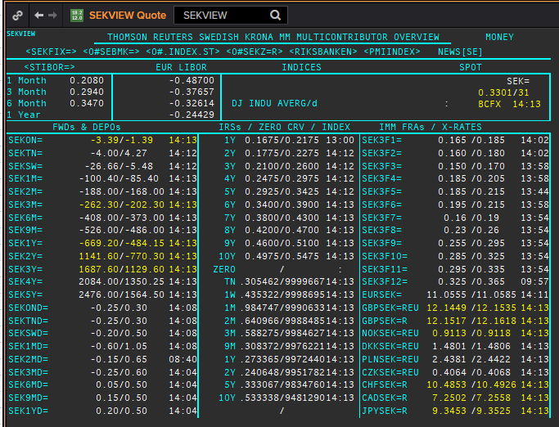
 | SEK
 | .
 | Maturity | Type | RIC | Bid yield (%) | Ask yield (%) | Mid Yield (%) | Ee | Eb | Fe | Fb | Bid/ask | Currency | Tenor | History Start | Close | Helper | Fwd Start Date
 | 1M | OIS | SEKAMTNS1M= | #NAME? | #NAME? | #NAME? | 1 | 1 | 1 | 1 | MID | SEK | 0 | #NAME? | 4.34
 | 2M | OIS | SEKAMTNS2M= | #NAME? | #NAME? | #NAME? | 1 | 1 | 1 | 1 | MID | SEK | 0 | #NAME? | 4.34
 | 3M | OIS | SEKAMTNS3M= | #NAME? | #NAME? | #NAME? | 1 | 1 | 1 | 1 | MID | SEK | 0 | #NAME? | 4.33
 | 6M | OIS | SEKAMTNS6M= | #NAME? | #NAME? | #NAME? | 1 | 1 | 1 | 1 | MID | SEK | 0 | #NAME? | 4.36
 | 9M | OIS | SEKAMTNS9M= | #NAME? | #NAME? | #NAME? | 1 | 1 | 1 | 1 | MID | SEK | 0 | #NAME? | 4.41
 | 1Y | OIS | SEKAMTNS1Y= | #NAME? | #NAME? | #NAME? | 1 | 1 | 1 | 1 | MID | SEK | 0 | #NAME? | 4.48
 | 2Y | OIS | SEKAMTNS2Y= | #NAME? | #NAME? | #NAME? | 1 | 1 | 1 | 1 | MID | SEK | 0 | #NAME? | 1.015
 | 3Y | OIS | SEKAMTNS3Y= | #NAME? | #NAME? | #NAME? | 1 | 1 | 1 | 1 | MID | SEK | 0 | #NAME? | 1.105
 | 4Y | OIS | SEKAMTNS4Y= | #NAME? | #NAME? | #NAME? | 1 | 1 | 1 | 1 | MID | SEK | 0 | #NAME? | 1.22
 | 5Y | OIS | SEKAMTNS5Y= | #NAME? | #NAME? | #NAME? | 1 | 1 | 1 | 1 | MID | SEK | 0 | #NAME? | 1.365
 | 6Y | OIS | SEKAMTNS6Y= | #NAME? | #NAME? | #NAME? | 1 | 1 | 1 | 1 | MID | SEK | 0 | #NAME? | 1.49
 | 7Y | OIS | SEKAMTNS7Y= | #NAME? | #NAME? | #NAME? | 1 | 1 | 1 | 1 | MID | SEK | 0 | #NAME? | 1.615
 | 8Y | OIS | SEKAMTNS8Y= | #NAME? | #NAME? | #NAME? | 1 | 1 | 1 | 1 | MID | SEK | 0 | #NAME? | 1.715
 | 9Y | OIS | SEKAMTNS9Y= | #NAME? | #NAME? | #NAME? | 1 | 1 | 1 | 1 | MID | SEK | 0 | #NAME? | 1.81
 | 10Y | OIS | SEKAMTNS10Y= | #NAME? | #NAME? | #NAME? | 1 | 1 | 1 | 1 | MID | SEK | 0 | #NAME? | 1.895
 | 12Y | OIS | SEKAMTNS12Y= | #NAME? | #NAME? | #NAME? | 1 | 1 | 1 | 1 | MID | SEK | 0 | #NAME? | 2.425
 | 15Y | OIS | SEKAMTNS15Y= | #NAME? | #NAME? | #NAME? | 1 | 1 | 1 | 1 | MID | SEK | 0 | #NAME? | 2.515
 | 20Y | OIS | SEKAMTNS20Y= | #NAME? | #NAME? | #NAME? | 1 | 1 | 1 | 1 | MID | SEK | 0 | #NAME? | 2.575
 | 25Y | OIS | SEKAMTNS25Y= | #NAME? | #NAME? | #NAME? | 1 | 1 | 1 | 1 | MID | SEK | 0 | #NAME? | 2.605
 | 30Y | OIS | SEKAMTNS30Y= | #NAME? | #NAME? | #NAME? | 1 | 1 | 1 | 1 | MID | SEK | 0 | #NAME? | 2.645
 | TN | IBOR | STISEKTNDFI= |  |  | #NAME? | 1 | 1 | 1 | 1 | MID | SEK | 0 | #NAME? | 4.2
Excl. CDIO | 1W | IBOR | STISEK1WDFI= |  |  | #NAME? | 1 | 1 | 1 | 1 | MID | SEK | 0 | #NAME? | 8.05
Excl. CDIO | 1M | IBOR | STISEK1MDFI= |  |  | #NAME? | 1 | 1 | 1 | 1 | MID | SEK | 0 | #NAME? | 8.1
Excl. CDIO | 2M | IBOR | STISEK2MDFI= |  |  | #NAME? | 1 | 1 | 1 | 1 | MID | SEK | 0 | #NAME? | 8.25
 | 3M | IBOR | STISEK3MDFI= |  |  | #NAME? | 1 | 1 | 1 | 1 | MID | SEK | 0 | #NAME? | 8.35
Excl. CDIO | 6M | IBOR | STISEK6MDFI= |  |  | #NAME? | 1 | 1 | 1 | 1 | MID | SEK | 0 | #NAME? | 8.6
 | 6M | FRA | SEK3F1= | #NAME? | #NAME? | #NAME? | 1 | 1 | 1 | 1 | MID | SEK | 3M | #NAME? | 8.72 | #NAME? | #NAME?
 | 9M | FRA | SEK3F2= | #NAME? | #NAME? | #NAME? | 1 | 1 | 1 | 1 | MID | SEK | 3M | #NAME? | 8.13 | #NAME? | #NAME?
 | 1Y | FRA | SEK3F3= | #NAME? | #NAME? | #NAME? | 1 | 1 | 1 | 1 | MID | SEK | 3M | #NAME? | 7.83 | #NAME? | #NAME?
 | 1.25Y | FRA | SEK3F4= | #NAME? | #NAME? | #NAME? | 1 | 1 | 1 | 1 | MID | SEK | 3M | #NAME? | 7.69 | #NAME? | #NAME?
 | 1.5Y | FRA | SEK3F5= | #NAME? | #NAME? | #NAME? | 1 | 1 | 1 | 1 | MID | SEK | 3M | #NAME? | 7.71 | #NAME? | #NAME?
 | 1.75Y | FRA | SEK3F6= | #NAME? | #NAME? | #NAME? | 1 | 1 | 1 | 1 | MID | SEK | 3M | #NAME? | 7.75 | #NAME? | #NAME?
 | 2Y | FRA | SEK3F7= | #NAME? | #NAME? | #NAME? | 1 | 1 | 1 | 1 | MID | SEK | 3M | #NAME? | 7.8 | #NAME? | #NAME?
 | 2.25Y | FRA | SEK3F8= | #NAME? | #NAME? | #NAME? | 1 | 1 | 1 | 1 | MID | SEK | 3M | #NAME? | 7.85 | #NAME? | #NAME?
 | 2.5Y | FRA | SEK3F9= | #NAME? | #NAME? | #NAME? | 1 | 1 | 1 | 1 | MID | SEK | 3M | #NAME? | 4.5 | #NAME? | #NAME?
 | 2.75Y | FRA | SEK3F10= | #NAME? | #NAME? | #NAME? | 1 | 1 | 1 | 1 | MID | SEK | 3M | #NAME? | 4.69 | #NAME? | #NAME?
 | 3Y | FRA | SEK3F11= | #NAME? | #NAME? | #NAME? | 1 | 1 | 1 | 1 | MID | SEK | 3M | #NAME? | 4.83 | #NAME? | #NAME?
 | 3.25Y | FRA | SEK3F12= | #NAME? | #NAME? | #NAME? | 1 | 1 | 1 | 1 | MID | SEK | 3M | #NAME? | 4.91 | #NAME? | #NAME?
 | 1Y | IRS | SEKAB3S1Y= | #NAME? | #NAME? | #NAME? | 1 | 1 | 1 | 1 | MID | SEK | 3M | #NAME? | 4.72
Excl. CDIO | 1.5Y | IRS | SEKAB3S18M= | #NAME? | #NAME? | #NAME? | 1 | 1 | 1 | 1 | MID | SEK | 3M | #NAME? | 3.96
 | 2Y | IRS | SEKAB3S2Y= | #NAME? | #NAME? | #NAME? | 1 | 1 | 1 | 1 | MID | SEK | 3M | #NAME? | 9.87
 | 3Y | IRS | SEKAB3S3Y= | #NAME? | #NAME? | #NAME? | 1 | 1 | 1 | 1 | MID | SEK | 3M | #NAME? | 10.23
 | 4Y | IRS | SEKAB3S4Y= | #NAME? | #NAME? | #NAME? | 1 | 1 | 1 | 1 | MID | SEK | 3M | #NAME? | 10.43
 | 5Y | IRS | SEKAB3S5Y= | #NAME? | #NAME? | #NAME? | 1 | 1 | 1 | 1 | MID | SEK | 3M | #NAME? | 10.52
 | 6Y | IRS | SEKAB3S6Y= | #NAME? | #NAME? | #NAME? | 1 | 1 | 1 | 1 | MID | SEK | 3M | #NAME? | 6.4
 | 7Y | IRS | SEKAB3S7Y= | #NAME? | #NAME? | #NAME? | 1 | 1 | 1 | 1 | MID | SEK | 3M | #NAME? | 10.66
 | 8Y | IRS | SEKAB3S8Y= | #NAME? | #NAME? | #NAME? | 1 | 1 | 1 | 1 | MID | SEK | 3M | #NAME? | 6.63
 | 9Y | IRS | SEKAB3S9Y= | #NAME? | #NAME? | #NAME? | 1 | 1 | 1 | 1 | MID | SEK | 3M | #NAME? | 6.73
 | 10Y | IRS | SEKAB3S10Y= | #NAME? | #NAME? | #NAME? | 1 | 1 | 1 | 1 | MID | SEK | 3M | #NAME? | 10.88
 | 12Y | IRS | SEKAB3S12Y= | #NAME? | #NAME? | #NAME? | 1 | 1 | 1 | 1 | MID | SEK | 3M | #NAME? | 4.7925
 | 15Y | IRS | SEKAB3S15Y= | #NAME? | #NAME? | #NAME? | 1 | 1 | 1 | 1 | MID | SEK | 3M | #NAME? | 4.81
 | 20Y | IRS | SEKAB3S20Y= | #NAME? | #NAME? | #NAME? | 1 | 1 | 1 | 1 | MID | SEK | 3M | #NAME? | 4.5925
 | 30Y | IRS | SEKAB3S30Y= | #NAME? | #NAME? | #NAME? | 1 | 1 | 1 | 1 | MID | SEK | 3M | #NAME? | 2.455

USD
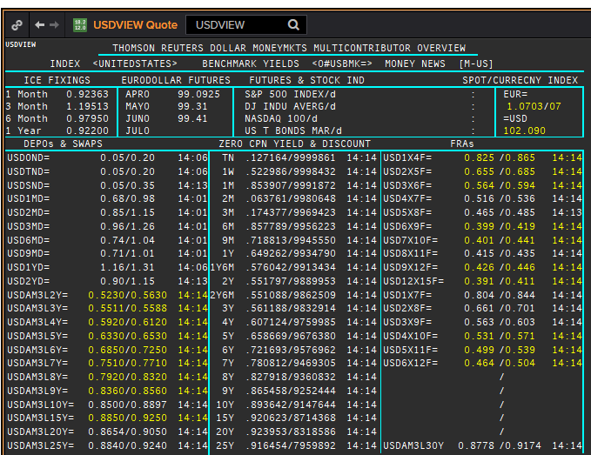
 | USD
 | .
 | Maturity | Type | RIC | Bid yield (%) | Ask yield (%) | Mid Yield (%) | Ee | Eb | Fe | Fb | Bid/ask | Currency | Tenor | History Start | Close | Helper | Fwd Start Date
 | 1M | OIS | USD1MOIS= | #NAME? | #NAME? | #NAME? | 1 | 1 | 1 | 1 | MID | USD | 0 | #NAME? | 1
 | 2M | OIS | USD2MOIS= | #NAME? | #NAME? | #NAME? | 1 | 1 | 1 | 1 | MID | USD | 0 | #NAME? | 1
 | 3M | OIS | USD3MOIS= | #NAME? | #NAME? | #NAME? | 1 | 1 | 1 | 1 | MID | USD | 0 | #NAME? | 1.01
 | 4M | OIS | USD4MOIS= | #NAME? | #NAME? | #NAME? | 1 | 1 | 1 | 1 | MID | USD | 0 | #NAME? | 1.0325
 | 5M | OIS | USD5MOIS= | #NAME? | #NAME? | #NAME? | 1 | 1 | 1 | 1 | MID | USD | 0 | #NAME? | 1.0325
 | 6M | OIS | USD6MOIS= | #NAME? | #NAME? | #NAME? | 1 | 1 | 1 | 1 | MID | USD | 0 | #NAME? | 1.0525
 | 7M | OIS | USD7MOIS= | #NAME? | #NAME? | #NAME? | 1 | 1 | 1 | 1 | MID | USD | 0 | #NAME? | 1.09
 | 8M | OIS | USD8MOIS= | #NAME? | #NAME? | #NAME? | 1 | 1 | 1 | 1 | MID | USD | 0 | #NAME? | 1.13
 | 9M | OIS | USD9MOIS= | #NAME? | #NAME? | #NAME? | 1 | 1 | 1 | 1 | MID | USD | 0 | #NAME? | 1.15
 | 10M | OIS | USD10MOIS= | #NAME? | #NAME? | #NAME? | 1 | 1 | 1 | 1 | MID | USD | 0 | #NAME? | 1.2
 | 11M | OIS | USD11MOIS= | #NAME? | #NAME? | #NAME? | 1 | 1 | 1 | 1 | MID | USD | 0 | #NAME? | 1.24
 | 1Y | OIS | USD1YOIS= | #NAME? | #NAME? | #NAME? | 1 | 1 | 1 | 1 | MID | USD | 0 | #NAME? | 1.2775
 | 2Y | OIS | USD2YOIS= | #NAME? | #NAME? | #NAME? | 1 | 1 | 1 | 1 | MID | USD | 0 | #NAME? | 5.016
 | ON | IBOR | USDONFSR= |  |  | #NAME? | 1 | 1 | 1 | 1 | MID | USD | 0 | #NAME? | 6.65125
Excl. CDIO | SW | IBOR | USDSWFSR= |  |  | #NAME? | 1 | 1 | 1 | 1 | MID | USD | 0 | #NAME? | 5.69531
Excl. CDIO | 1M | IBOR | USD1MFSR= |  |  | #NAME? | 1 | 1 | 1 | 1 | MID | USD | 0 | #NAME? | 6.125
Excl. CDIO | 2M | IBOR | USD2MFSR= |  |  | #NAME? | 1 | 1 | 1 | 1 | MID | USD | 0 | #NAME? | 6.1875
 | 3M | IBOR | USD3MFSR= |  |  | #NAME? | 1 | 1 | 1 | 1 | MID | USD | 0 | #NAME? | 6.25
Excl. CDIO | 6M | IBOR | USD6MFSR= |  |  | #NAME? | 1 | 1 | 1 | 1 | MID | USD | 0 | #NAME? | 6.4375
 | 1Y | IBOR | USD1YFSR= |  |  | #NAME? | 1 | 1 | 1 | 1 | MID | USD | 0 | #NAME? | 6.75
Excl. CDIO | 4M | FRA | USD1X4F= | #NAME? | #NAME? | #NAME? | 1 | 1 | 1 | 1 | MID | USD | 3M | #NAME? | 6.29 | #NAME? | #NAME?
Excl. CDIO | 5M | FRA | USD2X5F= | #NAME? | #NAME? | #NAME? | 1 | 1 | 1 | 1 | MID | USD | 3M | #NAME? | 6.38
 | 6M | FRA | USD3X6F= | #NAME? | #NAME? | #NAME? | 1 | 1 | 1 | 1 | MID | USD | 3M | #NAME? | 6.47
Excl. CDIO | 7M | FRA | USD4X7F= | #NAME? | #NAME? | #NAME? | 1 | 1 | 1 | 1 | MID | USD | 3M | #NAME? | 6.55
Excl. CDIO | 8M | FRA | USD5X8F= | #NAME? | #NAME? | #NAME? | 1 | 1 | 1 | 1 | MID | USD | 3M | #NAME? | 6.65
 | 9M | FRA | USD6X9F= | #NAME? | #NAME? | #NAME? | 1 | 1 | 1 | 1 | MID | USD | 3M | #NAME? | 6.74
Excl. CDIO | 10M | FRA | USD7X10F= | #NAME? | #NAME? | #NAME? | 1 | 1 | 1 | 1 | MID | USD | 3M | #NAME? | 6.87
Excl. CDIO | 11M | FRA | USD8X11F= | #NAME? | #NAME? | #NAME? | 1 | 1 | 1 | 1 | MID | USD | 3M | #NAME? | 6.93
 | 1Y | FRA | USD9X12F= | #NAME? | #NAME? | #NAME? | 1 | 1 | 1 | 1 | MID | USD | 3M | #NAME? | 6.96
Excl. CDIO | 7M | FRA | USD1X7F= | #NAME? | #NAME? | #NAME? | 1 | 1 | 1 | 1 | MID | USD | 6M | #NAME? | 6.48
Excl. CDIO | 8M | FRA | USD2X8F= | #NAME? | #NAME? | #NAME? | 1 | 1 | 1 | 1 | MID | USD | 6M | #NAME? | 6.57
Excl. CDIO | 9M | FRA | USD3X9F= | #NAME? | #NAME? | #NAME? | 1 | 1 | 1 | 1 | MID | USD | 6M | #NAME? | 6.66
Excl. CDIO | 10M | FRA | USD4X10F= | #NAME? | #NAME? | #NAME? | 1 | 1 | 1 | 1 | MID | USD | 6M | #NAME? | 6.78
Excl. CDIO | 11M | FRA | USD5X11F= | #NAME? | #NAME? | #NAME? | 1 | 1 | 1 | 1 | MID | USD | 6M | #NAME? | 6.85
Excl. CDIO | 12M | FRA | USD6X12F= | #NAME? | #NAME? | #NAME? | 1 | 1 | 1 | 1 | MID | USD | 6M | #NAME? | 6.91
Excl. CDIO | 1.25Y | FRA | USD9X15F= | #NAME? | #NAME? | #NAME? | 1 | 1 | 1 | 1 | MID | USD | 6M | #NAME? | 7.07
Excl. CDIO | 1.5Y | FRA | USD12X18F= | #NAME? | #NAME? | #NAME? | 1 | 1 | 1 | 1 | MID | USD | 6M | #NAME? | 7.14
 | 1.25Y | FRA | USD12X15F= | #NAME? | #NAME? | #NAME? | 1 | 1 | 1 | 1 | MID | USD | 3M | #NAME? | 7.05
 | 1.5Y | FRA | USD15X18F= | #NAME? | #NAME? | #NAME? | 1 | 1 | 1 | 1 | MID | USD | 3M | #NAME? | 7.12
 | 1.75Y | FRA | USD18X21F= | #NAME? | #NAME? | #NAME? | 1 | 1 | 1 | 1 | MID | USD | 3M | #NAME? | 7.64
Excl. CDIO | 2Y | FRA | USD18X24F= | #NAME? | #NAME? | #NAME? | 1 | 1 | 1 | 1 | MID | USD | 6M | #NAME? | 8.03
 | 1Y | IRS | USDAM3L1Y= | #NAME? | #NAME? | #NAME? | 1 | 1 | 1 | 1 | MID | USD | 3M | #NAME? | 5.33
 | 2Y | IRS | USDAM3L2Y= | #NAME? | #NAME? | #NAME? | 1 | 1 | 1 | 1 | MID | USD | 3M | #NAME? | 7.01
 | 3Y | IRS | USDAM3L3Y= | #NAME? | #NAME? | #NAME? | 1 | 1 | 1 | 1 | MID | USD | 3M | #NAME? | 7.15
 | 4Y | IRS | USDAM3L4Y= | #NAME? | #NAME? | #NAME? | 1 | 1 | 1 | 1 | MID | USD | 3M | #NAME? | 7.23
 | 5Y | IRS | USDAM3L5Y= | #NAME? | #NAME? | #NAME? | 1 | 1 | 1 | 1 | MID | USD | 3M | #NAME? | 7.31
 | 6Y | IRS | USDAM3L6Y= | #NAME? | #NAME? | #NAME? | 1 | 1 | 1 | 1 | MID | USD | 3M | #NAME? | 6.73
 | 7Y | IRS | USDAM3L7Y= | #NAME? | #NAME? | #NAME? | 1 | 1 | 1 | 1 | MID | USD | 3M | #NAME? | 7.43
 | 8Y | IRS | USDAM3L8Y= | #NAME? | #NAME? | #NAME? | 1 | 1 | 1 | 1 | MID | USD | 3M | #NAME? | 6.83
 | 9Y | IRS | USDAM3L9Y= | #NAME? | #NAME? | #NAME? | 1 | 1 | 1 | 1 | MID | USD | 3M | #NAME? | 6.95
 | 10Y | IRS | USDAM3L10Y= | #NAME? | #NAME? | #NAME? | 1 | 1 | 1 | 1 | MID | USD | 3M | #NAME? | 7.57
 | 12Y | IRS | USDAM3L12Y= | #NAME? | #NAME? | #NAME? | 1 | 1 | 1 | 1 | MID | USD | 3M | #NAME? | 6.23
 | 15Y | IRS | USDAM3L15Y= | #NAME? | #NAME? | #NAME? | 1 | 1 | 1 | 1 | MID | USD | 3M | #NAME? | 6.75
 | 20Y | IRS | USDAM3L20Y= | #NAME? | #NAME? | #NAME? | 1 | 1 | 1 | 1 | MID | USD | 3M | #NAME? | 6.56
 | 25Y | IRS | USDAM3L25Y= | #NAME? | #NAME? | #NAME? | 1 | 1 | 1 | 1 | MID | USD | 3M | #NAME? | 6.69
 | 30Y | IRS | USDAM3L30Y= | #NAME? | #NAME? | #NAME? | 1 | 1 | 1 | 1 | MID | USD | 3M | #NAME? | 6.82
Excl. CDIO | 40Y | IRS | USDAM3L40Y= | #NAME? | #NAME? | #NAME? | 1 | 1 | 1 | 1 | MID | USD | 3M | #NAME? | 5.977
Excl. CDIO | 50Y | IRS | USDAM3L50Y= | #NAME? | #NAME? | #NAME? | 1 | 1 | 1 | 1 | MID | USD | 3M | #NAME? | 5.958

NOK
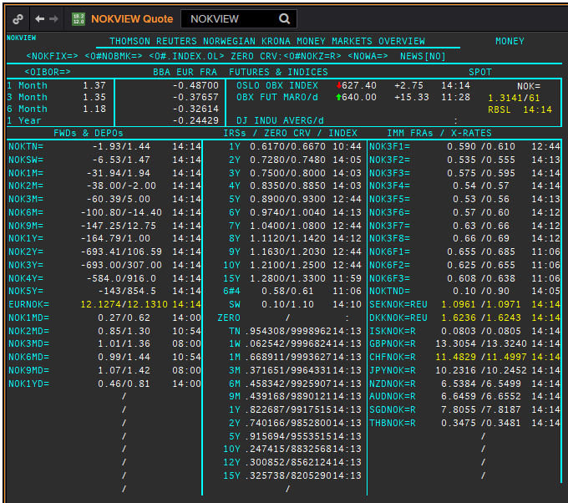
NOK
.
Maturity | Type | RIC | Bid yield (%) | Ask yield (%) | Mid Yield (%) | Ee | Eb | Fe | Fb | Bid/ask | Currency | Tenor | History Start | Close | Helper | Fwd Start Date
ON | IBOR | NOWA= |  |  | #NAME? | 1 | 1 | 1 | 1 | MID | NOK | 0 | #NAME? | 2.69
1W/SW | IBOR | OINOKSWD= |  |  | #NAME? | 1 | 1 | 1 | 1 | MID | NOK | 0 | #NAME? | 1.49
1M | IBOR | OINOK1MD= |  |  | #NAME? | 1 | 1 | 1 | 1 | MID | NOK | 0 | #NAME? | 1.45
2M | IBOR | OINOK2MD= |  |  | #NAME? | 1 | 1 | 1 | 1 | MID | NOK | 0 | #NAME? | 1.47
3M | IBOR | OINOK3MD= |  |  | #NAME? | 1 | 1 | 1 | 1 | MID | NOK | 0 | #NAME? | 1.5
6M | IBOR | OINOK6MD= |  |  | #NAME? | 1 | 1 | 1 | 1 | MID | NOK | 0 | #NAME? | 1.49
6M | FRA | NOK3F1= | #NAME? | #NAME? | #NAME? | 1 | 1 | 1 | 1 | MID | NOK | 3M | #NAME? | 5.35 | #NAME? | #NAME?
9M | FRA | NOK3F2= | #NAME? | #NAME? | #NAME? | 1 | 1 | 1 | 1 | MID | NOK | 3M | #NAME? | 5.75 | #NAME? | #NAME?
1Y | FRA | NOK3F3= | #NAME? | #NAME? | #NAME? | 1 | 1 | 1 | 1 | MID | NOK | 3M | #NAME? | 6 | #NAME? | #NAME?
15M | FRA | NOK3F4= | #NAME? | #NAME? | #NAME? | 1 | 1 | 1 | 1 | MID | NOK | 3M | #NAME? | 6.32 | #NAME? | #NAME?
18M | FRA | NOK3F5= | #NAME? | #NAME? | #NAME? | 1 | 1 | 1 | 1 | MID | NOK | 3M | #NAME? | 5.47 | #NAME? | #NAME?
21M | FRA | NOK3F6= | #NAME? | #NAME? | #NAME? | 1 | 1 | 1 | 1 | MID | NOK | 3M | #NAME? | 5.42 | #NAME? | #NAME?
2Y | FRA | NOK3F7= | #NAME? | #NAME? | #NAME? | 1 | 1 | 1 | 1 | MID | NOK | 3M | #NAME? | 3.14 | #NAME? | #NAME?
2.25Y | FRA | NOK3F8= | #NAME? | #NAME? | #NAME? | 1 | 1 | 1 | 1 | MID | NOK | 3M | #NAME? | 3.42 | #NAME? | #NAME?
2.5Y | FRA | NOK3F9= | #NAME? | #NAME? | #NAME? | 1 | 1 | 1 | 1 | MID | NOK | 3M | #NAME? | 1.32 | #NAME? | #NAME?
2.75Y | FRA | NOK3F10= | #NAME? | #NAME? | #NAME? | 1 | 1 | 1 | 1 | MID | NOK | 3M | #NAME? | 1.41 | #NAME? | #NAME?
3Y | FRA | NOK3F11= | #NAME? | #NAME? | #NAME? | 1 | 1 | 1 | 1 | MID | NOK | 3M | #NAME? | 1.47 | #NAME? | #NAME?
3.25Y | FRA | NOK3F12= | #NAME? | #NAME? | #NAME? | 1 | 1 | 1 | 1 | MID | NOK | 3M | #NAME? | 1.55 | #NAME? | #NAME?
9M | FRA | NOK6F1= | #NAME? | #NAME? | #NAME? | 1 | 1 | 1 | 1 | MID | NOK | 6M | #NAME? | 6.02 | #NAME? | #NAME?
1Y | FRA | NOK6F2= | #NAME? | #NAME? | #NAME? | 1 | 1 | 1 | 1 | MID | NOK | 6M | #NAME? | 5.98 | #NAME? | #NAME?
1.25Y | FRA | NOK6F3= | #NAME? | #NAME? | #NAME? | 1 | 1 | 1 | 1 | MID | NOK | 6M | #NAME? | 6.2 | #NAME? | #NAME?
1.5Y | FRA | NOK6F4= | #NAME? | #NAME? | #NAME? | 1 | 1 | 1 | 1 | MID | NOK | 6M | #NAME? | 6.56 | #NAME? | #NAME?
1Y | IRS | NOKAB3O1Y= | #NAME? | #NAME? | #NAME? | 1 | 1 | 1 | 1 | MID | NOK | 3M | #NAME? | 4.34
2Y | IRS | NOKAB6O2Y= | #NAME? | #NAME? | #NAME? | 1 | 1 | 1 | 1 | MID | NOK | 6M | #NAME? | 7.08
3Y | IRS | NOKAB6O3Y= | #NAME? | #NAME? | #NAME? | 1 | 1 | 1 | 1 | MID | NOK | 6M | #NAME? | 7.45
4Y | IRS | NOKAB6O4Y= | #NAME? | #NAME? | #NAME? | 1 | 1 | 1 | 1 | MID | NOK | 6M | #NAME? | 7.83
5Y | IRS | NOKAB6O5Y= | #NAME? | #NAME? | #NAME? | 1 | 1 | 1 | 1 | MID | NOK | 6M | #NAME? | 7.97
6Y | IRS | NOKAB6O6Y= | #NAME? | #NAME? | #NAME? | 1 | 1 | 1 | 1 | MID | NOK | 6M | #NAME? | 5.79
7Y | IRS | NOKAB6O7Y= | #NAME? | #NAME? | #NAME? | 1 | 1 | 1 | 1 | MID | NOK | 6M | #NAME? | 7.67
8Y | IRS | NOKAB6O8Y= | #NAME? | #NAME? | #NAME? | 1 | 1 | 1 | 1 | MID | NOK | 6M | #NAME? | 6.06
9Y | IRS | NOKAB6O9Y= | #NAME? | #NAME? | #NAME? | 1 | 1 | 1 | 1 | MID | NOK | 6M | #NAME? | 6.16
10Y | IRS | NOKAB6O10Y= | #NAME? | #NAME? | #NAME? | 1 | 1 | 1 | 1 | MID | NOK | 6M | #NAME? | 7.84
15Y | IRS | NOKAB6O15Y= | #NAME? | #NAME? | #NAME? | 1 | 1 | 1 | 1 | MID | NOK | 6M | #NAME? | 5.41

EUR
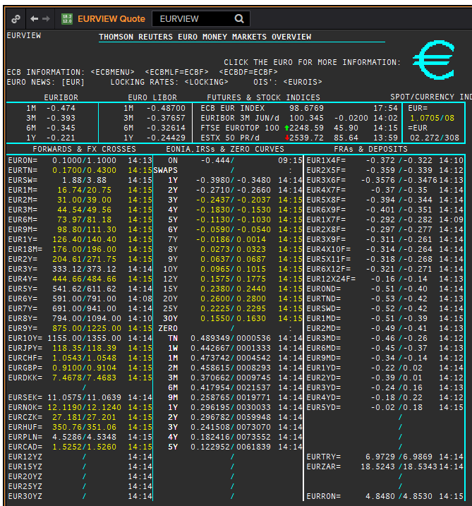
 | EUR
 | .
 | Maturity | Type | RIC | Bid yield (%) | Ask yield (%) | Mid Yield (%) | Ee | Eb | Fe | Fb | Bid/ask | Currency | Tenor | History Start | Close | Helper | Fwd Start Date
? | SW | OIS | EUREONSW= | #NAME? | #NAME? | #NAME? | 1 | 1 | 1 | 1 | MID | EUR | 0 | #NAME? | 3.005
? | 2W | OIS | EUREON2W= | #NAME? | #NAME? | #NAME? | 1 | 1 | 1 | 1 | MID | EUR | 0 | #NAME? | 3.015
? | 3W | OIS | EUREON3W= | #NAME? | #NAME? | #NAME? | 1 | 1 | 1 | 1 | MID | EUR | 0 | #NAME? | 3.03
 | 1M | OIS | EUREON1M= | #NAME? | #NAME? | #NAME? | 1 | 1 | 1 | 1 | MID | EUR | 0 | #NAME? | 3.11
 | 2M | OIS | EUREON2M= | #NAME? | #NAME? | #NAME? | 1 | 1 | 1 | 1 | MID | EUR | 0 | #NAME? | 3.09
 | 3M | OIS | EUREON3M= | #NAME? | #NAME? | #NAME? | 1 | 1 | 1 | 1 | MID | EUR | 0 | #NAME? | 3.08
 | 4M | OIS | EUREON4M= | #NAME? | #NAME? | #NAME? | 1 | 1 | 1 | 1 | MID | EUR | 0 | #NAME? | 3
 | 5M | OIS | EUREON5M= | #NAME? | #NAME? | #NAME? | 1 | 1 | 1 | 1 | MID | EUR | 0 | #NAME? | 2.99
 | 6M | OIS | EUREON6M= | #NAME? | #NAME? | #NAME? | 1 | 1 | 1 | 1 | MID | EUR | 0 | #NAME? | 3.04
 | 7M | OIS | EUREON7M= | #NAME? | #NAME? | #NAME? | 1 | 1 | 1 | 1 | MID | EUR | 0 | #NAME? | 2.97
 | 8M | OIS | EUREON8M= | #NAME? | #NAME? | #NAME? | 1 | 1 | 1 | 1 | MID | EUR | 0 | #NAME? | 2.965
 | 9M | OIS | EUREON9M= | #NAME? | #NAME? | #NAME? | 1 | 1 | 1 | 1 | MID | EUR | 0 | #NAME? | 3.02
 | 10M | OIS | EUREON10M= | #NAME? | #NAME? | #NAME? | 1 | 1 | 1 | 1 | MID | EUR | 0 | #NAME? | 2.99
 | 11M | OIS | EUREON11M= | #NAME? | #NAME? | #NAME? | 1 | 1 | 1 | 1 | MID | EUR | 0 | #NAME? | 2.985
 | 1Y | OIS | EUREON1Y= | #NAME? | #NAME? | #NAME? | 1 | 1 | 1 | 1 | MID | EUR | 0 | #NAME? | 3.02
 | 1.25Y | OIS | EUREON15M= | #NAME? | #NAME? | #NAME? | 1 | 1 | 1 | 1 | MID | EUR | 0 | #NAME? | 2.294
 | 1.5Y | OIS | EUREON18M= | #NAME? | #NAME? | #NAME? | 1 | 1 | 1 | 1 | MID | EUR | 0 | #NAME? | 2.345
 | 1.75Y | OIS | EUREON21M= | #NAME? | #NAME? | #NAME? | 1 | 1 | 1 | 1 | MID | EUR | 0 | #NAME? | 2.402
 | 2Y | OIS | EUREON2Y= | #NAME? | #NAME? | #NAME? | 1 | 1 | 1 | 1 | MID | EUR | 0 | #NAME? | 4.55
 | 3Y | OIS | EUREON3Y= | #NAME? | #NAME? | #NAME? | 1 | 1 | 1 | 1 | MID | EUR | 0 | #NAME? | 2.63
 | 4Y | OIS | EUREON4Y= | #NAME? | #NAME? | #NAME? | 1 | 1 | 1 | 1 | MID | EUR | 0 | #NAME? | 2.572
 | 5Y | OIS | EUREON5Y= | #NAME? | #NAME? | #NAME? | 1 | 1 | 1 | 1 | MID | EUR | 0 | #NAME? | 2.71
 | 6Y | OIS | EUREON6Y= | #NAME? | #NAME? | #NAME? | 1 | 1 | 1 | 1 | MID | EUR | 0 | #NAME? | 2.835
 | 7Y | OIS | EUREON7Y= | #NAME? | #NAME? | #NAME? | 1 | 1 | 1 | 1 | MID | EUR | 0 | #NAME? | 2.961
 | 8Y | OIS | EUREON8Y= | #NAME? | #NAME? | #NAME? | 1 | 1 | 1 | 1 | MID | EUR | 0 | #NAME? | 3.072
 | 9Y | OIS | EUREON9Y= | #NAME? | #NAME? | #NAME? | 1 | 1 | 1 | 1 | MID | EUR | 0 | #NAME? | 3.171
 | 10Y | OIS | EUREON10Y= | #NAME? | #NAME? | #NAME? | 1 | 1 | 1 | 1 | MID | EUR | 0 | #NAME? | 3.256
 | 20Y | OIS | EUREON20Y= | #NAME? | #NAME? | #NAME? | 1 | 1 | 1 | 1 | MID | EUR | 0 | #NAME? | 4.546
 | 25Y | OIS | EUREON25Y= | #NAME? | #NAME? | #NAME? | 1 | 1 | 1 | 1 | MID | EUR | 0 | #NAME? | 1.331
 | 30Y | OIS | EUREON30Y= | #NAME? | #NAME? | #NAME? | 1 | 1 | 1 | 1 | MID | EUR | 0 | #NAME? | 4.539
 | ON | IBOR | EONIA= |  |  | #NAME? | 1 | 1 | 1 | 1 | MID | EUR | 0 | #NAME? | 3.2
 | SW | IBOR | EURIBORSWD= |  |  | #NAME? | 1 | 1 | 1 | 1 | MID | EUR | 0 | #NAME? | 3.251
 | 1M | IBOR | EURIBOR1MD= |  |  | #NAME? | 1 | 1 | 1 | 1 | MID | EUR | 0 | #NAME? | 5.0007
 | 3M | IBOR | EURIBOR3MD= |  |  | #NAME? | 1 | 1 | 1 | 1 | MID | EUR | 0 | #NAME? | 5.10167
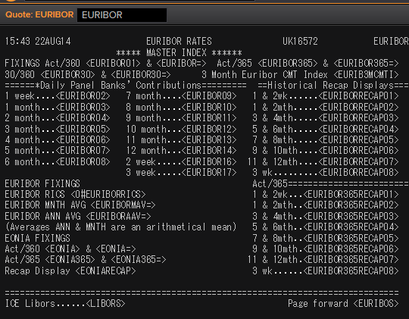
 | 6M | IBOR | EURIBOR6MD= |  |  | #NAME? | 1 | 1 | 1 | 1 | MID | EUR | 0 | #NAME? | 5.2958
 | 1Y | IBOR | EURIBOR1YD= |  |  | #NAME? | 1 | 1 | 1 | 1 | MID | EUR | 0 | #NAME? | 5.7346
 | 4M | FRA | EUR1X4F= | #NAME? | #NAME? | #NAME? | 1 | 1 | 1 | 1 | MID | EUR | 3M | #NAME? | 6.39 | #NAME? | #NAME?
 | 5M | FRA | EUR2X5F= | #NAME? | #NAME? | #NAME? | 1 | 1 | 1 | 1 | MID | EUR | 3M | #NAME? | 6.51 | #NAME? | #NAME?
 | 6M | FRA | EUR3X6F= | #NAME? | #NAME? | #NAME? | 1 | 1 | 1 | 1 | MID | EUR | 3M | #NAME? | 6.65 | #NAME? | #NAME?
 | 7M | FRA | EUR4X7F= | #NAME? | #NAME? | #NAME? | 1 | 1 | 1 | 1 | MID | EUR | 3M | #NAME? | 6.75 | #NAME? | #NAME?
 | 8M | FRA | EUR5X8F= | #NAME? | #NAME? | #NAME? | 1 | 1 | 1 | 1 | MID | EUR | 3M | #NAME? | 6.87 | #NAME? | #NAME?
 | 9M | FRA | EUR6X9F= | #NAME? | #NAME? | #NAME? | 1 | 1 | 1 | 1 | MID | EUR | 3M | #NAME? | 7.01 | #NAME? | #NAME?
 | 10M | FRA | EUR7X10F= | #NAME? | #NAME? | #NAME? | 1 | 1 | 1 | 1 | MID | EUR | 3M | #NAME? | 7.13 | #NAME? | #NAME?
 | 11M | FRA | EUR8X11F= | #NAME? | #NAME? | #NAME? | 1 | 1 | 1 | 1 | MID | EUR | 3M | #NAME? | 7.25 | #NAME? | #NAME?
 | 1Y | FRA | EUR9X12F= | #NAME? | #NAME? | #NAME? | 1 | 1 | 1 | 1 | MID | EUR | 3M | #NAME? | 7.37 | #NAME? | #NAME?
 | 1.25Y | FRA | EUR12X15F= | #NAME? | #NAME? | #NAME? | 1 | 1 | 1 | 1 | MID | EUR | 3M | #NAME? | 2.98 | #NAME? | #NAME?
 | 1.5Y | FRA | EUR15X18F= | #NAME? | #NAME? | #NAME? | 1 | 1 | 1 | 1 | MID | EUR | 3M | #NAME? | 0.687 | #NAME? | #NAME?
 | 1.75Y | FRA | EUR18X21F= | #NAME? | #NAME? | #NAME? | 1 | 1 | 1 | 1 | MID | EUR | 3M | #NAME? | 0.412 | #NAME? | #NAME?
 | 2Y | FRA | EUR21X24F= | #NAME? | #NAME? | #NAME? | 1 | 1 | 1 | 1 | MID | EUR | 3M | #NAME? | 0.832 | #NAME? | #NAME?
 | 7M | FRA | EUR1X7F= | #NAME? | #NAME? | #NAME? | 1 | 1 | 1 | 1 | MID | EUR | 6M | #NAME? | 6.67 | #NAME? | #NAME?
 | 8M | FRA | EUR2X8F= | #NAME? | #NAME? | #NAME? | 1 | 1 | 1 | 1 | MID | EUR | 6M | #NAME? | 6.76 | #NAME? | #NAME?
 | 14M | FRA | EUR2X14F= | #NAME? | #NAME? | #NAME? | 1 | 1 | 1 | 1 | MID | EUR | 12M | #NAME? | 3.19 | #NAME? | #NAME?
 | 9M | FRA | EUR3X9F= | #NAME? | #NAME? | #NAME? | 1 | 1 | 1 | 1 | MID | EUR | 6M | #NAME? | 6.88 | #NAME? | #NAME?
 | 1.25Y | FRA | EUR3X15F= | #NAME? | #NAME? | #NAME? | 1 | 1 | 1 | 1 | MID | EUR | 12M | #NAME? | 3.12 | #NAME? | #NAME?
 | 10M | FRA | EUR4X10F= | #NAME? | #NAME? | #NAME? | 1 | 1 | 1 | 1 | MID | EUR | 6M | #NAME? | 6.99 | #NAME? | #NAME?
 | 11M | FRA | EUR5X11F= | #NAME? | #NAME? | #NAME? | 1 | 1 | 1 | 1 | MID | EUR | 6M | #NAME? | 7.14 | #NAME? | #NAME?
 | 1Y | FRA | EUR6X12F= | #NAME? | #NAME? | #NAME? | 1 | 1 | 1 | 1 | MID | EUR | 6M | #NAME? | 7.25 | #NAME? | #NAME?
 | 1.25Y | FRA | EUR9X15F= | #NAME? | #NAME? | #NAME? | 1 | 1 | 1 | 1 | MID | EUR | 6M | #NAME? | 3.11 | #NAME? | #NAME?
 | 1.5Y | FRA | EUR12X18F= | #NAME? | #NAME? | #NAME? | 1 | 1 | 1 | 1 | MID | EUR | 6M | #NAME? | 7.88 | #NAME? | #NAME?
 | 2Y | FRA | EUR18X24F= | #NAME? | #NAME? | #NAME? | 1 | 1 | 1 | 1 | MID | EUR | 6M | #NAME? | 8.2 | #NAME? | #NAME?
 | 1.5Y | FRA | EUR6X18F= | #NAME? | #NAME? | #NAME? | 1 | 1 | 1 | 1 | MID | EUR | 12M | #NAME? | 7.71 | #NAME? | #NAME?
 | 2Y | FRA | EUR12X24F= | #NAME? | #NAME? | #NAME? | 1 | 1 | 1 | 1 | MID | EUR | 12M | #NAME? | 8.18 | #NAME? | #NAME?
 | 1Y | IRS | EURAB6E1Y= | #NAME? | #NAME? | #NAME? | 1 | 1 | 1 | 1 | MID | EUR | 6M | #NAME? | 3.58
 | 1.5Y | IRS | EURAB6E18M= | #NAME? | #NAME? | #NAME? | 1 | 1 | 1 | 1 | MID | EUR | 6M | #NAME? | 3.04
 | 2Y | IRS | EURAB6E2Y= | #NAME? | #NAME? | #NAME? | 1 | 1 | 1 | 1 | MID | EUR | 6M | #NAME? | 6.37
 | 3Y | IRS | EURAB6E3Y= | #NAME? | #NAME? | #NAME? | 1 | 1 | 1 | 1 | MID | EUR | 6M | #NAME? | 6.72
 | 4Y | IRS | EURAB6E4Y= | #NAME? | #NAME? | #NAME? | 1 | 1 | 1 | 1 | MID | EUR | 6M | #NAME? | 6.94
 | 5Y | IRS | EURAB6E5Y= | #NAME? | #NAME? | #NAME? | 1 | 1 | 1 | 1 | MID | EUR | 6M | #NAME? | 7.1
 | 6Y | IRS | EURAB6E6Y= | #NAME? | #NAME? | #NAME? | 1 | 1 | 1 | 1 | MID | EUR | 6M | #NAME? | 7.23
 | 7Y | IRS | EURAB6E7Y= | #NAME? | #NAME? | #NAME? | 1 | 1 | 1 | 1 | MID | EUR | 6M | #NAME? | 7.35
 | 8Y | IRS | EURAB6E8Y= | #NAME? | #NAME? | #NAME? | 1 | 1 | 1 | 1 | MID | EUR | 6M | #NAME? | 7.42
 | 9Y | IRS | EURAB6E9Y= | #NAME? | #NAME? | #NAME? | 1 | 1 | 1 | 1 | MID | EUR | 6M | #NAME? | 7.47
 | 10Y | IRS | EURAB6E10Y= | #NAME? | #NAME? | #NAME? | 1 | 1 | 1 | 1 | MID | EUR | 6M | #NAME? | 7.5
 | 11Y | IRS | EURAB6E11Y= | #NAME? | #NAME? | #NAME? | 1 | 1 | 1 | 1 | MID | EUR | 6M | #NAME? | 4.23
 | 12Y | IRS | EURAB6E12Y= | #NAME? | #NAME? | #NAME? | 1 | 1 | 1 | 1 | MID | EUR | 6M | #NAME? | 4.61
 | 13Y | IRS | EURAB6E13Y= | #NAME? | #NAME? | #NAME? | 1 | 1 | 1 | 1 | MID | EUR | 6M | #NAME? | 5.6575
 | 14Y | IRS | EURAB6E14Y= | #NAME? | #NAME? | #NAME? | 1 | 1 | 1 | 1 | MID | EUR | 6M | #NAME? | 5.71
 | 15Y | IRS | EURAB6E15Y= | #NAME? | #NAME? | #NAME? | 1 | 1 | 1 | 1 | MID | EUR | 6M | #NAME? | 6.61
 | 16Y | IRS | EURAB6E16Y= | #NAME? | #NAME? | #NAME? | 1 | 1 | 1 | 1 | MID | EUR | 6M | #NAME? | 5.79
 | 17Y | IRS | EURAB6E17Y= | #NAME? | #NAME? | #NAME? | 1 | 1 | 1 | 1 | MID | EUR | 6M | #NAME? | 5.545
 | 18Y | IRS | EURAB6E18Y= | #NAME? | #NAME? | #NAME? | 1 | 1 | 1 | 1 | MID | EUR | 6M | #NAME? | 5.85
 | 19Y | IRS | EURAB6E19Y= | #NAME? | #NAME? | #NAME? | 1 | 1 | 1 | 1 | MID | EUR | 6M | #NAME? | 5.865
 | 20Y | IRS | EURAB6E20Y= | #NAME? | #NAME? | #NAME? | 1 | 1 | 1 | 1 | MID | EUR | 6M | #NAME? | 5
 | 21Y | IRS | EURAB6E21Y= | #NAME? | #NAME? | #NAME? | 1 | 1 | 1 | 1 | MID | EUR | 6M | #NAME? | 5.8925
 | 22Y | IRS | EURAB6E22Y= | #NAME? | #NAME? | #NAME? | 1 | 1 | 1 | 1 | MID | EUR | 6M | #NAME? | 5.9025
 | 23Y | IRS | EURAB6E23Y= | #NAME? | #NAME? | #NAME? | 1 | 1 | 1 | 1 | MID | EUR | 6M | #NAME? | 5.9125
 | 24Y | IRS | EURAB6E24Y= | #NAME? | #NAME? | #NAME? | 1 | 1 | 1 | 1 | MID | EUR | 6M | #NAME? | 5.4025
 | 25Y | IRS | EURAB6E25Y= | #NAME? | #NAME? | #NAME? | 1 | 1 | 1 | 1 | MID | EUR | 6M | #NAME? | 5.1
 | 26Y | IRS | EURAB6E26Y= | #NAME? | #NAME? | #NAME? | 1 | 1 | 1 | 1 | MID | EUR | 6M | #NAME? | 5.9325
 | 27Y | IRS | EURAB6E27Y= | #NAME? | #NAME? | #NAME? | 1 | 1 | 1 | 1 | MID | EUR | 6M | #NAME? | 5.9325
 | 28Y | IRS | EURAB6E28Y= | #NAME? | #NAME? | #NAME? | 1 | 1 | 1 | 1 | MID | EUR | 6M | #NAME? | 5.9325
 | 29Y | IRS | EURAB6E29Y= | #NAME? | #NAME? | #NAME? | 1 | 1 | 1 | 1 | MID | EUR | 6M | #NAME? | 5.9325
 | 30Y | IRS | EURAB6E30Y= | #NAME? | #NAME? | #NAME? | 1 | 1 | 1 | 1 | MID | EUR | 6M | #NAME? | 5
 | 40Y | IRS | EURAB6E40Y= | #NAME? | #NAME? | #NAME? | 1 | 1 | 1 | 1 | MID | EUR | 6M | #NAME? | 4.8775
 | 50Y | IRS | EURAB6E50Y= | #NAME? | #NAME? | #NAME? | 1 | 1 | 1 | 1 | MID | EUR | 6M | #NAME? | 4.88
 | 2M | IRS | EURAM1E2M= | #NAME? | #NAME? | #NAME? | 1 | 1 | 1 | 1 | MID | EUR | 1M | #NAME? | -0.003
 | 3M | IRS | EURAM1E3M= | #NAME? | #NAME? | #NAME? | 1 | 1 | 1 | 1 | MID | EUR | 1M | #NAME? | 2.04
 | 4M | IRS | EURAM1E4M= | #NAME? | #NAME? | #NAME? | 1 | 1 | 1 | 1 | MID | EUR | 1M | #NAME? | -0.001
 | 5M | IRS | EURAM1E5M= | #NAME? | #NAME? | #NAME? | 1 | 1 | 1 | 1 | MID | EUR | 1M | #NAME? | 0.001
 | 6M | IRS | EURAM1E6M= | #NAME? | #NAME? | #NAME? | 1 | 1 | 1 | 1 | MID | EUR | 1M | #NAME? | 2.038
 | 7M | IRS | EURAM1E7M= | #NAME? | #NAME? | #NAME? | 1 | 1 | 1 | 1 | MID | EUR | 1M | #NAME? | -0.013
 | 8M | IRS | EURAM1E8M= | #NAME? | #NAME? | #NAME? | 1 | 1 | 1 | 1 | MID | EUR | 1M | #NAME? | -0.016
 | 9M | IRS | EURAM1E9M= | #NAME? | #NAME? | #NAME? | 1 | 1 | 1 | 1 | MID | EUR | 1M | #NAME? | 2.04
 | 1Y | IRS | EURAM1E1Y= | #NAME? | #NAME? | #NAME? | 1 | 1 | 1 | 1 | MID | EUR | 1M | #NAME? | 2.09
 | 9M | IRS | EURAB3E9M= | #NAME? | #NAME? | #NAME? | 1 | 1 | 1 | 1 | MID | EUR | 3M | #NAME? | 4.51
 | 1Y | IRS | EURAB3E1Y= | #NAME? | #NAME? | #NAME? | 1 | 1 | 1 | 1 | MID | EUR | 3M | #NAME? | 3.47
 | 1.5Y | IRS | EURAB3E18M= | #NAME? | #NAME? | #NAME? | 1 | 1 | 1 | 1 | MID | EUR | 3M | #NAME? | 2.75
 | 2Y | IRS | EURAB3E2Y= | #NAME? | #NAME? | #NAME? | 1 | 1 | 1 | 1 | MID | EUR | 3M | #NAME? | 3.39
 | 3Y | IRS | EURAB3E3Y= | #NAME? | #NAME? | #NAME? | 1 | 1 | 1 | 1 | MID | EUR | 3M | #NAME? | 3.46
 | 4Y | IRS | EURAB3E4Y= | #NAME? | #NAME? | #NAME? | 1 | 1 | 1 | 1 | MID | EUR | 3M | #NAME? | 3.55
 | 5Y | IRS | EURAB3E5Y= | #NAME? | #NAME? | #NAME? | 1 | 1 | 1 | 1 | MID | EUR | 3M | #NAME? | 3.75
 | 6Y | IRS | EURAB3E6Y= | #NAME? | #NAME? | #NAME? | 1 | 1 | 1 | 1 | MID | EUR | 3M | #NAME? | 3.88
 | 7Y | IRS | EURAB3E7Y= | #NAME? | #NAME? | #NAME? | 1 | 1 | 1 | 1 | MID | EUR | 3M | #NAME? | 3.99
 | 8Y | IRS | EURAB3E8Y= | #NAME? | #NAME? | #NAME? | 1 | 1 | 1 | 1 | MID | EUR | 3M | #NAME? | 4.1
 | 9Y | IRS | EURAB3E9Y= | #NAME? | #NAME? | #NAME? | 1 | 1 | 1 | 1 | MID | EUR | 3M | #NAME? | 4.15
 | 10Y | IRS | EURAB3E10Y= | #NAME? | #NAME? | #NAME? | 1 | 1 | 1 | 1 | MID | EUR | 3M | #NAME? | 4.06
 | 11Y | IRS | EURAB3E11Y= | #NAME? | #NAME? | #NAME? | 1 | 1 | 1 | 1 | MID | EUR | 3M | #NAME? | 5.245
 | 12Y | IRS | EURAB3E12Y= | #NAME? | #NAME? | #NAME? | 1 | 1 | 1 | 1 | MID | EUR | 3M | #NAME? | 5.3125
 | 13Y | IRS | EURAB3E13Y= | #NAME? | #NAME? | #NAME? | 1 | 1 | 1 | 1 | MID | EUR | 3M | #NAME? | 5.375
 | 14Y | IRS | EURAB3E14Y= | #NAME? | #NAME? | #NAME? | 1 | 1 | 1 | 1 | MID | EUR | 3M | #NAME? | 5.4275
 | 15Y | IRS | EURAB3E15Y= | #NAME? | #NAME? | #NAME? | 1 | 1 | 1 | 1 | MID | EUR | 3M | #NAME? | 5.4725
 | 16Y | IRS | EURAB3E16Y= | #NAME? | #NAME? | #NAME? | 1 | 1 | 1 | 1 | MID | EUR | 3M | #NAME? | 5.51
 | 17Y | IRS | EURAB3E17Y= | #NAME? | #NAME? | #NAME? | 1 | 1 | 1 | 1 | MID | EUR | 3M | #NAME? | 5.5425
 | 18Y | IRS | EURAB3E18Y= | #NAME? | #NAME? | #NAME? | 1 | 1 | 1 | 1 | MID | EUR | 3M | #NAME? | 5.57
 | 19Y | IRS | EURAB3E19Y= | #NAME? | #NAME? | #NAME? | 1 | 1 | 1 | 1 | MID | EUR | 3M | #NAME? | 5.5925
 | 20Y | IRS | EURAB3E20Y= | #NAME? | #NAME? | #NAME? | 1 | 1 | 1 | 1 | MID | EUR | 3M | #NAME? | 5.6125
 | 25Y | IRS | EURAB3E25Y= | #NAME? | #NAME? | #NAME? | 1 | 1 | 1 | 1 | MID | EUR | 3M | #NAME? | 5.665
 | 30Y | IRS | EURAB3E30Y= | #NAME? | #NAME? | #NAME? | 1 | 1 | 1 | 1 | MID | EUR | 3M | #NAME? | 5.6675
 | 40Y | IRS | EURAB3E40Y= | #NAME? | #NAME? | #NAME? | 1 | 1 | 1 | 1 | MID | EUR | 3M | #NAME? | 3.42
 | 50Y | IRS | EURAB3E50Y= | #NAME? | #NAME? | #NAME? | 1 | 1 | 1 | 1 | MID | EUR | 3M | #NAME? | 3.38

 |  |  | EURIBORSWD=
 |  |  | EURIBOR1MD=
 |  |  | EURIBOR3MD=
 |  |  | EURIBOR6MD=
 |  |  | EURIBOR1YD=
 |  |  | EURIBOR1MD=

EURIBOR02 | 1W | IBOR | EURIBOR1WD= |  |  | #NAME? | 1 | 1 | 1 | 1 | MID | EUR | 0 | #NAME? | 3.251
EURIBOR16 | 2W | IBOR | EURIBOR2WD= |  |  | #NAME? | 1 | 1 | 1 | 1 | MID | EUR |  | #NAME? | 142.005
EURIBOR17 | 3W | IBOR | EURIBOR3WD= |  |  | #NAME? | 1 | 1 | 1 | 1 | MID | EUR |  | #NAME? | 143.005
EURIBOR03 | 1M | IBOR | EURIBOR1MD= |  |  | #NAME? | 1 | 1 | 1 | 1 | MID | EUR |  | #NAME? | 5.0007
EURIBOR04 | 2M | IBOR | EURIBOR2MD= |  |  | #NAME? | 1 | 1 | 1 | 1 | MID | EUR |  | #NAME? | 145.005
EURIBOR05 | 3M | IBOR | EURIBOR3MD= |  |  | #NAME? | 1 | 1 | 1 | 1 | MID | EUR |  | #NAME? | 5.10167
EURIBOR06 | 4M | IBOR | EURIBOR4MD= |  |  | #NAME? | 1 | 1 | 1 | 1 | MID | EUR |  | #NAME? | 147.005
EURIBOR07 | 5M | IBOR | EURIBOR5MD= |  |  | #NAME? | 1 | 1 | 1 | 1 | MID | EUR |  | #NAME? | 148.005
EURIBOR08 | 6M | IBOR | EURIBOR6MD= |  |  | #NAME? | 1 | 1 | 1 | 1 | MID | EUR |  | #NAME? | 5.2958
EURIBOR09 | 7M | IBOR | EURIBOR7MD= |  |  | #NAME? | 1 | 1 | 1 | 1 | MID | EUR |  | #NAME? | 150.005
EURIBOR10 | 8M | IBOR | EURIBOR8MD= |  |  | #NAME? | 1 | 1 | 1 | 1 | MID | EUR |  | #NAME? | 151.005
EURIBOR11 | 9M | IBOR | EURIBOR9MD= |  |  | #NAME? | 1 | 1 | 1 | 1 | MID | EUR |  | #NAME? | 152.005
EURIBOR12 | 10M | IBOR | EURIBOR10MD= |  |  | #NAME? | 1 | 1 | 1 | 1 | MID | EUR |  | #NAME? | 153.005
EURIBOR13 | 11M | IBOR | EURIBOR11MD= |  |  | #NAME? | 1 | 1 | 1 | 1 | MID | EUR |  | #NAME? | 154.005
EURIBOR14 | 12M | IBOR | EURIBOR12MD= |  |  | #NAME? | 1 | 1 | 1 | 1 | MID | EUR |  | #NAME? | 155.005

DKK
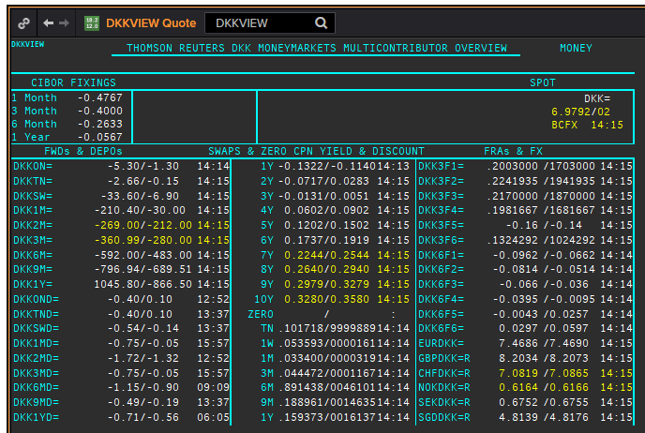
DKK
.
Maturity | Type | RIC | Bid yield (%) | Ask yield (%) | Mid Yield (%) | Ee | Eb | Fe | Fb | Bid/ask | Currency | Tenor | History Start | Close | Helper | Fwd Start Date
1M | OIS | DKKAMTNC1M= | #NAME? | #NAME? | #NAME? | 1 | 1 | 1 | 1 | MID | DKK | 0 | #NAME? | 2.96
2M | OIS | DKKAMTNC2M= | #NAME? | #NAME? | #NAME? | 1 | 1 | 1 | 1 | MID | DKK | 0 | #NAME? | 2.95
3M | OIS | DKKAMTNC3M= | #NAME? | #NAME? | #NAME? | 1 | 1 | 1 | 1 | MID | DKK | 0 | #NAME? | 2.94
6M | OIS | DKKAMTNC6M= | #NAME? | #NAME? | #NAME? | 1 | 1 | 1 | 1 | MID | DKK | 0 | #NAME? | 2.87
9M | OIS | DKKAMTNC9M= | #NAME? | #NAME? | #NAME? | 1 | 1 | 1 | 1 | MID | DKK | 0 | #NAME? | 2.87
1Y | OIS | DKKAMTNC1Y= | #NAME? | #NAME? | #NAME? | 1 | 1 | 1 | 1 | MID | DKK | 0 | #NAME? | 2.87
2Y | OIS | DKKAMTNC2Y= | #NAME? | #NAME? | #NAME? | 1 | 1 | 1 | 1 | MID | DKK | 0 | #NAME? | 0.1182
3Y | OIS | DKKAMTNC3Y= | #NAME? | #NAME? | #NAME? | 1 | 1 | 1 | 1 | MID | DKK | 0 | #NAME? | 0.2318
4Y | OIS | DKKAMTNC4Y= | #NAME? | #NAME? | #NAME? | 1 | 1 | 1 | 1 | MID | DKK | 0 | #NAME? | 0.3834
5Y | OIS | DKKAMTNC5Y= | #NAME? | #NAME? | #NAME? | 1 | 1 | 1 | 1 | MID | DKK | 0 | #NAME? | 0.5611
SW | IBOR | CIDKKSWD= |  |  | #NAME? | 1 | 1 | 1 | 1 | MID | DKK | 0 | #NAME? | 2.1783
2W | IBOR | CIDKK2WD= |  |  | #NAME? | 1 | 1 | 1 | 1 | MID | DKK | 0 | #NAME? | 2.1783
1M | IBOR | CIDKK1MD= |  |  | #NAME? | 1 | 1 | 1 | 1 | MID | DKK | 0 | #NAME? | 5.866
2M | IBOR | CIDKK2MD= |  |  | #NAME? | 1 | 1 | 1 | 1 | MID | DKK | 0 | #NAME? | 6.01
3M | IBOR | CIDKK3MD= |  |  | #NAME? | 1 | 1 | 1 | 1 | MID | DKK | 0 | #NAME? | 6.128
6M | IBOR | CIDKK6MD= |  |  | #NAME? | 1 | 1 | 1 | 1 | MID | DKK | 0 | #NAME? | 6.45
9M | IBOR | CIDKK9MD= |  |  | #NAME? | 1 | 1 | 1 | 1 | MID | DKK | 0 | #NAME? | 5.816
1Y | IBOR | CIDKK1YD= |  |  | #NAME? | 1 | 1 | 1 | 1 | MID | DKK | 0 | #NAME? | 5.848
6M | FRA | DKK3F1= | #NAME? | #NAME? | #NAME? | 1 | 1 | 1 | 1 | MID | DKK | 3M | #NAME? | 3.11 | #NAME? | #NAME?
9M | FRA | DKK3F2= | #NAME? | #NAME? | #NAME? | 1 | 1 | 1 | 1 | MID | DKK | 3M | #NAME? | 3.21 | #NAME? | #NAME?
1Y | FRA | DKK3F3= | #NAME? | #NAME? | #NAME? | 1 | 1 | 1 | 1 | MID | DKK | 3M | #NAME? | 3.47 | #NAME? | #NAME?
1.25Y | FRA | DKK3F4= | #NAME? | #NAME? | #NAME? | 1 | 1 | 1 | 1 | MID | DKK | 3M | #NAME? | 3.48 | #NAME? | #NAME?
1.5Y | FRA | DKK3F5= | #NAME? | #NAME? | #NAME? | 1 | 1 | 1 | 1 | MID | DKK | 3M | #NAME? | 4.17 | #NAME? | #NAME?
1.75Y | FRA | DKK3F6= | #NAME? | #NAME? | #NAME? | 1 | 1 | 1 | 1 | MID | DKK | 3M | #NAME? | 4.43 | #NAME? | #NAME?
2Y | FRA | DKK3F7= | #NAME? | #NAME? | #NAME? | 1 | 1 | 1 | 1 | MID | DKK | 3M | #NAME? | 3.02 | #NAME? | #NAME?
2.25Y | FRA | DKK3F8= | #NAME? | #NAME? | #NAME? | 1 | 1 | 1 | 1 | MID | DKK | 3M | #NAME? | 3.16 | #NAME? | #NAME?
2.5Y | FRA | DKK3F9= | #NAME? | #NAME? | #NAME? | 1 | 1 | 1 | 1 | MID | DKK | 3M | #NAME? | 3.31 | #NAME? | #NAME?
2.75Y | FRA | DKK3F10= | #NAME? | #NAME? | #NAME? | 1 | 1 | 1 | 1 | MID | DKK | 3M | #NAME? | 3.42 | #NAME? | #NAME?
9M | FRA | DKK6F1= | #NAME? | #NAME? | #NAME? | 1 | 1 | 1 | 1 | MID | DKK | 6M | #NAME? | 3.32 | #NAME? | #NAME?
1Y | FRA | DKK6F2= | #NAME? | #NAME? | #NAME? | 1 | 1 | 1 | 1 | MID | DKK | 6M | #NAME? | 3.49 | #NAME? | #NAME?
1.25Y | FRA | DKK6F3= | #NAME? | #NAME? | #NAME? | 1 | 1 | 1 | 1 | MID | DKK | 6M | #NAME? | 3.6 | #NAME? | #NAME?
1.5Y | FRA | DKK6F4= | #NAME? | #NAME? | #NAME? | 1 | 1 | 1 | 1 | MID | DKK | 6M | #NAME? | 3.75 | #NAME? | #NAME?
1.75Y | FRA | DKK6F5= | #NAME? | #NAME? | #NAME? | 1 | 1 | 1 | 1 | MID | DKK | 6M | #NAME? | 4.33 | #NAME? | #NAME?
2Y | FRA | DKK6F6= | #NAME? | #NAME? | #NAME? | 1 | 1 | 1 | 1 | MID | DKK | 6M | #NAME? | 4.55 | #NAME? | #NAME?
1Y | IRS | DKKAB6C1Y= | #NAME? | #NAME? | #NAME? | 1 | 1 | 1 | 1 | MID | DKK | 6M | #NAME? | 4.14
2Y | IRS | DKKAB6C2Y= | #NAME? | #NAME? | #NAME? | 1 | 1 | 1 | 1 | MID | DKK | 6M | #NAME? | 7.93
3Y | IRS | DKKAB6C3Y= | #NAME? | #NAME? | #NAME? | 1 | 1 | 1 | 1 | MID | DKK | 6M | #NAME? | 8.25
4Y | IRS | DKKAB6C4Y= | #NAME? | #NAME? | #NAME? | 1 | 1 | 1 | 1 | MID | DKK | 6M | #NAME? | 8.47
5Y | IRS | DKKAB6C5Y= | #NAME? | #NAME? | #NAME? | 1 | 1 | 1 | 1 | MID | DKK | 6M | #NAME? | 8.6
6Y | IRS | DKKAB6C6Y= | #NAME? | #NAME? | #NAME? | 1 | 1 | 1 | 1 | MID | DKK | 6M | #NAME? | 8.06
7Y | IRS | DKKAB6C7Y= | #NAME? | #NAME? | #NAME? | 1 | 1 | 1 | 1 | MID | DKK | 6M | #NAME? | 8.82
8Y | IRS | DKKAB6C8Y= | #NAME? | #NAME? | #NAME? | 1 | 1 | 1 | 1 | MID | DKK | 6M | #NAME? | 7.1
9Y | IRS | DKKAB6C9Y= | #NAME? | #NAME? | #NAME? | 1 | 1 | 1 | 1 | MID | DKK | 6M | #NAME? | 7.27
10Y | IRS | DKKAB6C10Y= | #NAME? | #NAME? | #NAME? | 1 | 1 | 1 | 1 | MID | DKK | 6M | #NAME? | 8.98
12Y | IRS | DKKAB6C12Y= | #NAME? | #NAME? | #NAME? | 1 | 1 | 1 | 1 | MID | DKK | 6M | #NAME? | 4.917
15Y | IRS | DKKAB6C15Y= | #NAME? | #NAME? | #NAME? | 1 | 1 | 1 | 1 | MID | DKK | 6M | #NAME? | 4.73
20Y | IRS | DKKAB6C20Y= | #NAME? | #NAME? | #NAME? | 1 | 1 | 1 | 1 | MID | DKK | 6M | #NAME? | 3.945
25Y | IRS | DKKAB6C25Y= | #NAME? | #NAME? | #NAME? | 1 | 1 | 1 | 1 | MID | DKK | 6M | #NAME? | 4.066
30Y | IRS | DKKAB6C30Y= | #NAME? | #NAME? | #NAME? | 1 | 1 | 1 | 1 | MID | DKK | 6M | #NAME? | 3.973

GBP
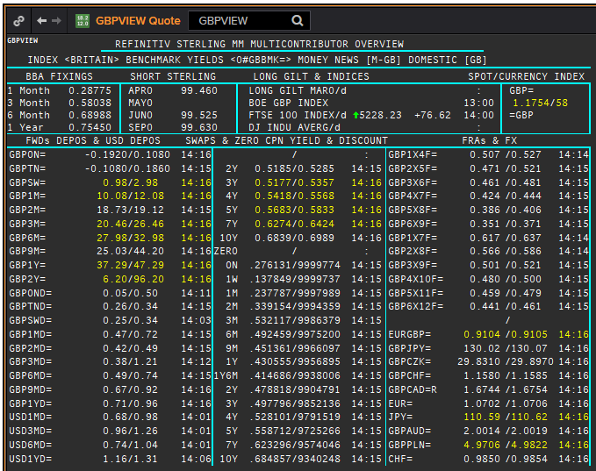
 | GBP
 | .
 | Maturity | Type | RIC | Bid yield (%) | Ask yield (%) | Mid Yield (%) | Ee | Eb | Fe | Fb | Bid/ask | Currency | Tenor | History Start | Close | Helper | Fwd Start Date
Excl. CDIO | SW | OIS | GBPSWOIS= | #NAME? | #NAME? | #NAME? | 1 | 1 | 1 | 1 | MID | GBP | 0 | #NAME? | 5.818
Excl. CDIO | 2W | OIS | GBP2WOIS= | #NAME? | #NAME? | #NAME? | 1 | 1 | 1 | 1 | MID | GBP | 0 | #NAME? | 0.396
 | 1M | OIS | GBP1MOIS= | #NAME? | #NAME? | #NAME? | 1 | 1 | 1 | 1 | MID | GBP | 0 | #NAME? | 5.849
 | 2M | OIS | GBP2MOIS= | #NAME? | #NAME? | #NAME? | 1 | 1 | 1 | 1 | MID | GBP | 0 | #NAME? | 5.875
 | 3M | OIS | GBP3MOIS= | #NAME? | #NAME? | #NAME? | 1 | 1 | 1 | 1 | MID | GBP | 0 | #NAME? | 3.91
 | 4M | OIS | GBP4MOIS= | #NAME? | #NAME? | #NAME? | 1 | 1 | 1 | 1 | MID | GBP | 0 | #NAME? | 5.893
 | 5M | OIS | GBP5MOIS= | #NAME? | #NAME? | #NAME? | 1 | 1 | 1 | 1 | MID | GBP | 0 | #NAME? | 5.888
 | 6M | OIS | GBP6MOIS= | #NAME? | #NAME? | #NAME? | 1 | 1 | 1 | 1 | MID | GBP | 0 | #NAME? | 5.9
 | 7M | OIS | GBP7MOIS= | #NAME? | #NAME? | #NAME? | 1 | 1 | 1 | 1 | MID | GBP | 0 | #NAME? | 5.913
 | 8M | OIS | GBP8MOIS= | #NAME? | #NAME? | #NAME? | 1 | 1 | 1 | 1 | MID | GBP | 0 | #NAME? | 6.045
 | 9M | OIS | GBP9MOIS= | #NAME? | #NAME? | #NAME? | 1 | 1 | 1 | 1 | MID | GBP | 0 | #NAME? | 5.938
 | 10M | OIS | GBP10MOIS= | #NAME? | #NAME? | #NAME? | 1 | 1 | 1 | 1 | MID | GBP | 0 | #NAME? | 5.949
 | 11M | OIS | GBP11MOIS= | #NAME? | #NAME? | #NAME? | 1 | 1 | 1 | 1 | MID | GBP | 0 | #NAME? | 5.956
 | 1Y | OIS | GBP1YOIS= | #NAME? | #NAME? | #NAME? | 1 | 1 | 1 | 1 | MID | GBP | 0 | #NAME? | 5.964
 | 1.5Y | OIS | GBP18MOIS= | #NAME? | #NAME? | #NAME? | 1 | 1 | 1 | 1 | MID | GBP | 0 | #NAME? | 0.607
 | 2Y | OIS | GBP2YOIS= | #NAME? | #NAME? | #NAME? | 1 | 1 | 1 | 1 | MID | GBP | 0 | #NAME? | 6.133
 | 3Y | OIS | GBP3YOIS= | #NAME? | #NAME? | #NAME? | 1 | 1 | 1 | 1 | MID | GBP | 0 | #NAME? | 0.7708
 | ON | IBOR | GBPONFSR= |  |  | #NAME? | 1 | 1 | 1 | 1 | MID | GBP | 0 | #NAME? | 5.81094
Excl. CDIO | SW | IBOR | GBPSWFSR= |  |  | #NAME? | 1 | 1 | 1 | 1 | MID | GBP | 0 | #NAME? | 7.30469
Excl. CDIO | 1M | IBOR | GBP1MFSR= |  |  | #NAME? | 1 | 1 | 1 | 1 | MID | GBP | 0 | #NAME? | 6.5
Excl. CDIO | 2M | IBOR | GBP2MFSR= |  |  | #NAME? | 1 | 1 | 1 | 1 | MID | GBP | 0 | #NAME? | 6.6875
 | 3M | IBOR | GBP3MFSR= |  |  | #NAME? | 1 | 1 | 1 | 1 | MID | GBP | 0 | #NAME? | 6.75
Excl. CDIO | 6M | IBOR | GBP6MFSR= |  |  | #NAME? | 1 | 1 | 1 | 1 | MID | GBP | 0 | #NAME? | 7.1875
Excl. CDIO | 1Y | IBOR | GBP1YFSR= |  |  | #NAME? | 1 | 1 | 1 | 1 | MID | GBP | 0 | #NAME? | 7.8125
 | 4M | FRA | GBP1X4F= | #NAME? | #NAME? | #NAME? | 1 | 1 | 1 | 1 | MID | GBP | 3M | #NAME? | 6.85 | #NAME? | #NAME?
Excl. CDIO | 5M | FRA | GBP2X5F= | #NAME? | #NAME? | #NAME? | 1 | 1 | 1 | 1 | MID | GBP | 3M | #NAME? | 7.1 | #NAME? | #NAME?
Excl. CDIO | 6M | FRA | GBP3X6F= | #NAME? | #NAME? | #NAME? | 1 | 1 | 1 | 1 | MID | GBP | 3M | #NAME? | 7.36 | #NAME? | #NAME?
Excl. CDIO | 7M | FRA | GBP4X7F= | #NAME? | #NAME? | #NAME? | 1 | 1 | 1 | 1 | MID | GBP | 3M | #NAME? | 7.6 | #NAME? | #NAME?
 | 8M | FRA | GBP5X8F= | #NAME? | #NAME? | #NAME? | 1 | 1 | 1 | 1 | MID | GBP | 3M | #NAME? | 7.82 | #NAME? | #NAME?
Excl. CDIO | 9M | FRA | GBP6X9F= | #NAME? | #NAME? | #NAME? | 1 | 1 | 1 | 1 | MID | GBP | 3M | #NAME? | 7.42 | #NAME? | #NAME?
Excl. CDIO | 10M | FRA | GBP7X10F= | #NAME? | #NAME? | #NAME? | 1 | 1 | 1 | 1 | MID | GBP | 3M | #NAME? | 8.03 | #NAME? | #NAME?
Excl. CDIO | 11M | FRA | GBP8X11F= | #NAME? | #NAME? | #NAME? | 1 | 1 | 1 | 1 | MID | GBP | 3M | #NAME? | 7.79 | #NAME? | #NAME?
 | 12M | FRA | GBP9X12F= | #NAME? | #NAME? | #NAME? | 1 | 1 | 1 | 1 | MID | GBP | 3M | #NAME? | 7.94 | #NAME? | #NAME?
Excl. CDIO | 7M | FRA | GBP1X7F= | #NAME? | #NAME? | #NAME? | 1 | 1 | 1 | 1 | MID | GBP | 6M | #NAME? | 7.29 | #NAME? | #NAME?
Excl. CDIO | 8M | FRA | GBP2X8F= | #NAME? | #NAME? | #NAME? | 1 | 1 | 1 | 1 | MID | GBP | 6M | #NAME? | 7.43 | #NAME? | #NAME?
Excl. CDIO | 9M | FRA | GBP3X9F= | #NAME? | #NAME? | #NAME? | 1 | 1 | 1 | 1 | MID | GBP | 6M | #NAME? | 7.71 | #NAME? | #NAME?
Excl. CDIO | 10M | FRA | GBP4X10F= | #NAME? | #NAME? | #NAME? | 1 | 1 | 1 | 1 | MID | GBP | 6M | #NAME? | 7.89 | #NAME? | #NAME?
Excl. CDIO | 11M | FRA | GBP5X11F= | #NAME? | #NAME? | #NAME? | 1 | 1 | 1 | 1 | MID | GBP | 6M | #NAME? | 8.04 | #NAME? | #NAME?
Excl. CDIO | 12M | FRA | GBP6X12F= | #NAME? | #NAME? | #NAME? | 1 | 1 | 1 | 1 | MID | GBP | 6M | #NAME? | 7.75 | #NAME? | #NAME?
Excl. CDIO | 14M | FRA | GBP8X14F= | #NAME? | #NAME? | #NAME? | 1 | 1 | 1 | 1 | MID | GBP | 6M | #NAME? | 8.09 | #NAME? | #NAME?
Excl. CDIO | 1.5Y | FRA | GBP12X18F= | #NAME? | #NAME? | #NAME? | 1 | 1 | 1 | 1 | MID | GBP | 6M | #NAME? | 8.55 | #NAME? | #NAME?
 | 1Y | IRS | GBPSB6L1Y= | #NAME? | #NAME? | #NAME? | 1 | 1 | 1 | 1 | MID | GBP | 6M | #NAME? | 0.6815
 | 2Y | IRS | GBPSB6L2Y= | #NAME? | #NAME? | #NAME? | 1 | 1 | 1 | 1 | MID | GBP | 6M | #NAME? | 8.26
 | 3Y | IRS | GBPSB6L3Y= | #NAME? | #NAME? | #NAME? | 1 | 1 | 1 | 1 | MID | GBP | 6M | #NAME? | 8.54
 | 4Y | IRS | GBPSB6L4Y= | #NAME? | #NAME? | #NAME? | 1 | 1 | 1 | 1 | MID | GBP | 6M | #NAME? | 8.63
 | 5Y | IRS | GBPSB6L5Y= | #NAME? | #NAME? | #NAME? | 1 | 1 | 1 | 1 | MID | GBP | 6M | #NAME? | 8.72
 | 6Y | IRS | GBPSB6L6Y= | #NAME? | #NAME? | #NAME? | 1 | 1 | 1 | 1 | MID | GBP | 6M | #NAME? | 8.78
 | 7Y | IRS | GBPSB6L7Y= | #NAME? | #NAME? | #NAME? | 1 | 1 | 1 | 1 | MID | GBP | 6M | #NAME? | 8.85
 | 8Y | IRS | GBPSB6L8Y= | #NAME? | #NAME? | #NAME? | 1 | 1 | 1 | 1 | MID | GBP | 6M | #NAME? | 8.85
 | 9Y | IRS | GBPSB6L9Y= | #NAME? | #NAME? | #NAME? | 1 | 1 | 1 | 1 | MID | GBP | 6M | #NAME? | 8.86
 | 10Y | IRS | GBPSB6L10Y= | #NAME? | #NAME? | #NAME? | 1 | 1 | 1 | 1 | MID | GBP | 6M | #NAME? | 8.88
 | 12Y | IRS | GBPSB6L12Y= | #NAME? | #NAME? | #NAME? | 1 | 1 | 1 | 1 | MID | GBP | 6M | #NAME? | 4.77
 | 15Y | IRS | GBPSB6L15Y= | #NAME? | #NAME? | #NAME? | 1 | 1 | 1 | 1 | MID | GBP | 6M | #NAME? | 4.79
 | 20Y | IRS | GBPSB6L20Y= | #NAME? | #NAME? | #NAME? | 1 | 1 | 1 | 1 | MID | GBP | 6M | #NAME? | 4.79
 | 25Y | IRS | GBPSB6L25Y= | #NAME? | #NAME? | #NAME? | 1 | 1 | 1 | 1 | MID | GBP | 6M | #NAME? | 5.97
 | 30Y | IRS | GBPSB6L30Y= | #NAME? | #NAME? | #NAME? | 1 | 1 | 1 | 1 | MID | GBP | 6M | #NAME? | 4.79
Excl. CDIO | 40Y | IRS | GBPSB6L40Y= | #NAME? | #NAME? | #NAME? | 1 | 1 | 1 | 1 | MID | GBP | 6M | #NAME? | 4.82
Excl. CDIO | 50Y | IRS | GBPSB6L50Y= | #NAME? | #NAME? | #NAME? | 1 | 1 | 1 | 1 | MID | GBP | 6M | #NAME? | 4.75

