SuperRICs
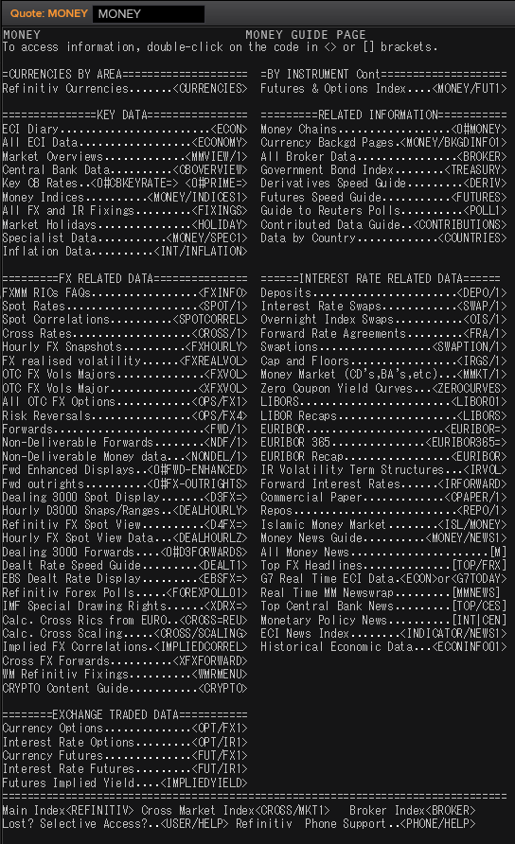
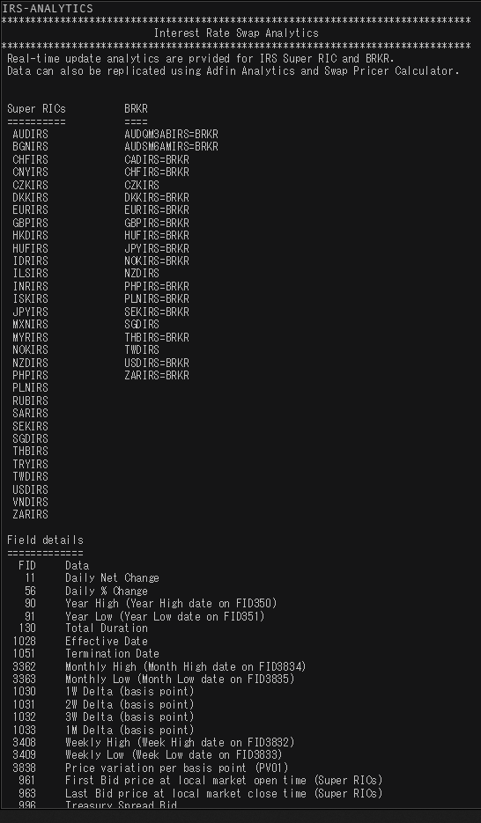
 | SEK | USD | NOK | EUR | DKK | GBP
Market Overview | SEKVIEW | USDVIEW | NOKVIEW | EURVIEW | DKKVIEW | GBPVIEW
Interest Rate Swap | SEKIRS | USDIRS | NOKIRS | EURIRS/EUR1MIRS/EUR3MIRS | DKKIRS | GBPIRS
Overnight Index Swap | SEKOIS | USDOIS | - | EUROIS | DKKTNS | GBPOIS
FRA | SEKFRA | USDFRA | NOKFRA | EURFRA | DKKFRA | GBPFRA
IBOR | STIBOR= | USDLIBOR= | OIBOR= | EURIBOR=/EURLIBOR= | CIBOR= | GBPLIBOR=

 | IRS | Tenors | Money Guide
Helpful Commands | IRS-Analytics | META & RIC | MONEY
 |  | MONEY/BKGDINFO1

SEK
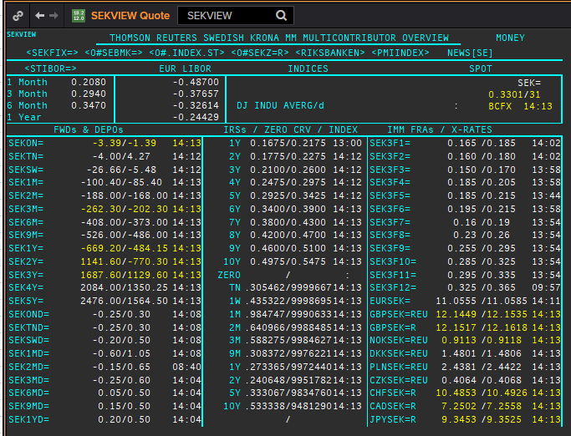
 | SEK
 | .
 | Maturity | Type | RIC | Bid yield (%) | Ask yield (%) | Mid Yield (%) | Ee | Eb | Fe | Fb | Bid/ask | Currency | Tenor | History Start | Close | Helper | Fwd Start Date
 | 1M | OIS | SEKAMTNS1M= | 0.036 | 0.056 | 0.046 | 1 | 1 | 1 | 1 | MID | SEK | 0 | 2002-09-03 | 4.34
 | 2M | OIS | SEKAMTNS2M= | 0.008 | 0.028 | 0.018 | 1 | 1 | 1 | 1 | MID | SEK | 0 | 2002-09-03 | 4.34
 | 3M | OIS | SEKAMTNS3M= | -0.005 | 0.015 | 0.005 | 1 | 1 | 1 | 1 | MID | SEK | 0 | 2002-09-03 | 4.33
 | 6M | OIS | SEKAMTNS6M= | -0.039 | -0.019 | -0.029 | 1 | 1 | 1 | 1 | MID | SEK | 0 | 2002-09-03 | 4.36
 | 9M | OIS | SEKAMTNS9M= | -0.053 | -0.033 | -0.043 | 1 | 1 | 1 | 1 | MID | SEK | 0 | 2002-09-03 | 4.41
 | 1Y | OIS | SEKAMTNS1Y= | -0.059 | -0.039 | -0.049 | 1 | 1 | 1 | 1 | MID | SEK | 0 | 2002-08-29 | 4.48
 | 2Y | OIS | SEKAMTNS2Y= | -0.026 | 0.024 | -0.001 | 1 | 1 | 1 | 1 | MID | SEK | 0 | 2012-10-22 | 1.015
 | 3Y | OIS | SEKAMTNS3Y= | 0.024 | 0.074 | 0.049 | 1 | 1 | 1 | 1 | MID | SEK | 0 | 2012-10-22 | 1.105
 | 4Y | OIS | SEKAMTNS4Y= | 0.035 | 0.085 | 0.06 | 1 | 1 | 1 | 1 | MID | SEK | 0 | 2012-10-22 | 1.22
 | 5Y | OIS | SEKAMTNS5Y= | 0.123 | 0.143 | 0.133 | 1 | 1 | 1 | 1 | MID | SEK | 0 | 2012-10-22 | 1.365
 | 6Y | OIS | SEKAMTNS6Y= | 0.185 | 0.205 | 0.195 | 1 | 1 | 1 | 1 | MID | SEK | 0 | 2012-10-22 | 1.49
 | 7Y | OIS | SEKAMTNS7Y= | 0.239 | 0.259 | 0.249 | 1 | 1 | 1 | 1 | MID | SEK | 0 | 2012-10-22 | 1.615
 | 8Y | OIS | SEKAMTNS8Y= | 0.289 | 0.309 | 0.299 | 1 | 1 | 1 | 1 | MID | SEK | 0 | 2012-10-22 | 1.715
 | 9Y | OIS | SEKAMTNS9Y= | 0.333 | 0.353 | 0.343 | 1 | 1 | 1 | 1 | MID | SEK | 0 | 2012-10-22 | 1.81
 | 10Y | OIS | SEKAMTNS10Y= | 0.374 | 0.394 | 0.384 | 1 | 1 | 1 | 1 | MID | SEK | 0 | 2012-10-22 | 1.895
 | 12Y | OIS | SEKAMTNS12Y= | 0.355 | 0.415 | 0.385 | 1 | 1 | 1 | 1 | MID | SEK | 0 | 2013-07-04 | 2.425
 | 15Y | OIS | SEKAMTNS15Y= | 0.415 | 0.475 | 0.445 | 1 | 1 | 1 | 1 | MID | SEK | 0 | 2013-07-04 | 2.515
 | 20Y | OIS | SEKAMTNS20Y= | 0.572 | 0.592 | 0.582 | 1 | 1 | 1 | 1 | MID | SEK | 0 | 2013-07-04 | 2.575
 | 25Y | OIS | SEKAMTNS25Y= | 0.426 | 0.476 | 0.451 | 1 | 1 | 1 | 1 | MID | SEK | 0 | 2013-07-04 | 2.605
 | 30Y | OIS | SEKAMTNS30Y= | 0.564 | 0.584 | 0.574 | 1 | 1 | 1 | 1 | MID | SEK | 0 | 2013-07-04 | 2.645
 | TN | IBOR | STISEKTNDFI= |  |  | 0.107 | 1 | 1 | 1 | 1 | MID | SEK | 0 | 1997-06-10 | 4.2
Excl. CDIO | 1W | IBOR | STISEK1WDFI= |  |  | 0.118 | 1 | 1 | 1 | 1 | MID | SEK | 0 | 1995-03-01 | 8.05
Excl. CDIO | 1M | IBOR | STISEK1MDFI= |  |  | 0.26 | 1 | 1 | 1 | 1 | MID | SEK | 0 | 1995-03-01 | 8.1
Excl. CDIO | 2M | IBOR | STISEK2MDFI= |  |  | 0.313 | 1 | 1 | 1 | 1 | MID | SEK | 0 | 1995-03-01 | 8.25
 | 3M | IBOR | STISEK3MDFI= |  |  | 0.355 | 1 | 1 | 1 | 1 | MID | SEK | 0 | 1995-03-01 | 8.35
Excl. CDIO | 6M | IBOR | STISEK6MDFI= |  |  | 0.409 | 1 | 1 | 1 | 1 | MID | SEK | 0 | 1995-03-01 | 8.6
 | 6M | FRA | SEK3F1= | 0.187 | 0.207 | 0.197 | 1 | 1 | 1 | 1 | MID | SEK | 3M | 1995-12-15 | 8.72 | 150620 | 2020-09-15
 | 9M | FRA | SEK3F2= | 0.19 | 0.21 | 0.2 | 1 | 1 | 1 | 1 | MID | SEK | 3M | 1995-12-15 | 8.13 | 140920 | 2020-12-14
 | 1Y | FRA | SEK3F3= | 0.175 | 0.195 | 0.185 | 1 | 1 | 1 | 1 | MID | SEK | 3M | 1995-12-15 | 7.83 | 141220 | 2021-03-14
 | 1.25Y | FRA | SEK3F4= | 0.2 | 0.22 | 0.21 | 1 | 1 | 1 | 1 | MID | SEK | 3M | 1995-12-15 | 7.69 | 150321 | 2021-06-15
 | 1.5Y | FRA | SEK3F5= | 0.175 | 0.205 | 0.19 | 1 | 1 | 1 | 1 | MID | SEK | 3M | 1995-12-15 | 7.71 | 140621 | 2021-09-14
 | 1.75Y | FRA | SEK3F6= | 0.195 | 0.215 | 0.205 | 1 | 1 | 1 | 1 | MID | SEK | 3M | 1995-12-15 | 7.75 | 130921 | 2021-12-13
 | 2Y | FRA | SEK3F7= | 0.16 | 0.19 | 0.175 | 1 | 1 | 1 | 1 | MID | SEK | 3M | 1995-12-15 | 7.8 | 131221 | 2022-03-13
 | 2.25Y | FRA | SEK3F8= | 0.2 | 0.23 | 0.215 | 1 | 1 | 1 | 1 | MID | SEK | 3M | 1995-12-15 | 7.85 | 140322 | 2022-06-14
 | 2.5Y | FRA | SEK3F9= | 0.245 | 0.285 | 0.265 | 1 | 1 | 1 | 1 | MID | SEK | 3M | 1999-05-25 | 4.5 | 130622 | 2022-09-13
 | 2.75Y | FRA | SEK3F10= | 0.28 | 0.32 | 0.3 | 1 | 1 | 1 | 1 | MID | SEK | 3M | 1999-05-25 | 4.69 | 190922 | 2022-12-19
 | 3Y | FRA | SEK3F11= | 0.29 | 0.33 | 0.31 | 1 | 1 | 1 | 1 | MID | SEK | 3M | 1999-05-25 | 4.83 | 191222 | 2023-03-19
 | 3.25Y | FRA | SEK3F12= | 0.335 | 0.375 | 0.355 | 1 | 1 | 1 | 1 | MID | SEK | 3M | 1999-05-25 | 4.91 | 130323 | 2023-06-13
 | 1Y | IRS | SEKAB3S1Y= | 0.212 | 0.242 | 0.227 | 1 | 1 | 1 | 1 | MID | SEK | 3M | 1997-05-08 | 4.72
Excl. CDIO | 1.5Y | IRS | SEKAB3S18M= | 0.206 | 0.226 | 0.216 | 1 | 1 | 1 | 1 | MID | SEK | 3M | 2003-01-07 | 3.96
 | 2Y | IRS | SEKAB3S2Y= | 0.2 | 0.22 | 0.21 | 1 | 1 | 1 | 1 | MID | SEK | 3M | 1995-03-01 | 9.87
 | 3Y | IRS | SEKAB3S3Y= | 0.223 | 0.253 | 0.238 | 1 | 1 | 1 | 1 | MID | SEK | 3M | 1995-03-01 | 10.23
 | 4Y | IRS | SEKAB3S4Y= | 0.258 | 0.278 | 0.268 | 1 | 1 | 1 | 1 | MID | SEK | 3M | 1995-03-01 | 10.43
 | 5Y | IRS | SEKAB3S5Y= | 0.298 | 0.318 | 0.308 | 1 | 1 | 1 | 1 | MID | SEK | 3M | 1995-03-01 | 10.52
 | 6Y | IRS | SEKAB3S6Y= | 0.335 | 0.355 | 0.345 | 1 | 1 | 1 | 1 | MID | SEK | 3M | 1997-08-13 | 6.4
 | 7Y | IRS | SEKAB3S7Y= | 0.368 | 0.388 | 0.378 | 1 | 1 | 1 | 1 | MID | SEK | 3M | 1995-03-01 | 10.66
 | 8Y | IRS | SEKAB3S8Y= | 0.408 | 0.428 | 0.418 | 1 | 1 | 1 | 1 | MID | SEK | 3M | 1997-08-13 | 6.63
 | 9Y | IRS | SEKAB3S9Y= | 0.443 | 0.463 | 0.453 | 1 | 1 | 1 | 1 | MID | SEK | 3M | 1997-08-13 | 6.73
 | 10Y | IRS | SEKAB3S10Y= | 0.473 | 0.493 | 0.483 | 1 | 1 | 1 | 1 | MID | SEK | 3M | 1995-03-01 | 10.88
 | 12Y | IRS | SEKAB3S12Y= | 0.543 | 0.563 | 0.553 | 1 | 1 | 1 | 1 | MID | SEK | 3M | 2008-01-10 | 4.7925
 | 15Y | IRS | SEKAB3S15Y= | 0.6 | 0.63 | 0.615 | 1 | 1 | 1 | 1 | MID | SEK | 3M | 2008-01-10 | 4.81
 | 20Y | IRS | SEKAB3S20Y= | 0.62 | 0.65 | 0.635 | 1 | 1 | 1 | 1 | MID | SEK | 3M | 2008-02-06 | 4.5925
 | 30Y | IRS | SEKAB3S30Y= | 0.493 | 0.523 | 0.508 | 1 | 1 | 1 | 1 | MID | SEK | 3M | 2012-02-08 | 2.455

USD
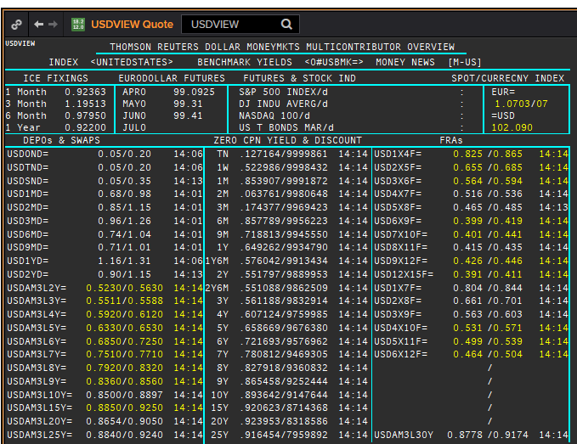
 | USD
 | .
 | Maturity | Type | RIC | Bid yield (%) | Ask yield (%) | Mid Yield (%) | Ee | Eb | Fe | Fb | Bid/ask | Currency | Tenor | History Start | Close | Helper | Fwd Start Date
 | 1M | OIS | USD1MOIS= | 0.086 | 0.136 | 0.111 | 1 | 1 | 1 | 1 | MID | USD | 0 | 2003-11-06 | 1
 | 2M | OIS | USD2MOIS= | 0.085 | 0.125 | 0.105 | 1 | 1 | 1 | 1 | MID | USD | 0 | 2003-11-23 | 1
 | 3M | OIS | USD3MOIS= | 0.094 | 0.114 | 0.104 | 1 | 1 | 1 | 1 | MID | USD | 0 | 2003-11-23 | 1.01
 | 4M | OIS | USD4MOIS= | 0.088 | 0.108 | 0.098 | 1 | 1 | 1 | 1 | MID | USD | 0 | 2003-11-24 | 1.0325
 | 5M | OIS | USD5MOIS= | 0.083 | 0.103 | 0.093 | 1 | 1 | 1 | 1 | MID | USD | 0 | 2003-11-23 | 1.0325
 | 6M | OIS | USD6MOIS= | 0.079 | 0.099 | 0.089 | 1 | 1 | 1 | 1 | MID | USD | 0 | 2003-11-23 | 1.0525
 | 7M | OIS | USD7MOIS= | 0.061 | 0.111 | 0.086 | 1 | 1 | 1 | 1 | MID | USD | 0 | 2003-11-24 | 1.09
 | 8M | OIS | USD8MOIS= | 0.059 | 0.109 | 0.084 | 1 | 1 | 1 | 1 | MID | USD | 0 | 2003-11-24 | 1.13
 | 9M | OIS | USD9MOIS= | 0.068 | 0.098 | 0.083 | 1 | 1 | 1 | 1 | MID | USD | 0 | 2003-11-23 | 1.15
 | 10M | OIS | USD10MOIS= | 0.057 | 0.107 | 0.082 | 1 | 1 | 1 | 1 | MID | USD | 0 | 2003-11-24 | 1.2
 | 11M | OIS | USD11MOIS= | 0.072 | 0.092 | 0.082 | 1 | 1 | 1 | 1 | MID | USD | 0 | 2003-11-24 | 1.24
 | 1Y | OIS | USD1YOIS= | 0.058 | 0.108 | 0.083 | 1 | 1 | 1 | 1 | MID | USD | 0 | 2003-11-23 | 1.2775
 | 2Y | OIS | USD2YOIS= | 0.074 | 0.124 | 0.099 | 1 | 1 | 1 | 1 | MID | USD | 0 | 2007-05-16 | 5.016
 | ON | IBOR | USDONFSR= |  |  | 0.2065 | 1 | 1 | 1 | 1 | MID | USD | 0 | 2001-01-02 | 6.65125
Excl. CDIO | SW | IBOR | USDSWFSR= |  |  | 0.68713 | 1 | 1 | 1 | 1 | MID | USD | 0 | 1997-12-01 | 5.69531
Excl. CDIO | 1M | IBOR | USD1MFSR= |  |  | 0.94663 | 1 | 1 | 1 | 1 | MID | USD | 0 | 1995-03-01 | 6.125
Excl. CDIO | 2M | IBOR | USD2MFSR= |  |  | 1.054 | 1 | 1 | 1 | 1 | MID | USD | 0 | 1995-03-01 | 6.1875
 | 3M | IBOR | USD3MFSR= |  |  | 1.21563 | 1 | 1 | 1 | 1 | MID | USD | 0 | 1995-03-01 | 6.25
Excl. CDIO | 6M | IBOR | USD6MFSR= |  |  | 0.97325 | 1 | 1 | 1 | 1 | MID | USD | 0 | 1995-03-01 | 6.4375
 | 1Y | IBOR | USD1YFSR= |  |  | 0.93738 | 1 | 1 | 1 | 1 | MID | USD | 0 | 1995-03-01 | 6.75
Excl. CDIO | 4M | FRA | USD1X4F= | 0.8583 | 0.8183 | 0.8383 | 1 | 1 | 1 | 1 | MID | USD | 3M | 1995-03-01 | 6.29 | 1X4 | #VALUE!
Excl. CDIO | 5M | FRA | USD2X5F= | 0.625 | 0.595 | 0.61 | 1 | 1 | 1 | 1 | MID | USD | 3M | 1995-03-01 | 6.38
 | 6M | FRA | USD3X6F= | 0.51 | 0.49 | 0.5 | 1 | 1 | 1 | 1 | MID | USD | 3M | 1995-03-01 | 6.47
Excl. CDIO | 7M | FRA | USD4X7F= | 0.4639 | 0.4239 | 0.4439 | 1 | 1 | 1 | 1 | MID | USD | 3M | 1995-03-01 | 6.55
Excl. CDIO | 8M | FRA | USD5X8F= | 0.413 | 0.373 | 0.393 | 1 | 1 | 1 | 1 | MID | USD | 3M | 1995-03-01 | 6.65
 | 9M | FRA | USD6X9F= | 0.378 | 0.338 | 0.358 | 1 | 1 | 1 | 1 | MID | USD | 3M | 1995-03-01 | 6.74
Excl. CDIO | 10M | FRA | USD7X10F= | 0.38 | 0.34 | 0.36 | 1 | 1 | 1 | 1 | MID | USD | 3M | 1995-03-01 | 6.87
Excl. CDIO | 11M | FRA | USD8X11F= | 0.367 | 0.347 | 0.357 | 1 | 1 | 1 | 1 | MID | USD | 3M | 1995-03-01 | 6.93
 | 1Y | FRA | USD9X12F= | 0.378 | 0.358 | 0.368 | 1 | 1 | 1 | 1 | MID | USD | 3M | 1995-03-01 | 6.96
Excl. CDIO | 7M | FRA | USD1X7F= | 0.7748 | 0.7148 | 0.7448 | 1 | 1 | 1 | 1 | MID | USD | 6M | 1995-03-01 | 6.48
Excl. CDIO | 8M | FRA | USD2X8F= | 0.599 | 0.559 | 0.579 | 1 | 1 | 1 | 1 | MID | USD | 6M | 1995-03-01 | 6.57
Excl. CDIO | 9M | FRA | USD3X9F= | 0.535 | 0.495 | 0.515 | 1 | 1 | 1 | 1 | MID | USD | 6M | 1995-03-01 | 6.66
Excl. CDIO | 10M | FRA | USD4X10F= | 0.497 | 0.447 | 0.472 | 1 | 1 | 1 | 1 | MID | USD | 6M | 1995-03-01 | 6.78
Excl. CDIO | 11M | FRA | USD5X11F= | 0.471 | 0.431 | 0.451 | 1 | 1 | 1 | 1 | MID | USD | 6M | 1995-03-01 | 6.85
Excl. CDIO | 12M | FRA | USD6X12F= | 0.451 | 0.411 | 0.431 | 1 | 1 | 1 | 1 | MID | USD | 6M | 1995-03-01 | 6.91
Excl. CDIO | 1.25Y | FRA | USD9X15F= | 0.451 | 0.411 | 0.431 | 1 | 1 | 1 | 1 | MID | USD | 6M | 1995-03-01 | 7.07
Excl. CDIO | 1.5Y | FRA | USD12X18F= | 0.437 | 0.397 | 0.417 | 1 | 1 | 1 | 1 | MID | USD | 6M | 1995-03-01 | 7.14
 | 1.25Y | FRA | USD12X15F= | 0.3415 | 0.3015 | 0.3215 | 1 | 1 | 1 | 1 | MID | USD | 3M | 1995-03-01 | 7.05
 | 1.5Y | FRA | USD15X18F= | 0.353 | 0.333 | 0.343 | 1 | 1 | 1 | 1 | MID | USD | 3M | 1995-03-01 | 7.12
 | 1.75Y | FRA | USD18X21F= | 0.341 | 0.321 | 0.331 | 1 | 1 | 1 | 1 | MID | USD | 3M | 1995-03-01 | 7.64
Excl. CDIO | 2Y | FRA | USD18X24F= | 0.454 | 0.414 | 0.434 | 1 | 1 | 1 | 1 | MID | USD | 6M | 1995-03-01 | 8.03
 | 1Y | IRS | USDAM3L1Y= | 0.622 | 0.602 | 0.612 | 1 | 1 | 1 | 1 | MID | USD | 3M | 1996-01-08 | 5.33
 | 2Y | IRS | USDAM3L2Y= | 0.4762 | 0.4717 | 0.4739 | 1 | 1 | 1 | 1 | MID | USD | 3M | 1995-03-01 | 7.01
 | 3Y | IRS | USDAM3L3Y= | 0.479 | 0.439 | 0.459 | 1 | 1 | 1 | 1 | MID | USD | 3M | 1995-03-01 | 7.15
 | 4Y | IRS | USDAM3L4Y= | 0.487 | 0.447 | 0.467 | 1 | 1 | 1 | 1 | MID | USD | 3M | 1995-03-01 | 7.23
 | 5Y | IRS | USDAM3L5Y= | 0.498 | 0.478 | 0.488 | 1 | 1 | 1 | 1 | MID | USD | 3M | 1995-03-01 | 7.31
 | 6Y | IRS | USDAM3L6Y= | 0.54 | 0.52 | 0.53 | 1 | 1 | 1 | 1 | MID | USD | 3M | 1996-08-21 | 6.73
 | 7Y | IRS | USDAM3L7Y= | 0.609 | 0.569 | 0.589 | 1 | 1 | 1 | 1 | MID | USD | 3M | 1995-03-01 | 7.43
 | 8Y | IRS | USDAM3L8Y= | 0.63 | 0.61 | 0.62 | 1 | 1 | 1 | 1 | MID | USD | 3M | 1996-08-21 | 6.83
 | 9Y | IRS | USDAM3L9Y= | 0.6563 | 0.6517 | 0.654 | 1 | 1 | 1 | 1 | MID | USD | 3M | 1996-08-22 | 6.95
 | 10Y | IRS | USDAM3L10Y= | 0.701 | 0.661 | 0.681 | 1 | 1 | 1 | 1 | MID | USD | 3M | 1995-03-01 | 7.57
 | 12Y | IRS | USDAM3L12Y= | 0.73 | 0.71 | 0.72 | 1 | 1 | 1 | 1 | MID | USD | 3M | 1997-08-06 | 6.23
 | 15Y | IRS | USDAM3L15Y= | 0.733 | 0.713 | 0.723 | 1 | 1 | 1 | 1 | MID | USD | 3M | 1997-08-06 | 6.75
 | 20Y | IRS | USDAM3L20Y= | 0.74 | 0.72 | 0.73 | 1 | 1 | 1 | 1 | MID | USD | 3M | 1997-08-06 | 6.56
 | 25Y | IRS | USDAM3L25Y= | 0.732 | 0.712 | 0.722 | 1 | 1 | 1 | 1 | MID | USD | 3M | 1997-08-06 | 6.69
 | 30Y | IRS | USDAM3L30Y= | 0.749 | 0.7094 | 0.7287 | 1 | 1 | 1 | 1 | MID | USD | 3M | 1997-08-06 | 6.82
Excl. CDIO | 40Y | IRS | USDAM3L40Y= | 0.69 | 0.65 | 0.67 | 1 | 1 | 1 | 1 | MID | USD | 3M | 2007-06-12 | 5.977
Excl. CDIO | 50Y | IRS | USDAM3L50Y= | 0.613 | 0.573 | 0.593 | 1 | 1 | 1 | 1 | MID | USD | 3M | 2007-06-12 | 5.958

NOK
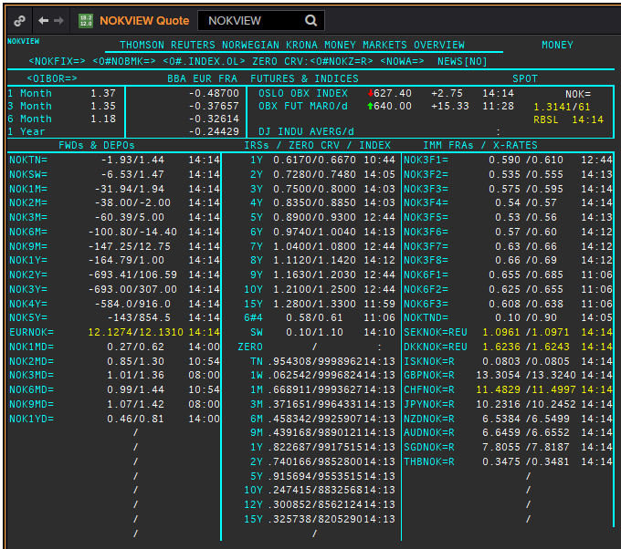
NOK
.
Maturity | Type | RIC | Bid yield (%) | Ask yield (%) | Mid Yield (%) | Ee | Eb | Fe | Fb | Bid/ask | Currency | Tenor | History Start | Close | Helper | Fwd Start Date
ON | IBOR | NOWA= |  |  | 0.99 | 1 | 1 | 1 | 1 | MID | NOK | 0 | 2011-09-30 | 2.69
1W/SW | IBOR | OINOKSWD= |  |  | 0.59 | 1 | 1 | 1 | 1 | MID | NOK | 0 | 2015-05-22 | 1.49
1M | IBOR | OINOK1MD= |  |  | 0.94 | 1 | 1 | 1 | 1 | MID | NOK | 0 | 2015-05-22 | 1.45
2M | IBOR | OINOK2MD= |  |  | 0.99 | 1 | 1 | 1 | 1 | MID | NOK | 0 | 2015-05-22 | 1.47
3M | IBOR | OINOK3MD= |  |  | 1.12 | 1 | 1 | 1 | 1 | MID | NOK | 0 | 2015-05-22 | 1.5
6M | IBOR | OINOK6MD= |  |  | 1.03 | 1 | 1 | 1 | 1 | MID | NOK | 0 | 2015-05-22 | 1.49
6M | FRA | NOK3F1= | 0.625 | 0.645 | 0.635 | 1 | 1 | 1 | 1 | MID | NOK | 3M | 1995-03-01 | 5.35 | 150620 | 2020-09-15
9M | FRA | NOK3F2= | 0.55 | 0.58 | 0.565 | 1 | 1 | 1 | 1 | MID | NOK | 3M | 1995-03-01 | 5.75 | 140920 | 2020-12-14
1Y | FRA | NOK3F3= | 0.57 | 0.6 | 0.585 | 1 | 1 | 1 | 1 | MID | NOK | 3M | 1995-03-01 | 6 | 141220 | 2021-03-14
15M | FRA | NOK3F4= | 0.54 | 0.57 | 0.555 | 1 | 1 | 1 | 1 | MID | NOK | 3M | 1995-03-01 | 6.32 | 150321 | 2021-06-15
18M | FRA | NOK3F5= | 0.53 | 0.56 | 0.545 | 1 | 1 | 1 | 1 | MID | NOK | 3M | 2007-08-16 | 5.47 | 140621 | 2021-09-14
21M | FRA | NOK3F6= | 0.56 | 0.59 | 0.575 | 1 | 1 | 1 | 1 | MID | NOK | 3M | 2007-08-16 | 5.42 | 130921 | 2021-12-13
2Y | FRA | NOK3F7= | 0.62 | 0.65 | 0.635 | 1 | 1 | 1 | 1 | MID | NOK | 3M | 2009-05-18 | 3.14 | 131221 | 2022-03-13
2.25Y | FRA | NOK3F8= | 0.66 | 0.69 | 0.675 | 1 | 1 | 1 | 1 | MID | NOK | 3M | 2009-05-18 | 3.42 | 140322 | 2022-06-14
2.5Y | FRA | NOK3F9= | 0.695 | 0.725 | 0.71 | 1 | 1 | 1 | 1 | MID | NOK | 3M | 2017-07-18 | 1.32 | 130622 | 2022-09-13
2.75Y | FRA | NOK3F10= | 0.73 | 0.76 | 0.745 | 1 | 1 | 1 | 1 | MID | NOK | 3M | 2017-07-18 | 1.41 | 190922 | 2022-12-19
3Y | FRA | NOK3F11= | 0.8 | 0.83 | 0.815 | 1 | 1 | 1 | 1 | MID | NOK | 3M | 2017-07-18 | 1.47 | 191222 | 2023-03-19
3.25Y | FRA | NOK3F12= | 0.84 | 0.87 | 0.855 | 1 | 1 | 1 | 1 | MID | NOK | 3M | 2017-07-18 | 1.55 | 130323 | 2023-06-13
9M | FRA | NOK6F1= | 0.69 | 0.72 | 0.705 | 1 | 1 | 1 | 1 | MID | NOK | 6M | 1995-03-01 | 6.02 | 150620 | 2020-12-15
1Y | FRA | NOK6F2= | 0.63 | 0.66 | 0.645 | 1 | 1 | 1 | 1 | MID | NOK | 6M | 1995-03-01 | 5.98 | 140920 | 2021-03-14
1.25Y | FRA | NOK6F3= | 0.6 | 0.63 | 0.615 | 1 | 1 | 1 | 1 | MID | NOK | 6M | 1995-03-01 | 6.2 | 141220 | 2021-06-14
1.5Y | FRA | NOK6F4= | 0.59 | 0.62 | 0.605 | 1 | 1 | 1 | 1 | MID | NOK | 6M | 1995-03-01 | 6.56 | 150321 | 2021-09-15
1Y | IRS | NOKAB3O1Y= | 0.699 | 0.749 | 0.724 | 1 | 1 | 1 | 1 | MID | NOK | 3M | 1997-09-23 | 4.34
2Y | IRS | NOKAB6O2Y= | 0.743 | 0.763 | 0.753 | 1 | 1 | 1 | 1 | MID | NOK | 6M | 1995-03-01 | 7.08
3Y | IRS | NOKAB6O3Y= | 0.748 | 0.798 | 0.773 | 1 | 1 | 1 | 1 | MID | NOK | 6M | 1995-03-01 | 7.45
4Y | IRS | NOKAB6O4Y= | 0.825 | 0.845 | 0.835 | 1 | 1 | 1 | 1 | MID | NOK | 6M | 1995-03-01 | 7.83
5Y | IRS | NOKAB6O5Y= | 0.9 | 0.92 | 0.91 | 1 | 1 | 1 | 1 | MID | NOK | 6M | 1995-03-01 | 7.97
6Y | IRS | NOKAB6O6Y= | 0.95 | 0.99 | 0.97 | 1 | 1 | 1 | 1 | MID | NOK | 6M | 1997-08-13 | 5.79
7Y | IRS | NOKAB6O7Y= | 1.023 | 1.053 | 1.038 | 1 | 1 | 1 | 1 | MID | NOK | 6M | 1995-08-17 | 7.67
8Y | IRS | NOKAB6O8Y= | 1.08 | 1.12 | 1.1 | 1 | 1 | 1 | 1 | MID | NOK | 6M | 1997-08-13 | 6.06
9Y | IRS | NOKAB6O9Y= | 1.135 | 1.175 | 1.155 | 1 | 1 | 1 | 1 | MID | NOK | 6M | 1997-08-13 | 6.16
10Y | IRS | NOKAB6O10Y= | 1.22 | 1.24 | 1.23 | 1 | 1 | 1 | 1 | MID | NOK | 6M | 1995-08-17 | 7.84
15Y | IRS | NOKAB6O15Y= | 1.26 | 1.31 | 1.285 | 1 | 1 | 1 | 1 | MID | NOK | 6M | 2008-04-23 | 5.41

EUR
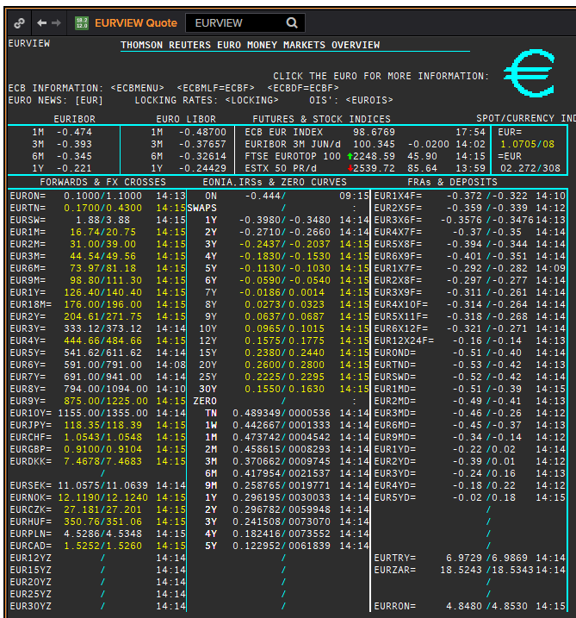
 | EUR
 | .
 | Maturity | Type | RIC | Bid yield (%) | Ask yield (%) | Mid Yield (%) | Ee | Eb | Fe | Fb | Bid/ask | Currency | Tenor | History Start | Close | Helper | Fwd Start Date
? | SW | OIS | EUREONSW= | -0.495 | -0.445 | -0.47 | 1 | 1 | 1 | 1 | MID | EUR | 0 | 1999-03-10 | 3.005
? | 2W | OIS | EUREON2W= | -0.501 | -0.451 | -0.476 | 1 | 1 | 1 | 1 | MID | EUR | 0 | 1999-03-10 | 3.015
? | 3W | OIS | EUREON3W= | -0.518 | -0.468 | -0.493 | 1 | 1 | 1 | 1 | MID | EUR | 0 | 1999-03-10 | 3.03
 | 1M | OIS | EUREON1M= | -0.486 | -0.456 | -0.471 | 1 | 1 | 1 | 1 | MID | EUR | 0 | 1999-01-04 | 3.11
 | 2M | OIS | EUREON2M= | -0.5089 | -0.4696 | -0.48925 | 1 | 1 | 1 | 1 | MID | EUR | 0 | 1999-01-04 | 3.09
 | 3M | OIS | EUREON3M= | -0.5177 | -0.4857 | -0.5017 | 1 | 1 | 1 | 1 | MID | EUR | 0 | 1999-01-04 | 3.08
 | 4M | OIS | EUREON4M= | -0.5258 | -0.4938 | -0.5098 | 1 | 1 | 1 | 1 | MID | EUR | 0 | 1999-03-10 | 3
 | 5M | OIS | EUREON5M= | -0.5317 | -0.4998 | -0.51575 | 1 | 1 | 1 | 1 | MID | EUR | 0 | 1999-03-10 | 2.99
 | 6M | OIS | EUREON6M= | -0.5364 | -0.5045 | -0.52045 | 1 | 1 | 1 | 1 | MID | EUR | 0 | 1999-01-04 | 3.04
 | 7M | OIS | EUREON7M= | -0.5405 | -0.5086 | -0.52455 | 1 | 1 | 1 | 1 | MID | EUR | 0 | 1999-03-10 | 2.97
 | 8M | OIS | EUREON8M= | -0.5434 | -0.5115 | -0.52745 | 1 | 1 | 1 | 1 | MID | EUR | 0 | 1999-03-10 | 2.965
 | 9M | OIS | EUREON9M= | -0.5457 | -0.5139 | -0.5298 | 1 | 1 | 1 | 1 | MID | EUR | 0 | 1999-01-04 | 3.02
 | 10M | OIS | EUREON10M= | -0.5474 | -0.5155 | -0.53145 | 1 | 1 | 1 | 1 | MID | EUR | 0 | 1999-03-10 | 2.99
 | 11M | OIS | EUREON11M= | -0.5485 | -0.5167 | -0.5326 | 1 | 1 | 1 | 1 | MID | EUR | 0 | 1999-03-10 | 2.985
 | 1Y | OIS | EUREON1Y= | -0.5492 | -0.5173 | -0.53325 | 1 | 1 | 1 | 1 | MID | EUR | 0 | 1999-01-04 | 3.02
 | 1.25Y | OIS | EUREON15M= | -0.5502 | -0.5182 | -0.5342 | 1 | 1 | 1 | 1 | MID | EUR | 0 | 2004-12-23 | 2.294
 | 1.5Y | OIS | EUREON18M= | -0.5483 | -0.5159 | -0.5321 | 1 | 1 | 1 | 1 | MID | EUR | 0 | 2004-12-23 | 2.345
 | 1.75Y | OIS | EUREON21M= | -0.53 | -0.52 | -0.525 | 1 | 1 | 1 | 1 | MID | EUR | 0 | 2004-12-23 | 2.402
 | 2Y | OIS | EUREON2Y= | -0.5372 | -0.5034 | -0.5203 | 1 | 1 | 1 | 1 | MID | EUR | 0 | 2001-01-16 | 4.55
 | 3Y | OIS | EUREON3Y= | -0.525 | -0.475 | -0.5 | 1 | 1 | 1 | 1 | MID | EUR | 0 | 2004-12-23 | 2.63
 | 4Y | OIS | EUREON4Y= | -0.461 | -0.42 | -0.4405 | 1 | 1 | 1 | 1 | MID | EUR | 0 | 2005-08-15 | 2.572
 | 5Y | OIS | EUREON5Y= | -0.408 | -0.367 | -0.3875 | 1 | 1 | 1 | 1 | MID | EUR | 0 | 2005-08-15 | 2.71
 | 6Y | OIS | EUREON6Y= | -0.358 | -0.317 | -0.3375 | 1 | 1 | 1 | 1 | MID | EUR | 0 | 2005-08-15 | 2.835
 | 7Y | OIS | EUREON7Y= | -0.313 | -0.272 | -0.2925 | 1 | 1 | 1 | 1 | MID | EUR | 0 | 2005-08-15 | 2.961
 | 8Y | OIS | EUREON8Y= | -0.28 | -0.23 | -0.255 | 1 | 1 | 1 | 1 | MID | EUR | 0 | 2005-08-15 | 3.072
 | 9Y | OIS | EUREON9Y= | -0.231 | -0.19 | -0.2105 | 1 | 1 | 1 | 1 | MID | EUR | 0 | 2005-08-15 | 3.171
 | 10Y | OIS | EUREON10Y= | -0.211 | -0.161 | -0.186 | 1 | 1 | 1 | 1 | MID | EUR | 0 | 2005-08-15 | 3.256
 | 20Y | OIS | EUREON20Y= | -0.017 | 0.033 | 0.008 | 1 | 1 | 1 | 1 | MID | EUR | 0 | 2008-01-03 | 4.546
 | 25Y | OIS | EUREON25Y= | -0.047 | 0.003 | -0.022 | 1 | 1 | 1 | 1 | MID | EUR | 0 | 2017-10-17 | 1.331
 | 30Y | OIS | EUREON30Y= | -0.105 | -0.055 | -0.08 | 1 | 1 | 1 | 1 | MID | EUR | 0 | 2008-01-03 | 4.539
 | ON | IBOR | EONIA= |  |  | -0.441 | 1 | 1 | 1 | 1 | MID | EUR | 0 | 1999-01-04 | 3.2
 | SW | IBOR | EURIBORSWD= |  |  | -0.496 | 1 | 1 | 1 | 1 | MID | EUR | 0 | 1998-12-30 | 3.251
 | 1M | IBOR | EURIBOR1MD= |  |  | -0.45 | 1 | 1 | 1 | 1 | MID | EUR | 0 | 1995-03-01 | 5.0007
 | 3M | IBOR | EURIBOR3MD= |  |  | -0.371 | 1 | 1 | 1 | 1 | MID | EUR | 0 | 1995-03-01 | 5.10167
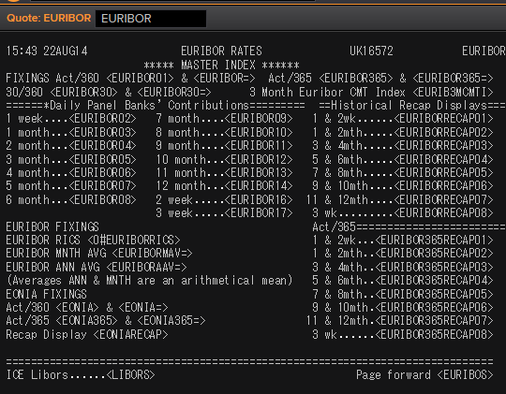
 | 6M | IBOR | EURIBOR6MD= |  |  | -0.313 | 1 | 1 | 1 | 1 | MID | EUR | 0 | 1995-03-01 | 5.2958
 | 1Y | IBOR | EURIBOR1YD= |  |  | -0.186 | 1 | 1 | 1 | 1 | MID | EUR | 0 | 1995-03-01 | 5.7346
 | 4M | FRA | EUR1X4F= | -0.378 | -0.358 | -0.368 | 1 | 1 | 1 | 1 | MID | EUR | 3M | 1995-03-01 | 6.39 | 1X4 | #VALUE!
 | 5M | FRA | EUR2X5F= | -0.383 | -0.363 | -0.373 | 1 | 1 | 1 | 1 | MID | EUR | 3M | 1995-03-01 | 6.51 | 2X5 | #VALUE!
 | 6M | FRA | EUR3X6F= | -0.38 | -0.34 | -0.36 | 1 | 1 | 1 | 1 | MID | EUR | 3M | 1995-03-01 | 6.65 | 3X6 | #VALUE!
 | 7M | FRA | EUR4X7F= | -0.396 | -0.376 | -0.386 | 1 | 1 | 1 | 1 | MID | EUR | 3M | 1995-03-01 | 6.75 | 4X7 | #VALUE!
 | 8M | FRA | EUR5X8F= | -0.403 | -0.383 | -0.393 | 1 | 1 | 1 | 1 | MID | EUR | 3M | 1995-03-01 | 6.87 | 5X8 | #VALUE!
 | 9M | FRA | EUR6X9F= | -0.409 | -0.389 | -0.399 | 1 | 1 | 1 | 1 | MID | EUR | 3M | 1995-03-01 | 7.01 | 6X9 | #VALUE!
 | 10M | FRA | EUR7X10F= | -0.407 | -0.387 | -0.397 | 1 | 1 | 1 | 1 | MID | EUR | 3M | 1995-03-01 | 7.13 | 7X10 | #VALUE!
 | 11M | FRA | EUR8X11F= | -0.407 | -0.387 | -0.397 | 1 | 1 | 1 | 1 | MID | EUR | 3M | 1995-03-01 | 7.25 | 8X11 | #VALUE!
 | 1Y | FRA | EUR9X12F= | -0.408 | -0.388 | -0.398 | 1 | 1 | 1 | 1 | MID | EUR | 3M | 1995-03-01 | 7.37 | 9X12 | #VALUE!
 | 1.25Y | FRA | EUR12X15F= | -0.421 | -0.371 | -0.396 | 1 | 1 | 1 | 1 | MID | EUR | 3M | 1999-01-05 | 2.98 | 12X15 | #VALUE!
 | 1.5Y | FRA | EUR15X18F= | -0.39 | -0.34 | -0.365 | 1 | 1 | 1 | 1 | MID | EUR | 3M | 2014-09-30 | 0.687 | 15X18 | #VALUE!
 | 1.75Y | FRA | EUR18X21F= | -0.37 | -0.32 | -0.345 | 1 | 1 | 1 | 1 | MID | EUR | 3M | 2014-09-30 | 0.412 | 18X21 | #VALUE!
 | 2Y | FRA | EUR21X24F= | -0.34 | -0.29 | -0.315 | 1 | 1 | 1 | 1 | MID | EUR | 3M | 2014-09-30 | 0.832 | 21X24 | #VALUE!
 | 7M | FRA | EUR1X7F= | -0.318 | -0.298 | -0.308 | 1 | 1 | 1 | 1 | MID | EUR | 6M | 1995-03-01 | 6.67 | 1X7 | #VALUE!
 | 8M | FRA | EUR2X8F= | -0.318 | -0.308 | -0.313 | 1 | 1 | 1 | 1 | MID | EUR | 6M | 1995-03-01 | 6.76 | 2X8 | #VALUE!
 | 14M | FRA | EUR2X14F= | -0.217 | -0.207 | -0.212 | 1 | 1 | 1 | 1 | MID | EUR | 12M | 1999-01-05 | 3.19 | 2X14 | #VALUE!
 | 9M | FRA | EUR3X9F= | -0.328 | -0.308 | -0.318 | 1 | 1 | 1 | 1 | MID | EUR | 6M | 1995-03-01 | 6.88 | 3X9 | #VALUE!
 | 1.25Y | FRA | EUR3X15F= | -0.211 | -0.191 | -0.201 | 1 | 1 | 1 | 1 | MID | EUR | 12M | 1999-01-05 | 3.12 | 3X15 | #VALUE!
 | 10M | FRA | EUR4X10F= | -0.331 | -0.311 | -0.321 | 1 | 1 | 1 | 1 | MID | EUR | 6M | 1995-03-01 | 6.99 | 4X10 | #VALUE!
 | 11M | FRA | EUR5X11F= | -0.335 | -0.315 | -0.325 | 1 | 1 | 1 | 1 | MID | EUR | 6M | 1995-03-01 | 7.14 | 5X11 | #VALUE!
 | 1Y | FRA | EUR6X12F= | -0.338 | -0.318 | -0.328 | 1 | 1 | 1 | 1 | MID | EUR | 6M | 1995-03-01 | 7.25 | 6X12 | #VALUE!
 | 1.25Y | FRA | EUR9X15F= | -0.326 | -0.316 | -0.321 | 1 | 1 | 1 | 1 | MID | EUR | 6M | 1999-01-05 | 3.11 | 9X15 | #VALUE!
 | 1.5Y | FRA | EUR12X18F= | -0.311 | -0.301 | -0.306 | 1 | 1 | 1 | 1 | MID | EUR | 6M | 1995-03-01 | 7.88 | 12X18 | #VALUE!
 | 2Y | FRA | EUR18X24F= | -0.261 | -0.241 | -0.251 | 1 | 1 | 1 | 1 | MID | EUR | 6M | 1995-03-01 | 8.2 | 18X24 | #VALUE!
 | 1.5Y | FRA | EUR6X18F= | -0.209 | -0.188 | -0.1985 | 1 | 1 | 1 | 1 | MID | EUR | 12M | 1995-03-01 | 7.71 | 6X18 | #VALUE!
 | 2Y | FRA | EUR12X24F= | -0.204 | -0.194 | -0.199 | 1 | 1 | 1 | 1 | MID | EUR | 12M | 1995-03-01 | 8.18 | 12X24 | #VALUE!
 | 1Y | IRS | EURAB6E1Y= | -0.3378 | -0.29 | -0.3139 | 1 | 1 | 1 | 1 | MID | EUR | 6M | 1998-11-30 | 3.58
 | 1.5Y | IRS | EURAB6E18M= | -0.3406 | -0.2869 | -0.31375 | 1 | 1 | 1 | 1 | MID | EUR | 6M | 1999-02-10 | 3.04
 | 2Y | IRS | EURAB6E2Y= | -0.3 | -0.29 | -0.295 | 1 | 1 | 1 | 1 | MID | EUR | 6M | 1995-03-01 | 6.37
 | 3Y | IRS | EURAB6E3Y= | -0.2708 | -0.2608 | -0.2658 | 1 | 1 | 1 | 1 | MID | EUR | 6M | 1995-03-01 | 6.72
 | 4Y | IRS | EURAB6E4Y= | -0.245 | -0.225 | -0.235 | 1 | 1 | 1 | 1 | MID | EUR | 6M | 1995-03-01 | 6.94
 | 5Y | IRS | EURAB6E5Y= | -0.1784 | -0.1684 | -0.1734 | 1 | 1 | 1 | 1 | MID | EUR | 6M | 1995-03-01 | 7.1
 | 6Y | IRS | EURAB6E6Y= | -0.1356 | -0.1156 | -0.1256 | 1 | 1 | 1 | 1 | MID | EUR | 6M | 1995-03-01 | 7.23
 | 7Y | IRS | EURAB6E7Y= | -0.0904 | -0.0704 | -0.0804 | 1 | 1 | 1 | 1 | MID | EUR | 6M | 1995-03-01 | 7.35
 | 8Y | IRS | EURAB6E8Y= | -0.0493 | -0.0393 | -0.0443 | 1 | 1 | 1 | 1 | MID | EUR | 6M | 1995-03-01 | 7.42
 | 9Y | IRS | EURAB6E9Y= | -0.0194 | 0.0006 | -0.0094 | 1 | 1 | 1 | 1 | MID | EUR | 6M | 1995-03-01 | 7.47
 | 10Y | IRS | EURAB6E10Y= | 0.0131 | 0.0331 | 0.0231 | 1 | 1 | 1 | 1 | MID | EUR | 6M | 1995-03-01 | 7.5
 | 11Y | IRS | EURAB6E11Y= | 0.0443 | 0.0643 | 0.0543 | 1 | 1 | 1 | 1 | MID | EUR | 6M | 1999-01-04 | 4.23
 | 12Y | IRS | EURAB6E12Y= | 0.0741 | 0.0941 | 0.0841 | 1 | 1 | 1 | 1 | MID | EUR | 6M | 1998-11-26 | 4.61
 | 13Y | IRS | EURAB6E13Y= | 0.1007 | 0.1207 | 0.1107 | 1 | 1 | 1 | 1 | MID | EUR | 6M | 2001-07-11 | 5.6575
 | 14Y | IRS | EURAB6E14Y= | 0.1235 | 0.1435 | 0.1335 | 1 | 1 | 1 | 1 | MID | EUR | 6M | 2001-07-11 | 5.71
 | 15Y | IRS | EURAB6E15Y= | 0.1421 | 0.1621 | 0.1521 | 1 | 1 | 1 | 1 | MID | EUR | 6M | 1996-10-16 | 6.61
 | 16Y | IRS | EURAB6E16Y= | 0.1563 | 0.1763 | 0.1663 | 1 | 1 | 1 | 1 | MID | EUR | 6M | 2001-07-11 | 5.79
 | 17Y | IRS | EURAB6E17Y= | 0.1665 | 0.1865 | 0.1765 | 1 | 1 | 1 | 1 | MID | EUR | 6M | 2001-08-17 | 5.545
 | 18Y | IRS | EURAB6E18Y= | 0.1729 | 0.1929 | 0.1829 | 1 | 1 | 1 | 1 | MID | EUR | 6M | 2001-07-11 | 5.85
 | 19Y | IRS | EURAB6E19Y= | 0.1757 | 0.1957 | 0.1857 | 1 | 1 | 1 | 1 | MID | EUR | 6M | 2001-07-11 | 5.865
 | 20Y | IRS | EURAB6E20Y= | 0.1751 | 0.1951 | 0.1851 | 1 | 1 | 1 | 1 | MID | EUR | 6M | 1998-08-13 | 5
 | 21Y | IRS | EURAB6E21Y= | 0.175 | 0.205 | 0.19 | 1 | 1 | 1 | 1 | MID | EUR | 6M | 2001-07-11 | 5.8925
 | 22Y | IRS | EURAB6E22Y= | 0.169 | 0.199 | 0.184 | 1 | 1 | 1 | 1 | MID | EUR | 6M | 2001-07-11 | 5.9025
 | 23Y | IRS | EURAB6E23Y= | 0.161 | 0.191 | 0.176 | 1 | 1 | 1 | 1 | MID | EUR | 6M | 2001-07-11 | 5.9125
 | 24Y | IRS | EURAB6E24Y= | 0.15 | 0.18 | 0.165 | 1 | 1 | 1 | 1 | MID | EUR | 6M | 2002-01-24 | 5.4025
 | 25Y | IRS | EURAB6E25Y= | 0.1351 | 0.1551 | 0.1451 | 1 | 1 | 1 | 1 | MID | EUR | 6M | 1998-11-26 | 5.1
 | 26Y | IRS | EURAB6E26Y= | 0.1141 | 0.1541 | 0.1341 | 1 | 1 | 1 | 1 | MID | EUR | 6M | 2001-07-11 | 5.9325
 | 27Y | IRS | EURAB6E27Y= | 0.1015 | 0.1415 | 0.1215 | 1 | 1 | 1 | 1 | MID | EUR | 6M | 2001-07-11 | 5.9325
 | 28Y | IRS | EURAB6E28Y= | 0.0889 | 0.1289 | 0.1089 | 1 | 1 | 1 | 1 | MID | EUR | 6M | 2001-07-11 | 5.9325
 | 29Y | IRS | EURAB6E29Y= | 0.0766 | 0.1166 | 0.0966 | 1 | 1 | 1 | 1 | MID | EUR | 6M | 2001-07-11 | 5.9325
 | 30Y | IRS | EURAB6E30Y= | 0.0731 | 0.0931 | 0.0831 | 1 | 1 | 1 | 1 | MID | EUR | 6M | 1998-08-13 | 5
 | 40Y | IRS | EURAB6E40Y= | -0.0189 | 0.0011 | -0.0089 | 1 | 1 | 1 | 1 | MID | EUR | 6M | 2003-07-23 | 4.8775
 | 50Y | IRS | EURAB6E50Y= | -0.0936 | -0.0836 | -0.0886 | 1 | 1 | 1 | 1 | MID | EUR | 6M | 2003-07-23 | 4.88
 | 2M | IRS | EURAM1E2M= | -0.46 | -0.439 | -0.4495 | 1 | 1 | 1 | 1 | MID | EUR | 1M | 2014-10-06 | -0.003
 | 3M | IRS | EURAM1E3M= | -0.465 | -0.444 | -0.4545 | 1 | 1 | 1 | 1 | MID | EUR | 1M | 2004-01-21 | 2.04
 | 4M | IRS | EURAM1E4M= | -0.469 | -0.448 | -0.4585 | 1 | 1 | 1 | 1 | MID | EUR | 1M | 2014-10-06 | -0.001
 | 5M | IRS | EURAM1E5M= | -0.479 | -0.449 | -0.464 | 1 | 1 | 1 | 1 | MID | EUR | 1M | 2014-10-06 | 0.001
 | 6M | IRS | EURAM1E6M= | -0.475 | -0.454 | -0.4645 | 1 | 1 | 1 | 1 | MID | EUR | 1M | 2004-01-21 | 2.038
 | 7M | IRS | EURAM1E7M= | -0.485 | -0.455 | -0.47 | 1 | 1 | 1 | 1 | MID | EUR | 1M | 2014-10-06 | -0.013
 | 8M | IRS | EURAM1E8M= | -0.487 | -0.457 | -0.472 | 1 | 1 | 1 | 1 | MID | EUR | 1M | 2014-10-06 | -0.016
 | 9M | IRS | EURAM1E9M= | -0.483 | -0.462 | -0.4725 | 1 | 1 | 1 | 1 | MID | EUR | 1M | 2004-02-24 | 2.04
 | 1Y | IRS | EURAM1E1Y= | -0.485 | -0.464 | -0.4745 | 1 | 1 | 1 | 1 | MID | EUR | 1M | 2004-02-24 | 2.09
 | 9M | IRS | EURAB3E9M= | -0.392 | -0.372 | -0.382 | 1 | 1 | 1 | 1 | MID | EUR | 3M | 2008-01-03 | 4.51
 | 1Y | IRS | EURAB3E1Y= | -0.4151 | -0.3603 | -0.3877 | 1 | 1 | 1 | 1 | MID | EUR | 3M | 1998-11-26 | 3.47
 | 1.5Y | IRS | EURAB3E18M= | -0.4091 | -0.3691 | -0.3891 | 1 | 1 | 1 | 1 | MID | EUR | 3M | 1999-04-21 | 2.75
 | 2Y | IRS | EURAB3E2Y= | -0.3941 | -0.3541 | -0.3741 | 1 | 1 | 1 | 1 | MID | EUR | 3M | 1998-12-01 | 3.39
 | 3Y | IRS | EURAB3E3Y= | -0.3497 | -0.3397 | -0.3447 | 1 | 1 | 1 | 1 | MID | EUR | 3M | 1998-12-01 | 3.46
 | 4Y | IRS | EURAB3E4Y= | -0.3235 | -0.3035 | -0.3135 | 1 | 1 | 1 | 1 | MID | EUR | 3M | 1998-12-01 | 3.55
 | 5Y | IRS | EURAB3E5Y= | -0.2569 | -0.2469 | -0.2519 | 1 | 1 | 1 | 1 | MID | EUR | 3M | 1998-12-01 | 3.75
 | 6Y | IRS | EURAB3E6Y= | -0.2078 | -0.1978 | -0.2028 | 1 | 1 | 1 | 1 | MID | EUR | 3M | 1998-12-01 | 3.88
 | 7Y | IRS | EURAB3E7Y= | -0.177 | -0.136 | -0.1565 | 1 | 1 | 1 | 1 | MID | EUR | 3M | 1998-12-01 | 3.99
 | 8Y | IRS | EURAB3E8Y= | -0.1179 | -0.1079 | -0.1129 | 1 | 1 | 1 | 1 | MID | EUR | 3M | 1998-12-01 | 4.1
 | 9Y | IRS | EURAB3E9Y= | -0.0774 | -0.0674 | -0.0724 | 1 | 1 | 1 | 1 | MID | EUR | 3M | 1998-12-01 | 4.15
 | 10Y | IRS | EURAB3E10Y= | -0.0459 | -0.0259 | -0.0359 | 1 | 1 | 1 | 1 | MID | EUR | 3M | 1999-01-07 | 4.06
 | 11Y | IRS | EURAB3E11Y= | -0.022 | 0.019 | -0.0015 | 1 | 1 | 1 | 1 | MID | EUR | 3M | 2001-08-17 | 5.245
 | 12Y | IRS | EURAB3E12Y= | 0.0278 | 0.0378 | 0.0328 | 1 | 1 | 1 | 1 | MID | EUR | 3M | 2001-08-17 | 5.3125
 | 13Y | IRS | EURAB3E13Y= | 0.0537 | 0.0737 | 0.0637 | 1 | 1 | 1 | 1 | MID | EUR | 3M | 2001-08-17 | 5.375
 | 14Y | IRS | EURAB3E14Y= | 0.0799 | 0.0999 | 0.0899 | 1 | 1 | 1 | 1 | MID | EUR | 3M | 2001-08-17 | 5.4275
 | 15Y | IRS | EURAB3E15Y= | 0.09 | 0.131 | 0.1105 | 1 | 1 | 1 | 1 | MID | EUR | 3M | 2001-08-17 | 5.4725
 | 16Y | IRS | EURAB3E16Y= | 0.1183 | 0.1383 | 0.1283 | 1 | 1 | 1 | 1 | MID | EUR | 3M | 2001-08-17 | 5.51
 | 17Y | IRS | EURAB3E17Y= | 0.1308 | 0.1508 | 0.1408 | 1 | 1 | 1 | 1 | MID | EUR | 3M | 2001-08-17 | 5.5425
 | 18Y | IRS | EURAB3E18Y= | 0.1394 | 0.1594 | 0.1494 | 1 | 1 | 1 | 1 | MID | EUR | 3M | 2001-08-17 | 5.57
 | 19Y | IRS | EURAB3E19Y= | 0.1442 | 0.1642 | 0.1542 | 1 | 1 | 1 | 1 | MID | EUR | 3M | 2001-08-17 | 5.5925
 | 20Y | IRS | EURAB3E20Y= | 0.1508 | 0.1608 | 0.1558 | 1 | 1 | 1 | 1 | MID | EUR | 3M | 2001-08-17 | 5.6125
 | 25Y | IRS | EURAB3E25Y= | 0.1183 | 0.1283 | 0.1233 | 1 | 1 | 1 | 1 | MID | EUR | 3M | 2001-08-17 | 5.665
 | 30Y | IRS | EURAB3E30Y= | 0.0628 | 0.0728 | 0.0678 | 1 | 1 | 1 | 1 | MID | EUR | 3M | 2001-08-17 | 5.6675
 | 40Y | IRS | EURAB3E40Y= | -0.0284 | -0.0084 | -0.0184 | 1 | 1 | 1 | 1 | MID | EUR | 3M | 2011-02-25 | 3.42
 | 50Y | IRS | EURAB3E50Y= | -0.1034 | -0.0834 | -0.0934 | 1 | 1 | 1 | 1 | MID | EUR | 3M | 2011-02-28 | 3.38

 |  |  | EURIBORSWD=
 |  |  | EURIBOR1MD=
 |  |  | EURIBOR3MD=
 |  |  | EURIBOR6MD=
 |  |  | EURIBOR1YD=
 |  |  | EURIBOR1MD=

EURIBOR02 | 1W | IBOR | EURIBOR1WD= |  |  | #N/A The record could not be found | 1 | 1 | 1 | 1 | MID | EUR | 0 | Invalid RIC(s): EURIBOR1WD= | 3.251
EURIBOR16 | 2W | IBOR | EURIBOR2WD= |  |  | #N/A The record could not be found | 1 | 1 | 1 | 1 | MID | EUR |  | Invalid RIC(s): EURIBOR2WD= | 142.005
EURIBOR17 | 3W | IBOR | EURIBOR3WD= |  |  | #N/A | 1 | 1 | 1 | 1 | MID | EUR |  | Invalid RIC(s): EURIBOR3WD= | 143.005
EURIBOR03 | 1M | IBOR | EURIBOR1MD= |  |  | #N/A The record could not be found | 1 | 1 | 1 | 1 | MID | EUR |  | 1995-03-01 | 5.0007
EURIBOR04 | 2M | IBOR | EURIBOR2MD= |  |  | #N/A The record could not be found | 1 | 1 | 1 | 1 | MID | EUR |  | Invalid RIC(s): EURIBOR2MD= | 145.005
EURIBOR05 | 3M | IBOR | EURIBOR3MD= |  |  | #N/A The record could not be found | 1 | 1 | 1 | 1 | MID | EUR |  | 1995-03-01 | 5.10167
EURIBOR06 | 4M | IBOR | EURIBOR4MD= |  |  | #N/A The record could not be found | 1 | 1 | 1 | 1 | MID | EUR |  | Invalid RIC(s): EURIBOR4MD= | 147.005
EURIBOR07 | 5M | IBOR | EURIBOR5MD= |  |  | #N/A The record could not be found | 1 | 1 | 1 | 1 | MID | EUR |  | Invalid RIC(s): EURIBOR5MD= | 148.005
EURIBOR08 | 6M | IBOR | EURIBOR6MD= |  |  | #N/A The record could not be found | 1 | 1 | 1 | 1 | MID | EUR |  | 1995-03-01 | 5.2958
EURIBOR09 | 7M | IBOR | EURIBOR7MD= |  |  | #N/A The record could not be found | 1 | 1 | 1 | 1 | MID | EUR |  | Invalid RIC(s): EURIBOR7MD= | 150.005
EURIBOR10 | 8M | IBOR | EURIBOR8MD= |  |  | #N/A The record could not be found | 1 | 1 | 1 | 1 | MID | EUR |  | Invalid RIC(s): EURIBOR8MD= | 151.005
EURIBOR11 | 9M | IBOR | EURIBOR9MD= |  |  | #N/A The record could not be found | 1 | 1 | 1 | 1 | MID | EUR |  | Invalid RIC(s): EURIBOR9MD= | 152.005
EURIBOR12 | 10M | IBOR | EURIBOR10MD= |  |  | #N/A The record could not be found | 1 | 1 | 1 | 1 | MID | EUR |  | Invalid RIC(s): EURIBOR10MD= | 153.005
EURIBOR13 | 11M | IBOR | EURIBOR11MD= |  |  | #N/A The record could not be found | 1 | 1 | 1 | 1 | MID | EUR |  | Invalid RIC(s): EURIBOR11MD= | 154.005
EURIBOR14 | 12M | IBOR | EURIBOR12MD= |  |  | #N/A The record could not be found | 1 | 1 | 1 | 1 | MID | EUR |  | Invalid RIC(s): EURIBOR12MD= | 155.005

DKK
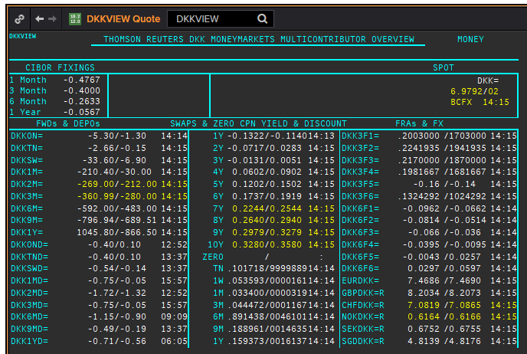
DKK
.
Maturity | Type | RIC | Bid yield (%) | Ask yield (%) | Mid Yield (%) | Ee | Eb | Fe | Fb | Bid/ask | Currency | Tenor | History Start | Close | Helper | Fwd Start Date
1M | OIS | DKKAMTNC1M= | -0.515 | -0.375 | -0.445 | 1 | 1 | 1 | 1 | MID | DKK | 0 | 2003-01-06 | 2.96
2M | OIS | DKKAMTNC2M= | -0.494 | -0.394 | -0.444 | 1 | 1 | 1 | 1 | MID | DKK | 0 | 2003-01-06 | 2.95
3M | OIS | DKKAMTNC3M= | -0.531 | -0.471 | -0.501 | 1 | 1 | 1 | 1 | MID | DKK | 0 | 2003-01-06 | 2.94
6M | OIS | DKKAMTNC6M= | -0.538 | -0.478 | -0.508 | 1 | 1 | 1 | 1 | MID | DKK | 0 | 2003-01-06 | 2.87
9M | OIS | DKKAMTNC9M= | -0.509 | -0.479 | -0.494 | 1 | 1 | 1 | 1 | MID | DKK | 0 | 2003-01-06 | 2.87
1Y | OIS | DKKAMTNC1Y= | -0.504 | -0.474 | -0.489 | 1 | 1 | 1 | 1 | MID | DKK | 0 | 2003-01-06 | 2.87
2Y | OIS | DKKAMTNC2Y= | -0.432 | -0.392 | -0.412 | 1 | 1 | 1 | 1 | MID | DKK | 0 | 2013-04-10 | 0.1182
3Y | OIS | DKKAMTNC3Y= | -0.3928 | -0.3528 | -0.3728 | 1 | 1 | 1 | 1 | MID | DKK | 0 | 2013-04-10 | 0.2318
4Y | OIS | DKKAMTNC4Y= | -0.3502 | -0.3102 | -0.3302 | 1 | 1 | 1 | 1 | MID | DKK | 0 | 2013-04-10 | 0.3834
5Y | OIS | DKKAMTNC5Y= | -0.3079 | -0.2479 | -0.2779 | 1 | 1 | 1 | 1 | MID | DKK | 0 | 2013-04-10 | 0.5611
SW | IBOR | CIDKKSWD= |  |  | -0.4067 | 1 | 1 | 1 | 1 | MID | DKK | 0 | 2005-04-01 | 2.1783
2W | IBOR | CIDKK2WD= |  |  | -0.38 | 1 | 1 | 1 | 1 | MID | DKK | 0 | 2005-04-01 | 2.1783
1M | IBOR | CIDKK1MD= |  |  | -0.3367 | 1 | 1 | 1 | 1 | MID | DKK | 0 | 1995-03-01 | 5.866
2M | IBOR | CIDKK2MD= |  |  | -0.2867 | 1 | 1 | 1 | 1 | MID | DKK | 0 | 1995-03-01 | 6.01
3M | IBOR | CIDKK3MD= |  |  | -0.2533 | 1 | 1 | 1 | 1 | MID | DKK | 0 | 1995-03-01 | 6.128
6M | IBOR | CIDKK6MD= |  |  | -0.1267 | 1 | 1 | 1 | 1 | MID | DKK | 0 | 1995-03-01 | 6.45
9M | IBOR | CIDKK9MD= |  |  | -0.0233 | 1 | 1 | 1 | 1 | MID | DKK | 0 | 1995-10-08 | 5.816
1Y | IBOR | CIDKK1YD= |  |  | 0.0833 | 1 | 1 | 1 | 1 | MID | DKK | 0 | 1995-10-16 | 5.848
6M | FRA | DKK3F1= | -0.241 | -0.181 | -0.211 | 1 | 1 | 1 | 1 | MID | DKK | 3M | 1999-06-11 | 3.11 | 150620 | 2020-09-15
9M | FRA | DKK3F2= | -0.242 | -0.182 | -0.212 | 1 | 1 | 1 | 1 | MID | DKK | 3M | 1999-06-11 | 3.21 | 140920 | 2020-12-14
1Y | FRA | DKK3F3= | -0.2017 | -0.1717 | -0.1867 | 1 | 1 | 1 | 1 | MID | DKK | 3M | 1999-06-11 | 3.47 | 141220 | 2021-03-14
1.25Y | FRA | DKK3F4= | -0.1894 | -0.1594 | -0.1744 | 1 | 1 | 1 | 1 | MID | DKK | 3M | 1999-06-11 | 3.48 | 150321 | 2021-06-15
1.5Y | FRA | DKK3F5= | -0.179 | -0.119 | -0.149 | 1 | 1 | 1 | 1 | MID | DKK | 3M | 1999-07-15 | 4.17 | 140621 | 2021-09-14
1.75Y | FRA | DKK3F6= | -0.147 | -0.087 | -0.117 | 1 | 1 | 1 | 1 | MID | DKK | 3M | 1999-07-15 | 4.43 | 130921 | 2021-12-13
2Y | FRA | DKK3F7= | -0.1123 | -0.0823 | -0.0973 | 1 | 1 | 1 | 1 | MID | DKK | 3M | 2004-10-20 | 3.02 | 131221 | 2022-03-13
2.25Y | FRA | DKK3F8= | -0.0889 | -0.0589 | -0.0739 | 1 | 1 | 1 | 1 | MID | DKK | 3M | 2004-10-20 | 3.16 | 140322 | 2022-06-14
2.5Y | FRA | DKK3F9= | -0.0669 | -0.0369 | -0.0519 | 1 | 1 | 1 | 1 | MID | DKK | 3M | 2004-10-20 | 3.31 | 130622 | 2022-09-13
2.75Y | FRA | DKK3F10= | -0.038 | -0.008 | -0.023 | 1 | 1 | 1 | 1 | MID | DKK | 3M | 2004-10-20 | 3.42 | 190922 | 2022-12-19
9M | FRA | DKK6F1= | -0.0775 | -0.0475 | -0.0625 | 1 | 1 | 1 | 1 | MID | DKK | 6M | 1999-06-11 | 3.32 | 150620 | 2020-12-15
1Y | FRA | DKK6F2= | -0.0676 | -0.0376 | -0.0526 | 1 | 1 | 1 | 1 | MID | DKK | 6M | 1999-06-11 | 3.49 | 140920 | 2021-03-14
1.25Y | FRA | DKK6F3= | -0.0526 | -0.0226 | -0.0376 | 1 | 1 | 1 | 1 | MID | DKK | 6M | 1999-06-11 | 3.6 | 141220 | 2021-06-14
1.5Y | FRA | DKK6F4= | -0.0339 | -0.0039 | -0.0189 | 1 | 1 | 1 | 1 | MID | DKK | 6M | 1999-06-11 | 3.75 | 150321 | 2021-09-15
1.75Y | FRA | DKK6F5= | -0.0066 | 0.0234 | 0.0084 | 1 | 1 | 1 | 1 | MID | DKK | 6M | 1999-07-15 | 4.33 | 140621 | 2021-12-14
2Y | FRA | DKK6F6= | 0.0201 | 0.0501 | 0.0351 | 1 | 1 | 1 | 1 | MID | DKK | 6M | 1999-07-15 | 4.55 | 130921 | 2022-03-13
1Y | IRS | DKKAB6C1Y= | -0.0827 | -0.0645 | -0.0736 | 1 | 1 | 1 | 1 | MID | DKK | 6M | 1997-08-13 | 4.14
2Y | IRS | DKKAB6C2Y= | -0.0428 | -0.0128 | -0.0278 | 1 | 1 | 1 | 1 | MID | DKK | 6M | 1995-03-01 | 7.93
3Y | IRS | DKKAB6C3Y= | 0.0099 | 0.0281 | 0.019 | 1 | 1 | 1 | 1 | MID | DKK | 6M | 1995-03-01 | 8.25
4Y | IRS | DKKAB6C4Y= | 0.0513 | 0.0695 | 0.0604 | 1 | 1 | 1 | 1 | MID | DKK | 6M | 1995-03-01 | 8.47
5Y | IRS | DKKAB6C5Y= | 0.0983 | 0.1165 | 0.1074 | 1 | 1 | 1 | 1 | MID | DKK | 6M | 1995-03-01 | 8.6
6Y | IRS | DKKAB6C6Y= | 0.147 | 0.1652 | 0.1561 | 1 | 1 | 1 | 1 | MID | DKK | 6M | 1995-05-18 | 8.06
7Y | IRS | DKKAB6C7Y= | 0.1919 | 0.2101 | 0.201 | 1 | 1 | 1 | 1 | MID | DKK | 6M | 1995-03-01 | 8.82
8Y | IRS | DKKAB6C8Y= | 0.232 | 0.2502 | 0.2411 | 1 | 1 | 1 | 1 | MID | DKK | 6M | 1996-02-07 | 7.1
9Y | IRS | DKKAB6C9Y= | 0.2678 | 0.286 | 0.2769 | 1 | 1 | 1 | 1 | MID | DKK | 6M | 1996-02-07 | 7.27
10Y | IRS | DKKAB6C10Y= | 0.3017 | 0.3199 | 0.3108 | 1 | 1 | 1 | 1 | MID | DKK | 6M | 1995-03-01 | 8.98
12Y | IRS | DKKAB6C12Y= | 0.3376 | 0.3776 | 0.3576 | 1 | 1 | 1 | 1 | MID | DKK | 6M | 2008-09-12 | 4.917
15Y | IRS | DKKAB6C15Y= | 0.3932 | 0.4332 | 0.4132 | 1 | 1 | 1 | 1 | MID | DKK | 6M | 2008-04-04 | 4.73
20Y | IRS | DKKAB6C20Y= | 0.4205 | 0.4555 | 0.438 | 1 | 1 | 1 | 1 | MID | DKK | 6M | 2009-12-17 | 3.945
25Y | IRS | DKKAB6C25Y= | 0.3305 | 0.3705 | 0.3505 | 1 | 1 | 1 | 1 | MID | DKK | 6M | 2009-12-17 | 4.066
30Y | IRS | DKKAB6C30Y= | 0.2479 | 0.2879 | 0.2679 | 1 | 1 | 1 | 1 | MID | DKK | 6M | 2009-12-17 | 3.973

GBP
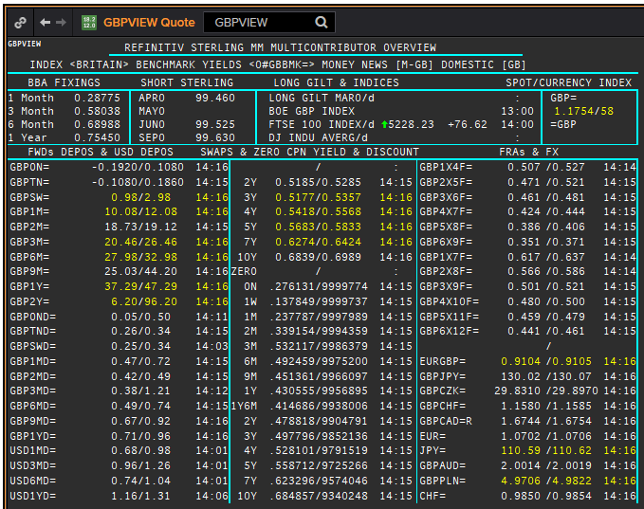
 | GBP
 | .
 | Maturity | Type | RIC | Bid yield (%) | Ask yield (%) | Mid Yield (%) | Ee | Eb | Fe | Fb | Bid/ask | Currency | Tenor | History Start | Close | Helper | Fwd Start Date
Excl. CDIO | SW | OIS | GBPSWOIS= | 0.0619 | 0.0819 | 0.0719 | 1 | 1 | 1 | 1 | MID | GBP | 0 | 2007-08-28 | 5.818
Excl. CDIO | 2W | OIS | GBP2WOIS= | 0.0607 | 0.0807 | 0.0707 | 1 | 1 | 1 | 1 | MID | GBP | 0 | 2013-01-28 | 0.396
 | 1M | OIS | GBP1MOIS= | 0.06 | 0.08 | 0.07 | 1 | 1 | 1 | 1 | MID | GBP | 0 | 2007-08-28 | 5.849
 | 2M | OIS | GBP2MOIS= | 0.0611 | 0.0811 | 0.0711 | 1 | 1 | 1 | 1 | MID | GBP | 0 | 2007-08-23 | 5.875
 | 3M | OIS | GBP3MOIS= | 0.0621 | 0.0821 | 0.0721 | 1 | 1 | 1 | 1 | MID | GBP | 0 | 2004-01-19 | 3.91
 | 4M | OIS | GBP4MOIS= | 0.0632 | 0.0832 | 0.0732 | 1 | 1 | 1 | 1 | MID | GBP | 0 | 2007-08-23 | 5.893
 | 5M | OIS | GBP5MOIS= | 0.0644 | 0.0844 | 0.0744 | 1 | 1 | 1 | 1 | MID | GBP | 0 | 2007-08-28 | 5.888
 | 6M | OIS | GBP6MOIS= | 0.0661 | 0.0861 | 0.0761 | 1 | 1 | 1 | 1 | MID | GBP | 0 | 2007-08-28 | 5.9
 | 7M | OIS | GBP7MOIS= | 0.0694 | 0.0894 | 0.0794 | 1 | 1 | 1 | 1 | MID | GBP | 0 | 2007-08-28 | 5.913
 | 8M | OIS | GBP8MOIS= | 0.0732 | 0.0932 | 0.0832 | 1 | 1 | 1 | 1 | MID | GBP | 0 | 2007-08-23 | 6.045
 | 9M | OIS | GBP9MOIS= | 0.0771 | 0.0971 | 0.0871 | 1 | 1 | 1 | 1 | MID | GBP | 0 | 2007-08-28 | 5.938
 | 10M | OIS | GBP10MOIS= | 0.0813 | 0.1013 | 0.0913 | 1 | 1 | 1 | 1 | MID | GBP | 0 | 2007-08-28 | 5.949
 | 11M | OIS | GBP11MOIS= | 0.0846 | 0.1046 | 0.0946 | 1 | 1 | 1 | 1 | MID | GBP | 0 | 2007-08-28 | 5.956
 | 1Y | OIS | GBP1YOIS= | 0.0876 | 0.1076 | 0.0976 | 1 | 1 | 1 | 1 | MID | GBP | 0 | 2007-08-28 | 5.964
 | 1.5Y | OIS | GBP18MOIS= | 0.11 | 0.13 | 0.12 | 1 | 1 | 1 | 1 | MID | GBP | 0 | 2017-10-17 | 0.607
 | 2Y | OIS | GBP2YOIS= | 0.1282 | 0.1482 | 0.1382 | 1 | 1 | 1 | 1 | MID | GBP | 0 | 2007-08-28 | 6.133
 | 3Y | OIS | GBP3YOIS= | 0.1576 | 0.1776 | 0.1676 | 1 | 1 | 1 | 1 | MID | GBP | 0 | 2015-01-08 | 0.7708
 | ON | IBOR | GBPONFSR= |  |  | 0.06413 | 1 | 1 | 1 | 1 | MID | GBP | 0 | 2001-01-02 | 5.81094
Excl. CDIO | SW | IBOR | GBPSWFSR= |  |  | 0.14425 | 1 | 1 | 1 | 1 | MID | GBP | 0 | 1997-12-02 | 7.30469
Excl. CDIO | 1M | IBOR | GBP1MFSR= |  |  | 0.23275 | 1 | 1 | 1 | 1 | MID | GBP | 0 | 1995-03-01 | 6.5
Excl. CDIO | 2M | IBOR | GBP2MFSR= |  |  | 0.36975 | 1 | 1 | 1 | 1 | MID | GBP | 0 | 1995-03-01 | 6.6875
 | 3M | IBOR | GBP3MFSR= |  |  | 0.52225 | 1 | 1 | 1 | 1 | MID | GBP | 0 | 1995-03-01 | 6.75
Excl. CDIO | 6M | IBOR | GBP6MFSR= |  |  | 0.6675 | 1 | 1 | 1 | 1 | MID | GBP | 0 | 1995-03-01 | 7.1875
Excl. CDIO | 1Y | IBOR | GBP1YFSR= |  |  | 0.77463 | 1 | 1 | 1 | 1 | MID | GBP | 0 | 1995-03-01 | 7.8125
 | 4M | FRA | GBP1X4F= | 0.473 | 0.493 | 0.483 | 1 | 1 | 1 | 1 | MID | GBP | 3M | 1995-03-01 | 6.85 | 1X4 | #VALUE!
Excl. CDIO | 5M | FRA | GBP2X5F= | 0.419 | 0.439 | 0.429 | 1 | 1 | 1 | 1 | MID | GBP | 3M | 1995-03-01 | 7.1 | 2X5 | #VALUE!
Excl. CDIO | 6M | FRA | GBP3X6F= | 0.378 | 0.428 | 0.403 | 1 | 1 | 1 | 1 | MID | GBP | 3M | 1995-03-01 | 7.36 | 3X6 | #VALUE!
Excl. CDIO | 7M | FRA | GBP4X7F= | 0.364 | 0.384 | 0.374 | 1 | 1 | 1 | 1 | MID | GBP | 3M | 1995-03-01 | 7.6 | 4X7 | #VALUE!
 | 8M | FRA | GBP5X8F= | 0.333 | 0.353 | 0.343 | 1 | 1 | 1 | 1 | MID | GBP | 3M | 1995-03-01 | 7.82 | 5X8 | #VALUE!
Excl. CDIO | 9M | FRA | GBP6X9F= | 0.309 | 0.329 | 0.319 | 1 | 1 | 1 | 1 | MID | GBP | 3M | 1995-03-01 | 7.42 | 6X9 | #VALUE!
Excl. CDIO | 10M | FRA | GBP7X10F= | 0.309 | 0.329 | 0.319 | 1 | 1 | 1 | 1 | MID | GBP | 3M | 1995-03-01 | 8.03 | 7X10 | #VALUE!
Excl. CDIO | 11M | FRA | GBP8X11F= | 0.309 | 0.329 | 0.319 | 1 | 1 | 1 | 1 | MID | GBP | 3M | 1995-03-01 | 7.79 | 8X11 | #VALUE!
 | 12M | FRA | GBP9X12F= | 0.3086 | 0.3186 | 0.3136 | 1 | 1 | 1 | 1 | MID | GBP | 3M | 1995-03-01 | 7.94 | 9X12 | #VALUE!
Excl. CDIO | 7M | FRA | GBP1X7F= | 0.558 | 0.578 | 0.568 | 1 | 1 | 1 | 1 | MID | GBP | 6M | 1995-03-01 | 7.29 | 1X7 | #VALUE!
Excl. CDIO | 8M | FRA | GBP2X8F= | 0.511 | 0.531 | 0.521 | 1 | 1 | 1 | 1 | MID | GBP | 6M | 1995-03-01 | 7.43 | 2X8 | #VALUE!
Excl. CDIO | 9M | FRA | GBP3X9F= | 0.471 | 0.491 | 0.481 | 1 | 1 | 1 | 1 | MID | GBP | 6M | 1995-03-01 | 7.71 | 3X9 | #VALUE!
Excl. CDIO | 10M | FRA | GBP4X10F= | 0.446 | 0.466 | 0.456 | 1 | 1 | 1 | 1 | MID | GBP | 6M | 1995-03-01 | 7.89 | 4X10 | #VALUE!
Excl. CDIO | 11M | FRA | GBP5X11F= | 0.421 | 0.441 | 0.431 | 1 | 1 | 1 | 1 | MID | GBP | 6M | 1995-03-01 | 8.04 | 5X11 | #VALUE!
Excl. CDIO | 12M | FRA | GBP6X12F= | 0.398 | 0.418 | 0.408 | 1 | 1 | 1 | 1 | MID | GBP | 6M | 1995-03-01 | 7.75 | 6X12 | #VALUE!
Excl. CDIO | 14M | FRA | GBP8X14F= | 0.387 | 0.407 | 0.397 | 1 | 1 | 1 | 1 | MID | GBP | 6M | 1995-03-01 | 8.09 |  | #VALUE!
Excl. CDIO | 1.5Y | FRA | GBP12X18F= | 0.378 | 0.428 | 0.403 | 1 | 1 | 1 | 1 | MID | GBP | 6M | 1995-03-01 | 8.55 | 12X18 | #VALUE!
 | 1Y | IRS | GBPSB6L1Y= | 0.519 | 0.559 | 0.539 | 1 | 1 | 1 | 1 | MID | GBP | 6M | 2016-06-09 | 0.6815
 | 2Y | IRS | GBPSB6L2Y= | 0.4717 | 0.4867 | 0.4792 | 1 | 1 | 1 | 1 | MID | GBP | 6M | 1995-03-01 | 8.26
 | 3Y | IRS | GBPSB6L3Y= | 0.4684 | 0.4834 | 0.4759 | 1 | 1 | 1 | 1 | MID | GBP | 6M | 1995-03-01 | 8.54
 | 4Y | IRS | GBPSB6L4Y= | 0.4755 | 0.4905 | 0.483 | 1 | 1 | 1 | 1 | MID | GBP | 6M | 1995-03-01 | 8.63
 | 5Y | IRS | GBPSB6L5Y= | 0.4997 | 0.5147 | 0.5072 | 1 | 1 | 1 | 1 | MID | GBP | 6M | 1995-03-01 | 8.72
 | 6Y | IRS | GBPSB6L6Y= | 0.5188 | 0.5338 | 0.5263 | 1 | 1 | 1 | 1 | MID | GBP | 6M | 1995-03-01 | 8.78
 | 7Y | IRS | GBPSB6L7Y= | 0.5375 | 0.5525 | 0.545 | 1 | 1 | 1 | 1 | MID | GBP | 6M | 1995-03-01 | 8.85
 | 8Y | IRS | GBPSB6L8Y= | 0.553 | 0.568 | 0.5605 | 1 | 1 | 1 | 1 | MID | GBP | 6M | 1995-03-01 | 8.85
 | 9Y | IRS | GBPSB6L9Y= | 0.5676 | 0.5826 | 0.5751 | 1 | 1 | 1 | 1 | MID | GBP | 6M | 1995-03-01 | 8.86
 | 10Y | IRS | GBPSB6L10Y= | 0.5807 | 0.5957 | 0.5882 | 1 | 1 | 1 | 1 | MID | GBP | 6M | 1995-03-01 | 8.88
 | 12Y | IRS | GBPSB6L12Y= | 0.6047 | 0.6197 | 0.6122 | 1 | 1 | 1 | 1 | MID | GBP | 6M | 2003-08-18 | 4.77
 | 15Y | IRS | GBPSB6L15Y= | 0.6164 | 0.6314 | 0.6239 | 1 | 1 | 1 | 1 | MID | GBP | 6M | 2003-08-18 | 4.79
 | 20Y | IRS | GBPSB6L20Y= | 0.545 | 0.675 | 0.61 | 1 | 1 | 1 | 1 | MID | GBP | 6M | 2003-08-18 | 4.79
 | 25Y | IRS | GBPSB6L25Y= | 0.531 | 0.661 | 0.596 | 1 | 1 | 1 | 1 | MID | GBP | 6M | 1998-08-13 | 5.97
 | 30Y | IRS | GBPSB6L30Y= | 0.514 | 0.644 | 0.579 | 1 | 1 | 1 | 1 | MID | GBP | 6M | 2003-08-18 | 4.79
Excl. CDIO | 40Y | IRS | GBPSB6L40Y= | 0.5425 | 0.5575 | 0.55 | 1 | 1 | 1 | 1 | MID | GBP | 6M | 2003-10-20 | 4.82
Excl. CDIO | 50Y | IRS | GBPSB6L50Y= | 0.4937 | 0.5137 | 0.5037 | 1 | 1 | 1 | 1 | MID | GBP | 6M | 2003-10-20 | 4.75

