工作表1
1 | Mounts for C-Mount Extension Tubes | SM1RC/M | 10
 | Compact Slip Ring

2 | CML-KIT | C-Mount Extension Tube Kit:5mm-10 | 2

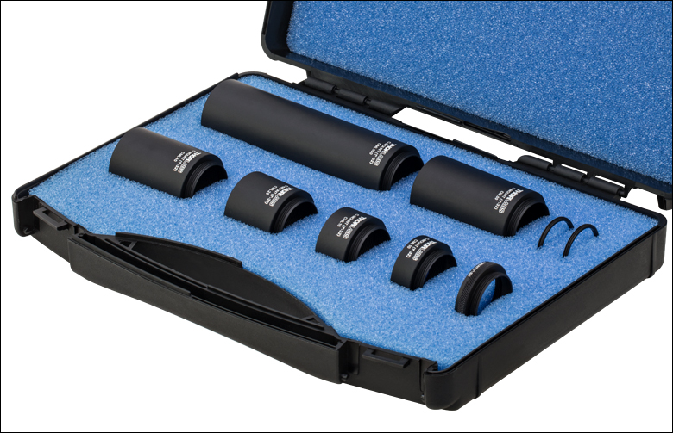

3 | CMT10 |  | 10
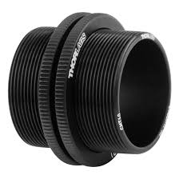

 | NKT
 | PhotoACE

 | Cage
 | Fiber Checker

