Curadoria
ASVs | BLASTn e DADA | Curated ID | Árvore | Comentario
>ASV_185_168bp >ASV_186_168bp >ASV_195_168bp >ASV_196_168bp >ASV_151_169bp >ASV_177_168bp >ASV_178_168bp >ASV_181_168bp >ASV_182_168bp >ASV_193_168bp >ASV_194_168bp | BLASTn: 97,5 a 98,81 para Astyanax altiparanae DADA2: 40 a 98 para A. lacustris, A. cf lacustris, e Astyanax | Astyanax sp.? |  | Como fazer a identificacao destes 2 grupos de ASVs?
>ASV_81_173bp | BLASTn: 96,552 para Astyanax bimaculatus DADA2: 53 para Piabarchus stramineus
ASV_157_169bp ASV_158_169bp | BLASTn 89,5 para Bairdiella chrysoura DADA2 100 para Pachyurus squamipennis | Pachyurus squamipennis
ASV_217_168bp | BLASTn 96,4 para Brycon orbignyanus DADA2 100 para Brycon orthotaenia | Brycon orthotaenia
ASV_78_173bp ASV_83_173bp | BLASTn Bryconamericus sp. 95,3 DADA2 Piabarchus stramineus 66 e 72 | Bryconamericus sp.
ASV_170_169bp | BLASTn identificou para Characidium sp. com 99,4 DADA2 Characidium 34. | Characidium sp.
>ASV_149_169bp >ASV_156_169bp | BLASTn: 99,4 para Oreochromis sp. DADA2: 100/97 para Oreochromis niloticus | Oreochromis sp./ Oreochromis niloticus
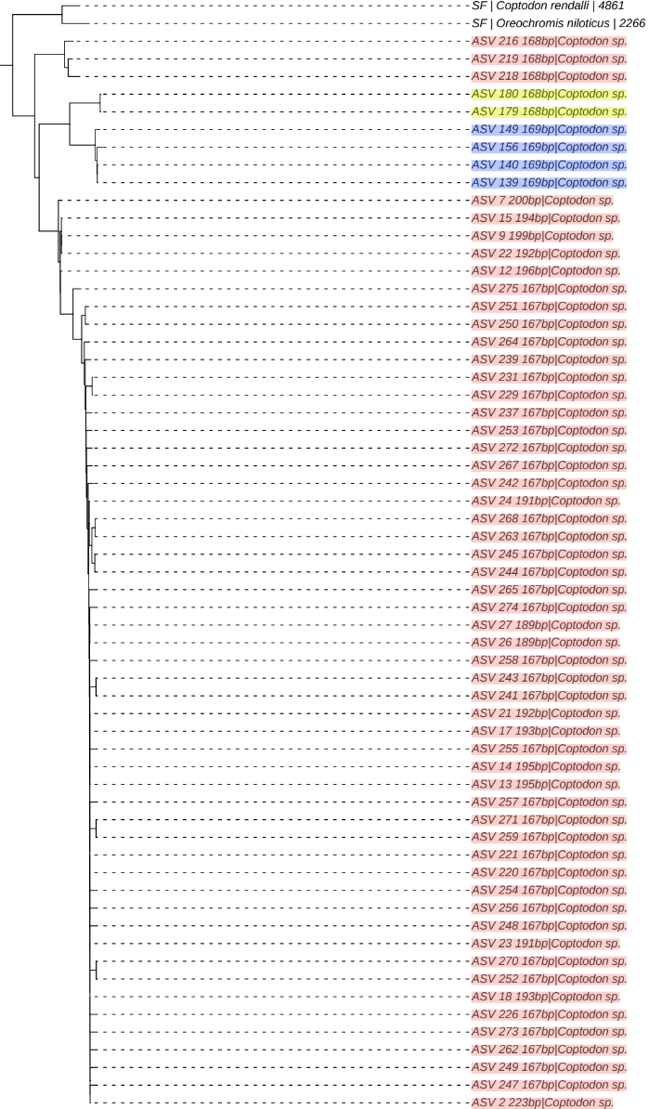
>ASV_140_169bp >ASV_139_169bp | BLASTn: 100 para Oreochromis sp. DADA2: 99/98 para O. niloticus
>ASV_179_168bp >ASV_180_168bp | BLASTn e DADA: 100 para Oreochromis niloticus | Oreochromis niloticus |  | por mim manteria essa ID e nao coptodon
>ASV_220_167bp >ASV_221_167bp >ASV_226_167bp >ASV_229_167bp >ASV_231_167bp >ASV_237_167bp >ASV_239_167bp >ASV_241_167bp >ASV_243_167bp >ASV_242_167bp >ASV_244_167bp >ASV_245_167bp >ASV_247_167bp >ASV_248_167bp >ASV_249_167bp >ASV_250_167bp >ASV_251_167bp >ASV_252_167bp >ASV_253_167bp >ASV_254_167bp >ASV_256_167bp >ASV_255_167bp >ASV_258_167bp >ASV_257_167bp >ASV_13_195bp >ASV_14_195bp >ASV_259_167bp >ASV_262_167bp >ASV_264_167bp >ASV_263_167bp >ASV_21_192bp >ASV_265_167bp >ASV_17_193bp >ASV_267_167bp >ASV_268_167bp >ASV_18_193bp >ASV_271_167bp >ASV_270_167bp >ASV_272_167bp >ASV_9_199bp >ASV_273_167bp >ASV_22_192bp >ASV_23_191bp >ASV_27_189bp >ASV_26_189bp >ASV_274_167bp >ASV_7_200bp >ASV_15_194bp >ASV_24_191bp >ASV_12_196bp >ASV_2_223bp >ASV_216_168bp >ASV_219_168bp >ASV_275_167bp >ASV_218_168bp | Todas as ASVs que o BLASTn atribuiu a Coptodon zillii, com um pseudoscore que variou de a foram identificadas pelo DADA2 como Coptodon rendalli, com boostraps de sempre 100, exceto em 3 casos que foram 99 e um de 98. | Coptodon rendalli |  | Se os peixes que estão na LI sao rendali ou zilli nao sabemos, mas as sequencias sao indubitavalmente de Coptodon rendalli. OBS: aparentemente nao existe Coptodon rendalli no NT
>ASV_69_174bp >ASV_71_174bp >ASV_70_174bp | BLASTn atribuiu Eigenmannia macrops a 3 ASVs com aproximadamente 94 e 92 de pseudoscore. DADA2 identificou como Eigenmannia virescens com bootstraps de 99, 100 e 100. | Eigenmannia virescens
>ASV_95_172bp >ASV_97_172bp >ASV_98_172bp | BLASTn atribiu a 3 ASVs entre 97 e 98 a ID de G. carapo. DADA2 realizou a mesma ID, com bootstraps de 99 e 100. | Gymnotus carapo
>ASV_99_172bp | BLASTn com pseudo score de 100 para Gymnotus silvius e DADA2 com bootstrap de 100 para Gymnotus carapo | Gymnotus carapo/silvius |  | Existe Gymnotus carapo no NT
>ASV_224_167bp >ASV_225_167bp | 2 ASVs que BLASTn atribuiu a H. malabaricus com 99 de pseudoscore e DADA2 com 100 a mesma especie | Hoplias malabaricus
>ASV_261_167bp >ASV_260_167bp | 2 ASVs que receberam id de H. intermedius do BLASTn, porem com um pseudoscore de 91,2 e ID do dada2 de H. intermedius, porem com um bootstrap de 46 e 48. | Hoplias sp?
>ASV_235_167bp >ASV_223_167bp >ASV_240_167bp >ASV_222_167bp >ASV_6_202bp >ASV_232_167bp >ASV_233_167bp >ASV_236_167bp >ASV_238_167bp >ASV_230_167bp >ASV_234_167bp >ASV_266_167bp >ASV_269_167bp >ASV_206_168bp >ASV_16_194bp >ASV_246_167bp | BLASTn atribuindo a diversas ASVs a ID de H. intermedius com pseudoscores variando de 95 a 99. DADA2 atribuindo a essas ASVs boostraps de 92 a 98 | Hoplias intermedius | 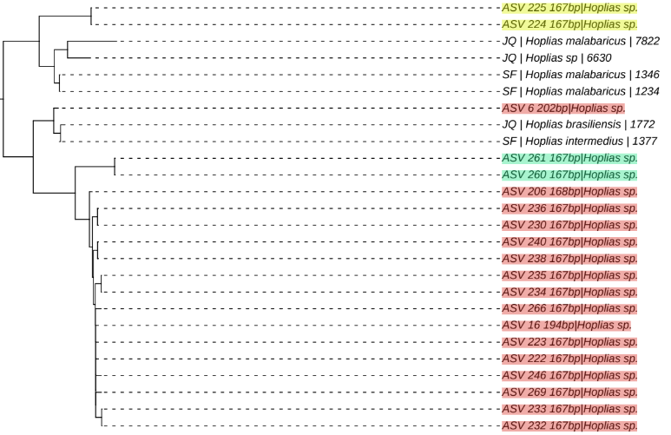
>ASV_147_169bp >ASV_148_169bp | BLASTn: 100 para Trichomycterus sp. DADA2: 97/93 para Hemigrammus cf gracilis | Trichomycterus sp.
>ASV_135_169bp >ASV_136_169bp >ASV_145_169bp >ASV_146_169bp >ASV_154_169bp >ASV_153_169bp >ASV_171_169bp | BLASTn: 96/95 para Hyphessobrycon eos DADA2: 100 para Hemigrammus marginatus | Hemigrammus marginatus
>ASV_85_173bp | BLASTn: 93,6 para Knodus sp. DADA2: 57 para Planaltina myersi | Knodus sp. |  | Knodus tem varias spp nas bacias da america do sul, mas aparentemente nao em MG. A ASV 81_173 o BLASTn chamou de Astyanax bimaculatus e 83_173 e 78_173 o BLASTn chamou de Beyconamericus
>ASV_84_173bp | BLASTn: 97,6 para Leporellus viattus DADA2: 100 para Leporellus vitattus | Leporellus vitattus
>ASV_133_170bp >ASV_134_170bp | BLASTn: 96,4 para M. obtusidens DADA2: 100 para M. garmanii | Megaleporinus garmani
>ASV_128_170bp >ASV_129_170bp | BLASTn: 95,8 para M. obtusidens DADA2: 98 para M. reinhardti | Megaleporinus obtusidens/ Megaleporinus reinhardti
>ASV_119_170bp >ASV_120_170bp >ASV_121_170bp >ASV_122_170bp | BLASTn: 98,2/99,4 para Leporinus crassilabris DADA2: 80 a 93 para Megaleporinus elongatus | Leporinus crassilabris/ Megaleporinus elongatus
>ASV_90_172bp >ASV_93_172bp | BLASTn: 98,8 para Leporinus octofasciatus DADA2: 100 para Leporinus taeniatus | Leporinus taeniatus
>ASV_110_171bp >ASV_108_171bp | BLASTn:95/94 para Leporinus octofasciatus DADA2: 90/99 para Leporinus piau | Leporinus octofasciatus/ Leporinus piau
>ASV_86_172bp >ASV_87_172bp >ASV_88_172bp >ASV_89_172bp | BLASTn: 99/98 para Leporinus steindachneri DADA2: 100 para Hypomasticus steindachneri | Hypomasticus steindachneri
>ASV_30_180bp | BLASTn: 87 para M. costae DADA2: 65 para M. costae | Moenkhausia costae |  | Provavelmente nao é nem uma coisa nem outra. Tanto que Curated ID dele ẽ Characiformes
>ASV_33_175bp >ASV_34_175bp >ASV_35_175bp >ASV_36_175bp >ASV_37_175bp >ASV_38_175bp >ASV_39_175bp >ASV_40_175bp >ASV_41_175bp >ASV_42_175bp >ASV_43_175bp >ASV_44_175bp >ASV_45_175bp >ASV_46_175bp >ASV_47_175bp >ASV_48_175bp >ASV_49_175bp >ASV_50_175bp >ASV_52_175bp >ASV_54_175bp >ASV_55_175bp >ASV_56_175bp >ASV_57_175bp >ASV_58_175bp >ASV_10_197bp >ASV_5_207bp >ASV_60_175bp >ASV_62_175bp | BLASTn: de 98 a 99,4 para M. costae DADA2: 100 para M. costae | Moenkhausia costae | 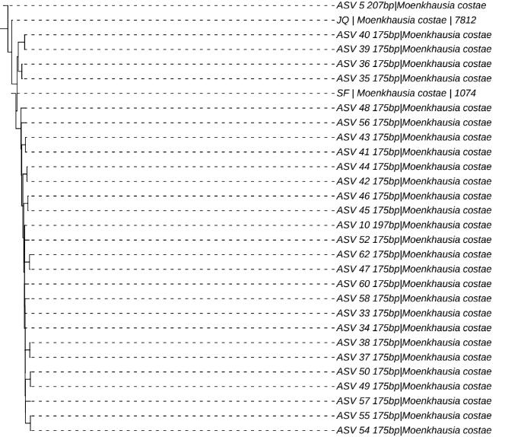
>ASV_51_175bp >ASV_53_175bp | BLASTn: 94,8 para Mileus tiete DADA2: 100 para Myleus micans | Myleus micans
>ASV_72_174bp | BLASTn: 100 para Piaractus brachypomus DADA2: 78 para Colossoma macropomum | Piaractus brachypomus
>ASV_61_175bp | BLASTn: 100 para Pseudoplastystoma corruscans DADA2: 100 para Pseudoplatystoma corruscans | Pseudoplastystoma corruscans
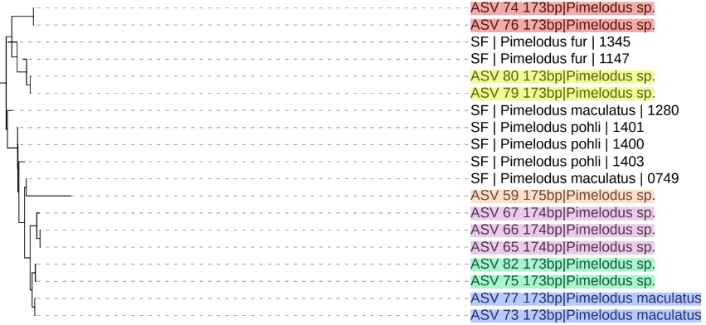
>ASV_74_173bp >ASV_76_173bp | BLASTn: 99,4 para Iheringichthys labrosus DADA2: 48/42 para Pimelodus | Iheringichthys labrosus |  | Essa spp nao é brasileira, apesar da alta pontuacao do BLAST
>ASV_75_173bp >ASV_82_173bp | BLASTn: 100 para Pimelodus albicans DADA2: 51/47 para Pimelodus pohli/Pimelodus | Pimelodus albicans |  | Como nao tem P. albicans no DB, eu considero a ID do BLASTn correta
>ASV_79_173bp >ASV_80_173bp | BLASTn: 98,8 para Pimelodus albicans DADA2: 94/93 para Pimelodus fur | Pimelodus fur |  | Eu consideraria pimelodus fur ṕor que esta longe de p. albicans na arvore
>ASV_73_173bp >ASV_77_173bp | BLASTn: 100 para Pimelodus maculatus DADA2: 81/86 para Pimelodus maculatus | Pimelodus maculatus |  | Aparententemente o BLASTn e o DADA2 discordam da arvore
>ASV_65_174bp >ASV_66_174bp | BLASTn: 100 para Pimelodus mysteriosus DADA2: 92/94 para Pimelodus pohli | Pimelodus mysteriosus
>ASV_59_175bp >ASV_67_174bp | BLASTn: 99,4 para Pimelodus mysteriosus DADA2: 72/53 para Pimelodus pohli | Pimelodus mysteriosus
>ASV_115_170bp >ASV_116_170bp | BLASTn: 100 para Poecilia reticulata DADA2: 50/53 para Acinocheirodon melanograma | Poecilia reticulata |  | Essa ID era uma grande dificuldade para decidir se era para levar em consideração o DADA ou o BLAST, mas com o bootstrap foi possivel ver que a ID do DADA2 nao era confiavel
>ASV_107_171bp >ASV_109_171bp | BLASTn: 100 para Prochilodus harttii DADA2: 93/90 para Prochilodus costatus | Prochilodus harttii
>ASV_112_171bp | BLASTn: 99,4 para Prochilodus hartii DADA2: 89 para P. costatus | Prochilodus harttii
>ASV_8_200bp | BLASTn: 94,5 para Psalidodon rivularis DADA2: 61 para Psalidodon cf fasciatus | Psalidodon ?
>ASV_187_168bp >ASV_188_168bp | BLASTn: 99,4 para Astyanax paranae DADA2: 42/41 para Astyanax | Astyanax sp.?
>ASV_11_197bp >ASV_197_168bp >ASV_198_168bp >ASV_212_168bp >ASV_173_168bp >ASV_174_168bp >ASV_189_168bp >ASV_190_168bp >ASV_191_168bp >ASV_192_168bp >ASV_199_168bp >ASV_200_168bp >ASV_203_168bp >ASV_25_190bp >ASV_19_193bp >ASV_20_193bp >ASV_175_168bp >ASV_176_168bp | BLASTn: 98,5 a 100 para Psalidodon rivularis DADA2: 57 a 92 para Astyanax scabripinnis | 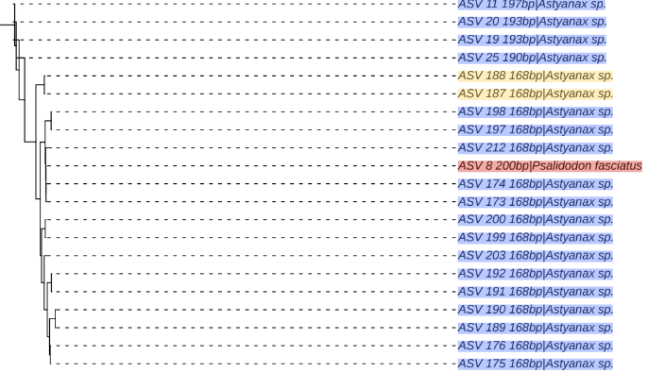 Psalidodon rivularis? |  | O problema é: as 3 ASVs em branco ao lado foram marcadas como Astyanax (ASV 188 e ASV_187 = 99,4 para Astyanax paranae;
>ASV_63_174bp >ASV_64_174bp >ASV_68_174bp >ASV_215_168bp | BLASTn: 91 a 97 para Rhamdia quelen DADA2: 82 a 98 para Rhamdia quelen | Rhamdia quelen
>ASV_117_170bp >ASV_118_170bp | BLASTn: 100 para Salmo salar DADA2: 20 para Actinopteri | Salmo salar
>ASV_130_170bp | BLASTn: 100 para Pygocentrus nattereri DADA2: 81 para Pygocentrus piraya | Pygocentrus nattereri
>ASV_113_170bp >ASV_114_170bp | BLASTn: 100 para Serrasalmus brandtii DADA2: 97/96 para Serrasalmus brandtii | Serrasalmus brandtii
>ASV_111_171bp | BLASTn: 89 para Tetranematichthys quadrafilis DADA2: 100 para Wertheimeria maculata | Wertheimeria maculata

