Senaste kontroll
MG001RX16

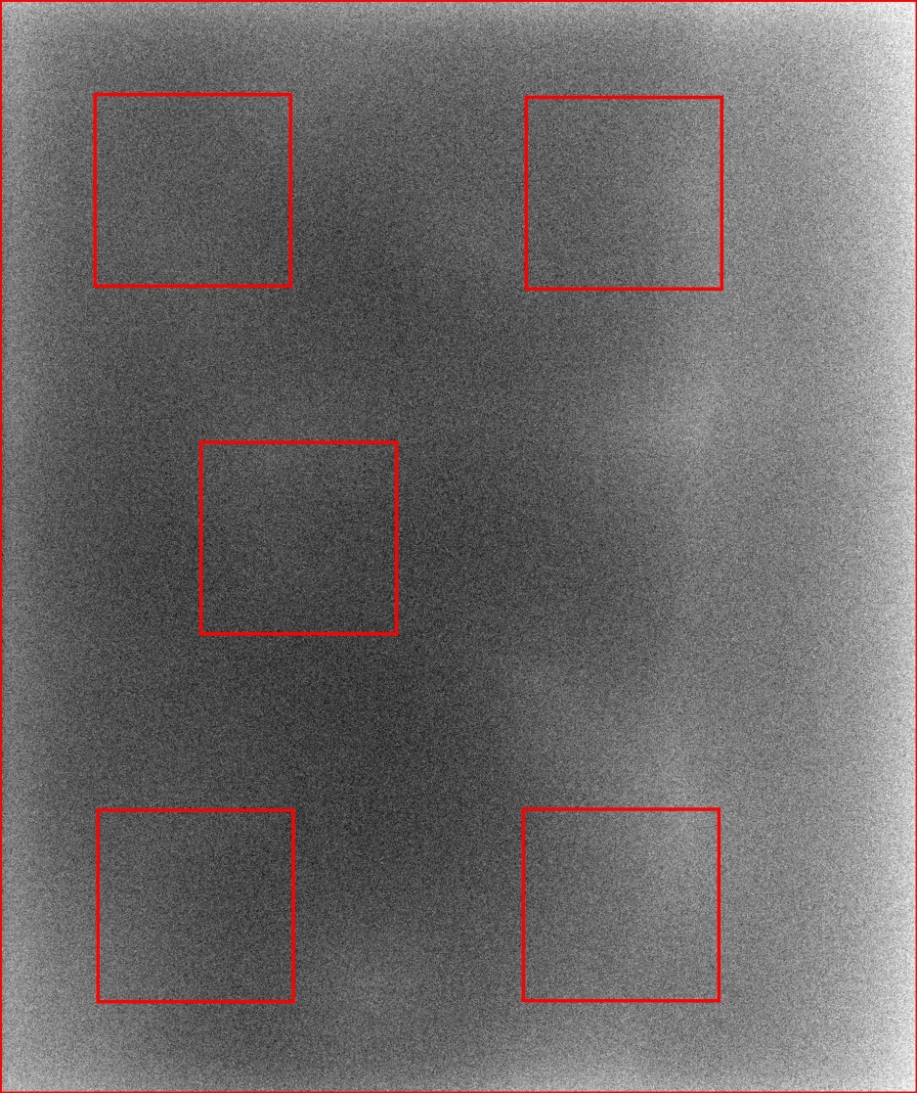
 | Station Name: | MG001RX16
 | Datum: | 2016-12-12
 | Tid: | 9:16:23

 | Parameter | Värde
 | AGD (mGy): | 0.85
 | Huddos (mGy): | 3.53
 | Rörladdning (mAs): | 33.8
 | Rörspänning (kV): | 29
 | Fokusstorlek (mm): | 0.3
 | Anod: | RHODIUM
 | Filter: | RHODIUM
 | Tjocklek (mm): | 47
 | Kompressionskraft (N): | 80

 | AEC: | AUTOMATIC
 | AEC-typ: | AOP dose
 | Bildtyp: | FOR PROCESSING

 | Variationskoefficient (%): | 2.3

MG001RX16
 | Variationskoefficient
11/19/2015 | 2.43
12/2/2015 | 2.45
12/3/2015 | 2.43
12/4/2015 | 2.51
12/15/2015 | 2.45
12/16/2015 | 2.47
11/1/2016 | 2.54
11/2/2016 | 2.56
11/3/2016 | 2.50
11/4/2016 | 2.48
11/7/2016 | 2.48
11/8/2016 | 2.49
11/9/2016 | 2.51
11/11/2016 | 2.49
11/15/2016 | 2.58
11/16/2016 | 2.54
11/18/2016 | 2.52
11/21/2016 | 2.75
11/23/2016 | 2.27
11/24/2016 | 2.24
11/25/2016 | 2.30
11/29/2016 | 2.26
11/30/2016 | 2.29
12/2/2016 | 2.28
12/5/2016 | 2.43
12/7/2016 | 2.31
12/8/2016 | 2.26
12/12/2016 | 2.34
12/12/2016 | 2.34
12/12/2016 | 2.34

